ZNF90 _multivariate
Reported by Tex Li-Hsing Chi. tex@gate.sinica.edu.tw 2019-08-14

Table 2. The clinicopathological features of HNSCC cohort and ZNF90 expression. (Chi square test)
Cutoff at -0.313 (49.8%)
 |  | ZNF90 expression |  | ZNF90 expression |  | (Optimised)
 | Features | Low | (%) | High | (%) | Case no | P-value | Remark | Matthews
Gender | Female | 153 | 36.9 | 153 | 36.9 | 415 | 1 | 0 | 0
2 | Male | 54 | 13 | 55 | 13.3
Age at diagnosis | <=65y | 140 | 33.7 | 134 | 32.3 | 415 | 0.5574 | 0 | 0
4 | >65y | 67 | 16.1 | 74 | 17.8
Clinical T Status | T1+T2 | 81 | 19.5 | 68 | 16.4 | 415 | 0.206 | 0 | 0
6 | T3+T4 | 126 | 30.4 | 140 | 33.7
Clinical N Status | N0 | 108 | 26 | 108 | 26 | 415 | 1 | 0 | 0
8 | N1-3 | 99 | 23.9 | 100 | 24.1
Clinical M Status | M0 | 207 | 49.9 | 205 | 49.4 | 415 | 0.2482 | 0 | 0
10 | M1 | 0 | 0 | 3 | 0.7
Clinical Stage | Stage I+II | 55 | 13.3 | 47 | 11.3 | 415 | 0.4087 | 0 | 0
12 | Stage III+IV | 152 | 36.6 | 161 | 38.8
Surgical Margin status | Negative | 166 | 40 | 152 | 36.6 | 415 | 0.1042 | 0 | 0
14 | Positive | 41 | 9.9 | 56 | 13.5
Tobacco Exposure | Low | 79 | 19 | 82 | 19.8 | 415 | 0.8405 | 0 | 0
16 | High | 128 | 30.8 | 126 | 30.4

Table 3. Univariate/Multivariate Cox's proportional hazards regression analyses on OS time of ZNF90 gene expression in HNSCC

 |  | Univariate |  |  |  | Multivariate
 | Features | HR | CI95%(L) | CI95%(H) | P-value | HR | CI95%(L) | CI95%(H) | P-value
1 | Female | 1 |  |  |  | 1
Gender | Male | 1.157 | 0.843 | 1.587 | 0.367 | 1.198 | 0.857 | 1.675 | 0.289
11 | <=65y | 1 |  |  |  | 1
Age at diagnosis | >65y | 1.329 | 0.99 | 1.784 | 0.058 | 1.392 | 1.024 | 1.893 | 0.035
12 | T1+T2 | 1 |  |  |  | 1
Clinical T Status | T3+T4 | 1.409 | 1.028 | 1.931 | 0.033 | 2.188 | 1.156 | 4.14 | 0.016
13 | N0 | 1 |  |  |  | 1
Clinical N Status | N1-3 | 1.185 | 0.89 | 1.577 | 0.246 | 1.239 | 0.868 | 1.769 | 0.237
14 | M0 | 1 |  |  |  | 1
Clinical M Status | M1 | 4.097 | 1.009 | 16.644 | 0.049 | 9.106 | 1.969 | 42.119 | 0.005
15 | Stage I+II | 1 |  |  |  | 1
Clinical Stage | Stage III+IV | 1.245 | 0.882 | 1.759 | 0.213 | 0.505 | 0.235 | 1.083 | 0.079
16 | Negative | 1 |  |  |  | 1
Surgical Margin status | Positive | 1.591 | 1.155 | 2.191 | 0.004 | 1.661 | 1.2 | 2.299 | 0.002
17 | Low | 1 |  |  |  | 1
Tobacco Exposure | High | 1.364 | 1.008 | 1.844 | 0.044 | 1.458 | 1.057 | 2.01 | 0.021
18 | Low | 1 |  |  |  | 1
RNAseq(z-score) | High | 1.146 | 0.86 | 1.528 | 0.352 | 1.058 | 0.79 | 1.418 | 0.706

Table 4. Univariate/Multivariate Cox's proportional hazards regression analyses on RFS time of ZNF90 gene expression in HNSCC

 |  | Univariate |  |  |  | Multivariate
 | Features | HR | CI95%(L) | CI95%(H) | P-value | HR | CI95%(L) | CI95%(H) | P-value
1 | Female | 1 |  |  |  | 1
Gender | Male | 1.157 | 0.843 | 1.587 | 0.367 | 1.198 | 0.857 | 1.675 | 0.289
11 | <=65y | 1 |  |  |  | 1
Age at diagnosis | >65y | 1.329 | 0.99 | 1.784 | 0.058 | 1.392 | 1.024 | 1.893 | 0.035
12 | T1+T2 | 1 |  |  |  | 1
Clinical T Status | T3+T4 | 1.409 | 1.028 | 1.931 | 0.033 | 2.188 | 1.156 | 4.14 | 0.016
13 | N0 | 1 |  |  |  | 1
Clinical N Status | N1-3 | 1.185 | 0.89 | 1.577 | 0.246 | 1.239 | 0.868 | 1.769 | 0.237
14 | M0 | 1 |  |  |  | 1
Clinical M Status | M1 | 4.097 | 1.009 | 16.644 | 0.049 | 9.106 | 1.969 | 42.119 | 0.005
15 | Stage I+II | 1 |  |  |  | 1
Clinical Stage | Stage III+IV | 1.245 | 0.882 | 1.759 | 0.213 | 0.505 | 0.235 | 1.083 | 0.079
16 | Negative | 1 |  |  |  | 1
Surgical Margin status | Positive | 1.591 | 1.155 | 2.191 | 0.004 | 1.661 | 1.2 | 2.299 | 0.002
17 | Low | 1 |  |  |  | 1
Tobacco Exposure | High | 1.364 | 1.008 | 1.844 | 0.044 | 1.458 | 1.057 | 2.01 | 0.021
18 | Low | 1 |  |  |  | 1
RNAseq(z-score) | High | 1.146 | 0.86 | 1.528 | 0.352 | 1.058 | 0.79 | 1.418 | 0.706

Kaplan-Meier survival estimate: Cutoff at -0.313 (49.8%)



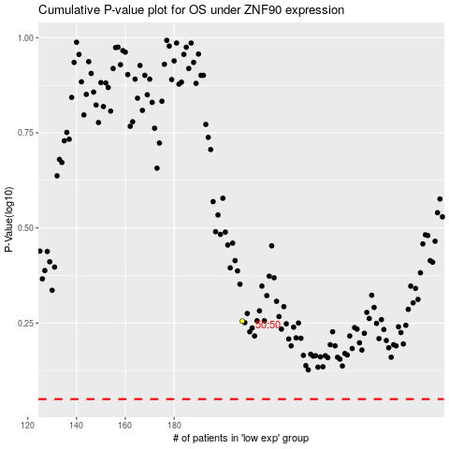

 |  |  |  |  |  | cases_OS | p_OS | rank | exp
 |  |  |  |  |  |  | cases_RFS | p_RFS | rank | exp

