ZNFX1 _multivariate
Reported by Tex Li-Hsing Chi. tex@gate.sinica.edu.tw 2019-08-14

Table 2. The clinicopathological features of HNSCC cohort and ZNFX1 expression. (Chi square test)
Cutoff at -0.196 (50.0%)
 |  | ZNFX1 expression |  | ZNFX1 expression |  | (Optimised)
 | Features | Low | (%) | High | (%) | Case no | P-value | Remark | Matthews
Gender | Female | 159 | 38.3 | 147 | 35.4 | 415 | 0.1905 | 0 | 0
2 | Male | 48 | 11.6 | 61 | 14.7
Age at diagnosis | <=65y | 138 | 33.3 | 136 | 32.8 | 415 | 0.8634 | 0 | 0
4 | >65y | 69 | 16.6 | 72 | 17.3
Clinical T Status | T1+T2 | 63 | 15.2 | 86 | 20.7 | 415 | 0.0268 | 1 | 0
6 | T3+T4 | 144 | 34.7 | 122 | 29.4
Clinical N Status | N0 | 112 | 27 | 104 | 25.1 | 415 | 0.4599 | 0 | 0
8 | N1-3 | 95 | 22.9 | 104 | 25.1
Clinical M Status | M0 | 206 | 49.6 | 206 | 49.6 | 415 | 1 | 0 | 0
10 | M1 | 1 | 0.2 | 2 | 0.5
Clinical Stage | Stage I+II | 39 | 9.4 | 63 | 15.2 | 415 | 0.0095 | 1 | 0
12 | Stage III+IV | 168 | 40.5 | 145 | 34.9
Surgical Margin status | Negative | 153 | 36.9 | 165 | 39.8 | 415 | 0.2036 | 0 | 0
14 | Positive | 54 | 13 | 43 | 10.4
Tobacco Exposure | Low | 67 | 16.1 | 94 | 22.7 | 415 | 0.0088 | 1 | 0
16 | High | 140 | 33.7 | 114 | 27.5

Table 3. Univariate/Multivariate Cox's proportional hazards regression analyses on OS time of ZNFX1 gene expression in HNSCC

 |  | Univariate |  |  |  | Multivariate
 | Features | HR | CI95%(L) | CI95%(H) | P-value | HR | CI95%(L) | CI95%(H) | P-value
1 | Female | 1 |  |  |  | 1
Gender | Male | 1.157 | 0.843 | 1.587 | 0.367 | 1.206 | 0.863 | 1.685 | 0.273
11 | <=65y | 1 |  |  |  | 1
Age at diagnosis | >65y | 1.329 | 0.99 | 1.784 | 0.058 | 1.394 | 1.025 | 1.897 | 0.034
12 | T1+T2 | 1 |  |  |  | 1
Clinical T Status | T3+T4 | 1.409 | 1.028 | 1.931 | 0.033 | 2.208 | 1.167 | 4.176 | 0.015
13 | N0 | 1 |  |  |  | 1
Clinical N Status | N1-3 | 1.185 | 0.89 | 1.577 | 0.246 | 1.219 | 0.853 | 1.742 | 0.278
14 | M0 | 1 |  |  |  | 1
Clinical M Status | M1 | 4.097 | 1.009 | 16.644 | 0.049 | 9.089 | 1.979 | 41.746 | 0.005
15 | Stage I+II | 1 |  |  |  | 1
Clinical Stage | Stage III+IV | 1.245 | 0.882 | 1.759 | 0.213 | 0.521 | 0.242 | 1.121 | 0.095
16 | Negative | 1 |  |  |  | 1
Surgical Margin status | Positive | 1.591 | 1.155 | 2.191 | 0.004 | 1.678 | 1.215 | 2.319 | 0.002
17 | Low | 1 |  |  |  | 1
Tobacco Exposure | High | 1.364 | 1.008 | 1.844 | 0.044 | 1.491 | 1.076 | 2.065 | 0.016
18 | Low | 1 |  |  |  | 1
RNAseq(z-score) | High | 1.079 | 0.809 | 1.438 | 0.605 | 1.151 | 0.856 | 1.55 | 0.352

Table 4. Univariate/Multivariate Cox's proportional hazards regression analyses on RFS time of ZNFX1 gene expression in HNSCC

 |  | Univariate |  |  |  | Multivariate
 | Features | HR | CI95%(L) | CI95%(H) | P-value | HR | CI95%(L) | CI95%(H) | P-value
1 | Female | 1 |  |  |  | 1
Gender | Male | 1.157 | 0.843 | 1.587 | 0.367 | 1.206 | 0.863 | 1.685 | 0.273
11 | <=65y | 1 |  |  |  | 1
Age at diagnosis | >65y | 1.329 | 0.99 | 1.784 | 0.058 | 1.394 | 1.025 | 1.897 | 0.034
12 | T1+T2 | 1 |  |  |  | 1
Clinical T Status | T3+T4 | 1.409 | 1.028 | 1.931 | 0.033 | 2.208 | 1.167 | 4.176 | 0.015
13 | N0 | 1 |  |  |  | 1
Clinical N Status | N1-3 | 1.185 | 0.89 | 1.577 | 0.246 | 1.219 | 0.853 | 1.742 | 0.278
14 | M0 | 1 |  |  |  | 1
Clinical M Status | M1 | 4.097 | 1.009 | 16.644 | 0.049 | 9.089 | 1.979 | 41.746 | 0.005
15 | Stage I+II | 1 |  |  |  | 1
Clinical Stage | Stage III+IV | 1.245 | 0.882 | 1.759 | 0.213 | 0.521 | 0.242 | 1.121 | 0.095
16 | Negative | 1 |  |  |  | 1
Surgical Margin status | Positive | 1.591 | 1.155 | 2.191 | 0.004 | 1.678 | 1.215 | 2.319 | 0.002
17 | Low | 1 |  |  |  | 1
Tobacco Exposure | High | 1.364 | 1.008 | 1.844 | 0.044 | 1.491 | 1.076 | 2.065 | 0.016
18 | Low | 1 |  |  |  | 1
RNAseq(z-score) | High | 1.079 | 0.809 | 1.438 | 0.605 | 1.151 | 0.856 | 1.55 | 0.352

Kaplan-Meier survival estimate: Cutoff at -0.196 (50.0%)



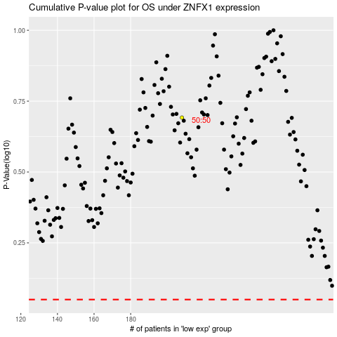

 |  |  |  |  |  | cases_OS | p_OS | rank | exp
 |  |  |  |  |  |  | cases_RFS | p_RFS | rank | exp

