ZNHIT1 _multivariate
Reported by Tex Li-Hsing Chi. tex@gate.sinica.edu.tw 2019-08-14

Table 2. The clinicopathological features of HNSCC cohort and ZNHIT1 expression. (Chi square test)
Cutoff at -0.291 (50.0%)
 |  | ZNHIT1 expression |  | ZNHIT1 expression |  | (Optimised)
 | Features | Low | (%) | High | (%) | Case no | P-value | Remark | Matthews
Gender | Female | 149 | 35.9 | 157 | 37.8 | 415 | 0.4848 | 0 | 0
2 | Male | 58 | 14 | 51 | 12.3
Age at diagnosis | <=65y | 134 | 32.3 | 140 | 33.7 | 415 | 0.6529 | 0 | 0
4 | >65y | 73 | 17.6 | 68 | 16.4
Clinical T Status | T1+T2 | 80 | 19.3 | 69 | 16.6 | 415 | 0.2891 | 0 | 0
6 | T3+T4 | 127 | 30.6 | 139 | 33.5
Clinical N Status | N0 | 113 | 27.2 | 103 | 24.8 | 415 | 0.3495 | 1 | 0
8 | N1-3 | 94 | 22.7 | 105 | 25.3
Clinical M Status | M0 | 207 | 49.9 | 205 | 49.4 | 415 | 0.2482 | 0 | 0
10 | M1 | 0 | 0 | 3 | 0.7
Clinical Stage | Stage I+II | 55 | 13.3 | 47 | 11.3 | 415 | 0.4087 | 0 | 0
12 | Stage III+IV | 152 | 36.6 | 161 | 38.8
Surgical Margin status | Negative | 160 | 38.6 | 158 | 38.1 | 415 | 0.8167 | 0 | 0
14 | Positive | 47 | 11.3 | 50 | 12
Tobacco Exposure | Low | 88 | 21.2 | 73 | 17.6 | 415 | 0.1314 | 0 | 0
16 | High | 119 | 28.7 | 135 | 32.5

Table 3. Univariate/Multivariate Cox's proportional hazards regression analyses on OS time of ZNHIT1 gene expression in HNSCC

 |  | Univariate |  |  |  | Multivariate
 | Features | HR | CI95%(L) | CI95%(H) | P-value | HR | CI95%(L) | CI95%(H) | P-value
1 | Female | 1 |  |  |  | 1
Gender | Male | 1.157 | 0.843 | 1.587 | 0.367 | 1.206 | 0.863 | 1.685 | 0.274
11 | <=65y | 1 |  |  |  | 1
Age at diagnosis | >65y | 1.329 | 0.99 | 1.784 | 0.058 | 1.388 | 1.02 | 1.888 | 0.037
12 | T1+T2 | 1 |  |  |  | 1
Clinical T Status | T3+T4 | 1.409 | 1.028 | 1.931 | 0.033 | 2.213 | 1.169 | 4.189 | 0.015
13 | N0 | 1 |  |  |  | 1
Clinical N Status | N1-3 | 1.185 | 0.89 | 1.577 | 0.246 | 1.245 | 0.872 | 1.778 | 0.228
14 | M0 | 1 |  |  |  | 1
Clinical M Status | M1 | 4.097 | 1.009 | 16.644 | 0.049 | 9.656 | 2.084 | 44.739 | 0.004
15 | Stage I+II | 1 |  |  |  | 1
Clinical Stage | Stage III+IV | 1.245 | 0.882 | 1.759 | 0.213 | 0.501 | 0.233 | 1.078 | 0.077
16 | Negative | 1 |  |  |  | 1
Surgical Margin status | Positive | 1.591 | 1.155 | 2.191 | 0.004 | 1.676 | 1.212 | 2.318 | 0.002
17 | Low | 1 |  |  |  | 1
Tobacco Exposure | High | 1.364 | 1.008 | 1.844 | 0.044 | 1.462 | 1.058 | 2.021 | 0.021
18 | Low | 1 |  |  |  | 1
RNAseq(z-score) | High | 1.062 | 0.797 | 1.416 | 0.68 | 0.958 | 0.713 | 1.287 | 0.775

Table 4. Univariate/Multivariate Cox's proportional hazards regression analyses on RFS time of ZNHIT1 gene expression in HNSCC

 |  | Univariate |  |  |  | Multivariate
 | Features | HR | CI95%(L) | CI95%(H) | P-value | HR | CI95%(L) | CI95%(H) | P-value
1 | Female | 1 |  |  |  | 1
Gender | Male | 1.157 | 0.843 | 1.587 | 0.367 | 1.206 | 0.863 | 1.685 | 0.274
11 | <=65y | 1 |  |  |  | 1
Age at diagnosis | >65y | 1.329 | 0.99 | 1.784 | 0.058 | 1.388 | 1.02 | 1.888 | 0.037
12 | T1+T2 | 1 |  |  |  | 1
Clinical T Status | T3+T4 | 1.409 | 1.028 | 1.931 | 0.033 | 2.213 | 1.169 | 4.189 | 0.015
13 | N0 | 1 |  |  |  | 1
Clinical N Status | N1-3 | 1.185 | 0.89 | 1.577 | 0.246 | 1.245 | 0.872 | 1.778 | 0.228
14 | M0 | 1 |  |  |  | 1
Clinical M Status | M1 | 4.097 | 1.009 | 16.644 | 0.049 | 9.656 | 2.084 | 44.739 | 0.004
15 | Stage I+II | 1 |  |  |  | 1
Clinical Stage | Stage III+IV | 1.245 | 0.882 | 1.759 | 0.213 | 0.501 | 0.233 | 1.078 | 0.077
16 | Negative | 1 |  |  |  | 1
Surgical Margin status | Positive | 1.591 | 1.155 | 2.191 | 0.004 | 1.676 | 1.212 | 2.318 | 0.002
17 | Low | 1 |  |  |  | 1
Tobacco Exposure | High | 1.364 | 1.008 | 1.844 | 0.044 | 1.462 | 1.058 | 2.021 | 0.021
18 | Low | 1 |  |  |  | 1
RNAseq(z-score) | High | 1.062 | 0.797 | 1.416 | 0.68 | 0.958 | 0.713 | 1.287 | 0.775

Kaplan-Meier survival estimate: Cutoff at -0.291 (50.0%)



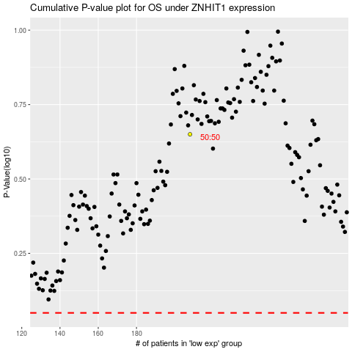

 |  |  |  |  |  | cases_OS | p_OS | rank | exp
 |  |  |  |  |  |  | cases_RFS | p_RFS | rank | exp

