ZNRF2 _multivariate
Reported by Tex Li-Hsing Chi. tex@gate.sinica.edu.tw 2019-08-14

Table 2. The clinicopathological features of HNSCC cohort and ZNRF2 expression. (Chi square test)
Cutoff at -0.141 (50.0%)
 |  | ZNRF2 expression |  | ZNRF2 expression |  | (Optimised)
 | Features | Low | (%) | High | (%) | Case no | P-value | Remark | Matthews
Gender | Female | 161 | 38.8 | 145 | 34.9 | 415 | 0.0792 | 0 | 0
2 | Male | 46 | 11.1 | 63 | 15.2
Age at diagnosis | <=65y | 136 | 32.8 | 138 | 33.3 | 415 | 0.9719 | 0 | 0
4 | >65y | 71 | 17.1 | 70 | 16.9
Clinical T Status | T1+T2 | 71 | 17.1 | 78 | 18.8 | 415 | 0.5638 | 0 | 0
6 | T3+T4 | 136 | 32.8 | 130 | 31.3
Clinical N Status | N0 | 105 | 25.3 | 111 | 26.7 | 415 | 0.6598 | 0 | 0
8 | N1-3 | 102 | 24.6 | 97 | 23.4
Clinical M Status | M0 | 206 | 49.6 | 206 | 49.6 | 415 | 1 | 0 | 0
10 | M1 | 1 | 0.2 | 2 | 0.5
Clinical Stage | Stage I+II | 42 | 10.1 | 60 | 14.5 | 415 | 0.0561 | 0 | 0
12 | Stage III+IV | 165 | 39.8 | 148 | 35.7
Surgical Margin status | Negative | 160 | 38.6 | 158 | 38.1 | 415 | 0.8167 | 0 | 0
14 | Positive | 47 | 11.3 | 50 | 12
Tobacco Exposure | Low | 70 | 16.9 | 91 | 21.9 | 415 | 0.0439 | 1 | 0
16 | High | 137 | 33 | 117 | 28.2

Table 3. Univariate/Multivariate Cox's proportional hazards regression analyses on OS time of ZNRF2 gene expression in HNSCC

 |  | Univariate |  |  |  | Multivariate
 | Features | HR | CI95%(L) | CI95%(H) | P-value | HR | CI95%(L) | CI95%(H) | P-value
1 | Female | 1 |  |  |  | 1
Gender | Male | 1.157 | 0.843 | 1.587 | 0.367 | 1.206 | 0.862 | 1.687 | 0.275
11 | <=65y | 1 |  |  |  | 1
Age at diagnosis | >65y | 1.329 | 0.99 | 1.784 | 0.058 | 1.39 | 1.022 | 1.89 | 0.036
12 | T1+T2 | 1 |  |  |  | 1
Clinical T Status | T3+T4 | 1.409 | 1.028 | 1.931 | 0.033 | 2.212 | 1.168 | 4.187 | 0.015
13 | N0 | 1 |  |  |  | 1
Clinical N Status | N1-3 | 1.185 | 0.89 | 1.577 | 0.246 | 1.242 | 0.87 | 1.772 | 0.233
14 | M0 | 1 |  |  |  | 1
Clinical M Status | M1 | 4.097 | 1.009 | 16.644 | 0.049 | 9.489 | 2.065 | 43.599 | 0.004
15 | Stage I+II | 1 |  |  |  | 1
Clinical Stage | Stage III+IV | 1.245 | 0.882 | 1.759 | 0.213 | 0.5 | 0.232 | 1.078 | 0.077
16 | Negative | 1 |  |  |  | 1
Surgical Margin status | Positive | 1.591 | 1.155 | 2.191 | 0.004 | 1.678 | 1.212 | 2.322 | 0.002
17 | Low | 1 |  |  |  | 1
Tobacco Exposure | High | 1.364 | 1.008 | 1.844 | 0.044 | 1.45 | 1.052 | 1.999 | 0.023
18 | Low | 1 |  |  |  | 1
RNAseq(z-score) | High | 0.997 | 0.748 | 1.328 | 0.984 | 0.97 | 0.723 | 1.3 | 0.837

Table 4. Univariate/Multivariate Cox's proportional hazards regression analyses on RFS time of ZNRF2 gene expression in HNSCC

 |  | Univariate |  |  |  | Multivariate
 | Features | HR | CI95%(L) | CI95%(H) | P-value | HR | CI95%(L) | CI95%(H) | P-value
1 | Female | 1 |  |  |  | 1
Gender | Male | 1.157 | 0.843 | 1.587 | 0.367 | 1.206 | 0.862 | 1.687 | 0.275
11 | <=65y | 1 |  |  |  | 1
Age at diagnosis | >65y | 1.329 | 0.99 | 1.784 | 0.058 | 1.39 | 1.022 | 1.89 | 0.036
12 | T1+T2 | 1 |  |  |  | 1
Clinical T Status | T3+T4 | 1.409 | 1.028 | 1.931 | 0.033 | 2.212 | 1.168 | 4.187 | 0.015
13 | N0 | 1 |  |  |  | 1
Clinical N Status | N1-3 | 1.185 | 0.89 | 1.577 | 0.246 | 1.242 | 0.87 | 1.772 | 0.233
14 | M0 | 1 |  |  |  | 1
Clinical M Status | M1 | 4.097 | 1.009 | 16.644 | 0.049 | 9.489 | 2.065 | 43.599 | 0.004
15 | Stage I+II | 1 |  |  |  | 1
Clinical Stage | Stage III+IV | 1.245 | 0.882 | 1.759 | 0.213 | 0.5 | 0.232 | 1.078 | 0.077
16 | Negative | 1 |  |  |  | 1
Surgical Margin status | Positive | 1.591 | 1.155 | 2.191 | 0.004 | 1.678 | 1.212 | 2.322 | 0.002
17 | Low | 1 |  |  |  | 1
Tobacco Exposure | High | 1.364 | 1.008 | 1.844 | 0.044 | 1.45 | 1.052 | 1.999 | 0.023
18 | Low | 1 |  |  |  | 1
RNAseq(z-score) | High | 0.997 | 0.748 | 1.328 | 0.984 | 0.97 | 0.723 | 1.3 | 0.837

Kaplan-Meier survival estimate: Cutoff at -0.141 (50.0%)



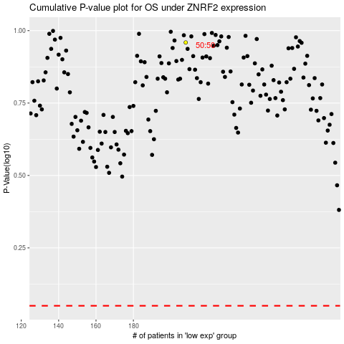

 |  |  |  |  |  | cases_OS | p_OS | rank | exp
 |  |  |  |  |  |  | cases_RFS | p_RFS | rank | exp

