ZRANB2 _multivariate
Reported by Tex Li-Hsing Chi. tex@gate.sinica.edu.tw 2019-08-14

Table 2. The clinicopathological features of HNSCC cohort and ZRANB2 expression. (Chi square test)
Cutoff at -0.174 (49.8%)
 |  | ZRANB2 expression |  | ZRANB2 expression |  | (Optimised)
 | Features | Low | (%) | High | (%) | Case no | P-value | Remark | Matthews
Gender | Female | 150 | 36.1 | 156 | 37.6 | 415 | 0.6344 | 0 | 0
2 | Male | 57 | 13.7 | 52 | 12.5
Age at diagnosis | <=65y | 136 | 32.8 | 138 | 33.3 | 415 | 0.9719 | 0 | 0
4 | >65y | 71 | 17.1 | 70 | 16.9
Clinical T Status | T1+T2 | 63 | 15.2 | 86 | 20.7 | 415 | 0.0268 | 1 | 0
6 | T3+T4 | 144 | 34.7 | 122 | 29.4
Clinical N Status | N0 | 112 | 27 | 104 | 25.1 | 415 | 0.4599 | 0 | 0
8 | N1-3 | 95 | 22.9 | 104 | 25.1
Clinical M Status | M0 | 206 | 49.6 | 206 | 49.6 | 415 | 1 | 0 | 0
10 | M1 | 1 | 0.2 | 2 | 0.5
Clinical Stage | Stage I+II | 47 | 11.3 | 55 | 13.3 | 415 | 0.4413 | 0 | 0
12 | Stage III+IV | 160 | 38.6 | 153 | 36.9
Surgical Margin status | Negative | 168 | 40.5 | 150 | 36.1 | 415 | 0.0366 | 1 | 0
14 | Positive | 39 | 9.4 | 58 | 14
Tobacco Exposure | Low | 73 | 17.6 | 88 | 21.2 | 415 | 0.1587 | 0 | 0
16 | High | 134 | 32.3 | 120 | 28.9

Table 3. Univariate/Multivariate Cox's proportional hazards regression analyses on OS time of ZRANB2 gene expression in HNSCC

 |  | Univariate |  |  |  | Multivariate
 | Features | HR | CI95%(L) | CI95%(H) | P-value | HR | CI95%(L) | CI95%(H) | P-value
1 | Female | 1 |  |  |  | 1
Gender | Male | 1.157 | 0.843 | 1.587 | 0.367 | 1.203 | 0.861 | 1.68 | 0.278
11 | <=65y | 1 |  |  |  | 1
Age at diagnosis | >65y | 1.329 | 0.99 | 1.784 | 0.058 | 1.392 | 1.025 | 1.891 | 0.034
12 | T1+T2 | 1 |  |  |  | 1
Clinical T Status | T3+T4 | 1.409 | 1.028 | 1.931 | 0.033 | 2.125 | 1.122 | 4.027 | 0.021
13 | N0 | 1 |  |  |  | 1
Clinical N Status | N1-3 | 1.185 | 0.89 | 1.577 | 0.246 | 1.257 | 0.881 | 1.794 | 0.208
14 | M0 | 1 |  |  |  | 1
Clinical M Status | M1 | 4.097 | 1.009 | 16.644 | 0.049 | 9.3 | 2.028 | 42.65 | 0.004
15 | Stage I+II | 1 |  |  |  | 1
Clinical Stage | Stage III+IV | 1.245 | 0.882 | 1.759 | 0.213 | 0.507 | 0.236 | 1.089 | 0.082
16 | Negative | 1 |  |  |  | 1
Surgical Margin status | Positive | 1.591 | 1.155 | 2.191 | 0.004 | 1.72 | 1.241 | 2.383 | 0.001
17 | Low | 1 |  |  |  | 1
Tobacco Exposure | High | 1.364 | 1.008 | 1.844 | 0.044 | 1.449 | 1.052 | 1.996 | 0.023
18 | Low | 1 |  |  |  | 1
RNAseq(z-score) | High | 0.823 | 0.616 | 1.1 | 0.188 | 0.819 | 0.61 | 1.101 | 0.186

Table 4. Univariate/Multivariate Cox's proportional hazards regression analyses on RFS time of ZRANB2 gene expression in HNSCC

 |  | Univariate |  |  |  | Multivariate
 | Features | HR | CI95%(L) | CI95%(H) | P-value | HR | CI95%(L) | CI95%(H) | P-value
1 | Female | 1 |  |  |  | 1
Gender | Male | 1.157 | 0.843 | 1.587 | 0.367 | 1.203 | 0.861 | 1.68 | 0.278
11 | <=65y | 1 |  |  |  | 1
Age at diagnosis | >65y | 1.329 | 0.99 | 1.784 | 0.058 | 1.392 | 1.025 | 1.891 | 0.034
12 | T1+T2 | 1 |  |  |  | 1
Clinical T Status | T3+T4 | 1.409 | 1.028 | 1.931 | 0.033 | 2.125 | 1.122 | 4.027 | 0.021
13 | N0 | 1 |  |  |  | 1
Clinical N Status | N1-3 | 1.185 | 0.89 | 1.577 | 0.246 | 1.257 | 0.881 | 1.794 | 0.208
14 | M0 | 1 |  |  |  | 1
Clinical M Status | M1 | 4.097 | 1.009 | 16.644 | 0.049 | 9.3 | 2.028 | 42.65 | 0.004
15 | Stage I+II | 1 |  |  |  | 1
Clinical Stage | Stage III+IV | 1.245 | 0.882 | 1.759 | 0.213 | 0.507 | 0.236 | 1.089 | 0.082
16 | Negative | 1 |  |  |  | 1
Surgical Margin status | Positive | 1.591 | 1.155 | 2.191 | 0.004 | 1.72 | 1.241 | 2.383 | 0.001
17 | Low | 1 |  |  |  | 1
Tobacco Exposure | High | 1.364 | 1.008 | 1.844 | 0.044 | 1.449 | 1.052 | 1.996 | 0.023
18 | Low | 1 |  |  |  | 1
RNAseq(z-score) | High | 0.823 | 0.616 | 1.1 | 0.188 | 0.819 | 0.61 | 1.101 | 0.186

Kaplan-Meier survival estimate: Cutoff at -0.174 (49.8%)



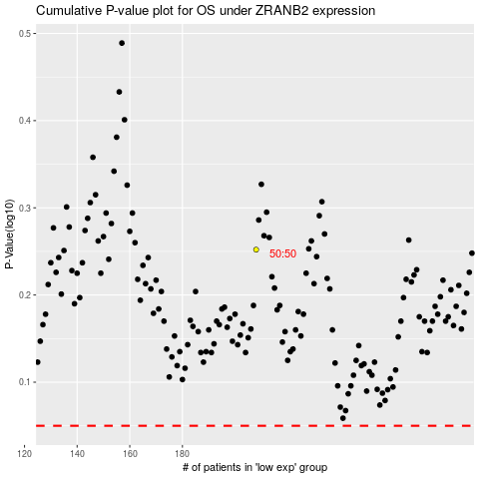

 |  |  |  |  |  | cases_OS | p_OS | rank | exp
 |  |  |  |  |  |  | cases_RFS | p_RFS | rank | exp

