ZRSR2 _multivariate
Reported by Tex Li-Hsing Chi. tex@gate.sinica.edu.tw 2019-08-14

Table 2. The clinicopathological features of HNSCC cohort and ZRSR2 expression. (Chi square test)
Cutoff at -0.321 (50.0%)
 |  | ZRSR2 expression |  | ZRSR2 expression |  | (Optimised)
 | Features | Low | (%) | High | (%) | Case no | P-value | Remark | Matthews
Gender | Female | 172 | 41.4 | 134 | 32.3 | 415 | 0 | 1 | 0
2 | Male | 35 | 8.4 | 74 | 17.8
Age at diagnosis | <=65y | 147 | 35.4 | 127 | 30.6 | 415 | 0.0416 | 1 | 0
4 | >65y | 60 | 14.5 | 81 | 19.5
Clinical T Status | T1+T2 | 72 | 17.3 | 77 | 18.6 | 415 | 0.7095 | 0 | 0
6 | T3+T4 | 135 | 32.5 | 131 | 31.6
Clinical N Status | N0 | 102 | 24.6 | 114 | 27.5 | 415 | 0.3031 | 0 | 0
8 | N1-3 | 105 | 25.3 | 94 | 22.7
Clinical M Status | M0 | 206 | 49.6 | 206 | 49.6 | 415 | 1 | 0 | 0
10 | M1 | 1 | 0.2 | 2 | 0.5
Clinical Stage | Stage I+II | 47 | 11.3 | 55 | 13.3 | 415 | 0.4413 | 0 | 0
12 | Stage III+IV | 160 | 38.6 | 153 | 36.9
Surgical Margin status | Negative | 161 | 38.8 | 157 | 37.8 | 415 | 0.6429 | 0 | 0
14 | Positive | 46 | 11.1 | 51 | 12.3
Tobacco Exposure | Low | 70 | 16.9 | 91 | 21.9 | 415 | 0.0439 | 1 | 0
16 | High | 137 | 33 | 117 | 28.2

Table 3. Univariate/Multivariate Cox's proportional hazards regression analyses on OS time of ZRSR2 gene expression in HNSCC

 |  | Univariate |  |  |  | Multivariate
 | Features | HR | CI95%(L) | CI95%(H) | P-value | HR | CI95%(L) | CI95%(H) | P-value
1 | Female | 1 |  |  |  | 1
Gender | Male | 1.157 | 0.843 | 1.587 | 0.367 | 1.217 | 0.863 | 1.718 | 0.263
11 | <=65y | 1 |  |  |  | 1
Age at diagnosis | >65y | 1.329 | 0.99 | 1.784 | 0.058 | 1.396 | 1.026 | 1.898 | 0.034
12 | T1+T2 | 1 |  |  |  | 1
Clinical T Status | T3+T4 | 1.409 | 1.028 | 1.931 | 0.033 | 2.205 | 1.166 | 4.168 | 0.015
13 | N0 | 1 |  |  |  | 1
Clinical N Status | N1-3 | 1.185 | 0.89 | 1.577 | 0.246 | 1.244 | 0.871 | 1.775 | 0.23
14 | M0 | 1 |  |  |  | 1
Clinical M Status | M1 | 4.097 | 1.009 | 16.644 | 0.049 | 9.595 | 2.083 | 44.211 | 0.004
15 | Stage I+II | 1 |  |  |  | 1
Clinical Stage | Stage III+IV | 1.245 | 0.882 | 1.759 | 0.213 | 0.502 | 0.234 | 1.078 | 0.077
16 | Negative | 1 |  |  |  | 1
Surgical Margin status | Positive | 1.591 | 1.155 | 2.191 | 0.004 | 1.678 | 1.213 | 2.321 | 0.002
17 | Low | 1 |  |  |  | 1
Tobacco Exposure | High | 1.364 | 1.008 | 1.844 | 0.044 | 1.454 | 1.056 | 2.004 | 0.022
18 | Low | 1 |  |  |  | 1
RNAseq(z-score) | High | 1.031 | 0.773 | 1.374 | 0.837 | 0.954 | 0.706 | 1.288 | 0.757

Table 4. Univariate/Multivariate Cox's proportional hazards regression analyses on RFS time of ZRSR2 gene expression in HNSCC

 |  | Univariate |  |  |  | Multivariate
 | Features | HR | CI95%(L) | CI95%(H) | P-value | HR | CI95%(L) | CI95%(H) | P-value
1 | Female | 1 |  |  |  | 1
Gender | Male | 1.157 | 0.843 | 1.587 | 0.367 | 1.217 | 0.863 | 1.718 | 0.263
11 | <=65y | 1 |  |  |  | 1
Age at diagnosis | >65y | 1.329 | 0.99 | 1.784 | 0.058 | 1.396 | 1.026 | 1.898 | 0.034
12 | T1+T2 | 1 |  |  |  | 1
Clinical T Status | T3+T4 | 1.409 | 1.028 | 1.931 | 0.033 | 2.205 | 1.166 | 4.168 | 0.015
13 | N0 | 1 |  |  |  | 1
Clinical N Status | N1-3 | 1.185 | 0.89 | 1.577 | 0.246 | 1.244 | 0.871 | 1.775 | 0.23
14 | M0 | 1 |  |  |  | 1
Clinical M Status | M1 | 4.097 | 1.009 | 16.644 | 0.049 | 9.595 | 2.083 | 44.211 | 0.004
15 | Stage I+II | 1 |  |  |  | 1
Clinical Stage | Stage III+IV | 1.245 | 0.882 | 1.759 | 0.213 | 0.502 | 0.234 | 1.078 | 0.077
16 | Negative | 1 |  |  |  | 1
Surgical Margin status | Positive | 1.591 | 1.155 | 2.191 | 0.004 | 1.678 | 1.213 | 2.321 | 0.002
17 | Low | 1 |  |  |  | 1
Tobacco Exposure | High | 1.364 | 1.008 | 1.844 | 0.044 | 1.454 | 1.056 | 2.004 | 0.022
18 | Low | 1 |  |  |  | 1
RNAseq(z-score) | High | 1.031 | 0.773 | 1.374 | 0.837 | 0.954 | 0.706 | 1.288 | 0.757

Kaplan-Meier survival estimate: Cutoff at -0.321 (50.0%)



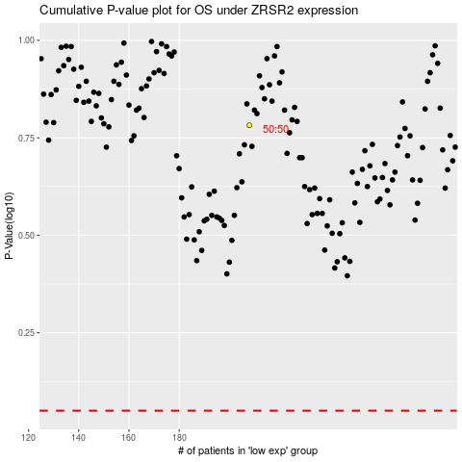

 |  |  |  |  |  | cases_OS | p_OS | rank | exp
 |  |  |  |  |  |  | cases_RFS | p_RFS | rank | exp

