ZSCAN12P1 _multivariate
Reported by Tex Li-Hsing Chi. tex@gate.sinica.edu.tw 2019-08-14

Table 2. The clinicopathological features of HNSCC cohort and ZSCAN12P1 expression. (Chi square test)
Cutoff at -0.178 (50.0%)
 |  | ZSCAN12P1 expression |  | ZSCAN12P1 expression |  | (Optimised)
 | Features | Low | (%) | High | (%) | Case no | P-value | Remark | Matthews
Gender | Female | 160 | 38.6 | 146 | 35.2 | 415 | 0.1254 | 0 | 0
2 | Male | 47 | 11.3 | 62 | 14.9
Age at diagnosis | <=65y | 138 | 33.3 | 136 | 32.8 | 415 | 0.8634 | 0 | 0
4 | >65y | 69 | 16.6 | 72 | 17.3
Clinical T Status | T1+T2 | 82 | 19.8 | 67 | 16.1 | 415 | 0.1417 | 0 | 0
6 | T3+T4 | 125 | 30.1 | 141 | 34
Clinical N Status | N0 | 105 | 25.3 | 111 | 26.7 | 415 | 0.6598 | 0 | 0
8 | N1-3 | 102 | 24.6 | 97 | 23.4
Clinical M Status | M0 | 205 | 49.4 | 207 | 49.9 | 415 | 0.6232 | 0 | 0
10 | M1 | 2 | 0.5 | 1 | 0.2
Clinical Stage | Stage I+II | 52 | 12.5 | 50 | 12 | 415 | 0.8871 | 0 | 0
12 | Stage III+IV | 155 | 37.3 | 158 | 38.1
Surgical Margin status | Negative | 154 | 37.1 | 164 | 39.5 | 415 | 0.2984 | 0 | 0
14 | Positive | 53 | 12.8 | 44 | 10.6
Tobacco Exposure | Low | 77 | 18.6 | 84 | 20.2 | 415 | 0.5459 | 0 | 0
16 | High | 130 | 31.3 | 124 | 29.9

Table 3. Univariate/Multivariate Cox's proportional hazards regression analyses on OS time of ZSCAN12P1 gene expression in HNSCC

 |  | Univariate |  |  |  | Multivariate
 | Features | HR | CI95%(L) | CI95%(H) | P-value | HR | CI95%(L) | CI95%(H) | P-value
1 | Female | 1 |  |  |  | 1
Gender | Male | 1.157 | 0.843 | 1.587 | 0.367 | 1.232 | 0.881 | 1.724 | 0.223
11 | <=65y | 1 |  |  |  | 1
Age at diagnosis | >65y | 1.329 | 0.99 | 1.784 | 0.058 | 1.389 | 1.022 | 1.888 | 0.036
12 | T1+T2 | 1 |  |  |  | 1
Clinical T Status | T3+T4 | 1.409 | 1.028 | 1.931 | 0.033 | 2.264 | 1.196 | 4.287 | 0.012
13 | N0 | 1 |  |  |  | 1
Clinical N Status | N1-3 | 1.185 | 0.89 | 1.577 | 0.246 | 1.241 | 0.87 | 1.771 | 0.234
14 | M0 | 1 |  |  |  | 1
Clinical M Status | M1 | 4.097 | 1.009 | 16.644 | 0.049 | 9.489 | 2.069 | 43.511 | 0.004
15 | Stage I+II | 1 |  |  |  | 1
Clinical Stage | Stage III+IV | 1.245 | 0.882 | 1.759 | 0.213 | 0.486 | 0.226 | 1.045 | 0.065
16 | Negative | 1 |  |  |  | 1
Surgical Margin status | Positive | 1.591 | 1.155 | 2.191 | 0.004 | 1.645 | 1.19 | 2.275 | 0.003
17 | Low | 1 |  |  |  | 1
Tobacco Exposure | High | 1.364 | 1.008 | 1.844 | 0.044 | 1.46 | 1.06 | 2.01 | 0.02
18 | Low | 1 |  |  |  | 1
RNAseq(z-score) | High | 0.813 | 0.609 | 1.086 | 0.162 | 0.809 | 0.604 | 1.084 | 0.156

Table 4. Univariate/Multivariate Cox's proportional hazards regression analyses on RFS time of ZSCAN12P1 gene expression in HNSCC

 |  | Univariate |  |  |  | Multivariate
 | Features | HR | CI95%(L) | CI95%(H) | P-value | HR | CI95%(L) | CI95%(H) | P-value
1 | Female | 1 |  |  |  | 1
Gender | Male | 1.157 | 0.843 | 1.587 | 0.367 | 1.232 | 0.881 | 1.724 | 0.223
11 | <=65y | 1 |  |  |  | 1
Age at diagnosis | >65y | 1.329 | 0.99 | 1.784 | 0.058 | 1.389 | 1.022 | 1.888 | 0.036
12 | T1+T2 | 1 |  |  |  | 1
Clinical T Status | T3+T4 | 1.409 | 1.028 | 1.931 | 0.033 | 2.264 | 1.196 | 4.287 | 0.012
13 | N0 | 1 |  |  |  | 1
Clinical N Status | N1-3 | 1.185 | 0.89 | 1.577 | 0.246 | 1.241 | 0.87 | 1.771 | 0.234
14 | M0 | 1 |  |  |  | 1
Clinical M Status | M1 | 4.097 | 1.009 | 16.644 | 0.049 | 9.489 | 2.069 | 43.511 | 0.004
15 | Stage I+II | 1 |  |  |  | 1
Clinical Stage | Stage III+IV | 1.245 | 0.882 | 1.759 | 0.213 | 0.486 | 0.226 | 1.045 | 0.065
16 | Negative | 1 |  |  |  | 1
Surgical Margin status | Positive | 1.591 | 1.155 | 2.191 | 0.004 | 1.645 | 1.19 | 2.275 | 0.003
17 | Low | 1 |  |  |  | 1
Tobacco Exposure | High | 1.364 | 1.008 | 1.844 | 0.044 | 1.46 | 1.06 | 2.01 | 0.02
18 | Low | 1 |  |  |  | 1
RNAseq(z-score) | High | 0.813 | 0.609 | 1.086 | 0.162 | 0.809 | 0.604 | 1.084 | 0.156

Kaplan-Meier survival estimate: Cutoff at -0.178 (50.0%)



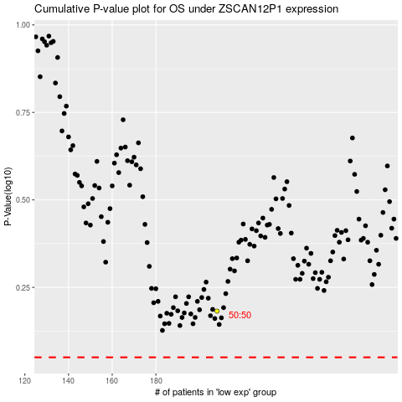

 |  |  |  |  |  | cases_OS | p_OS | rank | exp
 |  |  |  |  |  |  | cases_RFS | p_RFS | rank | exp

