ZSCAN21 _multivariate
Reported by Tex Li-Hsing Chi. tex@gate.sinica.edu.tw 2019-08-14

Table 2. The clinicopathological features of HNSCC cohort and ZSCAN21 expression. (Chi square test)
Cutoff at -0.229 (49.8%)
 |  | ZSCAN21 expression |  | ZSCAN21 expression |  | (Optimised)
 | Features | Low | (%) | High | (%) | Case no | P-value | Remark | Matthews
Gender | Female | 150 | 36.1 | 156 | 37.6 | 415 | 0.6344 | 0 | 0
2 | Male | 57 | 13.7 | 52 | 12.5
Age at diagnosis | <=65y | 133 | 32 | 141 | 34 | 415 | 0.5111 | 0 | 0
4 | >65y | 74 | 17.8 | 67 | 16.1
Clinical T Status | T1+T2 | 77 | 18.6 | 72 | 17.3 | 415 | 0.6556 | 0 | 0
6 | T3+T4 | 130 | 31.3 | 136 | 32.8
Clinical N Status | N0 | 107 | 25.8 | 109 | 26.3 | 415 | 0.9624 | 0 | 0
8 | N1-3 | 100 | 24.1 | 99 | 23.9
Clinical M Status | M0 | 206 | 49.6 | 206 | 49.6 | 415 | 1 | 0 | 0
10 | M1 | 1 | 0.2 | 2 | 0.5
Clinical Stage | Stage I+II | 51 | 12.3 | 51 | 12.3 | 415 | 1 | 0 | 0
12 | Stage III+IV | 156 | 37.6 | 157 | 37.8
Surgical Margin status | Negative | 158 | 38.1 | 160 | 38.6 | 415 | 0.9081 | 0 | 0
14 | Positive | 49 | 11.8 | 48 | 11.6
Tobacco Exposure | Low | 84 | 20.2 | 77 | 18.6 | 415 | 0.4816 | 0 | 0
16 | High | 123 | 29.6 | 131 | 31.6

Table 3. Univariate/Multivariate Cox's proportional hazards regression analyses on OS time of ZSCAN21 gene expression in HNSCC

 |  | Univariate |  |  |  | Multivariate
 | Features | HR | CI95%(L) | CI95%(H) | P-value | HR | CI95%(L) | CI95%(H) | P-value
1 | Female | 1 |  |  |  | 1
Gender | Male | 1.157 | 0.843 | 1.587 | 0.367 | 1.197 | 0.857 | 1.673 | 0.292
11 | <=65y | 1 |  |  |  | 1
Age at diagnosis | >65y | 1.329 | 0.99 | 1.784 | 0.058 | 1.404 | 1.031 | 1.912 | 0.031
12 | T1+T2 | 1 |  |  |  | 1
Clinical T Status | T3+T4 | 1.409 | 1.028 | 1.931 | 0.033 | 2.192 | 1.159 | 4.146 | 0.016
13 | N0 | 1 |  |  |  | 1
Clinical N Status | N1-3 | 1.185 | 0.89 | 1.577 | 0.246 | 1.244 | 0.872 | 1.775 | 0.228
14 | M0 | 1 |  |  |  | 1
Clinical M Status | M1 | 4.097 | 1.009 | 16.644 | 0.049 | 9.295 | 2.026 | 42.638 | 0.004
15 | Stage I+II | 1 |  |  |  | 1
Clinical Stage | Stage III+IV | 1.245 | 0.882 | 1.759 | 0.213 | 0.507 | 0.236 | 1.089 | 0.081
16 | Negative | 1 |  |  |  | 1
Surgical Margin status | Positive | 1.591 | 1.155 | 2.191 | 0.004 | 1.666 | 1.206 | 2.302 | 0.002
17 | Low | 1 |  |  |  | 1
Tobacco Exposure | High | 1.364 | 1.008 | 1.844 | 0.044 | 1.448 | 1.051 | 1.994 | 0.024
18 | Low | 1 |  |  |  | 1
RNAseq(z-score) | High | 1.093 | 0.818 | 1.459 | 0.548 | 1.083 | 0.809 | 1.449 | 0.592

Table 4. Univariate/Multivariate Cox's proportional hazards regression analyses on RFS time of ZSCAN21 gene expression in HNSCC

 |  | Univariate |  |  |  | Multivariate
 | Features | HR | CI95%(L) | CI95%(H) | P-value | HR | CI95%(L) | CI95%(H) | P-value
1 | Female | 1 |  |  |  | 1
Gender | Male | 1.157 | 0.843 | 1.587 | 0.367 | 1.197 | 0.857 | 1.673 | 0.292
11 | <=65y | 1 |  |  |  | 1
Age at diagnosis | >65y | 1.329 | 0.99 | 1.784 | 0.058 | 1.404 | 1.031 | 1.912 | 0.031
12 | T1+T2 | 1 |  |  |  | 1
Clinical T Status | T3+T4 | 1.409 | 1.028 | 1.931 | 0.033 | 2.192 | 1.159 | 4.146 | 0.016
13 | N0 | 1 |  |  |  | 1
Clinical N Status | N1-3 | 1.185 | 0.89 | 1.577 | 0.246 | 1.244 | 0.872 | 1.775 | 0.228
14 | M0 | 1 |  |  |  | 1
Clinical M Status | M1 | 4.097 | 1.009 | 16.644 | 0.049 | 9.295 | 2.026 | 42.638 | 0.004
15 | Stage I+II | 1 |  |  |  | 1
Clinical Stage | Stage III+IV | 1.245 | 0.882 | 1.759 | 0.213 | 0.507 | 0.236 | 1.089 | 0.081
16 | Negative | 1 |  |  |  | 1
Surgical Margin status | Positive | 1.591 | 1.155 | 2.191 | 0.004 | 1.666 | 1.206 | 2.302 | 0.002
17 | Low | 1 |  |  |  | 1
Tobacco Exposure | High | 1.364 | 1.008 | 1.844 | 0.044 | 1.448 | 1.051 | 1.994 | 0.024
18 | Low | 1 |  |  |  | 1
RNAseq(z-score) | High | 1.093 | 0.818 | 1.459 | 0.548 | 1.083 | 0.809 | 1.449 | 0.592

Kaplan-Meier survival estimate: Cutoff at -0.229 (49.8%)



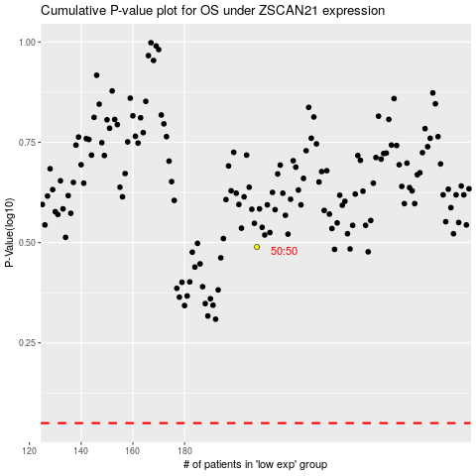

 |  |  |  |  |  | cases_OS | p_OS | rank | exp
 |  |  |  |  |  |  | cases_RFS | p_RFS | rank | exp

