ZSCAN22 _multivariate
Reported by Tex Li-Hsing Chi. tex@gate.sinica.edu.tw 2019-08-14

Table 2. The clinicopathological features of HNSCC cohort and ZSCAN22 expression. (Chi square test)
Cutoff at 0.347 (66.9%)
 |  | ZSCAN22 expression |  | ZSCAN22 expression |  | (Optimised)
 | Features | Low | (%) | High | (%) | Case no | P-value | Remark | Matthews
Gender | Female | 197 | 47.5 | 109 | 26.3 | 415 | 0.0759 | 0 | 0
2 | Male | 81 | 19.5 | 28 | 6.7
Age at diagnosis | <=65y | 180 | 43.4 | 94 | 22.7 | 415 | 0.5019 | 0 | 0
4 | >65y | 98 | 23.6 | 43 | 10.4
Clinical T Status | T1+T2 | 93 | 22.4 | 56 | 13.5 | 415 | 0.1696 | 0 | 0
6 | T3+T4 | 185 | 44.6 | 81 | 19.5
Clinical N Status | N0 | 146 | 35.2 | 70 | 16.9 | 415 | 0.8663 | 0 | 0
8 | N1-3 | 132 | 31.8 | 67 | 16.1
Clinical M Status | M0 | 277 | 66.7 | 135 | 32.5 | 415 | 0.2544 | 0 | 0
10 | M1 | 1 | 0.2 | 2 | 0.5
Clinical Stage | Stage I+II | 69 | 16.6 | 33 | 8 | 415 | 0.9667 | 0 | 0
12 | Stage III+IV | 209 | 50.4 | 104 | 25.1
Surgical Margin status | Negative | 215 | 51.8 | 103 | 24.8 | 415 | 0.6239 | 0 | 0
14 | Positive | 63 | 15.2 | 34 | 8.2
Tobacco Exposure | Low | 103 | 24.8 | 58 | 14 | 415 | 0.3352 | 0 | 0
16 | High | 175 | 42.2 | 79 | 19

Table 3. Univariate/Multivariate Cox's proportional hazards regression analyses on OS time of ZSCAN22 gene expression in HNSCC

 |  | Univariate |  |  |  | Multivariate
 | Features | HR | CI95%(L) | CI95%(H) | P-value | HR | CI95%(L) | CI95%(H) | P-value
1 | Female | 1 |  |  |  | 1
Gender | Male | 1.157 | 0.843 | 1.587 | 0.367 | 1.168 | 0.834 | 1.634 | 0.366
11 | <=65y | 1 |  |  |  | 1
Age at diagnosis | >65y | 1.329 | 0.99 | 1.784 | 0.058 | 1.382 | 1.017 | 1.879 | 0.039
12 | T1+T2 | 1 |  |  |  | 1
Clinical T Status | T3+T4 | 1.409 | 1.028 | 1.931 | 0.033 | 2.034 | 1.072 | 3.858 | 0.03
13 | N0 | 1 |  |  |  | 1
Clinical N Status | N1-3 | 1.185 | 0.89 | 1.577 | 0.246 | 1.256 | 0.88 | 1.792 | 0.209
14 | M0 | 1 |  |  |  | 1
Clinical M Status | M1 | 4.097 | 1.009 | 16.644 | 0.049 | 9.379 | 2.045 | 43.003 | 0.004
15 | Stage I+II | 1 |  |  |  | 1
Clinical Stage | Stage III+IV | 1.245 | 0.882 | 1.759 | 0.213 | 0.555 | 0.258 | 1.198 | 0.134
16 | Negative | 1 |  |  |  | 1
Surgical Margin status | Positive | 1.591 | 1.155 | 2.191 | 0.004 | 1.652 | 1.196 | 2.283 | 0.002
17 | Low | 1 |  |  |  | 1
Tobacco Exposure | High | 1.364 | 1.008 | 1.844 | 0.044 | 1.445 | 1.048 | 1.992 | 0.025
18 | Low | 1 |  |  |  | 1
RNAseq(z-score) | High | 0.664 | 0.477 | 0.923 | 0.015 | 0.697 | 0.498 | 0.974 | 0.035

Table 4. Univariate/Multivariate Cox's proportional hazards regression analyses on RFS time of ZSCAN22 gene expression in HNSCC

 |  | Univariate |  |  |  | Multivariate
 | Features | HR | CI95%(L) | CI95%(H) | P-value | HR | CI95%(L) | CI95%(H) | P-value
1 | Female | 1 |  |  |  | 1
Gender | Male | 1.157 | 0.843 | 1.587 | 0.367 | 1.168 | 0.834 | 1.634 | 0.366
11 | <=65y | 1 |  |  |  | 1
Age at diagnosis | >65y | 1.329 | 0.99 | 1.784 | 0.058 | 1.382 | 1.017 | 1.879 | 0.039
12 | T1+T2 | 1 |  |  |  | 1
Clinical T Status | T3+T4 | 1.409 | 1.028 | 1.931 | 0.033 | 2.034 | 1.072 | 3.858 | 0.03
13 | N0 | 1 |  |  |  | 1
Clinical N Status | N1-3 | 1.185 | 0.89 | 1.577 | 0.246 | 1.256 | 0.88 | 1.792 | 0.209
14 | M0 | 1 |  |  |  | 1
Clinical M Status | M1 | 4.097 | 1.009 | 16.644 | 0.049 | 9.379 | 2.045 | 43.003 | 0.004
15 | Stage I+II | 1 |  |  |  | 1
Clinical Stage | Stage III+IV | 1.245 | 0.882 | 1.759 | 0.213 | 0.555 | 0.258 | 1.198 | 0.134
16 | Negative | 1 |  |  |  | 1
Surgical Margin status | Positive | 1.591 | 1.155 | 2.191 | 0.004 | 1.652 | 1.196 | 2.283 | 0.002
17 | Low | 1 |  |  |  | 1
Tobacco Exposure | High | 1.364 | 1.008 | 1.844 | 0.044 | 1.445 | 1.048 | 1.992 | 0.025
18 | Low | 1 |  |  |  | 1
RNAseq(z-score) | High | 0.664 | 0.477 | 0.923 | 0.015 | 0.697 | 0.498 | 0.974 | 0.035

Kaplan-Meier survival estimate: Cutoff at 0.347 (66.9%)

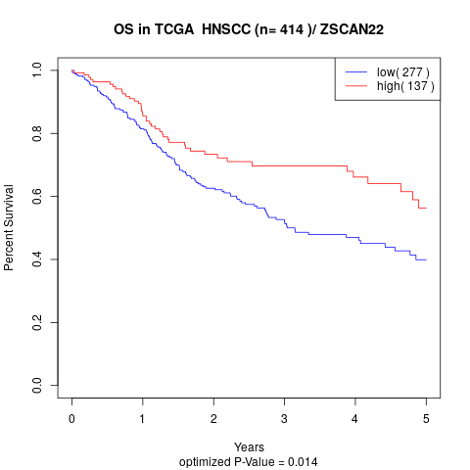

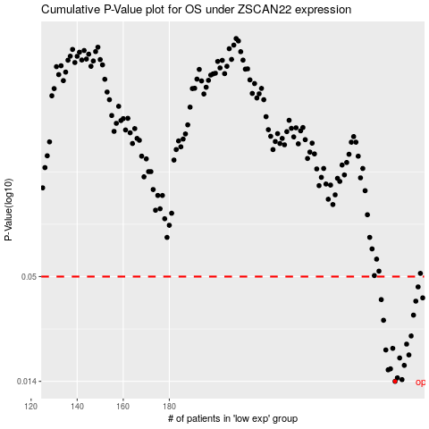

 |  |  |  |  |  | cases_OS | p_OS | rank | exp
 |  |  |  |  |  | 278 | 0.014 | 94 | 0.34685060286
 |  |  |  |  |  | 281 | 0.0143 | 37 | 0.36289741374
 |  |  |  |  |  | 279 | 0.0146 | 84 | 0.34755064886
 |  |  |  |  |  | 275 | 0.0161 | 277 | 0.32939853359
 |  |  |  |  |  | 276 | 0.0163 | 112 | 0.33183190381
 |  |  |  |  |  | 282 | 0.017 | 40 | 0.36469531786
 |  |  |  |  |  | 280 | 0.0186 | 265 | 0.35269895763
 |  |  |  |  |  | 284 | 0.0193 | 132 | 0.3832710772
 |  |  |  |  |  | 274 | 0.0205 | 203 | 0.32424764162
 |  |  |  |  |  | 277 | 0.0209 | 201 | 0.33962282165
 |  |  |  |  |  | 283 | 0.022 | 256 | 0.36836862196
 |  |  |  |  |  | 285 | 0.0243 | 141 | 0.38936483556
 |  |  |  |  |  | 273 | 0.0294 | 261 | 0.32343393501
 |  |  |  |  |  | 286 | 0.0313 | 268 | 0.39241558952
 |  |  |  |  |  | 287 | 0.0371 | 262 | 0.39853001344
 |  |  |  |  |  | 272 | 0.0378 | 180 | 0.32095665046
 |  |  |  |  |  | 290 | 0.0386 | 209 | 0.41119025493
 |  |  |  |  |  | 288 | 0.0441 | 15 | 0.40737745827
 |  |  |  |  |  |  | cases_RFS | p_RFS | rank | exp
 |  |  |  |  |  |  | 277 | 0.014 | 201 | 0.33962282165
 |  |  |  |  |  |  | 280 | 0.0143 | 265 | 0.35269895763
 |  |  |  |  |  |  | 278 | 0.0146 | 94 | 0.34685060286
 |  |  |  |  |  |  | 274 | 0.0161 | 203 | 0.32424764162
 |  |  |  |  |  |  | 275 | 0.0163 | 277 | 0.32939853359
 |  |  |  |  |  |  | 281 | 0.017 | 37 | 0.36289741374
 |  |  |  |  |  |  | 279 | 0.0186 | 84 | 0.34755064886
 |  |  |  |  |  |  | 283 | 0.0193 | 256 | 0.36836862196
 |  |  |  |  |  |  | 273 | 0.0205 | 261 | 0.32343393501
 |  |  |  |  |  |  | 276 | 0.0209 | 112 | 0.33183190381
 |  |  |  |  |  |  | 282 | 0.022 | 40 | 0.36469531786
 |  |  |  |  |  |  | 284 | 0.0243 | 132 | 0.3832710772
 |  |  |  |  |  |  | 272 | 0.0294 | 180 | 0.32095665046
 |  |  |  |  |  |  | 285 | 0.0313 | 141 | 0.38936483556
 |  |  |  |  |  |  | 286 | 0.0371 | 268 | 0.39241558952
 |  |  |  |  |  |  | 271 | 0.0378 | 124 | 0.29592548539
 |  |  |  |  |  |  | 289 | 0.0386 | 302 | 0.41016214309
 |  |  |  |  |  |  | 287 | 0.0441 | 262 | 0.39853001344

