ZSCAN23 _multivariate
Reported by Tex Li-Hsing Chi. tex@gate.sinica.edu.tw 2019-08-14

Table 2. The clinicopathological features of HNSCC cohort and ZSCAN23 expression. (Chi square test)
Cutoff at -0.33 (50.0%)
 |  | ZSCAN23 expression |  | ZSCAN23 expression |  | (Optimised)
 | Features | Low | (%) | High | (%) | Case no | P-value | Remark | Matthews
Gender | Female | 153 | 36.9 | 153 | 36.9 | 415 | 1 | 0 | 0
2 | Male | 54 | 13 | 55 | 13.3
Age at diagnosis | <=65y | 136 | 32.8 | 138 | 33.3 | 415 | 0.9719 | 0 | 0
4 | >65y | 71 | 17.1 | 70 | 16.9
Clinical T Status | T1+T2 | 75 | 18.1 | 74 | 17.8 | 415 | 0.9707 | 0 | 0
6 | T3+T4 | 132 | 31.8 | 134 | 32.3
Clinical N Status | N0 | 105 | 25.3 | 111 | 26.7 | 415 | 0.6598 | 0 | 0
8 | N1-3 | 102 | 24.6 | 97 | 23.4
Clinical M Status | M0 | 205 | 49.4 | 207 | 49.9 | 415 | 0.6232 | 0 | 0
10 | M1 | 2 | 0.5 | 1 | 0.2
Clinical Stage | Stage I+II | 46 | 11.1 | 56 | 13.5 | 415 | 0.3182 | 0 | 0
12 | Stage III+IV | 161 | 38.8 | 152 | 36.6
Surgical Margin status | Negative | 156 | 37.6 | 162 | 39 | 415 | 0.5636 | 0 | 0
14 | Positive | 51 | 12.3 | 46 | 11.1
Tobacco Exposure | Low | 85 | 20.5 | 76 | 18.3 | 415 | 0.3655 | 0 | 0
16 | High | 122 | 29.4 | 132 | 31.8

Table 3. Univariate/Multivariate Cox's proportional hazards regression analyses on OS time of ZSCAN23 gene expression in HNSCC

 |  | Univariate |  |  |  | Multivariate
 | Features | HR | CI95%(L) | CI95%(H) | P-value | HR | CI95%(L) | CI95%(H) | P-value
1 | Female | 1 |  |  |  | 1
Gender | Male | 1.157 | 0.843 | 1.587 | 0.367 | 1.203 | 0.861 | 1.681 | 0.279
11 | <=65y | 1 |  |  |  | 1
Age at diagnosis | >65y | 1.329 | 0.99 | 1.784 | 0.058 | 1.392 | 1.024 | 1.893 | 0.035
12 | T1+T2 | 1 |  |  |  | 1
Clinical T Status | T3+T4 | 1.409 | 1.028 | 1.931 | 0.033 | 2.189 | 1.157 | 4.14 | 0.016
13 | N0 | 1 |  |  |  | 1
Clinical N Status | N1-3 | 1.185 | 0.89 | 1.577 | 0.246 | 1.248 | 0.874 | 1.782 | 0.223
14 | M0 | 1 |  |  |  | 1
Clinical M Status | M1 | 4.097 | 1.009 | 16.644 | 0.049 | 9.545 | 2.08 | 43.797 | 0.004
15 | Stage I+II | 1 |  |  |  | 1
Clinical Stage | Stage III+IV | 1.245 | 0.882 | 1.759 | 0.213 | 0.51 | 0.237 | 1.096 | 0.084
16 | Negative | 1 |  |  |  | 1
Surgical Margin status | Positive | 1.591 | 1.155 | 2.191 | 0.004 | 1.679 | 1.214 | 2.321 | 0.002
17 | Low | 1 |  |  |  | 1
Tobacco Exposure | High | 1.364 | 1.008 | 1.844 | 0.044 | 1.452 | 1.054 | 2.002 | 0.023
18 | Low | 1 |  |  |  | 1
RNAseq(z-score) | High | 1.042 | 0.781 | 1.389 | 0.78 | 1.08 | 0.807 | 1.446 | 0.605

Table 4. Univariate/Multivariate Cox's proportional hazards regression analyses on RFS time of ZSCAN23 gene expression in HNSCC

 |  | Univariate |  |  |  | Multivariate
 | Features | HR | CI95%(L) | CI95%(H) | P-value | HR | CI95%(L) | CI95%(H) | P-value
1 | Female | 1 |  |  |  | 1
Gender | Male | 1.157 | 0.843 | 1.587 | 0.367 | 1.203 | 0.861 | 1.681 | 0.279
11 | <=65y | 1 |  |  |  | 1
Age at diagnosis | >65y | 1.329 | 0.99 | 1.784 | 0.058 | 1.392 | 1.024 | 1.893 | 0.035
12 | T1+T2 | 1 |  |  |  | 1
Clinical T Status | T3+T4 | 1.409 | 1.028 | 1.931 | 0.033 | 2.189 | 1.157 | 4.14 | 0.016
13 | N0 | 1 |  |  |  | 1
Clinical N Status | N1-3 | 1.185 | 0.89 | 1.577 | 0.246 | 1.248 | 0.874 | 1.782 | 0.223
14 | M0 | 1 |  |  |  | 1
Clinical M Status | M1 | 4.097 | 1.009 | 16.644 | 0.049 | 9.545 | 2.08 | 43.797 | 0.004
15 | Stage I+II | 1 |  |  |  | 1
Clinical Stage | Stage III+IV | 1.245 | 0.882 | 1.759 | 0.213 | 0.51 | 0.237 | 1.096 | 0.084
16 | Negative | 1 |  |  |  | 1
Surgical Margin status | Positive | 1.591 | 1.155 | 2.191 | 0.004 | 1.679 | 1.214 | 2.321 | 0.002
17 | Low | 1 |  |  |  | 1
Tobacco Exposure | High | 1.364 | 1.008 | 1.844 | 0.044 | 1.452 | 1.054 | 2.002 | 0.023
18 | Low | 1 |  |  |  | 1
RNAseq(z-score) | High | 1.042 | 0.781 | 1.389 | 0.78 | 1.08 | 0.807 | 1.446 | 0.605

Kaplan-Meier survival estimate: Cutoff at -0.33 (50.0%)



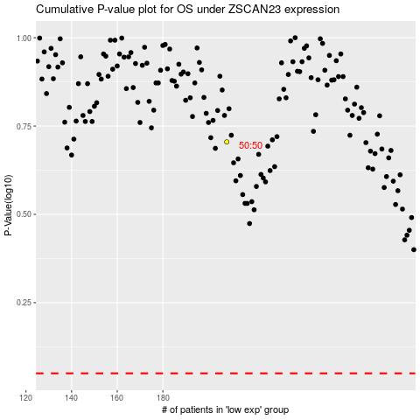

 |  |  |  |  |  | cases_OS | p_OS | rank | exp
 |  |  |  |  |  |  | cases_RFS | p_RFS | rank | exp

