ZSCAN5B _multivariate
Reported by Tex Li-Hsing Chi. tex@gate.sinica.edu.tw 2019-08-14

Table 2. The clinicopathological features of HNSCC cohort and ZSCAN5B expression. (Chi square test)
Cutoff at -0.144 (49.8%)
 |  | ZSCAN5B expression |  | ZSCAN5B expression |  | (Optimised)
 | Features | Low | (%) | High | (%) | Case no | P-value | Remark | Matthews
Gender | Female | 148 | 35.7 | 158 | 38.1 | 415 | 0.3567 | 0 | 0
2 | Male | 59 | 14.2 | 50 | 12
Age at diagnosis | <=65y | 133 | 32 | 141 | 34 | 415 | 0.5111 | 0 | 0
4 | >65y | 74 | 17.8 | 67 | 16.1
Clinical T Status | T1+T2 | 76 | 18.3 | 73 | 17.6 | 415 | 0.8092 | 0 | 0
6 | T3+T4 | 131 | 31.6 | 135 | 32.5
Clinical N Status | N0 | 102 | 24.6 | 114 | 27.5 | 415 | 0.3031 | 0 | 0
8 | N1-3 | 105 | 25.3 | 94 | 22.7
Clinical M Status | M0 | 205 | 49.4 | 207 | 49.9 | 415 | 0.6232 | 0 | 0
10 | M1 | 2 | 0.5 | 1 | 0.2
Clinical Stage | Stage I+II | 53 | 12.8 | 49 | 11.8 | 415 | 0.7113 | 0 | 0
12 | Stage III+IV | 154 | 37.1 | 159 | 38.3
Surgical Margin status | Negative | 161 | 38.8 | 157 | 37.8 | 415 | 0.6429 | 0 | 0
14 | Positive | 46 | 11.1 | 51 | 12.3
Tobacco Exposure | Low | 90 | 21.7 | 71 | 17.1 | 415 | 0.0559 | 0 | 0
16 | High | 117 | 28.2 | 137 | 33

Table 3. Univariate/Multivariate Cox's proportional hazards regression analyses on OS time of ZSCAN5B gene expression in HNSCC

 |  | Univariate |  |  |  | Multivariate
 | Features | HR | CI95%(L) | CI95%(H) | P-value | HR | CI95%(L) | CI95%(H) | P-value
1 | Female | 1 |  |  |  | 1
Gender | Male | 1.157 | 0.843 | 1.587 | 0.367 | 1.206 | 0.864 | 1.685 | 0.271
11 | <=65y | 1 |  |  |  | 1
Age at diagnosis | >65y | 1.329 | 0.99 | 1.784 | 0.058 | 1.396 | 1.028 | 1.897 | 0.033
12 | T1+T2 | 1 |  |  |  | 1
Clinical T Status | T3+T4 | 1.409 | 1.028 | 1.931 | 0.033 | 2.194 | 1.16 | 4.147 | 0.016
13 | N0 | 1 |  |  |  | 1
Clinical N Status | N1-3 | 1.185 | 0.89 | 1.577 | 0.246 | 1.214 | 0.849 | 1.736 | 0.288
14 | M0 | 1 |  |  |  | 1
Clinical M Status | M1 | 4.097 | 1.009 | 16.644 | 0.049 | 9.341 | 2.038 | 42.826 | 0.004
15 | Stage I+II | 1 |  |  |  | 1
Clinical Stage | Stage III+IV | 1.245 | 0.882 | 1.759 | 0.213 | 0.515 | 0.24 | 1.107 | 0.089
16 | Negative | 1 |  |  |  | 1
Surgical Margin status | Positive | 1.591 | 1.155 | 2.191 | 0.004 | 1.679 | 1.215 | 2.32 | 0.002
17 | Low | 1 |  |  |  | 1
Tobacco Exposure | High | 1.364 | 1.008 | 1.844 | 0.044 | 1.489 | 1.077 | 2.059 | 0.016
18 | Low | 1 |  |  |  | 1
RNAseq(z-score) | High | 0.921 | 0.692 | 1.227 | 0.575 | 0.864 | 0.645 | 1.157 | 0.326

Table 4. Univariate/Multivariate Cox's proportional hazards regression analyses on RFS time of ZSCAN5B gene expression in HNSCC

 |  | Univariate |  |  |  | Multivariate
 | Features | HR | CI95%(L) | CI95%(H) | P-value | HR | CI95%(L) | CI95%(H) | P-value
1 | Female | 1 |  |  |  | 1
Gender | Male | 1.157 | 0.843 | 1.587 | 0.367 | 1.206 | 0.864 | 1.685 | 0.271
11 | <=65y | 1 |  |  |  | 1
Age at diagnosis | >65y | 1.329 | 0.99 | 1.784 | 0.058 | 1.396 | 1.028 | 1.897 | 0.033
12 | T1+T2 | 1 |  |  |  | 1
Clinical T Status | T3+T4 | 1.409 | 1.028 | 1.931 | 0.033 | 2.194 | 1.16 | 4.147 | 0.016
13 | N0 | 1 |  |  |  | 1
Clinical N Status | N1-3 | 1.185 | 0.89 | 1.577 | 0.246 | 1.214 | 0.849 | 1.736 | 0.288
14 | M0 | 1 |  |  |  | 1
Clinical M Status | M1 | 4.097 | 1.009 | 16.644 | 0.049 | 9.341 | 2.038 | 42.826 | 0.004
15 | Stage I+II | 1 |  |  |  | 1
Clinical Stage | Stage III+IV | 1.245 | 0.882 | 1.759 | 0.213 | 0.515 | 0.24 | 1.107 | 0.089
16 | Negative | 1 |  |  |  | 1
Surgical Margin status | Positive | 1.591 | 1.155 | 2.191 | 0.004 | 1.679 | 1.215 | 2.32 | 0.002
17 | Low | 1 |  |  |  | 1
Tobacco Exposure | High | 1.364 | 1.008 | 1.844 | 0.044 | 1.489 | 1.077 | 2.059 | 0.016
18 | Low | 1 |  |  |  | 1
RNAseq(z-score) | High | 0.921 | 0.692 | 1.227 | 0.575 | 0.864 | 0.645 | 1.157 | 0.326

Kaplan-Meier survival estimate: Cutoff at -0.144 (49.8%)

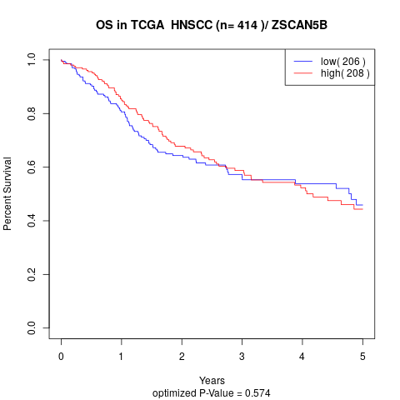

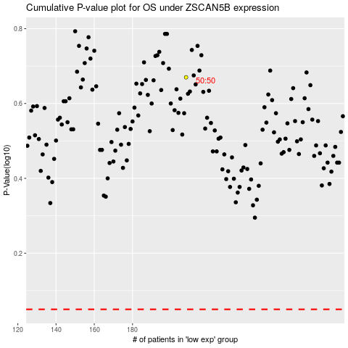

 |  |  |  |  |  | cases_OS | p_OS | rank | exp
 |  |  |  |  |  |  | cases_RFS | p_RFS | rank | exp

