ZSWIM5 _multivariate
Reported by Tex Li-Hsing Chi. tex@gate.sinica.edu.tw 2019-08-14

Table 2. The clinicopathological features of HNSCC cohort and ZSWIM5 expression. (Chi square test)
Cutoff at -0.434 (49.8%)
 |  | ZSWIM5 expression |  | ZSWIM5 expression |  | (Optimised)
 | Features | Low | (%) | High | (%) | Case no | P-value | Remark | Matthews
Gender | Female | 159 | 38.3 | 147 | 35.4 | 415 | 0.1905 | 0 | 0
2 | Male | 48 | 11.6 | 61 | 14.7
Age at diagnosis | <=65y | 151 | 36.4 | 123 | 29.6 | 415 | 0.0041 | 1 | 0
4 | >65y | 56 | 13.5 | 85 | 20.5
Clinical T Status | T1+T2 | 67 | 16.1 | 82 | 19.8 | 415 | 0.1628 | 0 | 0
6 | T3+T4 | 140 | 33.7 | 126 | 30.4
Clinical N Status | N0 | 104 | 25.1 | 112 | 27 | 415 | 0.5243 | 0 | 0
8 | N1-3 | 103 | 24.8 | 96 | 23.1
Clinical M Status | M0 | 207 | 49.9 | 205 | 49.4 | 415 | 0.2482 | 0 | 0
10 | M1 | 0 | 0 | 3 | 0.7
Clinical Stage | Stage I+II | 52 | 12.5 | 50 | 12 | 415 | 0.8871 | 0 | 0
12 | Stage III+IV | 155 | 37.3 | 158 | 38.1
Surgical Margin status | Negative | 164 | 39.5 | 154 | 37.1 | 415 | 0.2462 | 0 | 0
14 | Positive | 43 | 10.4 | 54 | 13
Tobacco Exposure | Low | 66 | 15.9 | 95 | 22.9 | 415 | 0.0048 | 1 | 0
16 | High | 141 | 34 | 113 | 27.2

Table 3. Univariate/Multivariate Cox's proportional hazards regression analyses on OS time of ZSWIM5 gene expression in HNSCC

 |  | Univariate |  |  |  | Multivariate
 | Features | HR | CI95%(L) | CI95%(H) | P-value | HR | CI95%(L) | CI95%(H) | P-value
1 | Female | 1 |  |  |  | 1
Gender | Male | 1.157 | 0.843 | 1.587 | 0.367 | 1.202 | 0.861 | 1.678 | 0.281
11 | <=65y | 1 |  |  |  | 1
Age at diagnosis | >65y | 1.329 | 0.99 | 1.784 | 0.058 | 1.376 | 1.007 | 1.882 | 0.045
12 | T1+T2 | 1 |  |  |  | 1
Clinical T Status | T3+T4 | 1.409 | 1.028 | 1.931 | 0.033 | 2.228 | 1.175 | 4.227 | 0.014
13 | N0 | 1 |  |  |  | 1
Clinical N Status | N1-3 | 1.185 | 0.89 | 1.577 | 0.246 | 1.243 | 0.871 | 1.773 | 0.231
14 | M0 | 1 |  |  |  | 1
Clinical M Status | M1 | 4.097 | 1.009 | 16.644 | 0.049 | 9.237 | 2.008 | 42.48 | 0.004
15 | Stage I+II | 1 |  |  |  | 1
Clinical Stage | Stage III+IV | 1.245 | 0.882 | 1.759 | 0.213 | 0.498 | 0.231 | 1.072 | 0.075
16 | Negative | 1 |  |  |  | 1
Surgical Margin status | Positive | 1.591 | 1.155 | 2.191 | 0.004 | 1.668 | 1.207 | 2.305 | 0.002
17 | Low | 1 |  |  |  | 1
Tobacco Exposure | High | 1.364 | 1.008 | 1.844 | 0.044 | 1.461 | 1.059 | 2.015 | 0.021
18 | Low | 1 |  |  |  | 1
RNAseq(z-score) | High | 1.075 | 0.807 | 1.431 | 0.622 | 1.055 | 0.783 | 1.422 | 0.723

Table 4. Univariate/Multivariate Cox's proportional hazards regression analyses on RFS time of ZSWIM5 gene expression in HNSCC

 |  | Univariate |  |  |  | Multivariate
 | Features | HR | CI95%(L) | CI95%(H) | P-value | HR | CI95%(L) | CI95%(H) | P-value
1 | Female | 1 |  |  |  | 1
Gender | Male | 1.157 | 0.843 | 1.587 | 0.367 | 1.202 | 0.861 | 1.678 | 0.281
11 | <=65y | 1 |  |  |  | 1
Age at diagnosis | >65y | 1.329 | 0.99 | 1.784 | 0.058 | 1.376 | 1.007 | 1.882 | 0.045
12 | T1+T2 | 1 |  |  |  | 1
Clinical T Status | T3+T4 | 1.409 | 1.028 | 1.931 | 0.033 | 2.228 | 1.175 | 4.227 | 0.014
13 | N0 | 1 |  |  |  | 1
Clinical N Status | N1-3 | 1.185 | 0.89 | 1.577 | 0.246 | 1.243 | 0.871 | 1.773 | 0.231
14 | M0 | 1 |  |  |  | 1
Clinical M Status | M1 | 4.097 | 1.009 | 16.644 | 0.049 | 9.237 | 2.008 | 42.48 | 0.004
15 | Stage I+II | 1 |  |  |  | 1
Clinical Stage | Stage III+IV | 1.245 | 0.882 | 1.759 | 0.213 | 0.498 | 0.231 | 1.072 | 0.075
16 | Negative | 1 |  |  |  | 1
Surgical Margin status | Positive | 1.591 | 1.155 | 2.191 | 0.004 | 1.668 | 1.207 | 2.305 | 0.002
17 | Low | 1 |  |  |  | 1
Tobacco Exposure | High | 1.364 | 1.008 | 1.844 | 0.044 | 1.461 | 1.059 | 2.015 | 0.021
18 | Low | 1 |  |  |  | 1
RNAseq(z-score) | High | 1.075 | 0.807 | 1.431 | 0.622 | 1.055 | 0.783 | 1.422 | 0.723

Kaplan-Meier survival estimate: Cutoff at -0.434 (49.8%)



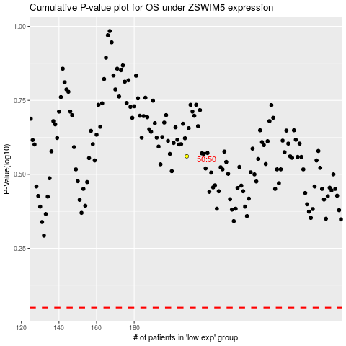

 |  |  |  |  |  | cases_OS | p_OS | rank | exp
 |  |  |  |  |  |  | cases_RFS | p_RFS | rank | exp

