ZWINT _multivariate
Reported by Tex Li-Hsing Chi. tex@gate.sinica.edu.tw 2019-08-14

Table 2. The clinicopathological features of HNSCC cohort and ZWINT expression. (Chi square test)
Cutoff at -0.214 (49.8%)
 |  | ZWINT expression |  | ZWINT expression |  | (Optimised)
 | Features | Low | (%) | High | (%) | Case no | P-value | Remark | Matthews
Gender | Female | 145 | 34.9 | 161 | 38.8 | 415 | 0.1116 | 0 | 0
2 | Male | 62 | 14.9 | 47 | 11.3
Age at diagnosis | <=65y | 137 | 33 | 137 | 33 | 415 | 1 | 0 | 0
4 | >65y | 70 | 16.9 | 71 | 17.1
Clinical T Status | T1+T2 | 72 | 17.3 | 77 | 18.6 | 415 | 0.7095 | 0 | 0
6 | T3+T4 | 135 | 32.5 | 131 | 31.6
Clinical N Status | N0 | 120 | 28.9 | 96 | 23.1 | 415 | 0.0208 | 1 | 0
8 | N1-3 | 87 | 21 | 112 | 27
Clinical M Status | M0 | 206 | 49.6 | 206 | 49.6 | 415 | 1 | 0 | 0
10 | M1 | 1 | 0.2 | 2 | 0.5
Clinical Stage | Stage I+II | 57 | 13.7 | 45 | 10.8 | 415 | 0.1998 | 0 | 0
12 | Stage III+IV | 150 | 36.1 | 163 | 39.3
Surgical Margin status | Negative | 167 | 40.2 | 151 | 36.4 | 415 | 0.0632 | 0 | 0
14 | Positive | 40 | 9.6 | 57 | 13.7
Tobacco Exposure | Low | 88 | 21.2 | 73 | 17.6 | 415 | 0.1314 | 0 | 0
16 | High | 119 | 28.7 | 135 | 32.5

Table 3. Univariate/Multivariate Cox's proportional hazards regression analyses on OS time of ZWINT gene expression in HNSCC

 |  | Univariate |  |  |  | Multivariate
 | Features | HR | CI95%(L) | CI95%(H) | P-value | HR | CI95%(L) | CI95%(H) | P-value
1 | Female | 1 |  |  |  | 1
Gender | Male | 1.157 | 0.843 | 1.587 | 0.367 | 1.205 | 0.862 | 1.684 | 0.275
11 | <=65y | 1 |  |  |  | 1
Age at diagnosis | >65y | 1.329 | 0.99 | 1.784 | 0.058 | 1.388 | 1.021 | 1.888 | 0.036
12 | T1+T2 | 1 |  |  |  | 1
Clinical T Status | T3+T4 | 1.409 | 1.028 | 1.931 | 0.033 | 2.224 | 1.173 | 4.219 | 0.014
13 | N0 | 1 |  |  |  | 1
Clinical N Status | N1-3 | 1.185 | 0.89 | 1.577 | 0.246 | 1.241 | 0.87 | 1.771 | 0.234
14 | M0 | 1 |  |  |  | 1
Clinical M Status | M1 | 4.097 | 1.009 | 16.644 | 0.049 | 9.454 | 2.062 | 43.353 | 0.004
15 | Stage I+II | 1 |  |  |  | 1
Clinical Stage | Stage III+IV | 1.245 | 0.882 | 1.759 | 0.213 | 0.499 | 0.232 | 1.075 | 0.076
16 | Negative | 1 |  |  |  | 1
Surgical Margin status | Positive | 1.591 | 1.155 | 2.191 | 0.004 | 1.661 | 1.199 | 2.301 | 0.002
17 | Low | 1 |  |  |  | 1
Tobacco Exposure | High | 1.364 | 1.008 | 1.844 | 0.044 | 1.445 | 1.047 | 1.995 | 0.025
18 | Low | 1 |  |  |  | 1
RNAseq(z-score) | High | 1.094 | 0.821 | 1.457 | 0.54 | 1.046 | 0.779 | 1.403 | 0.766

Table 4. Univariate/Multivariate Cox's proportional hazards regression analyses on RFS time of ZWINT gene expression in HNSCC

 |  | Univariate |  |  |  | Multivariate
 | Features | HR | CI95%(L) | CI95%(H) | P-value | HR | CI95%(L) | CI95%(H) | P-value
1 | Female | 1 |  |  |  | 1
Gender | Male | 1.157 | 0.843 | 1.587 | 0.367 | 1.205 | 0.862 | 1.684 | 0.275
11 | <=65y | 1 |  |  |  | 1
Age at diagnosis | >65y | 1.329 | 0.99 | 1.784 | 0.058 | 1.388 | 1.021 | 1.888 | 0.036
12 | T1+T2 | 1 |  |  |  | 1
Clinical T Status | T3+T4 | 1.409 | 1.028 | 1.931 | 0.033 | 2.224 | 1.173 | 4.219 | 0.014
13 | N0 | 1 |  |  |  | 1
Clinical N Status | N1-3 | 1.185 | 0.89 | 1.577 | 0.246 | 1.241 | 0.87 | 1.771 | 0.234
14 | M0 | 1 |  |  |  | 1
Clinical M Status | M1 | 4.097 | 1.009 | 16.644 | 0.049 | 9.454 | 2.062 | 43.353 | 0.004
15 | Stage I+II | 1 |  |  |  | 1
Clinical Stage | Stage III+IV | 1.245 | 0.882 | 1.759 | 0.213 | 0.499 | 0.232 | 1.075 | 0.076
16 | Negative | 1 |  |  |  | 1
Surgical Margin status | Positive | 1.591 | 1.155 | 2.191 | 0.004 | 1.661 | 1.199 | 2.301 | 0.002
17 | Low | 1 |  |  |  | 1
Tobacco Exposure | High | 1.364 | 1.008 | 1.844 | 0.044 | 1.445 | 1.047 | 1.995 | 0.025
18 | Low | 1 |  |  |  | 1
RNAseq(z-score) | High | 1.094 | 0.821 | 1.457 | 0.54 | 1.046 | 0.779 | 1.403 | 0.766

Kaplan-Meier survival estimate: Cutoff at -0.214 (49.8%)



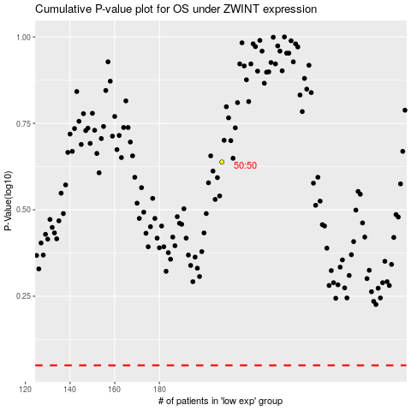

 |  |  |  |  |  | cases_OS | p_OS | rank | exp
 |  |  |  |  |  |  | cases_RFS | p_RFS | rank | exp

