ZXDB _multivariate
Reported by Tex Li-Hsing Chi. tex@gate.sinica.edu.tw 2019-08-14

Table 2. The clinicopathological features of HNSCC cohort and ZXDB expression. (Chi square test)
Cutoff at -0.257 (50.0%)
 |  | ZXDB expression |  | ZXDB expression |  | (Optimised)
 | Features | Low | (%) | High | (%) | Case no | P-value | Remark | Matthews
Gender | Female | 145 | 34.9 | 161 | 38.8 | 415 | 0.1116 | 0 | 0
2 | Male | 62 | 14.9 | 47 | 11.3
Age at diagnosis | <=65y | 132 | 31.8 | 142 | 34.2 | 415 | 0.3874 | 0 | 0
4 | >65y | 75 | 18.1 | 66 | 15.9
Clinical T Status | T1+T2 | 69 | 16.6 | 80 | 19.3 | 415 | 0.3239 | 0 | 0
6 | T3+T4 | 138 | 33.3 | 128 | 30.8
Clinical N Status | N0 | 102 | 24.6 | 114 | 27.5 | 415 | 0.3031 | 0 | 0
8 | N1-3 | 105 | 25.3 | 94 | 22.7
Clinical M Status | M0 | 204 | 49.2 | 208 | 50.1 | 415 | 0.1232 | 0 | 0
10 | M1 | 3 | 0.7 | 0 | 0
Clinical Stage | Stage I+II | 49 | 11.8 | 53 | 12.8 | 415 | 0.7535 | 0 | 0
12 | Stage III+IV | 158 | 38.1 | 155 | 37.3
Surgical Margin status | Negative | 154 | 37.1 | 164 | 39.5 | 415 | 0.2984 | 0 | 0
14 | Positive | 53 | 12.8 | 44 | 10.6
Tobacco Exposure | Low | 85 | 20.5 | 76 | 18.3 | 415 | 0.3655 | 0 | 0
16 | High | 122 | 29.4 | 132 | 31.8

Table 3. Univariate/Multivariate Cox's proportional hazards regression analyses on OS time of ZXDB gene expression in HNSCC

 |  | Univariate |  |  |  | Multivariate
 | Features | HR | CI95%(L) | CI95%(H) | P-value | HR | CI95%(L) | CI95%(H) | P-value
1 | Female | 1 |  |  |  | 1
Gender | Male | 1.157 | 0.843 | 1.587 | 0.367 | 1.21 | 0.865 | 1.691 | 0.265
11 | <=65y | 1 |  |  |  | 1
Age at diagnosis | >65y | 1.329 | 0.99 | 1.784 | 0.058 | 1.394 | 1.026 | 1.895 | 0.034
12 | T1+T2 | 1 |  |  |  | 1
Clinical T Status | T3+T4 | 1.409 | 1.028 | 1.931 | 0.033 | 2.229 | 1.177 | 4.221 | 0.014
13 | N0 | 1 |  |  |  | 1
Clinical N Status | N1-3 | 1.185 | 0.89 | 1.577 | 0.246 | 1.244 | 0.872 | 1.776 | 0.228
14 | M0 | 1 |  |  |  | 1
Clinical M Status | M1 | 4.097 | 1.009 | 16.644 | 0.049 | 9.886 | 2.13 | 45.883 | 0.003
15 | Stage I+II | 1 |  |  |  | 1
Clinical Stage | Stage III+IV | 1.245 | 0.882 | 1.759 | 0.213 | 0.498 | 0.232 | 1.071 | 0.074
16 | Negative | 1 |  |  |  | 1
Surgical Margin status | Positive | 1.591 | 1.155 | 2.191 | 0.004 | 1.682 | 1.216 | 2.327 | 0.002
17 | Low | 1 |  |  |  | 1
Tobacco Exposure | High | 1.364 | 1.008 | 1.844 | 0.044 | 1.453 | 1.055 | 2.002 | 0.022
18 | Low | 1 |  |  |  | 1
RNAseq(z-score) | High | 0.975 | 0.732 | 1.299 | 0.865 | 1.078 | 0.806 | 1.442 | 0.614

Table 4. Univariate/Multivariate Cox's proportional hazards regression analyses on RFS time of ZXDB gene expression in HNSCC

 |  | Univariate |  |  |  | Multivariate
 | Features | HR | CI95%(L) | CI95%(H) | P-value | HR | CI95%(L) | CI95%(H) | P-value
1 | Female | 1 |  |  |  | 1
Gender | Male | 1.157 | 0.843 | 1.587 | 0.367 | 1.21 | 0.865 | 1.691 | 0.265
11 | <=65y | 1 |  |  |  | 1
Age at diagnosis | >65y | 1.329 | 0.99 | 1.784 | 0.058 | 1.394 | 1.026 | 1.895 | 0.034
12 | T1+T2 | 1 |  |  |  | 1
Clinical T Status | T3+T4 | 1.409 | 1.028 | 1.931 | 0.033 | 2.229 | 1.177 | 4.221 | 0.014
13 | N0 | 1 |  |  |  | 1
Clinical N Status | N1-3 | 1.185 | 0.89 | 1.577 | 0.246 | 1.244 | 0.872 | 1.776 | 0.228
14 | M0 | 1 |  |  |  | 1
Clinical M Status | M1 | 4.097 | 1.009 | 16.644 | 0.049 | 9.886 | 2.13 | 45.883 | 0.003
15 | Stage I+II | 1 |  |  |  | 1
Clinical Stage | Stage III+IV | 1.245 | 0.882 | 1.759 | 0.213 | 0.498 | 0.232 | 1.071 | 0.074
16 | Negative | 1 |  |  |  | 1
Surgical Margin status | Positive | 1.591 | 1.155 | 2.191 | 0.004 | 1.682 | 1.216 | 2.327 | 0.002
17 | Low | 1 |  |  |  | 1
Tobacco Exposure | High | 1.364 | 1.008 | 1.844 | 0.044 | 1.453 | 1.055 | 2.002 | 0.022
18 | Low | 1 |  |  |  | 1
RNAseq(z-score) | High | 0.975 | 0.732 | 1.299 | 0.865 | 1.078 | 0.806 | 1.442 | 0.614

Kaplan-Meier survival estimate: Cutoff at -0.257 (50.0%)



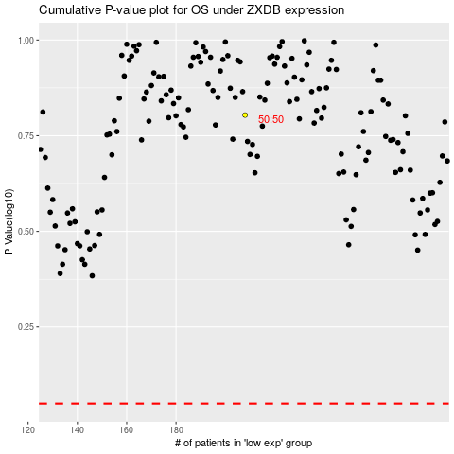

 |  |  |  |  |  | cases_OS | p_OS | rank | exp
 |  |  |  |  |  |  | cases_RFS | p_RFS | rank | exp

