ZYX _multivariate
Reported by Tex Li-Hsing Chi. tex@gate.sinica.edu.tw 2019-08-14

Table 2. The clinicopathological features of HNSCC cohort and ZYX expression. (Chi square test)
Cutoff at -0.024 (50.0%)
 |  | ZYX expression |  | ZYX expression |  | (Optimised)
 | Features | Low | (%) | High | (%) | Case no | P-value | Remark | Matthews
Gender | Female | 164 | 39.5 | 142 | 34.2 | 415 | 0.0153 | 1 | 0
2 | Male | 43 | 10.4 | 66 | 15.9
Age at diagnosis | <=65y | 148 | 35.7 | 126 | 30.4 | 415 | 0.0248 | 1 | 0
4 | >65y | 59 | 14.2 | 82 | 19.8
Clinical T Status | T1+T2 | 77 | 18.6 | 72 | 17.3 | 415 | 0.6556 | 0 | 0
6 | T3+T4 | 130 | 31.3 | 136 | 32.8
Clinical N Status | N0 | 101 | 24.3 | 115 | 27.7 | 415 | 0.2201 | 0 | 0
8 | N1-3 | 106 | 25.5 | 93 | 22.4
Clinical M Status | M0 | 206 | 49.6 | 206 | 49.6 | 415 | 1 | 0 | 0
10 | M1 | 1 | 0.2 | 2 | 0.5
Clinical Stage | Stage I+II | 47 | 11.3 | 55 | 13.3 | 415 | 0.4413 | 0 | 0
12 | Stage III+IV | 160 | 38.6 | 153 | 36.9
Surgical Margin status | Negative | 152 | 36.6 | 166 | 40 | 415 | 0.1329 | 0 | 0
14 | Positive | 55 | 13.3 | 42 | 10.1
Tobacco Exposure | Low | 65 | 15.7 | 96 | 23.1 | 415 | 0.0025 | 1 | 0
16 | High | 142 | 34.2 | 112 | 27

Table 3. Univariate/Multivariate Cox's proportional hazards regression analyses on OS time of ZYX gene expression in HNSCC

 |  | Univariate |  |  |  | Multivariate
 | Features | HR | CI95%(L) | CI95%(H) | P-value | HR | CI95%(L) | CI95%(H) | P-value
1 | Female | 1 |  |  |  | 1
Gender | Male | 1.157 | 0.843 | 1.587 | 0.367 | 1.188 | 0.849 | 1.662 | 0.314
11 | <=65y | 1 |  |  |  | 1
Age at diagnosis | >65y | 1.329 | 0.99 | 1.784 | 0.058 | 1.379 | 1.014 | 1.875 | 0.041
12 | T1+T2 | 1 |  |  |  | 1
Clinical T Status | T3+T4 | 1.409 | 1.028 | 1.931 | 0.033 | 2.176 | 1.151 | 4.115 | 0.017
13 | N0 | 1 |  |  |  | 1
Clinical N Status | N1-3 | 1.185 | 0.89 | 1.577 | 0.246 | 1.257 | 0.88 | 1.795 | 0.209
14 | M0 | 1 |  |  |  | 1
Clinical M Status | M1 | 4.097 | 1.009 | 16.644 | 0.049 | 9.096 | 1.981 | 41.776 | 0.005
15 | Stage I+II | 1 |  |  |  | 1
Clinical Stage | Stage III+IV | 1.245 | 0.882 | 1.759 | 0.213 | 0.516 | 0.24 | 1.108 | 0.09
16 | Negative | 1 |  |  |  | 1
Surgical Margin status | Positive | 1.591 | 1.155 | 2.191 | 0.004 | 1.693 | 1.224 | 2.342 | 0.001
17 | Low | 1 |  |  |  | 1
Tobacco Exposure | High | 1.364 | 1.008 | 1.844 | 0.044 | 1.474 | 1.068 | 2.035 | 0.018
18 | Low | 1 |  |  |  | 1
RNAseq(z-score) | High | 1.098 | 0.823 | 1.466 | 0.526 | 1.145 | 0.849 | 1.543 | 0.376

Table 4. Univariate/Multivariate Cox's proportional hazards regression analyses on RFS time of ZYX gene expression in HNSCC

 |  | Univariate |  |  |  | Multivariate
 | Features | HR | CI95%(L) | CI95%(H) | P-value | HR | CI95%(L) | CI95%(H) | P-value
1 | Female | 1 |  |  |  | 1
Gender | Male | 1.157 | 0.843 | 1.587 | 0.367 | 1.188 | 0.849 | 1.662 | 0.314
11 | <=65y | 1 |  |  |  | 1
Age at diagnosis | >65y | 1.329 | 0.99 | 1.784 | 0.058 | 1.379 | 1.014 | 1.875 | 0.041
12 | T1+T2 | 1 |  |  |  | 1
Clinical T Status | T3+T4 | 1.409 | 1.028 | 1.931 | 0.033 | 2.176 | 1.151 | 4.115 | 0.017
13 | N0 | 1 |  |  |  | 1
Clinical N Status | N1-3 | 1.185 | 0.89 | 1.577 | 0.246 | 1.257 | 0.88 | 1.795 | 0.209
14 | M0 | 1 |  |  |  | 1
Clinical M Status | M1 | 4.097 | 1.009 | 16.644 | 0.049 | 9.096 | 1.981 | 41.776 | 0.005
15 | Stage I+II | 1 |  |  |  | 1
Clinical Stage | Stage III+IV | 1.245 | 0.882 | 1.759 | 0.213 | 0.516 | 0.24 | 1.108 | 0.09
16 | Negative | 1 |  |  |  | 1
Surgical Margin status | Positive | 1.591 | 1.155 | 2.191 | 0.004 | 1.693 | 1.224 | 2.342 | 0.001
17 | Low | 1 |  |  |  | 1
Tobacco Exposure | High | 1.364 | 1.008 | 1.844 | 0.044 | 1.474 | 1.068 | 2.035 | 0.018
18 | Low | 1 |  |  |  | 1
RNAseq(z-score) | High | 1.098 | 0.823 | 1.466 | 0.526 | 1.145 | 0.849 | 1.543 | 0.376

Kaplan-Meier survival estimate: Cutoff at -0.024 (50.0%)



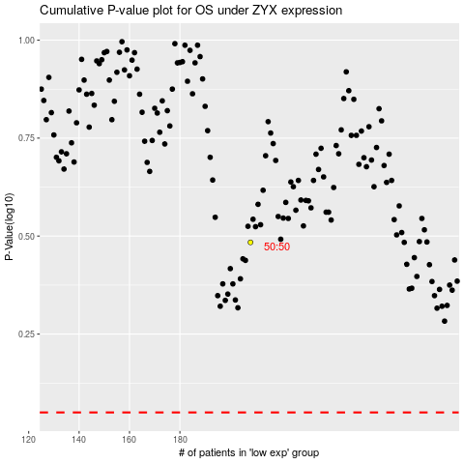

 |  |  |  |  |  | cases_OS | p_OS | rank | exp
 |  |  |  |  |  |  | cases_RFS | p_RFS | rank | exp

