ZZEF1 _multivariate
Reported by Tex Li-Hsing Chi. tex@gate.sinica.edu.tw 2019-08-14

Table 2. The clinicopathological features of HNSCC cohort and ZZEF1 expression. (Chi square test)
Cutoff at 0.039 (58.0%)
 |  | ZZEF1 expression |  | ZZEF1 expression |  | (Optimised)
 | Features | Low | (%) | High | (%) | Case no | P-value | Remark | Matthews
Gender | Female | 178 | 42.9 | 128 | 30.8 | 415 | 1 | 0 | 0
2 | Male | 63 | 15.2 | 46 | 11.1
Age at diagnosis | <=65y | 160 | 38.6 | 114 | 27.5 | 415 | 0.9361 | 0 | 0
4 | >65y | 81 | 19.5 | 60 | 14.5
Clinical T Status | T1+T2 | 83 | 20 | 66 | 15.9 | 415 | 0.5301 | 0 | 0
6 | T3+T4 | 158 | 38.1 | 108 | 26
Clinical N Status | N0 | 123 | 29.6 | 93 | 22.4 | 415 | 0.6998 | 0 | 0
8 | N1-3 | 118 | 28.4 | 81 | 19.5
Clinical M Status | M0 | 238 | 57.3 | 174 | 41.9 | 415 | 0.2678 | 0 | 0
10 | M1 | 3 | 0.7 | 0 | 0
Clinical Stage | Stage I+II | 56 | 13.5 | 46 | 11.1 | 415 | 0.5276 | 0 | 0
12 | Stage III+IV | 185 | 44.6 | 128 | 30.8
Surgical Margin status | Negative | 180 | 43.4 | 138 | 33.3 | 415 | 0.2918 | 0 | 0
14 | Positive | 61 | 14.7 | 36 | 8.7
Tobacco Exposure | Low | 87 | 21 | 74 | 17.8 | 415 | 0.1867 | 0 | 0
16 | High | 154 | 37.1 | 100 | 24.1

Table 3. Univariate/Multivariate Cox's proportional hazards regression analyses on OS time of ZZEF1 gene expression in HNSCC

 |  | Univariate |  |  |  | Multivariate
 | Features | HR | CI95%(L) | CI95%(H) | P-value | HR | CI95%(L) | CI95%(H) | P-value
1 | Female | 1 |  |  |  | 1
Gender | Male | 1.157 | 0.843 | 1.587 | 0.367 | 1.161 | 0.831 | 1.621 | 0.382
11 | <=65y | 1 |  |  |  | 1
Age at diagnosis | >65y | 1.329 | 0.99 | 1.784 | 0.058 | 1.382 | 1.018 | 1.875 | 0.038
12 | T1+T2 | 1 |  |  |  | 1
Clinical T Status | T3+T4 | 1.409 | 1.028 | 1.931 | 0.033 | 2.189 | 1.159 | 4.136 | 0.016
13 | N0 | 1 |  |  |  | 1
Clinical N Status | N1-3 | 1.185 | 0.89 | 1.577 | 0.246 | 1.237 | 0.867 | 1.764 | 0.241
14 | M0 | 1 |  |  |  | 1
Clinical M Status | M1 | 4.097 | 1.009 | 16.644 | 0.049 | 8.074 | 1.753 | 37.191 | 0.007
15 | Stage I+II | 1 |  |  |  | 1
Clinical Stage | Stage III+IV | 1.245 | 0.882 | 1.759 | 0.213 | 0.499 | 0.233 | 1.07 | 0.074
16 | Negative | 1 |  |  |  | 1
Surgical Margin status | Positive | 1.591 | 1.155 | 2.191 | 0.004 | 1.593 | 1.15 | 2.206 | 0.005
17 | Low | 1 |  |  |  | 1
Tobacco Exposure | High | 1.364 | 1.008 | 1.844 | 0.044 | 1.399 | 1.016 | 1.926 | 0.04
18 | Low | 1 |  |  |  | 1
RNAseq(z-score) | High | 0.639 | 0.473 | 0.863 | 0.003 | 0.705 | 0.52 | 0.957 | 0.025

Table 4. Univariate/Multivariate Cox's proportional hazards regression analyses on RFS time of ZZEF1 gene expression in HNSCC

 |  | Univariate |  |  |  | Multivariate
 | Features | HR | CI95%(L) | CI95%(H) | P-value | HR | CI95%(L) | CI95%(H) | P-value
1 | Female | 1 |  |  |  | 1
Gender | Male | 1.157 | 0.843 | 1.587 | 0.367 | 1.161 | 0.831 | 1.621 | 0.382
11 | <=65y | 1 |  |  |  | 1
Age at diagnosis | >65y | 1.329 | 0.99 | 1.784 | 0.058 | 1.382 | 1.018 | 1.875 | 0.038
12 | T1+T2 | 1 |  |  |  | 1
Clinical T Status | T3+T4 | 1.409 | 1.028 | 1.931 | 0.033 | 2.189 | 1.159 | 4.136 | 0.016
13 | N0 | 1 |  |  |  | 1
Clinical N Status | N1-3 | 1.185 | 0.89 | 1.577 | 0.246 | 1.237 | 0.867 | 1.764 | 0.241
14 | M0 | 1 |  |  |  | 1
Clinical M Status | M1 | 4.097 | 1.009 | 16.644 | 0.049 | 8.074 | 1.753 | 37.191 | 0.007
15 | Stage I+II | 1 |  |  |  | 1
Clinical Stage | Stage III+IV | 1.245 | 0.882 | 1.759 | 0.213 | 0.499 | 0.233 | 1.07 | 0.074
16 | Negative | 1 |  |  |  | 1
Surgical Margin status | Positive | 1.591 | 1.155 | 2.191 | 0.004 | 1.593 | 1.15 | 2.206 | 0.005
17 | Low | 1 |  |  |  | 1
Tobacco Exposure | High | 1.364 | 1.008 | 1.844 | 0.044 | 1.399 | 1.016 | 1.926 | 0.04
18 | Low | 1 |  |  |  | 1
RNAseq(z-score) | High | 0.639 | 0.473 | 0.863 | 0.003 | 0.705 | 0.52 | 0.957 | 0.025

Kaplan-Meier survival estimate: Cutoff at 0.039 (58.0%)

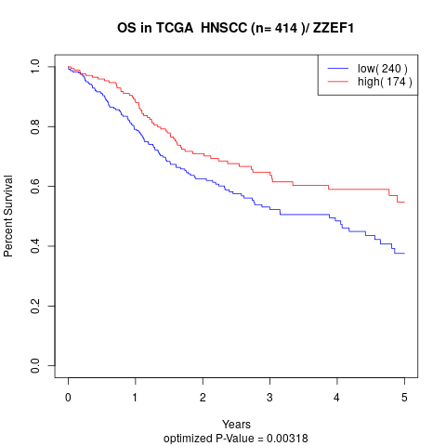

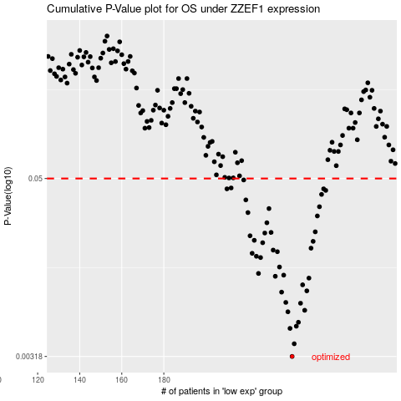

 |  |  |  |  |  | cases_OS | p_OS | rank | exp
 |  |  |  |  |  | 241 | 0.00318 | 178 | 0.039450497663
 |  |  |  |  |  | 242 | 0.00387 | 128 | 0.03983659111
 |  |  |  |  |  | 240 | 0.00491 | 210 | 0.03390178327
 |  |  |  |  |  | 243 | 0.00508 | 304 | 0.045117311228
 |  |  |  |  |  | 244 | 0.0054 | 399 | 0.054550969262
 |  |  |  |  |  | 239 | 0.00635 | 249 | 0.020116624976
 |  |  |  |  |  | 247 | 0.0065 | 397 | 0.075504055138
 |  |  |  |  |  | 245 | 0.00725 | 242 | 0.059518272347
 |  |  |  |  |  | 238 | 0.00734 | 226 | 0.018865119832
 |  |  |  |  |  | 236 | 0.00861 | 75 | -0.014726091537
 |  |  |  |  |  | 248 | 0.00878 | 134 | 0.077430196395
 |  |  |  |  |  | 246 | 0.00964 | 261 | 0.06857773337
 |  |  |  |  |  | 249 | 0.0107 | 232 | 0.10675469665
 |  |  |  |  |  | 233 | 0.011 | 35 | -0.059698083186
 |  |  |  |  |  | 237 | 0.0112 | 297 | 0.013434937208
 |  |  |  |  |  | 225 | 0.0115 | 132 | -0.12968417161
 |  |  |  |  |  | 235 | 0.0127 | 78 | -0.019234624762
 |  |  |  |  |  | 226 | 0.0147 | 233 | -0.12862279316
 |  |  |  |  |  | 224 | 0.015 | 236 | -0.13089457998
 |  |  |  |  |  | 222 | 0.0157 | 392 | -0.13845855075
 |  |  |  |  |  | 234 | 0.0161 | 405 | -0.037123837431
 |  |  |  |  |  | 232 | 0.0165 | 281 | -0.067590179317
 |  |  |  |  |  | 250 | 0.017 | 332 | 0.12261048384
 |  |  |  |  |  | 227 | 0.0185 | 376 | -0.12792933905
 |  |  |  |  |  | 251 | 0.0189 | 269 | 0.12388859374
 |  |  |  |  |  | 223 | 0.0192 | 200 | -0.13310580312
 |  |  |  |  |  | 221 | 0.0206 | 163 | -0.14091613828
 |  |  |  |  |  | 228 | 0.0215 | 96 | -0.11839293906
 |  |  |  |  |  | 231 | 0.0217 | 176 | -0.071133803373
 |  |  |  |  |  | 252 | 0.0219 | 189 | 0.134727978
 |  |  |  |  |  | 229 | 0.0252 | 347 | -0.11437064565
 |  |  |  |  |  | 253 | 0.028 | 103 | 0.14914840601
 |  |  |  |  |  | 220 | 0.0295 | 124 | -0.14837996269
 |  |  |  |  |  | 230 | 0.0314 | 198 | -0.079260151159
 |  |  |  |  |  | 254 | 0.0323 | 83 | 0.14987884723
 |  |  |  |  |  | 219 | 0.0359 | 56 | -0.14879482389
 |  |  |  |  |  | 255 | 0.0391 | 318 | 0.16659334084
 |  |  |  |  |  | 257 | 0.0416 | 230 | 0.18967761929
 |  |  |  |  |  | 256 | 0.0426 | 228 | 0.18739739681
 |  |  |  |  |  | 210 | 0.0426 | 357 | -0.19816741564
 |  |  |  |  |  | 212 | 0.0432 | 381 | -0.18784390413
 |  |  |  |  |  | 218 | 0.0489 | 159 | -0.15825962896
 |  |  |  |  |  |  | cases_RFS | p_RFS | rank | exp
 |  |  |  |  |  |  | 240 | 0.00318 | 210 | 0.03390178327
 |  |  |  |  |  |  | 241 | 0.00387 | 178 | 0.039450497663
 |  |  |  |  |  |  | 239 | 0.00491 | 249 | 0.020116624976
 |  |  |  |  |  |  | 242 | 0.00508 | 128 | 0.03983659111
 |  |  |  |  |  |  | 243 | 0.0054 | 304 | 0.045117311228
 |  |  |  |  |  |  | 238 | 0.00635 | 226 | 0.018865119832
 |  |  |  |  |  |  | 246 | 0.0065 | 261 | 0.06857773337
 |  |  |  |  |  |  | 244 | 0.00725 | 399 | 0.054550969262
 |  |  |  |  |  |  | 237 | 0.00734 | 297 | 0.013434937208
 |  |  |  |  |  |  | 235 | 0.00861 | 78 | -0.019234624762
 |  |  |  |  |  |  | 247 | 0.00878 | 397 | 0.075504055138
 |  |  |  |  |  |  | 245 | 0.00964 | 242 | 0.059518272347
 |  |  |  |  |  |  | 248 | 0.0107 | 134 | 0.077430196395
 |  |  |  |  |  |  | 232 | 0.011 | 281 | -0.067590179317
 |  |  |  |  |  |  | 236 | 0.0112 | 75 | -0.014726091537
 |  |  |  |  |  |  | 224 | 0.0115 | 236 | -0.13089457998
 |  |  |  |  |  |  | 234 | 0.0127 | 405 | -0.037123837431
 |  |  |  |  |  |  | 225 | 0.0147 | 132 | -0.12968417161
 |  |  |  |  |  |  | 223 | 0.015 | 200 | -0.13310580312
 |  |  |  |  |  |  | 221 | 0.0157 | 163 | -0.14091613828
 |  |  |  |  |  |  | 233 | 0.0161 | 35 | -0.059698083186
 |  |  |  |  |  |  | 231 | 0.0165 | 176 | -0.071133803373
 |  |  |  |  |  |  | 249 | 0.017 | 232 | 0.10675469665
 |  |  |  |  |  |  | 226 | 0.0185 | 233 | -0.12862279316
 |  |  |  |  |  |  | 250 | 0.0189 | 332 | 0.12261048384
 |  |  |  |  |  |  | 222 | 0.0192 | 392 | -0.13845855075
 |  |  |  |  |  |  | 220 | 0.0206 | 124 | -0.14837996269
 |  |  |  |  |  |  | 227 | 0.0215 | 376 | -0.12792933905
 |  |  |  |  |  |  | 230 | 0.0217 | 198 | -0.079260151159
 |  |  |  |  |  |  | 251 | 0.0219 | 269 | 0.12388859374
 |  |  |  |  |  |  | 228 | 0.0252 | 96 | -0.11839293906
 |  |  |  |  |  |  | 252 | 0.028 | 189 | 0.134727978
 |  |  |  |  |  |  | 219 | 0.0295 | 56 | -0.14879482389
 |  |  |  |  |  |  | 229 | 0.0314 | 347 | -0.11437064565
 |  |  |  |  |  |  | 253 | 0.0323 | 103 | 0.14914840601
 |  |  |  |  |  |  | 218 | 0.0359 | 159 | -0.15825962896
 |  |  |  |  |  |  | 254 | 0.0391 | 83 | 0.14987884723
 |  |  |  |  |  |  | 256 | 0.0416 | 228 | 0.18739739681
 |  |  |  |  |  |  | 255 | 0.0426 | 318 | 0.16659334084
 |  |  |  |  |  |  | 209 | 0.0426 | 371 | -0.21948864215
 |  |  |  |  |  |  | 211 | 0.0432 | 273 | -0.19258084894
 |  |  |  |  |  |  | 217 | 0.0489 | 64 | -0.16993565717

