Survival_candidates
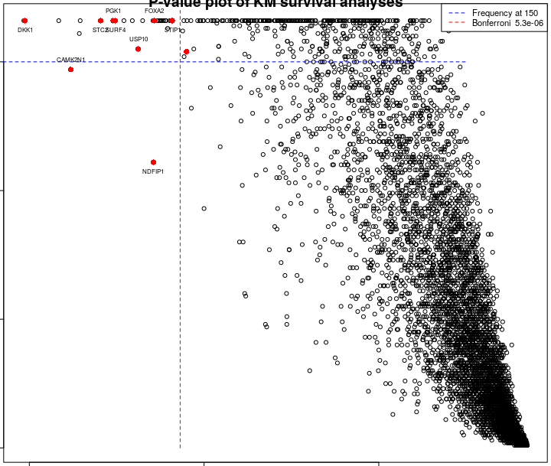
Reported by Tex Li-Hsing Chi. tex@gate.sinica.edu.tw Cohort with surgical margins status (0 or 1) 2020-03-08

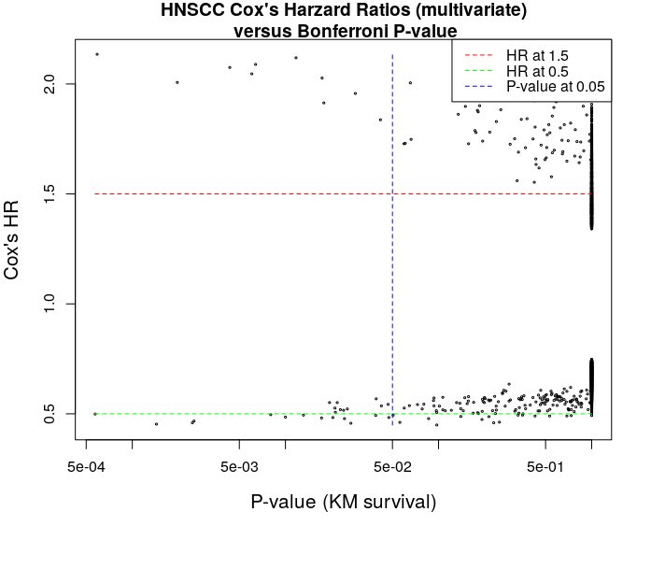

Table 1. The 10 candiate genes overexpressed and worsed prognosis in HNSCC (ranked by Bonferroni corrected Kaplan Meier P-value)
 | Gene_id | P_value | Bonferroni P_value | uni_HR | uni_P_value | multi_HR | multi_P_value
4952 | DKK1 | 8.90e-08 | 0.001 | 2.266 | 0.001 | 2.135 | 0
2896 | CAMK2N1 | 2.97e-07 | 0.002 | 2.101 | 0.001 | 2.007 | 0
17346 | STC2 | 6.54e-07 | 0.004 | 2.147 | 0.001 | 2.075 | 0
13274 | PGK1 | 9.11e-07 | 0.006 | 2.127 | 0.001 | 2.046 | 0
17479 | SURF4 | 9.64e-07 | 0.006 | 2.055 | 0.001 | 2.089 | 0
19214 | USP10 | 1.77e-06 | 0.012 | 2.083 | 0.001 | 2.119 | 0
11664 | NDFIP1 | 2.62e-06 | 0.017 | 2.031 | 0.001 | 2.027 | 0
6566 | FOXA2 | 2.69e-06 | 0.018 | 1.976 | 0.001 | 1.914 | 0
17355 | STIP1 | 4.32e-06 | 0.029 | 1.958 | 0.001 | 1.957 | 0
4939 | DKC1 | 6.30e-06 | 0.042 | 2.046 | 0.001 | 1.837 | 0

Selection criteria: Bonferroni KM P-value < 0.05 Cox's univariate & multivariate HR >= 1.5

Table 2. The 10 candiate genes overexpressed and better prognosis in HNSCC (ranked by Bonferroni corrected Kaplan Meier P-value)
Table 2. The 10 candiate genes overexpressed with better prognosis in HNSCC (ranked by Bonferroni corrected Kaplan Meier P-value)
 | Gene_id | P_value | Bonferroni P_value | uni_HR | uni_P_value | multi_HR | multi_P_value
10 | ZNF557 | 8.64e-08 | 0.001 | 0.465 | 0.001 | 0.499 | 0
9 | ZNF266 | 2.17e-07 | 0.001 | 0.474 | 0.001 | 0.453 | 0
3 | IL19 | 3.73e-07 | 0.002 | 0.472 | 0.001 | 0.459 | 0
6 | MYO1H | 3.82e-07 | 0.003 | 0.468 | 0.001 | 0.467 | 0
2 | FCGBP | 1.21e-06 | 0.008 | 0.484 | 0.001 | 0.496 | 0
5 | LOC148709 | 1.51e-06 | 0.010 | 0.499 | 0.001 | 0.485 | 0
1 | EVPLL | 1.98e-06 | 0.013 | 0.49 | 0.001 | 0.494 | 0
8 | PNMA5 | 2.60e-06 | 0.017 | 0.499 | 0.001 | 0.481 | 0
4 | KIAA1683 | 3.08e-06 | 0.020 | 0.5 | 0.001 | 0.483 | 0
7 | NPB | 4.04e-06 | 0.027 | 0.46 | 0.001 | 0.457 | 0

Selection criteria: Bonferroni KM P-value < 0.05 Cox's univariate & multivariate HR <= 0.5

