LU2
1
 |  |  |  |  |  | 2020 | 2021 |  | 2020 | 2021 | 2022
Income Statement 2021 |  |  |  |  | Assets |  |  | Liabilities
 | Revenues | COS/VC | GOP |  | Current Assets
Chocolates | 8,530,964.40 | 4,473,186.60 | 4,057,777.80 |  | Cash | 4,770,618.00 | 3,743,092.00 | Accounts Payable | 885,654.00 | 877,832.00
Coffee | 14,218,274.00 | 7,455,311.00 | 6,762,963.00 |  | AR | 4,470,618.00 | 4,427,526.00 | Accrued salaries | 623,988.00 | 646,156.00
Cakes | 5,687,309.60 | 2,982,124.40 | 2,705,185.20 |  | Marketable Securities | 118,585.00 | 91,059.00 | Other accrued expenses | 992,684.00 | 946,528.00
 | 28,436,548.00 | 14,910,622.00 | 13,525,926.00 |  | Inventories | 3,272,506.00 | 3,281,447.00 | Dividends payable | 649,222.00 | 602,694.00
 |  |  |  |  | Prepaid expenses | 442,696.00 | 461,249.00 | Current Part of LTD | 223,632.00 | 220,938.00
 |  |  |  |  | Other | 181,412.00 | 220,163.00 | Total current liabilities | 3,375,180.00 | 3,294,148.00
 | Maintenance costs |  | 1,499,477.00 |  | Total Current Assets | 13,256,435.00 | 12,224,536.00
 | Electricity |  | 6,000,000.00
 | Marketing expenses |  | 2,422,147.00 |  |  |  |  | Long Term Debt | 894,429.00 | 894,429.00
 | Depreciation |  | 1,150,851.00 |  | Land | 2,000,000.00 | 2,000,000.00
 | Total costs |  | 698,580.00 |  | Buildings | 5,186,709.00 | 5,186,709.00
 |  |  |  |  | Acc. Dep. Buildings | -1,574,982.00 | -2,645,833.00
 | Operating expenses |  | 7,276,486.00 |  | Equipment | 1,046,944.00 | 1,052,944.00 | Common Stock | 130,808.00 | 180,808.00
 | Operating income |  | 6,249,440.00 |  | Accumulated Dep Eq. | -110,025.00 | -190,025.00 | Additional paid in capital | 6,626,602.00 | 7,626,602.00
 |  |  |  |  | Other LT Asset | 603,400.00 | 751,700.00 | Retained earnings | 9,381,462.00 | 6,384,044.00
 | Income tax expense |  | 2,063,258.00 |  | Total LT Assets | 7,152,046.00 | 6,155,495.00 | Total Equity | 16,138,872.00 | 14,191,454.00

 | Net income |  | 4,186,182.00 |  | Assets | 20,408,481.00 | 18,380,031.00 | Liabilities and Equity | 20,408,481.00 | 18,380,031.00

1. Perform a vertical analysis of the company's current assets in 2021 and identify the 2 largest accounts (2).
2. Perform a horizontal analysis of the current assets and identify the 2 accounts that change most (2).

2

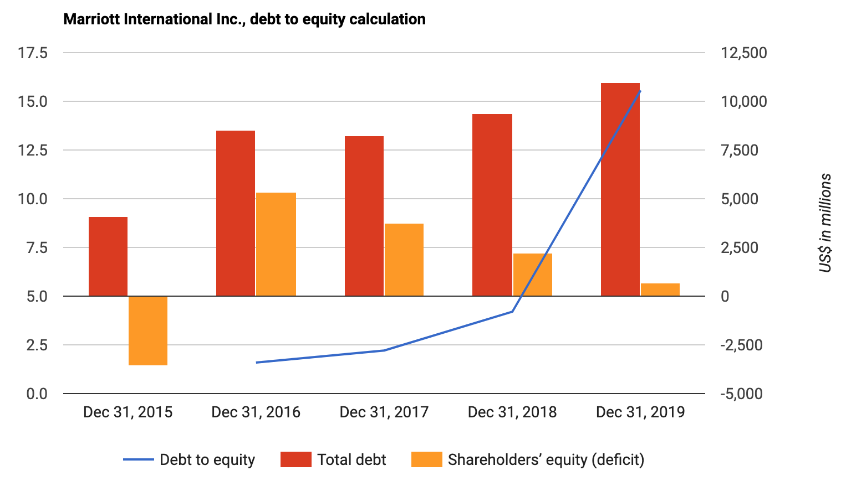

Marriott published table 6 (above) as part of its annual report for shareholders. Explain how you interpret the increasing trend in debt to equity fom 2016 to 2019 (2 pts) and explain if you as a shareholder would be pleased (why, or why not) with this trend ? (3 pts) Do not answer by just yes or no.

3

Table 1 | 2020 | 2021
Current ratio | 2 | 1
Debt/equity | 2 | 3
Operating efficiency ratio | 10% | 9%

1.1 Explain for each of the three ratio's in table 1 if the development was good or not. Do this from the perspective of the sharholder. (3 Pts) 1.2 When comparing the current ratio of hospitality companies A and B, does it matter if company B's book year starts on 1st of May while company A's start on 1st of January? Explain your answer. (3 pts)

4

2.1 Explain in what situation, a base year comparision makes MOST sense to use. (1 pt) 2.2 Explain in what situation a vertical analysis makes most sense to use. (1 pt) 2.3 Explain why with a horizontal analysis it is better to show the year-on-year changes in absolute amounts AND in percentages instead of only in absolute amounts or only in percentages. (1 pt)

5

For 2020, ABC's Operating Efficiency Ratio was 67% 3.1 Over the years, the Operating Efficiency Ratio trend may differ from the trend in Net Income (NI). Give an exact description (with an example) of how and why the Operating Efficiency trend can differ from the NI trend (4 pts)

 | 2023 | 2024 | 2025
net income % | 5% | 6% | 7%
OpEf% | 10% | 10% | 9%

6

Table 1: Balance Sheet | 2020 | 2021 | 2022

Cash | 100 000 | 294 600 | 294 600
Marketable securities | 20 000 | 10 000 | 10 000
Accounts Receivable | 155 000 | 170 000 | 170 000
Food Inventory | 20 000 | 12 000 | 12 000
Prepaid expense | 20 000 | 25 000 | 25 000

Land | 5 000 000 | 5 200 000 | 5 200 000
Buildings | 2 000 000 | 2 000 000 | 2 000 000
Acc Depr Buildings | -1 000 000 | -1 450 000 | -1 450 000
Equip & Furniture | 600 000 | 410 000 | 410 000
Acc depr Equipment & Furniture | - 200 000 | - 210 000 | - 210 000

Total Assets | 6 715 000 | 6 461 600

Accounts Payable | 90 000 | 120 000
Accrued payroll | 13 000 | 12 000
Dividends Payable | 30 000 | 40 000
Current part LT debt | 120 000 | 150 000

Long term Loan | 540 000 | 650 000
Common Stock | 4 500 000 | 4 500 000
Paid in capital | 100 000 | 100 000
Retained Earnings | 1 322 000 | 889 600

Total Liabilities & Equity | 6 715 000 | 6 461 600

q 1 Based on relevant numbers in these financial statements, calculate a financial leverage ratio of the hotel in 2020 and 2021.
q 2 Give your view (happy or unhappy?) on this development (the change from 2020 to 2021), from the point of a creditor and from the point of a view of a shareholder.

7

Table 1 Hotel ALFA

Days open in January |  | 31
Sleeper nights |  | 6,085
Monthly rooms sold |  | 5,580
Paid Occupancy % |  | 60%

Q 1: Based on the table 1 please calculate the available rooms per day of Hotel ALFA (2 points)

8

Hotel & Wellness Tax Haven
 | 2021 | 2022 |  | 2021 | 2022
Assets |  |  | Liabilities
Current Assets
Cash | 1,000,000 | 4,980,000 | Accounts Payable | 800,000 | 900,000
AR | 4,000,000 | 4,300,000 | Accrued salaries | 600,000 | 550,000
Marketable Securities | 150,000 | 150,000 | Other operational payables | 1,000,000 | 1,100,000
Inventories | 3,000,000 | 3,250,000 | Dividends payable | 600,000 | 1,100,000
Prepaid internet fees | 400,000 | 420,000 | Current Part of LTD | 200,000 | 250,000
Prepaid insurance | 100,000 | 100,000 | Total current liabilities | 3,200,000 | 3,900,000 | 5,450,000
Total Current Assets | 8,650,000 | 13,200,000 |  |  |  | 9,300,000

Land | 2,000,000 | 2,000,000
Buildings | 20,000,000 | 17,500,000 | Long Term Debt | 8,000,000 | 7,900,000
Acc. Dep. Buildings | (8,000,000) | (8,700,000) |  |  |  | 2.12946429
Equipment | 2,000,000 | 2,000,000 | Common Stock | 100,000 | 100,000
Accumulated Dep Eq. | (800,000) | (900,000) | Additional paid in capital | 6,000,000 | 6,000,000 | 2.1271186441
 |  |  | Retained earnings | 6,550,000 | 7,200,000
Total non current Assets | 15,200,000 | 11,900,000 | Total Equity | 12,650,000 | 13,300,000

Total Assets | 23,850,000 | 25,100,000 | Liabilities and Equity | 23,850,000 | 25,100,000

Income Statement 2021 |  |  |  |  | Income Statement 2022
 | Revenues | COS VC | Departmental Income |  |  | Revenues | COS VC | Departmental Income
Rooms | € 10,000,000 | 1,000,000 | 9,000,000 |  | Rooms | € 11,000,000 | 1,100,000 | 9,900,000
F&B | € 4,000,000 | 2,500,000 | 1,500,000 |  | F&B | € 4,500,000 | 2,750,000 | 1,750,000
Wellness | € 1,000,000 | 700,000 | 300,000 |  | Wellness | € 1,100,000 | 750,000 | 350,000
Total | € 15,000,000 | 4,200,000 | 10,800,000 |  | Total | € 16,600,000 | 4,600,000 | 12,000,000

 | Maintenance costs |  | 500,000 |  |  | Maintenance costs |  | 500,000
 | Electricity |  | 1,500,000 |  |  | Electricity |  | 1,500,000
 | Marketing expenses |  | 1,000,000 |  |  | Marketing expenses |  | 1,000,000
 | Other Op expenses |  | 500,000 |  |  | Other Op expenses |  | 500,000

 | EBITDA |  | 7,300,000 |  |  | EBITDA |  | 8,500,000
 | Depreciation Buildings |  | 1,000,000 |  |  | Depreciation Buildings |  | 1,000,000
 | Depreciation Equipment |  | 100,000 |  |  | Depreciation Equipment |  | 100,000
 | Interest expenses |  | 800,000 |  |  | Interest expenses |  | 800,000
 |  |  |  |  |  | Gain on Sale of Buildings |  | 400,000
 | EBT |  | 5,400,000 |  |  | EBT |  | 7,000,000
 | Income tax expense |  | 4,050,000 |  |  | Income tax expense |  | 5,250,000
 | Net income |  | 1,350,000 |  |  | Net income |  | 1,750,000

Additional Information
Tax rate | 75%
No equipment was bought or sold
No buildings were bought, but some got sold on 31st of Dec 2022
The Current Portion of the Long Term Debt of 2022 is also what got reclassified during the year

Hotel & Wellness Tax Haven, aptly named due to the high taxes it needs to pay, is looking for extra capital. The bank manager is thinking about giving Hotel & Wellness Tax Haven a bank loan, but she is hesitating. You work for the Hotel and it is your job to convince the bank manager by showing her the DEVELOPMENT (using numerical evidence) of TWO ratio's that are MOST RELEVANT to a banker. Make sure that each ratio you use is from a seperate ratio category (remember, there are 5 ratio categories, so you are going to use ratio's from 2 categories). If the development is not shown, and/or the ratio's you use are not from the 2 ratio categories that are most relevant to the banker, no points will be awarded. You can base your calculations on the financial statements presented at the top of the exam. (8 pts)

9

Table for question 2
 | 2019 | 2020 | 2021 | 2022
Assets
Current Assets
Cash | 1.78% | 1.78% | 1.75% | 1.74%
AR | 35.62% | 39.18% | 42.07% | 45.67%
Marketable Securities | 0.27% | 0.27% | 0.26% | 0.26%
Inventories | 53.43% | 51.65% | 49.08% | 45.67%
Prepaid expenses | 7.12% | 5.34% | 5.08% | 4.92%
Other current assets | 1.78% | 1.78% | 1.75% | 1.74%
Total Current Assets | 100.0% | 100.0% | 100.0% | 100.0%

Land | 17.24% | 18.42% | 19.43% | 20.55%
Buildings | 86.21% | 90.24% | 94.25% | 98.62%
Acc. Dep. Buildings | -17.24% | -22.10% | -27.01% | -32.36%
Equipment | 17.24% | 17.50% | 17.98% | 18.49%
Accumulated Dep Eq. | -3.45% | -4.05% | -4.64% | -5.30%

Total LT Assets | 100.00% | 100.00% | 100.00% | 100.00%

Your boss is thinking of acquiring a competitor named The Rude Hotel & Restaurant. Above you can see a common size analysis on the asset side of its balance sheet. Name one development that is a possible cause for concern AND one development that is positive. Clearly EXPLAIN/MOTIVATE your answer. (4 pts)

10

Financial Details
Balance Sheet
Mirage Resorts - Balance Sheet

Balance Sheet for the years 2021 and 2022
 | 2021 | 2022 |  |  | 2021 | 2022
Current Assets |  |  |  | Current Liabilities
Cash | 4,000,000 | 4,233,318 |  | Accounts Payable | 588,100 | 623,100
Marketable Securities | 43,000 | 135,000 |  | Accrued Utilities | 315,000 | 266,500
Accounts Receivable | 276,000 | 450,000 |  | Corporate Income Tax Payable | 250,000 | 145,144
Food Inventory | 133,000 | 215,000 |  | Dividends Payable | 2,315,000 | 2,150,000
Beverage Inventory | 234,000 | 210,000 |  | Current Part: Long-term Loans | 600,000 | 575,000
Non F&B inventory | 96,000 | 140,000
Prepaid Expenses | 25,000 | 25,000

Non-Current Assets |  |  |  | Long term Liabilities and Equity
Land | 5,800,000 | 5,800,000 |  | Long term Loans | 11,235,000 | 10,660,000
Buildings | 13,475,000 | 13,475,000 |  | Common Stock Issued | 2,500,000 | 2,625,000
Accumulated Depreciation on Buildings | (4,000,000) | (4,539,000) |  | Paid in Capital | 2,000,000 | 2,000,000
Equipment | 6,150,000 | 5,685,000 |  | Retained Earnings | 2,428,900 | 2,644,474
Accumulated Depreciation on Equipment | (4,000,000) | (4,140,100)

TOTAL ASSETS | 22,232,000 | 21,689,218 |  | TOTAL LIABILITIES AND OWNERS' EQUITY | 22,232,000 | 21,689,218

Mirage Resorts - Income Statement
Income Statement for the year ended on 31 December 2022
Operated Departments | Revenues | Cost of Sales | Payroll & Related | Other Direct Expenses | Departmental Income
Accommodation | 14,228,156 |  | 2,845,631 | 1,422,816 | 9,959,709
Food | 8,910,000 | 3,742,200 | 2,227,500 | 891,000 | 2,049,300
Beverage | 2,430,000 | 461,700 | 364,500 | 121,500 | 1,482,300
Non F&B activities | 4,860,000 | 1,944,000 | 1,944,000 | 1,215,000 | (243,000)

Total Operated Departments | 30,428,156 | 6,147,900 | 7,381,631 | 3,650,316 | 13,248,309

Undistributed Operating Expenses
Administrative & General |  |  | 1,825,689 | 164,312 | 1,990,001
Marketing |  |  | 1,521,408 | 1,521,408 | 3,042,816
Property Operation & Maintenance |  |  | 2,129,971 | 1,597,478 | 3,727,449
Utilities |  |  |  | 900,225 | 900,225
Total Undistributed Operating Expenses |  |  | 5,477,068 | 4,183,423 | 9,660,491

Fixed Charges
Insurance |  |  |  |  | 1,375,000
Property Tax |  |  |  |  | 215,600
Depreciation on Buildings |  |  |  |  | 539,000
Depreciation on Equipment |  |  |  |  | 307,500
Gain on Sale of Equipment |  |  |  |  | 75,000

EBIT - Income before Interest and Tax |  |  |  |  | 1,225,718
Interest Expense |  |  |  |  | 500,000
EBT - Income before Tax |  |  |  |  | 725,718
Corporate Income Tax |  |  |  |  | 145,144

Net Income |  |  |  |  | 580,574

1.1 Please calculate the Acid Test Ratio (quick ratio) for Mirage in 2022
1.2 What does the Acid Test ratio tell us and who outside of our company will be most interested in this ratio. Justify your answer

11

Question 11 - Points 4
You became the new General Manager (GM) of Hotel Eden in Argentina in January 2017. Now, in 2023, you want to show that you have done a much better job the last 6 years than your predecessor. Explain why you would use a base year comparision instead of a normal horizontal one. AND what year will you choose as the base year AND explain why?

12

Question 12 - Points 6
Your CFO decided to use a ratio of his own making: Equity/Assets.
12.1 What type of ratio did your CFO make? In other words, to which of the 5 categories of ratios does this one belong?
12.2 The CFO's ratio was 0,25 last year and now it is 0,30. Explain one relevant consequence of this DEVELOPMENT in relationship to risk.
12.3 Your CFO also prefers to look at EBITDA MARGIN instead of net income MARGIN when he tries to establish if a business is well run. Provide one reason with explanation why he is right to do so.

13

Question 2 Financial Details
Balance Sheet
Hotel Keynes - Balance Sheet

Balance Sheet for the years 2021 and 2022 ending in december 31st
 | 2021 | 2022 |  |  | 2021 | 2022
Current Assets |  |  |  | Current Liabilities
Cash | 4,000,000 | 953,744 |  | Accounts Payable | 588,100 | 623,100
Marketable Securities | 43,000 | 135,000 |  | Accrued Utilities | 315,000 | 266,500
Accounts Receivable | 276,000 | 450,000 |  | Corporate Income Tax Payable | 250,000 | 145,144
Food Inventory | 133,000 | 215,000 |  | Dividends Payable | 2,315,000 | 2,150,000
Beverage Inventory | 234,000 | 210,000 |  | Current Part: Long-term Loans | 600,000 | 575,000
Non F&B inventory | 96,000 | 140,000
Prepaid Expenses | 25,000 | -

Non-Current Assets |  |  |  | Long term Liabilities and Equity
Land | 5,800,000 | 5,800,000 |  | Long term Loans | 11,235,000 | 16,000,000
Buildings | 13,475,000 | 13,475,000 |  | Common Stock Issued | 2,500,000 | 2,550,000
Accumulated Depreciation on Buildings | -4,000,000 | -4,539,000 |  | Paid in Capital | 2,000,000 | 2,075,000
Equipment | 6,150,000 | 5,685,000 |  | Retained Earnings | 2,428,900 | -6,000,000
Accumulated Depreciation on Equipment | -4,000,000 | -4,140,000

TOTAL ASSETS | 22,232,000 | 18,384,744 |  | TOTAL LIABILITIES AND OWNERS' EQUITY | 22,232,000 | 18,384,744

Hotel Keynes- Result form Income Statement
Income Statement for the year ended on 31 December 2021 and 2022
 |  | 2021 | 2022
 | Net Income | 100,000 | (8,428,900)
Question 2
From the financial statements above, calculate AND comment on the DEVELOPMENT (so this year compared to last year) of the following ratio's from the perspective of SHAREHOLDERS:
2.1 Quick ratio
2.2 The solvency ratio

14

Question 2: Balance Sheet
Hotel Milei - Balance Sheet for the years 2022 and 2023 ending December 31st

 | 2022 | 2023 |  |  | 2022 | 2023
Current Assets |  |  |  | Current Liabilities
Cash | 4,000,000 | 953,744 |  | Accounts Payable | 588,100 | 623,100
Marketable Securities | 43,000 | 135,000 |  | Accrued Utilities | 315,000 | 266,500
Accounts Receivable | 276,000 | 450,000 |  | Corporate Income Tax Payable | 250,000 | 350,000
Food Inventory | 133,000 | 215,000 |  | Dividends Payable | - | -
Beverage Inventory | 234,000 | 210,000 |  | Current Part: Long-term Loans | 600,000 | 675,000
Non F&B inventory | 96,000 | 140,000
Prepaid Expenses | 25,000 | -

Non-Current Assets |  |  |  | Long term Liabilities and Equity
Land | 5,800,000 | 5,846,256 |  | Long term Loans | 11,235,000 | 10,287,500
Buildings | 12,475,000 | 16,475,000 |  | Common Stock Issued | 2,500,000 | 2,500,000
Accumulated Depreciation on Buildings | -4,157,500 | -4,539,000 |  | Paid in Capital | 2,000,000 | 2,000,000
Equipment | 5,150,000 | 6,685,000 |  | Retained Earnings | 2,428,900 | 5,728,900
Accumulated Depreciation on Equipment | -4,157,500 | -4,140,000

TOTAL ASSETS | 19,917,000 | 22,431,000 |  | TOTAL LIABILITIES AND OWNERS' EQUITY | 19,917,000 | 22,431,000

Hotel Milei - From Income Statement for the year ended on 31 December 2022 and 2023

 |  | 2022 | 2023
 | Revenues | 20,000,000 | 27,000,000
 | Net Income | 2,000,000 | 3,300,000
Question 2 - Points 6 |  |  |  |  |  |  |  |  |  |  | Points
From the financial statements above, calculate AND comment on the DEVELOPMENT (so this year compared to last year) of the following ratios from the perspective of a supplier (for example a company like Sligro/Hanos/Makro; so part of accounts payables). Indicate if a supplier to Hotel Milei would be happy or not and explain why! Show calculations with 2 decimals!
2.1 Current ratio: calculate AND comment on the DEVELOPMENT (so this year compared to last year) from the perspective of a supplier (for example a company like Sligro/Hanos/Makro; so part of accounts payables). Indicate if a supplier of Hotel Milei would be happy or not and explain why! Show calculations with 2 decimals! |  |  |  |  |  |  |  |  |  |  | 2
2.2 What is the reason why Hotel Milei's cash went down so much? Provide one reason (the most important one!). |  |  |  |  |  |  |  |  |  |  | 2
2.3 Calculate Hotel Milei 's ROE for for 2023 using the Dupont formula (profit margin x asset turnover x TA/Equity) (do not use averages on the balance sheet items, so use 2023 numbers only). |  |  |  |  |  |  |  |  |  |  | 2

15

Question 2 (22 points)

Hotel Fidel has the following Balance sheets and Income Statement for the year 2023

Balance Sheet |  |  |  |  | 31-Dec-22 | 31-Dec-23 |  |  |  |  |  | 31-Dec-22 | 31-Dec-23

Cash |  |  |  |  | 36,180 | 56,620 |  | accounts payable |  |  |  | 15,480 | 10,320
accounts receivable |  |  |  |  | 68,800 | 41,800 |  | accrued expenses |  |  |  | 2,300 | 4,100
inventory |  |  |  |  | 5,160 | 7,740 |  | corporate income tax payable |  |  |  | 44,000 | 45,877
pre-paid insurance |  |  |  |  | 16,200 | 17,300 |  | short term portion of loan |  |  |  | 125,000 | 125,000
marketable securities |  |  |  |  | 2,100 | 101,070 |  | dividends payable |  |  |  | - | 91,000
Total current assets |  |  |  |  | 128,440 | 224,530 |  | total current liabilities |  |  |  | 186,780 | 276,297

equipment |  |  |  |  | 580,000 | 580,000 |  | Long term loans |  |  |  | 1,250,000 | 1,725,000
accumulated depreciation equipment |  |  |  |  | (116,000) | (232,000) |  | Common stock issued |  |  |  | 120,000 | 120,000
buildings |  |  |  |  | 920,000 | 1,590,000 |  | Addtional paid in capital |  |  |  | 85,000 | 85,000
accumulated depreciation buildings |  |  |  |  | (46,000) | (92,000) |  | retained earnings |  |  |  | 124,660 | 164,233
land |  |  |  |  | 300,000 | 300,000 |  | total long term liabilities and equity |  |  |  | 1,579,660 | 2,094,233
total fixed assets |  |  |  |  | 1,638,000 | 2,146,000

TOTAL ASSETS |  |  |  |  | 1,766,440 | 2,370,530 |  | TOTAL LIABILITIES AND EQUITY |  |  |  | 1,766,440 | 2,370,530

Income statement 2023

Total revenue |  |  |  | 1,569,500
COS |  |  |  | 470,850
Payroll |  |  |  | 504,000
other operating expenses |  |  |  | 145,000

Depreciation equipment |  |  |  | 116,000
Depreciation buildings |  |  |  | 46,000

Insurance |  |  |  | 16,200
other fixed expenses |  |  |  | 32,500
Interest |  |  |  | 62,500

Income Before tax |  |  |  | 176,450
Income tax |  |  |  | 45,877
Net Income |  |  |  | 130,573

2.1 | Calculate the income tax rate |  |  |  |  |  |  |  |  |  |  |  |  | 2
The financial manager of the hotel needs to pay the dividends 3 weeks after 31 December 2023. He realizes he does currently not have sufficient cash for this.
As a matter of principle, the financial manager does not want to borrow money for paying dividends.

2.2 | Given the financial information above, name one specific option for raising the cash required for the dividends payment. |  |  |  |  |  |  |  |  |  |  |  |  | 4

2.3 | Calculate the solvency ratio for 1 January and 31 December 2023 |  |  |  |  |  |  |  |  |  |  |  |  | 4

2.4 | Name the main cause for the change in solvency ratio between 1 January and 31 December 2023. Explain your reasoning and use the relevant quantitative data (i.e. numbers) to support of your reasoning. |  |  |  |  |  |  |  |  |  |  |  |  | 4

2.5 | Name one group of stakeholders that will in general be happy with the change in solvency ratio you calculated in question 2.3 |  |  |  |  |  |  |  |  |  |  |  |  | 2
 | Also name another group that will in general not be happy. Motivate both answers. |  |  |  |  |  |  |  |  |  |  |  |  | 2

16

Question 3 - Points 8 |  |  |  |  |  |  |  |  |  |  | Points
The following questions are about financial ratios. Please do explain your answers clearly. 3a In general, what would management prefer, an operational efficiency ratio of 45% or 47%? 3b A consultant calculated the (EBITDA/ interest expenses) ratio to be 4. What does this ratio tell you? Clearly explain the reason this ratio is used for! 3c Based on the below table, calculate the quick ratio (aka acid test ratio) of Alpha Inc. Show answer with 2 decimals 3d If the EBITDA margin in 2022 was 35%, did the operational performance of Alpha Inc improve in 2023 or not? Explain why (provide numerical proof). |  |  |  |  |  |  |  |  |  |  | 8

17

Question 3 - Points 10 |  |  |  |  |  |  |  |  |  |  | Points
3a If the current ratio (CA/CL) went up to 4 versus a score of 3 last year, are shareholders in GENERAL happy or unhappy about this development? Clearly explain why. 3b From a bankruptcy risk perspective, are bankers happy or unhappy about the solvency ratio's (TA/TL) development if it goes from 2 to a score of 3? Clearly explain why. 3c Based on the below table, calculate the (Total Assets)/(Total Equity). Answer with 2 decimals. 3d What was the profit margin in 2023? 3e If interest expenses were not 10 but 20, how much would the net income be in that case? |  |  |  |  |  |  |  |  |  |  | 10

LU3
1
Table 1: IHP, ACP and PDP for selected hospitality companies

Ticker | Company |  | Days Inventory | Days Sales Outstanding | Days Payable
 |  |  | IHP | ACP | PDP
HLT | Hilton Worldwide Holdings Inc |  | 0 | 98.41 | 33.82 | 64.59
MAR | Marriott International Inc |  | 0 | 81 | 30.87 | 50.13
HTHT | Huazhu Group Ltd |  | 3.31 | 14.79 | 42.83 | -24.73
H | Hyatt Hotels Corp |  | 2.46 | 80.01 | 23.78 | 58.69
CHH | Choice Hotels International Inc |  | 0 | 77.01 | 61.52 | 15.49
WH | Wyndham Hotels & Resorts Inc |  | 0 | 91.89 | 18.81 | 73.08
STAY | Extended Stay America Inc |  | 0 | 5.01 | 0 | 5.01
GHG | GreenTree Hospitality Group Ltd |  | 3 | 41.21 | 17.14 | 27.07

Formulas for IHP, ACP and PDP:

ACP = | AR | x 365 | IHP = | INV | x 365 | PDP = | AP | x 365
 | Sales |  |  | COS |  |  | COS

1.1 Based on the information available in table 1, which of the companies is most likely to require the lowest funding of its operating working capital (OWC). Explain why. (2 Pts) 1.2 Assuming the current Accounts Payable (AP) of Hyatt Hotels is $12,000,000.00, by which amount will that AP account change if the company reduces the payment delay to its suppliers by 3.78 days? (3 pts)

2

 | Table: 2

 |  | Assets | A | B | C |  | Note:
 |  | Current Asset | 200 | 200 | 200 |  | Current assets = Accounts Receivable + Inventory
 |  | Fixed Asset | 280 | 280 | 280
 |  | Total | 480 | 480 | 480
 |  |  |  |  |  |  | Revenue | 5,000
 |  |  |  |  |  |  | COS | 1,095
 |  |  |  |  |  |  | Gross Profit | 3,905
 |  | Financing | A | B | C
 |  | Short term debt | 240 | 60 | 90 |  | Expenses | 3,000
 |  | Long term debt | 240 | 420 | 390 |  | Net Income | 905
 |  | Total | 480 | 480 | 480

 | Formulas of IHP, ACP and PDP:

 | ACP = | AR | x 365 | IHP = | INV | x 365 | PDP = | AP | x 365
 |  | Credit Sales |  |  | COS |  |  | COS

2.1 Table 2 (above) shows 3 different financing options for the same asset structure. Determine which of the 3 financing structures reflects the aggressive, which the moderate and which the conservative policy. (3 pts) 2.2 Assume the IHP for the company (table 2) is 20 days. Calculate the Operating Cycle (not the Cash Conversion Cycle (CCC)) for option C. Note that the current assets only include 2 accounts: Accounts Receivable and Inventories. (4 pts)

3

Financial statements for Hotel ABC

Table 1:
Balance Sheet | 2019 | 2020

Cash | 294600 | 100000
Marketable securities | 10000 | 20000
Accounts Receivable | 170000 | 155000
Food Inventory | 12000 | 20000
Prepaid expense | 25000 | 20000

Land | 5200000 | 5000000
Buildings | 2000000 | 1500000
Acc Depr Buildings | -1450000 | -1000000
Equip & Furniture | 410000 | 300000
Acc depr Equipment & Furniture | -210000 | -200000

Total Assets | 6461600 | 5915000

Accounts Payable | 120000 | 90000
Accrued payroll | 12000 | 13000
Dividends Payable | 40000 | 30000
Current part LT debt | 150000 | 120000

Long term Loan | 650000 | 540000
Common Stock | 4500000 | 4500000
Paid in capital | 100000 | 100000
Retained Earnings | 889600 | 522000

Total Liabilities & Equity | 6461600 | 5915000

Note: the Current part of the Long Term debt is the result of reclassification

Table 2:
Income statement for 2020 | Revenues | COS | Payroll & related | Oth direct | Dept Income

Accomodation | 800000 |  | 20000 | 14000 | 766000
Food | 200000 | 90000 | 25000 | 20000 | 65000
Beverage | 100000 | 65000 | 12000 | 15000 | 8000
Meetings | 50000 | 27500 | 5000 | 6000 | 11500

Operated departments | 1150000 | 182500 | 62000 | 55000 | 850500

Undistributed expenses
Admin |  |  | 30000 | 6000 | 36000
Marketing |  |  | 24000 | 2500 | 26500
Property operations |  |  | 12000 | 2600 | 14600
Utilities |  |  |  | 3900 | 3900
Total undistributed expenses |  |  |  |  | 81000

Fixed charges
Insurance |  |  |  |  | 50000
Property taxes |  |  |  |  | 50000
depreciation building |  |  |  |  | 450000
Depreciation Equipment |  |  |  |  | 200000
Gain on sale of Equipment |  |  |  |  | 75000

EBIT |  |  |  |  | 94500
Interest |  |  |  |  | 10000
EBT |  |  |  |  | 84500
Corp inc tax 20% |  |  |  |  | 16900
Net Income |  |  |  |  | 67600

1.1 Calculate the Total Inventory Turnover for hotel ABC in 2020 (2 pts) 1.2 The manager keeps insisting that the turnover should be increased. Explain clearly, with at least two specific examples, why the manager is right from a financial perspective (2 pts)

4
Financial statements for Hotel ABC

Table 1:
Balance Sheet | 2019 | 2020

Cash | 294600 | 100000
Marketable securities | 10000 | 20000
Accounts Receivable | 170000 | 155000
Food Inventory | 12000 | 20000
Prepaid expense | 25000 | 20000

Land | 5200000 | 5000000
Buildings | 2000000 | 1500000
Acc Depr Buildings | -1450000 | -1000000
Equip & Furniture | 410000 | 300000
Acc depr Equipment & Furniture | -210000 | -200000

Total Assets | 6461600 | 5915000

Accounts Payable | 120000 | 90000
Accrued payroll | 12000 | 13000
Dividends Payable | 40000 | 30000
Current part LT debt | 150000 | 120000

Long term Loan | 650000 | 540000
Common Stock | 4500000 | 4500000
Paid in capital | 100000 | 100000
Retained Earnings | 889600 | 522000

Total Liabilities & Equity | 6461600 | 5915000

Note: the Current part of the Long Term debt is the result of reclassification

Table 2:
Income statement for 2020 | Revenues | COS | Payroll & related | Oth direct | Dept Income

Accomodation | 800000 |  | 20000 | 14000 | 766000
Food | 200000 | 90000 | 25000 | 20000 | 65000
Beverage | 100000 | 65000 | 12000 | 15000 | 8000
Meetings | 50000 | 27500 | 5000 | 6000 | 11500

Operated departments | 1150000 | 182500 | 62000 | 55000 | 850500

Undistributed expenses
Admin |  |  | 30000 | 6000 | 36000
Marketing |  |  | 24000 | 2500 | 26500
Property operations |  |  | 12000 | 2600 | 14600
Utilities |  |  |  | 3900 | 3900
Total undistributed expenses |  |  |  |  | 81000

Fixed charges
Insurance |  |  |  |  | 50000
Property taxes |  |  |  |  | 50000
depreciation building |  |  |  |  | 450000
Depreciation Equipment |  |  |  |  | 200000
Gain on sale of Equipment |  |  |  |  | 75000

EBIT |  |  |  |  | 94500
Interest |  |  |  |  | 10000
EBT |  |  |  |  | 84500
Corp inc tax 20% |  |  |  |  | 16900
Net Income |  |  |  |  | 67600

5.1 How much Net Working Capital does ABC have at the end of 2020? (2 pts) 5.2 If ABC's Net Working Capital changes from - € 6000 to + € 8000, what is the resulting additional funding requirement? (2 pts)

5
 |  |  |  |  |  | 2020 | 2021 |  | 2020 | 2021
Income Statement 2021 |  |  |  |  | Assets |  |  | Liabilities
 | Revenues | COS VC | Income |  | Current Assets
Chocolates | 8,530,964 | 4,473,187 | 4,057,778 |  | Cash | 4,770,618 | 3,743,092 | Accounts Payable | 885,654 | 877,832
Coffee | 14,218,274 | 7,455,311 | 6,762,963 | 4,449,072 | AR | 4,470,618 | 4,427,526 | Accrued salaries | 623,988 | 646,156
Cakes | 5,687,310 | 2,982,124 | 2,705,185 |  | Marketable Securities | 118,585 | 91,059 | Other accrued expenses | 992,684 | 946,528
 | 28,436,548 | 14,910,622 | 13,525,926 | 3,276,977 | Inventories | 3,272,506 | 3,281,447 | Dividends payable | 649,222 | 602,694
 |  |  |  |  | Prepaid expenses | 442,696 | 461,249 | Current Part of LTD | 223,632 | 220,938
 |  |  |  |  | Other | 181,412 | 220,163 | Total current liabilities | 3,375,180 | 3,294,148
 | Maintenance costs |  | 1,499,477 |  | Total Current Assets | 13,256,435 | 12,224,536
 | Electricity |  | 1,505,431
 | Marketing expenses |  | 2,422,147 |  |  |  |  | Long Term Debt | 894,429 | 894,429
 | Depreciation |  | 1,150,851 |  | Land | 2,000,000 | 2,000,000
 | Total costs |  | 698,580 |  | Buildings | 5,186,709 | 5,186,709
 |  |  |  |  | Acc. Dep. Buildings | (1,574,982) | (2,645,833)
 | Operating expenses |  | 7,276,486 |  | Equipment | 1,046,944 | 1,052,944 | Common Stock | 130,808 | 180,808
 | Operating income |  | 6,249,440 |  | Accumulated Dep Eq. | (110,025) | (190,025) | Additional paid in capital | 6,626,602 | 7,626,602
 |  |  |  |  | Other LT Asset | 603,400 | 751,700 | Retained earnings | 9,381,462 | 6,384,044
 | Income tax expense |  | 2,063,258 |  | Total LT Assets | 7,152,046 | 6,155,495 | Total Equity | 16,138,872 | 14,191,454

 | Net income |  | 4,186,182 |  | Assets | 20,408,481 | 18,380,031 | Liabilities and Equity | 20,408,481 | 18,380,031

Look at the company's financial statements and asnwer the folowing questions (10 pts)
1. Calculate the IHP, PDP and ACP of the company (3)
2. Calculate the CCC of the company (1)
3. Calculate the new Net working capital if the payment terms to the suppliers decrease by 2 days (4)
4. Explain how the decrease in payment terms impacts the financing of the company (2).

6

Balance Sheet |  |  |  | Income Statement
 | 2020 | 2021 |  | 2021

Cash | $25,000 | $884,500 |  |  | Revenues | Cost of Sales | Payroll | Other | Dept Income
Marketable securities | $2,000 | $35,000 |  | Rooms | $1,500,000 | $- | $80,000 | $145,000 | $1,275,000
Accounts Receivable | $65,000 | $30,000 |  | Food | $800,000 | $520,000 | $100,000 | $125,000 | $55,000
Food Inventory | $15,000 | $20,000 |  | Beverage | $400,000 | $160,000 | $85,000 | $30,000 | $125,000
Prepaid expenses | $1,000 | $1,000
 |  |  |  | Total Operated Departments | $2,700,000 | $680,000 | $265,000 | $300,000 | $1,455,000

Land | $3,000,000 | $3,000,000 |  | Undistributed Expenses
Buildings | $2,000,000 | $2,000,000 |  | Administration |  |  |  |  | $80,000
Accumulated depreciation buildings | $200,000 | $300,000 |  | Marketing & Sales |  |  |  |  | $125,000
Equipment & Furniture | $200,000 | $100,000 |  | Property, Operations & Maintenance |  |  |  |  | $150,000
Accumulated depreciation Equipment & Furniture | $80,000 | $70,000 |  | Utilities |  |  |  |  | $45,000
 |  |  |  | Total Undistributed Expenses |  |  |  |  | $400,000
Total Assets | $5,028,000 | $5,700,500 |  | GOP |  |  |  |  | $1,055,000

Accounts Payable | $1,000 | $13,000 |  | Fixed charges
Accrued payroll | $7,000 | $6,000 |  | Insurance |  |  |  |  | $250,000
Dividends Payable | $14,000 | $- |  | Property Taxes |  |  |  |  | $80,000
Current part Long Term Debt | $20,000 | $48,000 |  | Depreciation Buildings |  |  |  |  | $100,000
 |  |  |  | Depreciation Equipment & Furniture |  |  |  |  | $40,000
 |  |  |  | Loss on the sale of Equipment |  |  |  |  | $-12,000
Long Term Debt | $200,000 | $480,000
Common Stock | $1,000 | $1,000 |  | EBIT |  |  |  |  | $573,000
Additional Paid in Capital | $2,699,000 | $2,699,000 |  | Interest |  |  |  |  | $48,000
Retained Earnings | $2,086,000 | $2,453,500 |  | EBT |  |  |  |  | $525,000
 |  |  |  | Corporate Income Tax 30% |  |  |  |  | $157,500
Total Liabilities & Equity | $5,028,000 | $5,700,500 |  | Net Income |  |  |  |  | $367,500

6.1 Calculate the cash conversion cycle. Assume all sales are on credit. Show your calculations and use Income Statement and Balance Sheet directly above this question (4 pts) 6.2 The cash conversion cycle used to be lower in the past than you have calculated at question 6.1; explain the consequences of this development on the financing needs of the company (is more or less financing needed?). Again, explain, so do not just answer higher or lower! (4pts)

7

Table 1: Balance Sheet | 2020 | 2021

Cash | 100000 | 294600
Marketable securities | 20000 | 10000
Accounts Receivable | 155000 | 170000
Food Inventory | 20000 | 12000
Prepaid expense | 20000 | 25000

Land | 5000000 | 5200000
Buildings | 2000000 | 2000000
Acc Depr Buildings | -1000000 | -1450000
Equip & Furniture | 600000 | 410000
Acc depr Equipment & Furniture | -200000 | -210000

Total Assets | 6715000 | 6461600

Accounts Payable | 90000 | 120000
Accrued payroll | 13000 | 12000
Dividends Payable | 30000 | 40000
Current part LT debt | 120000 | 150000

Long term Loan | 540000 | 650000
Common Stock | 4500000 | 4500000
Paid in capital | 100000 | 100000
Retained Earnings | 1322000 | 889600

Total Liabilities & Equity | 6715000 | 6461600

Table 2: Income statement 2021 | Revenues | Cost of Sales | Payroll & related | Other direct | Departmental Income

Accommodation | 800000 |  | 20000 | 14000 | 766000
Food | 200000 | 90000 | 25000 | 20000 | 65000
Beverage | 100000 | 65000 | 12000 | 15000 | 8000
Meetings | 50000 | 27500 | 5000 | 6000 | 11500

Operated dept | 1150000 | 182500 | 62000 | 55000 | 850500

Undistributed expenses
Admin |  |  | 30000 | 6000 | 36000
Marketing |  |  | 24000 | 2500 | 26500
Property operations |  |  | 12000 | 2600 | 14600
Utilities |  |  |  | 3900 | 3900
Total undistributed expenses |  |  |  |  | 81000
GOP |  |  |  |  | 769500

Fixed charges
Insurance |  |  |  |  | 50000
Property taxes |  |  |  |  | 50000
Depreciation building |  |  |  |  | 450000
Depreciation Equipment |  |  |  |  | 200000
Gain on sale of Equipment |  |  |  |  | 75000

EBIT |  |  |  |  | 94500
Interest |  |  |  |  | 10000
EBT |  |  |  |  | 84500
Corp inc tax 20% |  |  |  |  | 16900
Net Income |  |  |  |  | 67600

Addtitional Information
The hotel is open 365 days.
The occupancy rate in 2020 was 85%
In 2021 (Covid) it dropped to 80%. In 2022 it is expected to pick up to 90%.
Total expense for utilities in 2020 was 4 000

q 1 NWC (Net Working Capital) at the end of 2021 is different from NWC at the end of 2020. How big is the change? Show your calculation.
q 2 Identify three balance sheet accounts that reflect this change. Indicate the direction of the change (up or down).

8

Chart 1: Accounts receivable (AHP), Inventory (IHP) and Payables (PDP) in days
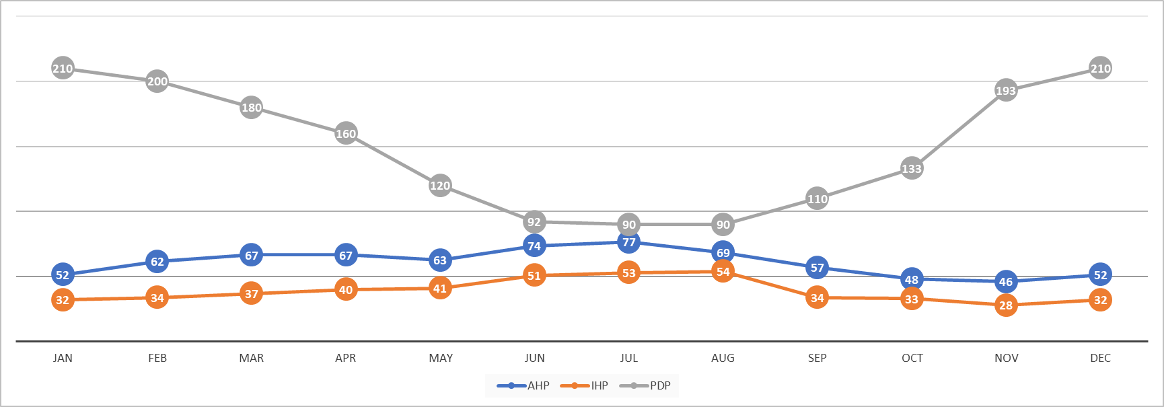

The chart above shows a monthly overview of the hotel's Accounts Receivable, Inventory and Accounts Payables in days.
q 1 In which month(s) of the year will the shareholders be happiest with the data in this chart?
q2 In which month(s) of the year is the Cash Conversion Cycle at its highest level? Show the calculation.
q 3 Name at least three actions the hotel could take to improve its cash position.
PDP -^ negotiating for longer payment terms with suppliers, | IHP using JIT inv management | Asking for only cash payments
9

It is known that shareholders, in general, prefer to have less rather than more Net Working Capital.
q 1 Using the notion of 'opportunity cost', give a clear and logical explanation of this shareholder preference.
q 2 In the light of this same preference, do you think shareholders prefer a high or a low Inventory Turnover? Give a clear explanation.

10

Table 2 Hotel BETA
 |  | 1.1.2020 | 31.12.2020 | 2020
Food inventory |  | 80,000 | ?

Food inventory turnover |  |  |  | 17

Cost of Food sold |  |  |  | 1,695,000

Christmas gift Iberico ham to employees |  |  |  | 5,000

Q 2.1 Based on the info in table 2, please calculate the year end food inventory of Hotel Beta (3 points) Q 2.2 In the year 2019, the food inventory turnover was 15. Do you like this development in 2020, why? Give three specific financial reasons. (3 points)

11

Table 5 Beach Resort BV
Euros |  | 31.12.2014 | 31.12.2015 | 31.12.2016 | 31.12.2017 |  | Days | 2015 | 2016 | 2017
Accounts receivable |  | 125,000 | 150,000 | 180,000 | 216,000 |  | Accounts Collection | 30 | 55 | 60
Inventories |  | 10,000 | 10,500 | 11,025 | 11,576 |  | Inventory Holding | 26 | 20 | 15
Accounts payable |  | 30,000 | 25,100 | 23,332 | 22,332 |  | Payment Deferral | 50 | 45 | 44

Q 5.1 Based on table 5, please calculate Sales in 2015 of Beachresort BV assuming 50% of the sales is on credit (3 points) Q 5.2 Please calculate the COS in 2016 (3 points) Q 5.3 Please calculate the cash conversion cycle in 2017. (3 points) Q 5.4 A new managing director started on 1.1.2015. Please give him feedback about the cash conversion cycle development in 2015 - 2017. (2 points) Q 5.5 Why is a high inventory turnover preferred by shareholders? What is a limitation or a downside of a high turnover? (2 points) Q 5.6 Please provide tangible measures (total 3) to improve Receivable and Payables from now on in 2018. (3 points)

12

Question 5: (8 pts)
Hotel & Wellness Tax Haven wants to keep a closer eye on its cash and the implications for its FINANCING (in other words, will it need more OR less capital to finance its operations). For your convenience the Income Statements and Balance sheets are shown again directly BELOW this question.

5.1 Calculate the Cash Conversion Cycle for 2022 (!). (4pts)
5.2 What are the consequences for FINANCING if the Inventory holding PERIOD goes down? (2 pts) Explain!

Table for question 6
Income Statement 2021 |  |  |  |  | Income Statement 2022
 | Revenues | COS VC | Departmental Income |  |  | Revenues | COS VC | Departmental Income
Rooms | 10,000,000 | 1,000,000 | 9,000,000 |  | Rooms | 11,000,000 | 1,100,000 | 9,900,000
F&B | 4,000,000 | 2,500,000 | 1,500,000 |  | F&B | 4,500,000 | 2,750,000 | 1,750,000
Wellness | 1,000,000 | 700,000 | 300,000 |  | Wellness | 1,100,000 | 750,000 | 350,000
Total | 15,000,000 | 4,200,000 | 10,800,000 |  | Total | 16,600,000 | 4,600,000 | 12,000,000

 | Maintenance costs |  | 500,000 |  |  | Maintenance costs |  | 500,000
 | Electricity |  | 1,500,000 |  |  | Electricity |  | 1,500,000
 | Marketing expenses |  | 1,000,000 |  |  | Marketing expenses |  | 1,000,000
 | Other Op expenses |  | 500,000 |  |  | Other Op expenses |  | 500,000

 | EBITDA |  | 7,300,000 |  |  | EBITDA |  | 8,500,000
 | Depreciation Buildings |  | 1,000,000 |  |  | Depreciation Buildings |  | 1,000,000
 | Depreciation Equipment |  | 100,000 |  |  | Depreciation Equipment |  | 100,000
 | Interest expenses |  | 800,000 |  |  | Interest expenses |  | 800,000
 |  |  |  |  |  | Gain on Sale of Buildings |  | 400,000
 | EBT |  | 5,400,000 |  |  | EBT |  | 7,000,000
 | Income tax expense |  | 4,050,000 |  |  | Income tax expense |  | 5,250,000
 | Net income |  | 1,350,000 |  |  | Net income |  | 1,750,000

Balance sheets
 | 2021 | 2022 |  | 2021 | 2022
Assets |  |  | Liabilities
Current Assets
Cash | 1,000,000 | 4,980,000 | Accounts Payable | 800,000 | 900,000
AR | 4,000,000 | 4,300,000 | Accrued salaries | 600,000 | 550,000
Marketable Securities | 150,000 | 150,000 | Other operational payables | 1,000,000 | 1,100,000
Inventories | 3,000,000 | 3,250,000 | Dividends payable | 600,000 | 1,100,000
Prepaid internet fees | 400,000 | 420,000 | Current Part of LTD | 200,000 | 250,000
Prepaid insurance | 100,000 | 100,000 | Total current liabilities | 3,200,000 | 3,900,000
Total Current Assets | 8,650,000 | 9,220,000

Land | 2,000,000 | 2,000,000
Buildings | 20,000,000 | 17,500,000 | Long Term Debt | 8,000,000 | 7,900,000
Acc. Dep. Buildings | (8,000,000) | (8,700,000)
Equipment | 2,000,000 | 2,000,000 | Common Stock | 100,000 | 100,000
Accumulated Dep Eq. | (800,000) | (900,000) | Additional paid in capital | 6,000,000 | 6,000,000
 |  |  | Retained earnings | 6,550,000 | 7,200,000
Total LT Assets | 15,200,000 | 11,900,000 | Total Equity | 12,650,000 | 13,300,000

Total Assets | 23,850,000 | 25,100,000 | Liabilities and Equity | 23,850,000 | 25,100,000

13

Financial Details
Balance Sheet
Mirage Resorts - Balance Sheet

Balance Sheet for the years 2021 and 2022
 | 2021 | 2022 |  |  | 2021 | 2022
Current Assets |  |  |  | Current Liabilities
Cash | 4,000,000 | 4,233,318 |  | Accounts Payable | 588,100 | 623,100
Marketable Securities | 43,000 | 135,000 |  | Accrued Utilities | 315,000 | 266,500
Accounts Receivable | 276,000 | 450,000 |  | Corporate Income Tax Payable | 250,000 | 145,144
Food Inventory | 133,000 | 215,000 |  | Dividends Payable | 2,315,000 | 2,150,000
Beverage Inventory | 234,000 | 210,000 |  | Current Part: Long-term Loans | 600,000 | 575,000
Non F&B inventory | 96,000 | 140,000
Prepaid Expenses | 25,000 | 25,000

Non-Current Assets |  |  |  | Long term Liabilities and Equity
Land | 5,800,000 | 5,800,000 |  | Long term Loans | 11,235,000 | 10,660,000
Buildings | 13,475,000 | 13,475,000 |  | Common Stock Issued | 2,500,000 | 2,625,000
Accumulated Depreciation on Buildings | (4,000,000) | (4,539,000) |  | Paid in Capital | 2,000,000 | 2,000,000
Equipment | 6,150,000 | 5,685,000 |  | Retained Earnings | 2,428,900 | 2,644,474
Accumulated Depreciation on Equipment | (4,000,000) | (4,140,100)

TOTAL ASSETS | 22,232,000 | 21,689,218 |  | TOTAL LIABILITIES AND OWNERS' EQUITY | 22,232,000 | 21,689,218

Mirage Resorts - Income Statement
Income Statement for the year ended on 31 December 2022
Operated Departments | Revenues | Cost of Sales | Payroll & Related | Other Direct Expenses | Departmental Income
Accommodation | 14,228,156 |  | 2,845,631 | 1,422,816 | 9,959,709
Food | 8,910,000 | 3,742,200 | 2,227,500 | 891,000 | 2,049,300
Beverage | 2,430,000 | 461,700 | 364,500 | 121,500 | 1,482,300
Non F&B activities | 4,860,000 | 1,944,000 | 1,944,000 | 1,215,000 | (243,000)

Total Operated Departments | 30,428,156 | 6,147,900 | 7,381,631 | 3,650,316 | 13,248,309

Undistributed Operating Expenses
Administrative & General |  |  | 1,825,689 | 164,312 | 1,990,001
Marketing |  |  | 1,521,408 | 1,521,408 | 3,042,816
Property Operation & Maintenance |  |  | 2,129,971 | 1,597,478 | 3,727,449
Utilities |  |  |  | 900,225 | 900,225
Total Undistributed Operating Expenses |  |  | 5,477,068 | 4,183,423 | 9,660,491

Fixed Charges
Insurance |  |  |  |  | 1,375,000
Property Tax |  |  |  |  | 215,600
Depreciation on Buildings |  |  |  |  | 539,000
Depreciation on Equipment |  |  |  |  | 307,500
Gain on Sale of Equipment |  |  |  |  | 75,000

EBIT - Income before Interest and Tax |  |  |  |  | 1,225,718
Interest Expense |  |  |  |  | 500,000
EBT - Income before Tax |  |  |  |  | 725,718
Corporate Income Tax |  |  |  |  | 145,144

Net Income |  |  |  |  | 580,574

13.1 Calculate Mirage's CCC using the year average for all balance sheet items in the ratios. Show your calculations.
13.2 Out of the 3 ratios making up the CCC, pick one that in your opinion we should be able to improve and give a specific action to improve it.

14

14.1 What is your preferred value of inventory turnover high or low? Why?
14.2 Please explain a possible risk/problem if you succeed on what you proposed, justify.

15

Financial Details
Balance Sheet
Hotel Edelweiss - Balance Sheet

Balance Sheet for the years 2021 and 2022
 | 2021 | 2022 |  |  | 2021 | 2022
Current Assets |  |  |  | Current Liabilities
Cash | 4,000,000 | 4,583,218 |  | Accounts Payable | 588,100 | 623,100
Marketable Securities | 43,000 | 135,000 |  | Accrued Utilities | 315,000 | 266,500
Accounts Receivable | 276,000 | 450,000 |  | Corporate Income Tax Payable | 250,000 | 145,144
Food Inventory | 133,000 | 215,000 |  | Dividends Payable | 2,315,000 | 2,150,000
Beverage Inventory | 234,000 | 210,000 |  | Current Part: Long-term Loans | 600,000 | 575,000
Non F&B inventory | 96,000 | 140,000
Prepaid Expenses | 25,000 | 0

Non-Current Assets |  |  |  | Long term Liabilities and Equity
Land | 5,800,000 | 5,800,000 |  | Long term Loans | 11,235,000 | 10,985,000
Buildings | 13,475,000 | 13,475,000 |  | Common Stock Issued | 2,500,000 | 2,550,000
Accumulated Depreciation on Buildings | (4,000,000) | (4,539,000) |  | Paid in Capital | 2,000,000 | 2,075,000
Equipment | 6,150,000 | 5,685,000 |  | Retained Earnings | 2,428,900 | 2,644,474
Accumulated Depreciation on Equipment | (4,000,000) | (4,140,000)

TOTAL ASSETS | 22,232,000 | 22,014,218 |  | TOTAL LIABILITIES AND OWNERS' EQUITY | 22,232,000 | 22,014,218

Income Statement
Hotel Edelweiss- Income Statement
Income Statement for the year ended on 31 December 2022
Operated Departments | Revenues | Cost of Sales | Payroll & Related | Other Direct Expenses | Departmental Income
Accommodation | 15,000,000 |  | 3,000,000 | 1,400,000 | 10,600,000
Food | 8,000,000 | 3,000,000 | 2,000,000 | 800,000 | 2,200,000
Beverage | 2,500,000 | 500,000 | 400,000 | 120,000 | 1,480,000
Non F&B activities | 4,800,000 | 1,000,000 | 1,200,000 | 1,200,000 | 1,400,000

Total Operated Departments | 30,300,000 | 4,500,000 | 6,600,000 | 3,520,000 | 15,680,000

Undistributed Operating Expenses
Administrative & General |  |  | 1,900,000 | 160,000 | 2,060,000
Marketing |  |  | 1,500,000 | 1,500,000 | 3,000,000
Property Operation & Maintenance |  |  | 2,000,000 | 1,400,000 | 3,400,000
Utilities |  |  |  | 900,000 | 900,000
Total Undistributed Operating Expenses |  |  | 5,400,000 | 3,960,000 | 9,360,000

Fixed Charges
Insurance |  |  |  |  | 1,300,000
Property Tax |  |  |  |  | 200,000
Depreciation on Buildings |  |  |  |  | 539,000
Depreciation on Equipment |  |  |  |  | 300,000
Gain on Sale of Equipment |  |  |  |  | 75,000

EBIT - Income before Interest and Tax |  |  |  |  | 4,056,000
Interest Expense |  |  |  |  | 500,000
EBT - Income before Tax |  |  |  |  | 3,556,000
Corporate Income Tax |  |  |  |  | 436,250

Net Income |  |  |  |  | 3,119,750

Question 15 - Points 10
Please note that the Balance Sheets given show December 31st of 2021 and December 31st of 2022, and Income Statement cover the full calendar year.
15.1 Calculate the Cash Conversion Cycle (CCC) of the entire Hotel Edelweiss (so all operated departments together). See financial statements above for your calculations. AND use averages on the balance sheet items used in your calculations.
15.2 Your CFO wants to order smaller quantities of inventories to improve the CCC. Clearly explain how and why this would improve the CCC. Also, mention one possible downside to your CFO's decision.
15.3 Calculate the Net Operating Working Capital (NOWC) for Hotel Edelweiss in 2022. Show each line item used and your calculation.
15.4 If NOWC goes up next year, would that have a FINANCING consequence (if so, indicate what that consequence is)? Explain your answer.

16

Question 3 Financial Details
Balance Sheet
Restaurant Periodica - Balance Sheet

 |  |  | 2022 | 2023
 |  |  | 2023-12-31 | 2023-12-31
Cash |  |  | 167,000 | 150,000
Accounts receivable |  |  | 20,800 | 31,200
Inventory |  |  | 42,000 | 65,500

Furniture and equipment |  |  | 368,000 | 312,000
Building |  |  | 1,500,000 | 1,500,000

Total assets |  |  | 2,097,800 | 2,055,700

Account payable |  |  | 73,400 | 52,300
Curent part of Bank loan |  |  | 60,000 | 60,000
Dividends payable |  |  | 180,000 | 190,000

Bank loan |  |  | 980,000 | 920,000

Common stock |  |  | 250,000 | 250,000
Retained earnings |  |  | 554,400 | 583,400

Total Liabilities and equity |  |  | 2,097,800 | 2,055,700

Income Statement ending 31/12/2023
Restaurant Periodica- Income Statement 2023
Food revenue |  |  |  | 1,540,000
Beverage revenue |  |  |  | 760,000
 | Total revenue |  |  |  | 2,300,000
Total COS (food + beverage) |  |  |  |  | 690,400
Payroll expenses |  |  |  |  | 734,000
Other operating expenses |  |  |  |  | 478,600

Depreciation |  |  |  |  | 56,000
Interest |  |  |  |  | 49,000

Income before tax |  |  |  |  | 292,000
Tax |  |  |  |  | 73,000

Net income |  |  |  |  | 219,000

Restaurant Periodica is located in the business district of the city of Milan.
The restaurant is well known for its extensive range of wines.
The restaurant is popular with people who live in Milan as well as with companies who entertain business relations by taking them for lunch or dinner.
Guests who are regular customers at the restaurant, as well as corporate customers are extended credit, the restaurant sends them an invoice by email.

Question 3 - Points 8
Please note that the Balance Sheets given show December 31st of 2021 and December 31st of 2022, and Income Statement covers the full calendar year.
3.1 Calculate the Cash Conversion Cycle (in days). Show your calculations and include the numbers for PDP, IHP and ACP in your answer. Use averages of the balance sheet items for your calculations.
3.2 Calculate the change in NOWC between 31 December 2022 and 31 December 2023. Explain whether the Financial manager will judge this change as an improvement or a negative development FINANCING wise.
3.3 Name two possible specific actions that would REVERSE the change in NOWC that you identified in your previous answer.

17

Question 3 Financial Details
Restaurant Pinocchio - Balance Sheet

 |  |  | 2022 | 2023
 |  |  | 2023-12-31 | 2023-12-31
Cash |  |  | 267,000 | 160,000
Accounts receivable |  |  | 21,000 | 80,000
Inventory |  |  | 72,000 | 120,000

Furniture and equipment |  |  | 450,000 | 461,280
Building |  |  | 2,000,000 | 2,000,000

Total assets |  |  | 2,810,000 | 2,821,280

Account payable |  |  | 95,000 | 78,000
Curent part of Bank loan |  |  | 60,000 | 60,000
Dividends payable |  |  | 200,000 | -

Bank loan |  |  | 1,650,000 | 1,590,000
Common stock issued |  |  | 1,000 | 1,000
Additional Paid in capital |  |  | 249,000 | 250,000
Retained earnings |  |  | 555,000 | 842,280

Total Liabilities and equity |  |  | 2,810,000 | 2,821,280

Income Statement ending 31/12/2023
Restaurant Pinocchio- Income Statement 2023
Food revenue |  |  |  | 1,740,000
Beverage revenue |  |  |  | 860,000
 | Total revenue |  |  |  | 2,600,000
Total COS (food + beverage) |  |  |  |  | 780,000
Payroll expenses |  |  |  |  | 850,000
Other operating expenses |  |  |  |  | 480,000

Depreciation |  |  |  |  | 60,000
Interest |  |  |  |  | 52,000

Income before tax |  |  |  |  | 378,000
Tax |  |  |  |  | 90,720

Net income |  |  |  |  | 287,280
Additional information:
Restaurant Pinocchio is located in the business district of the city of Naples.
The restaurant is well known for its exotic foods and beverages.
30% of total revenues is on account.

Question 3 - 12 points
3.1 Calculate the CCC for 2023 (and use averages on the balance sheet items!). Show your calculations and label the relevant items clearly. |  |  |  |  |  |  |  |  |  |  | 4
3.2 If Pinocchio ordered EUR 25.000 in inventory financed by accounts payable for EUR 10.000 and a short term loan of EUR 15.000, by how much did the NOWC (Net Operating Working Capital) change? |  |  |  |  |  |  |  |  |  |  | 2
3.3 Compared to 2022, the NOWC in 2023 worsened because it lead to a higher FINANCING need. Provide the 3 biggest reasons, using only data from the Pinocchio balance sheet. |  |  |  |  |  |  |  |  |  |  | 3
3.4 If in 2023 the Accounts Collection Period went up by 10 days, by how much would the 2023 A/R CHANGE? (keep in mind that 30% of revenues is on account). Show calculation! |  |  |  |  |  |  |  |  |  |  | 3

18

Question 3 (16 points)

Balance Sheet |  |  |  |  | 31-Dec-22 | 31-Dec-23 |  |  |  |  |  | 31-Dec-22 | 31-Dec-23

Cash |  |  |  |  | 36,180 | 56,620 |  | accounts payable |  |  |  | 15,480 | 10,320
accounts receivable |  |  |  |  | 68,800 | 41,800 |  | accrued expenses |  |  |  | 2,300 | 4,100
inventory |  |  |  |  | 5,160 | 7,740 |  | corporate income tax payable |  |  |  | 44,000 | 45,877
pre-paid insurance |  |  |  |  | 16,200 | 17,300 |  | short term portion of loan |  |  |  | 125,000 | 125,000
marketable securities |  |  |  |  | 2,100 | 101,070 |  | dividends payable |  |  |  | - | 91,000
Total current assets |  |  |  |  | 128,440 | 224,530 |  | total current liabilities |  |  |  | 186,780 | 276,297

equipment |  |  |  |  | 580,000 | 580,000 |  | Long term loans |  |  |  | 1,250,000 | 1,725,000
accumulated depreciation equipment |  |  |  |  | (116,000) | (232,000) |  | Common stock issued |  |  |  | 120,000 | 120,000
buildings |  |  |  |  | 920,000 | 1,590,000 |  | Addtional paid in capital |  |  |  | 85,000 | 85,000
accumulated depreciation buildings |  |  |  |  | (46,000) | (92,000) |  | retained earnings |  |  |  | 124,660 | 164,233
land |  |  |  |  | 300,000 | 300,000 |  | total long term liabilities and equity |  |  |  | 1,579,660 | 2,094,233
total fixed assets |  |  |  |  | 1,638,000 | 2,146,000

TOTAL ASSETS |  |  |  |  | 1,766,440 | 2,370,530 |  | TOTAL LIABILITIES AND EQUITY |  |  |  | 1,766,440 | 2,370,530

Income statement 2023

Total revenue |  |  |  | 1,569,500
COS |  |  |  | 470,850
Payroll |  |  |  | 504,000
other operating expenses |  |  |  | 145,000

Depreciation equipment |  |  |  | 116,000
Depreciation buildings |  |  |  | 46,000

Insurance |  |  |  | 16,200
other fixed expenses |  |  |  | 32,500
Interest |  |  |  | 62,500

Income Before tax |  |  |  | 176,450
Income tax |  |  |  | 45,877
Net Income |  |  |  | 130,573

3.1 | Calculate the Cash Conversion Cycle. Use averages for the balance sheet items. Show your calculations. |  |  |  |  |  |  |  |  |  |  |  |  | 8

3.2 | Calculate the Net Operating Working Capital on 31 December 2023. |  |  |  |  |  |  |  |  |  |  |  |  | 4

3.3 | Name one specific action that would reduce the NOWC. Describe HOW it would reduce NOWC. |  |  |  |  |  |  |  |  |  |  |  |  | 4

19

Question 3 - 12 points
3.1 If TA/TL is 3, how much of the assets is financed by Equity? Explain your answer! |  |  |  |  |  |  |  |  |  |  | 4
3.2 If a company has a lot of cash on the balance sheet, why do shareholders (in general) not like it? Explain your answer! |  |  |  |  |  |  |  |  |  |  | 2
3.3 In the table below, your CFO did a Dupont [(A/Eq)* (Rev/Assets) * (Net profit/Rev)] analysis on two companies (A and B). Both companies are from the same region, active in the same sector and are thus very comparable. Looking only at the content of the Dupont analysis, which company is performing better? Clearly explain why! |  |  |  |  |  |  |  |  |  |  | 3

20

Question 4 - 14 points
4.1 The CFO of your company made the table below, with the inventory turnover, the payables deferral period, and the accounts collection turnover of your biggest competitor. Calculate the CCC (Cash Conversion Cycle) of this competitor. Please show all three separate parts of the CCC and your final answer. |  |  |  |  |  |  |  |  |  |  | 3

Inventory Turnover | PDP | Accounts Collection Turnover
25 | 11.1 | 10

4.2 If your company's CCC is lower than that of your competitor is that a good or bad thing (in general)? Explain your answer! |  |  |  |  |  |  |  |  |  |  | 3
4.3 Name a specific ACTION to improve PDP and EXPLAIN why this has a positive effect on financing. |  |  |  |  |  |  |  |  |  |  | 2
4.4 Calculate NOWC |  |  |  |  |  |  |  |  |  |  | 3

Current Assets |  |  | Current Liabilities
Cash | 100,000 |  | A/P | 4,000,000
A/R | 1,900,000 |  | Accrued Wages | 3,000,000
Inventory | 3,000,000 |  | Short Term Loans | 2,000,000
Pre Paid Insurance | 100,000 |  | Advanced Deposits | 100,000
Marketable Securities | 3,000,000 |  | Current Part Long Term Debt | 1,000,000

4.5 If NOWC went down versus the previous year, is that a positive on financing or a negative? Explain your answer. |  |  |  |  |  |  |  |  |  |  | 3

21

Question 4 - 14 points
4.1 Using the data below in the table, calculate the CCC (cash conversion cycle). SHOW EACH of the three components of the CCC calculation. Show answers with two decimals. |  |  |  |  |  |  |  |  |  |  | 3

Inventory Holding Period | Accounts Receivables Turnover | Payables Turnover
12 | 20 | 41

4.2 If this company would decide to pay its suppliers later than usual (without hurting its business), would NOWC (net operating working capital) go up or down? Clearly explain your answer. |  |  |  |  |  |  |  |  |  |  | 3
4.3 If an increase in inventory is financed by a short term loan, how will NOWC (net operating working capital) and NWC (net working capital) be affected? For each, clearly explain if there is a change, and if so, if it is up or down. |  |  |  |  |  |  |  |  |  |  | 2

LU5
1
You've found an investment that pays 12% per year. That rate sounds good to you, so you invest €400 (4 pts) 3.1 How much will you have in seven years? 3.2 How much interest will you have earned in 7 years?

2

A firm: "Teslita" is considering financing a new hotel in Italy. The company can finance its assets either through bonds or through issuing shares. The required investment is € 6 million The firm can issue a 10 year bond with a coupon of 6% (Kd). The firm can issue new shares at a required rate of return of 3% (Ke) Tax rate 21% The firm has a minimum debt to equity ratio of 40% 5.1 What would be the cheapest cost of financing (WACC) of the new hotel in Italy? (4 pts) 5.2 Normally Ke is higher than Kd. Give a possible explanation for the fact that for Teslita Ke is lower than Kd (2 pts)

3

Table 8:

Hilton Worldwide Holdings Annual Data
 | Trend | 2016 | 2017 | 2018 | 2019 | 2020
 | WACC % | 7.1 | 9.23 | 9.08 | 6.5 | 7.2
 | Tax% | 35% | 35% | 35% | 35% | 35%
 | Gross profit Margin | 9% | 12% | 20% | 10% | 10%

Table 9:

Financial instruments | Rate or coupon
Long term loan A | 1%
Bond B | 7.20%
Long term loan C | 15%
Bond D | 11%

Assume Hilton Worldwide Holdings is only financed through debt. Table 8 lists the WACC rates the company has applied between 2016 and 2020. Explain which one of the financial instruments in table 9 is most likely to have been used to completely refinance the company in 2020. Show your calculations (4 pts)

4

1.1 Why do companies DISCOUNT the future benefits (cash flows) of a possible investment opportunity? Explain your answer in at least 2 sentences. (2 pts)
1.2 In the context of capital budgetting, what is the difference between profit and value? Explain your answer in at least 1 sentence. (2 Pt)

5

year | 0 | 1 | 2 | 3
CF | -420,000 | 80,000 | 240,000 | 500,000

2.1 Calculate the payback for the project in the table above. Explain in what situations the Payback method is especially relevant. Explain your answer with at least one example. (2 pts)
2.2 Your manager decides to make investment decisions solely based on the Payback method. Explain to him, in at least 2 sentences, why Payback should NOT be used as the ONLY way to decide if an investment should be done or not. (2 pts)

6

Mar del Lago is analysing investing in a new RM (Revenue Management) system for one of its properties. The total Investment is 100.000 Euros and, as a consequence of the investment, they expect an increase in revenue of 40.000 in the first year, with a steady growth of 25% per year for the total of 4 years the system is expected to last. The system will have a yearly cost for Fees and Maintenance of 20.000 a year and the Income tax is 25%. It is allowed to carry losses forward for up to 5 years. Mar del Lago requires a maximum payback of 3 years.
2.1 Calculate the cash flows to use for the Payback Method, show your calculations. (4 Points)
2.2 Calculate the Payback, show your calculations and give your recommendation based on the result (2 points)

7

Mar del Lago has Certificates of Deposit in the bank for a total amount of 1.000.000 Euros for a period of 6 months at an annual rate of 3,6%, with monthly compounding.
4.1 How much money will they be able to withdraw at the end of the 6 months? Show your calculations (2 Points)
4.2 If they want 1.500.000 Euros at the end of 6 months, how much do they need to deposit today. Show your calculations (2 Points)

8

1.1 Project A delivers a total NET PROFIT of EUR 100 and project B delivers a NPV of EUR 90. Is this enough information to make a decision to choose the best option; either invest in project A or invest in B? Explain why or why not. (2 pts) 1.2 Explain in several sentences the concept of why EUR 100 today is worth more than a EUR 100 a year from now. (2 pts) 1.3 The WACC formula uses Ke (Re) and Kd (Rd). Explain why conceptually Ke is always higher than Kd. Answer in at least a 2 sentences and clearly state why the reason you provide for this holds true. (2 pts)

9

Question 4 (6 pts) Answer the following questions: 4.1 If a share price is currently at EUR 120 and is expected to rise with 11% per year for the next 10 years, what is the share price expected to be at the end of that period? (2 pts) 4.2 You can invest your EUR 100.000 in savings in two options. Both options are only for the duration of 1 year as you need the money back to buy some more bitcoin. Option A promises 10% interest rate compounded yearly. Option B promises 4,9% per half year (so paid out per 6 months). Which option is the best one? Prove your answer with a calculation AND explain why the two options differ in their promised returns? (4 pts)

10

You are a restaurant manager. You are challenged by your boss to invest and grow. You heard about a new way to make pizzas. You are considering investing in a pizza oven. Investment of the oven (31.12.2022) is Euro 80'000 (expected lifetime 4 years). Salvage value is Euro 20'000. VAT amounts to 21%. incremental Revenue is Euro 160'000 in 1st year (2023), rising by 5% p.a. afterwards. Cost to operate (excl depreciation) is Euro 140'000 in 1st year, rising by 4% only in the last two years. Your accountant calculated your discount rate to be 10%. 2.1: What is your depreciation per year? 2.2: What is the Project cash flow in year 4 ? 2.3: What is the payback time? 2.4: When would you use the Payback time to make an investment decision? What is one drawback of this capital budgeting model?

11

Table needed for question 3
Projects available for 2023 | A | B
NPV | € 500,000 | € 120,000
PI | 1.5 | 4

The group made available an investment budget for 2023, with a maximum of Euro 900'000. The sales director is very experienced and proposes project A. The Operations manager is also a personal friend of the managing director: she proposes project B. Your managing director asks for your advice. Please check the calculations for A and B and provide your financial advice. Show your calculation.

12

Calculate the WACC using the following information CMRw 60% GOP 50% Profit margin 8% Net Sales (revenue) Euro 100 Income tax invoice Euro 2 Debt/equity ratio 1x Borrowing cost 5% Cash conversion cycle is -30 days Required return by shareholders 20%

13

You've found a savings account (in Euros) that pays 15% per year. That rate sounds good to you, so you invest € 3 000 today. (4 pts) 3.1 How much will your account be worth in exactly five years' time? (2 pts) 3.2 If you want € 12 000 at the end of year 6 and the interest rate is still 15%, how much money do you need to deposit today? (2 pts)

14

For an investment in a new hotel in Greece, the Kalimera company needs € 6 million. The company can finance its assets either through bonds or through issuing shares. (5 pts) The firm can issue an 8-year bond with a coupon of 8% (Kd). The firm can issue new shares and offers potential investors a rate of return of 12% (Ke) Tax rate 25%

5.1 The company does not want too much financial leverage, so the debt/equity ratio should be 2. Calculate the lowest WACC under these conditions. Show calculation (2 pts)
5.2 Why is Ke (Re) conceptionally always higher than Kd (Rd) (2 pts)

15

Table 3: |  |  |  |  |  |  | Table 4:

Hilton Worldwide Holdings Annual Data |  |  |  |  |  |  | Financial instruments | Rate or coupon
 | Trend | 2017 | 2018 | 2019 | 2020 | 2021 | Long term loan A | 1%
 | WACC % | 9.23 | 9.08 | 6.5 | 7.2 | 7.9 | Bond B | 7.20%
 | Tax% | 35% | 30% | 30% | 30% | 28% | Long term loan C | 15%
 | Gross profit Margin | 12% | 20% | 10% | 10% | 0.12 | Bond D | 11%

Assume Hilton Worldwide Holdings is only financed through debt. Table 3 lists the WACC rates the company has applied between 2017 and 2021.

Table 4 lists the different financial instruments available.
Explain which one of these instruments is most likely to have been used to completely refinance the company debt in 2021. Show your calculations (4 pts)

16

Alpes Hotel details to invest in outdoor swimming pool
Additional Revenue 1st Year (Euros) |  | 70,000
...
Investment | 1,000,000
TA/EQUITY | 4
GOP | 12%
Economic Life | 10 years

Question 20 - Points 6
20.1 Calculate the WACC using the info from the table above.
20.2 If the tax rate increases, will the WACC increase, decrease or remain the same? Explain your answer!

21


The new CFO:

 |  | Hotel Eden
 |  | NPV | € 250,000
 |  | PI | 0.99
 |  | IRR | 10%
 |  | WACC | 10.50%

Question 21 - Points 4
The old CFO has been replaced with a new one, see LinkedIn profile picture above. On his first day, he shows you a valuation table about an investment opportunity, Hotel Eden (see above). What are your comments on the data the CFO is showing you? In other words, can the CFO make a decision based on the provided table? Explain your answer by giving 2 arguments.

22

Question 5 - Points 6
Option | A | B | C
...
25

1.1 Company XYZ has excess cash of 95000 which it does not need in the foreseeable future. So it is considering putting the money into a 5-year fixed deposit, yielding 5% annually, compounded quarterly. What will the investment be worth at the end of year 5? Show your calculation.
1.2 If the annual rate remains 5%, but the compounding frequency changes from 4 to 6 times per year, will the final outcome of XYZ's savings scheme be higher or lower than in q.1 ? Explain why, without a calculation!

26

For XYZ's investment in a new project, the CFO has put forward three different combinations of debt and equity to the CEO. As you can see in the table, the cost of debt (demanded by creditors) is different in every option. And so is the return on equity, required by potential investors.
7.1 Give your CEO a full and logical explanation of why this is the case. Your answer must cover both debt and equity (3 pts).
7.2 Then, give her a clear and logical advice on which option she should select for the financing of the new project and support that advice with a calculation (4 pts).
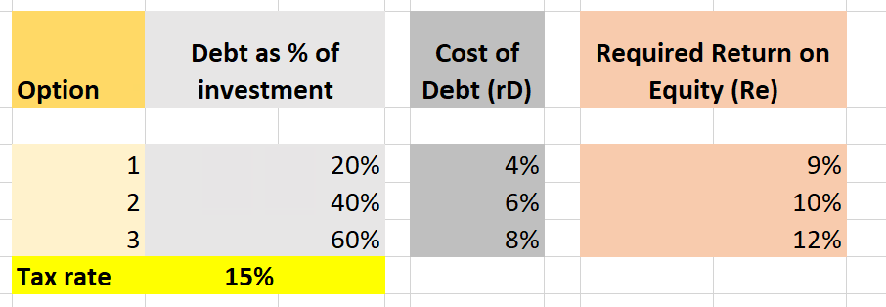

27

Question 6 - Points 12
Project | WACC | NPV | PI | IRR | Investment
A | 8% | 100,000 | 2.0 | 9%
B |  | 100,000 | 1.5
C | 10% | 0 | 1.0 | 10% | 100,000
D | 5% |  |  | 4% | 200,000
...

LU6
1
Chart 1: NPV of different projects
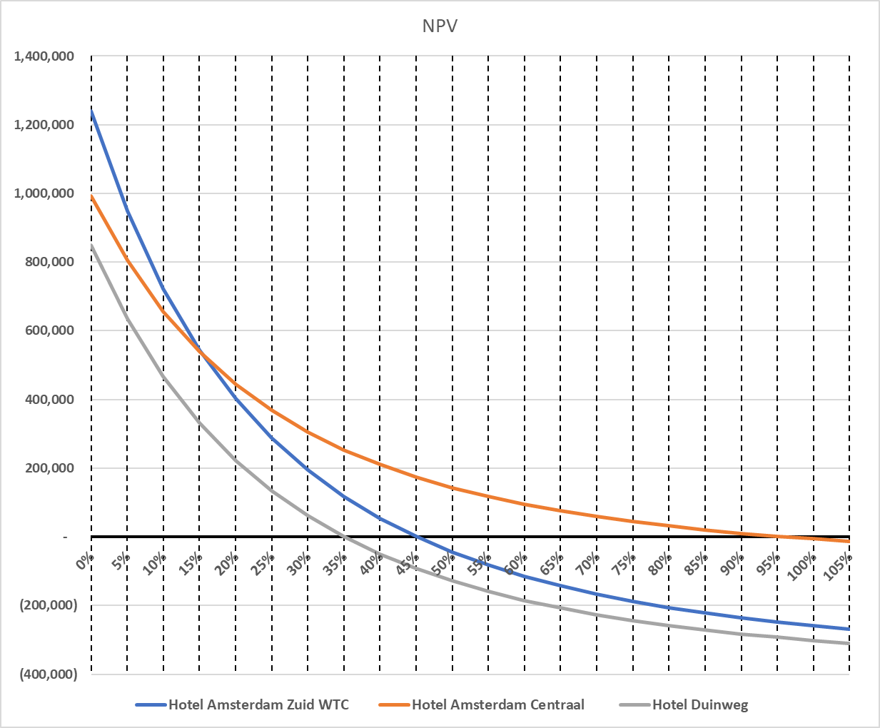

Please answer the questions ( a coloured background) in the white empty cells. You can use Excel (where it says Calculations) or Word (where it says Text. For your convenience, the text part is split into paragraphs). Please keep your answer inside the boxes (you can make them bigger if needed).

A company wishes to invest in a new hotel based on the chart 1 above: (8 Pts) 1.1 Which project would you choose based on the IRR%? Justify your answer showing the IRR% (2 pts) 1.2 Which project would you choose at a 5% discount rate? Justify your answer providing the project NPV (1 Pt) 1.3 What is the indifference point between the Hotel Amsterdam Centraal and Hotel Duinweg? Justify your answer providing the correct percentage number (2 pts) 1.4 If the investment company manages to finance the project at a WACC rate of 50% would you argue that it could finance one of the projects with a NPV higher than 200,000.00 Eur (1 pt) 1.5 What is the effect of an increase in inflation of 20% on the NPV figures in the table? Explain your answer with logical reasoning and outcome (2 pts)
...
Cash flows in years 0 to 5 | 0 | 1 | 2 | 3 | 4 | 5
 | -100,000.00 | 25,000.00 | 20,000.00 | 20,000.00 | 20,000.00 | 20,000.00
6.1 Based on the information above, please calculate or approximate (estimate) the IRR . If you calculate, show your calculation. If you estimate, you can not be wrong more than 3% points. 6.2 Based on your calculated or estimated IRR, please write a recommendation to your manager.

11

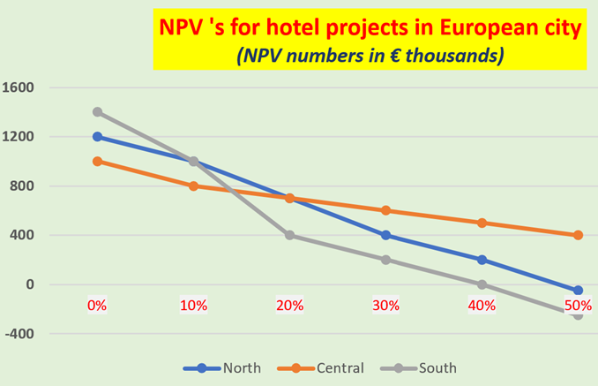 Bolliers, a well-known international real estate advisory and investment management company, is looking at three investment options (North, Central and South) in a major European city. They have drawn up this chart of NPV's. (9 Pts)

1.1 If you are asked to base your decision on IRR only and disregard all other capital budgeting models, which project would you choose and why? (2 pts)
1.2 Give a plausible explanation for the fact that the NPV for Hotel South drops more quickly than the NPV for the other two (2 pts).
1.3 Where is the indifference point between the Hotel North and Hotel South and what is its meaning ? (2 pts)
1.4 If the WACC rate for these investments is set at 50%, and the minimum required NPV is 200.000, would you advise any of the three projects and why? (1 pt)
1.5 In a meeting, the Bolliers' boss tells everyone that his selection decision is solely based on which project has the highest NPV. Is your boss right or wrong? Explain your answer (2 pts)
...
The Hotel's financial manager is informed that next year the (corporate) income tax rate could be increased.
His assistant, who recently graduated, tells him this makes any investment more attractive, as a higher tax rate reduces the WACC and thus increases NPV.

4.3 | Conclude whether the reasoning of the assistant is correct. Support your answer with reasoning or with calculations.

21

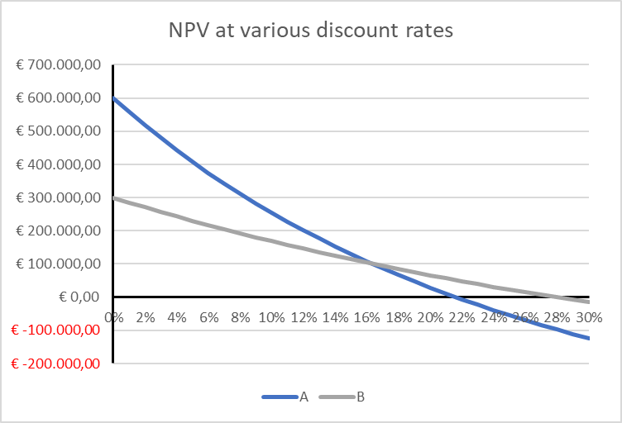
Question 7 (8 points)

Laura is the financial manager of a hospitality supplies company.
She has two investment proposals (A and B) on her desk.
They both seem attractive, but due to the amount of capital available, only one investment may be chosen.

Laura has produced the graph to the right, which shows the NPV at different discount rates for each investment.
She e-mails the graph to 2 colleagues (Claire and Robert), asking for their opinions. She receives the following replies:

Claire: | It seems that the NPV of project A is significantly higher than project B, I would opt for project A.

Robert: | Project B has the higher IRR, that project must be chosen.

7.1 | Comment on both replies. Are the comments valid or not? Motivate your answer.

22

WACC | 10%
g | 3%
EBITDA year 1 | 100,000
EBITDA growth rate for each year up until year 3 | 8%
Tax rate | 25%
IHP | 5
...
23
Relevant Cash flow per year
Project | 0 | 1 | 2 | 3 | 4 | 5
Amsterdam | -100,000 | 10,000 | 10,000 | 20,000 | 50,000 | 20,000
Breda | -100,000 | 50,000 | 60,000 | 70,000 | 10,000 | 0
Haarlem | -100,000 | 30,000 | 40,000 | 60,000 | 80,000 | 80,000

6a In the table above you can see the relevant cash flows for three projects (Amsterdam, Breda and Haarlem). Calculate the payback for Haarlem.

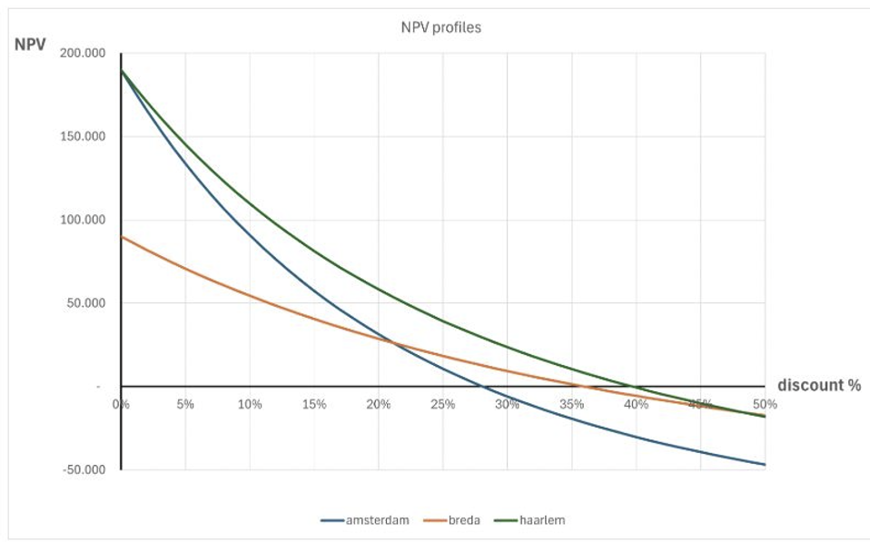

6b Using the above graph, choose which project is the most value creating. The actual risk (WACC) of the projects is as follows: -Amsterdam 12,5% -Breda 7,5% -Haarlem 22,5% Explain your choice, by also showing the value created.

24
...

