Argentina
Argentina - Inflation - Next 12 months forecast as of: 2023-06-01

Model | ARIMA - [(2, 2, 0), (3, 0, 0, 12)]
Training Data | 2017-12-01 to 2022-07-01
Test Data | 2022-07-01 to 2023-06-01

Date | Inflation Change YoY % | Lower Bound - 95% Confidence Interval | Upper Bound - 95% Confidence Interval
2023-07-01 | 116.44 | 113.81 | 119.07
2023-08-01 | 119.97 | 114.78 | 125.17
2023-09-01 | 124.53 | 117.58 | 131.48
2023-10-01 | 124.82 | 115.75 | 133.89
2023-11-01 | 127.86 | 115.77 | 139.95
2023-12-01 | 132.22 | 117.1 | 147.35
2024-01-01 | 133.4 | 115.38 | 151.41
2024-02-01 | 133.74 | 112.43 | 155.06
2024-03-01 | 136.09 | 111.1 | 161.07
2024-04-01 | 136.16 | 107.53 | 164.79
2024-05-01 | 135.3 | 102.93 | 167.68
2024-06-01 | 137.6 | 101.16 | 174.03

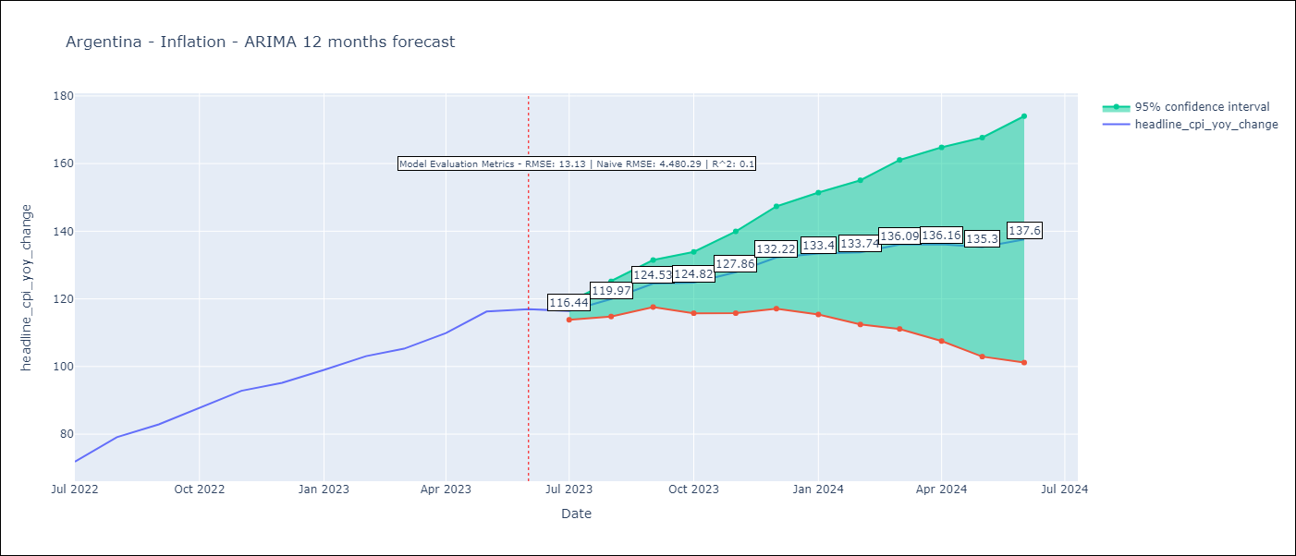

Test Metrics
RMSE | 13.13
Naive RMSE | 4.72
R^2 | 0.1

Test Predictions
Date | Predicted | Actual
2022-07-01 | 67.76 | 71.83
2022-08-01 | 71.97 | 79.11
2022-09-01 | 77.31 | 82.9
2022-10-01 | 81.02 | 87.8
2022-11-01 | 84.67 | 92.82
2022-12-01 | 86.86 | 95.19
2023-01-01 | 88.79 | 99.01
2023-02-01 | 90.81 | 103.06
2023-03-01 | 92.1 | 105.25
2023-04-01 | 92.28 | 109.89
2023-05-01 | 93.43 | 116.26
2023-06-01 | 93.98 | 116.97

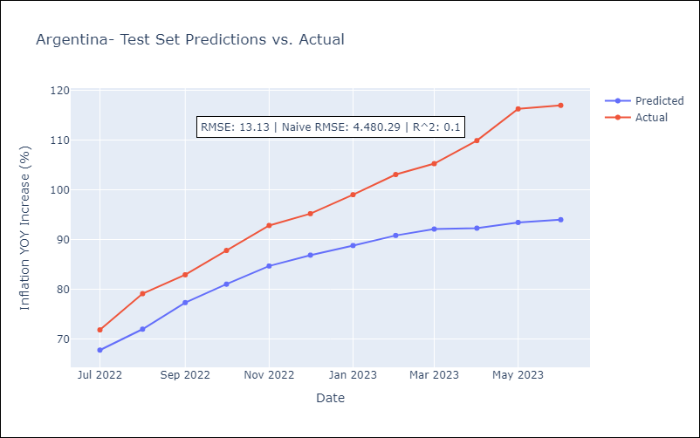

Appendix: Model Summary
Model | ARIMA(2, 2, 0)x(3, 0, 0, 12)
Sample | 12-01-2017- 06-01-2023
No. of Observations | 67
Terms | P-value (Statistical significance)
ar.L1 | 0.322
ar.L2 | 0.000
ar.S.L12 | 0.053
ar.S.L24 | 0.286
ar.S.L36 | 0.009
sigma2 | 0.003
Assumptions | P-value | Interpretation
Ljung-Box (L1) | 0.54 | Residuals are independent.
Heteroskedasticity | 0.20 | Residuals have the same variance.
Jarque-Bera | 0.53 | Residuals are normally distributed.
Skew | 0.53 | Positive skew - model underestimates the mean.
Kurtosis | 2.86 | Residuals do not contain more extreme outliers than in a normal distribution.

Bolivia (Plurinational State of)
Bolivia (Plurinational State of) - Inflation - Next 12 months forecast as of: 2023-06-01

Model | ARIMA - [(1, 0, 3), (0, 0, 1, 12)]
Training Data | 1987-01-01 to 2022-07-01
Test Data | 2022-07-01 to 2023-06-01

Date | Inflation Change YoY % | Lower Bound - 95% Confidence Interval | Upper Bound - 95% Confidence Interval
2023-07-01 | 2.9 | 1.44 | 4.36
2023-08-01 | 3.4 | 1.06 | 5.74
2023-09-01 | 3.35 | 0.2 | 6.5
2023-10-01 | 3.12 | -0.75 | 6.99
2023-11-01 | 2.92 | -1.55 | 7.38
2023-12-01 | 3.22 | -1.76 | 8.2
2024-01-01 | 3.38 | -2.06 | 8.81
2024-02-01 | 4.11 | -1.74 | 9.96
2024-03-01 | 4.12 | -2.1 | 10.35
2024-04-01 | 3.99 | -2.59 | 10.57
2024-05-01 | 3.56 | -3.34 | 10.47
2024-06-01 | 3.6 | -3.6 | 10.81

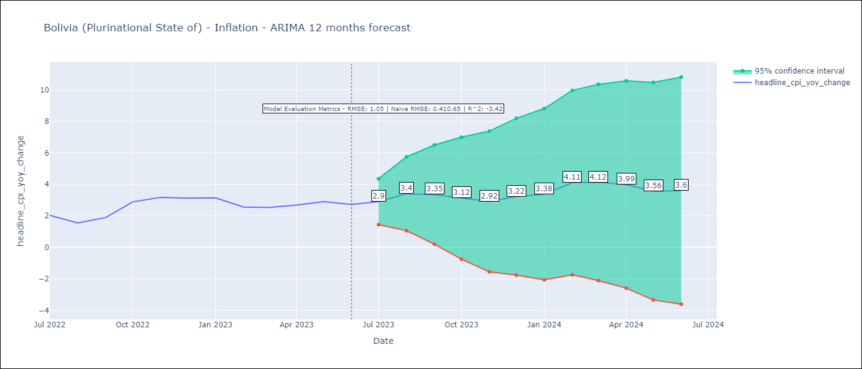

Test Metrics
RMSE | 1.05
Naive RMSE | 0.4
R^2 | -3.42

Test Predictions
Date | Predicted | Actual
2022-07-01 | 2.25 | 2.04
2022-08-01 | 2.34 | 1.55
2022-09-01 | 2.68 | 1.89
2022-10-01 | 3.44 | 2.89
2022-11-01 | 3.52 | 3.17
2022-12-01 | 3.81 | 3.12
2023-01-01 | 4.01 | 3.14
2023-02-01 | 4.21 | 2.57
2023-03-01 | 4.2 | 2.53
2023-04-01 | 4.23 | 2.69
2023-05-01 | 3.99 | 2.9
2023-06-01 | 3.87 | 2.73

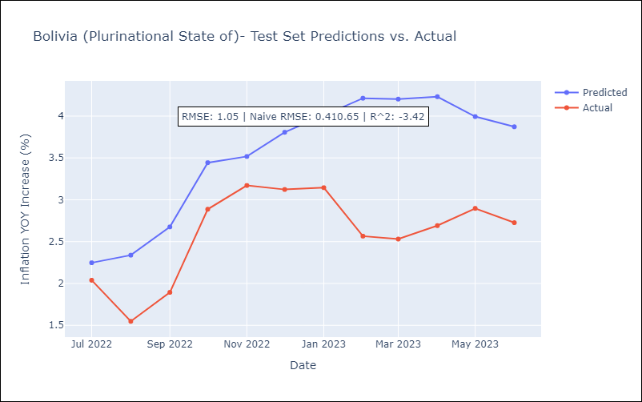

Appendix: Model Summary
Model | ARIMA(1, 0, 3)x(0, 0, [1], 12)
Sample | 01-01-1987- 06-01-2023
No. of Observations | 438
Terms | P-value (Statistical significance)
const | 0.042
ar.L1 | 0.000
ma.L1 | 0.000
ma.L2 | 0.000
ma.L3 | 0.002
ma.S.L12 | 0.000
sigma2 | 0.000
Assumptions | P-value | Interpretation
Ljung-Box (L1) | 0.91 | Residuals are independent.
Heteroskedasticity | 0.00 | Residuals have different variances.
Jarque-Bera | 0.00 | Residuals are not normally distributed.
Skew | 0.96 | Positive skew - model underestimates the mean.
Kurtosis | 12.23 | Residuals contain more extreme outliers than in a normal distribution.

Brazil
Brazil - Inflation - Next 12 months forecast as of: 2023-06-01

Model | ARIMA - [(1, 1, 0), (0, 0, 1, 12)]
Training Data | 2013-01-01 to 2022-07-01
Test Data | 2022-07-01 to 2023-06-01

Date | Inflation Change YoY % | Lower Bound - 95% Confidence Interval | Upper Bound - 95% Confidence Interval
2023-07-01 | 3.91 | 3.23 | 4.6
2023-08-01 | 4.37 | 3.08 | 5.65
2023-09-01 | 4.98 | 3.14 | 6.83
2023-10-01 | 4.91 | 2.55 | 7.26
2023-11-01 | 4.99 | 2.18 | 7.79
2023-12-01 | 5.13 | 1.91 | 8.35
2024-01-01 | 5.13 | 1.53 | 8.73
2024-02-01 | 4.94 | 0.99 | 8.89
2024-03-01 | 4.86 | 0.59 | 9.13
2024-04-01 | 4.64 | 0.07 | 9.21
2024-05-01 | 4.79 | -0.06 | 9.65
2024-06-01 | 5.26 | 0.14 | 10.38

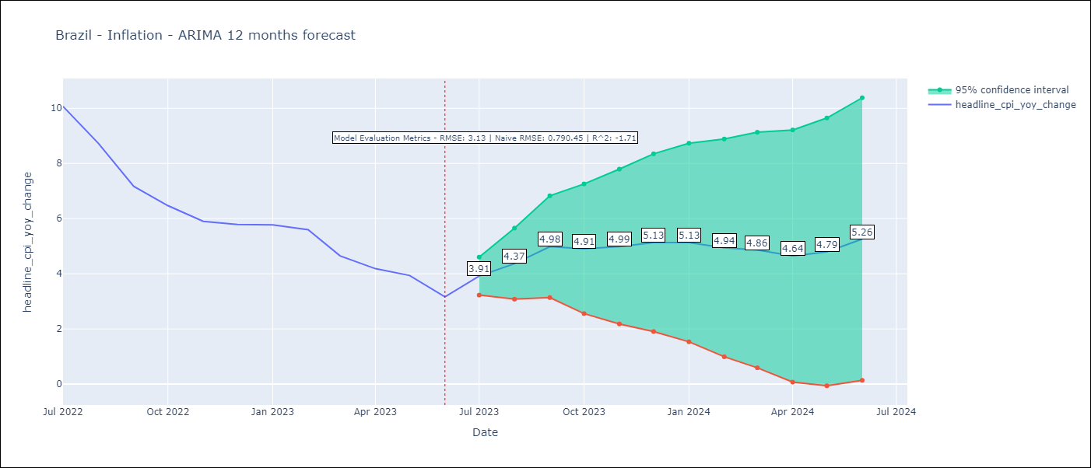

Test Metrics
RMSE | 3.13
Naive RMSE | 0.92
R^2 | -1.71

Test Predictions
Date | Predicted | Actual
2022-07-01 | 11.45 | 10.07
2022-08-01 | 10.93 | 8.73
2022-09-01 | 10.26 | 7.17
2022-10-01 | 9.61 | 6.47
2022-11-01 | 9.22 | 5.9
2022-12-01 | 9.31 | 5.78
2023-01-01 | 9.29 | 5.77
2023-02-01 | 8.92 | 5.6
2023-03-01 | 7.93 | 4.65
2023-04-01 | 7.24 | 4.18
2023-05-01 | 7.15 | 3.94
2023-06-01 | 6.9 | 3.16

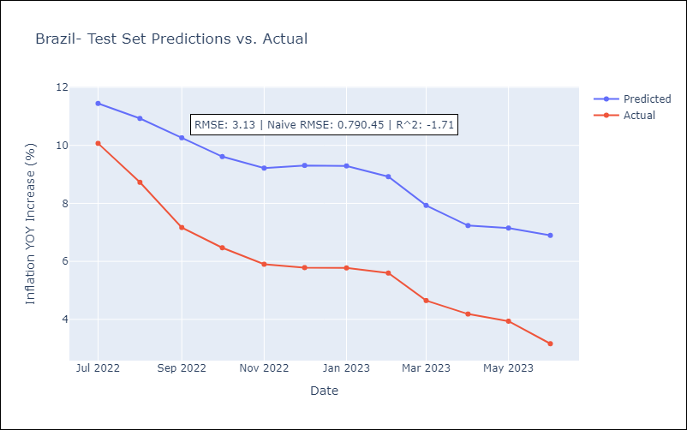

Appendix: Model Summary
Model | ARIMA(1, 1, 0)x(0, 0, [1], 12)
Sample | 01-01-2013- 06-01-2023
No. of Observations | 126
Terms | P-value (Statistical significance)
ar.L1 | 0.000
ma.S.L12 | 0.998
sigma2 | 0.998
Assumptions | P-value | Interpretation
Ljung-Box (L1) | 0.78 | Residuals are independent.
Heteroskedasticity | 0.01 | Residuals have different variances.
Jarque-Bera | 0.02 | Residuals are not normally distributed.
Skew | -0.23 | Negative skew - Model overestimates the mean.
Kurtosis | 4.19 | Residuals contain more extreme outliers than in a normal distribution.

