Chile_1928
CHL_CB - Inflation - Next 12 months forecast as of: 2023-06-01

Model | ARIMA - [(3, 1, 0), (2, 0, 1, 12)]
Training Data | 1928-03-01 to 2022-07-01
Test Data | 2022-07-01 to 2023-06-01

Date | Inflation Change YoY % | Lower Bound - 95% Confidence Interval | Upper Bound - 95% Confidence Interval
2023-07-01 | 6.79 | -15.36 | 28.95
2023-08-01 | 6.01 | -28.47 | 40.5
2023-09-01 | 5.74 | -39.13 | 50.61
2023-10-01 | 5.81 | -49.5 | 61.13
2023-11-01 | 5.29 | -59.51 | 70.08
2023-12-01 | 5.14 | -68.3 | 78.59
2024-01-01 | 5.18 | -76.31 | 86.66
2024-02-01 | 5.37 | -83.58 | 94.32
2024-03-01 | 5.13 | -90.79 | 101.05
2024-04-01 | 5.25 | -97.23 | 107.72
2024-05-01 | 5.45 | -103.22 | 114.12
2024-06-01 | 5.59 | -108.95 | 120.14

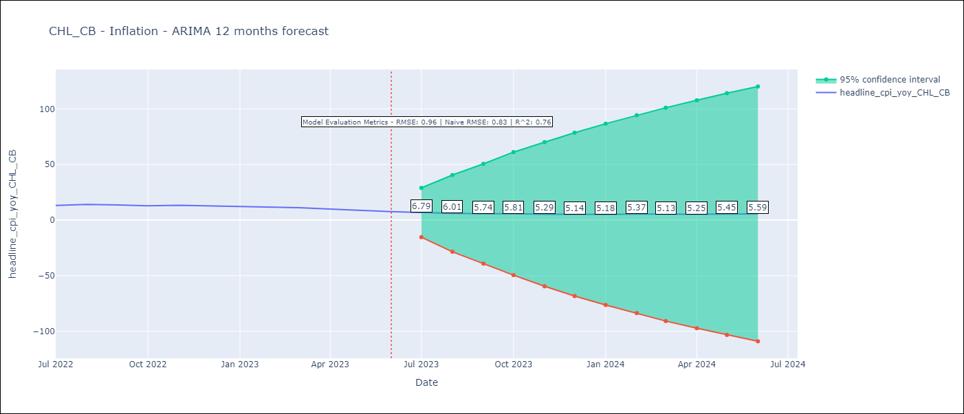

Test Metrics
RMSE | 0.96
Naive RMSE | 0.81
R^2 | 0.76

Test Predictions
Date | Predicted | Actual
2022-07-01 | 12.58 | 13.1
2022-08-01 | 12.74 | 14.1
2022-09-01 | 12.49 | 13.7
2022-10-01 | 12.19 | 12.8
2022-11-01 | 11.98 | 13.3
2022-12-01 | 11.54 | 12.8
2023-01-01 | 11.31 | 12.3
2023-02-01 | 11.32 | 11.9
2023-03-01 | 10.51 | 11.1
2023-04-01 | 9.89 | 9.9
2023-05-01 | 9.37 | 8.7
2023-06-01 | 8.84 | 7.6

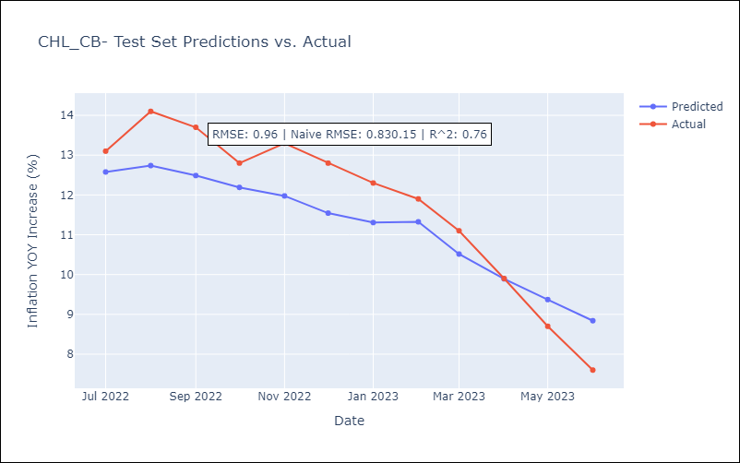

Appendix: Model Summary
Model | ARIMA(3, 1, 0)x(2, 0, [1], 12)
Sample | 03-01-1928- 06-01-2023
No. of Observations | 1144
Terms | P-value (Statistical significance)
ar.L1 | 0.000
ar.L2 | 0.000
ar.L3 | 0.000
ar.S.L12 | 0.000
ar.S.L24 | 0.129
ma.S.L12 | 0.000
sigma2 | 0.000
Assumptions | P-value | Interpretation
Ljung-Box (L1) | 0.37 | Residuals are independent.
Heteroskedasticity | 0.00 | Residuals have different variances.
Jarque-Bera | 0.00 | Residuals are not normally distributed.
Skew | 9.60 | Positive skew - model underestimates the mean.
Kurtosis | 246.90 | Residuals contain more extreme outliers than in a normal distribution.

Chile_1980
Chile - Inflation - Next 12 months forecast as of: 2023-06-01

Model | ARIMA - [(3, 1, 0), (2, 0, 0, 12)]
Training Data | 1980-01-01 to 2022-07-01
Test Data | 2022-07-01 to 2023-06-01

Date | Inflation Change YoY % | Lower Bound - 95% Confidence Interval | Upper Bound - 95% Confidence Interval
2023-07-01 | 6.88 | 5.4 | 8.37
2023-08-01 | 6.07 | 3.52 | 8.61
2023-09-01 | 6.12 | 2.76 | 9.49
2023-10-01 | 6.49 | 2.35 | 10.63
2023-11-01 | 6 | 1.12 | 10.87
2023-12-01 | 6.19 | 0.65 | 11.73
2024-01-01 | 6.38 | 0.23 | 12.54
2024-02-01 | 6.61 | -0.11 | 13.33
2024-03-01 | 6.77 | -0.49 | 14.03
2024-04-01 | 7.3 | -0.46 | 15.06
2024-05-01 | 7.85 | -0.39 | 16.08
2024-06-01 | 8.33 | -0.35 | 17.01

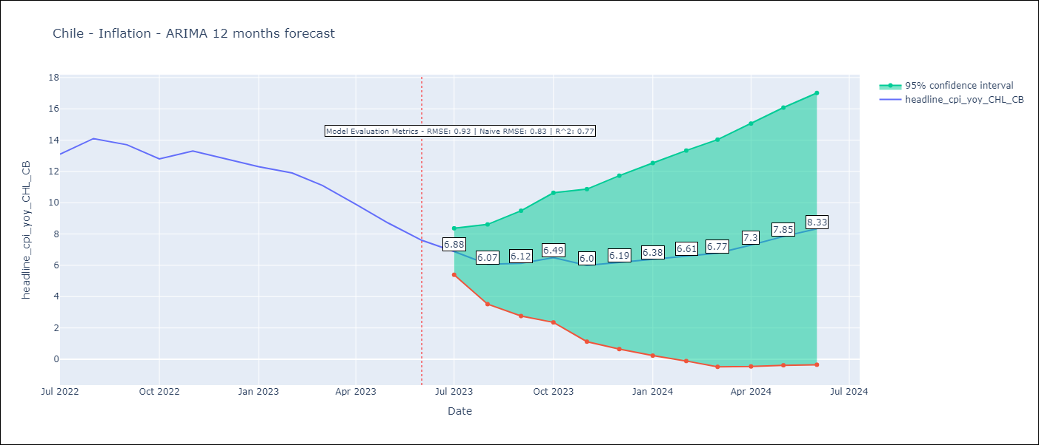

Test Metrics
RMSE | 0.93
Naive RMSE | 0.81
R^2 | 0.77

Test Predictions
Date | Predicted | Actual
2022-07-01 | 12.6 | 13.1
2022-08-01 | 12.71 | 14.1
2022-09-01 | 12.46 | 13.7
2022-10-01 | 12.18 | 12.8
2022-11-01 | 11.87 | 13.3
2022-12-01 | 11.54 | 12.8
2023-01-01 | 11.24 | 12.3
2023-02-01 | 11.26 | 11.9
2023-03-01 | 10.23 | 11.1
2023-04-01 | 9.45 | 9.9
2023-05-01 | 8.76 | 8.7
2023-06-01 | 8.08 | 7.6

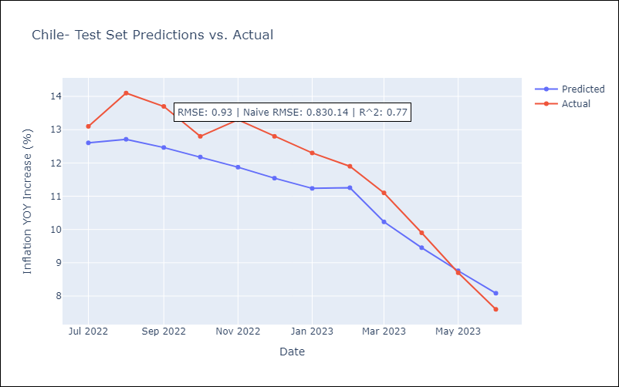

Appendix: Model Summary
Model | ARIMA(3, 1, 0)x(2, 0, 0, 12)
Sample | 01-01-1980- 06-01-2023
No. of Observations | 522
Terms | P-value (Statistical significance)
ar.L1 | 0.000
ar.L2 | 0.034
ar.L3 | 0.000
ar.S.L12 | 0.000
ar.S.L24 | 0.000
sigma2 | 0.000
Assumptions | P-value | Interpretation
Ljung-Box (L1) | 0.99 | Residuals are independent.
Heteroskedasticity | 0.00 | Residuals have different variances.
Jarque-Bera | 0.00 | Residuals are not normally distributed.
Skew | 0.63 | Positive skew - model underestimates the mean.
Kurtosis | 13.46 | Residuals contain more extreme outliers than in a normal distribution.

Chile_No Hyperinflation
Chile - Inflation - Next 12 months forecast as of: 2023-06-01

Model | ARIMA - [(3, 1, 0), (2, 0, 0, 12)]
Training Data | 1928-03-01 to 2022-07-01
Test Data | 2022-07-01 to 2023-06-01

Date | Inflation Change YoY % | Lower Bound - 95% Confidence Interval | Upper Bound - 95% Confidence Interval
2023-07-01 | 6.86 | 2.86 | 10.86
2023-08-01 | 6.08 | -0.33 | 12.5
2023-09-01 | 6.05 | -2.57 | 14.68
2023-10-01 | 6.28 | -4.44 | 17
2023-11-01 | 5.79 | -6.84 | 18.43
2023-12-01 | 5.9 | -8.5 | 20.3
2024-01-01 | 6.02 | -10.01 | 22.05
2024-02-01 | 6.2 | -11.35 | 23.74
2024-03-01 | 6.2 | -12.76 | 25.16
2024-04-01 | 6.55 | -13.74 | 26.83
2024-05-01 | 6.92 | -14.62 | 28.46
2024-06-01 | 7.24 | -15.48 | 29.97

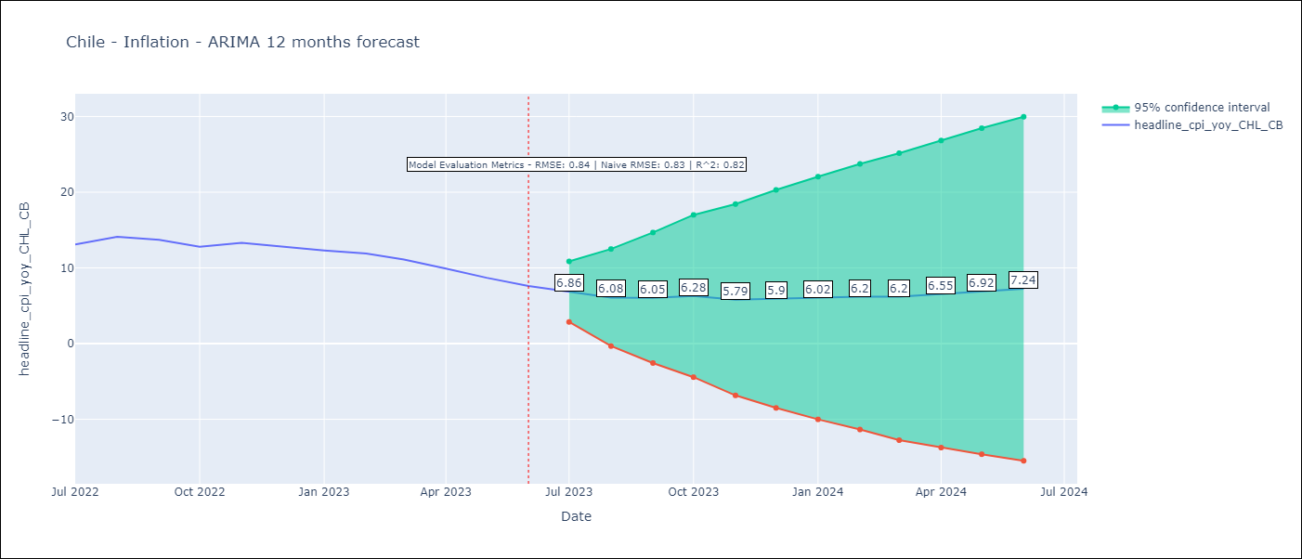

Test Metrics
RMSE | 0.84
Naive RMSE | 0.81
R^2 | 0.82

Test Predictions
Date | Predicted | Actual
2022-07-01 | 12.64 | 13.1
2022-08-01 | 12.83 | 14.1
2022-09-01 | 12.6 | 13.7
2022-10-01 | 12.39 | 12.8
2022-11-01 | 12.18 | 13.3
2022-12-01 | 11.89 | 12.8
2023-01-01 | 11.63 | 12.3
2023-02-01 | 11.68 | 11.9
2023-03-01 | 10.82 | 11.1
2023-04-01 | 10.14 | 9.9
2023-05-01 | 9.54 | 8.7
2023-06-01 | 8.97 | 7.6



Appendix: Model Summary
Model | ARIMA(3, 1, 0)x(2, 0, 0, 12)
Sample | 03-01-1928- 06-01-2023
No. of Observations | 1144
Terms | P-value (Statistical significance)
ar.L1 | 0.000
ar.L2 | 0.000
ar.L3 | 0.001
ar.S.L12 | 0.000
ar.S.L24 | 0.000
sigma2 | 0.000
Assumptions | P-value | Interpretation
Ljung-Box (L1) | 0.78 | Residuals are independent.
Heteroskedasticity | 0.00 | Residuals have different variances.
Jarque-Bera | 0.00 | Residuals are not normally distributed.
Skew | -0.02 | Negative skew - Model overestimates the mean.
Kurtosis | 12.68 | Residuals contain more extreme outliers than in a normal distribution.

