Chile
Chile - Inflation - Next 12 months forecast as of: 2023-06-01

Model | ARIMA - [(3, 1, 0), (2, 0, 0, 12)]
Training Data | 2020-01-01 to 2022-07-01
Test Data | 2022-07-01 to 2023-06-01

Date | Inflation Change YoY % | Lower Bound - 95% Confidence Interval | Upper Bound - 95% Confidence Interval
2023-07-01 | 6.45 | 5.6 | 7.31
2023-08-01 | 5.48 | 4.09 | 6.87
2023-09-01 | 5.01 | 3.1 | 6.91
2023-10-01 | 4.65 | 2.17 | 7.14
2023-11-01 | 3.7 | 0.65 | 6.75
2023-12-01 | 3.39 | -0.21 | 6.98
2024-01-01 | 3.1 | -1.04 | 7.24
2024-02-01 | 3.11 | -1.56 | 7.77
2024-03-01 | 2.09 | -3.09 | 7.27
2024-04-01 | 1.67 | -3.99 | 7.34
2024-05-01 | 1.35 | -4.79 | 7.49
2024-06-01 | 0.99 | -5.61 | 7.59

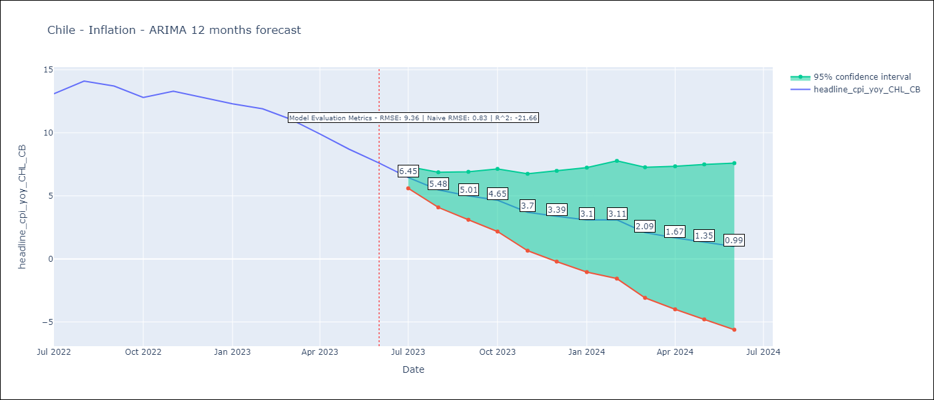

Test Metrics
RMSE | 9.36
Naive RMSE | 0.81
R^2 | -21.66

Test Predictions
Date | Predicted | Actual
2022-07-01 | 13.94 | 13.1
2022-08-01 | 14.5 | 14.1
2022-09-01 | 14.98 | 13.7
2022-10-01 | 16.31 | 12.8
2022-11-01 | 17.62 | 13.3
2022-12-01 | 18.24 | 12.8
2023-01-01 | 19.03 | 12.3
2023-02-01 | 19.42 | 11.9
2023-03-01 | 21.82 | 11.1
2023-04-01 | 23.27 | 9.9
2023-05-01 | 24.63 | 8.7
2023-06-01 | 26.04 | 7.6

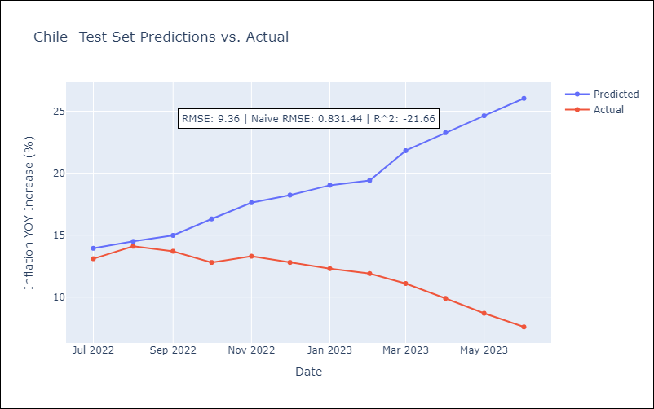

Appendix: Model Summary
Model | ARIMA(3, 1, 0)x(2, 0, 0, 12)
Sample | 01-01-2020- 06-01-2023
No. of Observations | 42
Terms | P-value (Statistical significance)
ar.L1 | 0.696
ar.L2 | 0.776
ar.L3 | 0.475
ar.S.L12 | 0.470
ar.S.L24 | 0.555
sigma2 | 0.279
Assumptions | P-value | Interpretation
Ljung-Box (L1) | 0.58 | Residuals are independent.
Heteroskedasticity | 0.61 | Residuals have the same variance.
Jarque-Bera | 0.50 | Residuals are normally distributed.
Skew | -0.75 | Negative skew - Model overestimates the mean.
Kurtosis | 3.36 | Residuals contain more extreme outliers than in a normal distribution.

