Chile80 (2)
Chile80 - Inflation - Next 12 months forecast as of: 2023-06-01

Model | ARIMA - [(3, 1, 0), (2, 0, 0, 12)]
Training Data | 1980-01-01 to 2022-07-01
Test Data | 2022-07-01 to 2023-06-01

Date | Inflation Change YoY % | Lower Bound - 95% Confidence Interval | Upper Bound - 95% Confidence Interval
2023-07-01 | 6.88 | 5.4 | 8.37
2023-08-01 | 6.07 | 3.52 | 8.61
2023-09-01 | 6.12 | 2.76 | 9.49
2023-10-01 | 6.49 | 2.35 | 10.63
2023-11-01 | 6 | 1.12 | 10.87
2023-12-01 | 6.19 | 0.65 | 11.73
2024-01-01 | 6.38 | 0.23 | 12.54
2024-02-01 | 6.61 | -0.11 | 13.33
2024-03-01 | 6.77 | -0.49 | 14.03
2024-04-01 | 7.3 | -0.46 | 15.06
2024-05-01 | 7.85 | -0.39 | 16.08
2024-06-01 | 8.33 | -0.35 | 17.01

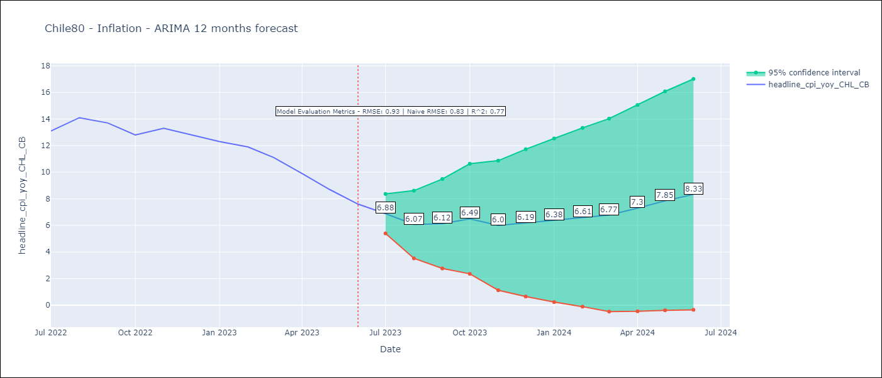

Test Metrics
RMSE | 0.93
Naive RMSE | 0.81
R^2 | 0.77

Test Predictions
Date | Predicted | Actual
2022-07-01 | 12.6 | 13.1
2022-08-01 | 12.71 | 14.1
2022-09-01 | 12.46 | 13.7
2022-10-01 | 12.18 | 12.8
2022-11-01 | 11.87 | 13.3
2022-12-01 | 11.54 | 12.8
2023-01-01 | 11.24 | 12.3
2023-02-01 | 11.26 | 11.9
2023-03-01 | 10.23 | 11.1
2023-04-01 | 9.45 | 9.9
2023-05-01 | 8.76 | 8.7
2023-06-01 | 8.08 | 7.6

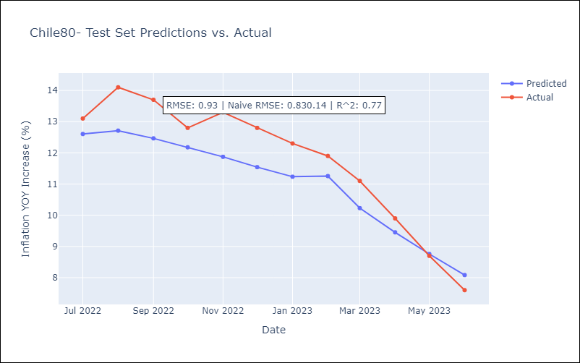

Appendix: Model Summary
Model | ARIMA(3, 1, 0)x(2, 0, 0, 12)
Sample | 01-01-1980- 06-01-2023
No. of Observations | 522
Terms | P-value (Statistical significance)
ar.L1 | 0.000
ar.L2 | 0.034
ar.L3 | 0.000
ar.S.L12 | 0.000
ar.S.L24 | 0.000
sigma2 | 0.000
Assumptions | P-value | Interpretation
Ljung-Box (L1) | 0.99 | Residuals are independent.
Heteroskedasticity | 0.00 | Residuals have different variances.
Jarque-Bera | 0.00 | Residuals are not normally distributed.
Skew | 0.63 | Positive skew - model underestimates the mean.
Kurtosis | 13.46 | Residuals contain more extreme outliers than in a normal distribution.

