ARG
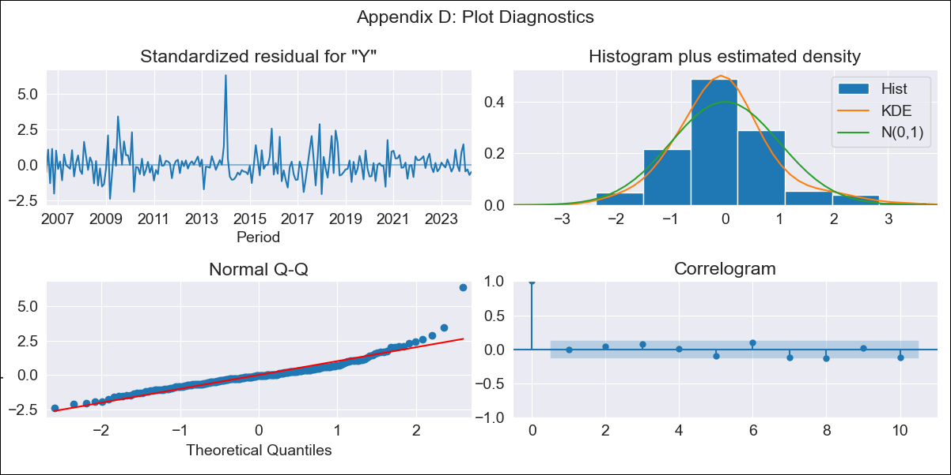
ARG - Inflation - Next 12 months forecast as of: 2024-04-01

Model | ARIMA - [(0, 2, 3), (0, 0, 1, 12)]
Training Data | 2005-01-01 to 2023-05-01
Test Data | 2023-05-01 to 2024-04-01

Date | Inflation Change YoY % | Lower Bound - 95% Confidence Interval | Upper Bound - 95% Confidence Interval
2024-05-01 | 307.15 | 247.19 | 390.45
2024-06-01 | 339.56 | 219.06 | 584.36
2024-07-01 | 380.83 | 198.56 | 950.65
2024-08-01 | 405.13 | 174.03 | 1573.72
2024-09-01 | 435.53 | 153.93 | 3115.95
2024-10-01 | 487.08 | 139.23 | 9868.54
2024-11-01 | 522.74 | 122.61 | 81736.48
2024-12-01 | 522.88 | 104.26
2025-01-01 | 551.97 | 91.34
2025-02-01 | 607.01 | 81.52
2025-03-01 | 694.64 | 73.76
2025-04-01 | 810.89 | 66.96

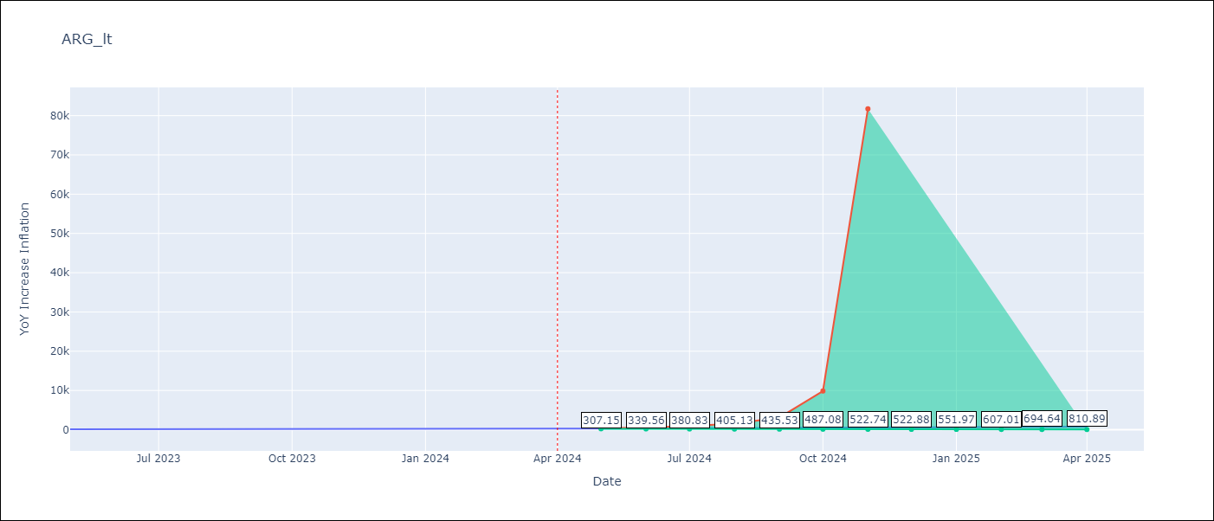

Test Metrics
RMSE | 55.57
Naive RMSE | 21.55
MAPE | 15.08%

Test Predictions
Date | Predicted | Actual
2023-05-01 | 116.04 | 116.26
2023-06-01 | 120.92 | 116.97
2023-07-01 | 123.49 | 114.59
2023-08-01 | 127.63 | 125.24
2023-09-01 | 134.7 | 138.29
2023-10-01 | 141.41 | 142.9
2023-11-01 | 149.88 | 161.19
2023-12-01 | 159.94 | 210.14
2024-01-01 | 169.21 | 249.92
2024-02-01 | 178.98 | 277.09
2024-03-01 | 190.77 | 289.9
2024-04-01 | 200.94 | 292.21

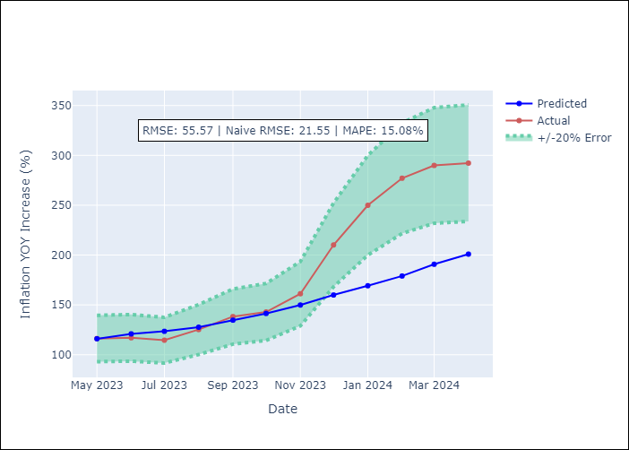

Appendix A: Model Summary
Model | ARIMA(0, 2, 3)x(0, 0, [1], 12)
Sample | 01-01-2005- 04-01-2024
No. of Observations | 232
Terms | P-value (Statistical significance)
ma.L1 | 0.000
ma.L2 | 0.000
ma.L3 | 0.246
ma.S.L12 | 0.000
sigma2 | 0.000
Assumptions | P-value

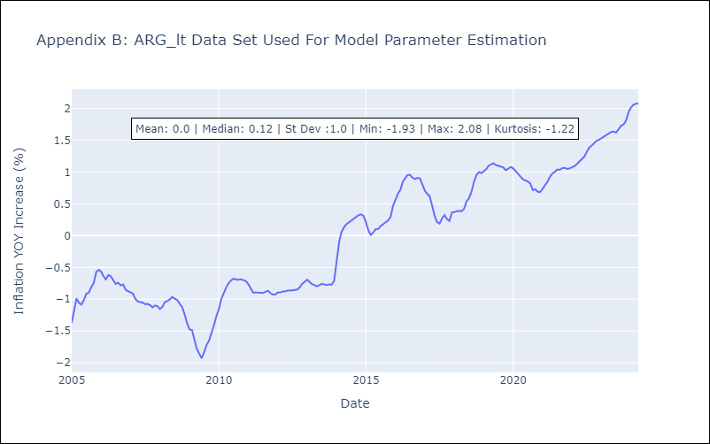

Appendix C: Residuals Analysis
Mean | -0.0

Normal? | No

BOL
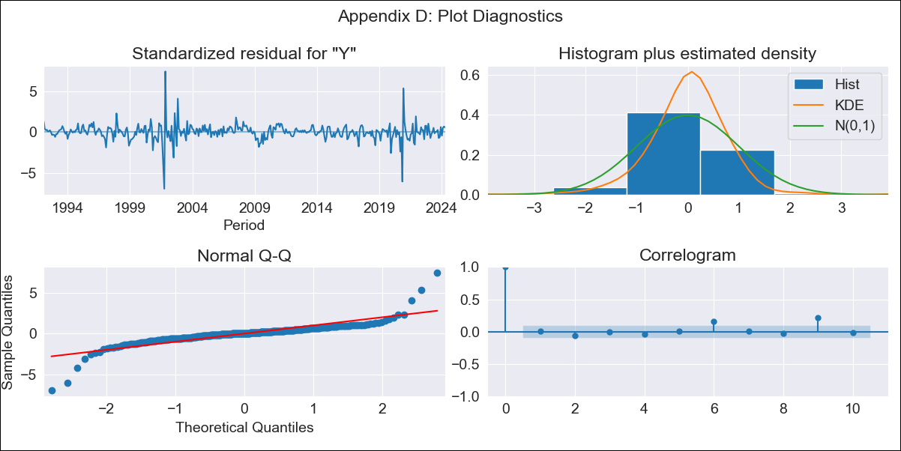
BOL - Inflation - Next 12 months forecast as of: 2024-04-01

Model | ARIMA - [(1, 0, 1), (2, 0, 0, 12)]
Training Data | 1990-01-01 to 2023-05-01
Test Data | 2023-05-01 to 2024-04-01

Date | Inflation Change YoY % | Lower Bound - 95% Confidence Interval | Upper Bound - 95% Confidence Interval
2024-05-01 | 3.18 | 1.73 | 5.18
2024-06-01 | 3.19 | 1.36 | 5.99
2024-07-01 | 3.17 | 1.09 | 6.61
2024-08-01 | 3.17 | 0.89 | 7.18
2024-09-01 | 3.19 | 0.75 | 7.75
2024-10-01 | 3.37 | 0.71 | 8.56
2024-11-01 | 3.62 | 0.71 | 9.48
2024-12-01 | 3.36 | 0.5 | 9.4
2025-01-01 | 3.52 | 0.48 | 10.11
2025-02-01 | 3.32 | 0.33 | 10.08
2025-03-01 | 3.12 | 0.19 | 9.98
2025-04-01 | 2.96 | 0.08 | 9.94

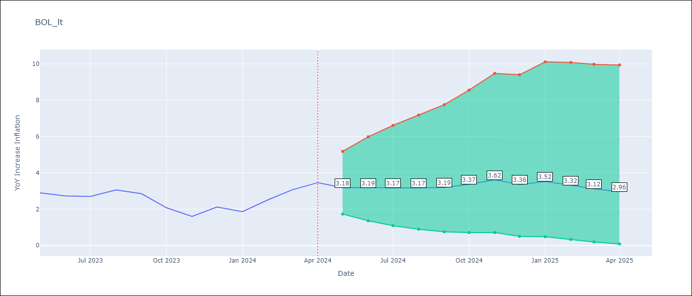

Test Metrics
RMSE | 0.45
Naive RMSE | 0.44
MAPE | 13.55%

Test Predictions
Date | Predicted | Actual
2023-05-01 | 2.48 | 2.9
2023-06-01 | 2.49 | 2.73
2023-07-01 | 2.43 | 2.7
2023-08-01 | 2.74 | 3.06
2023-09-01 | 2.35 | 2.85
2023-10-01 | 2.17 | 2.08
2023-11-01 | 1.99 | 1.59
2023-12-01 | 2.07 | 2.12
2024-01-01 | 2.15 | 1.86
2024-02-01 | 2.42 | 2.52
2024-03-01 | 2.45 | 3.06
2024-04-01 | 2.41 | 3.46

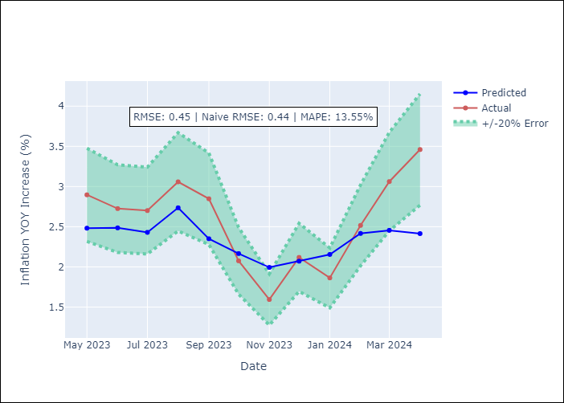

Appendix A: Model Summary
Model | ARIMA(1, 0, 1)x(2, 0, [], 12)
Sample | 01-01-1990- 04-01-2024
No. of Observations | 412
Terms | P-value (Statistical significance)
const | 0.588
ar.L1 | 0.000
ma.L1 | 0.001
ar.S.L12 | 0.000
ar.S.L24 | 0.009
sigma2 | 0.000
Assumptions | P-value

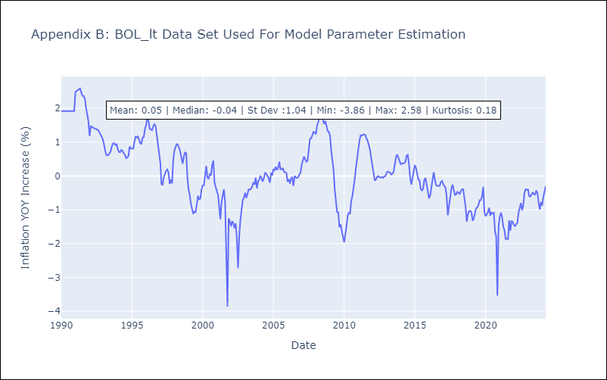

Appendix C: Residuals Analysis
Mean | 0.01

Normal? | No

BRA
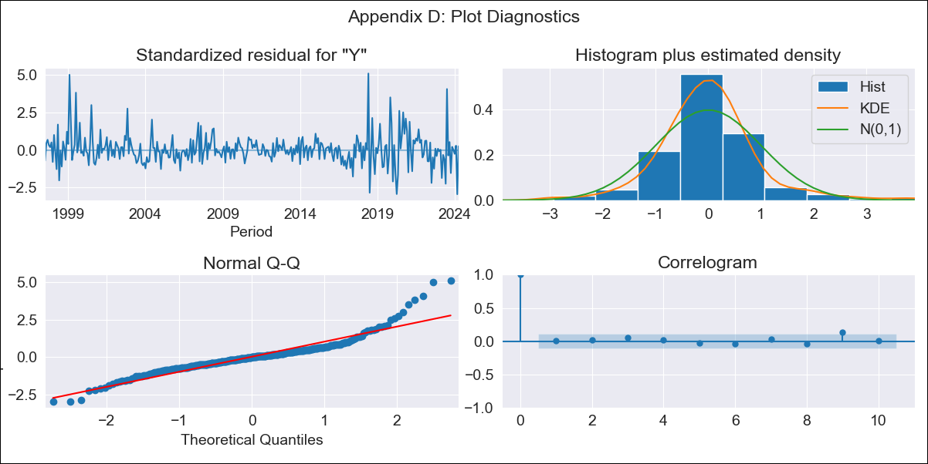
BRA - Inflation - Next 12 months forecast as of: 2024-04-01

Model | ARIMA - [(0, 2, 3), (0, 0, 1, 12)]
Training Data | 1996-01-01 to 2023-05-01
Test Data | 2023-05-01 to 2024-04-01

Date | Inflation Change YoY % | Lower Bound - 95% Confidence Interval | Upper Bound - 95% Confidence Interval
2024-05-01 | 3.72 | 3.23 | 4.27
2024-06-01 | 4.06 | 3.12 | 5.27
2024-07-01 | 3.57 | 2.47 | 5.14
2024-08-01 | 3.28 | 2.07 | 5.17
2024-09-01 | 3.09 | 1.78 | 5.28
2024-10-01 | 3.17 | 1.68 | 5.87
2024-11-01 | 3.16 | 1.54 | 6.33
2024-12-01 | 3.1 | 1.38 | 6.7
2025-01-01 | 3.06 | 1.25 | 7.14
2025-02-01 | 2.97 | 1.1 | 7.49
2025-03-01 | 3.26 | 1.12 | 8.93
2025-04-01 | 3.39 | 1.07 | 10.08

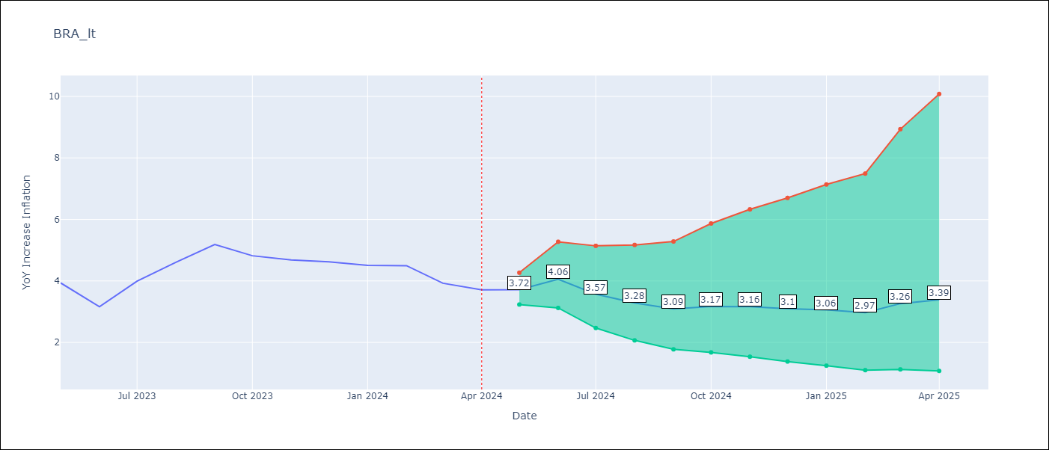

Test Metrics
RMSE | 0.59
Naive RMSE | 0.47
MAPE | 10.43%

Test Predictions
Date | Predicted | Actual
2023-05-01 | 4.11 | 3.94
2023-06-01 | 3.99 | 3.16
2023-07-01 | 4.2 | 3.99
2023-08-01 | 4.37 | 4.61
2023-09-01 | 4.61 | 5.19
2023-10-01 | 4.66 | 4.82
2023-11-01 | 4.71 | 4.68
2023-12-01 | 4.68 | 4.62
2024-01-01 | 4.64 | 4.51
2024-02-01 | 4.59 | 4.5
2024-03-01 | 4.9 | 3.93
2024-04-01 | 5.12 | 3.71

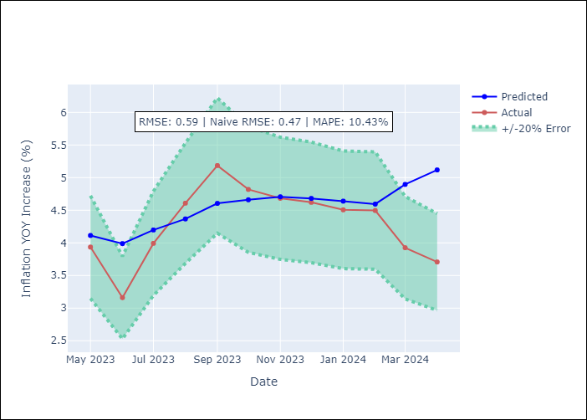

Appendix A: Model Summary
Model | ARIMA(0, 2, 3)x(0, 0, [1], 12)
Sample | 01-01-1996- 04-01-2024
No. of Observations | 340
Terms | P-value (Statistical significance)
ma.L1 | 0.000
ma.L2 | 0.000
ma.L3 | 0.009
ma.S.L12 | 0.000
sigma2 | 0.000
Assumptions | P-value

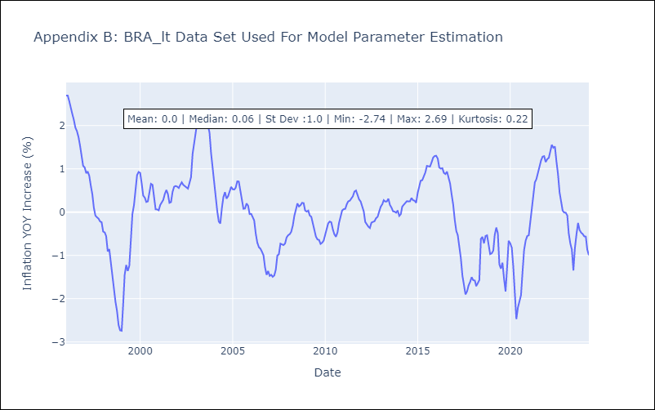

Appendix C: Residuals Analysis
Mean | 0.01

Normal? | No

CHL
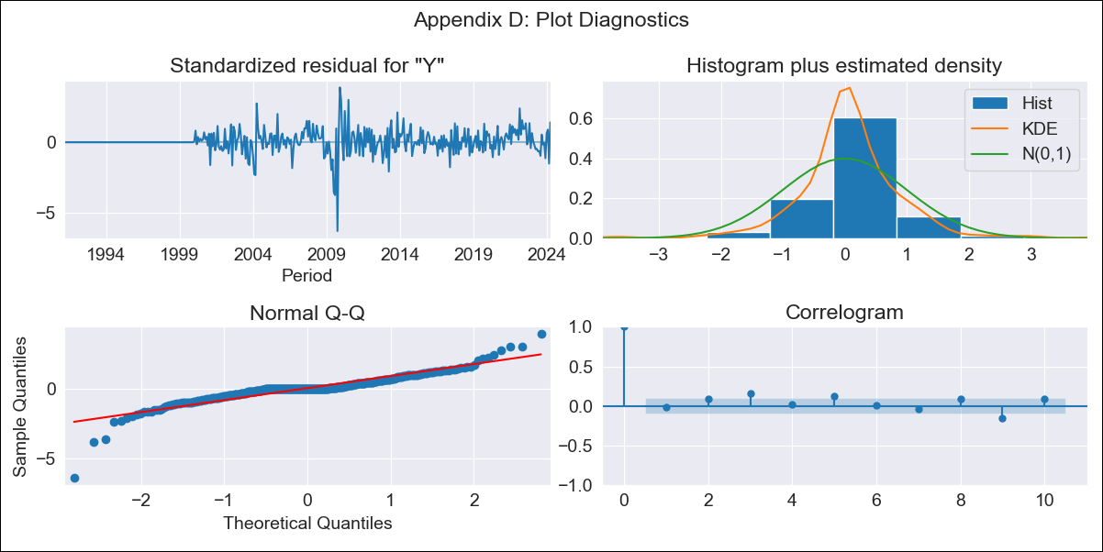
CHL - Inflation - Next 12 months forecast as of: 2024-04-01

Model | ARIMA - [(1, 0, 1), (0, 0, 1, 12)]
Training Data | 1990-01-01 to 2023-05-01
Test Data | 2023-05-01 to 2024-04-01

Date | Inflation Change YoY % | Lower Bound - 95% Confidence Interval | Upper Bound - 95% Confidence Interval
2024-05-01 | 4.36 | 3.23 | 5.62
2024-06-01 | 4.21 | 2.29 | 6.56
2024-07-01 | 4.07 | 1.75 | 7.08
2024-08-01 | 3.94 | 1.36 | 7.41
2024-09-01 | 3.84 | 1.08 | 7.69
2024-10-01 | 3.75 | 0.86 | 7.9
2024-11-01 | 3.67 | 0.68 | 8.06
2024-12-01 | 3.56 | 0.53 | 8.14
2025-01-01 | 3.49 | 0.41 | 8.23
2025-02-01 | 3.46 | 0.32 | 8.34
2025-03-01 | 3.37 | 0.22 | 8.36
2025-04-01 | 3.33 | 0.16 | 8.41

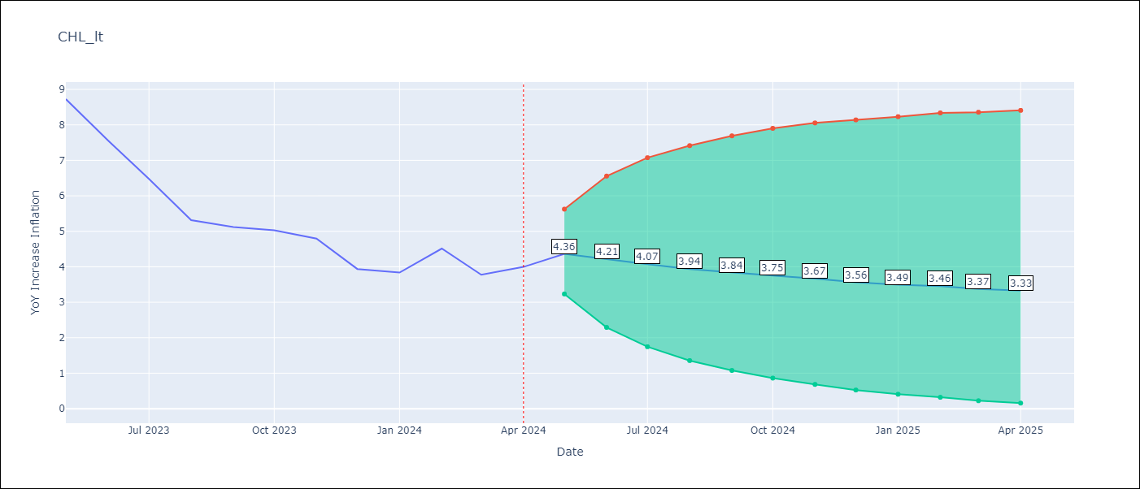

Test Metrics
RMSE | 1.43
Naive RMSE | 0.77
MAPE | 29.35%

Test Predictions
Date | Predicted | Actual
2023-05-01 | 8.87 | 8.73
2023-06-01 | 8.2 | 7.56
2023-07-01 | 7.56 | 6.48
2023-08-01 | 6.94 | 5.32
2023-09-01 | 6.64 | 5.12
2023-10-01 | 6.55 | 5.03
2023-11-01 | 6.07 | 4.8
2023-12-01 | 5.91 | 3.94
2024-01-01 | 5.73 | 3.84
2024-02-01 | 5.66 | 4.51
2024-03-01 | 5.49 | 3.78
2024-04-01 | 5.51 | 4

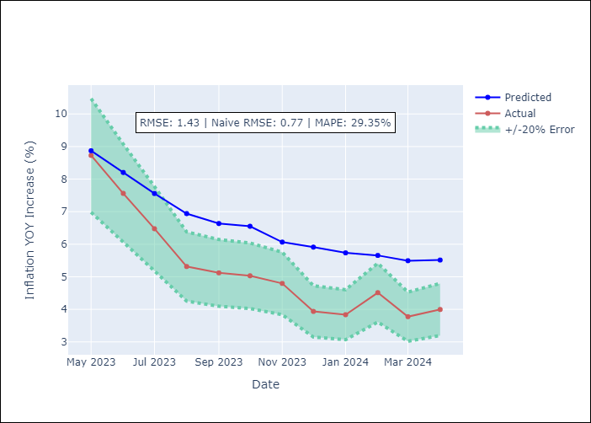

Appendix A: Model Summary
Model | ARIMA(1, 0, 1)x(0, 0, 1, 12)
Sample | 01-01-1990- 04-01-2024
No. of Observations | 412
Terms | P-value (Statistical significance)
const | 0.250
ar.L1 | 0.000
ma.L1 | 0.000
ma.S.L12 | 0.537
sigma2 | 0.760
Assumptions | P-value

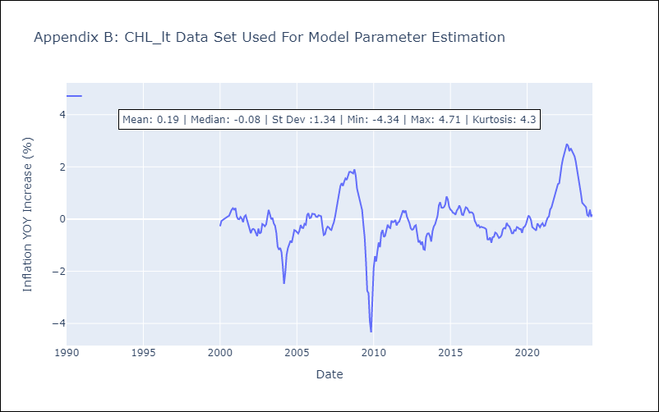

Appendix C: Residuals Analysis
Mean | 0.05

Normal? | Yes

COL
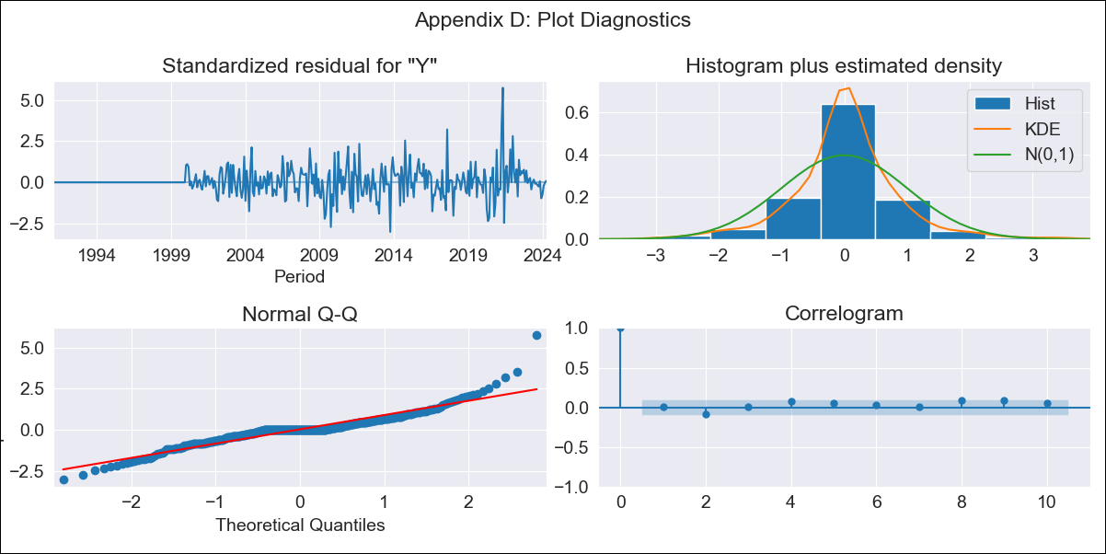
COL - Inflation - Next 12 months forecast as of: 2024-04-01

Model | ARIMA - [(2, 0, 0), (0, 0, 1, 12)]
Training Data | 1990-01-01 to 2023-05-01
Test Data | 2023-05-01 to 2024-04-01

Date | Inflation Change YoY % | Lower Bound - 95% Confidence Interval | Upper Bound - 95% Confidence Interval
2024-05-01 | 7.01 | 6.18 | 7.96
2024-06-01 | 6.89 | 5.48 | 8.65
2024-07-01 | 6.77 | 4.93 | 9.31
2024-08-01 | 6.67 | 4.49 | 9.91
2024-09-01 | 6.57 | 4.13 | 10.44
2024-10-01 | 6.48 | 3.84 | 10.9
2024-11-01 | 6.39 | 3.59 | 11.32
2024-12-01 | 6.3 | 3.38 | 11.68
2025-01-01 | 6.21 | 3.19 | 11.99
2025-02-01 | 6.13 | 3.03 | 12.28
2025-03-01 | 6.05 | 2.89 | 12.54
2025-04-01 | 5.98 | 2.76 | 12.77

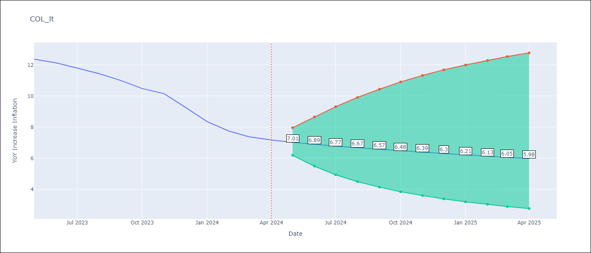

Test Metrics
RMSE | 0.63
Naive RMSE | 0.52
MAPE | 6.27%

Test Predictions
Date | Predicted | Actual
2023-05-01 | 12.2 | 12.37
2023-06-01 | 11.66 | 12.13
2023-07-01 | 11.13 | 11.79
2023-08-01 | 10.64 | 11.43
2023-09-01 | 10.19 | 10.99
2023-10-01 | 9.78 | 10.48
2023-11-01 | 9.4 | 10.15
2023-12-01 | 9.05 | 9.28
2024-01-01 | 8.72 | 8.35
2024-02-01 | 8.42 | 7.74
2024-03-01 | 8.14 | 7.37
2024-04-01 | 7.88 | 7.17

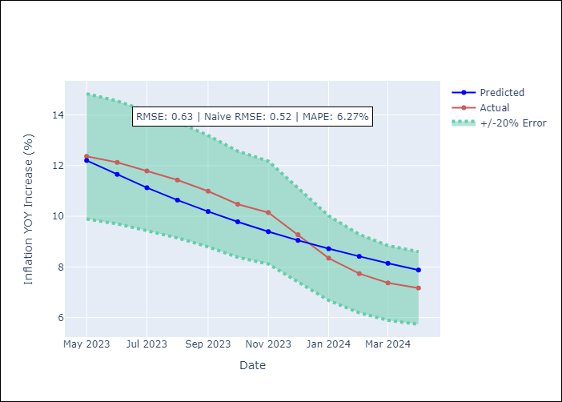

Appendix A: Model Summary
Model | ARIMA(2, 0, 0)x(0, 0, [1], 12)
Sample | 01-01-1990- 04-01-2024
No. of Observations | 412
Terms | P-value (Statistical significance)
const | 0.394
ar.L1 | 0.000
ar.L2 | 0.000
ma.S.L12 | 0.000
sigma2 | 0.000
Assumptions | P-value

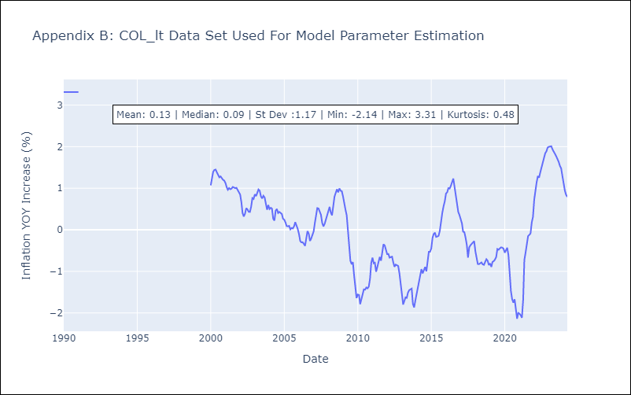

Appendix C: Residuals Analysis
Mean | 0.02

Normal? | Yes

ECU
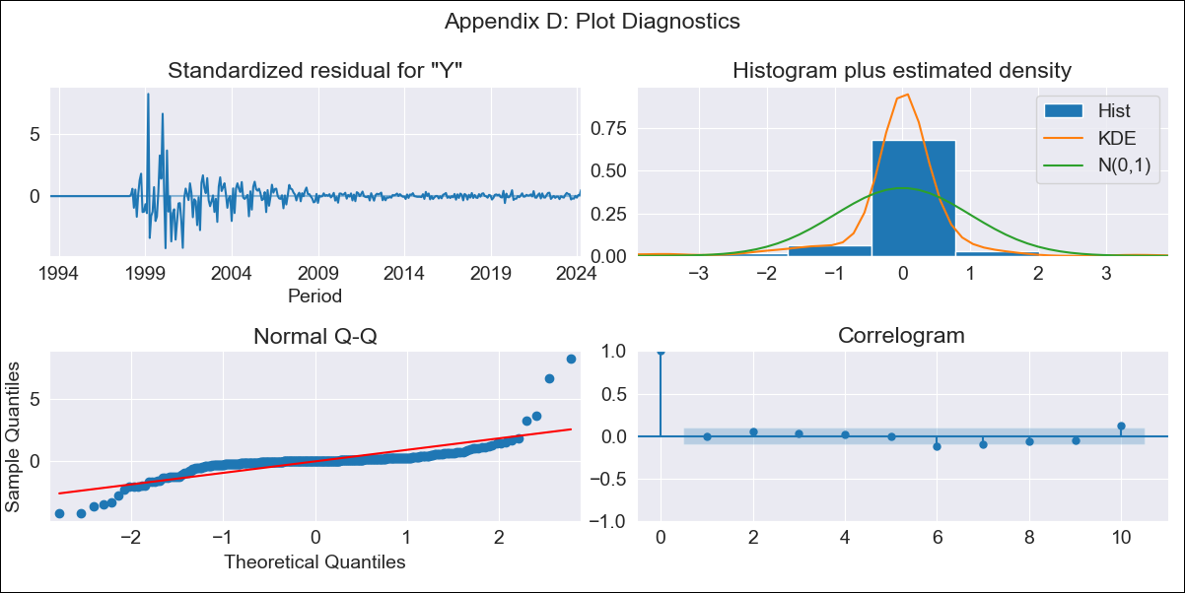
ECU - Inflation - Next 12 months forecast as of: 2024-04-01

Model | ARIMA - [(1, 2, 2), (0, 0, 3, 12)]
Training Data | 1990-01-01 to 2023-05-01
Test Data | 2023-05-01 to 2024-04-01

Date | Inflation Change YoY % | Lower Bound - 95% Confidence Interval | Upper Bound - 95% Confidence Interval
2024-05-01 | 3.19 | -0.12 | 6.51
2024-06-01 | 3.07 | -3.09 | 9.22
2024-07-01 | 2.89 | -5.83 | 11.6
2024-08-01 | 2.68 | -8.6 | 13.96
2024-09-01 | 3.01 | -10.9 | 16.93
2024-10-01 | 3.49 | -13.16 | 20.13
2024-11-01 | 4.05 | -15.43 | 23.54
2024-12-01 | 4.38 | -18.05 | 26.81
2025-01-01 | 4.82 | -20.67 | 30.3
2025-02-01 | 5.06 | -23.59 | 33.7
2025-03-01 | 5.17 | -26.74 | 37.09
2025-04-01 | 4.66 | -30.63 | 39.95

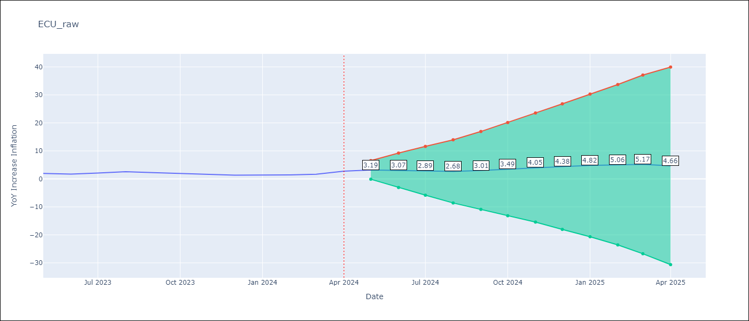

Test Metrics
RMSE | 0.78
Naive RMSE | 0.44
MAPE | 31.41%

Test Predictions
Date | Predicted | Actual
2023-05-01 | 2.02 | 1.97
2023-06-01 | 1.41 | 1.69
2023-07-01 | 1.42 | 2.07
2023-08-01 | 1.34 | 2.56
2023-09-01 | 1.05 | 2.23
2023-10-01 | 0.96 | 1.93
2023-11-01 | 1.07 | 1.53
2023-12-01 | 0.94 | 1.35
2024-01-01 | 1.16 | 1.35
2024-02-01 | 1.2 | 1.43
2024-03-01 | 1.16 | 1.65
2024-04-01 | 1.26 | 2.75

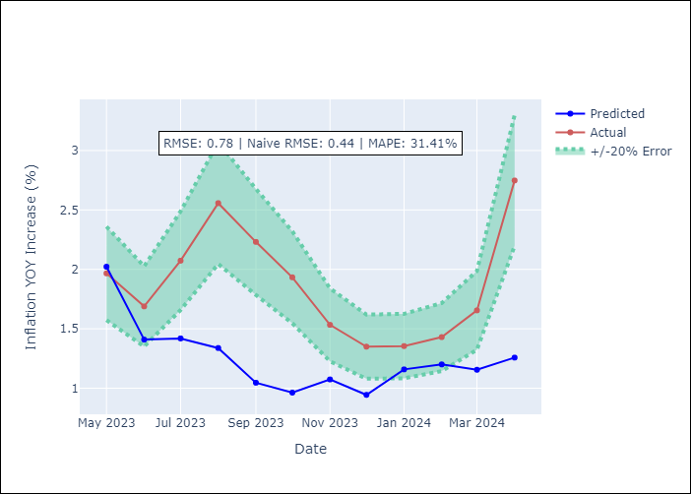

Appendix A: Model Summary
Model | ARIMA(1, 2, 2)x(0, 0, [1, 2, 3], 12)
Sample | 01-01-1990- 04-01-2024
No. of Observations | 412
Terms | P-value (Statistical significance)
ar.L1 | 0.978
ma.L1 | 0.000
ma.L2 | 0.000
ma.S.L12 | 0.000
ma.S.L24 | 0.326
ma.S.L36 | 0.542
sigma2 | 0.001
Assumptions | P-value

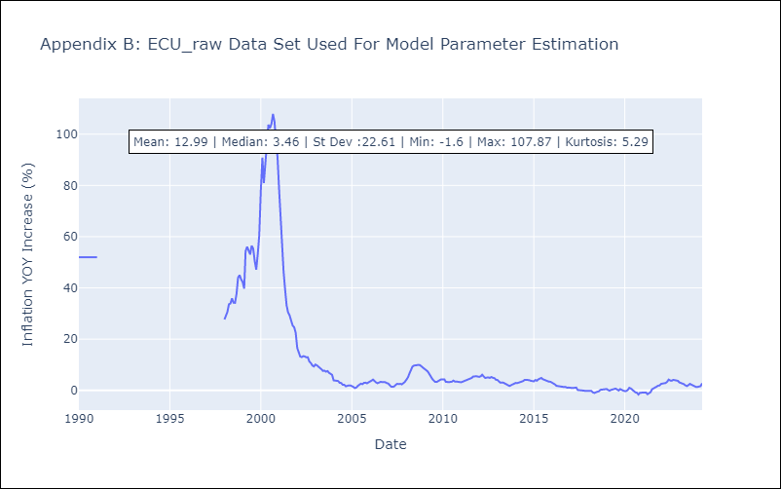

Appendix C: Residuals Analysis
Mean | -0.07

Normal? | Yes

PER
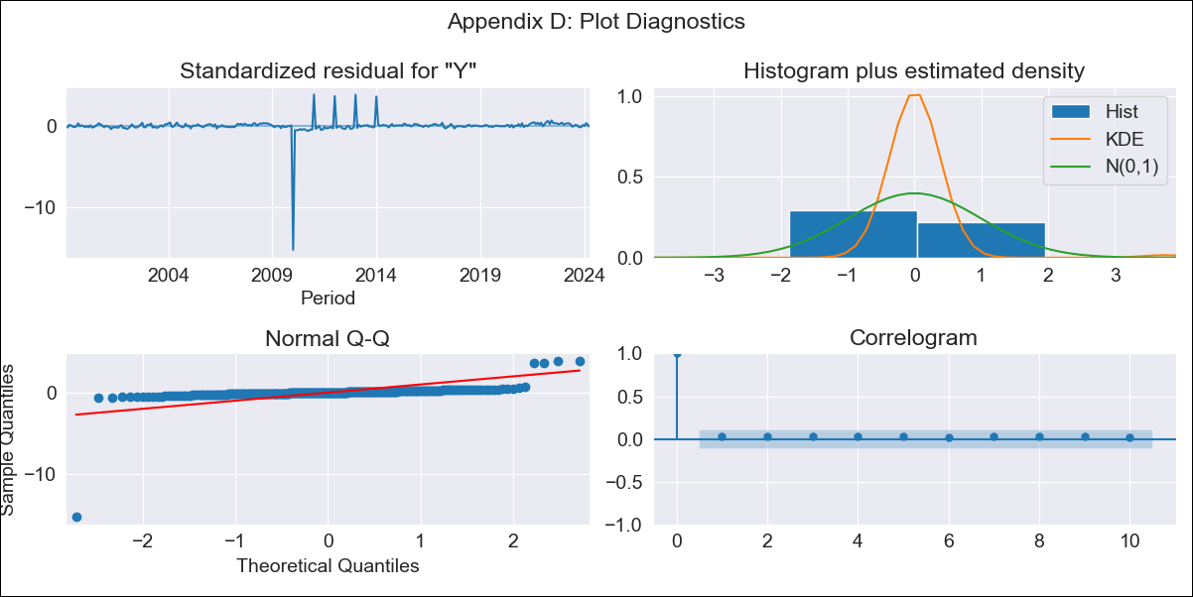
PER - Inflation - Next 12 months forecast as of: 2024-04-01

Model | ARIMA - [(1, 0, 0), (3, 0, 0, 12)]
Training Data | 1996-01-01 to 2023-05-01
Test Data | 2023-05-01 to 2024-04-01

Date | Inflation Change YoY % | Lower Bound - 95% Confidence Interval | Upper Bound - 95% Confidence Interval
2024-05-01 | 2.14 | -1.77 | 6.06
2024-06-01 | 2.42 | -3.03 | 7.88
2024-07-01 | 2.52 | -4.06 | 9.1
2024-08-01 | 2.42 | -5.07 | 9.91
2024-09-01 | 2.46 | -5.8 | 10.71
2024-10-01 | 2.75 | -6.17 | 11.66
2024-11-01 | 3.01 | -6.48 | 12.51
2024-12-01 | 2.92 | -7.09 | 12.92
2025-01-01 | 2.95 | -7.52 | 13.42
2025-02-01 | 2.46 | -8.42 | 13.34
2025-03-01 | 2.42 | -8.84 | 13.68
2025-04-01 | 2.65 | -8.96 | 14.25

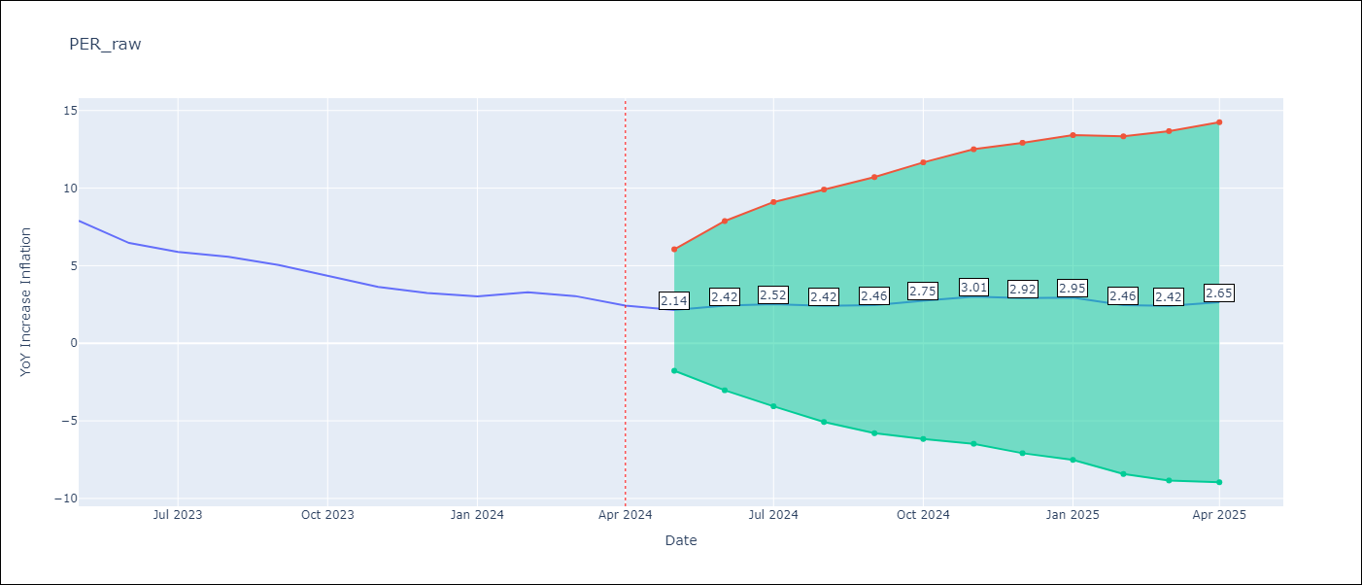

Test Metrics
RMSE | 0.52
Naive RMSE | 0.61
MAPE | 11.62%

Test Predictions
Date | Predicted | Actual
2023-05-01 | 7.48 | 7.89
2023-06-01 | 6.26 | 6.46
2023-07-01 | 5.66 | 5.88
2023-08-01 | 5.09 | 5.58
2023-09-01 | 4.52 | 5.04
2023-10-01 | 4.15 | 4.34
2023-11-01 | 3.72 | 3.64
2023-12-01 | 3.1 | 3.24
2024-01-01 | 2.88 | 3.02
2024-02-01 | 2.47 | 3.29
2024-03-01 | 2.03 | 3.05
2024-04-01 | 1.6 | 2.42

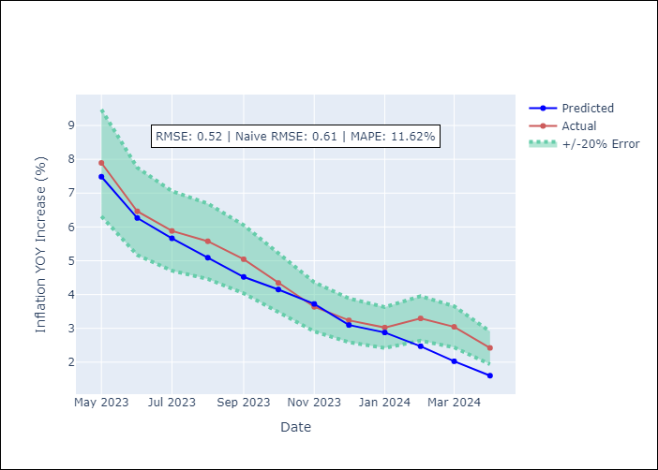

Appendix A: Model Summary
Model | ARIMA(1, 0, 0)x(3, 0, 0, 12)
Sample | 01-01-1996- 04-01-2024
No. of Observations | 340
Terms | P-value (Statistical significance)
const | 0.785
ar.L1 | 0.000
ar.S.L12 | 0.000
ar.S.L24 | 0.000
ar.S.L36 | 0.000
sigma2 | 0.000
Assumptions | P-value

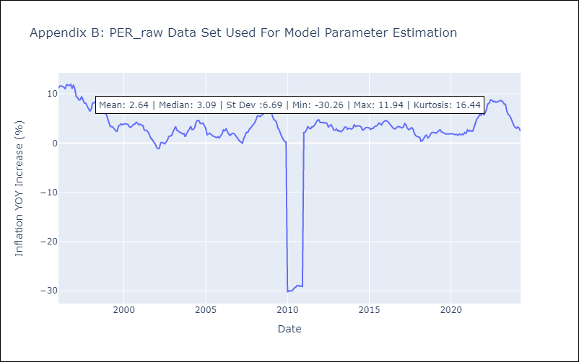

Appendix C: Residuals Analysis
Mean | 0.08

Normal? | No

PRY
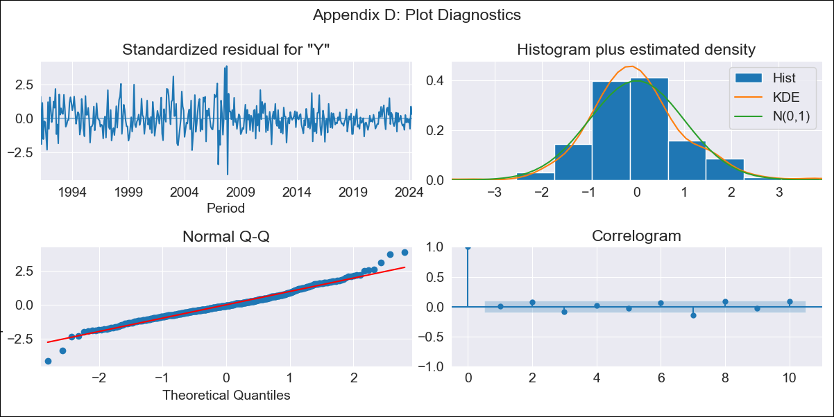
PRY - Inflation - Next 12 months forecast as of: 2024-04-01

Model | ARIMA - [(3, 0, 1), (0, 0, 1, 12)]
Training Data | 1990-01-01 to 2023-05-01
Test Data | 2023-05-01 to 2024-04-01

Date | Inflation Change YoY % | Lower Bound - 95% Confidence Interval | Upper Bound - 95% Confidence Interval
2024-05-01 | 4.18 | 2.51 | 5.85
2024-06-01 | 4.7 | 2.09 | 7.3
2024-07-01 | 5.17 | 1.85 | 8.49
2024-08-01 | 5.96 | 2.05 | 9.87
2024-09-01 | 5.93 | 1.51 | 10.34
2024-10-01 | 6.17 | 1.31 | 11.03
2024-11-01 | 6.24 | 0.98 | 11.5
2024-12-01 | 6.49 | 0.87 | 12.11
2025-01-01 | 6.6 | 0.64 | 12.56
2025-02-01 | 7.24 | 0.97 | 13.51
2025-03-01 | 6.65 | 0.09 | 13.2
2025-04-01 | 6.26 | -0.56 | 13.09

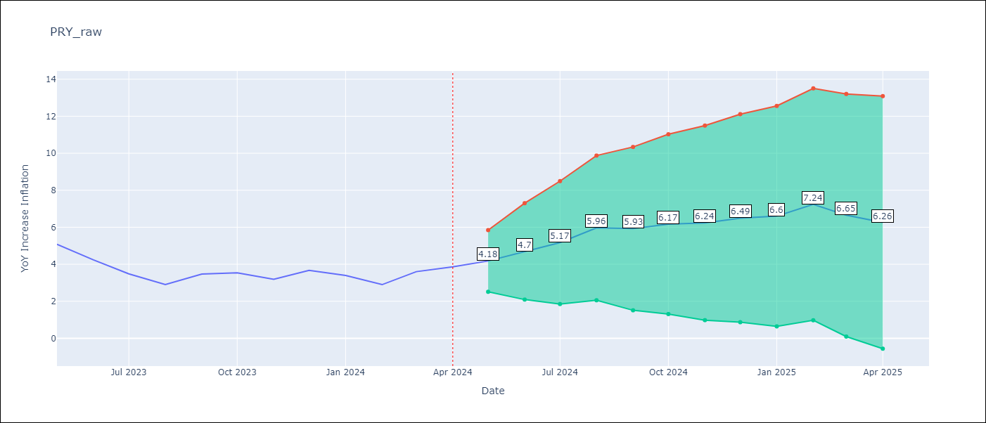

Test Metrics
RMSE | 1.16
Naive RMSE | 0.52
MAPE | 32.0%

Test Predictions
Date | Predicted | Actual
2023-05-01 | 5.27 | 5.08
2023-06-01 | 4.78 | 4.24
2023-07-01 | 4.38 | 3.48
2023-08-01 | 4.44 | 2.9
2023-09-01 | 4.76 | 3.47
2023-10-01 | 4.82 | 3.53
2023-11-01 | 4.38 | 3.19
2023-12-01 | 4.97 | 3.67
2024-01-01 | 4.67 | 3.39
2024-02-01 | 4.68 | 2.9
2024-03-01 | 4.68 | 3.6
2024-04-01 | 4.36 | 3.86

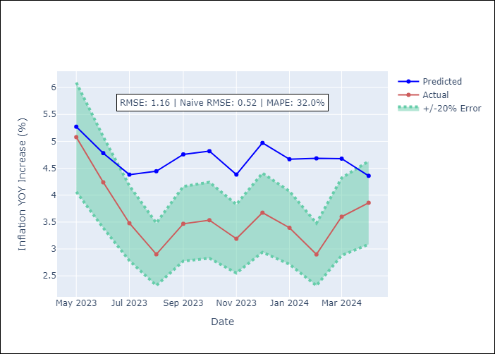

Appendix A: Model Summary
Model | ARIMA(3, 0, 1)x(0, 0, 1, 12)
Sample | 01-01-1990- 04-01-2024
No. of Observations | 412
Terms | P-value (Statistical significance)
const | 0.000
ar.L1 | 0.000
ar.L2 | 0.000
ar.L3 | 0.000
ma.L1 | 0.000
ma.S.L12 | 0.000
sigma2 | 0.000
Assumptions | P-value

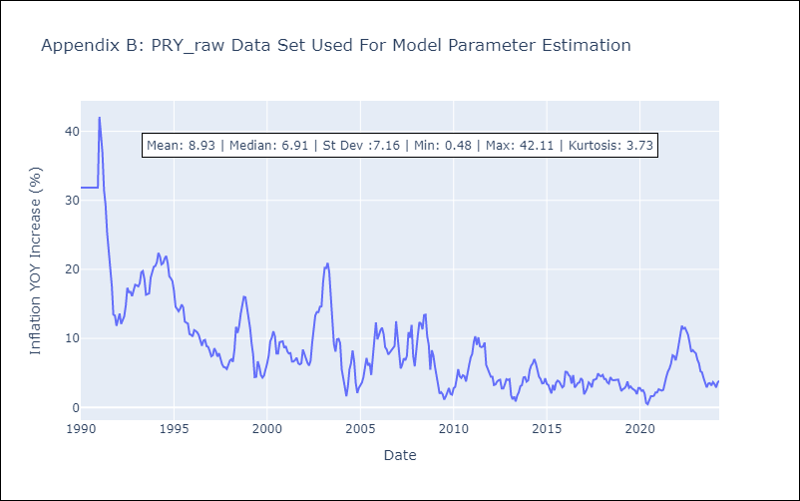

Appendix C: Residuals Analysis
Mean | 0.0

Normal? | No

URY
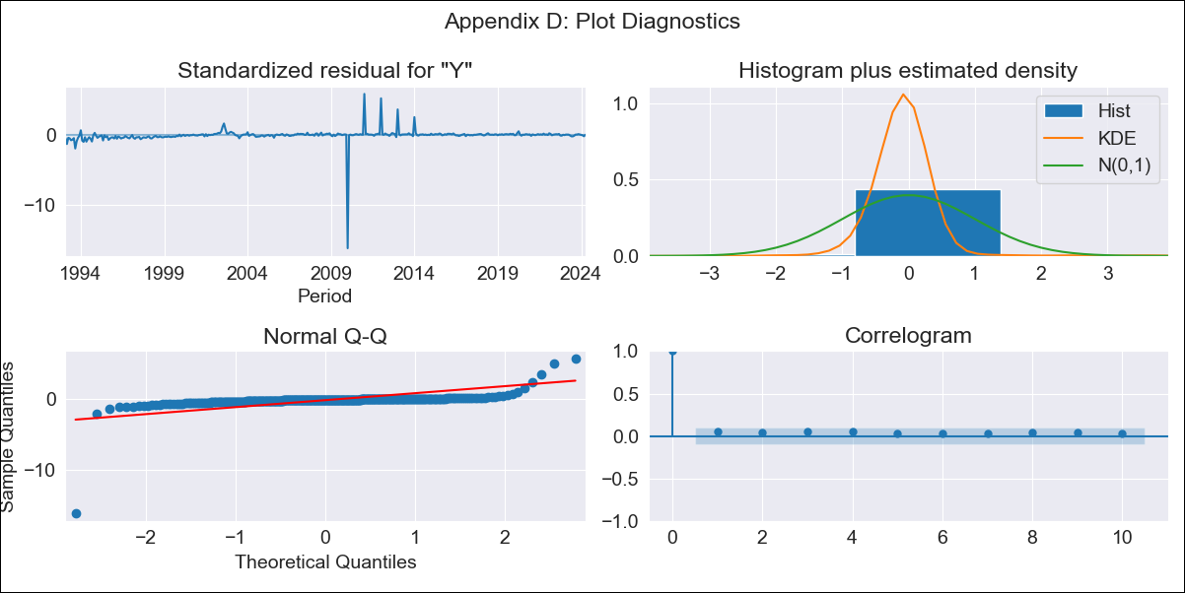
URY - Inflation - Next 12 months forecast as of: 2024-04-01

Model | ARIMA - [(0, 1, 0), (3, 0, 0, 12)]
Training Data | 1990-01-01 to 2023-05-01
Test Data | 2023-05-01 to 2024-04-01

Date | Inflation Change YoY % | Lower Bound - 95% Confidence Interval | Upper Bound - 95% Confidence Interval
2024-05-01 | 4.03 | -3.91 | 11.96
2024-06-01 | 4.69 | -6.53 | 15.92
2024-07-01 | 5.39 | -8.36 | 19.13
2024-08-01 | 5.8 | -10.07 | 21.68
2024-09-01 | 5.84 | -11.91 | 23.59
2024-10-01 | 5.8 | -13.64 | 25.24
2024-11-01 | 5.57 | -15.43 | 26.57
2024-12-01 | 5.51 | -16.94 | 27.96
2025-01-01 | 5.59 | -18.23 | 29.4
2025-02-01 | 5.91 | -19.19 | 31.01
2025-03-01 | 6.51 | -19.81 | 32.83
2025-04-01 | 6.49 | -21 | 33.99

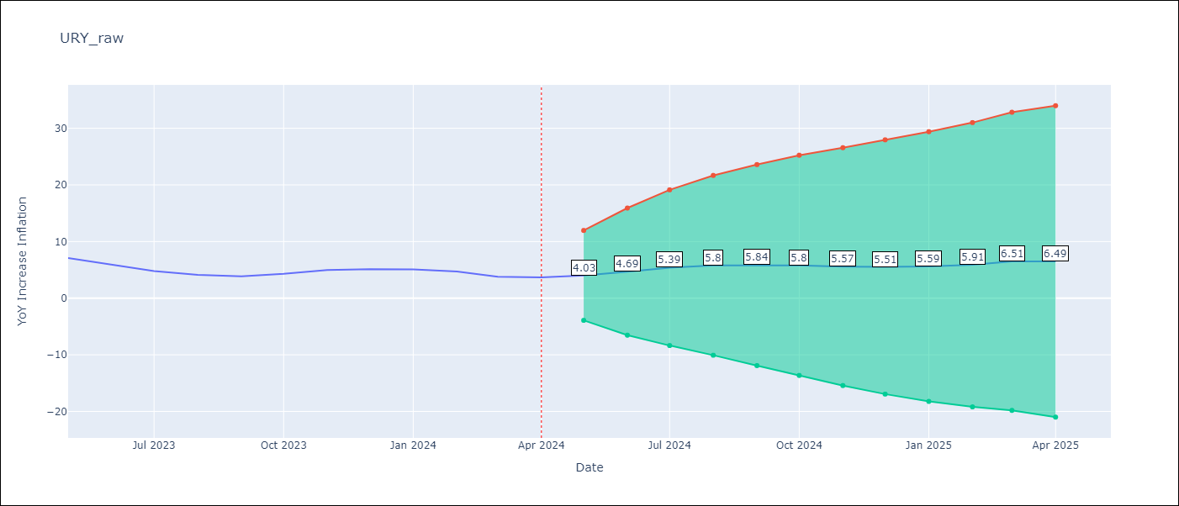

Test Metrics
RMSE | 3.23
Naive RMSE | 0.65
MAPE | 69.38%

Test Predictions
Date | Predicted | Actual
2023-05-01 | 7.62 | 7.1
2023-06-01 | 7.52 | 5.98
2023-07-01 | 7.38 | 4.79
2023-08-01 | 7.33 | 4.11
2023-09-01 | 7.1 | 3.87
2023-10-01 | 7.56 | 4.3
2023-11-01 | 7.99 | 4.96
2023-12-01 | 8.1 | 5.11
2024-01-01 | 8.27 | 5.09
2024-02-01 | 8.31 | 4.71
2024-03-01 | 8.37 | 3.79
2024-04-01 | 8.43 | 3.68

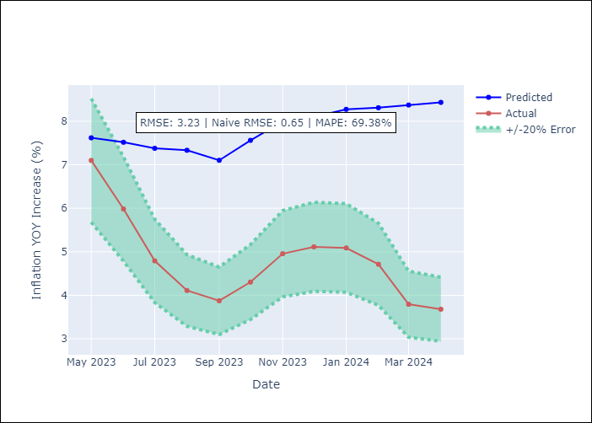

Appendix A: Model Summary
Model | ARIMA(0, 1, 0)x(3, 0, 0, 12)
Sample | 01-01-1990- 04-01-2024
No. of Observations | 412
Terms | P-value (Statistical significance)
ar.S.L12 | 0.000
ar.S.L24 | 0.000
ar.S.L36 | 0.000
sigma2 | 0.000
Assumptions | P-value

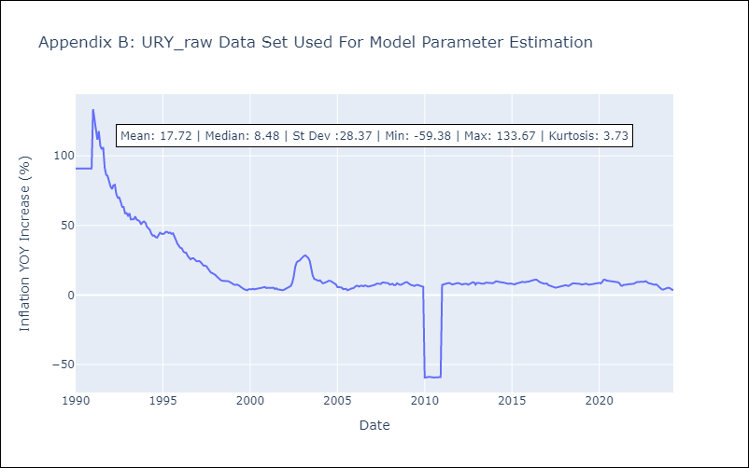

Appendix C: Residuals Analysis
Mean | -0.12

Normal? | No

VEN
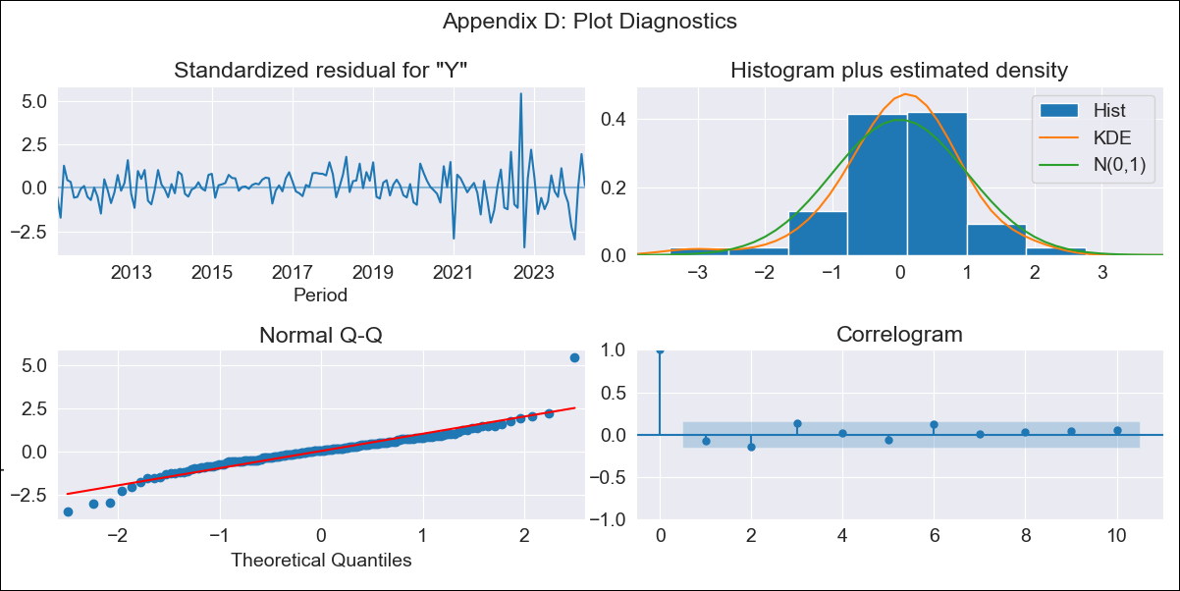
VEN - Inflation - Next 12 months forecast as of: 2024-04-01

Model | ARIMA - [(2, 0, 0), (2, 0, 0, 12)]
Training Data | 2009-01-01 to 2023-05-01
Test Data | 2023-05-01 to 2024-04-01

Date | Inflation Change YoY % | Lower Bound - 95% Confidence Interval | Upper Bound - 95% Confidence Interval
2024-05-01 | 64.12 | 56.53 | 73
2024-06-01 | 62.71 | 48.52 | 82.29
2024-07-01 | 61.98 | 41.83 | 95.27
2024-08-01 | 62.35 | 36.68 | 113.6
2024-09-01 | 61.95 | 31.94 | 134.38
2024-10-01 | 60.98 | 27.76 | 157.58
2024-11-01 | 62.19 | 25.04 | 193.43
2024-12-01 | 68.61 | 24.22 | 264.84
2025-01-01 | 84.6 | 25.64 | 431.24
2025-02-01 | 99.76 | 26.21 | 678.67
2025-03-01 | 106.06 | 24.84 | 927.18
2025-04-01 | 109.44 | 23.16 | 1215.26

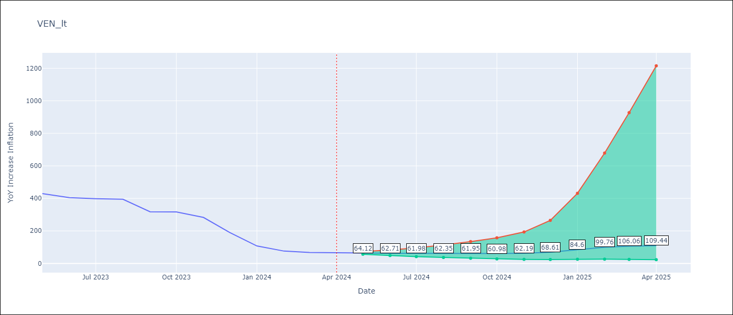

Test Metrics
RMSE | 132.46
Naive RMSE | 45.01
MAPE | 106.62%

Test Predictions
Date | Predicted | Actual
2023-05-01 | 469.92 | 429.21
2023-06-01 | 442.07 | 404.37
2023-07-01 | 445.11 | 398.19
2023-08-01 | 477.58 | 394.76
2023-09-01 | 363.02 | 317.63
2023-10-01 | 364.78 | 316.45
2023-11-01 | 358.91 | 282.78
2023-12-01 | 322.13 | 189.78
2024-01-01 | 278.77 | 107.36
2024-02-01 | 274.63 | 75.91
2024-03-01 | 279.22 | 67.76
2024-04-01 | 303.88 | 64.91

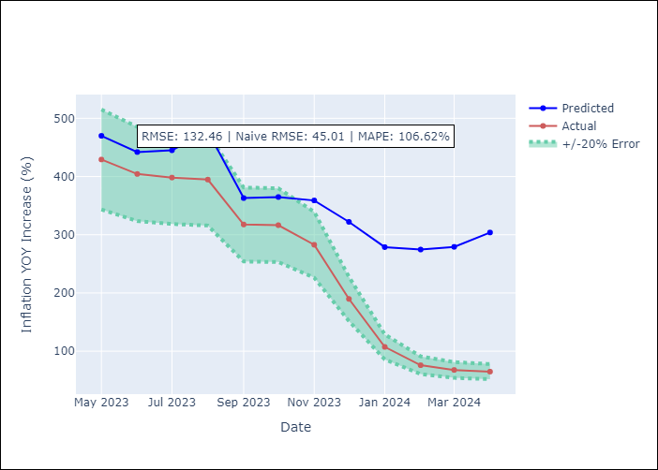

Appendix A: Model Summary
Model | ARIMA(2, 0, 0)x(2, 0, 0, 12)
Sample | 01-01-2009- 04-01-2024
No. of Observations | 184
Terms | P-value (Statistical significance)
const | 0.916
ar.L1 | 0.000
ar.L2 | 0.000
ar.S.L12 | 0.000
ar.S.L24 | 0.032
sigma2 | 0.000
Assumptions | P-value

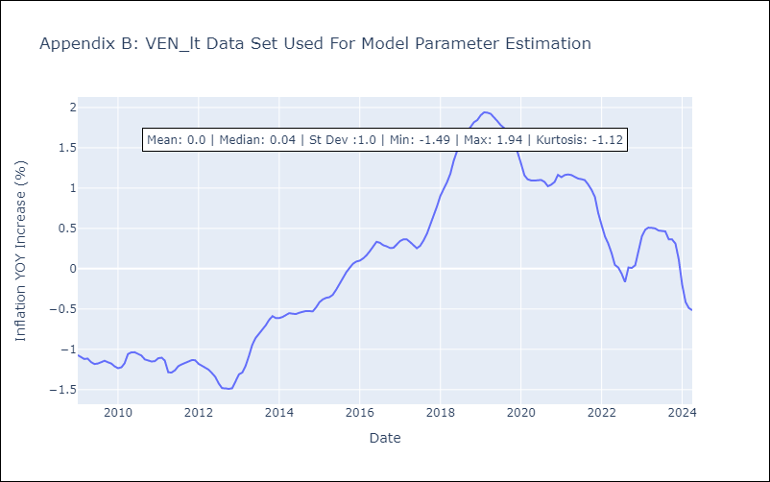

Appendix C: Residuals Analysis
Mean | -0.0

Normal? | No

