CRI
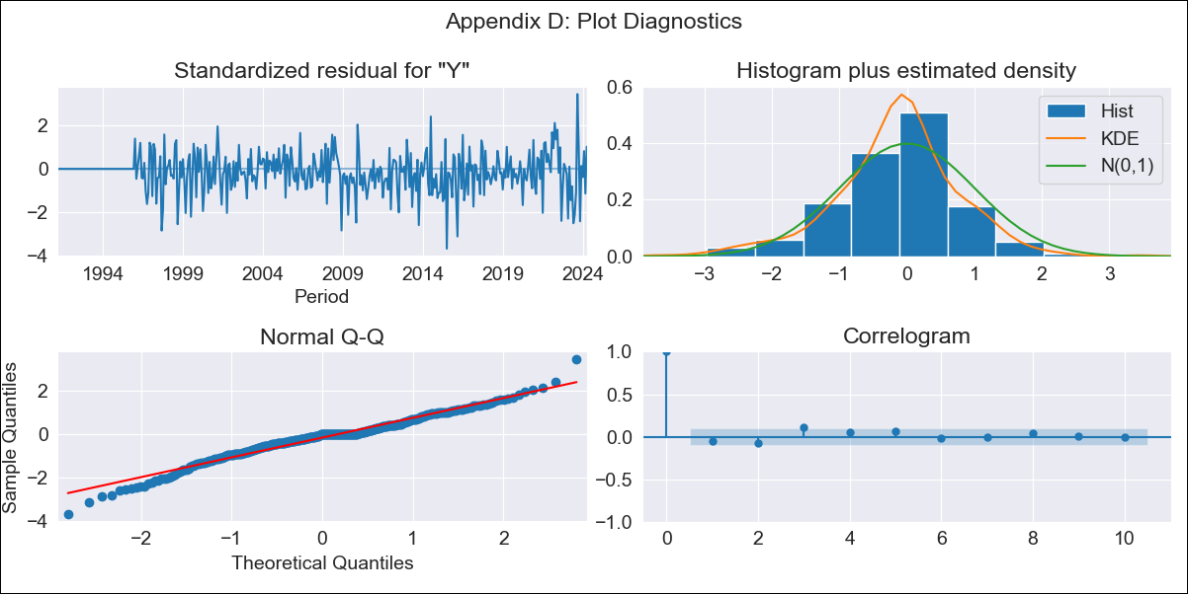
CRI - Inflation - Next 12 months forecast as of: 2024-04-01

Model | ARIMA - [(1, 1, 0), (0, 0, 1, 12)]
Training Data | 1990-01-01 to 2023-05-01
Test Data | 2023-05-01 to 2024-04-01

Date | Inflation Change YoY % | Lower Bound - 95% Confidence Interval | Upper Bound - 95% Confidence Interval
2024-05-01 | -0.01 | -0.68 | 0.73
2024-06-01 | 1 | -0.29 | 2.5
2024-07-01 | 2.2 | 0.26 | 4.44
2024-08-01 | 3.14 | 0.63 | 6.04
2024-09-01 | 2.26 | -0.39 | 5.51
2024-10-01 | 1.55 | -1.15 | 5.11
2024-11-01 | 2.1 | -0.99 | 6.16
2024-12-01 | 2.29 | -1.07 | 6.75
2025-01-01 | 2.51 | -1.12 | 7.36
2025-02-01 | 2.3 | -1.44 | 7.43
2025-03-01 | 2.63 | -1.39 | 8.14
2025-04-01 | 2.39 | -1.7 | 8.15

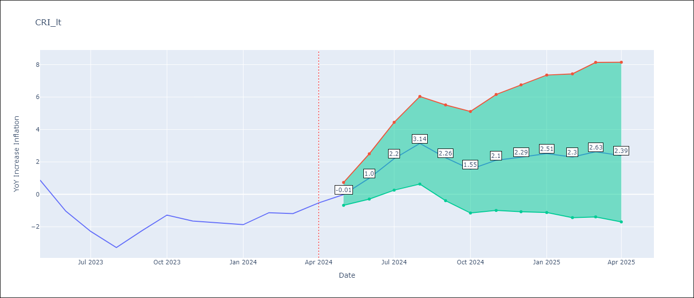

Test Metrics
RMSE | 2.32
Naive RMSE | 0.99
MAPE | 170.02%

Test Predictions
Date | Predicted | Actual
2023-05-01 | 1.24 | 0.88
2023-06-01 | 0.22 | -1.04
2023-07-01 | -0.11 | -2.29
2023-08-01 | -0.51 | -3.28
2023-09-01 | -0.03 | -2.24
2023-10-01 | 0.44 | -1.28
2023-11-01 | 0.58 | -1.64
2023-12-01 | 0.62 | -1.77
2024-01-01 | 0.72 | -1.87
2024-02-01 | 1.51 | -1.13
2024-03-01 | 1.83 | -1.19
2024-04-01 | 2.48 | -0.53

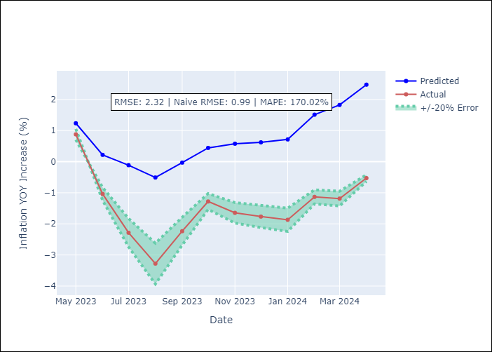

Appendix A: Model Summary
Model | ARIMA(1, 1, 0)x(0, 0, [1], 12)
Sample | 01-01-1990- 04-01-2024
No. of Observations | 412
Terms | P-value (Statistical significance)
ar.L1 | 0.000
ma.S.L12 | 0.000
sigma2 | 0.000
Assumptions | P-value

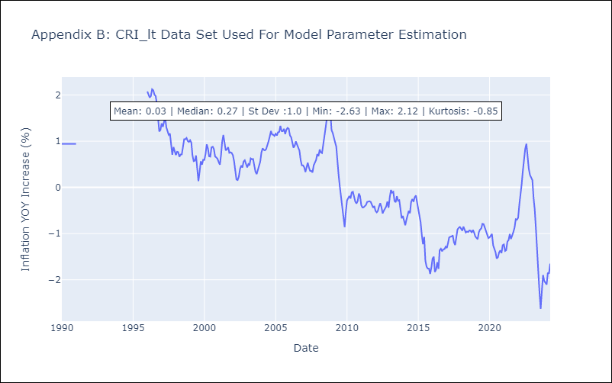

Appendix C: Residuals Analysis
Mean | -0.01

Normal? | Yes

CUB
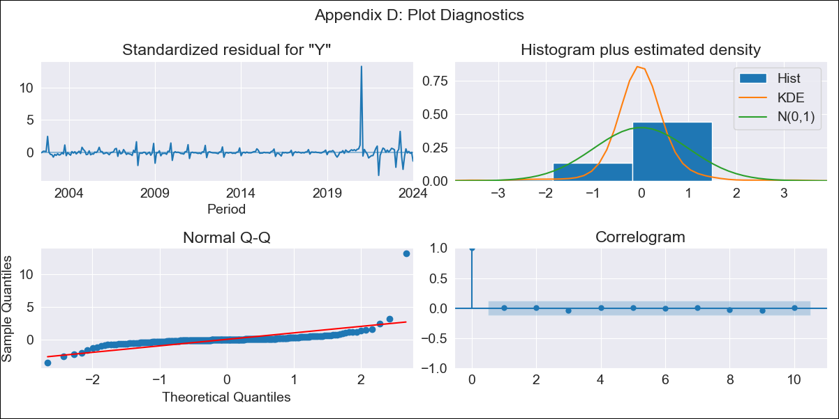
CUB - Inflation - Next 12 months forecast as of: 2024-01-01

Model | ARIMA - [(0, 2, 1), (0, 0, 1, 12)]
Training Data | 2001-01-01 to 2023-02-01
Test Data | 2023-02-01 to 2024-01-01

Date | Inflation Change YoY % | Lower Bound - 95% Confidence Interval | Upper Bound - 95% Confidence Interval
2024-02-01 | 40.81 | 33.36 | 48.27
2024-03-01 | 39.46 | 28.71 | 50.22
2024-04-01 | 29.18 | 15.75 | 42.62
2024-05-01 | 30.8 | 14.98 | 46.63
2024-06-01 | 38.96 | 20.93 | 57
2024-07-01 | 41.16 | 21.02 | 61.29
2024-08-01 | 39.58 | 17.42 | 61.74
2024-09-01 | 39.96 | 15.83 | 64.09
2024-10-01 | 39.56 | 13.5 | 65.63
2024-11-01 | 40.14 | 12.16 | 68.11
2024-12-01 | 40.21 | 10.34 | 70.07
2025-01-01 | 44.63 | 12.89 | 76.37

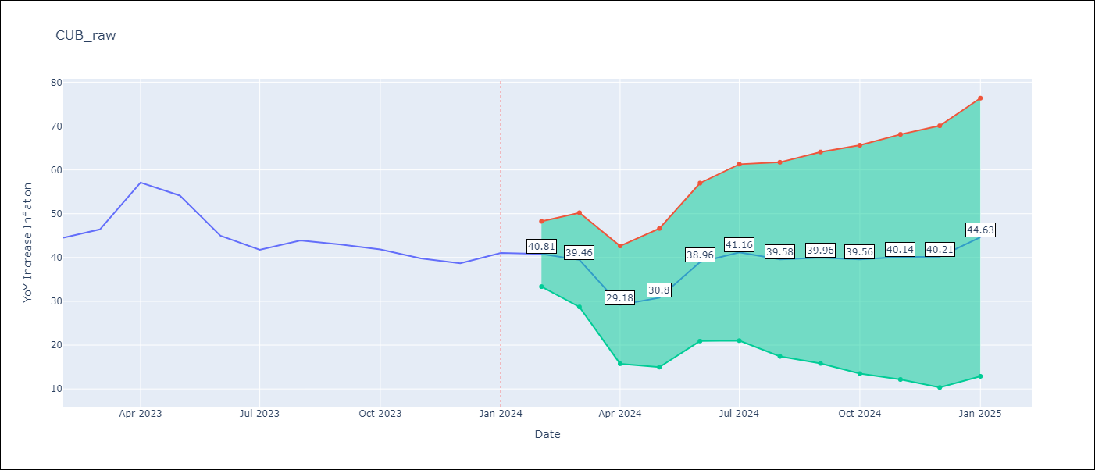

Test Metrics
RMSE | 6.05
Naive RMSE | 4.52
MAPE | 8.72%

Test Predictions
Date | Predicted | Actual
2023-02-01 | 44.06 | 44.5
2023-03-01 | 44.21 | 46.42
2023-04-01 | 42.58 | 57.12
2023-05-01 | 41.35 | 54.15
2023-06-01 | 41.66 | 44.99
2023-07-01 | 40.88 | 41.77
2023-08-01 | 40.99 | 43.91
2023-09-01 | 40.33 | 42.96
2023-10-01 | 38.56 | 41.84
2023-11-01 | 36.98 | 39.78
2023-12-01 | 35.73 | 38.67
2024-01-01 | 43.12 | 41.06

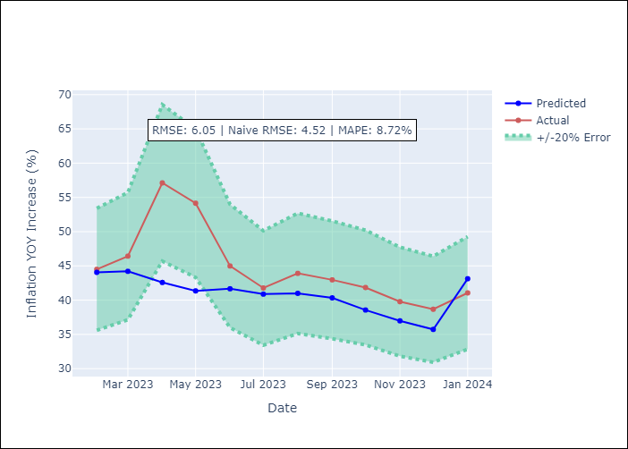

Appendix A: Model Summary
Model | ARIMA(0, 2, 1)x(0, 0, 1, 12)
Sample | 01-01-2001- 01-01-2024
No. of Observations | 277
Terms | P-value (Statistical significance)
ma.L1 | 0.000
ma.S.L12 | 0.000
sigma2 | 0.000
Assumptions | P-value

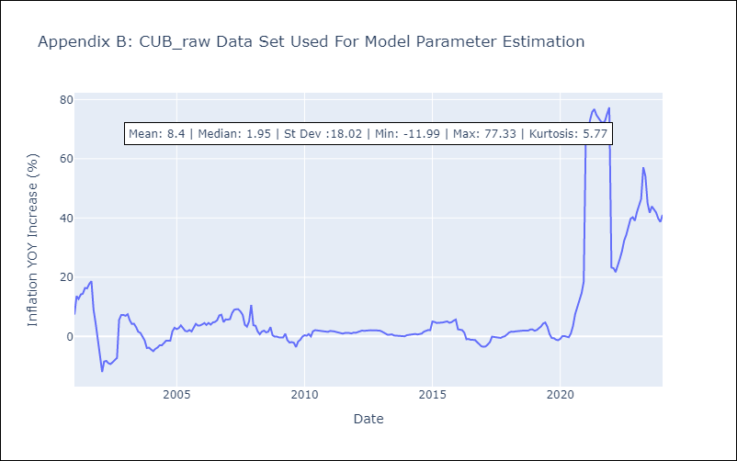

Appendix C: Residuals Analysis
Mean | 0.16

Normal? | No

DOM
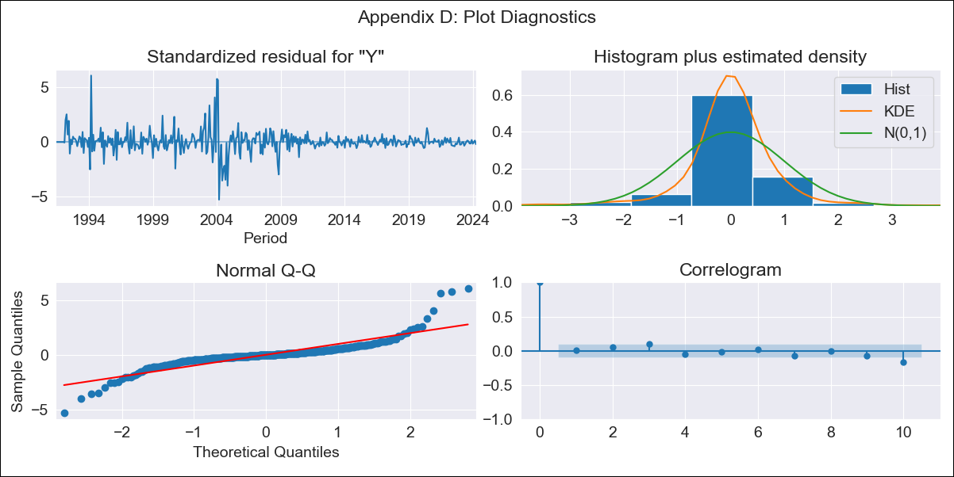
DOM - Inflation - Next 12 months forecast as of: 2024-04-01

Model | ARIMA - [(0, 2, 2), (0, 0, 1, 12)]
Training Data | 1990-01-01 to 2023-05-01
Test Data | 2023-05-01 to 2024-04-01

Date | Inflation Change YoY % | Lower Bound - 95% Confidence Interval | Upper Bound - 95% Confidence Interval
2024-05-01 | 3.11 | 0.55 | 5.67
2024-06-01 | 3.26 | -1.41 | 7.93
2024-07-01 | 3.21 | -3.32 | 9.74
2024-08-01 | 2.99 | -5.38 | 11.35
2024-09-01 | 2.77 | -7.46 | 13.01
2024-10-01 | 2.76 | -9.39 | 14.91
2024-11-01 | 2.85 | -11.28 | 16.98
2024-12-01 | 2.64 | -13.55 | 18.82
2025-01-01 | 2.64 | -15.66 | 20.94
2025-02-01 | 2.63 | -17.85 | 23.12
2025-03-01 | 2.44 | -20.3 | 25.18
2025-04-01 | 2.51 | -22.54 | 27.57

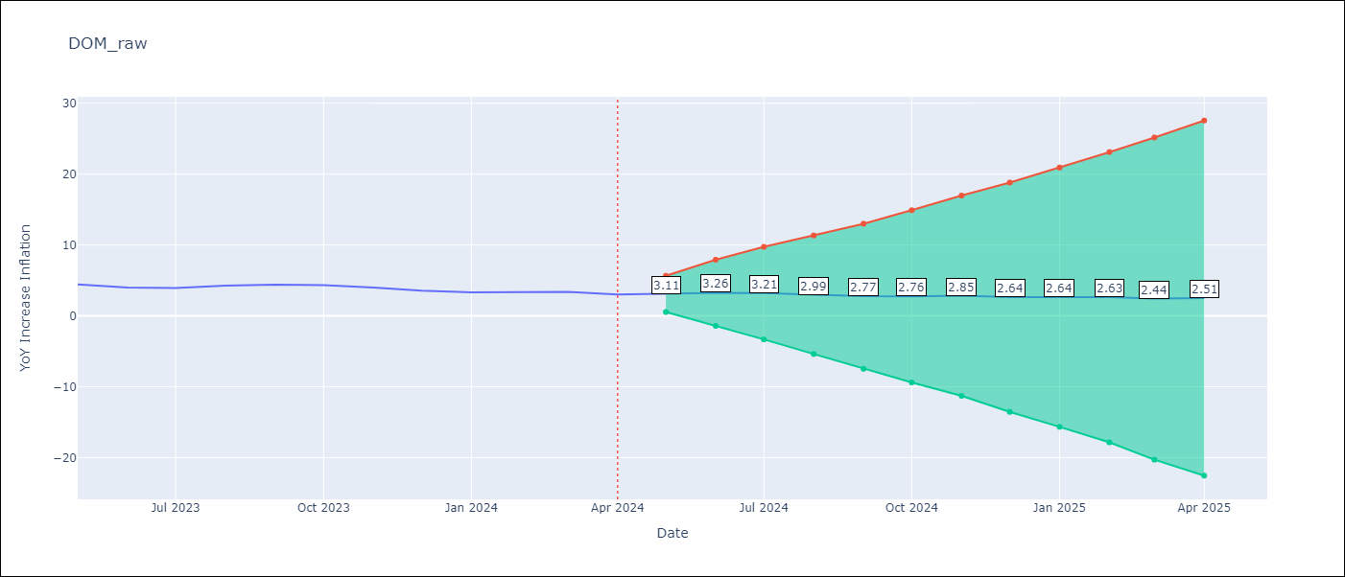

Test Metrics
RMSE | 1.49
Naive RMSE | 0.33
MAPE | 38.54%

Test Predictions
Date | Predicted | Actual
2023-05-01 | 4.87 | 4.43
2023-06-01 | 4.87 | 4
2023-07-01 | 5.01 | 3.95
2023-08-01 | 5.27 | 4.27
2023-09-01 | 5.37 | 4.41
2023-10-01 | 5.53 | 4.35
2023-11-01 | 5.54 | 4
2023-12-01 | 5.09 | 3.57
2024-01-01 | 5.08 | 3.32
2024-02-01 | 5.31 | 3.3
2024-03-01 | 5.39 | 3.38
2024-04-01 | 5.38 | 3.03

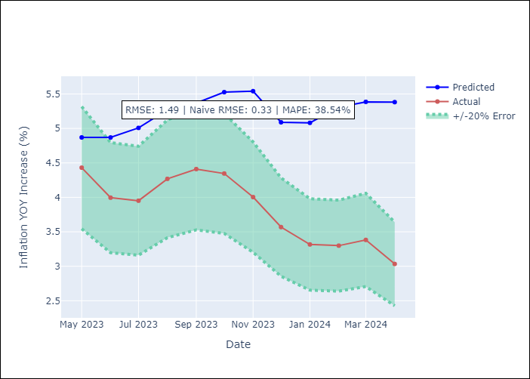

Appendix A: Model Summary
Model | ARIMA(0, 2, 2)x(0, 0, [1], 12)
Sample | 01-01-1990- 04-01-2024
No. of Observations | 412
Terms | P-value (Statistical significance)
ma.L1 | 0.000
ma.L2 | 0.000
ma.S.L12 | 0.000
sigma2 | 0.000
Assumptions | P-value

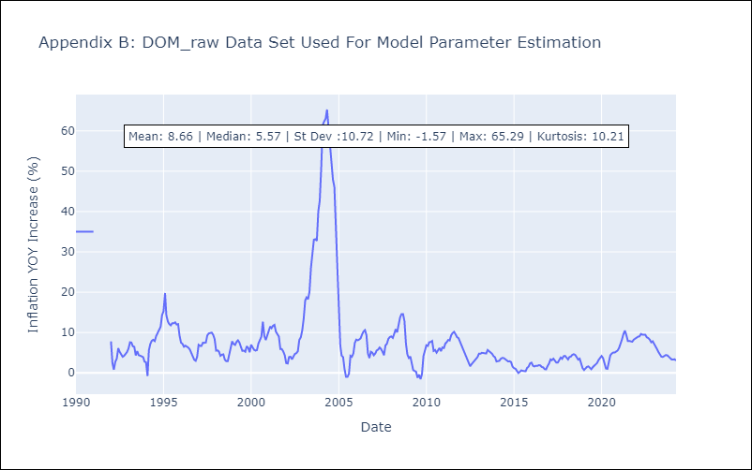

Appendix C: Residuals Analysis
Mean | 0.0

Normal? | Yes

GTM
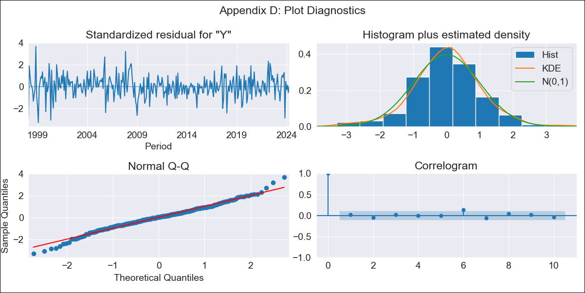
GTM - Inflation - Next 12 months forecast as of: 2024-04-01

Model | ARIMA - [(2, 0, 0), (0, 0, 2, 12)]
Training Data | 1996-01-01 to 2023-05-01
Test Data | 2023-05-01 to 2024-04-01

Date | Inflation Change YoY % | Lower Bound - 95% Confidence Interval | Upper Bound - 95% Confidence Interval
2024-05-01 | 4.19 | 3.26 | 5.11
2024-06-01 | 4.75 | 3.22 | 6.29
2024-07-01 | 4.59 | 2.56 | 6.61
2024-08-01 | 4.13 | 1.7 | 6.55
2024-09-01 | 3.63 | 0.86 | 6.39
2024-10-01 | 2.94 | -0.13 | 6.01
2024-11-01 | 3.96 | 0.62 | 7.3
2024-12-01 | 4.1 | 0.51 | 7.69
2025-01-01 | 4.3 | 0.48 | 8.11
2025-02-01 | 4.4 | 0.38 | 8.43
2025-03-01 | 4.67 | 0.44 | 8.89
2025-04-01 | 4.73 | 0.32 | 9.13

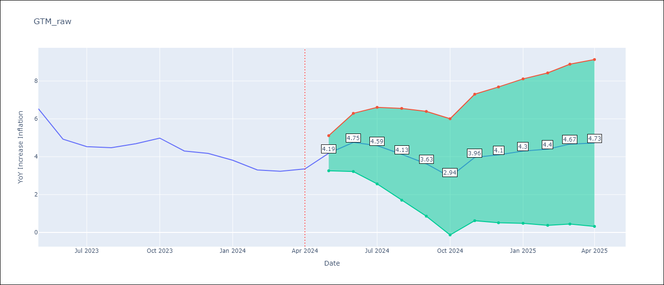

Test Metrics
RMSE | 0.6
Naive RMSE | 0.76
MAPE | 10.56%

Test Predictions
Date | Predicted | Actual
2023-05-01 | 7.16 | 6.54
2023-06-01 | 5.91 | 4.93
2023-07-01 | 5.23 | 4.53
2023-08-01 | 4.57 | 4.47
2023-09-01 | 4.2 | 4.69
2023-10-01 | 3.7 | 4.98
2023-11-01 | 4.13 | 4.3
2023-12-01 | 4.16 | 4.18
2024-01-01 | 3.99 | 3.81
2024-02-01 | 3.48 | 3.3
2024-03-01 | 3.67 | 3.23
2024-04-01 | 3.89 | 3.35

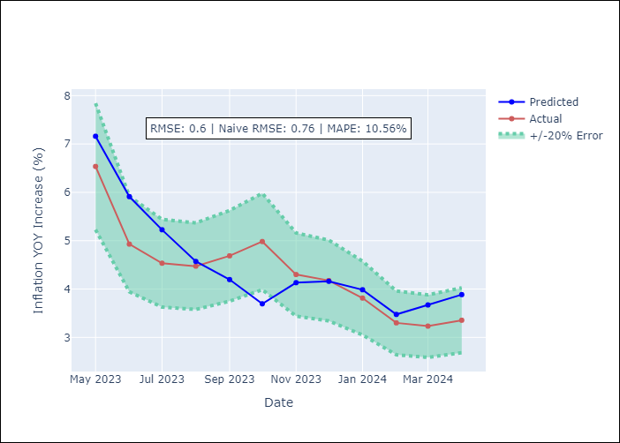

Appendix A: Model Summary
Model | ARIMA(2, 0, 0)x(0, 0, [1, 2], 12)
Sample | 01-01-1996- 04-01-2024
No. of Observations | 340
Terms | P-value (Statistical significance)
const | 0.002
ar.L1 | 0.000
ar.L2 | 0.000
ma.S.L12 | 0.000
ma.S.L24 | 0.002
sigma2 | 0.000
Assumptions | P-value

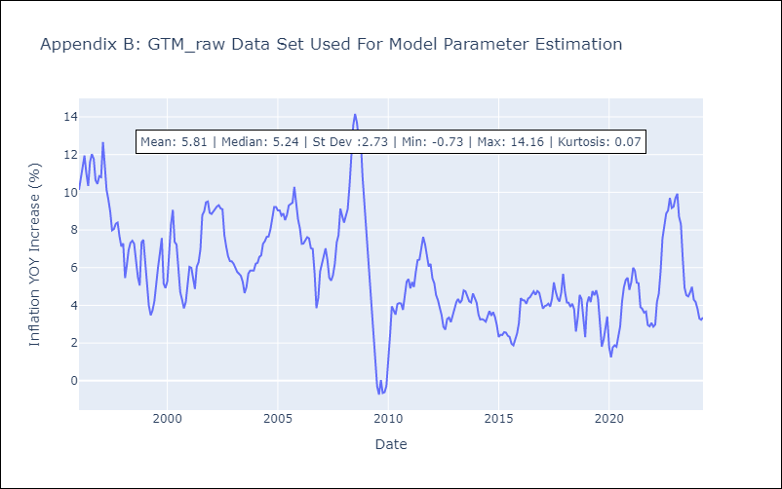

Appendix C: Residuals Analysis
Mean | 0.01

Normal? | No

HND
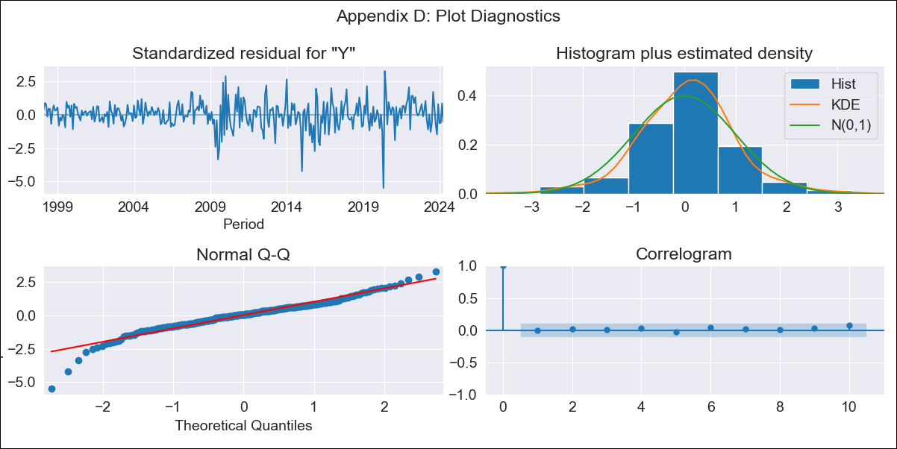
HND - Inflation - Next 12 months forecast as of: 2024-04-01

Model | ARIMA - [(2, 0, 0), (0, 0, 3, 12)]
Training Data | 1995-01-01 to 2023-05-01
Test Data | 2023-05-01 to 2024-04-01

Date | Inflation Change YoY % | Lower Bound - 95% Confidence Interval | Upper Bound - 95% Confidence Interval
2024-05-01 | 4.88 | 4.27 | 5.62
2024-06-01 | 5.18 | 4.16 | 6.54
2024-07-01 | 5.38 | 4.06 | 7.32
2024-08-01 | 5.11 | 3.69 | 7.33
2024-09-01 | 4.96 | 3.45 | 7.45
2024-10-01 | 5.06 | 3.39 | 7.97
2024-11-01 | 5.42 | 3.5 | 9
2024-12-01 | 5.38 | 3.38 | 9.27
2025-01-01 | 5.58 | 3.4 | 10.02
2025-02-01 | 5.74 | 3.41 | 10.73
2025-03-01 | 5.62 | 3.28 | 10.79
2025-04-01 | 5.73 | 3.27 | 11.38

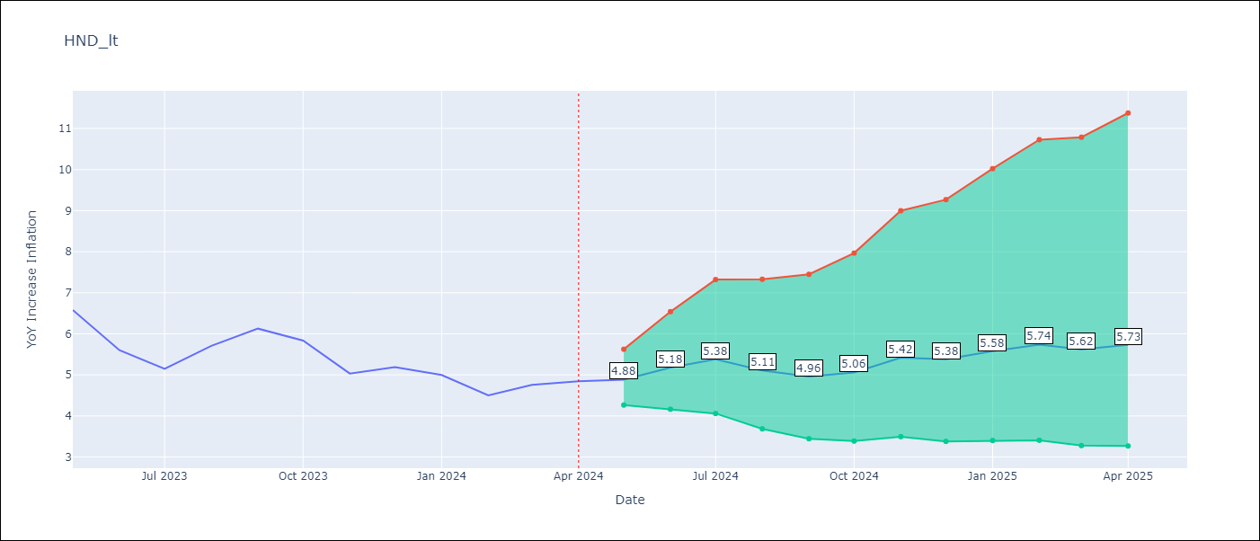

Test Metrics
RMSE | 0.69
Naive RMSE | 0.54
MAPE | 11.86%

Test Predictions
Date | Predicted | Actual
2023-05-01 | 6.54 | 6.58
2023-06-01 | 6.15 | 5.6
2023-07-01 | 6.08 | 5.15
2023-08-01 | 6.05 | 5.71
2023-09-01 | 6.07 | 6.13
2023-10-01 | 5.99 | 5.84
2023-11-01 | 5.81 | 5.03
2023-12-01 | 5.83 | 5.19
2024-01-01 | 5.84 | 5
2024-02-01 | 5.51 | 4.5
2024-03-01 | 5.57 | 4.76
2024-04-01 | 5.82 | 4.84

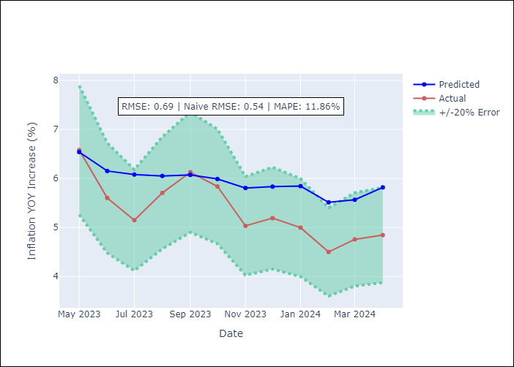

Appendix A: Model Summary
Model | ARIMA(2, 0, 0)x(0, 0, [1, 2, 3], 12)
Sample | 01-01-1995- 04-01-2024
No. of Observations | 352
Terms | P-value (Statistical significance)
const | 0.205
ar.L1 | 0.000
ar.L2 | 0.000
ma.S.L12 | 0.081
ma.S.L24 | 0.003
ma.S.L36 | 0.000
sigma2 | 0.219
Assumptions | P-value

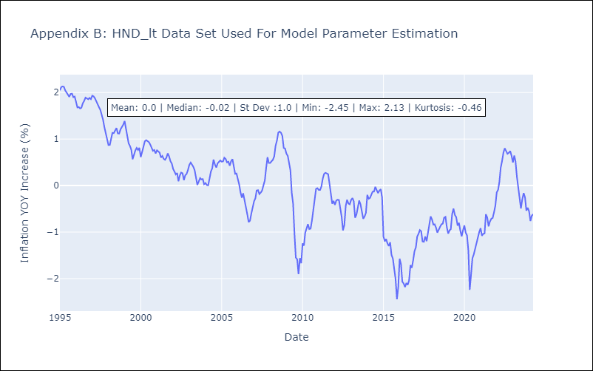

Appendix C: Residuals Analysis
Mean | 0.01

Normal? | No

HTI
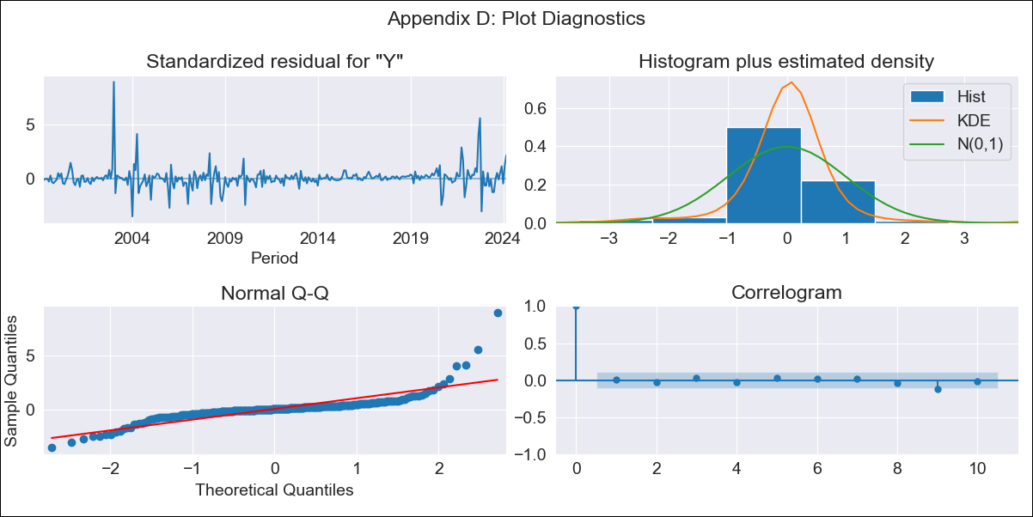
HTI - Inflation - Next 12 months forecast as of: 2024-03-01

Model | ARIMA - [(2, 0, 1), (3, 0, 0, 12)]
Training Data | 1996-01-01 to 2023-04-01
Test Data | 2023-04-01 to 2024-03-01

Date | Inflation Change YoY % | Lower Bound - 95% Confidence Interval | Upper Bound - 95% Confidence Interval
2024-04-01 | 30 | 27.16 | 32.84
2024-05-01 | 31.37 | 26.4 | 36.33
2024-06-01 | 33.39 | 26.46 | 40.33
2024-07-01 | 35.74 | 27 | 44.48
2024-08-01 | 37.06 | 26.68 | 47.45
2024-09-01 | 36.79 | 24.91 | 48.67
2024-10-01 | 36.93 | 23.68 | 50.19
2024-11-01 | 37.08 | 22.56 | 51.59
2024-12-01 | 35.48 | 19.79 | 51.16
2025-01-01 | 35.08 | 18.31 | 51.85
2025-02-01 | 33.7 | 15.91 | 51.49
2025-03-01 | 30.79 | 12.04 | 49.55

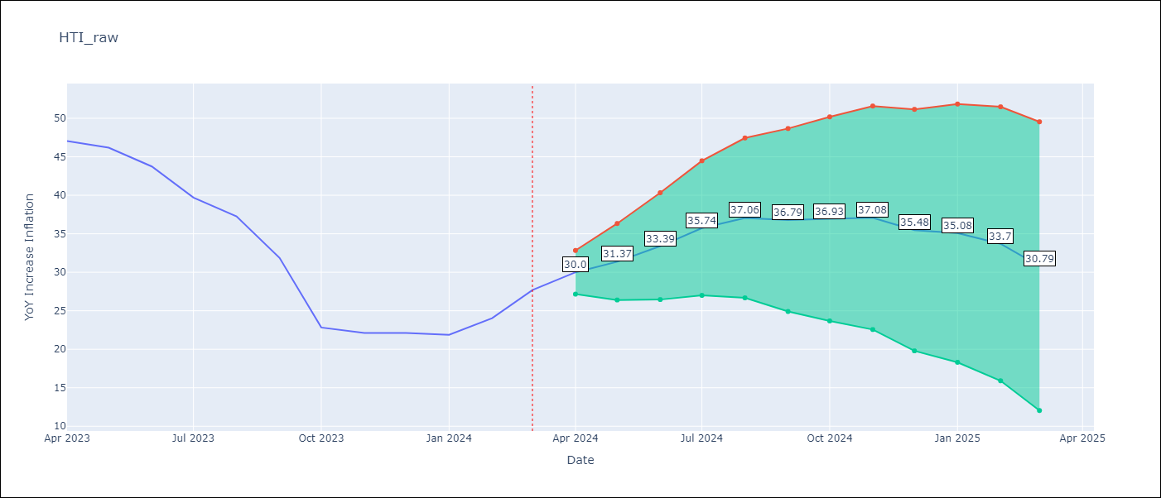

Test Metrics
RMSE | 5.83
Naive RMSE | 3.64
MAPE | 18.4%

Test Predictions
Date | Predicted | Actual
2023-04-01 | 48.08 | 47.04
2023-05-01 | 47.77 | 46.18
2023-06-01 | 47.51 | 43.75
2023-07-01 | 46.29 | 39.71
2023-08-01 | 45.36 | 37.27
2023-09-01 | 40.05 | 31.86
2023-10-01 | 31.3 | 22.83
2023-11-01 | 29.97 | 22.12
2023-12-01 | 28.06 | 22.12
2024-01-01 | 27.58 | 21.87
2024-02-01 | 27.65 | 24.04
2024-03-01 | 27.17 | 27.7

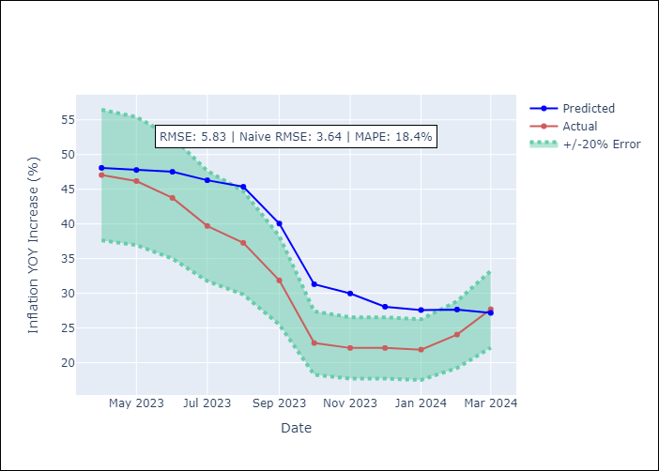

Appendix A: Model Summary
Model | ARIMA(2, 0, 1)x(3, 0, [], 12)
Sample | 01-01-1996- 03-01-2024
No. of Observations | 339
Terms | P-value (Statistical significance)
const | 0.505
ar.L1 | 0.000
ar.L2 | 0.000
ma.L1 | 0.170
ar.S.L12 | 0.000
ar.S.L24 | 0.000
ar.S.L36 | 0.000
sigma2 | 0.000
Assumptions | P-value

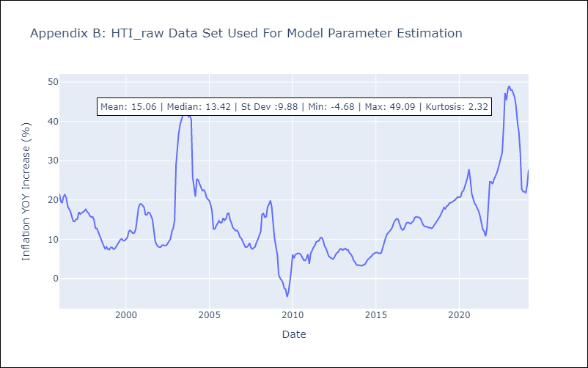

Appendix C: Residuals Analysis
Mean | 0.06

Normal? | No

MEX
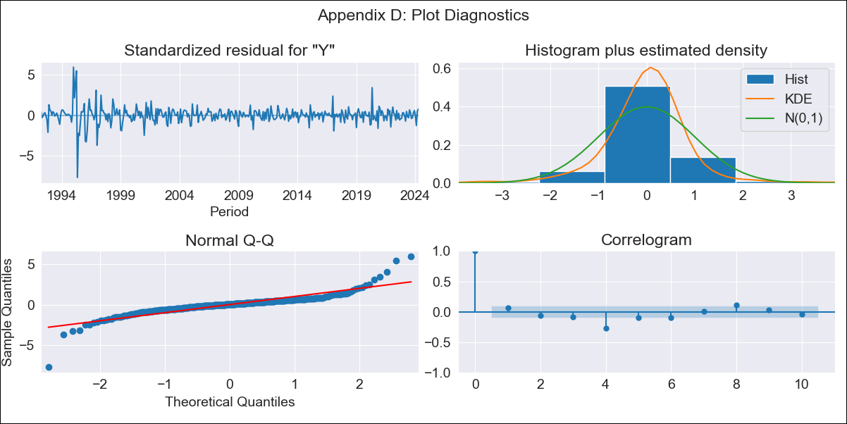
MEX - Inflation - Next 12 months forecast as of: 2024-04-01

Model | ARIMA - [(0, 2, 0), (0, 0, 2, 12)]
Training Data | 1990-01-01 to 2023-05-01
Test Data | 2023-05-01 to 2024-04-01

Date | Inflation Change YoY % | Lower Bound - 95% Confidence Interval | Upper Bound - 95% Confidence Interval
2024-05-01 | 4.99 | 3.98 | 5.99
2024-06-01 | 5.4 | 3.14 | 7.65
2024-07-01 | 5.59 | 1.81 | 9.36
2024-08-01 | 5.64 | 0.12 | 11.17
2024-09-01 | 5.88 | -1.59 | 13.36
2024-10-01 | 6.27 | -3.35 | 15.88
2024-11-01 | 6.56 | -5.37 | 18.49
2024-12-01 | 6.62 | -7.78 | 21.02
2025-01-01 | 6.67 | -10.35 | 23.69
2025-02-01 | 7.19 | -12.59 | 26.97
2025-03-01 | 7.57 | -15.11 | 30.25
2025-04-01 | 7.64 | -18.06 | 33.35

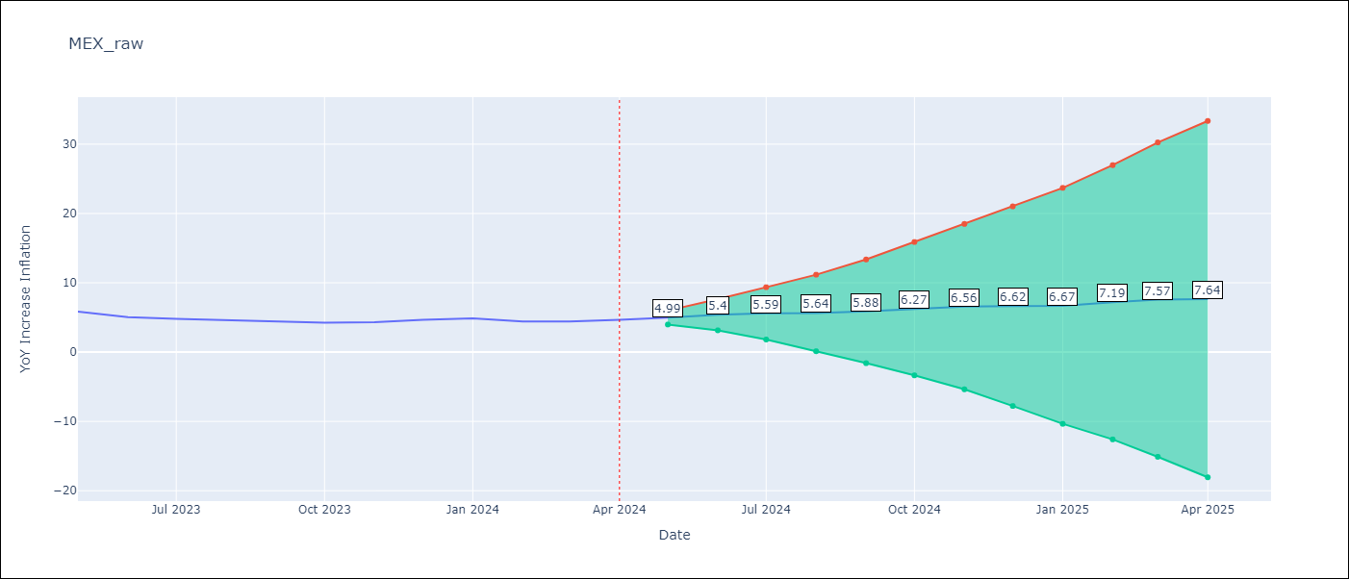

Test Metrics
RMSE | 0.26
Naive RMSE | 0.34
MAPE | 4.64%

Test Predictions
Date | Predicted | Actual
2023-05-01 | 5.95 | 5.84
2023-06-01 | 5.45 | 5.06
2023-07-01 | 5.12 | 4.79
2023-08-01 | 4.73 | 4.64
2023-09-01 | 4.51 | 4.45
2023-10-01 | 4.45 | 4.26
2023-11-01 | 4.5 | 4.32
2023-12-01 | 4.5 | 4.66
2024-01-01 | 4.39 | 4.88
2024-02-01 | 4.24 | 4.4
2024-03-01 | 4.35 | 4.42
2024-04-01 | 4.26 | 4.65

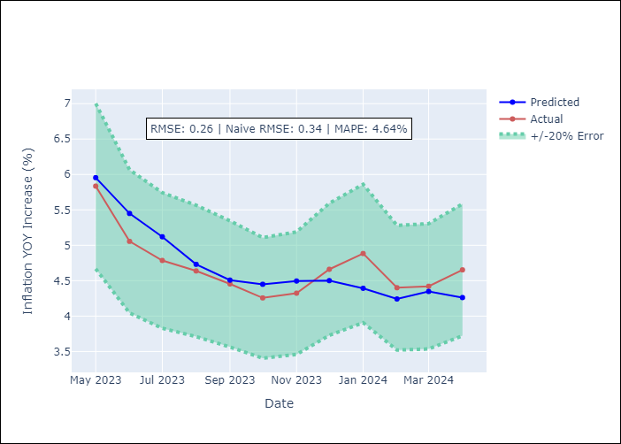

Appendix A: Model Summary
Model | ARIMA(0, 2, 0)x(0, 0, [1, 2], 12)
Sample | 01-01-1990- 04-01-2024
No. of Observations | 412
Terms | P-value (Statistical significance)
ma.S.L12 | 0.000
ma.S.L24 | 0.000
sigma2 | 0.000
Assumptions | P-value

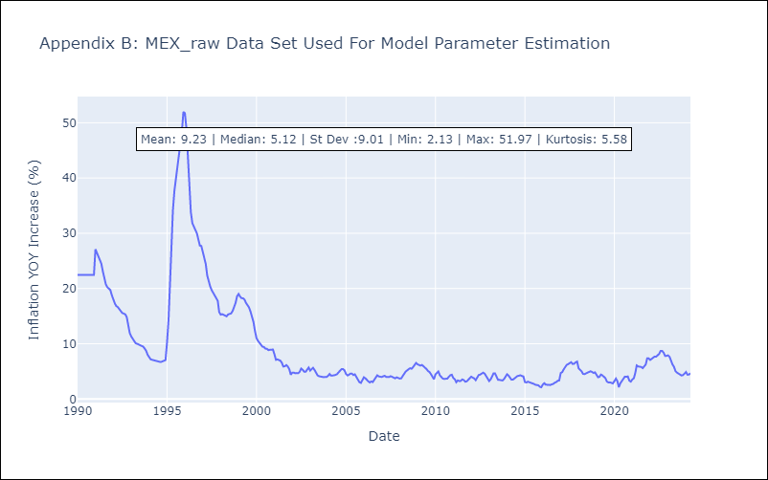

Appendix C: Residuals Analysis
Mean | 0.02

Normal? | No

NIC
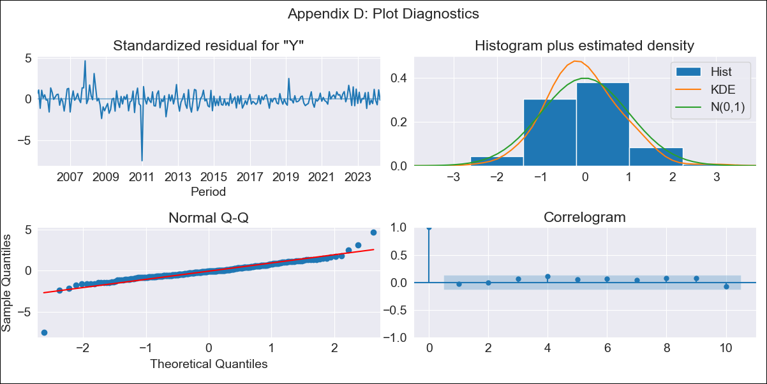
NIC - Inflation - Next 12 months forecast as of: 2024-04-01

Model | ARIMA - [(1, 1, 0), (2, 0, 1, 12)]
Training Data | 2003-01-01 to 2023-05-01
Test Data | 2023-05-01 to 2024-04-01

Date | Inflation Change YoY % | Lower Bound - 95% Confidence Interval | Upper Bound - 95% Confidence Interval
2024-05-01 | 5.32 | 4.01 | 6.62
2024-06-01 | 4.92 | 2.69 | 7.16
2024-07-01 | 5.35 | 2.33 | 8.37
2024-08-01 | 5.03 | 1.35 | 8.71
2024-09-01 | 5.48 | 1.22 | 9.74
2024-10-01 | 5.65 | 0.88 | 10.42
2024-11-01 | 6.25 | 1.01 | 11.49
2024-12-01 | 5.73 | 0.06 | 11.39
2025-01-01 | 5.76 | -0.31 | 11.82
2025-02-01 | 6.15 | -0.29 | 12.59
2025-03-01 | 5.79 | -1 | 12.58
2025-04-01 | 5.9 | -1.23 | 13.02

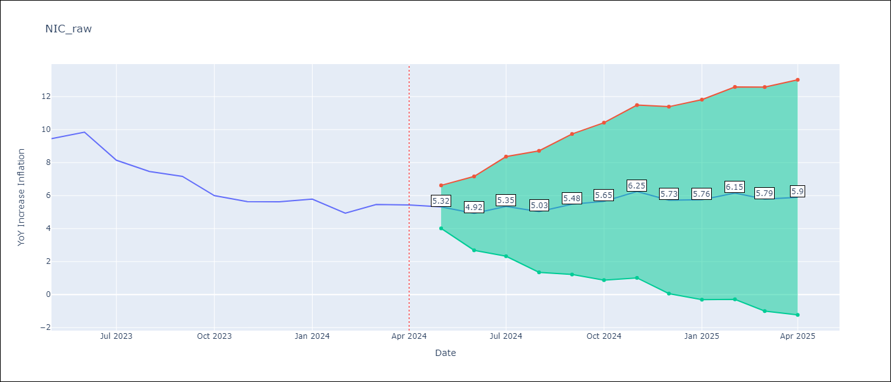

Test Metrics
RMSE | 0.34
Naive RMSE | 0.71
MAPE | 4.31%

Test Predictions
Date | Predicted | Actual
2023-05-01 | 9.43 | 9.45
2023-06-01 | 9.28 | 9.84
2023-07-01 | 8.11 | 8.14
2023-08-01 | 7.09 | 7.46
2023-09-01 | 7.1 | 7.17
2023-10-01 | 6.13 | 6
2023-11-01 | 6.2 | 5.64
2023-12-01 | 5.54 | 5.62
2024-01-01 | 5.56 | 5.79
2024-02-01 | 5.11 | 4.93
2024-03-01 | 5.03 | 5.46
2024-04-01 | 4.85 | 5.44

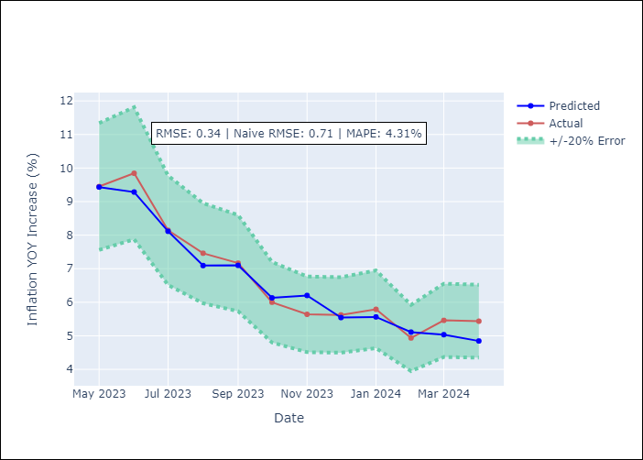

Appendix A: Model Summary
Model | ARIMA(1, 1, 0)x(2, 0, [1], 12)
Sample | 01-01-2003- 04-01-2024
No. of Observations | 256
Terms | P-value (Statistical significance)
ar.L1 | 0.000
ar.S.L12 | 0.054
ar.S.L24 | 0.003
ma.S.L12 | 0.000
sigma2 | 0.000
Assumptions | P-value

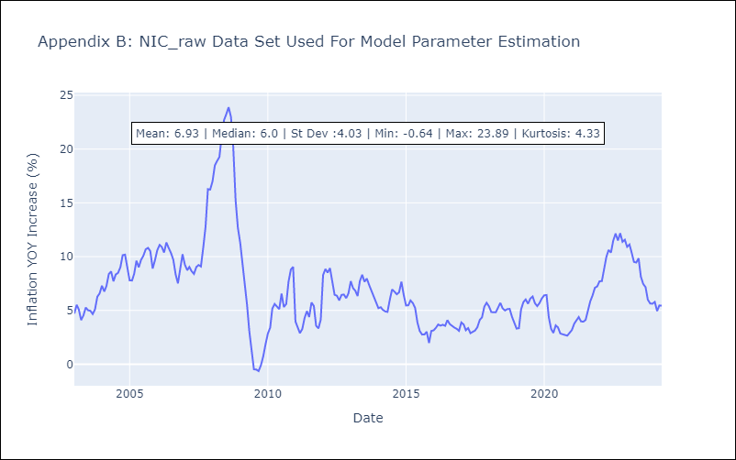

Appendix C: Residuals Analysis
Mean | -0.0

Normal? | No

PAN
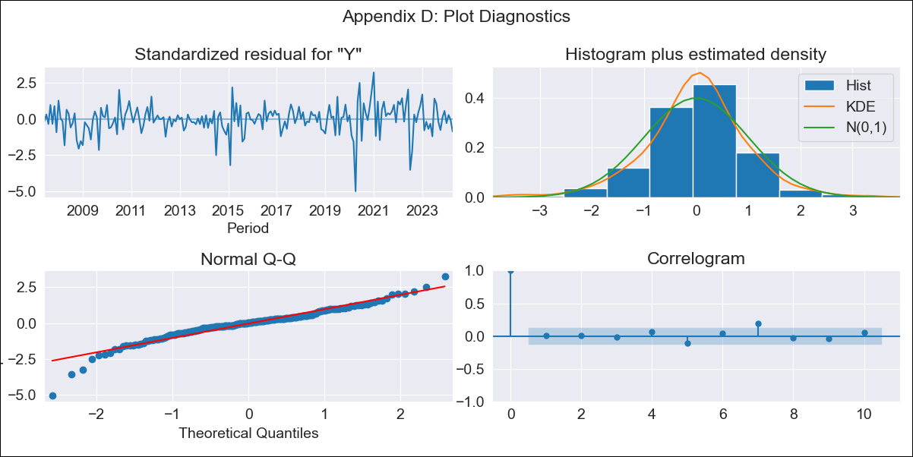
PAN - Inflation - Next 12 months forecast as of: 2024-04-01

Model | ARIMA - [(0, 2, 2), (0, 0, 2, 12)]
Training Data | 2005-01-01 to 2023-05-01
Test Data | 2023-05-01 to 2024-04-01

Date | Inflation Change YoY % | Lower Bound - 95% Confidence Interval | Upper Bound - 95% Confidence Interval
2024-05-01 | 1.81 | 0.96 | 2.73
2024-06-01 | 2.43 | 1.03 | 4
2024-07-01 | 1.87 | 0.21 | 3.85
2024-08-01 | 1.26 | -0.52 | 3.55
2024-09-01 | 1.25 | -0.75 | 3.93
2024-10-01 | 1.52 | -0.78 | 4.65
2024-11-01 | 1.55 | -0.96 | 5.07
2024-12-01 | 1.38 | -1.26 | 5.23
2025-01-01 | 1.52 | -1.35 | 5.8
2025-02-01 | 1.42 | -1.6 | 6.05
2025-03-01 | 1.4 | -1.78 | 6.41
2025-04-01 | 1.69 | -1.79 | 7.19

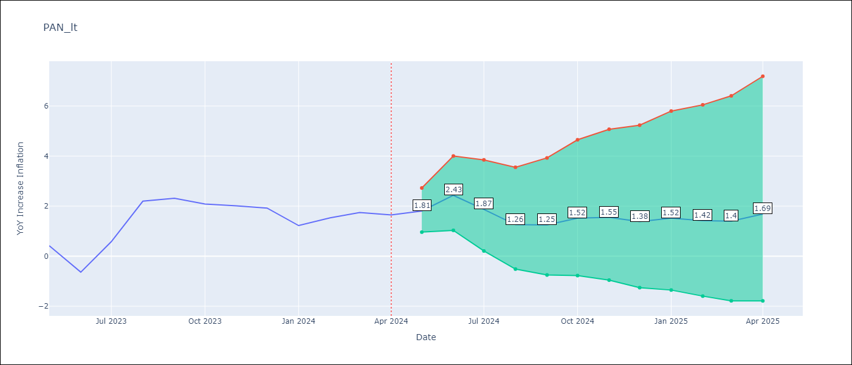

Test Metrics
RMSE | 0.32
Naive RMSE | 0.72
MAPE | 24.07%

Test Predictions
Date | Predicted | Actual
2023-05-01 | 0.57 | 0.42
2023-06-01 | -0.05 | -0.64
2023-07-01 | 0.8 | 0.58
2023-08-01 | 1.77 | 2.2
2023-09-01 | 1.85 | 2.31
2023-10-01 | 1.97 | 2.08
2023-11-01 | 1.92 | 2.01
2023-12-01 | 1.59 | 1.92
2024-01-01 | 1.03 | 1.22
2024-02-01 | 1.22 | 1.53
2024-03-01 | 1.39 | 1.74
2024-04-01 | 1.65 | 1.65

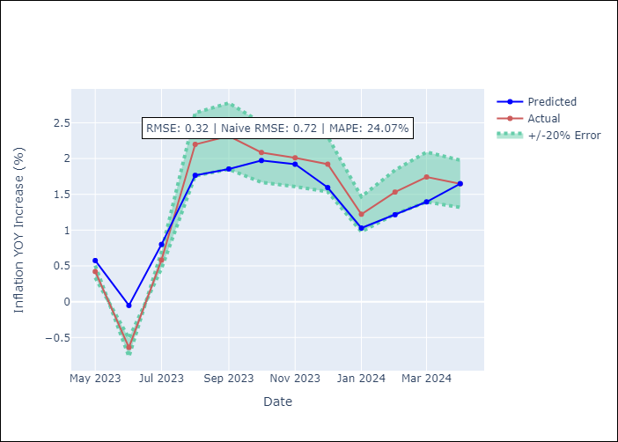

Appendix A: Model Summary
Model | ARIMA(0, 2, 2)x(0, 0, 2, 12)
Sample | 01-01-2005- 04-01-2024
No. of Observations | 232
Terms | P-value (Statistical significance)
ma.L1 | 0.000
ma.L2 | 0.001
ma.S.L12 | 0.000
ma.S.L24 | 0.281
sigma2 | 0.000
Assumptions | P-value

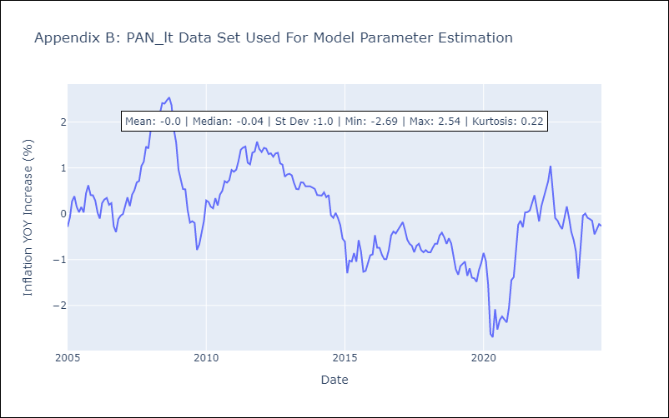

Appendix C: Residuals Analysis
Mean | -0.0

Normal? | No

SLV
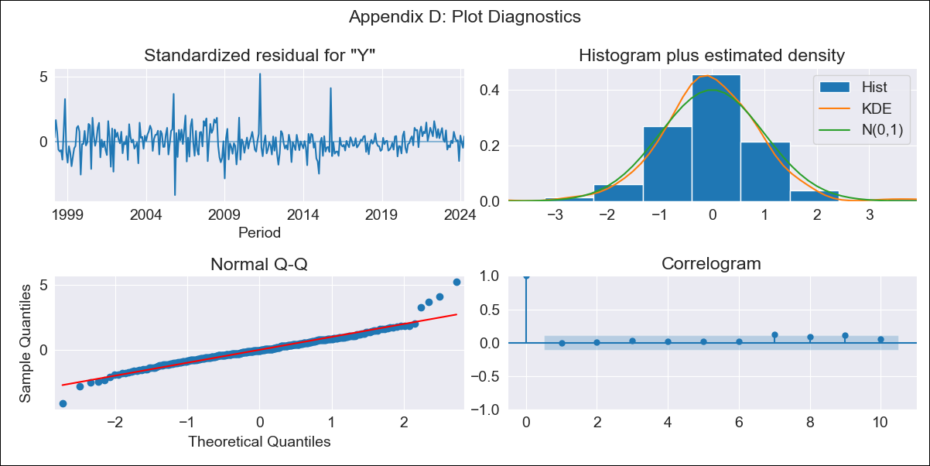
SLV - Inflation - Next 12 months forecast as of: 2024-04-01

Model | ARIMA - [(1, 1, 0), (2, 0, 1, 12)]
Training Data | 1996-01-01 to 2023-05-01
Test Data | 2023-05-01 to 2024-04-01

Date | Inflation Change YoY % | Lower Bound - 95% Confidence Interval | Upper Bound - 95% Confidence Interval
2024-05-01 | 1.31 | 0.33 | 2.3
2024-06-01 | 1.33 | -0.22 | 2.89
2024-07-01 | 1.48 | -0.51 | 3.47
2024-08-01 | 1.14 | -1.21 | 3.5
2024-09-01 | 0.97 | -1.69 | 3.64
2024-10-01 | 0.94 | -2 | 3.89
2024-11-01 | 0.94 | -2.26 | 4.15
2024-12-01 | 1.63 | -1.81 | 5.07
2025-01-01 | 1.62 | -2.04 | 5.28
2025-02-01 | 1.69 | -2.18 | 5.57
2025-03-01 | 2.03 | -2.04 | 6.11
2025-04-01 | 1.99 | -2.27 | 6.25

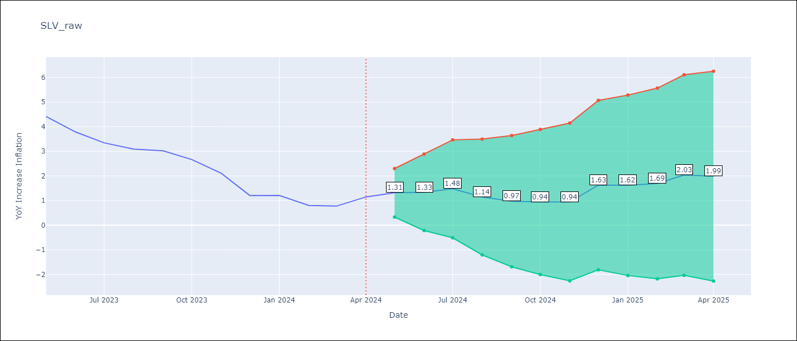

Test Metrics
RMSE | 0.32
Naive RMSE | 0.52
MAPE | 20.31%

Test Predictions
Date | Predicted | Actual
2023-05-01 | 4.65 | 4.42
2023-06-01 | 4.03 | 3.78
2023-07-01 | 3.65 | 3.34
2023-08-01 | 3.04 | 3.09
2023-09-01 | 2.72 | 3.02
2023-10-01 | 2.31 | 2.67
2023-11-01 | 1.68 | 2.11
2023-12-01 | 1.53 | 1.21
2024-01-01 | 1.45 | 1.21
2024-02-01 | 1.06 | 0.8
2024-03-01 | 1.29 | 0.77
2024-04-01 | 1.51 | 1.15

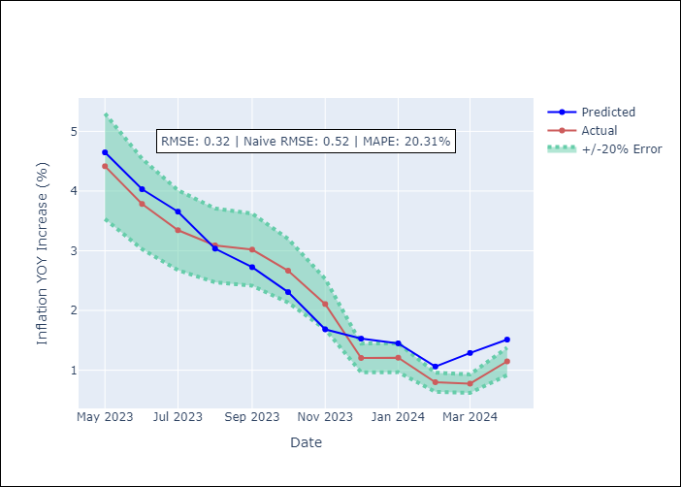

Appendix A: Model Summary
Model | ARIMA(1, 1, 0)x(2, 0, [1], 12)
Sample | 01-01-1996- 04-01-2024
No. of Observations | 340
Terms | P-value (Statistical significance)
ar.L1 | 0.000
ar.S.L12 | 0.268
ar.S.L24 | 0.002
ma.S.L12 | 0.000
sigma2 | 0.000
Assumptions | P-value

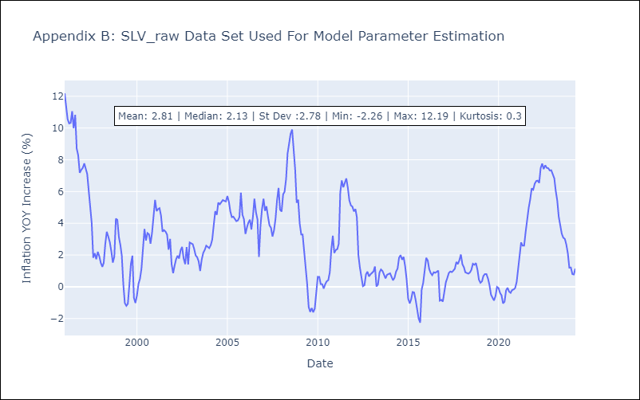

Appendix C: Residuals Analysis
Mean | 0.0

Normal? | No

