ATG
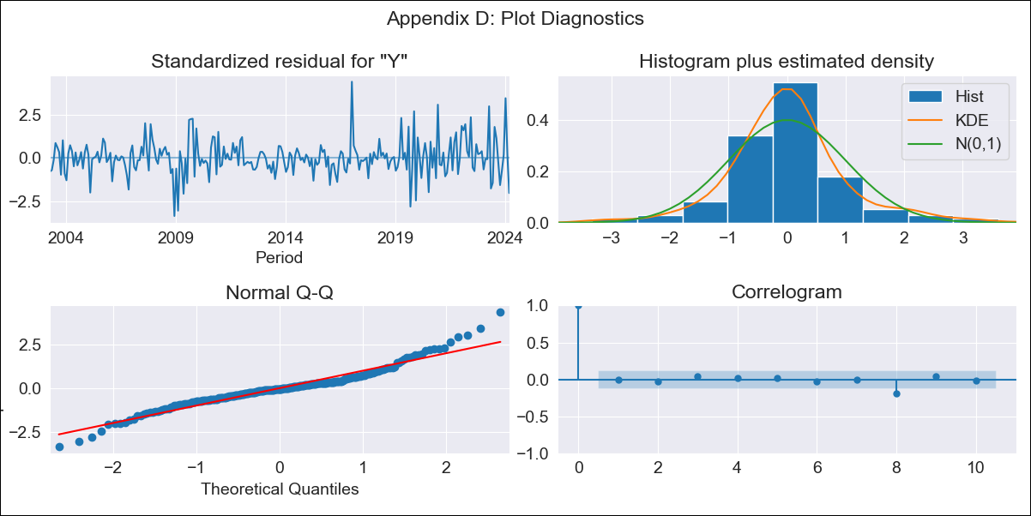
ATG - Inflation - Next 12 months forecast as of: 2024-03-01

Model | ARIMA - [(0, 1, 1), (0, 0, 1, 12)]
Training Data | 2002-01-01 to 2023-04-01
Test Data | 2023-04-01 to 2024-03-01

Date | Inflation Change YoY % | Lower Bound - 95% Confidence Interval | Upper Bound - 95% Confidence Interval
2024-04-01 | 3.26 | 1.69 | 5.14
2024-05-01 | 4.5 | 2.17 | 7.37
2024-06-01 | 5.34 | 2.39 | 9.05
2024-07-01 | 4.09 | 1.14 | 8.06
2024-08-01 | 3.5 | 0.5 | 7.79
2024-09-01 | 3.7 | 0.41 | 8.51
2024-10-01 | 4.66 | 0.8 | 10.26
2024-11-01 | 5.05 | 0.84 | 11.22
2024-12-01 | 4.88 | 0.56 | 11.41
2025-01-01 | 2.8 | -0.62 | 8.81
2025-02-01 | 2.88 | -0.69 | 9.27
2025-03-01 | 4.07 | -0.26 | 11.4

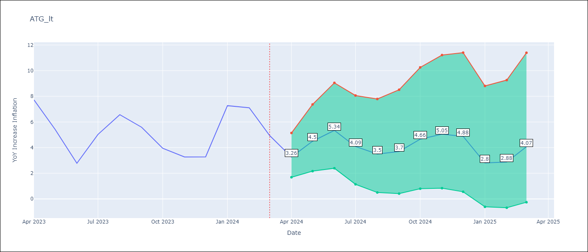

Test Metrics
RMSE | 2.19
Naive RMSE | 2.12
MAPE | 28.68%

Test Predictions
Date | Predicted | Actual
2023-04-01 | 4.48 | 7.73
2023-05-01 | 4.46 | 5.42
2023-06-01 | 3.06 | 2.78
2023-07-01 | 3.5 | 5.03
2023-08-01 | 3.92 | 6.57
2023-09-01 | 3.41 | 5.59
2023-10-01 | 3.33 | 3.95
2023-11-01 | 3.18 | 3.27
2023-12-01 | 2.98 | 3.28
2024-01-01 | 3.38 | 7.27
2024-02-01 | 3.38 | 7.11
2024-03-01 | 3.42 | 4.94

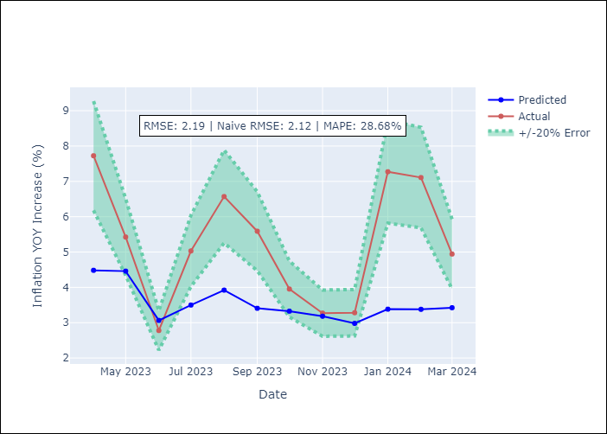

Appendix A: Model Summary
Model | ARIMA(0, 1, 1)x(0, 0, 1, 12)
Sample | 01-01-2002- 03-01-2024
No. of Observations | 267
Terms | P-value (Statistical significance)
ma.L1 | 0.111
ma.S.L12 | 0.000
sigma2 | 0.000
Assumptions | P-value

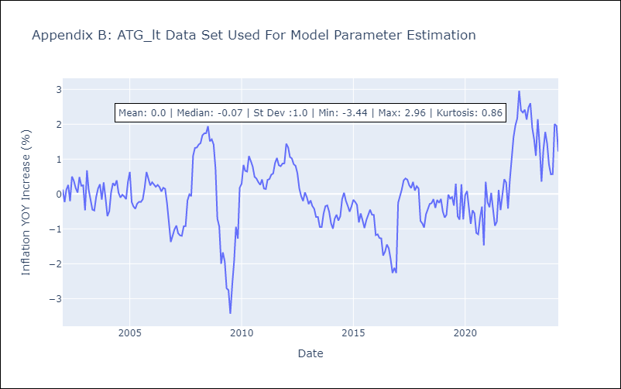

Appendix C: Residuals Analysis
Mean | 0.01

Normal? | No

BHS
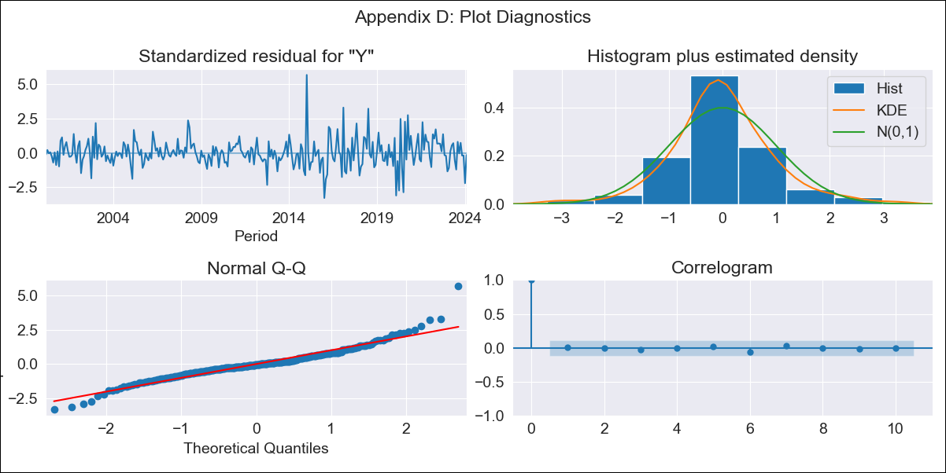
BHS - Inflation - Next 12 months forecast as of: 2024-02-01

Model | ARIMA - [(2, 1, 0), (0, 0, 2, 12)]
Training Data | 1998-01-01 to 2023-03-01
Test Data | 2023-03-01 to 2024-02-01

Date | Inflation Change YoY % | Lower Bound - 95% Confidence Interval | Upper Bound - 95% Confidence Interval
2024-03-01 | 1.53 | 0.68 | 2.5
2024-04-01 | 1.36 | 0.28 | 2.66
2024-05-01 | 1.07 | -0.17 | 2.65
2024-06-01 | 1.23 | -0.22 | 3.13
2024-07-01 | 1.55 | -0.14 | 3.79
2024-08-01 | 1.25 | -0.48 | 3.64
2024-09-01 | 1.31 | -0.55 | 3.95
2024-10-01 | 1 | -0.85 | 3.74
2024-11-01 | 1.1 | -0.87 | 4.08
2024-12-01 | 1.13 | -0.94 | 4.31
2025-01-01 | 1.93 | -0.54 | 5.57
2025-02-01 | 1.95 | -0.61 | 5.78

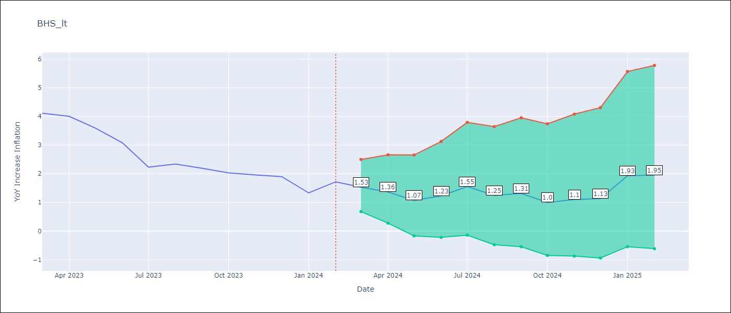

Test Metrics
RMSE | 0.51
Naive RMSE | 0.41
MAPE | 20.96%

Test Predictions
Date | Predicted | Actual
2023-03-01 | 4.09 | 4.11
2023-04-01 | 3.67 | 4
2023-05-01 | 2.77 | 3.59
2023-06-01 | 2.62 | 3.08
2023-07-01 | 2.4 | 2.23
2023-08-01 | 1.97 | 2.34
2023-09-01 | 1.94 | 2.19
2023-10-01 | 1.28 | 2.03
2023-11-01 | 1.32 | 1.96
2023-12-01 | 1.31 | 1.9
2024-01-01 | 1.82 | 1.33
2024-02-01 | 2.29 | 1.72

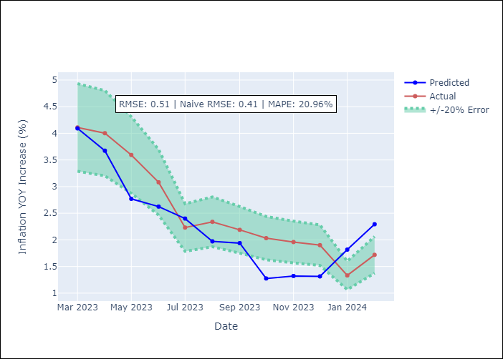

Appendix A: Model Summary
Model | ARIMA(2, 1, 0)x(0, 0, [1, 2], 12)
Sample | 01-01-1998- 02-01-2024
No. of Observations | 314
Terms | P-value (Statistical significance)
ar.L1 | 0.047
ar.L2 | 0.054
ma.S.L12 | 0.000
ma.S.L24 | 0.100
sigma2 | 0.000
Assumptions | P-value

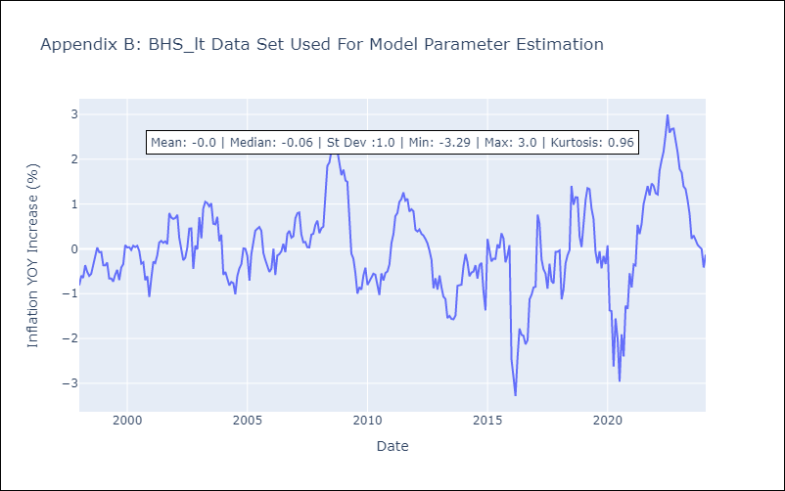

Appendix C: Residuals Analysis
Mean | 0.0

Normal? | No

BLZ
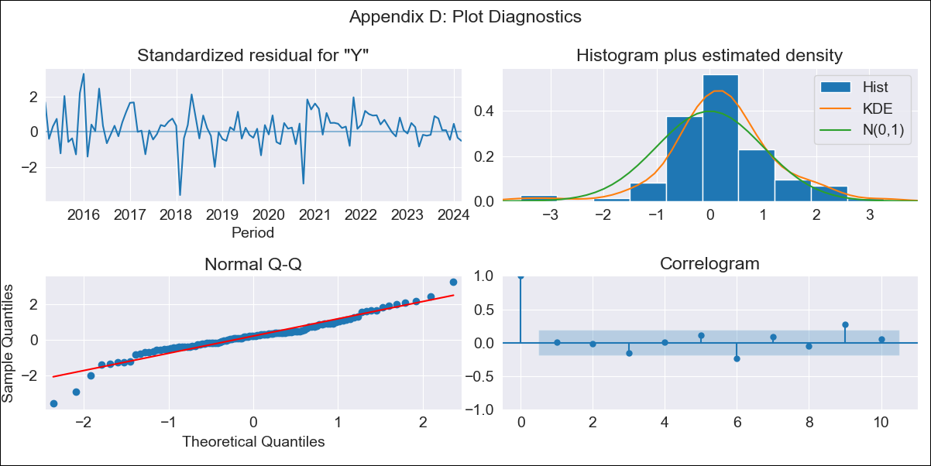
BLZ - Inflation - Next 12 months forecast as of: 2024-03-01

Model | ARIMA - [(0, 1, 0), (0, 0, 2, 12)]
Training Data | 2013-01-01 to 2023-04-01
Test Data | 2023-04-01 to 2024-03-01

Date | Inflation Change YoY % | Lower Bound - 95% Confidence Interval | Upper Bound - 95% Confidence Interval
2024-04-01 | 4.08 | 2.42 | 6.35
2024-05-01 | 4.38 | 2.06 | 7.94
2024-06-01 | 4.62 | 1.81 | 9.37
2024-07-01 | 4.89 | 1.64 | 10.8
2024-08-01 | 4.28 | 1.09 | 10.58
2024-09-01 | 3.74 | 0.67 | 10.34
2024-10-01 | 3.64 | 0.48 | 10.86
2024-11-01 | 3.71 | 0.38 | 11.75
2024-12-01 | 4.03 | 0.38 | 13.22
2025-01-01 | 3.71 | 0.17 | 13.16
2025-02-01 | 4.02 | 0.17 | 14.66
2025-03-01 | 4.44 | 0.21 | 16.47

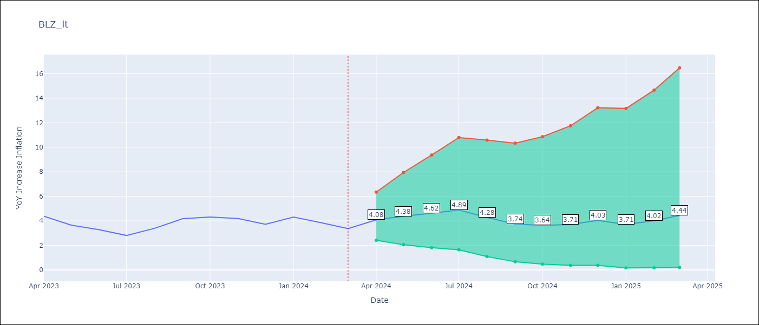

Test Metrics
RMSE | 0.73
Naive RMSE | 0.65
MAPE | 16.89%

Test Predictions
Date | Predicted | Actual
2023-04-01 | 5.34 | 4.38
2023-05-01 | 4.74 | 3.65
2023-06-01 | 4.54 | 3.28
2023-07-01 | 4.15 | 2.81
2023-08-01 | 3.97 | 3.39
2023-09-01 | 4.06 | 4.18
2023-10-01 | 4.05 | 4.31
2023-11-01 | 3.91 | 4.19
2023-12-01 | 3.89 | 3.72
2024-01-01 | 4.05 | 4.31
2024-02-01 | 3.97 | 3.84
2024-03-01 | 3.99 | 3.37

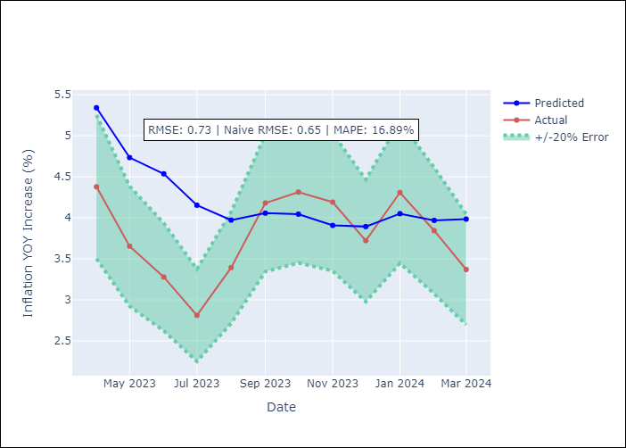

Appendix A: Model Summary
Model | ARIMA(0, 1, 0)x(0, 0, [1, 2], 12)
Sample | 01-01-2013- 03-01-2024
No. of Observations | 135
Terms | P-value (Statistical significance)
ma.S.L12 | 0.000
ma.S.L24 | 0.043
sigma2 | 0.000
Assumptions | P-value

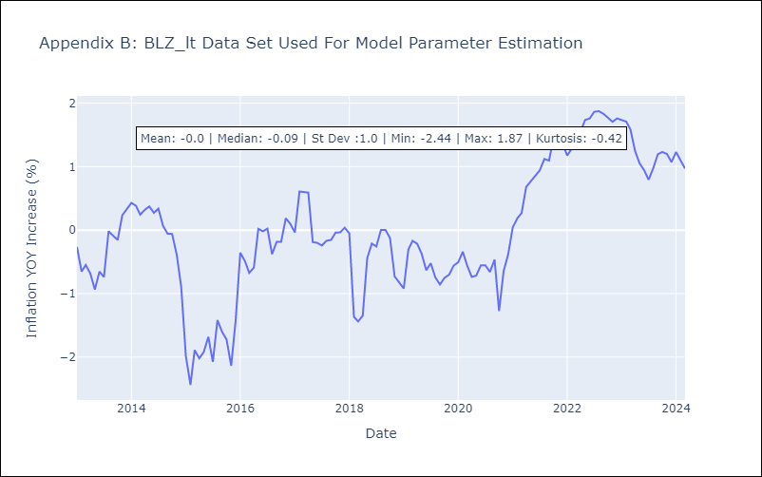

Appendix C: Residuals Analysis
Mean | 0.03

Normal? | No

BRB
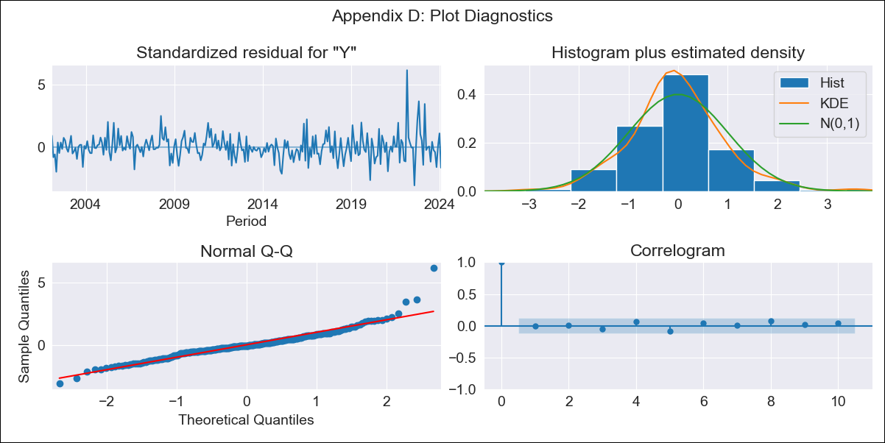
BRB - Inflation - Next 12 months forecast as of: 2024-02-01

Model | ARIMA - [(3, 0, 0), (0, 0, 1, 12)]
Training Data | 2001-01-01 to 2023-03-01
Test Data | 2023-03-01 to 2024-02-01

Date | Inflation Change YoY % | Lower Bound - 95% Confidence Interval | Upper Bound - 95% Confidence Interval
2024-03-01 | 1.43 | -0.2 | 3.05
2024-04-01 | 1.18 | -1.33 | 3.69
2024-05-01 | 1.06 | -2.19 | 4.3
2024-06-01 | 1.08 | -2.76 | 4.92
2024-07-01 | 1.84 | -2.51 | 6.18
2024-08-01 | 1.82 | -2.95 | 6.59
2024-09-01 | 2.09 | -3.04 | 7.23
2024-10-01 | 2.45 | -3.01 | 7.9
2024-11-01 | 3.52 | -2.22 | 9.26
2024-12-01 | 3.75 | -2.24 | 9.74
2025-01-01 | 3.29 | -2.93 | 9.5
2025-02-01 | 4.2 | -2.22 | 10.62

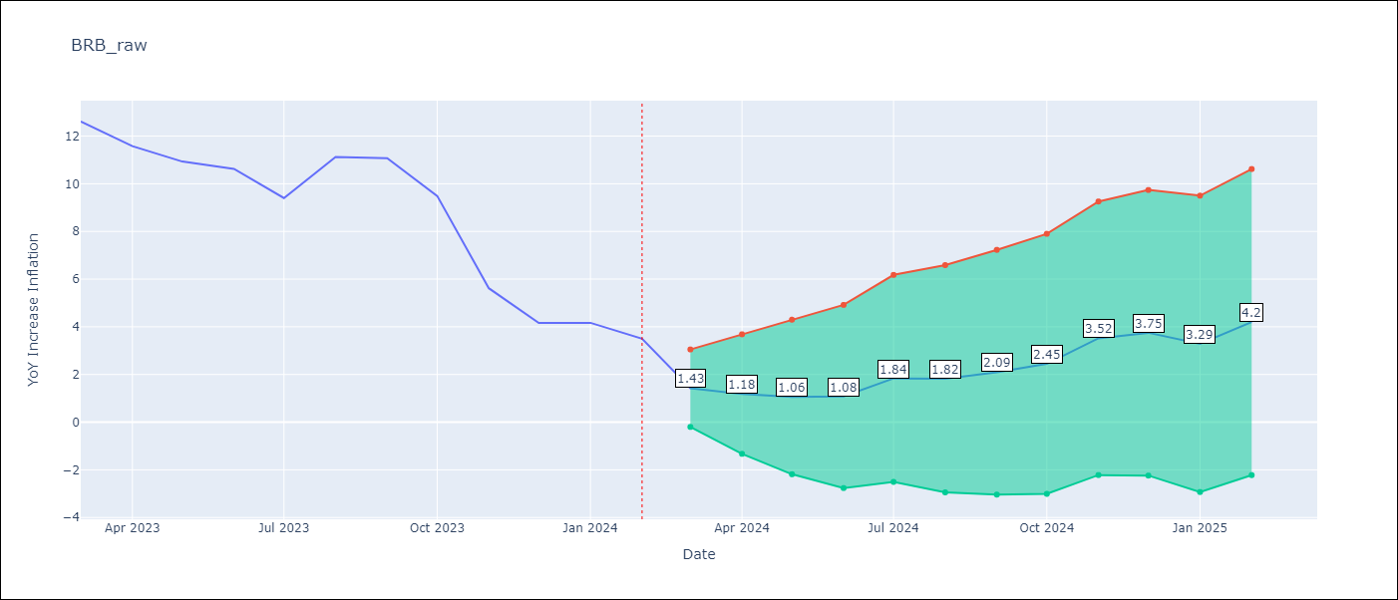

Test Metrics
RMSE | 1.83
Naive RMSE | 1.49
MAPE | 22.08%

Test Predictions
Date | Predicted | Actual
2023-03-01 | 10.43 | 12.61
2023-04-01 | 8.82 | 11.58
2023-05-01 | 8.15 | 10.93
2023-06-01 | 8.5 | 10.62
2023-07-01 | 7.85 | 9.4
2023-08-01 | 9.4 | 11.12
2023-09-01 | 10.62 | 11.07
2023-10-01 | 8.54 | 9.49
2023-11-01 | 7.12 | 5.62
2023-12-01 | 6.19 | 4.16
2024-01-01 | 4.73 | 4.17
2024-02-01 | 5.01 | 3.5

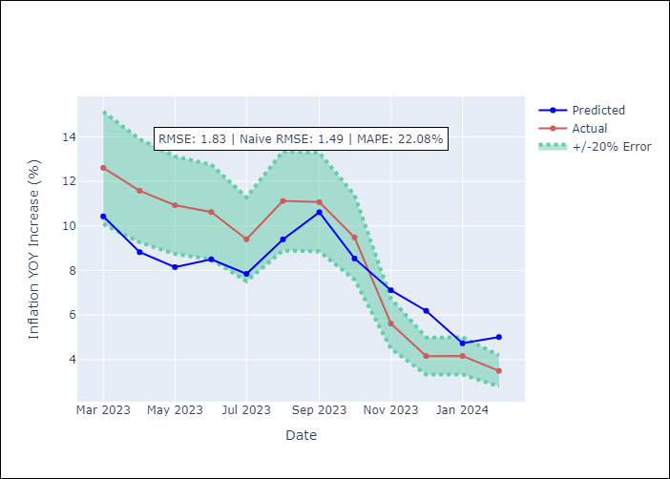

Appendix A: Model Summary
Model | ARIMA(3, 0, 0)x(0, 0, [1], 12)
Sample | 01-01-2001- 02-01-2024
No. of Observations | 278
Terms | P-value (Statistical significance)
const | 0.000
ar.L1 | 0.000
ar.L2 | 0.263
ar.L3 | 0.218
ma.S.L12 | 0.000
sigma2 | 0.000
Assumptions | P-value

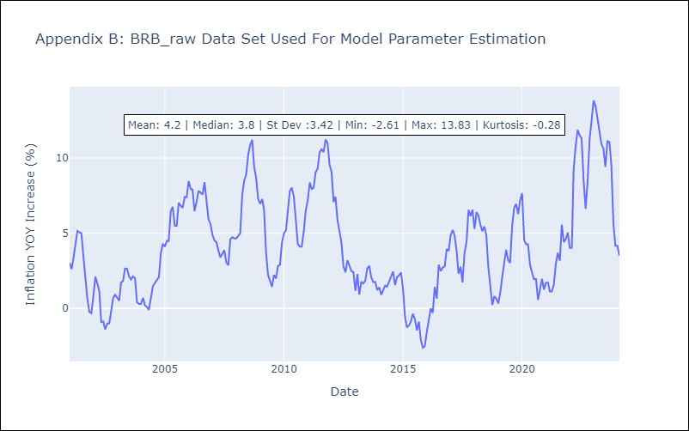

Appendix C: Residuals Analysis
Mean | -0.01

Normal? | No

DMA
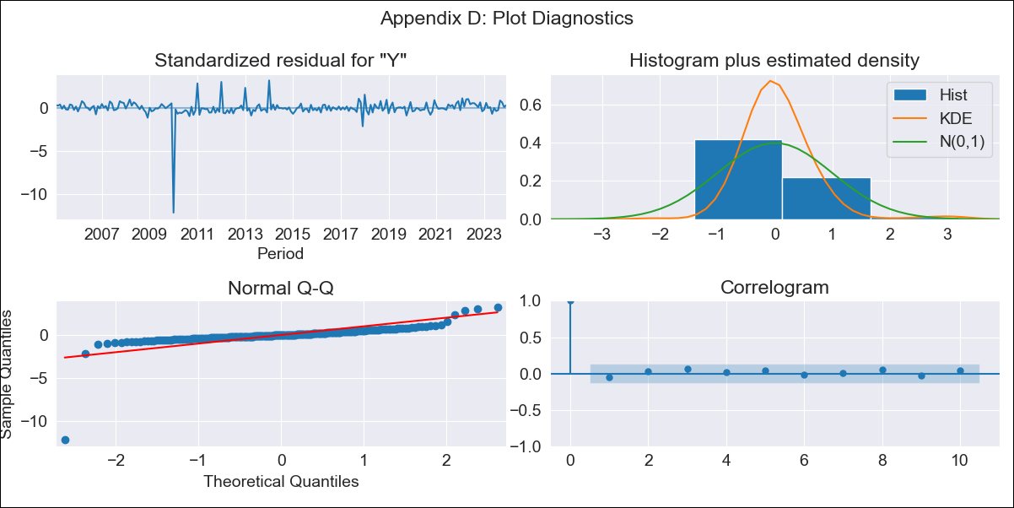
DMA - Inflation - Next 12 months forecast as of: 2023-12-01

Model | ARIMA - [(1, 0, 0), (3, 0, 0, 12)]
Training Data | 2002-01-01 to 2023-01-01
Test Data | 2023-01-01 to 2023-12-01

Date | Inflation Change YoY % | Lower Bound - 95% Confidence Interval | Upper Bound - 95% Confidence Interval
2024-01-01 | 2.63 | -0.44 | 5.69
2024-02-01 | 1.85 | -2.42 | 6.13
2024-03-01 | 1.63 | -3.53 | 6.79
2024-04-01 | 1.66 | -4.21 | 7.54
2024-05-01 | 2.37 | -4.11 | 8.84
2024-06-01 | 2.28 | -4.71 | 9.28
2024-07-01 | 2.69 | -4.76 | 10.14
2024-08-01 | 3.12 | -4.74 | 10.97
2024-09-01 | 2.04 | -6.19 | 10.26
2024-10-01 | 1.29 | -7.26 | 9.84
2024-11-01 | 1.22 | -7.63 | 10.07
2024-12-01 | 0.92 | -8.2 | 10.04

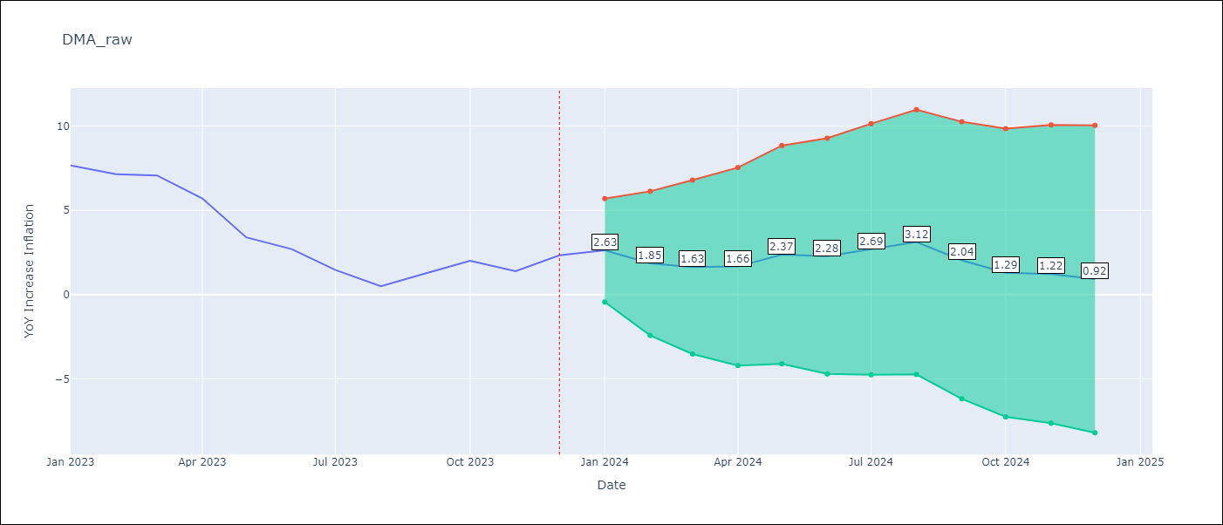

Test Metrics
RMSE | 1.03
Naive RMSE | 1.06
MAPE | 50.37%

Test Predictions
Date | Predicted | Actual
2023-01-01 | 7.91 | 7.66
2023-02-01 | 6.43 | 7.15
2023-03-01 | 6.32 | 7.07
2023-04-01 | 4.8 | 5.7
2023-05-01 | 3.55 | 3.39
2023-06-01 | 2.81 | 2.7
2023-07-01 | 2.08 | 1.45
2023-08-01 | 1.46 | 0.49
2023-09-01 | 0.82 | 1.27
2023-10-01 | 0.53 | 2.01
2023-11-01 | -0.26 | 1.39
2023-12-01 | 0.23 | 2.33

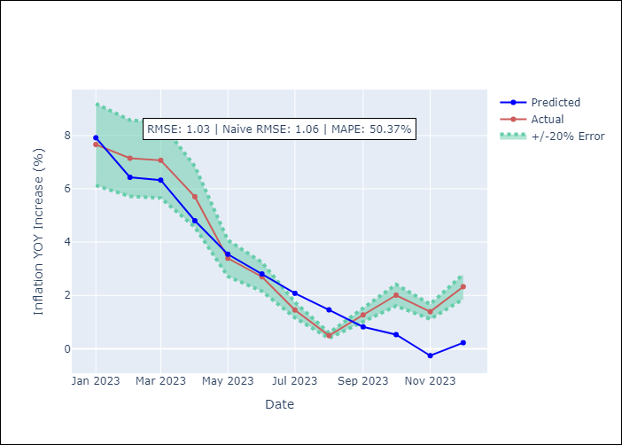

Appendix A: Model Summary
Model | ARIMA(1, 0, 0)x(3, 0, 0, 12)
Sample | 01-01-2002- 12-01-2023
No. of Observations | 264
Terms | P-value (Statistical significance)
const | 0.711
ar.L1 | 0.000
ar.S.L12 | 0.000
ar.S.L24 | 0.000
ar.S.L36 | 0.000
sigma2 | 0.000
Assumptions | P-value

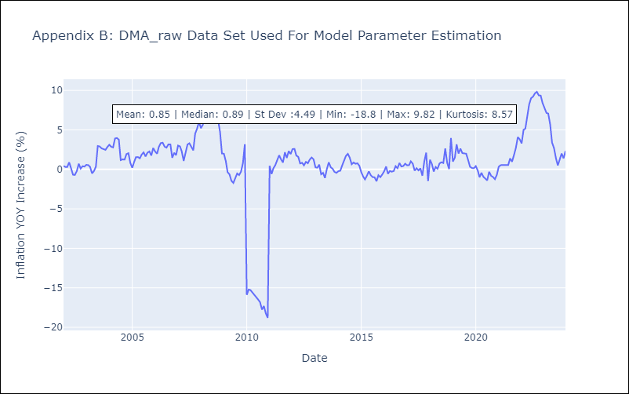

Appendix C: Residuals Analysis
Mean | 0.0

Normal? | No

GRD
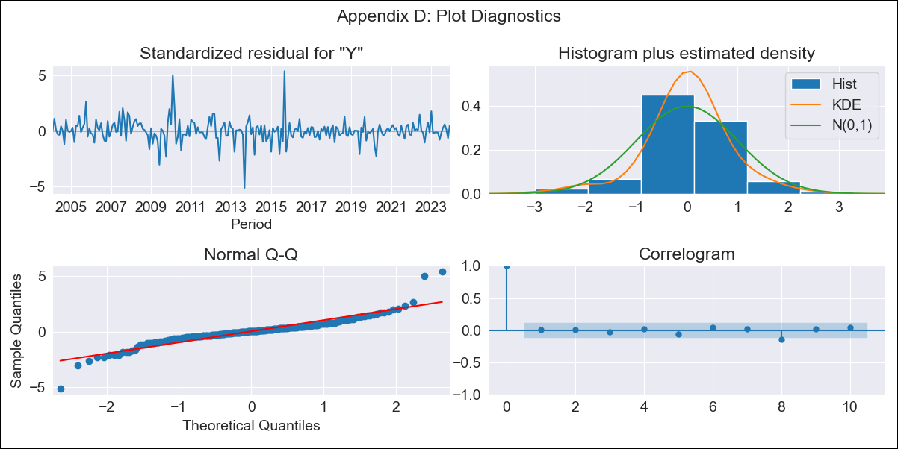
GRD - Inflation - Next 12 months forecast as of: 2023-12-01

Model | ARIMA - [(3, 0, 0), (1, 0, 2, 12)]
Training Data | 2002-01-01 to 2023-01-01
Test Data | 2023-01-01 to 2023-12-01

Date | Inflation Change YoY % | Lower Bound - 95% Confidence Interval | Upper Bound - 95% Confidence Interval
2024-01-01 | 1.62 | 0.64 | 2.67
2024-02-01 | 1.5 | 0.02 | 3.21
2024-03-01 | 1.46 | -0.44 | 3.77
2024-04-01 | 1.48 | -0.76 | 4.32
2024-05-01 | 1.51 | -1.02 | 4.82
2024-06-01 | 1.61 | -1.19 | 5.35
2024-07-01 | 1.7 | -1.34 | 5.81
2024-08-01 | 1.64 | -1.56 | 6.07
2024-09-01 | 1.51 | -1.8 | 6.2
2024-10-01 | 1.42 | -2 | 6.36
2024-11-01 | 1.53 | -2.05 | 6.74
2024-12-01 | 1.38 | -2.26 | 6.76

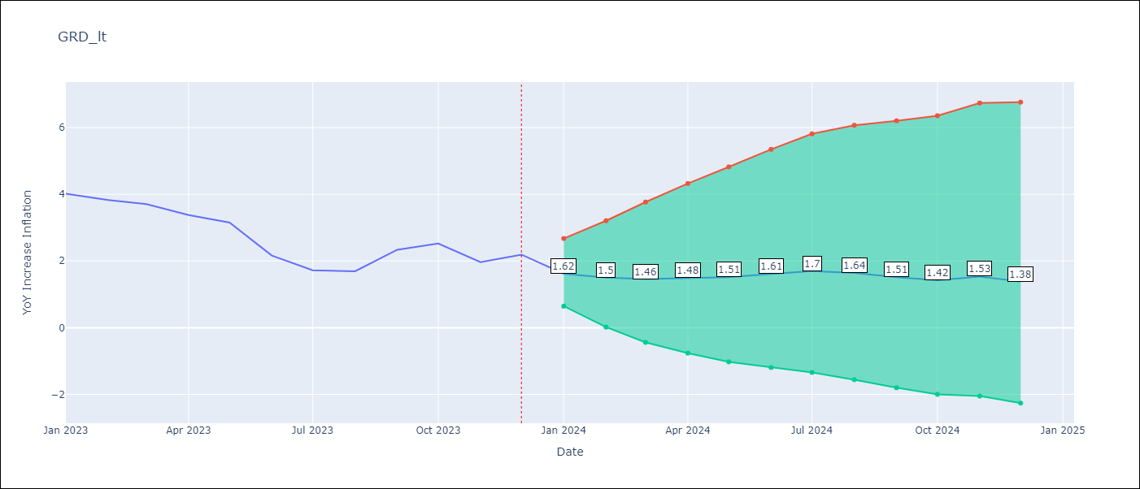

Test Metrics
RMSE | 0.87
Naive RMSE | 0.53
MAPE | 29.33%

Test Predictions
Date | Predicted | Actual
2023-01-01 | 2.97 | 4.02
2023-02-01 | 2.66 | 3.83
2023-03-01 | 2.47 | 3.7
2023-04-01 | 2.2 | 3.38
2023-05-01 | 2.08 | 3.15
2023-06-01 | 1.61 | 2.16
2023-07-01 | 1.4 | 1.72
2023-08-01 | 1.33 | 1.69
2023-09-01 | 1.65 | 2.34
2023-10-01 | 1.67 | 2.53
2023-11-01 | 1.41 | 1.97
2023-12-01 | 1.41 | 2.19

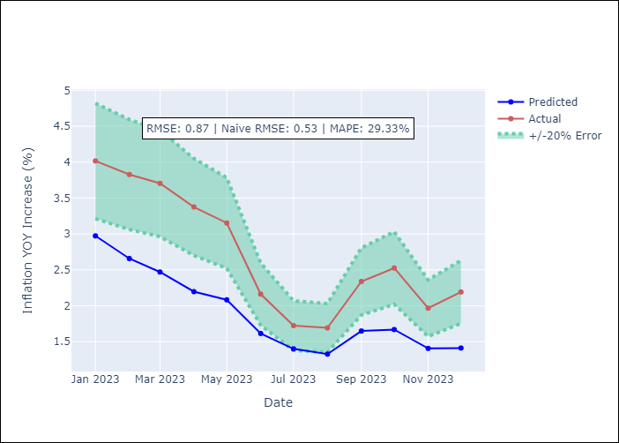

Appendix A: Model Summary
Model | ARIMA(3, 0, 0)x(1, 0, [1, 2], 12)
Sample | 01-01-2002- 12-01-2023
No. of Observations | 264
Terms | P-value (Statistical significance)
const | 0.554
ar.L1 | 0.000
ar.L2 | 0.176
ar.L3 | 0.090
ar.S.L12 | 0.243
ma.S.L12 | 0.334
ma.S.L24 | 0.035
sigma2 | 0.000
Assumptions | P-value

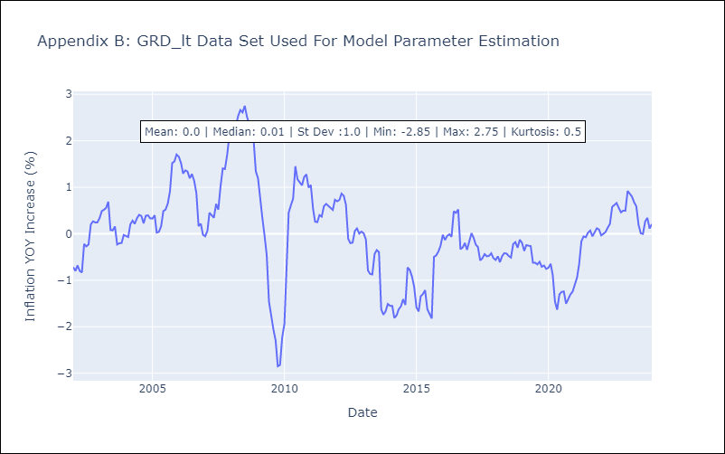

Appendix C: Residuals Analysis
Mean | 0.01

Normal? | No

GUY
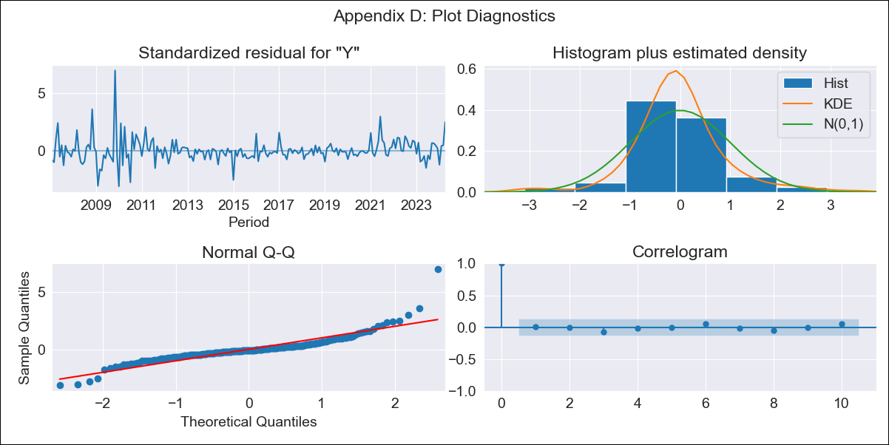
GUY - Inflation - Next 12 months forecast as of: 2024-04-01

Model | ARIMA - [(1, 0, 2), (1, 0, 0, 12)]
Training Data | 2006-01-01 to 2023-05-01
Test Data | 2023-05-01 to 2024-04-01

Date | Inflation Change YoY % | Lower Bound - 95% Confidence Interval | Upper Bound - 95% Confidence Interval
2024-05-01 | 5.25 | 3.23 | 7.27
2024-06-01 | 5.12 | 2.32 | 7.92
2024-07-01 | 5.16 | 1.94 | 8.37
2024-08-01 | 5.25 | 1.73 | 8.77
2024-09-01 | 4.85 | 1.09 | 8.6
2024-10-01 | 4.43 | 0.48 | 8.38
2024-11-01 | 4.21 | 0.11 | 8.31
2024-12-01 | 4.09 | -0.13 | 8.32
2025-01-01 | 4.35 | 0.02 | 8.67
2025-02-01 | 4.14 | -0.27 | 8.55
2025-03-01 | 3.63 | -0.84 | 8.11
2025-04-01 | 2.53 | -2 | 7.07

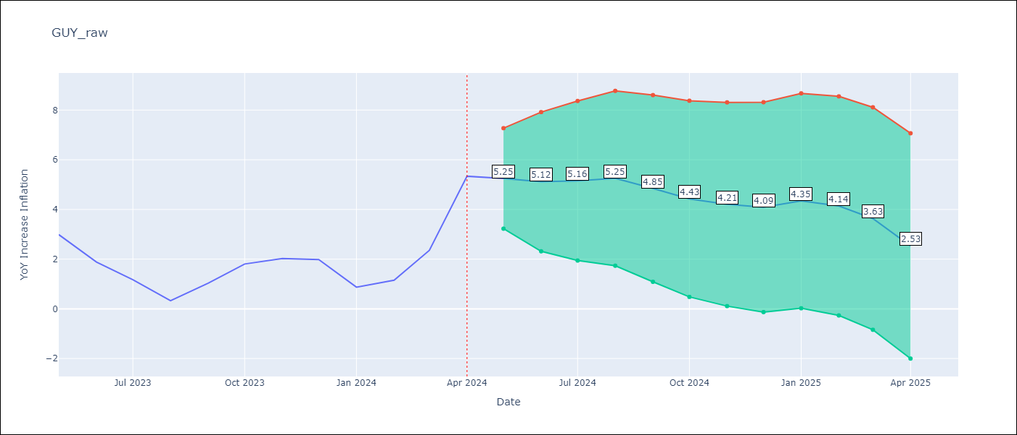

Test Metrics
RMSE | 1.7
Naive RMSE | 1.13
MAPE | 160.37%

Test Predictions
Date | Predicted | Actual
2023-05-01 | 3.56 | 2.99
2023-06-01 | 4.05 | 1.88
2023-07-01 | 3.63 | 1.17
2023-08-01 | 3.26 | 0.33
2023-09-01 | 3.07 | 1.03
2023-10-01 | 2.93 | 1.8
2023-11-01 | 2.65 | 2.02
2023-12-01 | 2.43 | 1.98
2024-01-01 | 2.62 | 0.87
2024-02-01 | 2.44 | 1.15
2024-03-01 | 2.92 | 2.35
2024-04-01 | 3.35 | 5.34

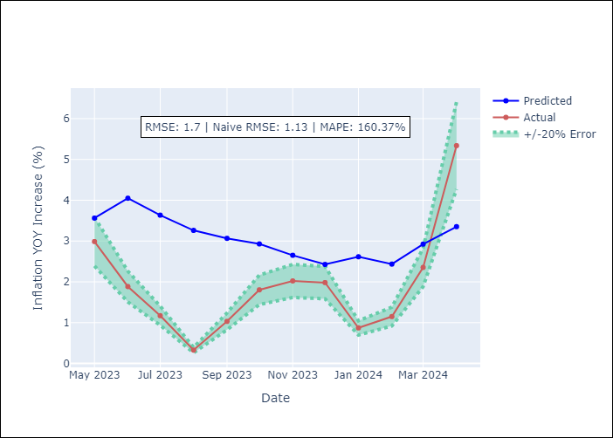

Appendix A: Model Summary
Model | ARIMA(1, 0, 2)x(1, 0, [], 12)
Sample | 01-01-2006- 04-01-2024
No. of Observations | 220
Terms | P-value (Statistical significance)
const | 0.001
ar.L1 | 0.000
ma.L1 | 0.613
ma.L2 | 0.027
ar.S.L12 | 0.000
sigma2 | 0.000
Assumptions | P-value

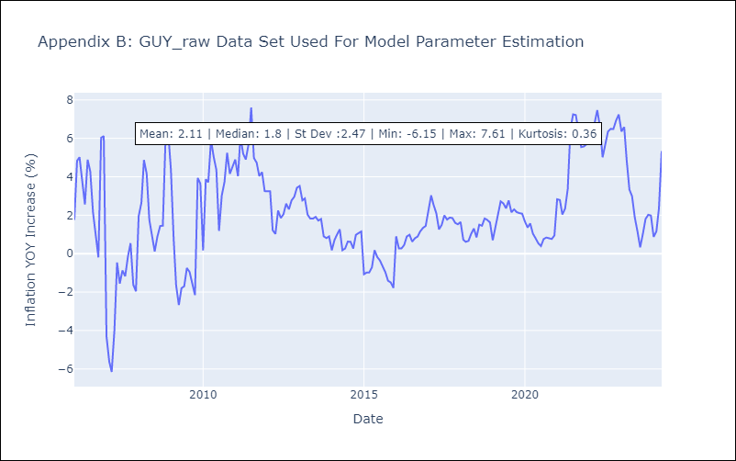

Appendix C: Residuals Analysis
Mean | -0.03

Normal? | No

JAM
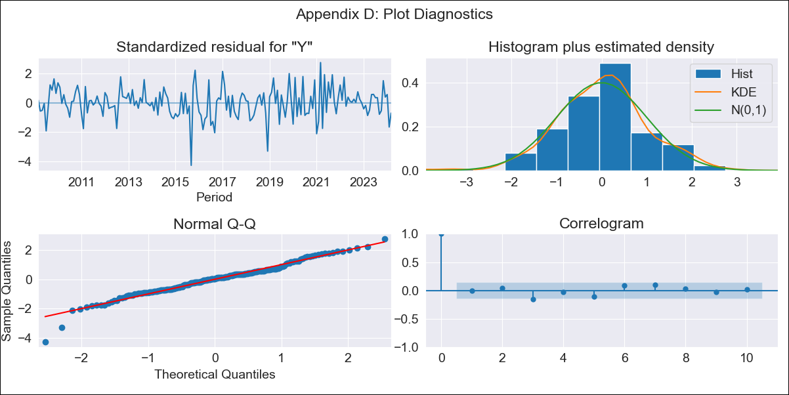
JAM - Inflation - Next 12 months forecast as of: 2024-03-01

Model | ARIMA - [(2, 0, 0), (3, 0, 0, 12)]
Training Data | 2006-01-01 to 2023-04-01
Test Data | 2023-04-01 to 2024-03-01

Date | Inflation Change YoY % | Lower Bound - 95% Confidence Interval | Upper Bound - 95% Confidence Interval
2024-04-01 | 5.66 | 4.4 | 7.25
2024-05-01 | 5.33 | 3.61 | 7.79
2024-06-01 | 5.31 | 3.24 | 8.55
2024-07-01 | 5.06 | 2.83 | 8.79
2024-08-01 | 4.82 | 2.5 | 8.94
2024-09-01 | 4.95 | 2.42 | 9.71
2024-10-01 | 5.14 | 2.39 | 10.57
2024-11-01 | 4.63 | 2.02 | 9.97
2024-12-01 | 4.6 | 1.91 | 10.29
2025-01-01 | 4.34 | 1.71 | 10.08
2025-02-01 | 4.65 | 1.78 | 11.12
2025-03-01 | 5.2 | 1.97 | 12.79

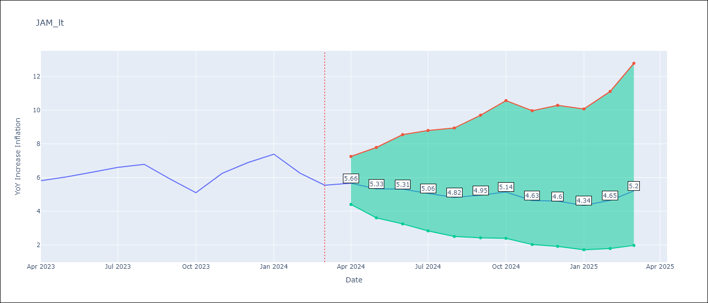

Test Metrics
RMSE | 1.0
Naive RMSE | 0.68
MAPE | 11.63%

Test Predictions
Date | Predicted | Actual
2023-04-01 | 6.19 | 5.81
2023-05-01 | 6.04 | 6.04
2023-06-01 | 5.82 | 6.32
2023-07-01 | 5.74 | 6.6
2023-08-01 | 5.59 | 6.79
2023-09-01 | 5.34 | 5.9
2023-10-01 | 5.05 | 5.1
2023-11-01 | 5.17 | 6.25
2023-12-01 | 5.28 | 6.88
2024-01-01 | 5.24 | 7.39
2024-02-01 | 5.42 | 6.26
2024-03-01 | 5.48 | 5.55

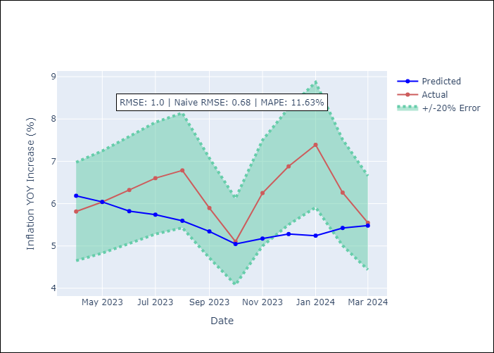

Appendix A: Model Summary
Model | ARIMA(2, 0, 0)x(3, 0, 0, 12)
Sample | 01-01-2006- 03-01-2024
No. of Observations | 219
Terms | P-value (Statistical significance)
const | 0.318
ar.L1 | 0.000
ar.L2 | 0.016
ar.S.L12 | 0.000
ar.S.L24 | 0.000
ar.S.L36 | 0.005
sigma2 | 0.000
Assumptions | P-value

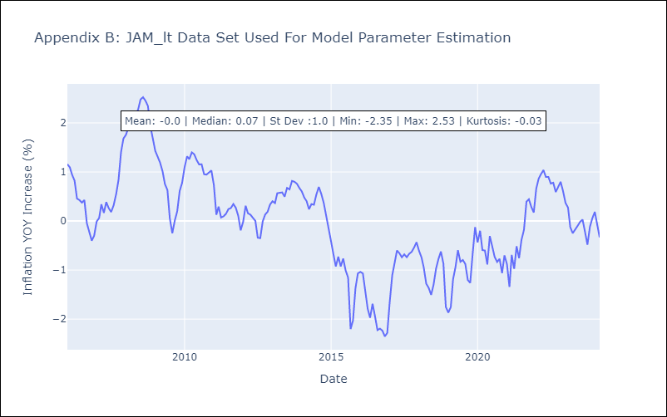

Appendix C: Residuals Analysis
Mean | 0.02

Normal? | No

KNA
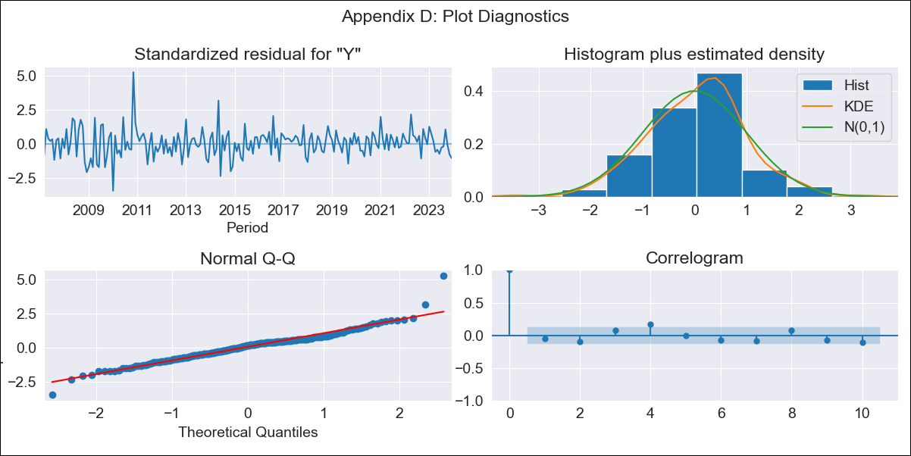
KNA - Inflation - Next 12 months forecast as of: 2023-12-01

Model | ARIMA - [(0, 2, 1), (3, 0, 0, 12)]
Training Data | 2004-01-01 to 2023-01-01
Test Data | 2023-01-01 to 2023-12-01

Date | Inflation Change YoY % | Lower Bound - 95% Confidence Interval | Upper Bound - 95% Confidence Interval
2024-01-01 | 0.88 | -0.55 | 2.32
2024-02-01 | 0.62 | -1.42 | 2.67
2024-03-01 | 0.38 | -2.15 | 2.91
2024-04-01 | 0.7 | -2.25 | 3.64
2024-05-01 | 0.87 | -2.45 | 4.19
2024-06-01 | 1.37 | -2.3 | 5.03
2024-07-01 | 1.5 | -2.49 | 5.49
2024-08-01 | 1.54 | -2.76 | 5.85
2024-09-01 | 1.14 | -3.46 | 5.75
2024-10-01 | 1.31 | -3.59 | 6.2
2024-11-01 | 1.7 | -3.47 | 6.88
2024-12-01 | 2.14 | -3.31 | 7.59

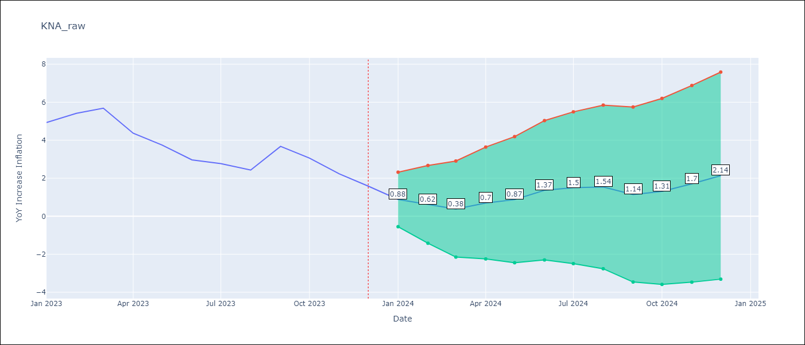

Test Metrics
RMSE | 0.92
Naive RMSE | 0.78
MAPE | 20.55%

Test Predictions
Date | Predicted | Actual
2023-01-01 | 4 | 4.93
2023-02-01 | 3.93 | 5.42
2023-03-01 | 4.02 | 5.68
2023-04-01 | 3.13 | 4.37
2023-05-01 | 2.82 | 3.74
2023-06-01 | 2.55 | 2.96
2023-07-01 | 2.55 | 2.77
2023-08-01 | 2.36 | 2.43
2023-09-01 | 2.81 | 3.68
2023-10-01 | 2.27 | 3.06
2023-11-01 | 2 | 2.23
2023-12-01 | 2.12 | 1.58

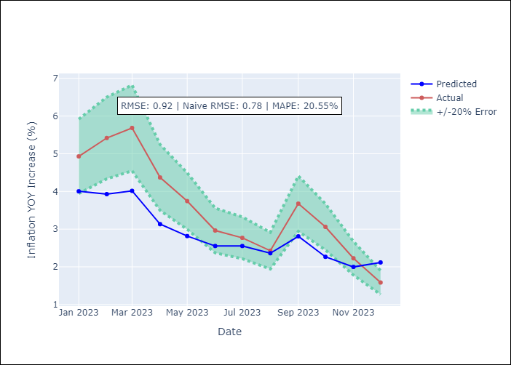

Appendix A: Model Summary
Model | ARIMA(0, 2, 1)x(3, 0, [], 12)
Sample | 01-01-2004- 12-01-2023
No. of Observations | 240
Terms | P-value (Statistical significance)
ma.L1 | 0.000
ar.S.L12 | 0.000
ar.S.L24 | 0.000
ar.S.L36 | 0.000
sigma2 | 0.000
Assumptions | P-value

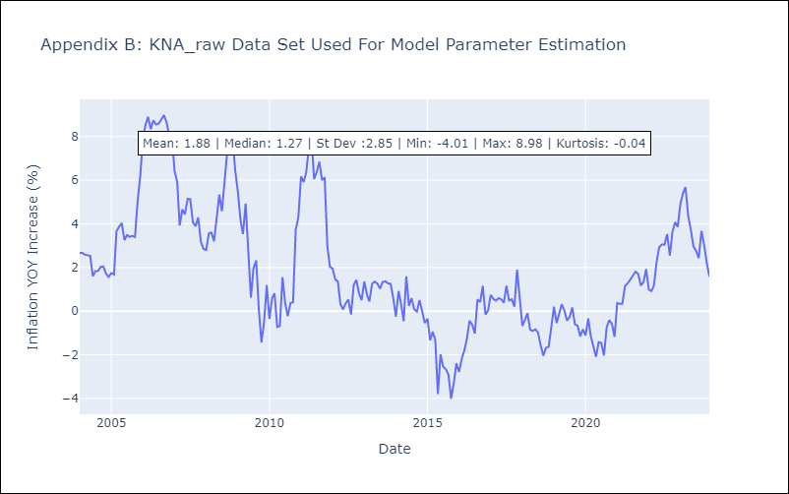

Appendix C: Residuals Analysis
Mean | 0.04

Normal? | No

LCA
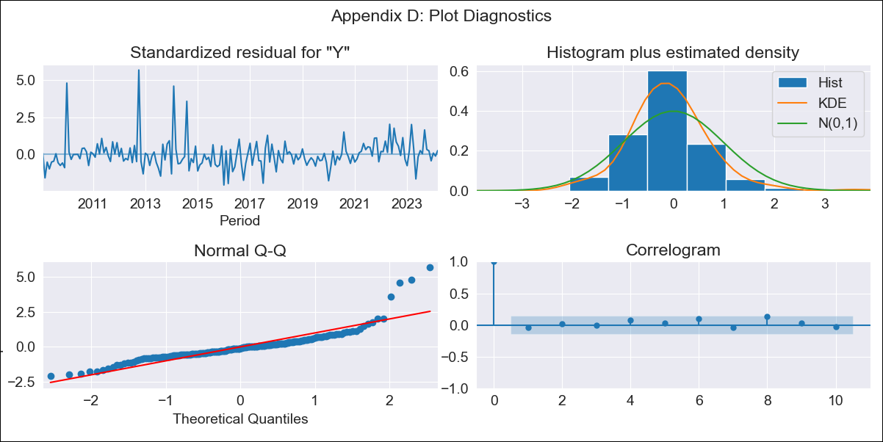
LCA - Inflation - Next 12 months forecast as of: 2024-03-01

Model | ARIMA - [(1, 0, 0), (3, 0, 1, 12)]
Training Data | 2006-01-01 to 2023-04-01
Test Data | 2023-04-01 to 2024-03-01

Date | Inflation Change YoY % | Lower Bound - 95% Confidence Interval | Upper Bound - 95% Confidence Interval
2024-04-01 | 0.13 | -1.55 | 1.77
2024-05-01 | 1.27 | -1.05 | 3.53
2024-06-01 | 1.3 | -1.52 | 4.03
2024-07-01 | 1.15 | -2.08 | 4.27
2024-08-01 | 1.43 | -2.13 | 4.87
2024-09-01 | 0.15 | -3.77 | 3.91
2024-10-01 | -0.23 | -4.44 | 3.79
2024-11-01 | -0.7 | -5.18 | 3.57
2024-12-01 | -0.25 | -4.94 | 4.2
2025-01-01 | -0.33 | -5.21 | 4.32
2025-02-01 | -0.34 | -5.41 | 4.48
2025-03-01 | -0.59 | -5.85 | 4.4

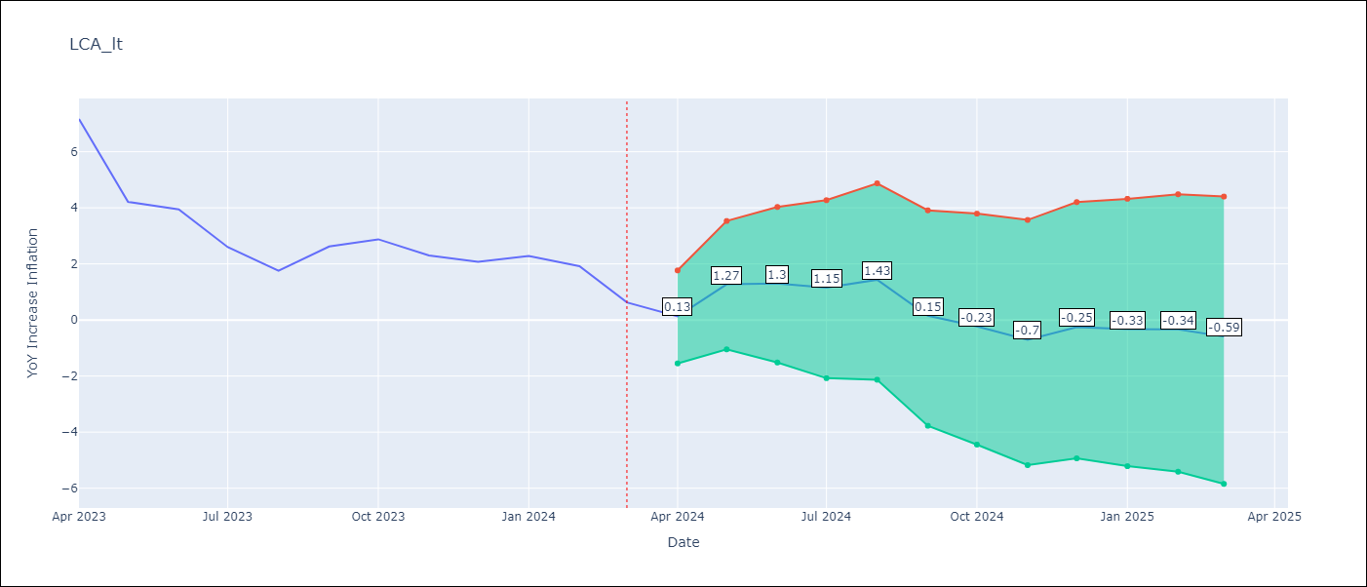

Test Metrics
RMSE | 0.8
Naive RMSE | 1.09
MAPE | 37.47%

Test Predictions
Date | Predicted | Actual
2023-04-01 | 6.84 | 7.17
2023-05-01 | 5.25 | 4.21
2023-06-01 | 5.08 | 3.94
2023-07-01 | 3.51 | 2.6
2023-08-01 | 2.64 | 1.76
2023-09-01 | 2.12 | 2.62
2023-10-01 | 2.1 | 2.88
2023-11-01 | 1.35 | 2.3
2023-12-01 | 1.48 | 2.07
2024-01-01 | 1.58 | 2.28
2024-02-01 | 1.32 | 1.92
2024-03-01 | -0.18 | 0.63

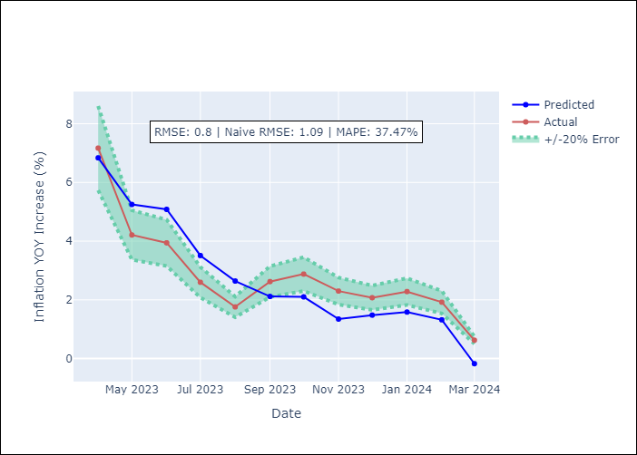

Appendix A: Model Summary
Model | ARIMA(1, 0, 0)x(3, 0, [1], 12)
Sample | 01-01-2006- 03-01-2024
No. of Observations | 219
Terms | P-value (Statistical significance)
const | 0.343
ar.L1 | 0.000
ar.S.L12 | 0.116
ar.S.L24 | 0.175
ar.S.L36 | 0.003
ma.S.L12 | 0.000
sigma2 | 0.000
Assumptions | P-value

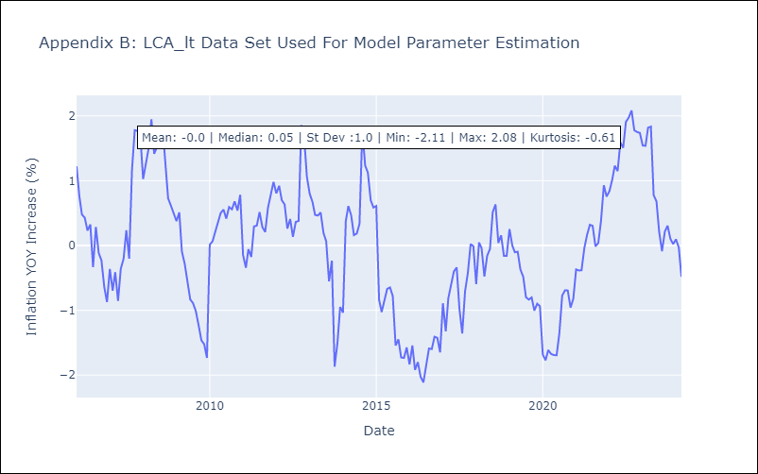

Appendix C: Residuals Analysis
Mean | 0.01

Normal? | No

SUR
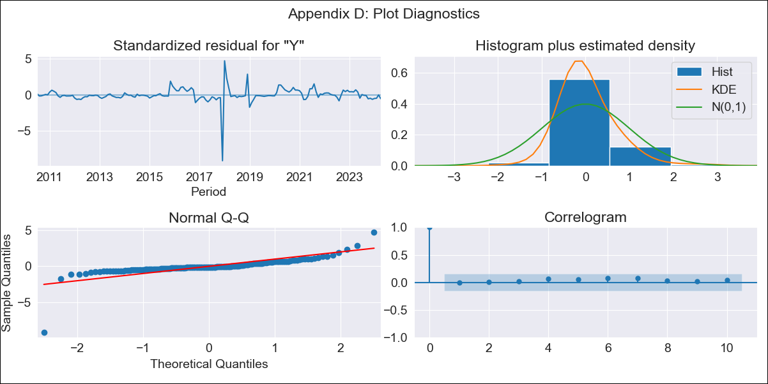
SUR - Inflation - Next 12 months forecast as of: 2024-04-01

Model | ARIMA - [(3, 0, 0), (0, 0, 0, 12)]
Training Data | 2010-04-01 to 2023-05-01
Test Data | 2023-05-01 to 2024-04-01

Date | Inflation Change YoY % | Lower Bound - 95% Confidence Interval | Upper Bound - 95% Confidence Interval
2024-05-01 | 23.09 | 6.22 | 45.72
2024-06-01 | 22.93 | 4.38 | 48.99
2024-07-01 | 22.67 | 2.77 | 51.98
2024-08-01 | 22.78 | 1.59 | 55.39
2024-09-01 | 22.75 | 0.73 | 57.94
2024-10-01 | 22.73 | 0.08 | 60.21
2024-11-01 | 22.72 | -0.4 | 62.25
2024-12-01 | 22.71 | -0.78 | 64.03
2025-01-01 | 22.7 | -1.1 | 65.62
2025-02-01 | 22.69 | -1.36 | 67.05
2025-03-01 | 22.68 | -1.59 | 68.33
2025-04-01 | 22.67 | -1.79 | 69.49

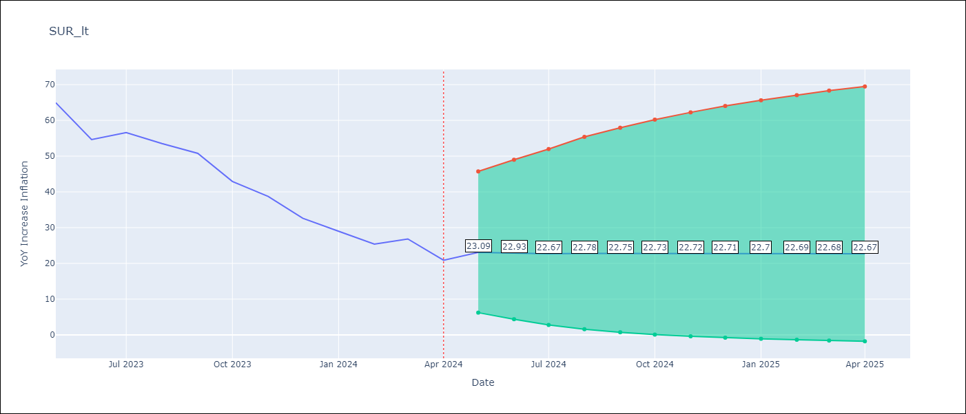

Test Metrics
RMSE | 16.76
Naive RMSE | 5.06
MAPE | 47.14%

Test Predictions
Date | Predicted | Actual
2023-05-01 | 60.38 | 64.95
2023-06-01 | 59.51 | 54.63
2023-07-01 | 58.56 | 56.6
2023-08-01 | 57.14 | 53.5
2023-09-01 | 56.01 | 50.79
2023-10-01 | 54.9 | 42.92
2023-11-01 | 53.82 | 38.74
2023-12-01 | 52.8 | 32.63
2024-01-01 | 51.82 | 28.98
2024-02-01 | 50.88 | 25.4
2024-03-01 | 49.98 | 26.83
2024-04-01 | 49.11 | 20.89

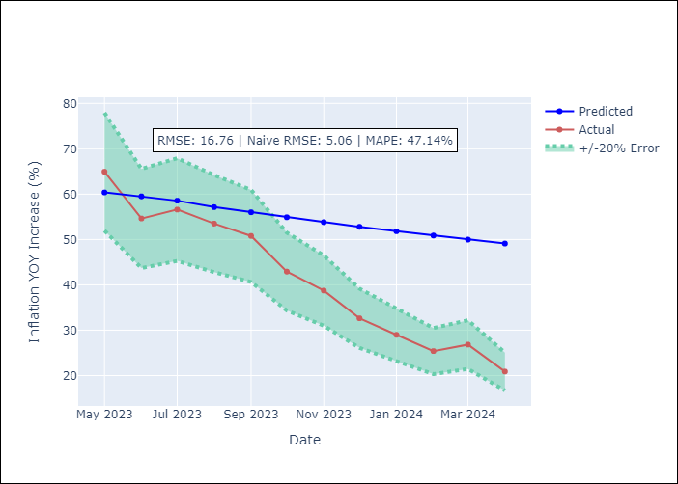

Appendix A: Model Summary
Model | ARIMA(3, 0, 0)
Sample | 04-01-2010- 04-01-2024
No. of Observations | 169
Terms | P-value (Statistical significance)
const | 0.909
ar.L1 | 0.000
ar.L2 | 0.000
ar.L3 | 0.065
sigma2 | 0.000
Assumptions | P-value

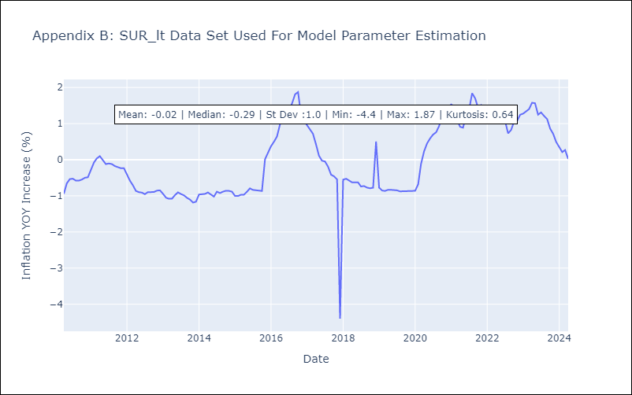

Appendix C: Residuals Analysis
Mean | -0.01

Normal? | No

TTO
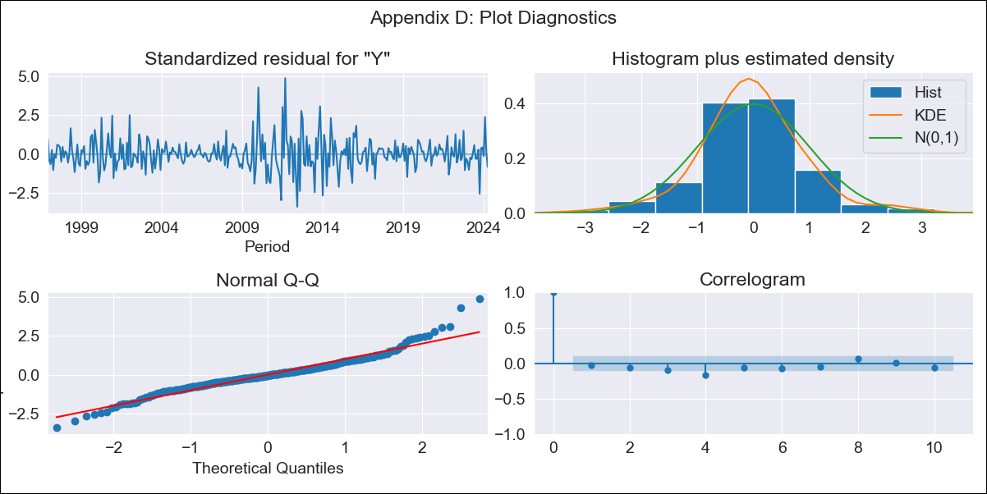
TTO - Inflation - Next 12 months forecast as of: 2024-04-01

Model | ARIMA - [(3, 2, 0), (0, 0, 2, 12)]
Training Data | 1994-09-01 to 2023-05-01
Test Data | 2023-05-01 to 2024-04-01

Date | Inflation Change YoY % | Lower Bound - 95% Confidence Interval | Upper Bound - 95% Confidence Interval
2024-05-01 | 0.41 | -0.16 | 1.2
2024-06-01 | 0.33 | -0.48 | 1.7
2024-07-01 | 0.25 | -0.78 | 2.35
2024-08-01 | 0.19 | -1.06 | 3.27
2024-09-01 | 0.09 | -1.37 | 4.46
2024-10-01 | 0.35 | -1.51 | 7.4
2024-11-01 | 0.35 | -1.78 | 10.15
2024-12-01 | 0.34 | -2.04 | 13.64
2025-01-01 | 0.4 | -2.28 | 18.72
2025-02-01 | 0.14 | -2.63 | 22.43
2025-03-01 | 0.08 | -2.9 | 28.85
2025-04-01 | 0.13 | -3.13 | 38.34

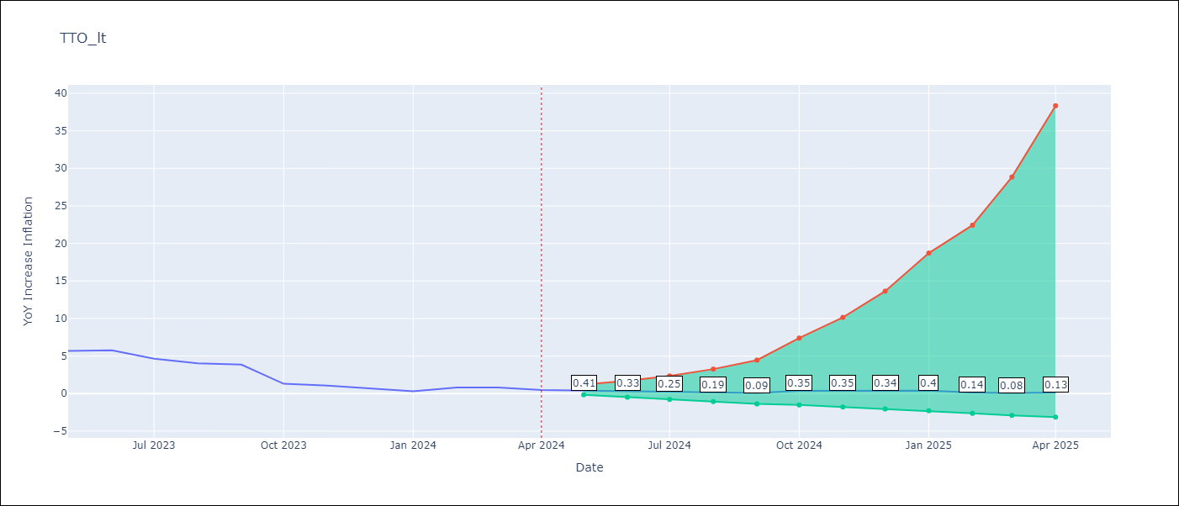

Test Metrics
RMSE | 0.77
Naive RMSE | 0.86
MAPE | 87.14%

Test Predictions
Date | Predicted | Actual
2023-05-01 | 5.6 | 5.69
2023-06-01 | 5.05 | 5.77
2023-07-01 | 4.15 | 4.66
2023-08-01 | 3.7 | 4.05
2023-09-01 | 3.27 | 3.87
2023-10-01 | 2.24 | 1.31
2023-11-01 | 2.08 | 1.06
2023-12-01 | 1.8 | 0.73
2024-01-01 | 1.56 | 0.32
2024-02-01 | 1.47 | 0.81
2024-03-01 | 1.37 | 0.81
2024-04-01 | 1.23 | 0.49

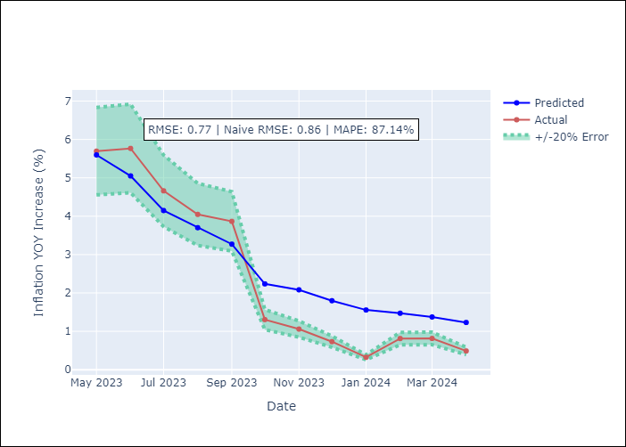

Appendix A: Model Summary
Model | ARIMA(3, 2, 0)x(0, 0, [1, 2], 12)
Sample | 09-01-1994- 04-01-2024
No. of Observations | 356
Terms | P-value (Statistical significance)
ar.L1 | 0.000
ar.L2 | 0.000
ar.L3 | 0.000
ma.S.L12 | 0.000
ma.S.L24 | 0.010
sigma2 | 0.000
Assumptions | P-value

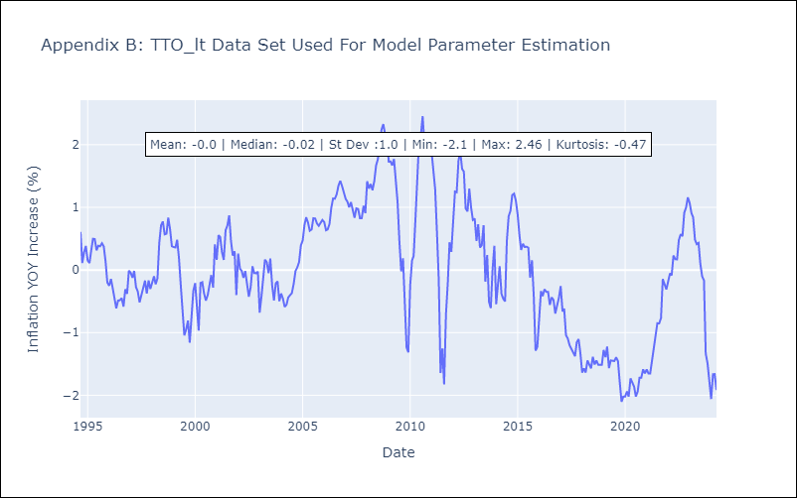

Appendix C: Residuals Analysis
Mean | 0.0

Normal? | No

VCT
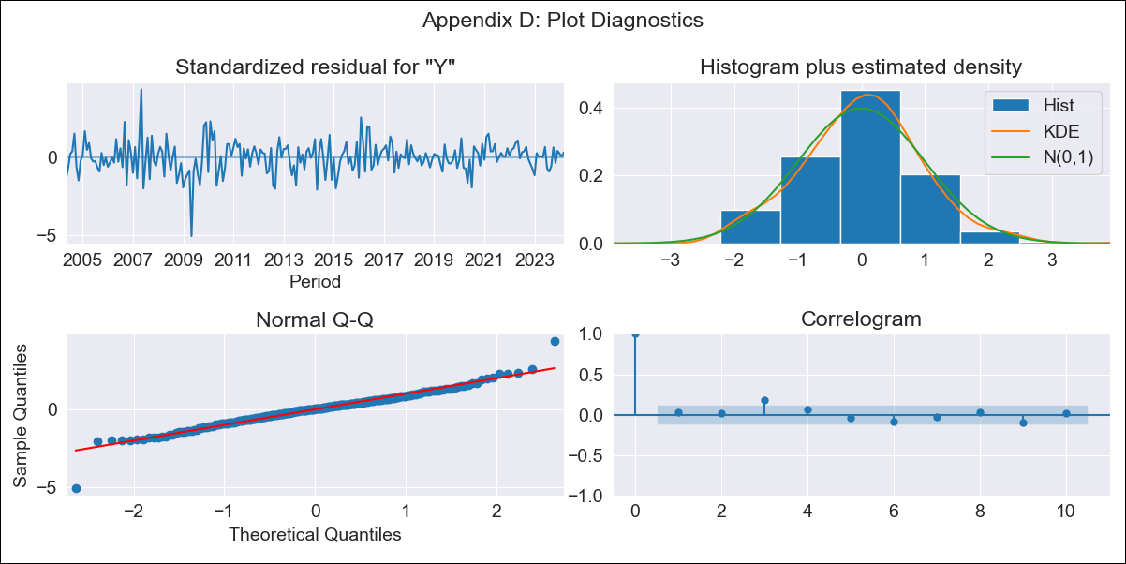
VCT - Inflation - Next 12 months forecast as of: 2024-03-01

Model | ARIMA - [(0, 2, 1), (0, 0, 2, 12)]
Training Data | 2002-01-01 to 2023-04-01
Test Data | 2023-04-01 to 2024-03-01

Date | Inflation Change YoY % | Lower Bound - 95% Confidence Interval | Upper Bound - 95% Confidence Interval
2024-04-01 | 4.84 | 3.3 | 6.52
2024-05-01 | 4.77 | 2.57 | 7.23
2024-06-01 | 4.49 | 1.83 | 7.59
2024-07-01 | 4.83 | 1.66 | 8.6
2024-08-01 | 5.29 | 1.61 | 9.73
2024-09-01 | 5.56 | 1.43 | 10.65
2024-10-01 | 5.32 | 0.89 | 10.96
2024-11-01 | 5.61 | 0.75 | 11.89
2024-12-01 | 5.55 | 0.38 | 12.42
2025-01-01 | 5.63 | 0.13 | 13.11
2025-02-01 | 5.64 | -0.15 | 13.73
2025-03-01 | 5.54 | -0.48 | 14.21

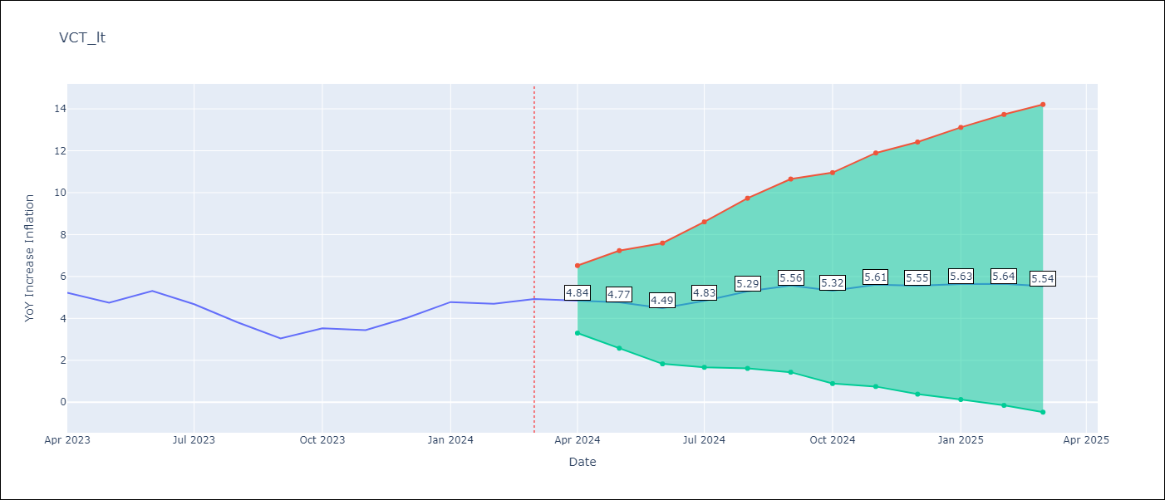

Test Metrics
RMSE | 0.65
Naive RMSE | 0.55
MAPE | 14.27%

Test Predictions
Date | Predicted | Actual
2023-04-01 | 5.16 | 5.22
2023-05-01 | 4.69 | 4.75
2023-06-01 | 4.69 | 5.31
2023-07-01 | 4.63 | 4.67
2023-08-01 | 4.49 | 3.81
2023-09-01 | 4.18 | 3.05
2023-10-01 | 4.24 | 3.53
2023-11-01 | 4.46 | 3.43
2023-12-01 | 4.79 | 4.03
2024-01-01 | 5.4 | 4.78
2024-02-01 | 5.28 | 4.69
2024-03-01 | 5.26 | 4.93



Appendix A: Model Summary
Model | ARIMA(0, 2, 1)x(0, 0, [1, 2], 12)
Sample | 01-01-2002- 03-01-2024
No. of Observations | 267
Terms | P-value (Statistical significance)
ma.L1 | 0.000
ma.S.L12 | 0.000
ma.S.L24 | 0.014
sigma2 | 0.000
Assumptions | P-value



Appendix C: Residuals Analysis
Mean | 0.0

Normal? | No

