CEN09
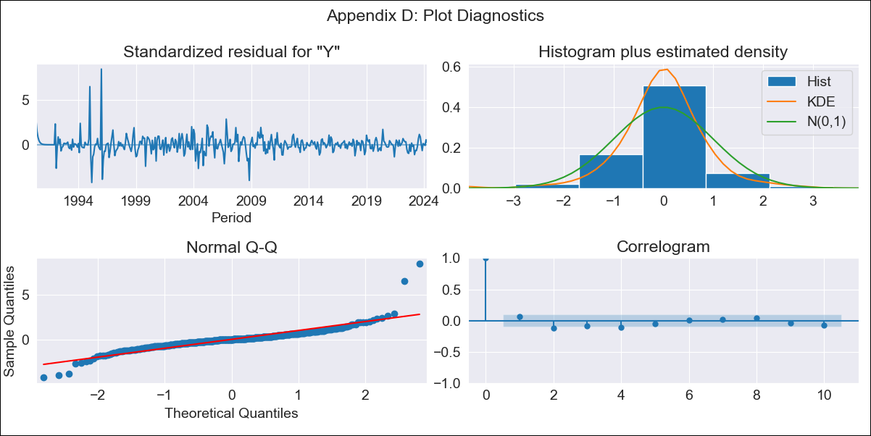
CEN09 - Inflation - Next 12 months forecast as of: 2024-04-01

Model | ARIMA - [(0, 2, 1), (0, 0, 0, 12)]
Training Data | 1990-01-01 to 2023-05-01
Test Data | 2023-05-01 to 2024-04-01

Date | Inflation Change YoY % | Lower Bound - 95% Confidence Interval | Upper Bound - 95% Confidence Interval
2024-05-01 | 3.09 | 1.82 | 4.36
2024-06-01 | 3.06 | 0.84 | 5.29
2024-07-01 | 3.04 | -0.22 | 6.29
2024-08-01 | 3.01 | -1.37 | 7.39
2024-09-01 | 2.98 | -2.61 | 8.58
2024-10-01 | 2.96 | -3.94 | 9.86
2024-11-01 | 2.93 | -5.35 | 11.22
2024-12-01 | 2.91 | -6.85 | 12.66
2025-01-01 | 2.88 | -8.41 | 14.17
2025-02-01 | 2.85 | -10.05 | 15.76
2025-03-01 | 2.83 | -11.76 | 17.42
2025-04-01 | 2.8 | -13.54 | 19.14

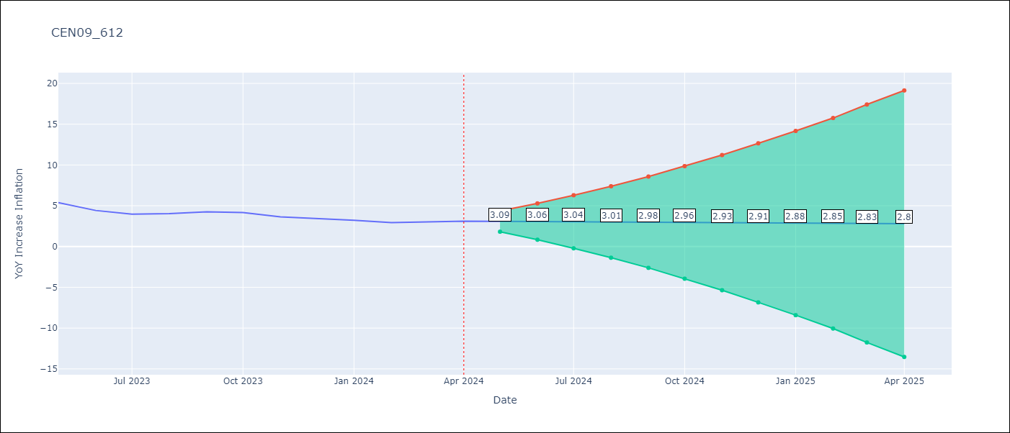

Test Metrics
RMSE | 2.17
Naive RMSE | 0.48
MAPE | 52.8%

Test Predictions
Date | Predicted | Actual
2023-05-01 | 5.81 | 5.38
2023-06-01 | 5.17 | 4.42
2023-07-01 | 4.54 | 3.97
2023-08-01 | 3.91 | 4.04
2023-09-01 | 3.28 | 4.25
2023-10-01 | 2.64 | 4.17
2023-11-01 | 2.01 | 3.65
2023-12-01 | 1.38 | 3.45
2024-01-01 | 0.75 | 3.23
2024-02-01 | 0.11 | 2.94
2024-03-01 | -0.52 | 3.05
2024-04-01 | -1.15 | 3.12

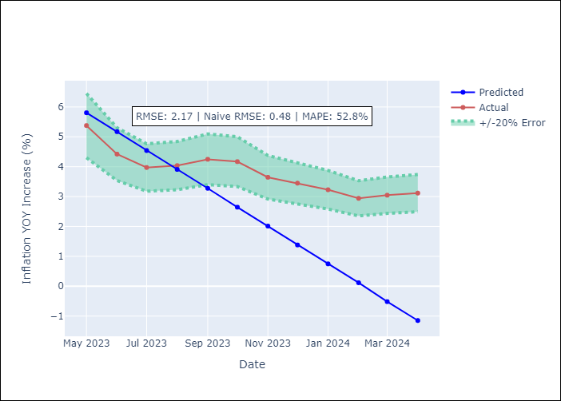

Appendix A: Model Summary
Model | ARIMA(0, 2, 1)
Sample | 01-01-1990- 04-01-2024
No. of Observations | 412
Terms | P-value (Statistical significance)
ma.L1 | 0.000
sigma2 | 0.000
Assumptions | P-value

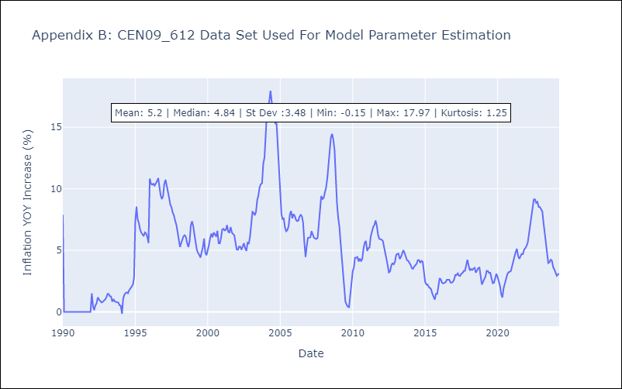

Appendix C: Residuals Analysis
Mean | 0.02

Normal? | No

