CEN10
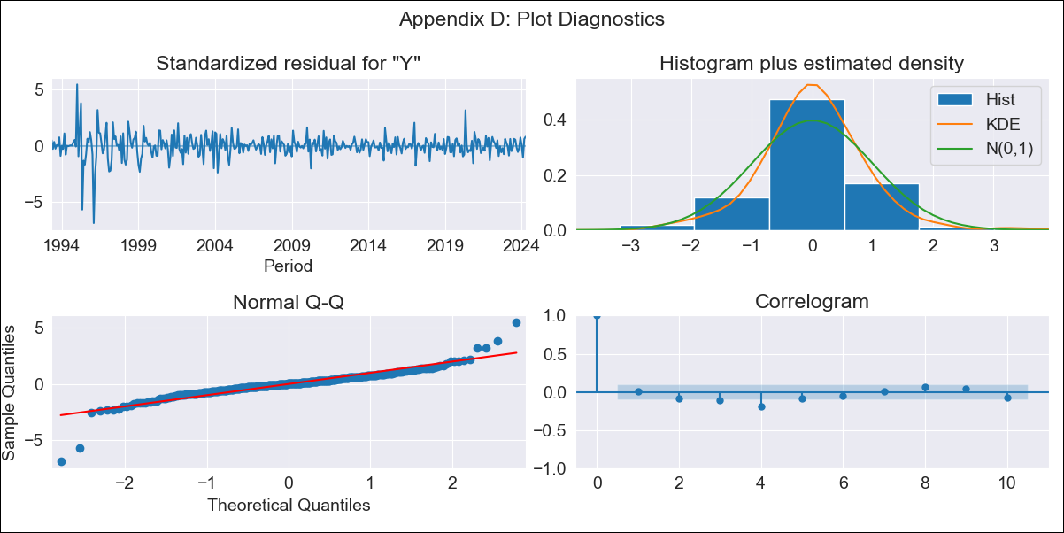
CEN10 - Inflation - Next 12 months forecast as of: 2024-04-01

Model | ARIMA - [(0, 2, 1), (1, 0, 3, 12)]
Training Data | 1990-01-01 to 2023-05-01
Test Data | 2023-05-01 to 2024-04-01

Date | Inflation Change YoY % | Lower Bound - 95% Confidence Interval | Upper Bound - 95% Confidence Interval
2024-05-01 | 4.55 | 3.77 | 5.32
2024-06-01 | 4.94 | 3.19 | 6.69
2024-07-01 | 5.2 | 2.27 | 8.14
2024-08-01 | 5.27 | 0.97 | 9.57
2024-09-01 | 5.44 | -0.39 | 11.27
2024-10-01 | 5.84 | -1.67 | 13.35
2024-11-01 | 6.35 | -2.97 | 15.67
2024-12-01 | 6.58 | -4.68 | 17.83
2025-01-01 | 6.76 | -6.54 | 20.07
2025-02-01 | 7.29 | -8.18 | 22.76
2025-03-01 | 7.74 | -10 | 25.48
2025-04-01 | 7.89 | -12.22 | 28

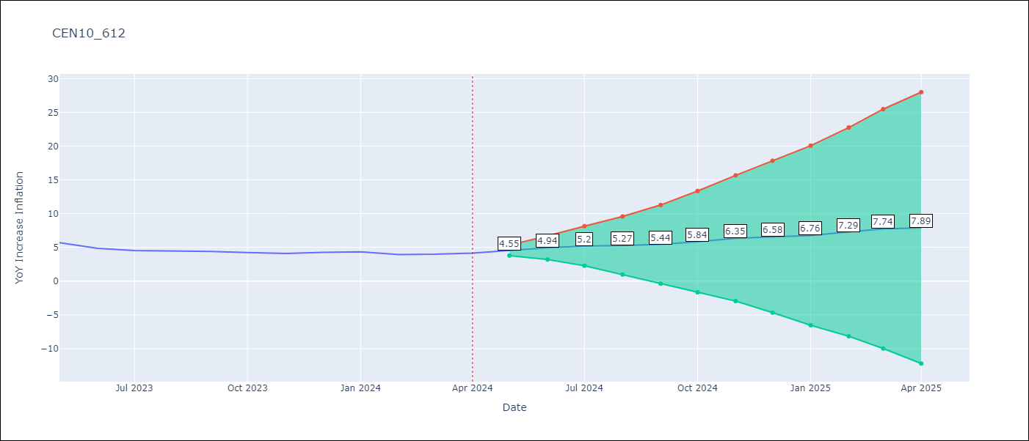

Test Metrics
RMSE | 0.3
Naive RMSE | 0.35
MAPE | 6.31%

Test Predictions
Date | Predicted | Actual
2023-05-01 | 5.87 | 5.68
2023-06-01 | 5.3 | 4.85
2023-07-01 | 5 | 4.52
2023-08-01 | 4.73 | 4.44
2023-09-01 | 4.54 | 4.39
2023-10-01 | 4.46 | 4.23
2023-11-01 | 4.49 | 4.1
2023-12-01 | 4.5 | 4.26
2024-01-01 | 4.42 | 4.34
2024-02-01 | 4.27 | 3.92
2024-03-01 | 4.34 | 3.97
2024-04-01 | 4.22 | 4.15

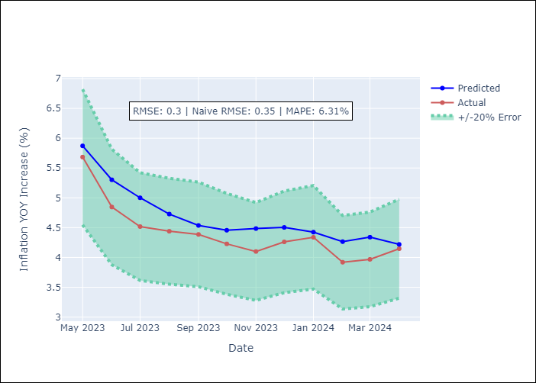

Appendix A: Model Summary
Model | ARIMA(0, 2, 1)x(1, 0, [1, 2, 3], 12)
Sample | 01-01-1990- 04-01-2024
No. of Observations | 412
Terms | P-value (Statistical significance)
ma.L1 | 0.455
ar.S.L12 | 0.000
ma.S.L12 | 0.000
ma.S.L24 | 0.000
ma.S.L36 | 0.000
sigma2 | 0.000
Assumptions | P-value

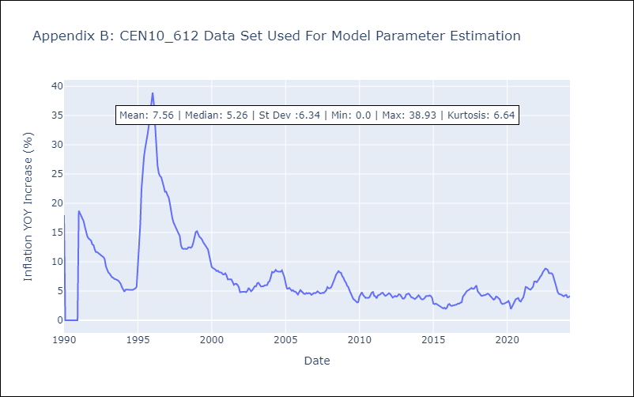

Appendix C: Residuals Analysis
Mean | 0.01

Normal? | No

