cen10
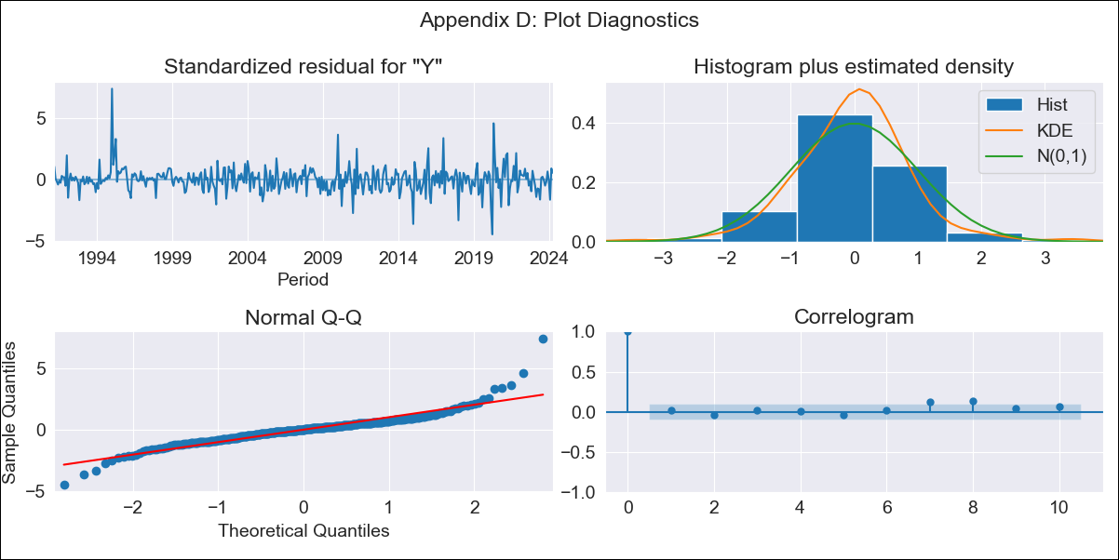
cen10 - Inflation - Next 12 months forecast as of: 2024-04-01

Model | ARIMA - [(2, 0, 1), (1, 0, 1, 12)]
Training Data | 1990-01-01 to 2023-05-01
Test Data | 2023-05-01 to 2024-04-01

Date | Inflation Change YoY % | Lower Bound - 95% Confidence Interval | Upper Bound - 95% Confidence Interval
2024-05-01 | 4.24 | 3.7 | 4.85
2024-06-01 | 4.29 | 3.34 | 5.43
2024-07-01 | 4.33 | 3.06 | 6
2024-08-01 | 4.38 | 2.84 | 6.54
2024-09-01 | 4.43 | 2.66 | 7.05
2024-10-01 | 4.46 | 2.51 | 7.5
2024-11-01 | 4.5 | 2.38 | 7.93
2024-12-01 | 4.55 | 2.29 | 8.35
2025-01-01 | 4.59 | 2.2 | 8.73
2025-02-01 | 4.59 | 2.11 | 9.02
2025-03-01 | 4.64 | 2.06 | 9.36
2025-04-01 | 4.69 | 2.01 | 9.7

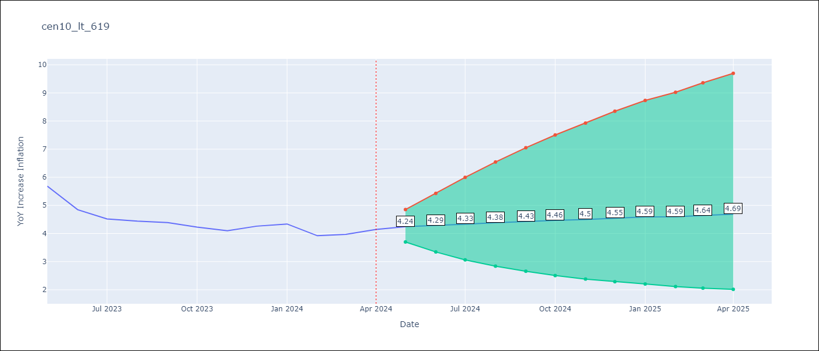

Test Metrics
RMSE | 1.2
Naive RMSE | 0.35
MAPE | 27.09%

Test Predictions
Date | Predicted | Actual
2023-05-01 | 5.95 | 5.68
2023-06-01 | 5.75 | 4.85
2023-07-01 | 5.63 | 4.52
2023-08-01 | 5.56 | 4.44
2023-09-01 | 5.51 | 4.39
2023-10-01 | 5.49 | 4.23
2023-11-01 | 5.47 | 4.1
2023-12-01 | 5.47 | 4.26
2024-01-01 | 5.47 | 4.34
2024-02-01 | 5.47 | 3.92
2024-03-01 | 5.46 | 3.97
2024-04-01 | 5.46 | 4.15

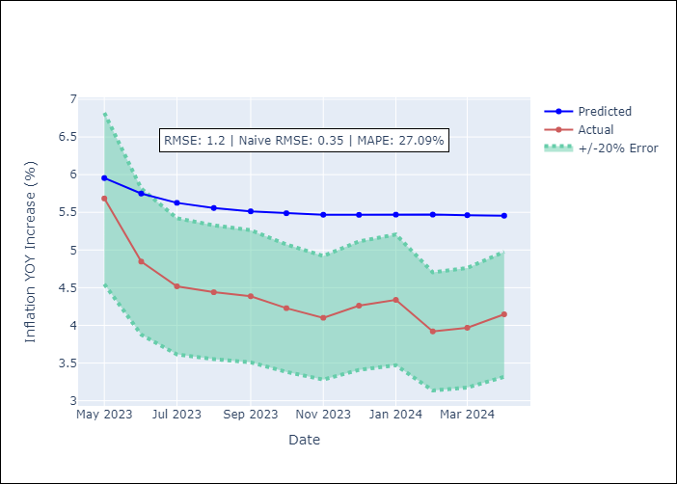

Appendix A: Model Summary
Model | ARIMA(2, 0, 1)x(1, 0, 1, 12)
Sample | 01-01-1990- 04-01-2024
No. of Observations | 412
Terms | P-value (Statistical significance)
const | 0.854
ar.L1 | 0.000
ar.L2 | 0.000
ma.L1 | 0.466
ar.S.L12 | 0.001
ma.S.L12 | 0.006
sigma2 | 0.180
Assumptions | P-value

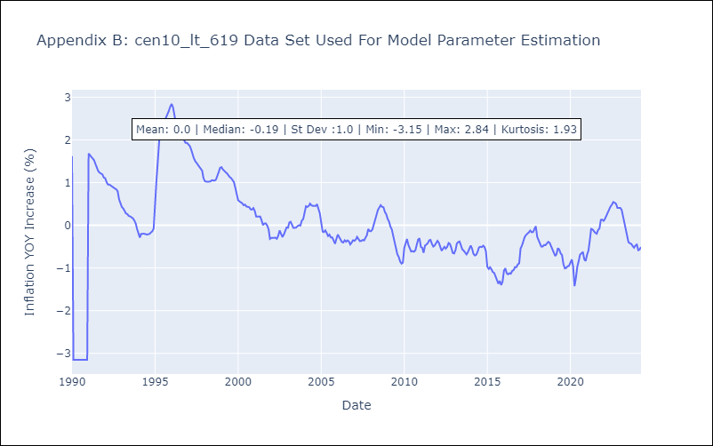

Appendix C: Residuals Analysis
Mean | 0.0

Normal? | No

