cen10
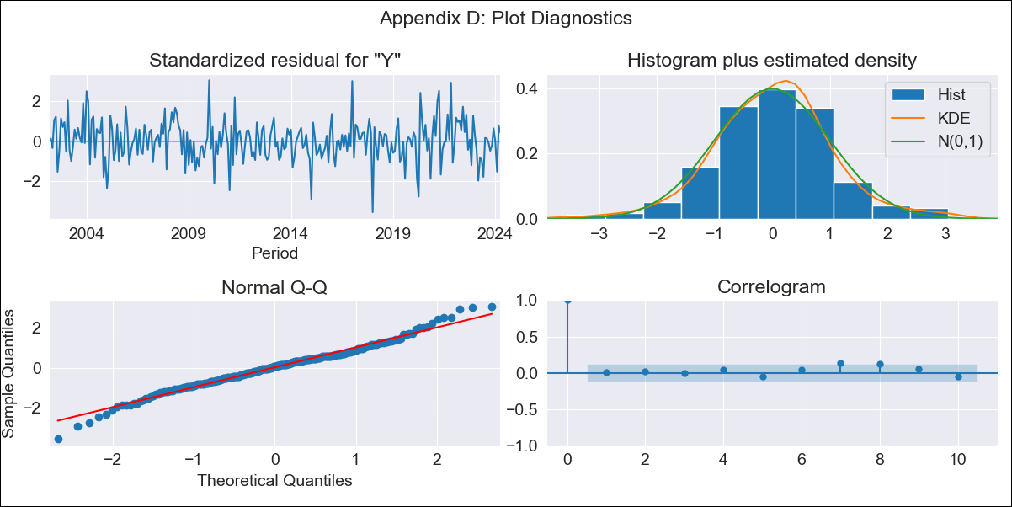
cen10 - Inflation - Next 12 months forecast as of: 2024-04-01

Model | ARIMA - [(3, 0, 1), (0, 0, 1, 12)]
Training Data | 2001-01-01 to 2023-05-01
Test Data | 2023-05-01 to 2024-04-01

Date | Inflation Change YoY % | Lower Bound - 95% Confidence Interval | Upper Bound - 95% Confidence Interval
2024-05-01 | 4.23 | 3.65 | 4.82
2024-06-01 | 4.27 | 3.25 | 5.29
2024-07-01 | 4.3 | 2.94 | 5.66
2024-08-01 | 4.32 | 2.69 | 5.96
2024-09-01 | 4.35 | 2.49 | 6.2
2024-10-01 | 4.36 | 2.33 | 6.39
2024-11-01 | 4.37 | 2.2 | 6.55
2024-12-01 | 4.39 | 2.09 | 6.69
2025-01-01 | 4.41 | 2.01 | 6.81
2025-02-01 | 4.41 | 1.93 | 6.9
2025-03-01 | 4.43 | 1.87 | 6.99
2025-04-01 | 4.44 | 1.82 | 7.07

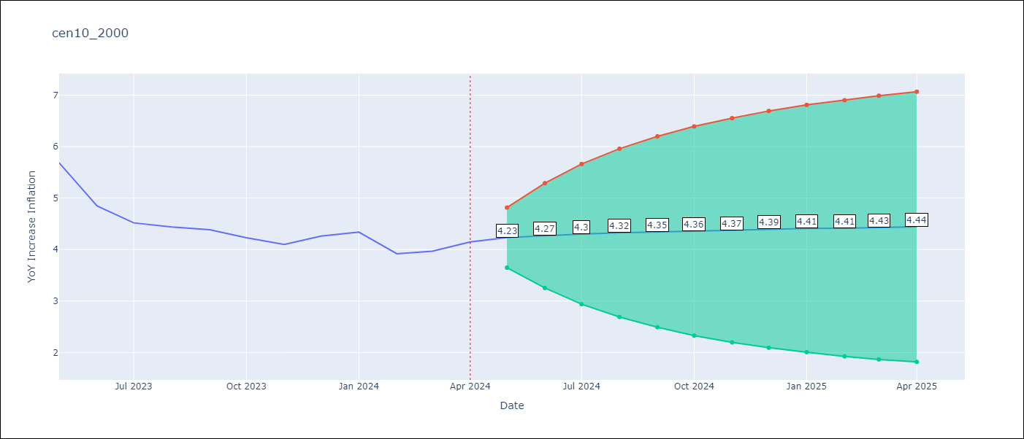

Test Metrics
RMSE | 1.18
Naive RMSE | 0.35
MAPE | 26.82%

Test Predictions
Date | Predicted | Actual
2023-05-01 | 5.97 | 5.68
2023-06-01 | 5.8 | 4.85
2023-07-01 | 5.7 | 4.52
2023-08-01 | 5.63 | 4.44
2023-09-01 | 5.58 | 4.39
2023-10-01 | 5.53 | 4.23
2023-11-01 | 5.48 | 4.1
2023-12-01 | 5.45 | 4.26
2024-01-01 | 5.42 | 4.34
2024-02-01 | 5.38 | 3.92
2024-03-01 | 5.34 | 3.97
2024-04-01 | 5.3 | 4.15

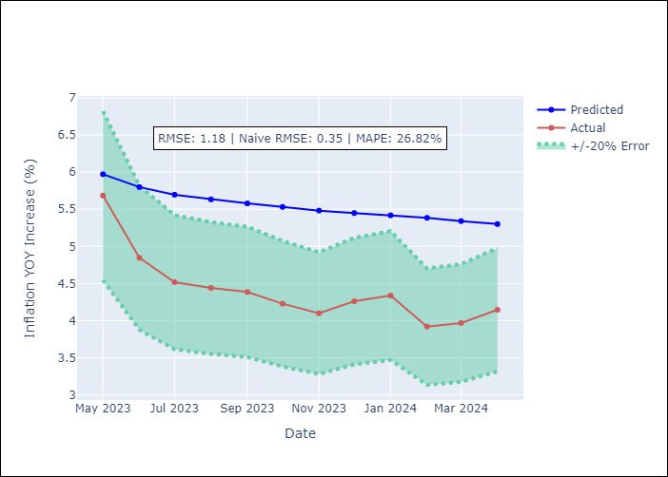

Appendix A: Model Summary
Model | ARIMA(3, 0, 1)x(0, 0, 1, 12)
Sample | 01-01-2001- 04-01-2024
No. of Observations | 280
Terms | P-value (Statistical significance)
const | 0.000
ar.L1 | 0.504
ar.L2 | 0.942
ar.L3 | 0.794
ma.L1 | 0.754
ma.S.L12 | 0.000
sigma2 | 0.000
Assumptions | P-value

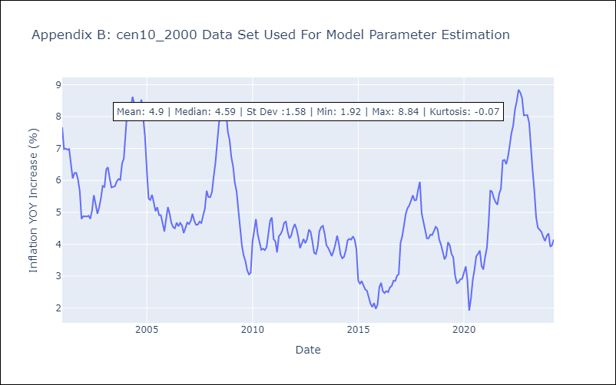

Appendix C: Residuals Analysis
Mean | 0.01

Normal? | No

