car
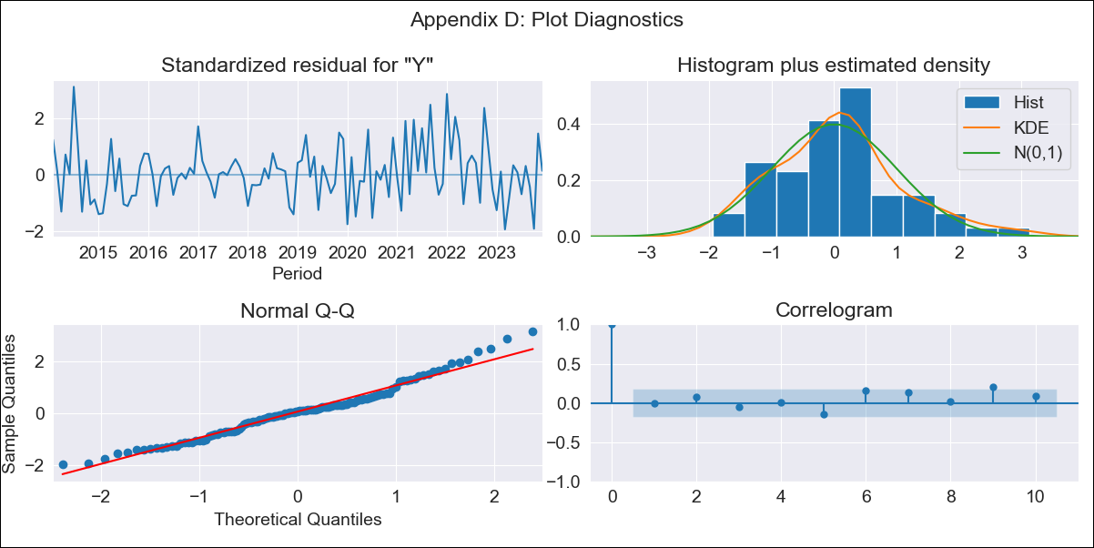
car - Inflation - Next 12 months forecast as of: 2023-12-01

Model | ARIMA - [(2, 0, 0), (0, 0, 1, 12)]
Training Data | 2013-01-01 to 2023-01-01
Test Data | 2023-01-01 to 2023-12-01

Date | Inflation Change YoY % | Lower Bound - 95% Confidence Interval | Upper Bound - 95% Confidence Interval
2024-01-01 | 3.94 | 3.19 | 4.7
2024-02-01 | 3.91 | 2.64 | 5.18
2024-03-01 | 3.85 | 2.17 | 5.52
2024-04-01 | 3.79 | 1.79 | 5.78
2024-05-01 | 3.74 | 1.48 | 5.99
2024-06-01 | 3.69 | 1.21 | 6.16
2024-07-01 | 3.64 | 0.98 | 6.3
2024-08-01 | 3.59 | 0.78 | 6.41
2024-09-01 | 3.55 | 0.6 | 6.5
2024-10-01 | 3.5 | 0.42 | 6.57
2024-11-01 | 3.46 | 0.29 | 6.64
2024-12-01 | 3.43 | 0.16 | 6.7

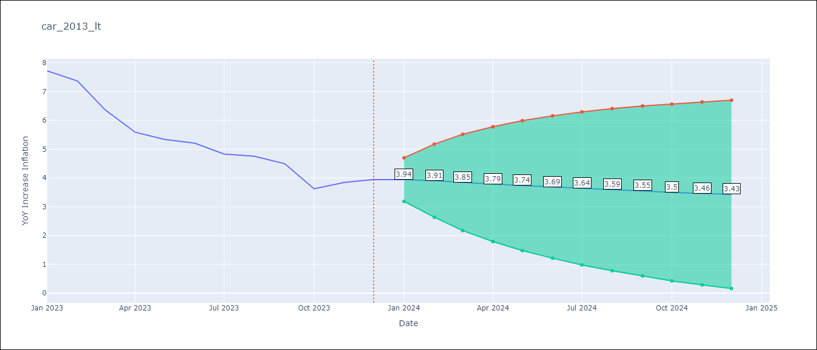

Test Metrics
RMSE | 2.82
Naive RMSE | 0.53
MAPE | 57.09%

Test Predictions
Date | Predicted | Actual
2023-01-01 | 8.31 | 7.72
2023-02-01 | 8.22 | 7.37
2023-03-01 | 8.15 | 6.37
2023-04-01 | 8.08 | 5.59
2023-05-01 | 7.99 | 5.34
2023-06-01 | 7.91 | 5.21
2023-07-01 | 7.84 | 4.83
2023-08-01 | 7.76 | 4.76
2023-09-01 | 7.68 | 4.5
2023-10-01 | 7.62 | 3.63
2023-11-01 | 7.56 | 3.85
2023-12-01 | 7.49 | 3.95

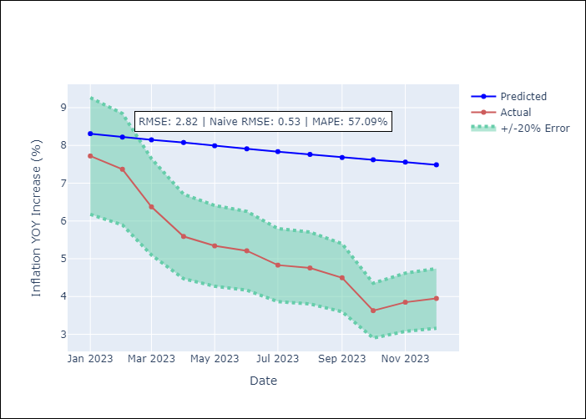

Appendix A: Model Summary
Model | ARIMA(2, 0, 0)x(0, 0, [1], 12)
Sample | 01-01-2013- 12-01-2023
No. of Observations | 132
Terms | P-value (Statistical significance)
const | 0.129
ar.L1 | 0.000
ar.L2 | 0.000
ma.S.L12 | 0.000
sigma2 | 0.000
Assumptions | P-value

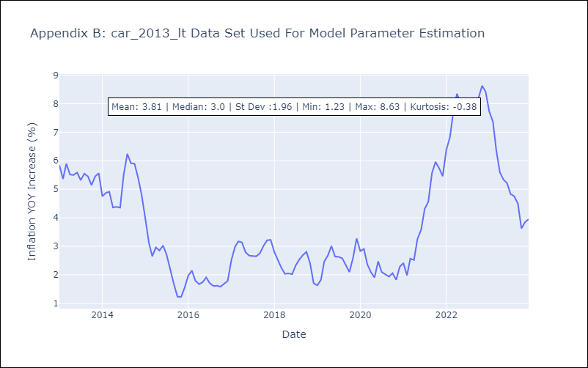

Appendix C: Residuals Analysis
Mean | 0.04

Normal? | No

