car2013
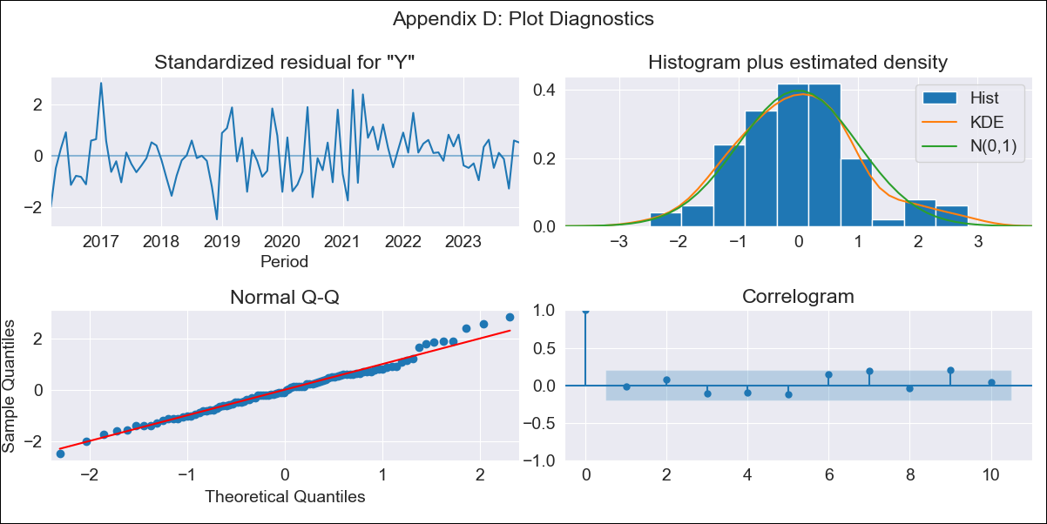
car2013 - Inflation - Next 12 months forecast as of: 2023-12-01

Model | ARIMA - [(2, 0, 0), (3, 0, 0, 12)]
Training Data | 2013-01-01 to 2023-01-01
Test Data | 2023-01-01 to 2023-12-01

Date | Inflation Change YoY % | Lower Bound - 95% Confidence Interval | Upper Bound - 95% Confidence Interval
2024-01-01 | 3.83 | 3.07 | 4.83
2024-02-01 | 3.97 | 2.83 | 5.71
2024-03-01 | 3.74 | 2.46 | 5.9
2024-04-01 | 3.79 | 2.33 | 6.49
2024-05-01 | 3.62 | 2.11 | 6.59
2024-06-01 | 3.55 | 1.97 | 6.84
2024-07-01 | 3.45 | 1.84 | 6.98
2024-08-01 | 3.39 | 1.74 | 7.18
2024-09-01 | 3.34 | 1.66 | 7.35
2024-10-01 | 3.43 | 1.65 | 7.91
2024-11-01 | 3.33 | 1.55 | 7.92
2024-12-01 | 3.33 | 1.51 | 8.21

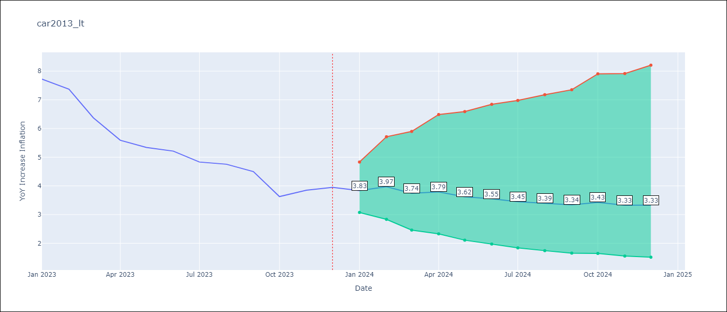

Test Metrics
RMSE | 2.75
Naive RMSE | 0.53
MAPE | 55.92%

Test Predictions
Date | Predicted | Actual
2023-01-01 | 8.46 | 7.72
2023-02-01 | 9.01 | 7.37
2023-03-01 | 8.5 | 6.37
2023-04-01 | 8.83 | 5.59
2023-05-01 | 8.44 | 5.34
2023-06-01 | 7.57 | 5.21
2023-07-01 | 7.55 | 4.83
2023-08-01 | 7.57 | 4.76
2023-09-01 | 7.4 | 4.5
2023-10-01 | 7.02 | 3.63
2023-11-01 | 7.37 | 3.85
2023-12-01 | 7.09 | 3.95

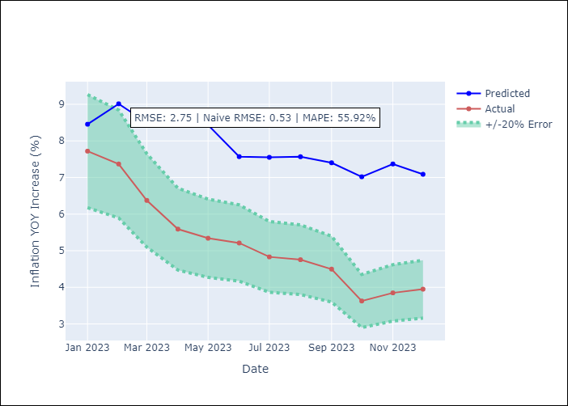

Appendix A: Model Summary
Model | ARIMA(2, 0, 0)x(3, 0, 0, 12)
Sample | 01-01-2013- 12-01-2023
No. of Observations | 132
Terms | P-value (Statistical significance)
const | 0.911
ar.L1 | 0.000
ar.L2 | 0.096
ar.S.L12 | 0.003
ar.S.L24 | 0.005
ar.S.L36 | 0.036
sigma2 | 0.000
Assumptions | P-value

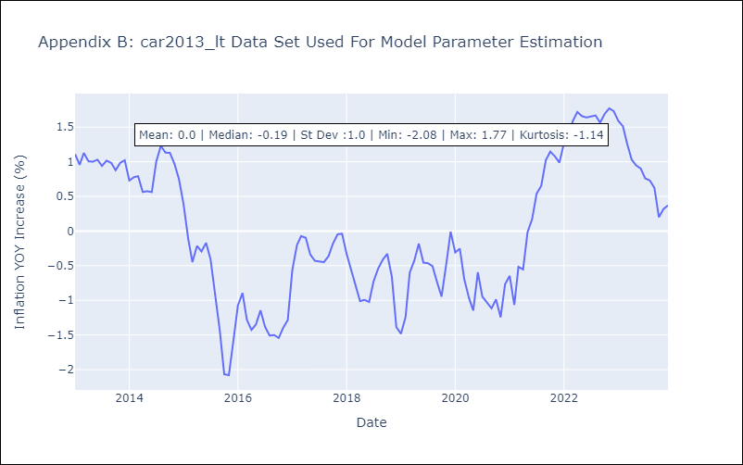

Appendix C: Residuals Analysis
Mean | -0.0

Normal? | No

