car2013
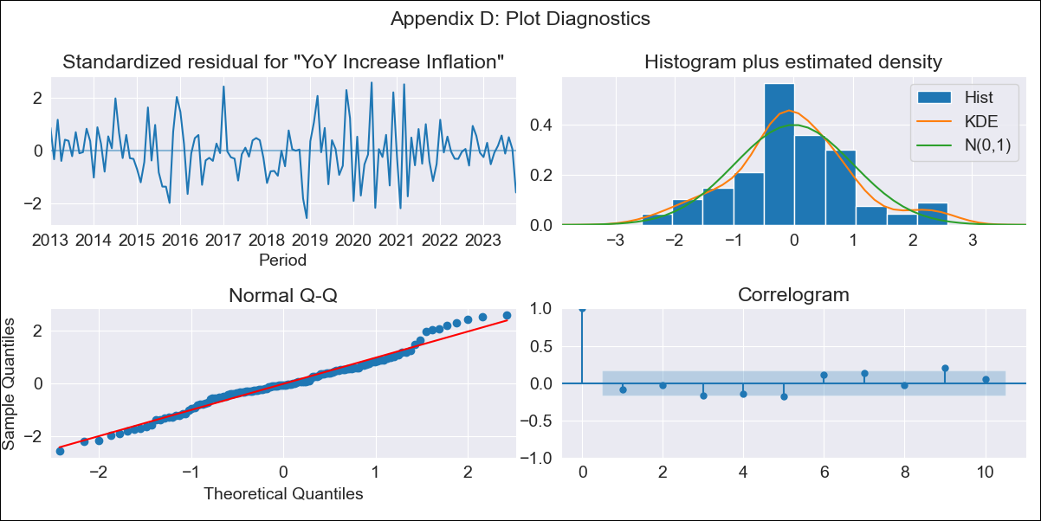
car2013 - Inflation - Next 12 months forecast as of: 2023-10-01

Model | VARMAX - (1, 0, 2, 2, 0, 1, 12) | Exogenous Variables | YoY Increase Crude oil WTI, YoY Increase Index Energy, YoY Increase Index Food
Training Data | 2013-01-01 to 2022-11-01
Test Data | 2022-11-01 to 2023-10-01

Date | Inflation Change YoY % | Lower Bound - 95% Confidence Interval | Upper Bound - 95% Confidence Interval
2023-11-01 | 3.3 | 2.65 | 4.16
2023-12-01 | 3.18 | 2.22 | 4.66
2024-01-01 | 3.08 | 1.93 | 5.1
2024-02-01 | 2.99 | 1.73 | 5.42
2024-03-01 | 2.91 | 1.58 | 5.67
2024-04-01 | 2.84 | 1.46 | 5.88
2024-05-01 | 2.78 | 1.36 | 6.07
2024-06-01 | 2.73 | 1.28 | 6.24
2024-07-01 | 2.69 | 1.22 | 6.4
2024-08-01 | 2.66 | 1.17 | 6.57
2024-09-01 | 2.64 | 1.13 | 6.74
2024-10-01 | 2.62 | 1.09 | 6.91

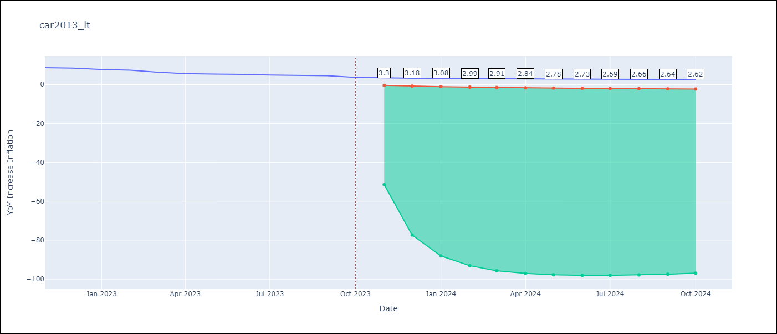

Test Metrics
RMSE | 0.68
Naive RMSE | 0.54
MAPE | 10.81%

Test Predictions
Date | Predicted | Actual
2022-11-01 | 7.7 | 8.63
2022-12-01 | 7.37 | 8.42
2023-01-01 | 7.01 | 7.72
2023-02-01 | 6.69 | 7.37
2023-03-01 | 6.39 | 6.37
2023-04-01 | 6.11 | 5.59
2023-05-01 | 5.85 | 5.34
2023-06-01 | 5.6 | 5.21
2023-07-01 | 5.37 | 4.83
2023-08-01 | 5.16 | 4.76
2023-09-01 | 4.96 | 4.5
2023-10-01 | 4.77 | 3.63

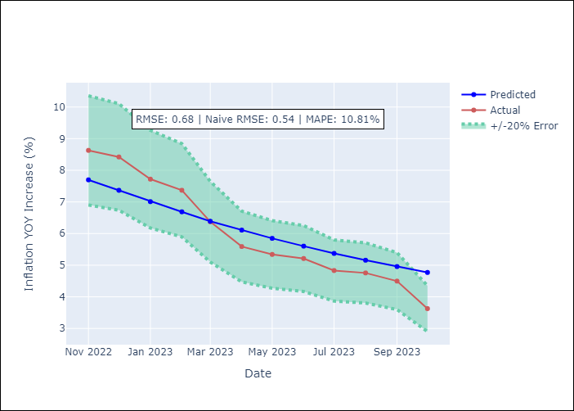

Appendix A: Model Summary
Model | VARMA(1,2)
Sample | 01-01-2013- 10-01-2023
No. of Observations | 130
Terms | P-value (Statistical significance)
intercept | 0.749
L1.YoY Increase Inflation | 0.000
L1.YoY Increase Crude oil WTI | 0.906
L1.YoY Increase Index Energy | 0.916
L1.YoY Increase Index Food | 0.729
L1.e(YoY Increase Inflation) | 0.028
L1.e(YoY Increase Crude oil WTI) | 0.976
L1.e(YoY Increase Index Energy) | 0.973
L1.e(YoY Increase Index Food) | 0.994
L2.e(YoY Increase Inflation) | 0.585
L2.e(YoY Increase Crude oil WTI) | 0.938
L2.e(YoY Increase Index Energy) | 0.977
L2.e(YoY Increase Index Food) | 0.720
Assumptions | P-value
Ljung-Box (L1) | 0.34, 0.63, 0.66, 0.99
Heteroskedasticity | 0.63, 0.00, 0.00, 0.07
Jarque-Bera | 0.35, 0.00, 0.00, 0.04
Skew | 0.19, 2.66, 0.63, 0.01
Kurtosis | 3.49, 20.98, 6.39, 4.09

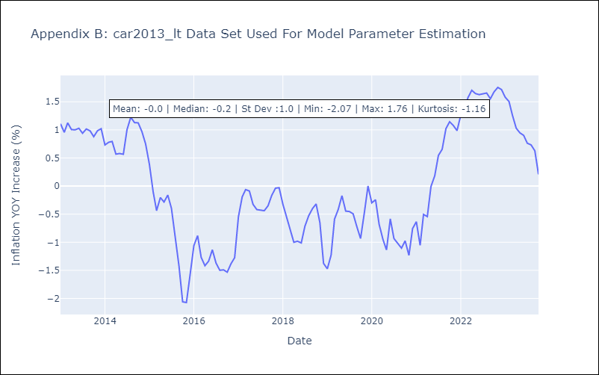

Appendix C: Residuals Analysis
Mean | 0.0
White Noise?
Normal? | No

