car2013
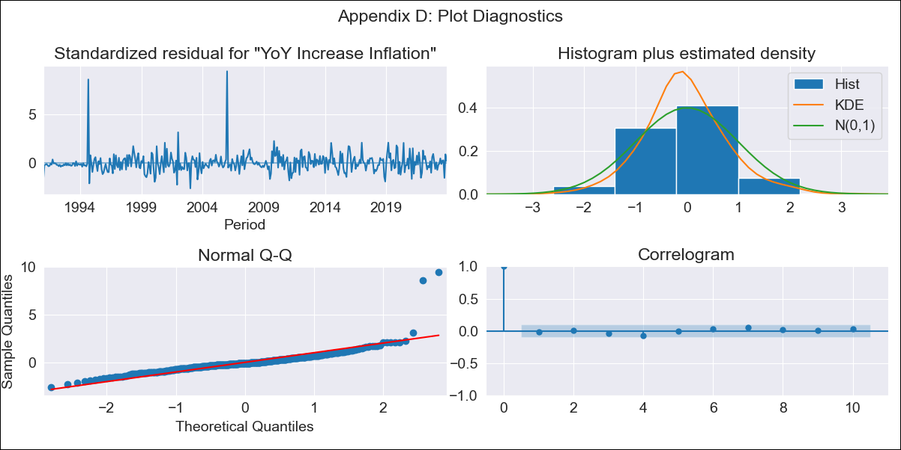
car2013 - Inflation - Next 12 months forecast as of: 2023-12-01

Model | VARMAX - (1, 0, 2, 2, 0, 1, 12) | Exogenous Variables | YoY Increase Crude oil WTI, YoY Increase Index Energy, YoY Increase Index Food
Training Data | 1991-01-01 to 2023-01-01
Test Data | 2023-01-01 to 2023-12-01

Date | Inflation Change YoY % | Lower Bound - 95% Confidence Interval | Upper Bound - 95% Confidence Interval
2024-01-01 | 3.77 | 2.9 | 4.84
2024-02-01 | 3.67 | 2.49 | 5.27
2024-03-01 | 3.55 | 2.18 | 5.57
2024-04-01 | 3.45 | 1.93 | 5.82
2024-05-01 | 3.35 | 1.72 | 6.05
2024-06-01 | 3.26 | 1.53 | 6.28
2024-07-01 | 3.17 | 1.37 | 6.5
2024-08-01 | 3.1 | 1.22 | 6.72
2024-09-01 | 3.03 | 1.09 | 6.95
2024-10-01 | 2.96 | 0.98 | 7.19
2024-11-01 | 2.9 | 0.87 | 7.43
2024-12-01 | 2.85 | 0.77 | 7.68

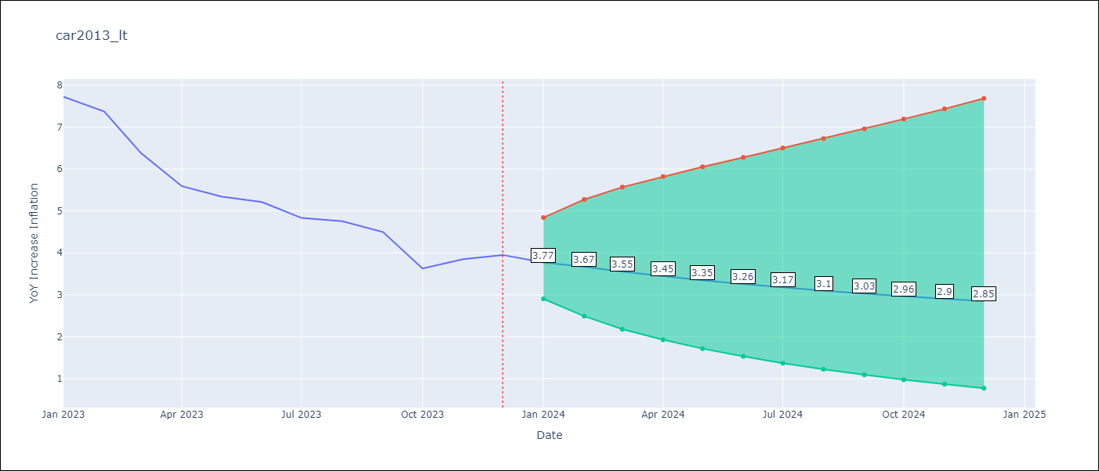

Test Metrics
RMSE | 2.01
Naive RMSE | 0.53
MAPE | 40.82%

Test Predictions
Date | Predicted | Actual
2023-01-01 | 8.32 | 7.72
2023-02-01 | 8.06 | 7.37
2023-03-01 | 7.86 | 6.37
2023-04-01 | 7.65 | 5.59
2023-05-01 | 7.44 | 5.34
2023-06-01 | 7.24 | 5.21
2023-07-01 | 7.04 | 4.83
2023-08-01 | 6.84 | 4.76
2023-09-01 | 6.65 | 4.5
2023-10-01 | 6.47 | 3.63
2023-11-01 | 6.29 | 3.85
2023-12-01 | 6.12 | 3.95

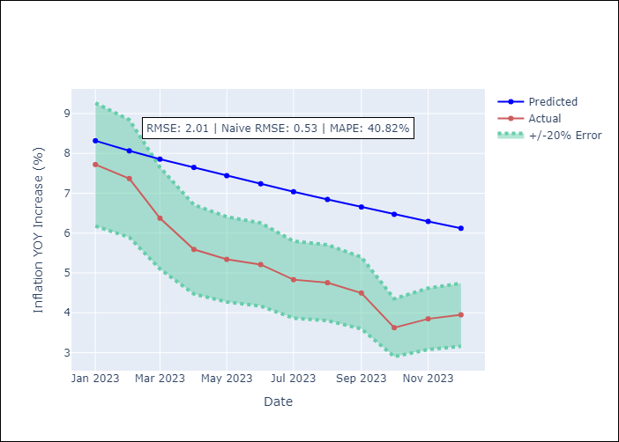

Appendix A: Model Summary
Model | VARMA(1,2)
Sample | 01-01-1991- 12-01-2023
No. of Observations | 396
Terms | P-value (Statistical significance)
intercept | 0.455
L1.YoY Increase Inflation | 0.000
L1.YoY Increase Crude oil WTI | 0.711
L1.YoY Increase Index Energy | 0.951
L1.YoY Increase Index Food | 0.093
L1.e(YoY Increase Inflation) | 0.392
L1.e(YoY Increase Crude oil WTI) | 0.847
L1.e(YoY Increase Index Energy) | 0.805
L1.e(YoY Increase Index Food) | 0.447
L2.e(YoY Increase Inflation) | 0.948
L2.e(YoY Increase Crude oil WTI) | 0.626
L2.e(YoY Increase Index Energy) | 0.276
L2.e(YoY Increase Index Food) | 0.119
Assumptions | P-value
Ljung-Box (L1) | 0.69, 0.79, 0.71, 0.69
Heteroskedasticity | 0.01, 0.00, 0.00, 0.32
Jarque-Bera | 0.00, 0.00, 0.00, 0.00
Skew | 3.67, 1.95, -0.41, 0.09
Kurtosis | 33.93, 26.95, 16.06, 3.96

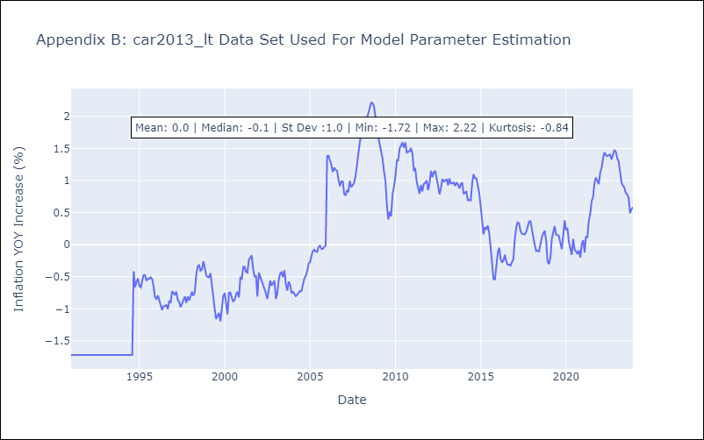

Appendix C: Residuals Analysis
Mean | -0.0
White Noise? | Yes
Normal? | No

