car2013
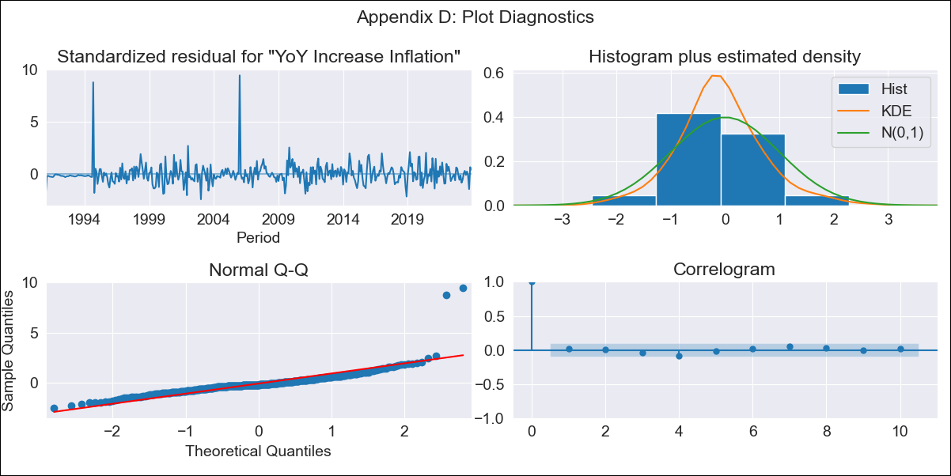
car2013 - Inflation - Next 12 months forecast as of: 2023-12-01

Model | VARMAX - (1, 1, 0, 0, 0, 1, 12) | Exogenous Variables | YoY Increase Crude oil WTI, YoY Increase Index Energy, YoY Increase Index Food
Training Data | 1991-01-01 to 2023-01-01
Test Data | 2023-01-01 to 2023-12-01

Date | Inflation Change YoY % | Lower Bound - 95% Confidence Interval | Upper Bound - 95% Confidence Interval
2024-01-01 | 3.86 | 2.96 | 4.97
2024-02-01 | 3.76 | 2.57 | 5.37
2024-03-01 | 3.67 | 2.29 | 5.67
2024-04-01 | 3.58 | 2.06 | 5.91
2024-05-01 | 3.49 | 1.87 | 6.12
2024-06-01 | 3.41 | 1.7 | 6.31
2024-07-01 | 3.33 | 1.55 | 6.49
2024-08-01 | 3.25 | 1.41 | 6.65
2024-09-01 | 3.18 | 1.29 | 6.81
2024-10-01 | 3.12 | 1.18 | 6.97
2024-11-01 | 3.06 | 1.08 | 7.12
2024-12-01 | 3 | 0.99 | 7.27

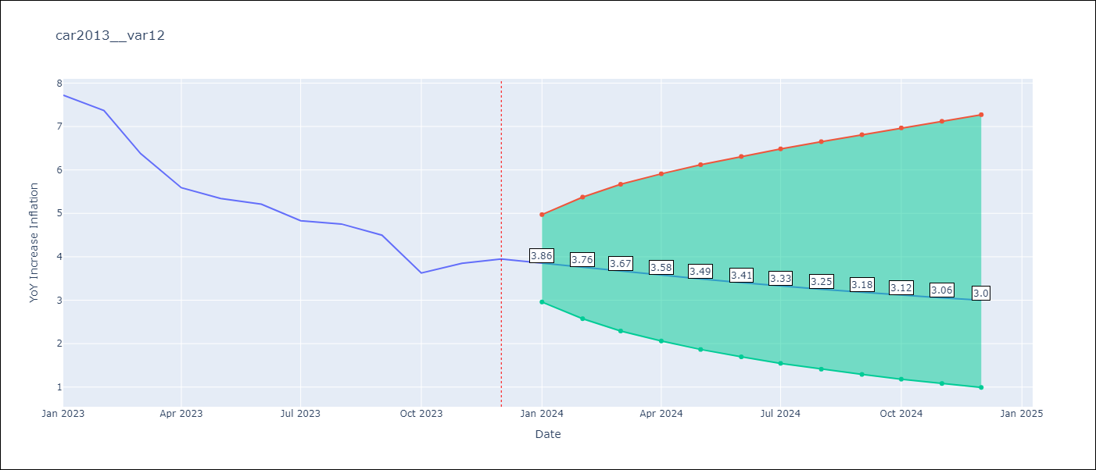

Test Metrics
RMSE | 2.33
Naive RMSE | 0.53
MAPE | 47.38%

Test Predictions
Date | Predicted | Actual
2023-01-01 | 8.34 | 7.72
2023-02-01 | 8.18 | 7.37
2023-03-01 | 8 | 6.37
2023-04-01 | 7.83 | 5.59
2023-05-01 | 7.67 | 5.34
2023-06-01 | 7.51 | 5.21
2023-07-01 | 7.35 | 4.83
2023-08-01 | 7.2 | 4.76
2023-09-01 | 7.06 | 4.5
2023-10-01 | 6.92 | 3.63
2023-11-01 | 6.78 | 3.85
2023-12-01 | 6.65 | 3.95

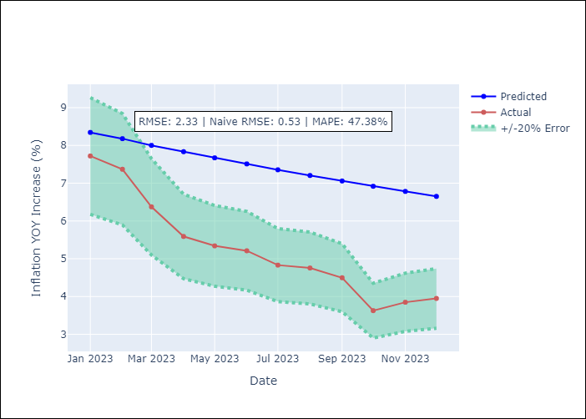

Appendix A: Model Summary
Model | VAR(1)
Sample | - 12-01-2023opg
No. of Observations | 396
Terms | P-value (Statistical significance)
L1.YoY Increase Inflation | 0.000
L1.YoY Increase Crude oil WTI | 0.561
L1.YoY Increase Index Energy | 0.823
L1.YoY Increase Index Food | 0.142
Assumptions | P-value
Ljung-Box (L1) | 0.70, 0.00, 0.31, 0.00
Heteroskedasticity | 0.00, 0.00, 0.00, 0.39
Jarque-Bera | 0.00, 0.00, 0.00, 0.00
Skew | 3.90, 2.65, -0.43, 0.02
Kurtosis | 36.69, 34.37, 17.01, 4.44

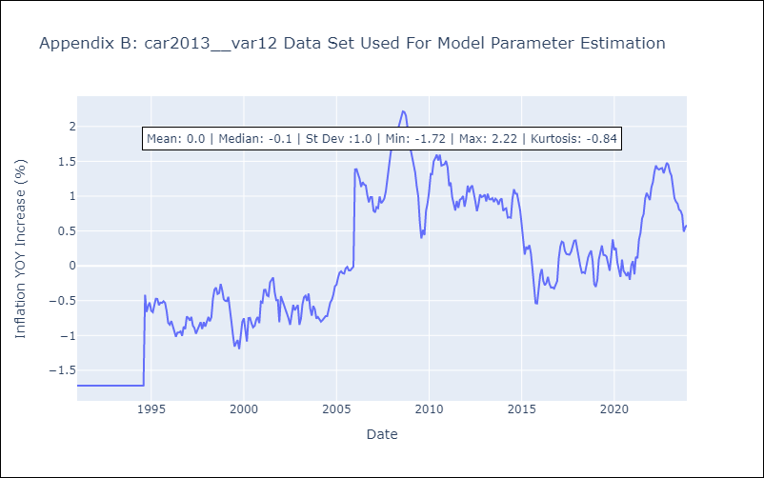

Appendix C: Residuals Analysis
Mean | -0.01
White Noise? | Yes
Normal? | No

