R01
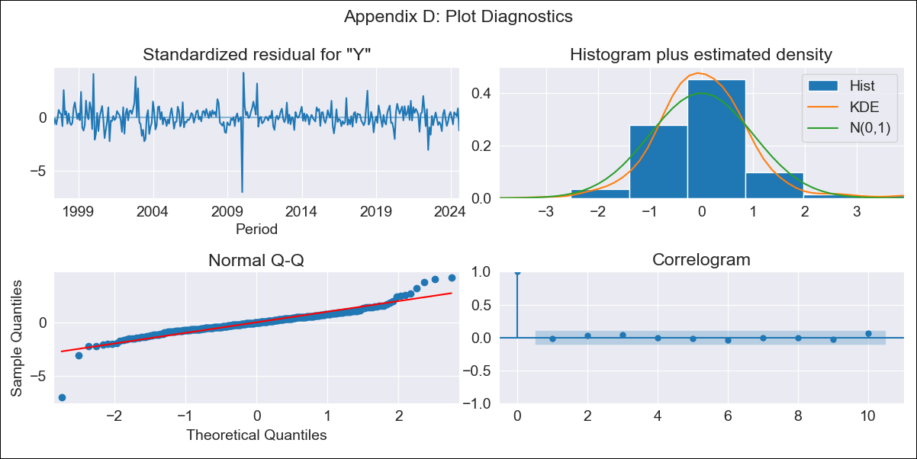
R01 - Inflation - Next 12 months forecast as of: 2024-08-01

Model | ARIMA - [(1, 2, 1), (1, 0, 1, 12)]
Training Data | 1996-01-01 to 2023-09-01
Test Data | 2023-09-01 to 2024-08-01

Date | Inflation Change YoY % | Lower Bound - 95% Confidence Interval | Upper Bound - 95% Confidence Interval
2024-09-01 | 4.18 | 3.72 | 4.63
2024-10-01 | 4.24 | 3.46 | 5.03
2024-11-01 | 4.33 | 3.23 | 5.42
2024-12-01 | 4.3 | 2.9 | 5.7
2025-01-01 | 4.16 | 2.46 | 5.87
2025-02-01 | 4.1 | 2.08 | 6.12
2025-03-01 | 4.17 | 1.83 | 6.51
2025-04-01 | 4.1 | 1.43 | 6.77
2025-05-01 | 4.02 | 1.01 | 7.03
2025-06-01 | 3.98 | 0.62 | 7.34
2025-07-01 | 3.79 | 0.07 | 7.52
2025-08-01 | 3.89 | -0.2 | 7.99
2025-09-01 | 3.91 | -0.43 | 8.25
2025-10-01 | 3.92 | -0.65 | 8.48
2025-11-01 | 3.92 | -0.86 | 8.7
2025-12-01 | 3.9 | -1.08 | 8.89

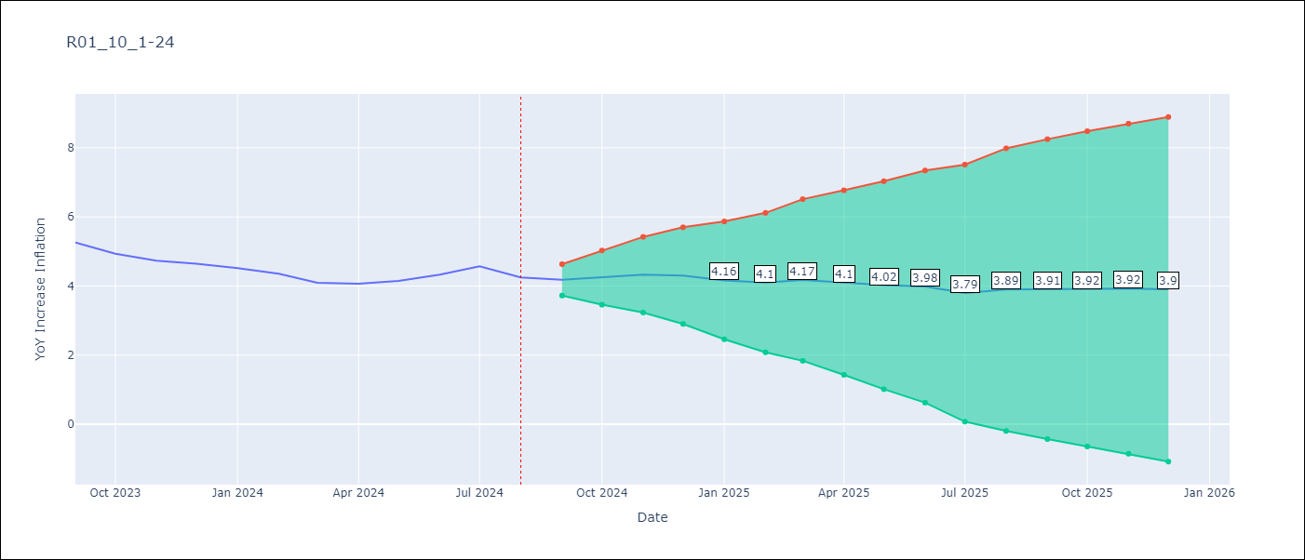

Test Metrics
RMSE | 0.4
Naive RMSE | 0.2
MAPE | 8.61%

Test Predictions
Date | Predicted | Actual
2023-09-01 | 5.28 | 5.26
2023-10-01 | 5.15 | 4.93
2023-11-01 | 5.13 | 4.73
2023-12-01 | 5.08 | 4.64
2024-01-01 | 4.88 | 4.51
2024-02-01 | 4.73 | 4.36
2024-03-01 | 4.64 | 4.1
2024-04-01 | 4.59 | 4.06
2024-05-01 | 4.62 | 4.15
2024-06-01 | 4.77 | 4.33
2024-07-01 | 4.82 | 4.57
2024-08-01 | 4.71 | 4.25

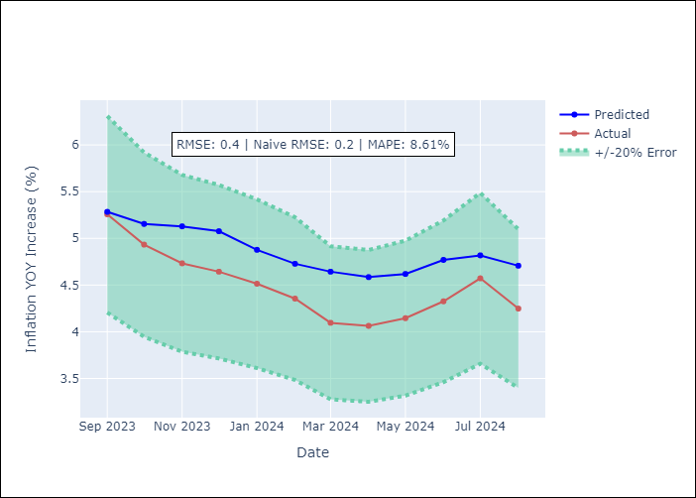

Appendix A: Model Summary
Model | ARIMA(1, 2, 1)x(1, 0, 1, 12)
Sample | 01-01-1996- 08-01-2024
No. of Observations | 344
Terms | P-value (Statistical significance)
ar.L1 | 0.000
ma.L1 | 0.000
ar.S.L12 | 0.000
ma.S.L12 | 0.997
sigma2 | 0.997
Assumptions | P-value

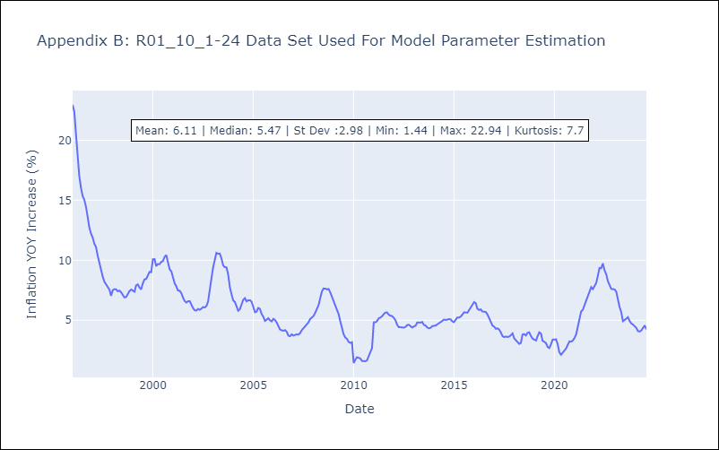

Appendix C: Residuals Analysis
Mean | 0.03

Normal? | No

