R02
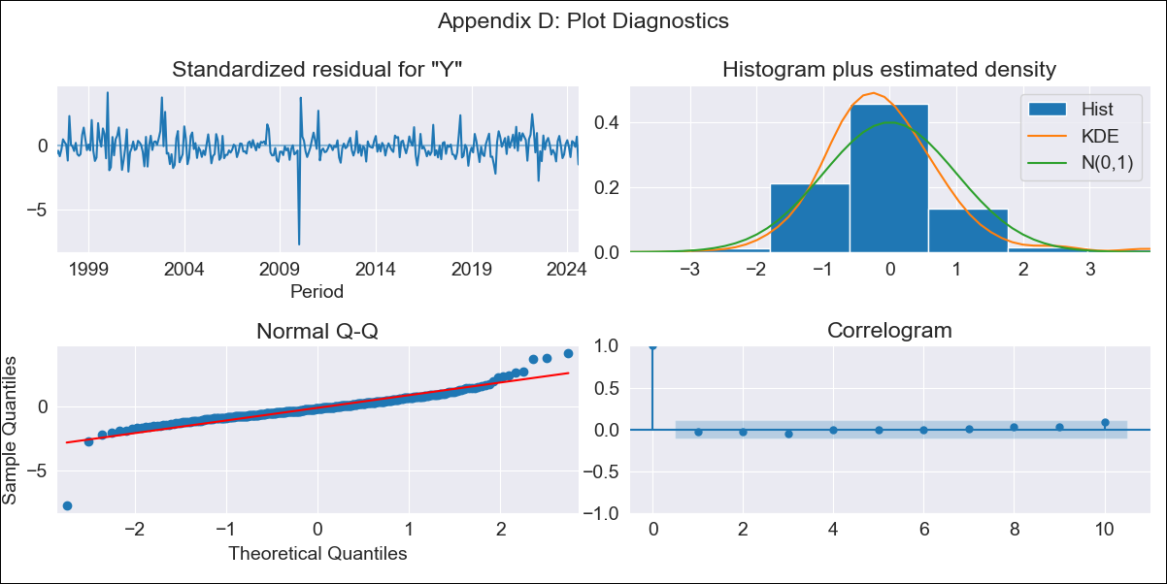
R02 - Inflation - Next 12 months forecast as of: 2024-08-01

Model | ARIMA - [(3, 1, 0), (1, 0, 1, 12)]
Training Data | 1996-01-01 to 2023-09-01
Test Data | 2023-09-01 to 2024-08-01

Date | Inflation Change YoY % | Lower Bound - 95% Confidence Interval | Upper Bound - 95% Confidence Interval
2024-09-01 | 4.23 | 3.78 | 4.68
2024-10-01 | 4.37 | 3.6 | 5.13
2024-11-01 | 4.5 | 3.44 | 5.56
2024-12-01 | 4.53 | 3.16 | 5.9
2025-01-01 | 4.48 | 2.81 | 6.16
2025-02-01 | 4.5 | 2.54 | 6.45
2025-03-01 | 4.67 | 2.43 | 6.9
2025-04-01 | 4.67 | 2.17 | 7.17
2025-05-01 | 4.68 | 1.93 | 7.43
2025-06-01 | 4.76 | 1.77 | 7.75
2025-07-01 | 4.68 | 1.46 | 7.9
2025-08-01 | 4.89 | 1.45 | 8.33
2025-09-01 | 4.99 | 1.44 | 8.54
2025-10-01 | 5.06 | 1.44 | 8.69
2025-11-01 | 5.16 | 1.47 | 8.85
2025-12-01 | 5.22 | 1.49 | 8.95

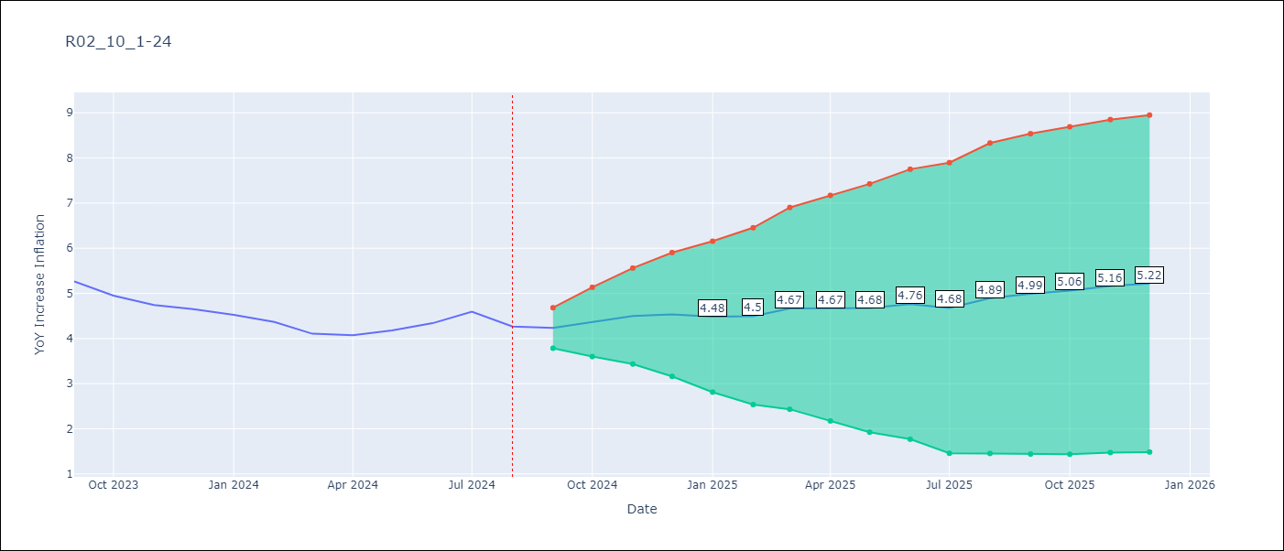

Test Metrics
RMSE | 0.77
Naive RMSE | 0.2
MAPE | 16.08%

Test Predictions
Date | Predicted | Actual
2023-09-01 | 5.28 | 5.27
2023-10-01 | 5.19 | 4.95
2023-11-01 | 5.24 | 4.74
2023-12-01 | 5.24 | 4.65
2024-01-01 | 5.11 | 4.52
2024-02-01 | 5.03 | 4.37
2024-03-01 | 5.02 | 4.11
2024-04-01 | 5.01 | 4.07
2024-05-01 | 5.11 | 4.18
2024-06-01 | 5.34 | 4.34
2024-07-01 | 5.46 | 4.59
2024-08-01 | 5.43 | 4.27

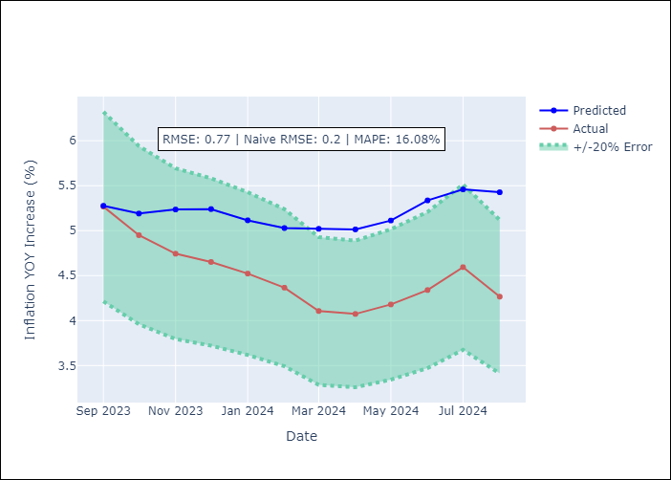

Appendix A: Model Summary
Model | ARIMA(3, 1, 0)x(1, 0, [1], 12)
Sample | 01-01-1996- 08-01-2024
No. of Observations | 344
Terms | P-value (Statistical significance)
ar.L1 | 0.000
ar.L2 | 0.073
ar.L3 | 0.017
ar.S.L12 | 0.000
ma.S.L12 | 0.990
sigma2 | 0.990
Assumptions | P-value

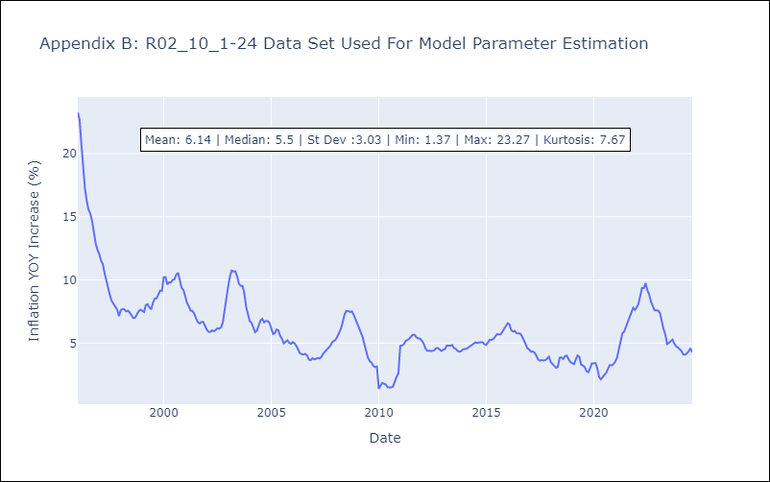

Appendix C: Residuals Analysis
Mean | 0.01

Normal? | No

