R07
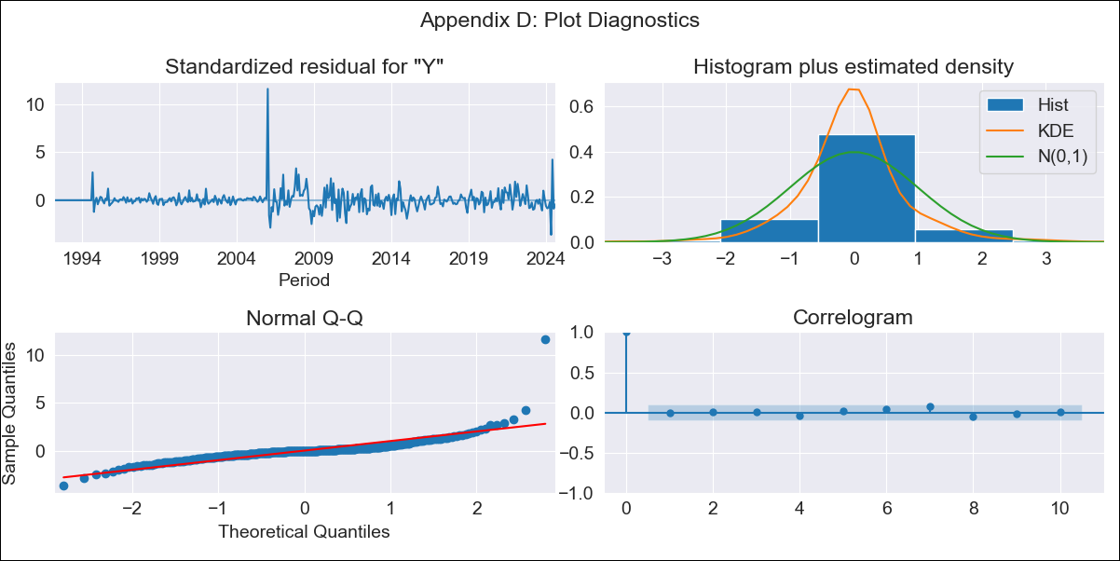
R07 - Inflation - Next 12 months forecast as of: 2024-08-01

Model | ARIMA - [(2, 1, 0), (0, 0, 1, 12)]
Training Data | 1991-01-01 to 2023-09-01
Test Data | 2023-09-01 to 2024-08-01

Date | Inflation Change YoY % | Lower Bound - 95% Confidence Interval | Upper Bound - 95% Confidence Interval
2024-09-01 | 2.85 | 1.89 | 3.81
2024-10-01 | 3.07 | 1.6 | 4.54
2024-11-01 | 2.91 | 0.96 | 4.87
2024-12-01 | 2.9 | 0.53 | 5.28
2025-01-01 | 2.99 | 0.24 | 5.75
2025-02-01 | 3.17 | 0.07 | 6.26
2025-03-01 | 3.36 | -0.05 | 6.76
2025-04-01 | 3.46 | -0.23 | 7.15
2025-05-01 | 4.21 | 0.26 | 8.17
2025-06-01 | 3.51 | -0.69 | 7.72
2025-07-01 | 3.72 | -0.72 | 8.16
2025-08-01 | 3.71 | -0.95 | 8.37
2025-09-01 | 3.75 | -1.03 | 8.52
2025-10-01 | 3.75 | -1.13 | 8.63
2025-11-01 | 3.76 | -1.21 | 8.72
2025-12-01 | 3.76 | -1.28 | 8.8

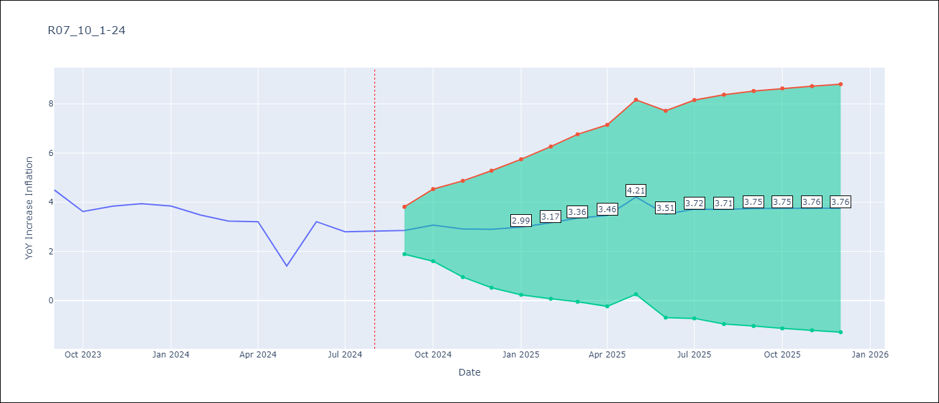

Test Metrics
RMSE | 1.82
Naive RMSE | 0.8
MAPE | 60.03%

Test Predictions
Date | Predicted | Actual
2023-09-01 | 4.77 | 4.5
2023-10-01 | 4.46 | 3.62
2023-11-01 | 4.32 | 3.84
2023-12-01 | 4.4 | 3.94
2024-01-01 | 4.54 | 3.85
2024-02-01 | 4.62 | 3.48
2024-03-01 | 4.85 | 3.23
2024-04-01 | 5.07 | 3.21
2024-05-01 | 5.17 | 1.41
2024-06-01 | 5.21 | 3.21
2024-07-01 | 5.31 | 2.8
2024-08-01 | 5.32 | 2.82

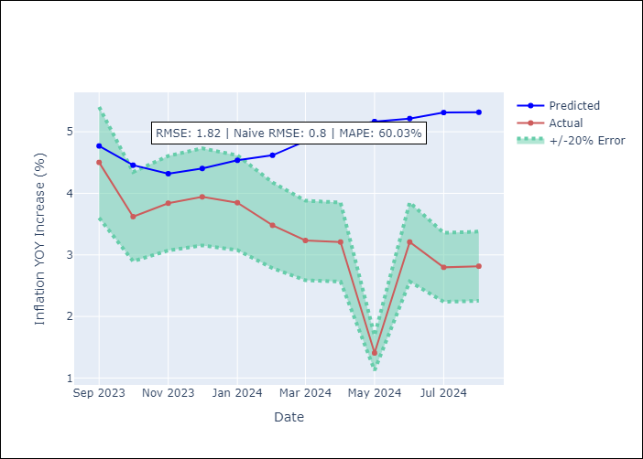

Appendix A: Model Summary
Model | ARIMA(2, 1, 0)x(0, 0, [1], 12)
Sample | 01-01-1991- 08-01-2024
No. of Observations | 404
Terms | P-value (Statistical significance)
ar.L1 | 0.000
ar.L2 | 0.000
ma.S.L12 | 0.000
sigma2 | 0.000
Assumptions | P-value

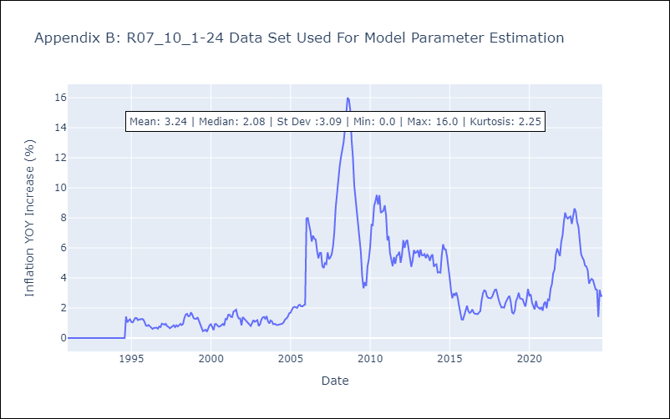

Appendix C: Residuals Analysis
Mean | 0.01

Normal? | No

