SUR10
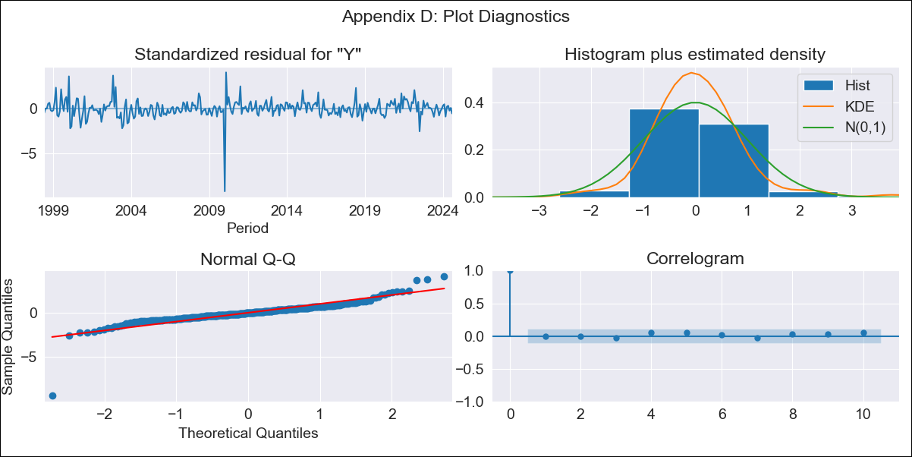
SUR10 - Inflation - Next 12 months forecast as of: 2024-08-01

Model | ARIMA - [(3, 2, 1), (2, 0, 1, 12)]
Training Data | 1996-01-01 to 2023-09-01
Test Data | 2023-09-01 to 2024-08-01

Date | Inflation Change YoY % | Lower Bound - 95% Confidence Interval | Upper Bound - 95% Confidence Interval
2024-09-01 | 4.18 | 3.54 | 4.82
2024-10-01 | 4.36 | 3.26 | 5.45
2024-11-01 | 4.47 | 2.96 | 5.97
2024-12-01 | 4.52 | 2.6 | 6.43
2025-01-01 | 4.44 | 2.13 | 6.75
2025-02-01 | 4.28 | 1.59 | 6.96
2025-03-01 | 4.46 | 1.42 | 7.5
2025-04-01 | 4.44 | 1.06 | 7.81
2025-05-01 | 4.34 | 0.63 | 8.04
2025-06-01 | 4.39 | 0.38 | 8.41
2025-07-01 | 4.38 | 0.06 | 8.7
2025-08-01 | 4.51 | -0.1 | 9.13
2025-09-01 | 4.57 | -0.18 | 9.31
2025-10-01 | 4.6 | -0.22 | 9.43
2025-11-01 | 4.64 | -0.25 | 9.53
2025-12-01 | 4.65 | -0.28 | 9.59

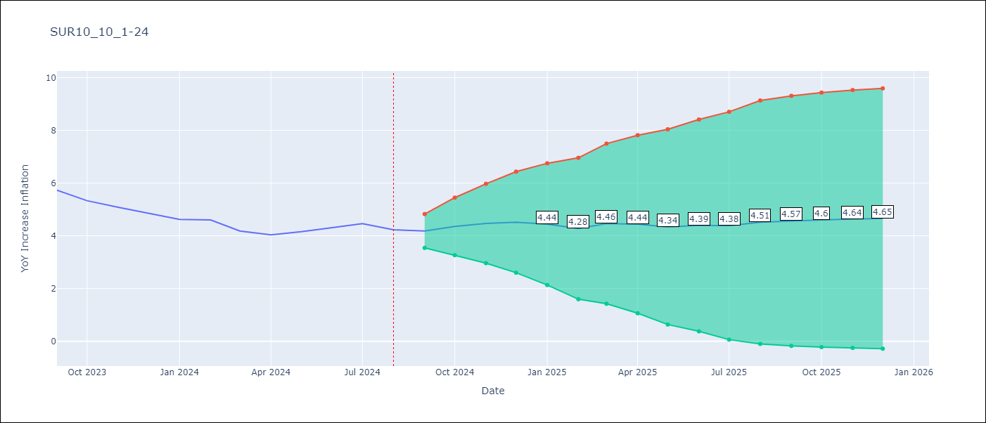

Test Metrics
RMSE | 0.99
Naive RMSE | 0.24
MAPE | 20.78%

Test Predictions
Date | Predicted | Actual
2023-09-01 | 5.83 | 5.73
2023-10-01 | 5.76 | 5.33
2023-11-01 | 5.76 | 5.08
2023-12-01 | 5.67 | 4.86
2024-01-01 | 5.46 | 4.62
2024-02-01 | 5.35 | 4.6
2024-03-01 | 5.27 | 4.18
2024-04-01 | 5.2 | 4.04
2024-05-01 | 5.28 | 4.15
2024-06-01 | 5.59 | 4.31
2024-07-01 | 5.73 | 4.46
2024-08-01 | 5.7 | 4.23

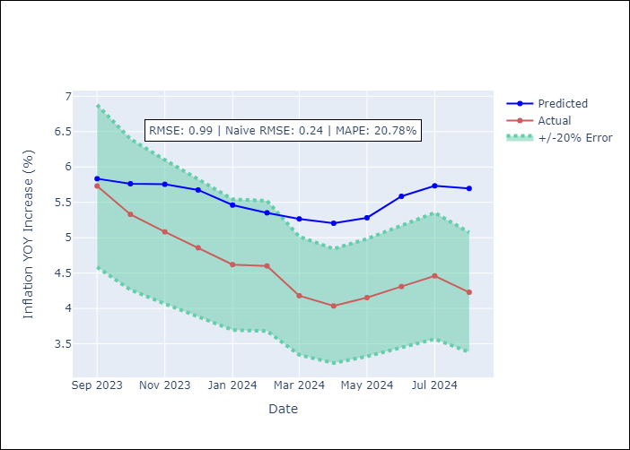

Appendix A: Model Summary
Model | ARIMA(3, 2, 1)x(2, 0, 1, 12)
Sample | 01-01-1996- 08-01-2024
No. of Observations | 344
Terms | P-value (Statistical significance)
ar.L1 | 0.000
ar.L2 | 0.152
ar.L3 | 0.087
ma.L1 | 0.000
ar.S.L12 | 0.082
ar.S.L24 | 0.790
ma.S.L12 | 0.998
sigma2 | 0.998
Assumptions | P-value

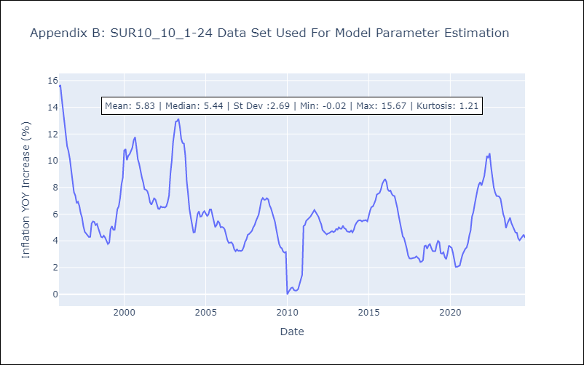

Appendix C: Residuals Analysis
Mean | 0.02

Normal? | No

