CEN09
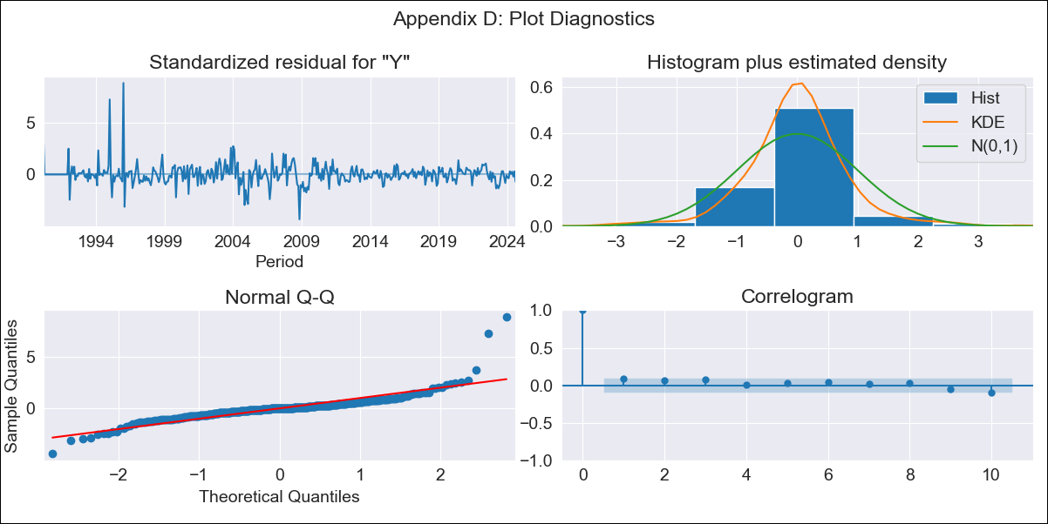
CEN09 - Inflation - Next 12 months forecast as of: 2024-08-01

Model | ARIMA - [(1, 1, 0), (0, 0, 0, 12)]
Training Data | 1990-01-01 to 2023-09-01
Test Data | 2023-09-01 to 2024-08-01

Date | Inflation Change YoY % | Lower Bound - 95% Confidence Interval | Upper Bound - 95% Confidence Interval
2024-09-01 | 2.9 | 1.7 | 4.09
2024-10-01 | 2.87 | 0.93 | 4.81
2024-11-01 | 2.86 | 0.32 | 5.39
2024-12-01 | 2.86 | -0.17 | 5.88
2025-01-01 | 2.85 | -0.6 | 6.31
2025-02-01 | 2.85 | -0.98 | 6.69
2025-03-01 | 2.85 | -1.33 | 7.03
2025-04-01 | 2.85 | -1.65 | 7.35
2025-05-01 | 2.85 | -1.94 | 7.65
2025-06-01 | 2.85 | -2.23 | 7.93
2025-07-01 | 2.85 | -2.49 | 8.2
2025-08-01 | 2.85 | -2.75 | 8.45
2025-09-01 | 2.85 | -2.99 | 8.7
2025-10-01 | 2.85 | -3.22 | 8.93
2025-11-01 | 2.85 | -3.45 | 9.15
2025-12-01 | 2.85 | -3.66 | 9.37

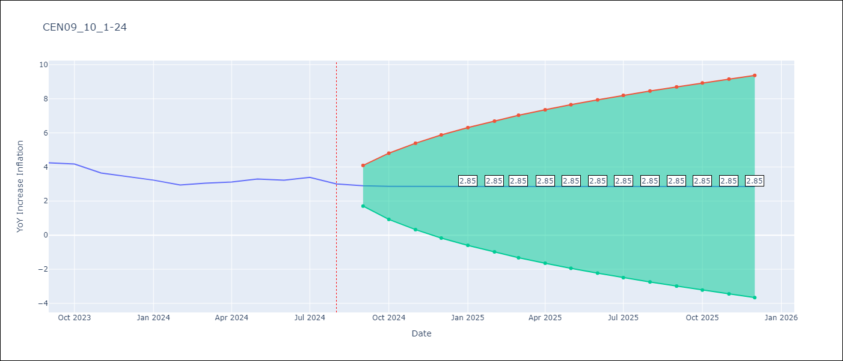

Test Metrics
RMSE | 0.78
Naive RMSE | 0.25
MAPE | 22.34%

Test Predictions
Date | Predicted | Actual
2023-09-01 | 4.05 | 4.25
2023-10-01 | 4.06 | 4.17
2023-11-01 | 4.06 | 3.65
2023-12-01 | 4.06 | 3.45
2024-01-01 | 4.06 | 3.23
2024-02-01 | 4.06 | 2.94
2024-03-01 | 4.06 | 3.05
2024-04-01 | 4.06 | 3.12
2024-05-01 | 4.06 | 3.29
2024-06-01 | 4.06 | 3.22
2024-07-01 | 4.06 | 3.39
2024-08-01 | 4.06 | 3.01

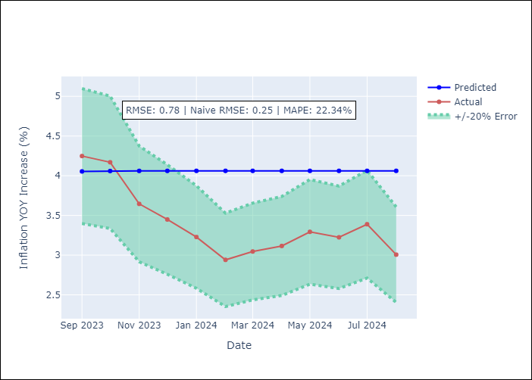

Appendix A: Model Summary
Model | ARIMA(1, 1, 0)
Sample | 01-01-1990- 08-01-2024
No. of Observations | 416
Terms | P-value (Statistical significance)
ar.L1 | 0.000
sigma2 | 0.000
Assumptions | P-value

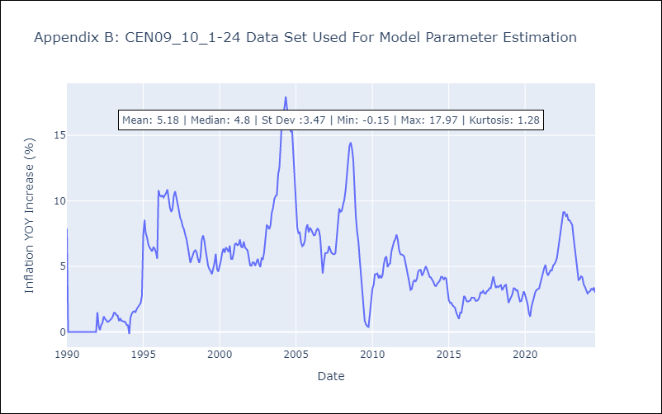

Appendix C: Residuals Analysis
Mean | 0.01

Normal? | No

