CEN10
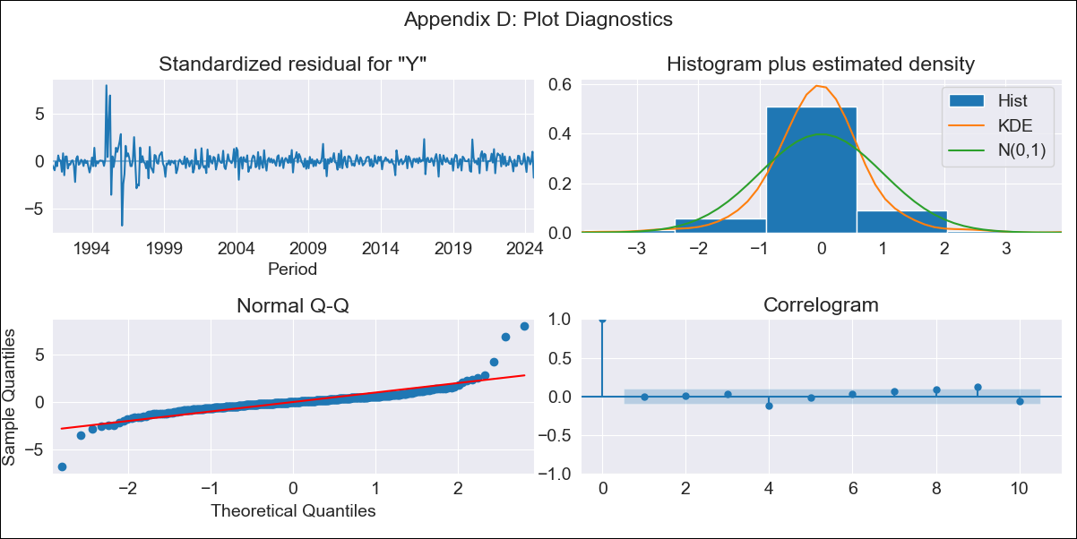
CEN10 - Inflation - Next 12 months forecast as of: 2024-08-01

Model | ARIMA - [(1, 1, 1), (0, 0, 1, 12)]
Training Data | 1990-01-01 to 2023-09-01
Test Data | 2023-09-01 to 2024-08-01

Date | Inflation Change YoY % | Lower Bound - 95% Confidence Interval | Upper Bound - 95% Confidence Interval
2024-09-01 | 3.94 | 3.09 | 4.79
2024-10-01 | 3.73 | 1.96 | 5.49
2024-11-01 | 3.61 | 0.91 | 6.32
2024-12-01 | 3.39 | -0.23 | 7.01
2025-01-01 | 3.24 | -1.25 | 7.74
2025-02-01 | 3.36 | -1.97 | 8.68
2025-03-01 | 3.38 | -2.73 | 9.49
2025-04-01 | 3.33 | -3.51 | 10.18
2025-05-01 | 3.36 | -4.18 | 10.9
2025-06-01 | 3.38 | -4.82 | 11.58
2025-07-01 | 3.21 | -5.61 | 12.03
2025-08-01 | 3.41 | -6 | 12.81
2025-09-01 | 3.58 | -6.28 | 13.43
2025-10-01 | 3.7 | -6.5 | 13.9
2025-11-01 | 3.79 | -6.7 | 14.27
2025-12-01 | 3.85 | -6.88 | 14.59

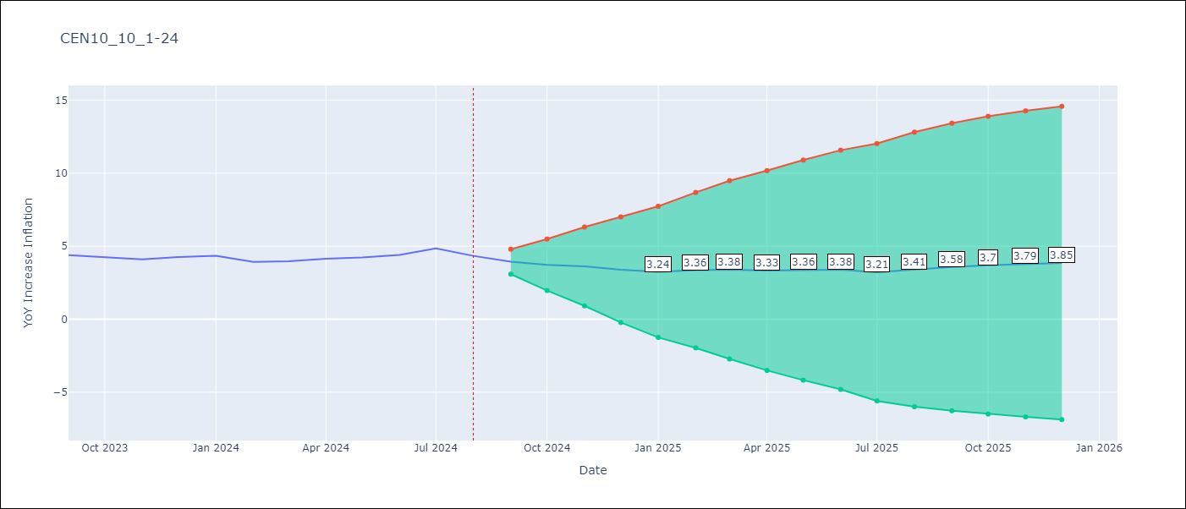

Test Metrics
RMSE | 0.96
Naive RMSE | 0.26
MAPE | 20.24%

Test Predictions
Date | Predicted | Actual
2023-09-01 | 4.5 | 4.39
2023-10-01 | 4.59 | 4.23
2023-11-01 | 4.74 | 4.1
2023-12-01 | 4.77 | 4.26
2024-01-01 | 4.79 | 4.34
2024-02-01 | 4.84 | 3.92
2024-03-01 | 5.09 | 3.97
2024-04-01 | 5.26 | 4.15
2024-05-01 | 5.49 | 4.23
2024-06-01 | 5.75 | 4.4
2024-07-01 | 5.85 | 4.85
2024-08-01 | 5.82 | 4.34

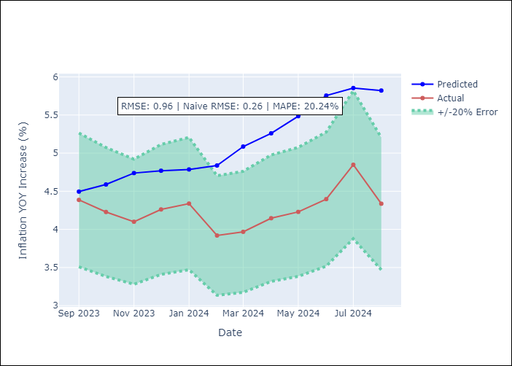

Appendix A: Model Summary
Model | ARIMA(1, 1, 1)x(0, 0, 1, 12)
Sample | 01-01-1990- 08-01-2024
No. of Observations | 416
Terms | P-value (Statistical significance)
ar.L1 | 0.000
ma.L1 | 0.061
ma.S.L12 | 0.000
sigma2 | 0.000
Assumptions | P-value

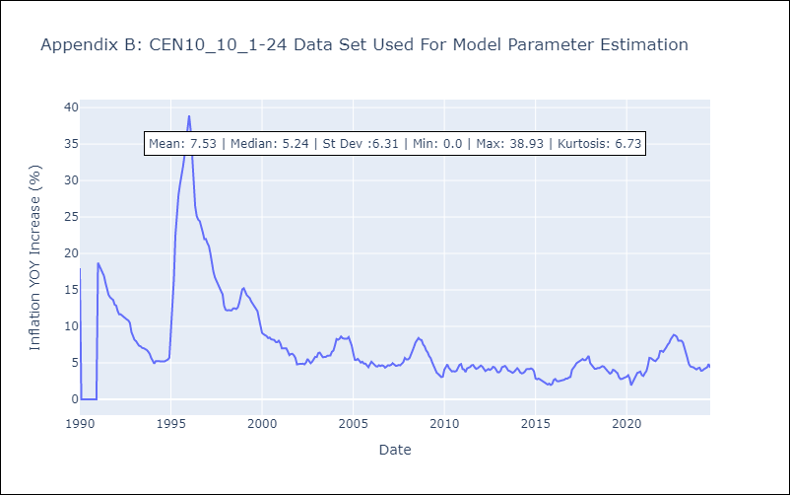

Appendix C: Residuals Analysis
Mean | 0.01

Normal? | No

