R01
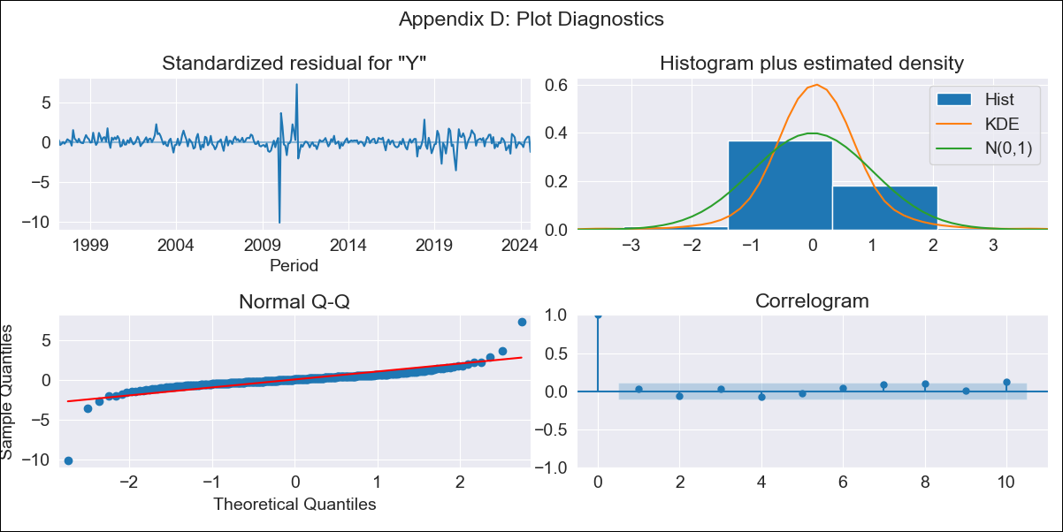
R01 - Inflation - Next 12 months forecast as of: 2024-08-01

Model | ARIMA - [(2, 0, 1), (0, 0, 1, 12)]
Training Data | 1996-01-01 to 2023-09-01
Test Data | 2023-09-01 to 2024-08-01

Date | Inflation Change YoY % | Lower Bound - 95% Confidence Interval | Upper Bound - 95% Confidence Interval
2024-09-01 | 4.24 | 3.68 | 4.87
2024-10-01 | 4.23 | 3.41 | 5.23
2024-11-01 | 4.22 | 3.19 | 5.56
2024-12-01 | 4.22 | 3.01 | 5.9
2025-01-01 | 4.22 | 2.85 | 6.22
2025-02-01 | 4.23 | 2.71 | 6.53
2025-03-01 | 4.23 | 2.59 | 6.84
2025-04-01 | 4.24 | 2.49 | 7.13
2025-05-01 | 4.26 | 2.41 | 7.42
2025-06-01 | 4.28 | 2.34 | 7.7
2025-07-01 | 4.29 | 2.28 | 7.96
2025-08-01 | 4.3 | 2.22 | 8.18
2025-09-01 | 4.32 | 2.18 | 8.39
2025-10-01 | 4.33 | 2.14 | 8.59
2025-11-01 | 4.35 | 2.11 | 8.77
2025-12-01 | 4.36 | 2.08 | 8.94

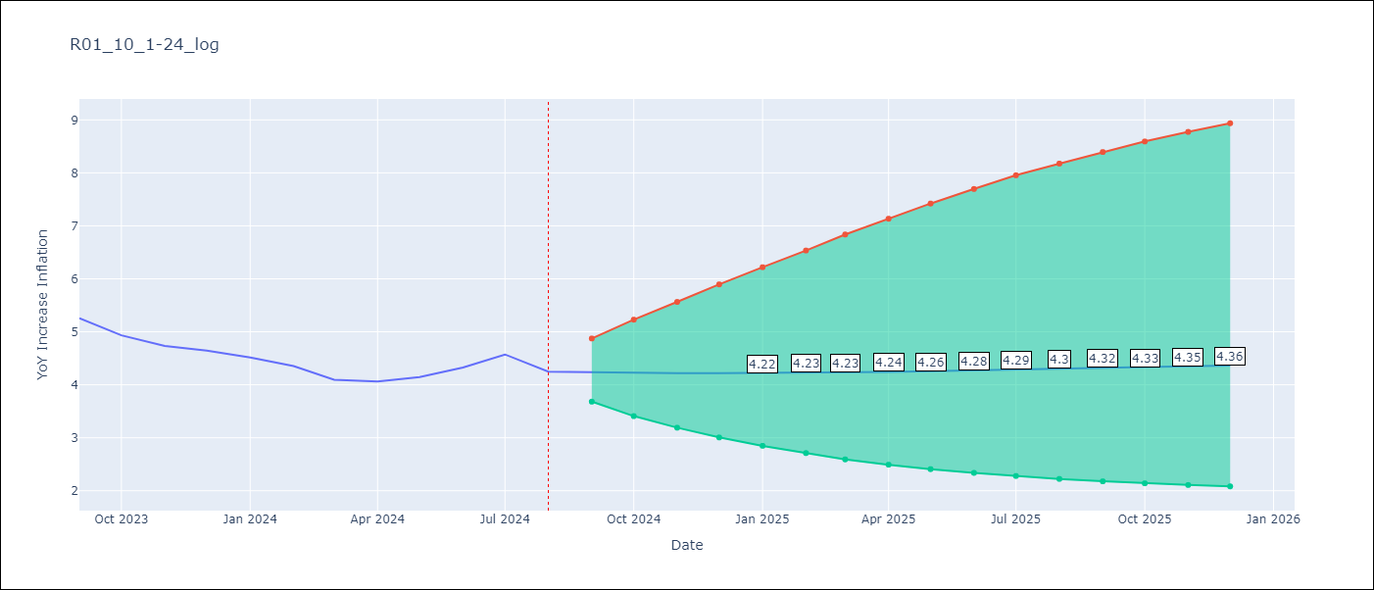

Test Metrics
RMSE | 0.28
Naive RMSE | 0.2
MAPE | 5.38%

Test Predictions
Date | Predicted | Actual
2023-09-01 | 5.02 | 5.26
2023-10-01 | 4.92 | 4.93
2023-11-01 | 4.83 | 4.73
2023-12-01 | 4.76 | 4.64
2024-01-01 | 4.7 | 4.51
2024-02-01 | 4.64 | 4.36
2024-03-01 | 4.59 | 4.1
2024-04-01 | 4.55 | 4.06
2024-05-01 | 4.52 | 4.15
2024-06-01 | 4.49 | 4.33
2024-07-01 | 4.49 | 4.57
2024-08-01 | 4.49 | 4.25

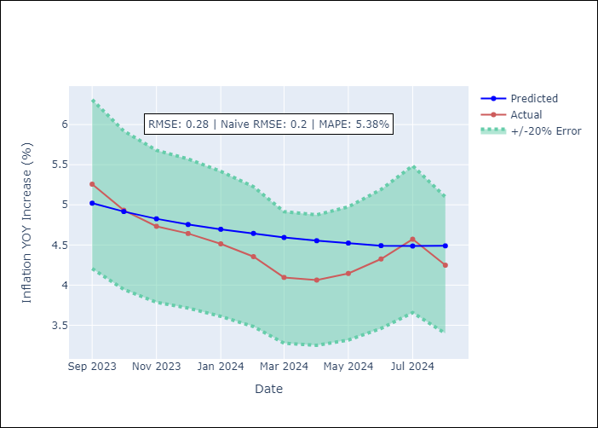

Appendix A: Model Summary
Model | ARIMA(2, 0, 1)x(0, 0, 1, 12)
Sample | 01-01-1996- 08-01-2024
No. of Observations | 344
Terms | P-value (Statistical significance)
const | 0.176
ar.L1 | 0.000
ar.L2 | 0.000
ma.L1 | 0.000
ma.S.L12 | 0.000
sigma2 | 0.000
Assumptions | P-value

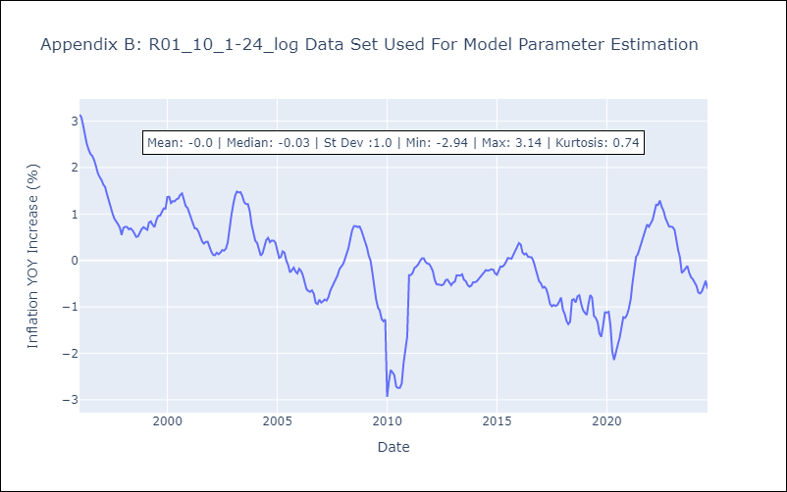

Appendix C: Residuals Analysis
Mean | 0.01

Normal? | No

