R02
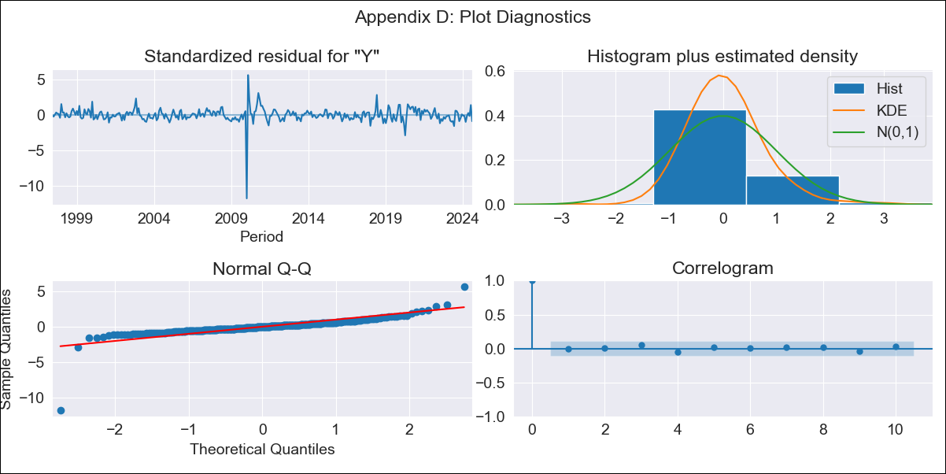
R02 - Inflation - Next 12 months forecast as of: 2024-08-01

Model | ARIMA - [(0, 2, 2), (0, 0, 1, 12)]
Training Data | 1996-01-01 to 2023-09-01
Test Data | 2023-09-01 to 2024-08-01

Date | Inflation Change YoY % | Lower Bound - 95% Confidence Interval | Upper Bound - 95% Confidence Interval
2024-09-01 | 4.13 | 3.64 | 4.67
2024-10-01 | 4.2 | 3.43 | 5.13
2024-11-01 | 4.24 | 3.23 | 5.53
2024-12-01 | 4.19 | 2.99 | 5.84
2025-01-01 | 4.17 | 2.77 | 6.18
2025-02-01 | 4.15 | 2.58 | 6.57
2025-03-01 | 4.28 | 2.48 | 7.24
2025-04-01 | 4.31 | 2.32 | 7.8
2025-05-01 | 4.26 | 2.12 | 8.26
2025-06-01 | 4.26 | 1.96 | 8.88
2025-07-01 | 4.02 | 1.69 | 9
2025-08-01 | 4.09 | 1.58 | 9.88
2025-09-01 | 4.08 | 1.48 | 10.35
2025-10-01 | 4.05 | 1.39 | 10.78
2025-11-01 | 4.03 | 1.31 | 11.22
2025-12-01 | 4.01 | 1.22 | 11.69

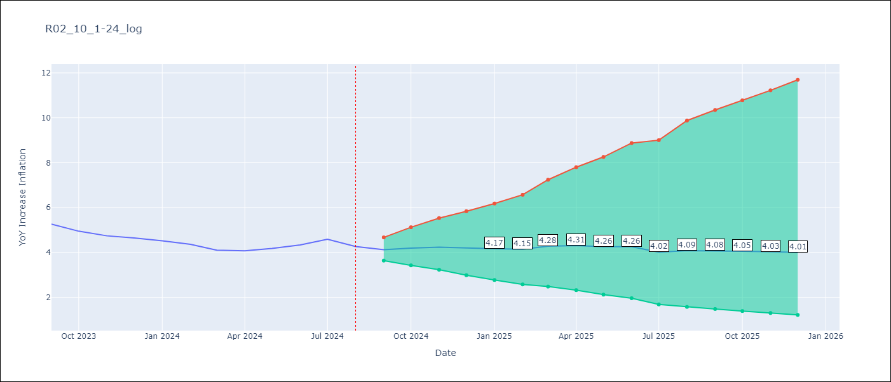

Test Metrics
RMSE | 0.81
Naive RMSE | 0.2
MAPE | 16.26%

Test Predictions
Date | Predicted | Actual
2023-09-01 | 5.19 | 5.27
2023-10-01 | 5.13 | 4.95
2023-11-01 | 5.12 | 4.74
2023-12-01 | 5.06 | 4.65
2024-01-01 | 4.99 | 4.52
2024-02-01 | 4.91 | 4.37
2024-03-01 | 4.98 | 4.11
2024-04-01 | 5.11 | 4.07
2024-05-01 | 5.27 | 4.18
2024-06-01 | 5.61 | 4.34
2024-07-01 | 5.55 | 4.59
2024-08-01 | 5.43 | 4.27

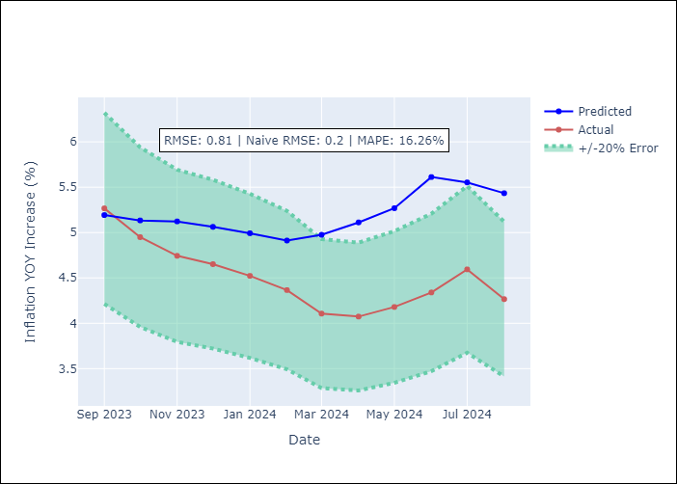

Appendix A: Model Summary
Model | ARIMA(0, 2, 2)x(0, 0, [1], 12)
Sample | 01-01-1996- 08-01-2024
No. of Observations | 344
Terms | P-value (Statistical significance)
ma.L1 | 0.000
ma.L2 | 0.001
ma.S.L12 | 0.000
sigma2 | 0.000
Assumptions | P-value

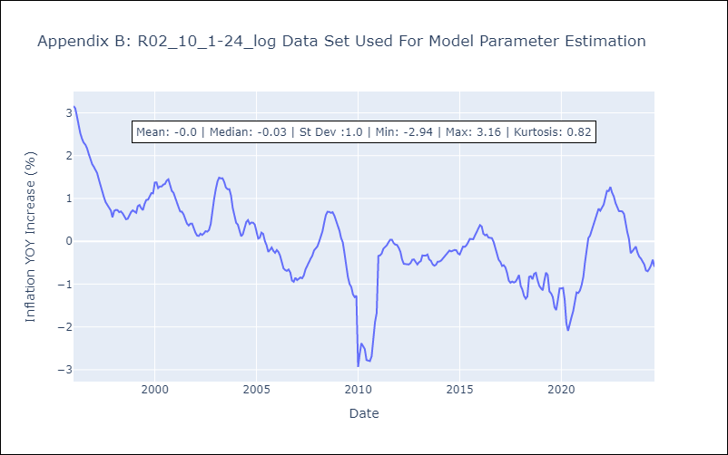

Appendix C: Residuals Analysis
Mean | 0.01

Normal? | No

