R07
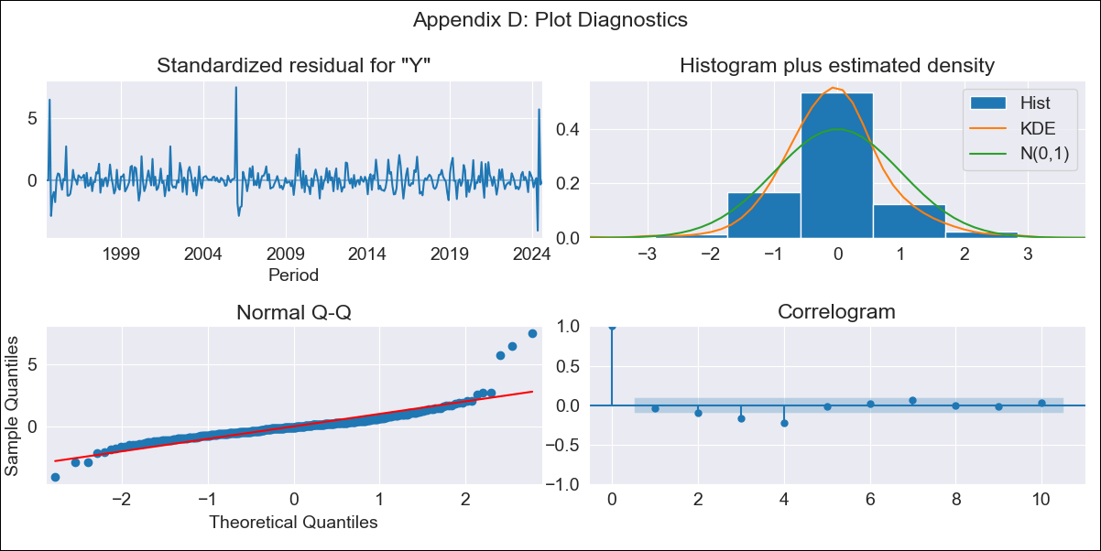
R07 - Inflation - Next 12 months forecast as of: 2024-08-01

Model | ARIMA - [(3, 2, 0), (3, 0, 1, 12)]
Training Data | 1991-01-01 to 2023-09-01
Test Data | 2023-09-01 to 2024-08-01

Date | Inflation Change YoY % | Lower Bound - 95% Confidence Interval | Upper Bound - 95% Confidence Interval
2024-09-01 | 2.79 | 1.96 | 3.86
2024-10-01 | 3.25 | 1.86 | 5.38
2024-11-01 | 3.16 | 1.36 | 6.44
2024-12-01 | 3.28 | 1.01 | 8.39
2025-01-01 | 3.42 | 0.66 | 11.31
2025-02-01 | 3.61 | 0.38 | 15.61
2025-03-01 | 3.9 | 0.15 | 22.41
2025-04-01 | 4.1 | -0.08 | 31.98
2025-05-01 | 5.14 | -0.17 | 55.05
2025-06-01 | 4.51 | -0.45 | 69.05
2025-07-01 | 4.91 | -0.6 | 108.55
2025-08-01 | 5.08 | -0.76 | 166.59
2025-09-01 | 5.39 | -0.9 | 259.8
2025-10-01 | 5.49 | -1.04 | 396.1
2025-11-01 | 5.66 | -1.17 | 622.07
2025-12-01 | 5.78 | -1.3 | 982.45

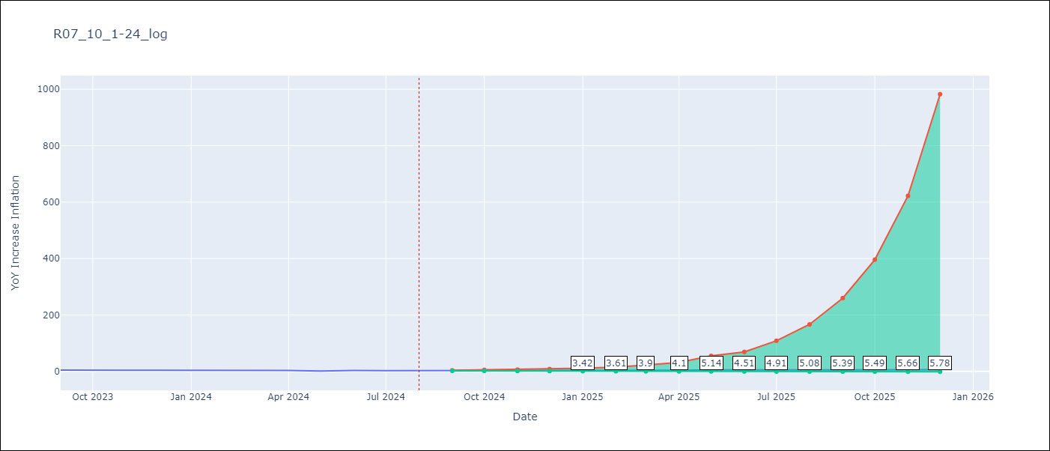

Test Metrics
RMSE | 0.88
Naive RMSE | 0.8
MAPE | 28.87%

Test Predictions
Date | Predicted | Actual
2023-09-01 | 4.59 | 4.5
2023-10-01 | 4.34 | 3.62
2023-11-01 | 4.28 | 3.84
2023-12-01 | 4.25 | 3.94
2024-01-01 | 4.11 | 3.85
2024-02-01 | 4.08 | 3.48
2024-03-01 | 3.92 | 3.23
2024-04-01 | 3.89 | 3.21
2024-05-01 | 3.76 | 1.41
2024-06-01 | 3.73 | 3.21
2024-07-01 | 3.63 | 2.8
2024-08-01 | 3.54 | 2.82

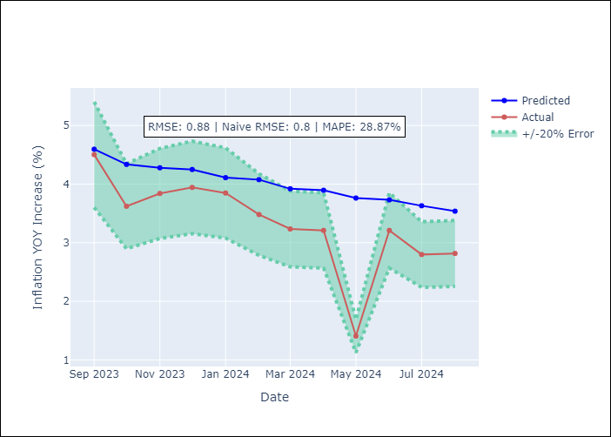

Appendix A: Model Summary
Model | ARIMA(3, 2, 0)x(3, 0, [1], 12)
Sample | 01-01-1991- 08-01-2024
No. of Observations | 404
Terms | P-value (Statistical significance)
ar.L1 | 0.000
ar.L2 | 0.000
ar.L3 | 0.000
ar.S.L12 | 0.000
ar.S.L24 | 0.008
ar.S.L36 | 0.009
ma.S.L12 | 0.000
sigma2 | 0.000
Assumptions | P-value

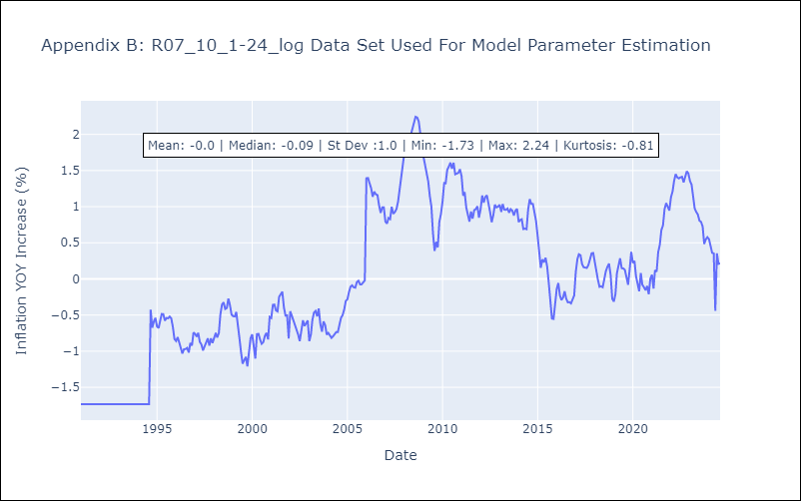

Appendix C: Residuals Analysis
Mean | 0.0

Normal? | No

