SUR10
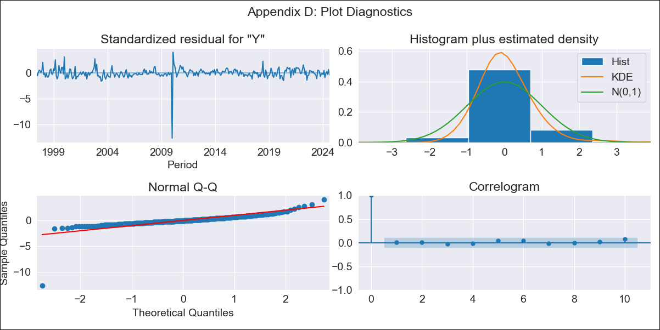
SUR10 - Inflation - Next 12 months forecast as of: 2024-08-01

Model | ARIMA - [(1, 2, 2), (1, 0, 1, 12)]
Training Data | 1996-01-01 to 2023-09-01
Test Data | 2023-09-01 to 2024-08-01

Date | Inflation Change YoY % | Lower Bound - 95% Confidence Interval | Upper Bound - 95% Confidence Interval
2024-09-01 | 4.15 | 3.45 | 4.9
2024-10-01 | 4.28 | 3.18 | 5.51
2024-11-01 | 4.33 | 2.87 | 6
2024-12-01 | 4.35 | 2.57 | 6.47
2025-01-01 | 4.44 | 2.36 | 7.01
2025-02-01 | 4.33 | 2 | 7.28
2025-03-01 | 4.56 | 1.92 | 7.98
2025-04-01 | 4.65 | 1.76 | 8.5
2025-05-01 | 4.63 | 1.53 | 8.87
2025-06-01 | 4.74 | 1.4 | 9.41
2025-07-01 | 4.58 | 1.11 | 9.57
2025-08-01 | 4.65 | 1 | 10.05
2025-09-01 | 4.66 | 0.93 | 10.21
2025-10-01 | 4.67 | 0.89 | 10.35
2025-11-01 | 4.68 | 0.85 | 10.46
2025-12-01 | 4.69 | 0.82 | 10.55

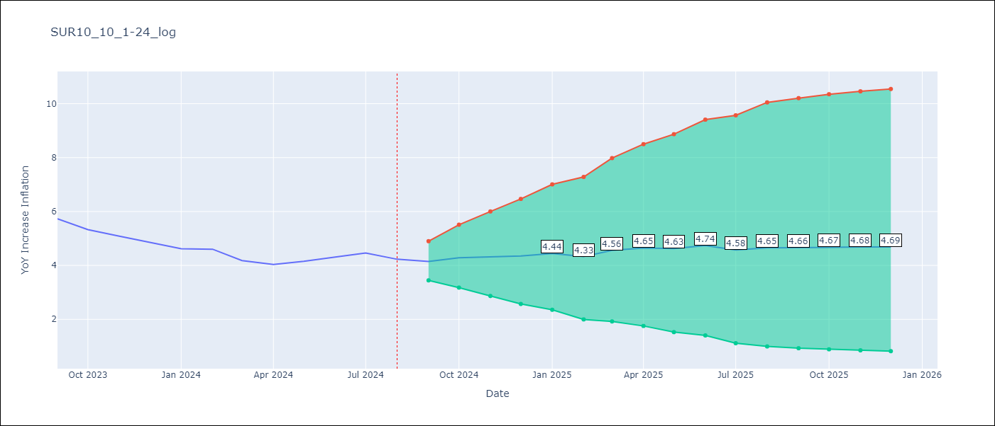

Test Metrics
RMSE | 0.68
Naive RMSE | 0.24
MAPE | 13.82%

Test Predictions
Date | Predicted | Actual
2023-09-01 | 5.65 | 5.73
2023-10-01 | 5.52 | 5.33
2023-11-01 | 5.38 | 5.08
2023-12-01 | 5.24 | 4.86
2024-01-01 | 5.16 | 4.62
2024-02-01 | 5.01 | 4.6
2024-03-01 | 4.94 | 4.18
2024-04-01 | 4.93 | 4.04
2024-05-01 | 5.03 | 4.15
2024-06-01 | 5.34 | 4.31
2024-07-01 | 5.29 | 4.46
2024-08-01 | 5.18 | 4.23

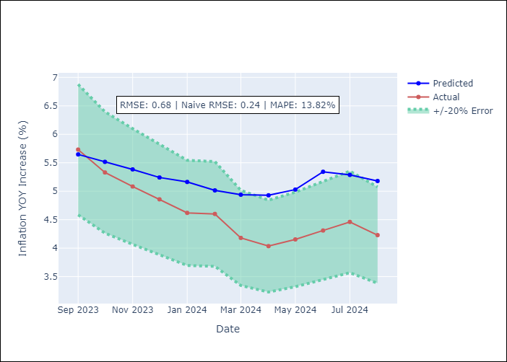

Appendix A: Model Summary
Model | ARIMA(1, 2, 2)x(1, 0, [1], 12)
Sample | 01-01-1996- 08-01-2024
No. of Observations | 344
Terms | P-value (Statistical significance)
ar.L1 | 0.000
ma.L1 | 0.930
ma.L2 | 0.955
ar.S.L12 | 0.323
ma.S.L12 | 0.000
sigma2 | 0.955
Assumptions | P-value

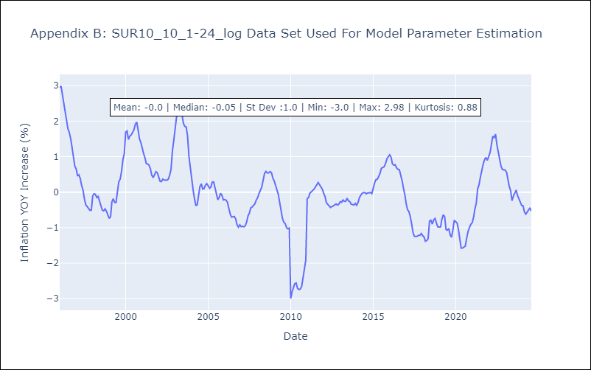

Appendix C: Residuals Analysis
Mean | 0.0

Normal? | No

