CEN09
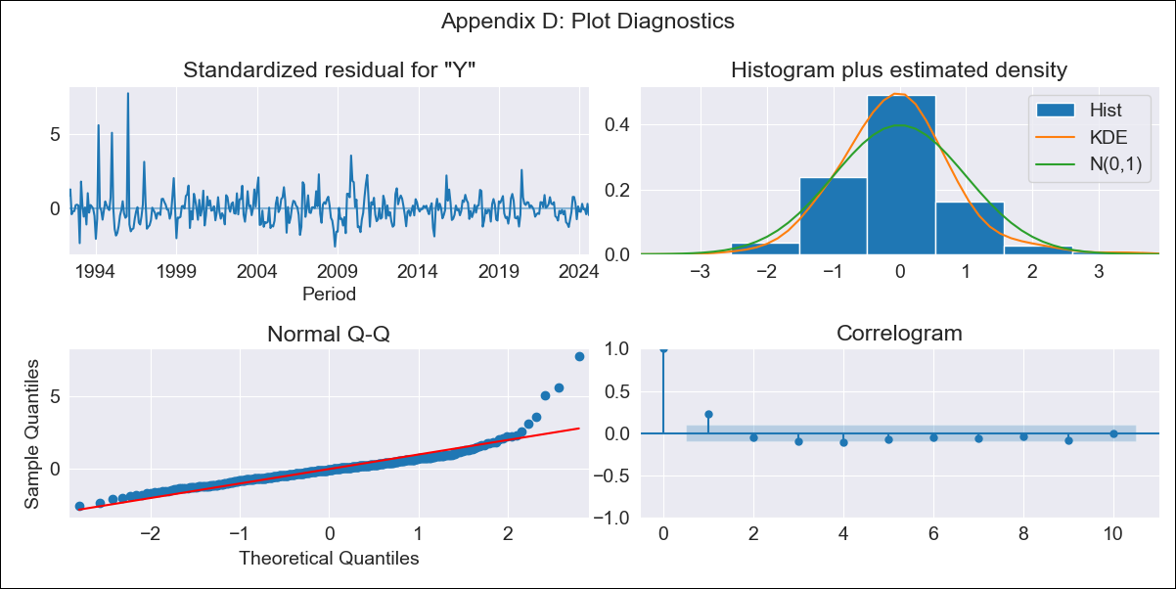
CEN09 - Inflation - Next 12 months forecast as of: 2024-08-01

Model | ARIMA - [(0, 2, 1), (1, 0, 2, 12)]
Training Data | 1990-01-01 to 2023-09-01
Test Data | 2023-09-01 to 2024-08-01

Date | Inflation Change YoY % | Lower Bound - 95% Confidence Interval | Upper Bound - 95% Confidence Interval
2024-09-01 | 2.74 | 1.99 | 3.59
2024-10-01 | 2.52 | 1.42 | 3.85
2024-11-01 | 2.5 | 1.07 | 4.34
2024-12-01 | 2.34 | 0.66 | 4.68
2025-01-01 | 2.27 | 0.34 | 5.17
2025-02-01 | 2.21 | 0.06 | 5.72
2025-03-01 | 2.06 | -0.25 | 6.17
2025-04-01 | 2 | -0.48 | 6.8
2025-05-01 | 1.94 | -0.7 | 7.51
2025-06-01 | 1.92 | -0.9 | 8.35
2025-07-01 | 1.81 | -1.13 | 9.07
2025-08-01 | 1.81 | -1.31 | 10.09
2025-09-01 | 1.74 | -1.46 | 10.72
2025-10-01 | 1.65 | -1.62 | 11.33
2025-11-01 | 1.57 | -1.76 | 11.97
2025-12-01 | 1.49 | -1.91 | 12.62

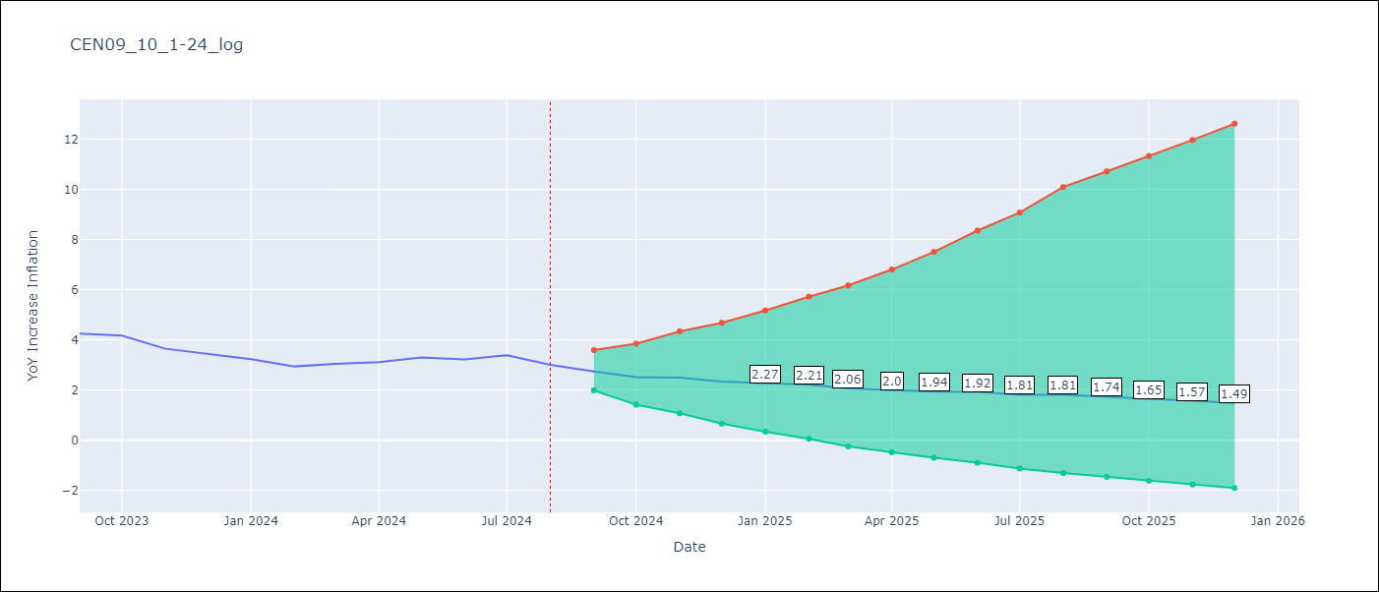

Test Metrics
RMSE | 0.51
Naive RMSE | 0.25
MAPE | 14.9%

Test Predictions
Date | Predicted | Actual
2023-09-01 | 3.86 | 4.25
2023-10-01 | 3.55 | 4.17
2023-11-01 | 3.27 | 3.65
2023-12-01 | 2.97 | 3.45
2024-01-01 | 2.79 | 3.23
2024-02-01 | 2.57 | 2.94
2024-03-01 | 2.52 | 3.05
2024-04-01 | 2.55 | 3.12
2024-05-01 | 2.68 | 3.29
2024-06-01 | 2.73 | 3.22
2024-07-01 | 2.74 | 3.39
2024-08-01 | 2.52 | 3.01

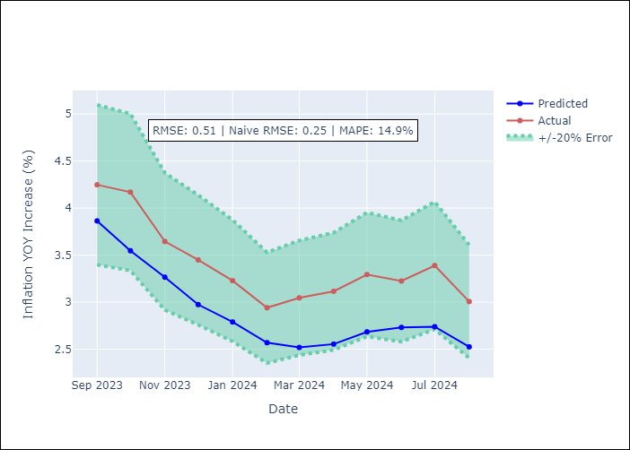

Appendix A: Model Summary
Model | ARIMA(0, 2, 1)x(1, 0, [1, 2], 12)
Sample | 01-01-1990- 08-01-2024
No. of Observations | 416
Terms | P-value (Statistical significance)
ma.L1 | 0.000
ar.S.L12 | 0.000
ma.S.L12 | 0.000
ma.S.L24 | 0.000
sigma2 | 0.000
Assumptions | P-value

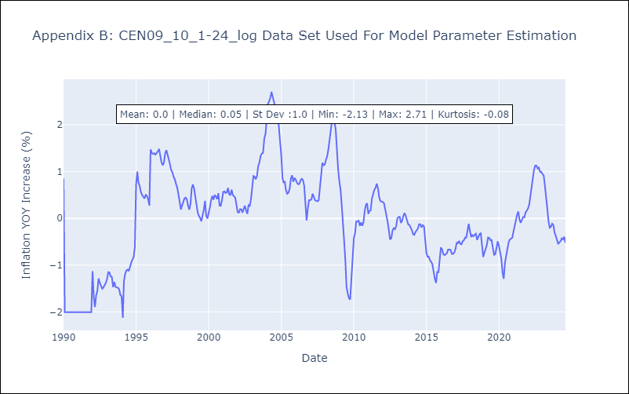

Appendix C: Residuals Analysis
Mean | 0.0

Normal? | No

