CEN10
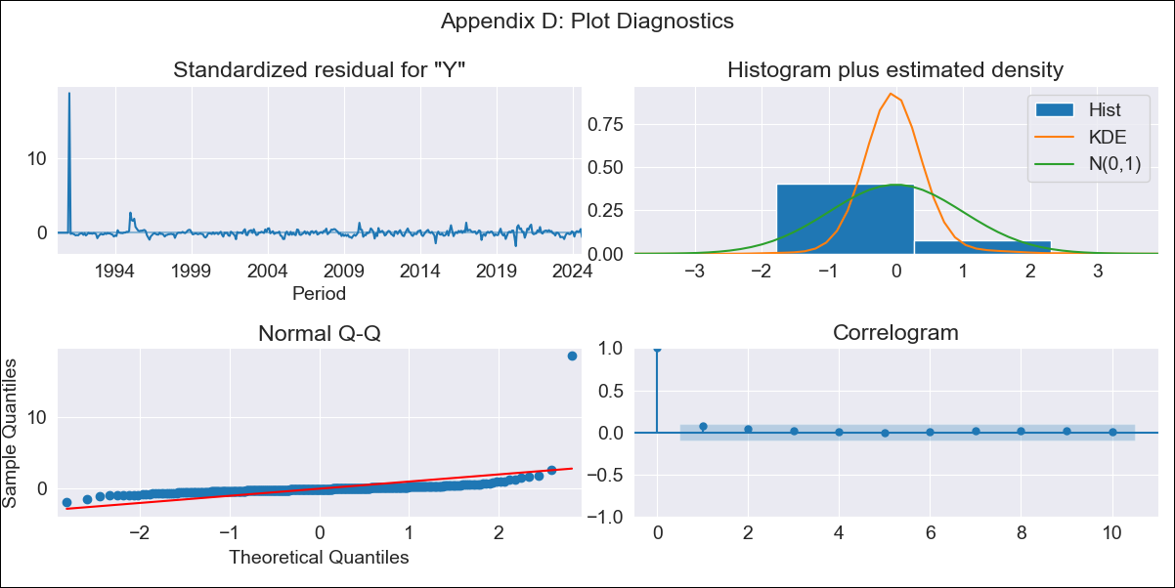
CEN10 - Inflation - Next 12 months forecast as of: 2024-08-01

Model | ARIMA - [(0, 1, 0), (0, 0, 0, 12)]
Training Data | 1990-01-01 to 2023-09-01
Test Data | 2023-09-01 to 2024-08-01

Date | Inflation Change YoY % | Lower Bound - 95% Confidence Interval | Upper Bound - 95% Confidence Interval
2024-09-01 | 4.34 | 2.9 | 6.3
2024-10-01 | 4.34 | 2.43 | 7.3
2024-11-01 | 4.34 | 2.1 | 8.17
2024-12-01 | 4.34 | 1.85 | 8.97
2025-01-01 | 4.34 | 1.65 | 9.73
2025-02-01 | 4.34 | 1.48 | 10.47
2025-03-01 | 4.34 | 1.33 | 11.19
2025-04-01 | 4.34 | 1.2 | 11.91
2025-05-01 | 4.34 | 1.08 | 12.62
2025-06-01 | 4.34 | 0.98 | 13.32
2025-07-01 | 4.34 | 0.89 | 14.03
2025-08-01 | 4.34 | 0.8 | 14.74
2025-09-01 | 4.34 | 0.72 | 15.44
2025-10-01 | 4.34 | 0.65 | 16.16
2025-11-01 | 4.34 | 0.58 | 16.87
2025-12-01 | 4.34 | 0.52 | 17.59

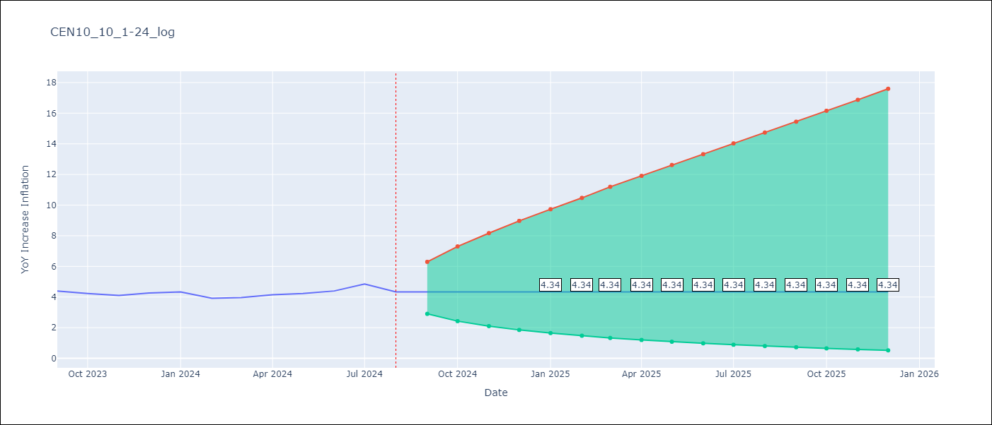

Test Metrics
RMSE | 0.29
Naive RMSE | 0.26
MAPE | 5.83%

Test Predictions
Date | Predicted | Actual
2023-09-01 | 4.44 | 4.39
2023-10-01 | 4.44 | 4.23
2023-11-01 | 4.44 | 4.1
2023-12-01 | 4.44 | 4.26
2024-01-01 | 4.44 | 4.34
2024-02-01 | 4.44 | 3.92
2024-03-01 | 4.44 | 3.97
2024-04-01 | 4.44 | 4.15
2024-05-01 | 4.44 | 4.23
2024-06-01 | 4.44 | 4.4
2024-07-01 | 4.44 | 4.85
2024-08-01 | 4.44 | 4.34

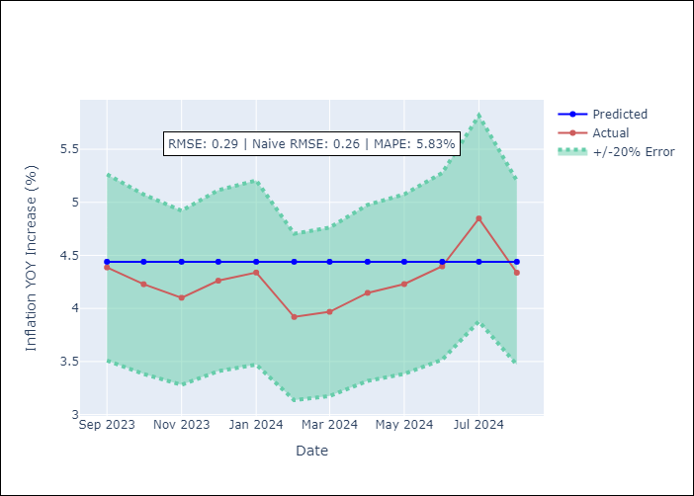

Appendix A: Model Summary
Model | ARIMA(0, 1, 0)
Sample | 01-01-1990- 08-01-2024
No. of Observations | 416
Terms | P-value (Statistical significance)
sigma2 | 0.000
Assumptions | P-value

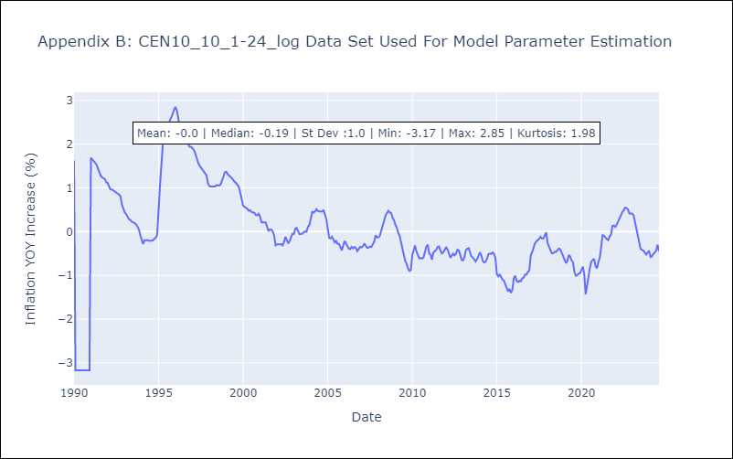

Appendix C: Residuals Analysis
Mean | -0.0

Normal? | No

