ARG
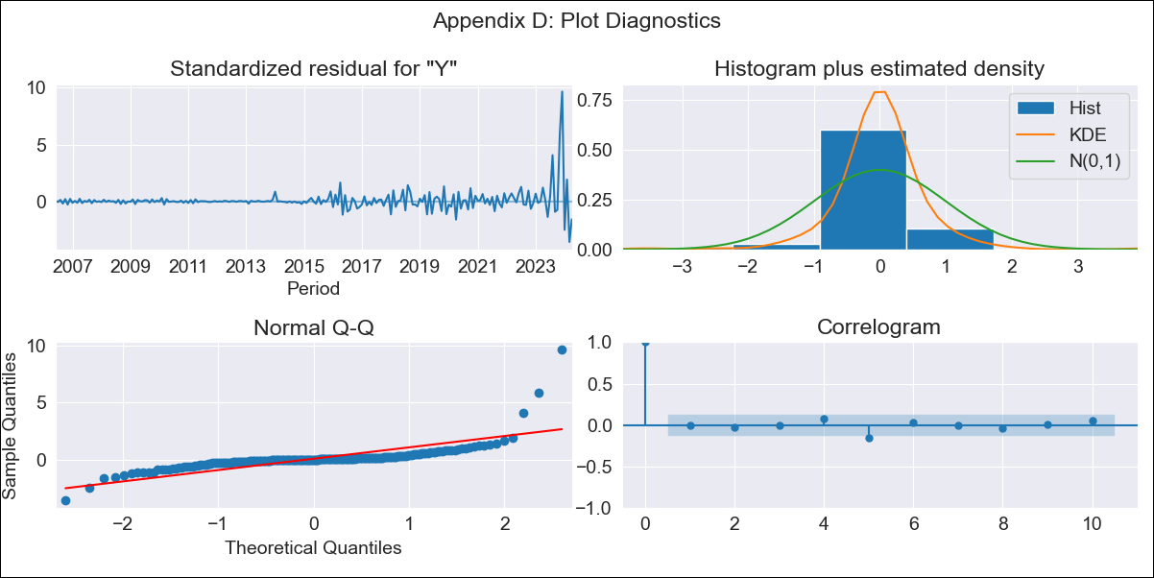
ARG - Inflation - Next 12 months forecast as of: 2024-04-01

Model | ARIMA - [(2, 2, 2), (0, 0, 1, 12)]
Training Data | 2005-01-01 to 2023-05-01
Test Data | 2023-05-01 to 2024-04-01

Date | Inflation Change YoY % | Lower Bound - 95% Confidence Interval | Upper Bound - 95% Confidence Interval
2024-05-01 | 297.04 | 291.78 | 302.3
2024-06-01 | 310.54 | 297.85 | 323.22
2024-07-01 | 326.84 | 306.84 | 346.83
2024-08-01 | 334.76 | 308.02 | 361.5
2024-09-01 | 342.19 | 309.04 | 375.35
2024-10-01 | 354.54 | 315.03 | 394.06
2024-11-01 | 357.68 | 311.68 | 403.68
2024-12-01 | 340.06 | 287.39 | 392.72
2025-01-01 | 327.93 | 268.39 | 387.46
2025-02-01 | 324.4 | 257.79 | 391.01
2025-03-01 | 331.24 | 257.35 | 405.12
2025-04-01 | 344.01 | 262.65 | 425.37
2025-05-01 | 354.57 | 266.96 | 442.18
2025-06-01 | 361.52 | 268.86 | 454.18
2025-07-01 | 366.81 | 269.56 | 464.07
2025-08-01 | 371.87 | 270.09 | 473.66

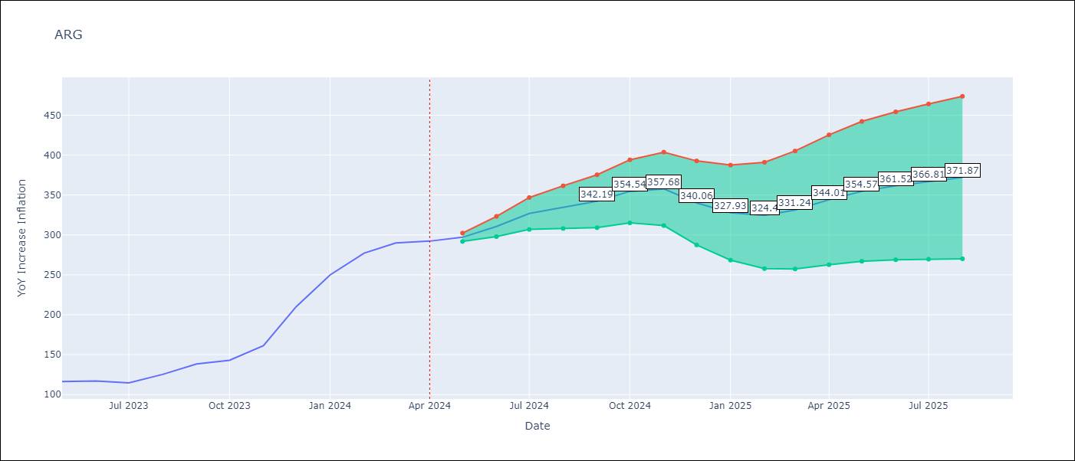

Test Metrics
RMSE | 85.54
Naive RMSE | 21.55
MAPE | 24.55%

Test Predictions
Date | Predicted | Actual
2023-05-01 | 114.51 | 116.26
2023-06-01 | 117.84 | 116.97
2023-07-01 | 118.33 | 114.59
2023-08-01 | 119.39 | 125.24
2023-09-01 | 122.65 | 138.29
2023-10-01 | 124.7 | 142.9
2023-11-01 | 127.57 | 161.19
2023-12-01 | 131.55 | 210.14
2024-01-01 | 134.09 | 249.92
2024-02-01 | 136.14 | 277.09
2024-03-01 | 138.4 | 289.9
2024-04-01 | 138.5 | 292.21

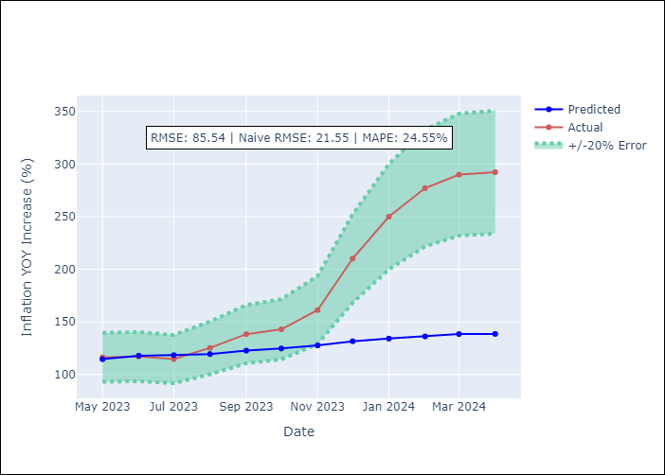

Appendix A: Model Summary
Model | ARIMA(2, 2, 2)x(0, 0, [1], 12)
Sample | 01-01-2005- 04-01-2024
No. of Observations | 232
Terms | P-value (Statistical significance)
ar.L1 | 0.000
ar.L2 | 0.019
ma.L1 | 0.000
ma.L2 | 0.000
ma.S.L12 | 0.000
sigma2 | 0.000
Assumptions | P-value

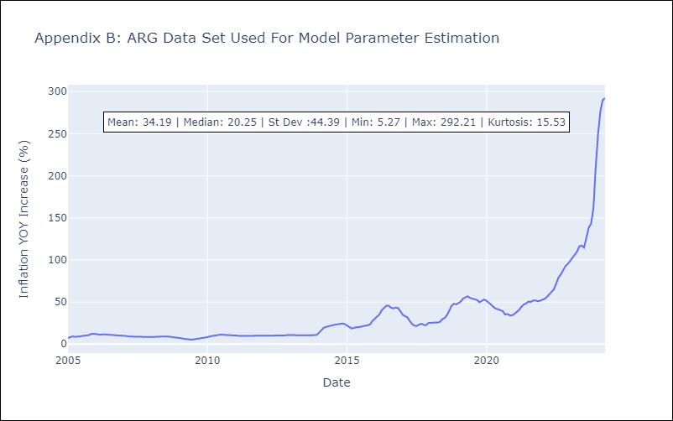

Appendix C: Residuals Analysis
Mean | 0.21

Normal? | No

BOL
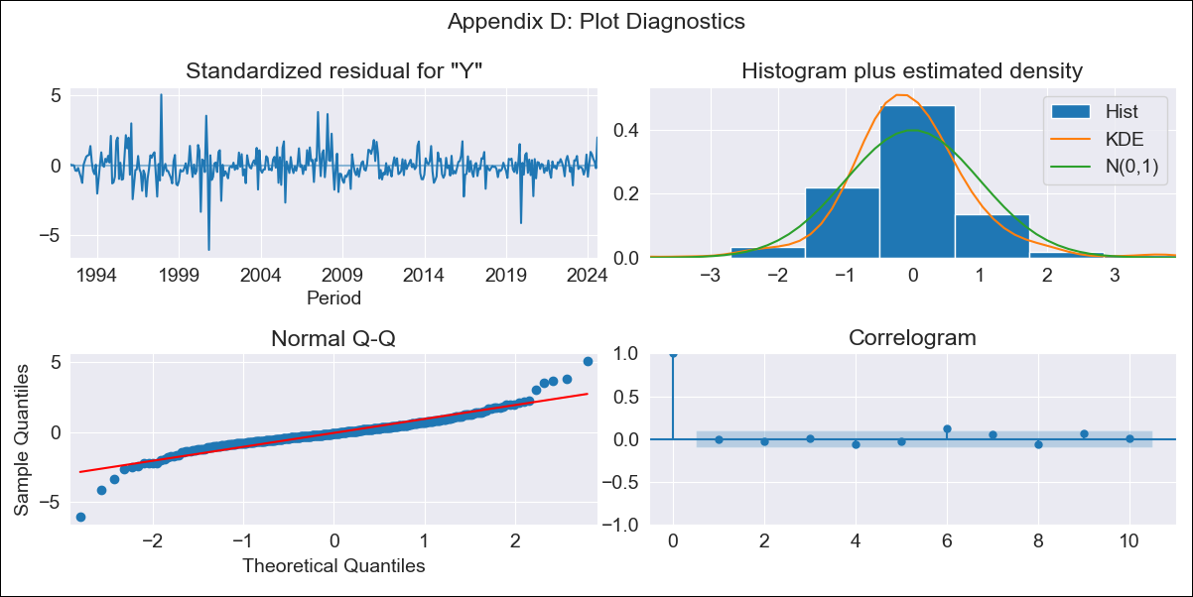
BOL - Inflation - Next 12 months forecast as of: 2024-08-01

Model | ARIMA - [(1, 1, 2), (0, 0, 2, 12)]
Training Data | 1990-01-01 to 2023-09-01
Test Data | 2023-09-01 to 2024-08-01

Date | Inflation Change YoY % | Lower Bound - 95% Confidence Interval | Upper Bound - 95% Confidence Interval
2024-09-01 | 5.77 | 4.69 | 6.86
2024-10-01 | 6.35 | 4.56 | 8.15
2024-11-01 | 6.82 | 4.46 | 9.18
2024-12-01 | 6.68 | 3.81 | 9.55
2025-01-01 | 7.2 | 3.84 | 10.55
2025-02-01 | 7.44 | 3.63 | 11.26
2025-03-01 | 7.13 | 2.86 | 11.39
2025-04-01 | 6.75 | 2.05 | 11.45
2025-05-01 | 6.51 | 1.38 | 11.64
2025-06-01 | 6.38 | 0.82 | 11.93
2025-07-01 | 6.49 | 0.52 | 12.45
2025-08-01 | 5.51 | -0.86 | 11.89
2025-09-01 | 5.23 | -1.28 | 11.73
2025-10-01 | 5.15 | -1.44 | 11.74
2025-11-01 | 5.08 | -1.58 | 11.74
2025-12-01 | 5.02 | -1.7 | 11.75

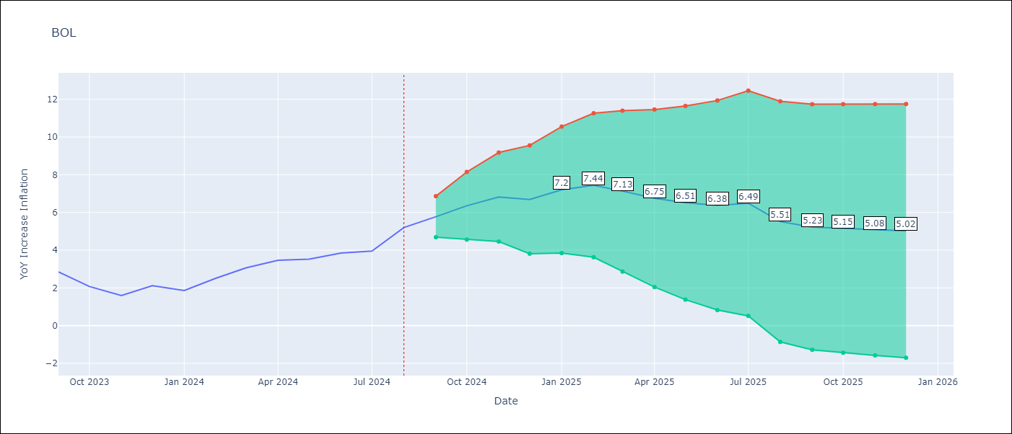

Test Metrics
RMSE | 0.79
Naive RMSE | 0.56
MAPE | 25.08%

Test Predictions
Date | Predicted | Actual
2023-09-01 | 3 | 2.85
2023-10-01 | 2.64 | 2.08
2023-11-01 | 2.46 | 1.59
2023-12-01 | 2.68 | 2.12
2024-01-01 | 2.81 | 1.86
2024-02-01 | 3.59 | 2.52
2024-03-01 | 3.66 | 3.06
2024-04-01 | 3.51 | 3.46
2024-05-01 | 3.18 | 3.52
2024-06-01 | 3.26 | 3.85
2024-07-01 | 3.38 | 3.95
2024-08-01 | 3.48 | 5.2

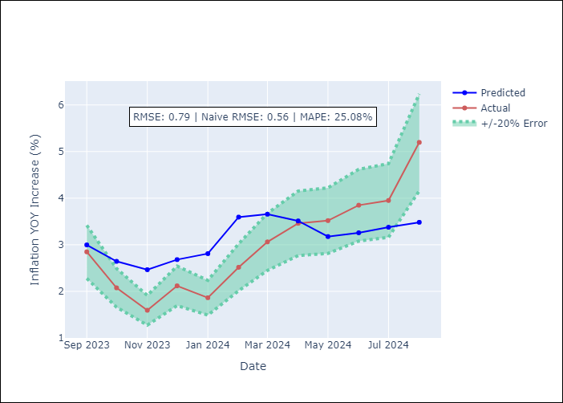

Appendix A: Model Summary
Model | ARIMA(1, 1, 2)x(0, 0, 2, 12)
Sample | 01-01-1990- 08-01-2024
No. of Observations | 416
Terms | P-value (Statistical significance)
ar.L1 | 0.000
ma.L1 | 0.000
ma.L2 | 0.000
ma.S.L12 | 0.000
ma.S.L24 | 0.857
sigma2 | 0.000
Assumptions | P-value

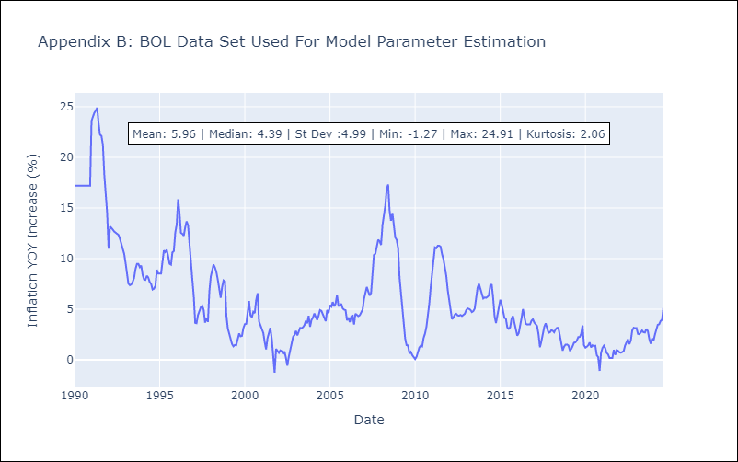

Appendix C: Residuals Analysis
Mean | -0.01

Normal? | No

BRA
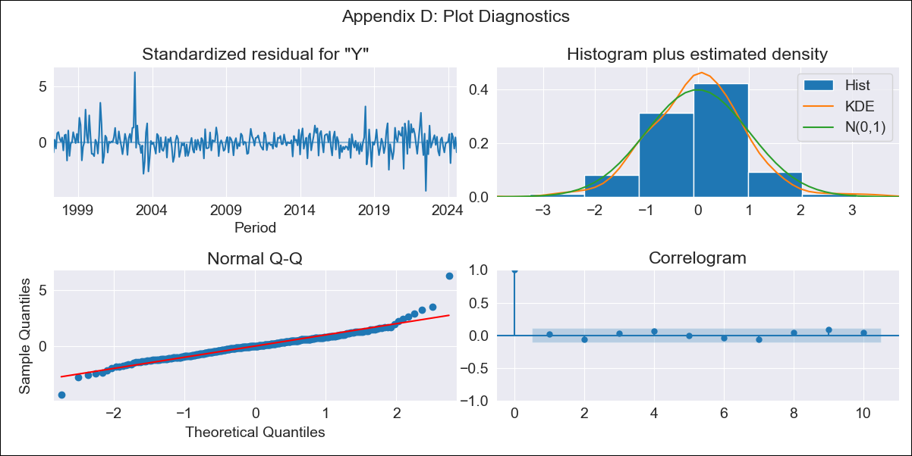
BRA - Inflation - Next 12 months forecast as of: 2024-08-01

Model | ARIMA - [(1, 2, 1), (0, 0, 1, 12)]
Training Data | 1996-01-01 to 2023-09-01
Test Data | 2023-09-01 to 2024-08-01

Date | Inflation Change YoY % | Lower Bound - 95% Confidence Interval | Upper Bound - 95% Confidence Interval
2024-09-01 | 4.17 | 3.51 | 4.83
2024-10-01 | 4.38 | 3.11 | 5.64
2024-11-01 | 4.54 | 2.69 | 6.39
2024-12-01 | 4.64 | 2.24 | 7.03
2025-01-01 | 4.68 | 1.78 | 7.58
2025-02-01 | 4.49 | 1.12 | 7.85
2025-03-01 | 4.9 | 1.1 | 8.69
2025-04-01 | 4.92 | 0.72 | 9.12
2025-05-01 | 4.78 | 0.21 | 9.36
2025-06-01 | 4.85 | -0.08 | 9.79
2025-07-01 | 4.77 | -0.5 | 10.03
2025-08-01 | 4.96 | -0.63 | 10.55
2025-09-01 | 5.08 | -0.66 | 10.82
2025-10-01 | 5.16 | -0.66 | 10.98
2025-11-01 | 5.21 | -0.66 | 11.07
2025-12-01 | 5.23 | -0.66 | 11.13

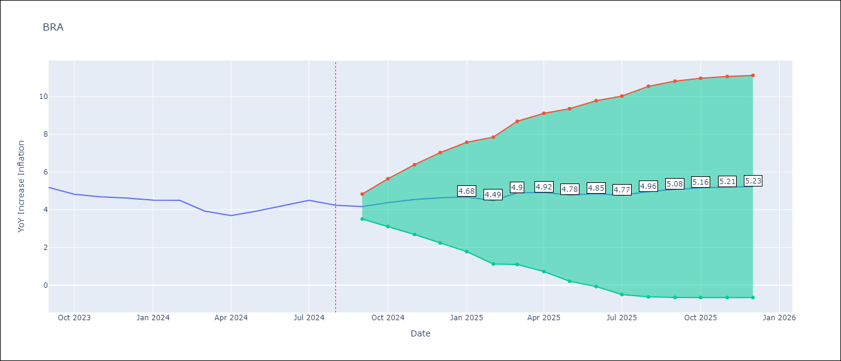

Test Metrics
RMSE | 1.14
Naive RMSE | 0.31
MAPE | 24.98%

Test Predictions
Date | Predicted | Actual
2023-09-01 | 5.31 | 5.19
2023-10-01 | 5.33 | 4.82
2023-11-01 | 5.46 | 4.68
2023-12-01 | 5.59 | 4.62
2024-01-01 | 5.56 | 4.51
2024-02-01 | 5.37 | 4.5
2024-03-01 | 5.32 | 3.93
2024-04-01 | 5.13 | 3.69
2024-05-01 | 5.24 | 3.93
2024-06-01 | 5.64 | 4.23
2024-07-01 | 5.81 | 4.5
2024-08-01 | 5.79 | 4.24

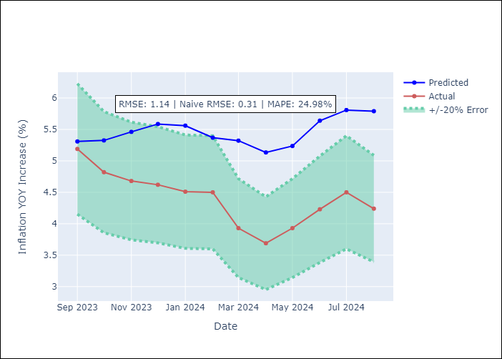

Appendix A: Model Summary
Model | ARIMA(1, 2, 1)x(0, 0, 1, 12)
Sample | 01-01-1996- 08-01-2024
No. of Observations | 344
Terms | P-value (Statistical significance)
ar.L1 | 0.000
ma.L1 | 0.978
ma.S.L12 | 0.000
sigma2 | 0.978
Assumptions | P-value

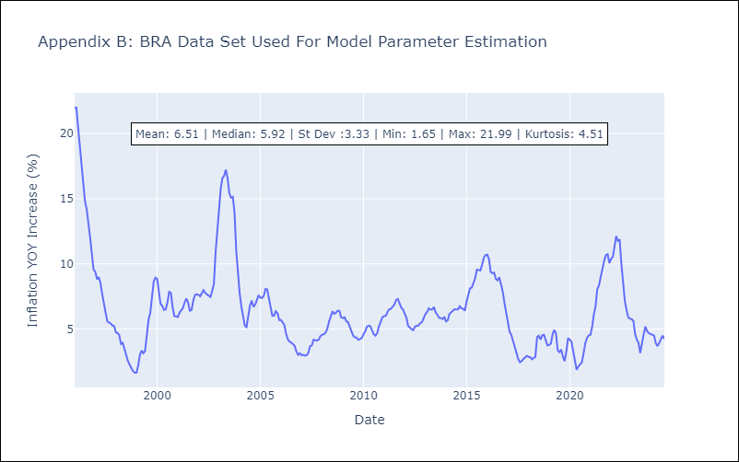

Appendix C: Residuals Analysis
Mean | 0.03

Normal? | No

CHL
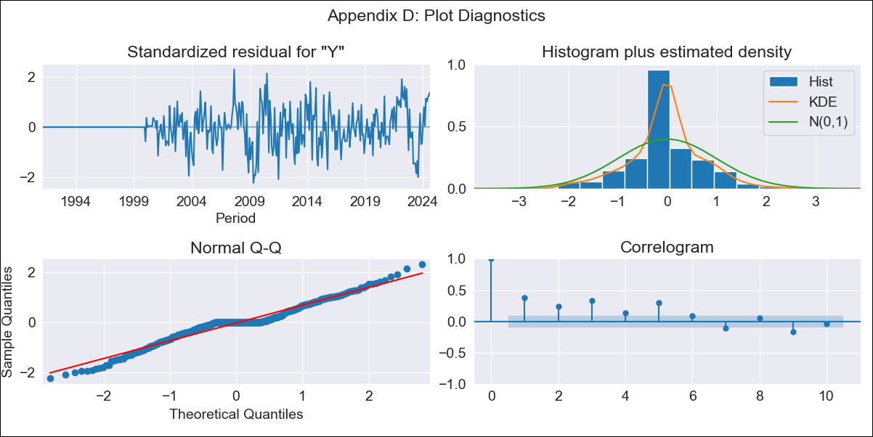
CHL - Inflation - Next 12 months forecast as of: 2024-08-01

Model | ARIMA - [(2, 0, 0), (0, 0, 1, 12)]
Training Data | 1990-01-01 to 2023-09-01
Test Data | 2023-09-01 to 2024-08-01

Date | Inflation Change YoY % | Lower Bound - 95% Confidence Interval | Upper Bound - 95% Confidence Interval
2024-09-01 | 4.57 | 2.8 | 6.34
2024-10-01 | 4.88 | 2.37 | 7.38
2024-11-01 | 4.49 | 1.51 | 7.48
2024-12-01 | 4.1 | 0.77 | 7.44
2025-01-01 | 4.2 | 0.61 | 7.8
2025-02-01 | 4.71 | 0.91 | 8.51
2025-03-01 | 4.77 | 0.81 | 8.74
2025-04-01 | 5.43 | 1.33 | 9.52
2025-05-01 | 6 | 1.8 | 10.19
2025-06-01 | 6.61 | 2.33 | 10.89
2025-07-01 | 7.22 | 2.88 | 11.57
2025-08-01 | 7.86 | 3.45 | 12.26
2025-09-01 | 7.65 | 2.9 | 12.39
2025-10-01 | 7.39 | 2.35 | 12.43
2025-11-01 | 7.14 | 1.87 | 12.42
2025-12-01 | 6.92 | 1.46 | 12.38

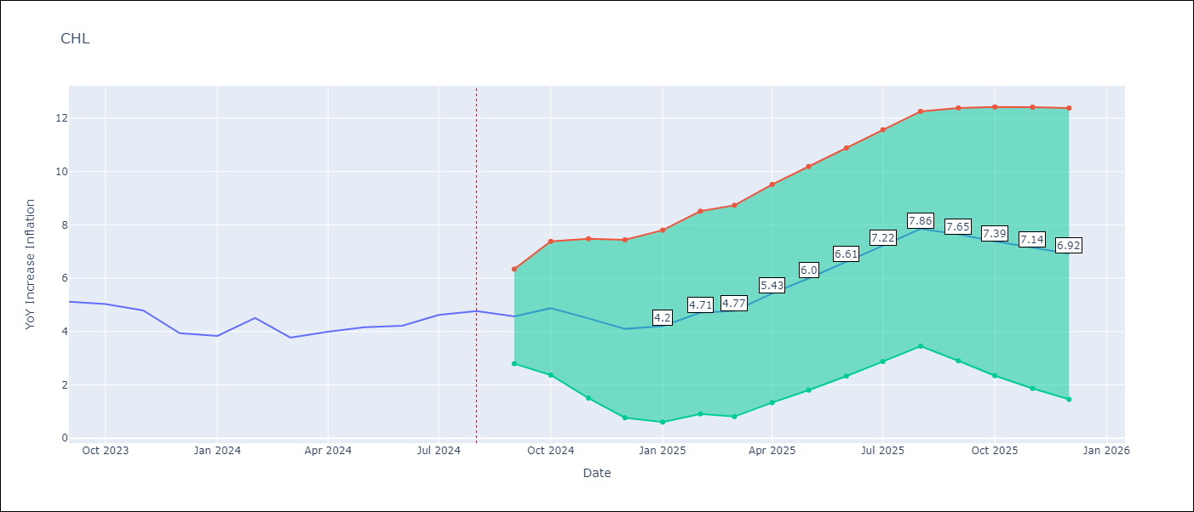

Test Metrics
RMSE | 0.58
Naive RMSE | 0.42
MAPE | 10.42%

Test Predictions
Date | Predicted | Actual
2023-09-01 | 4.68 | 5.12
2023-10-01 | 4.33 | 5.03
2023-11-01 | 4.14 | 4.8
2023-12-01 | 4.02 | 3.94
2024-01-01 | 3.95 | 3.84
2024-02-01 | 3.9 | 4.51
2024-03-01 | 3.85 | 3.78
2024-04-01 | 3.81 | 4
2024-05-01 | 3.77 | 4.16
2024-06-01 | 3.74 | 4.22
2024-07-01 | 3.71 | 4.63
2024-08-01 | 3.68 | 4.77

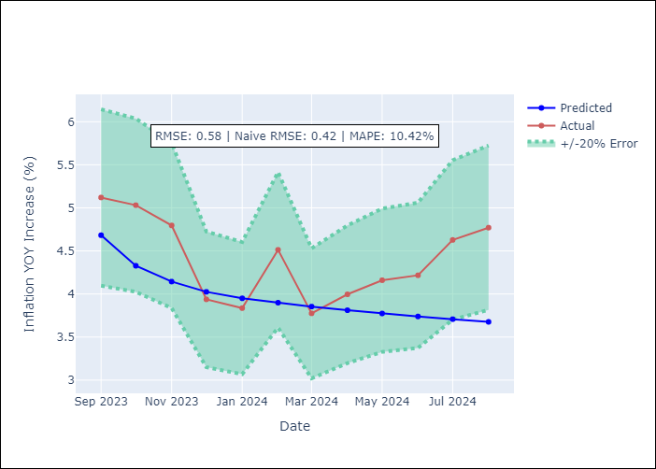

Appendix A: Model Summary
Model | ARIMA(2, 0, 0)x(0, 0, [1], 12)
Sample | 01-01-1990- 08-01-2024
No. of Observations | 416
Terms | P-value (Statistical significance)
const | 0.000
ar.L1 | 0.000
ar.L2 | 0.336
ma.S.L12 | 0.000
sigma2 | 0.000
Assumptions | P-value

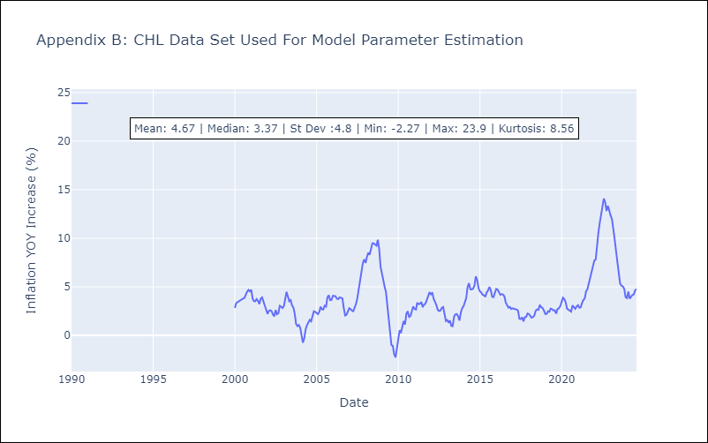

Appendix C: Residuals Analysis
Mean | 0.08

Normal? | Yes

COL
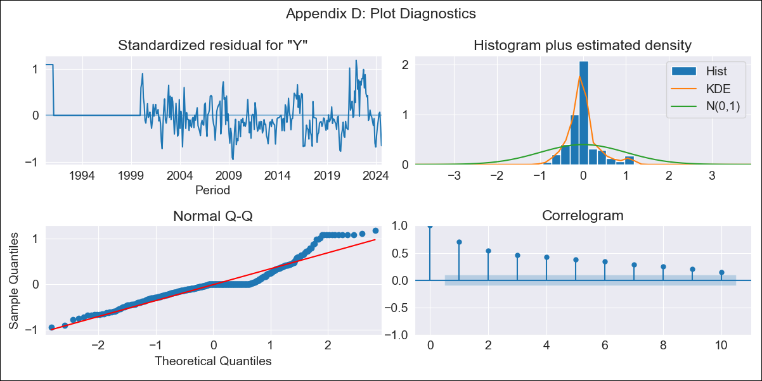
COL - Inflation - Next 12 months forecast as of: 2024-08-01

Model | ARIMA - [(1, 0, 1), (0, 0, 0, 12)]
Training Data | 1990-01-01 to 2023-09-01
Test Data | 2023-09-01 to 2024-08-01

Date | Inflation Change YoY % | Lower Bound - 95% Confidence Interval | Upper Bound - 95% Confidence Interval
2024-09-01 | 6.11 | 3.99 | 8.22
2024-10-01 | 6.12 | 3.17 | 9.06
2024-11-01 | 6.13 | 2.61 | 9.64
2024-12-01 | 6.14 | 2.18 | 10.09
2025-01-01 | 6.14 | 1.84 | 10.45
2025-02-01 | 6.15 | 1.56 | 10.75
2025-03-01 | 6.16 | 1.32 | 11
2025-04-01 | 6.17 | 1.12 | 11.21
2025-05-01 | 6.17 | 0.96 | 11.39
2025-06-01 | 6.18 | 0.81 | 11.55
2025-07-01 | 6.19 | 0.69 | 11.68
2025-08-01 | 6.19 | 0.59 | 11.8
2025-09-01 | 6.2 | 0.49 | 11.9
2025-10-01 | 6.2 | 0.41 | 11.99
2025-11-01 | 6.21 | 0.34 | 12.07
2025-12-01 | 6.21 | 0.28 | 12.14

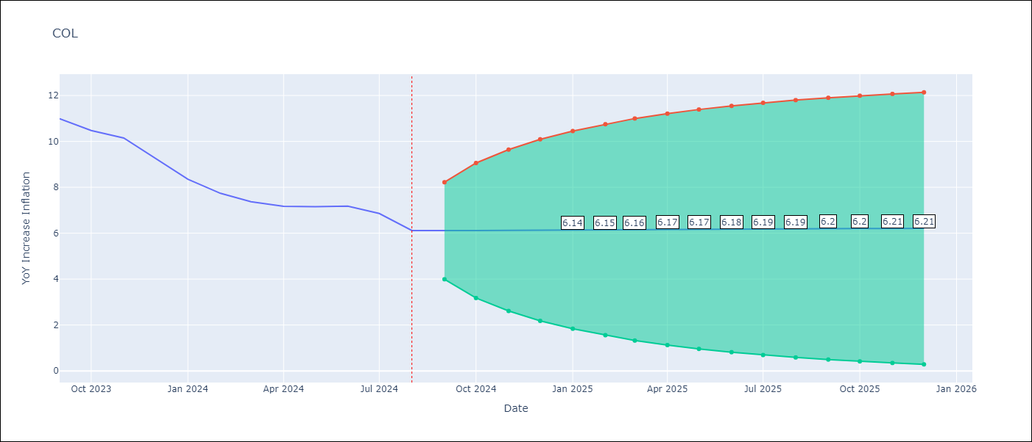

Test Metrics
RMSE | 3.22
Naive RMSE | 0.53
MAPE | 39.28%

Test Predictions
Date | Predicted | Actual
2023-09-01 | 11.3 | 10.99
2023-10-01 | 11.27 | 10.48
2023-11-01 | 11.23 | 10.15
2023-12-01 | 11.2 | 9.28
2024-01-01 | 11.17 | 8.35
2024-02-01 | 11.14 | 7.74
2024-03-01 | 11.1 | 7.37
2024-04-01 | 11.07 | 7.17
2024-05-01 | 11.04 | 7.15
2024-06-01 | 11.01 | 7.18
2024-07-01 | 10.98 | 6.86
2024-08-01 | 10.94 | 6.12

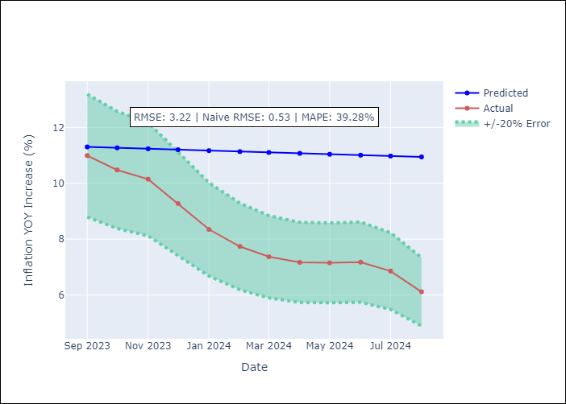

Appendix A: Model Summary
Model | ARIMA(1, 0, 1)
Sample | 01-01-1990- 08-01-2024
No. of Observations | 416
Terms | P-value (Statistical significance)
const | 0.018
ar.L1 | 0.000
ma.L1 | 0.939
sigma2 | 0.000
Assumptions | P-value

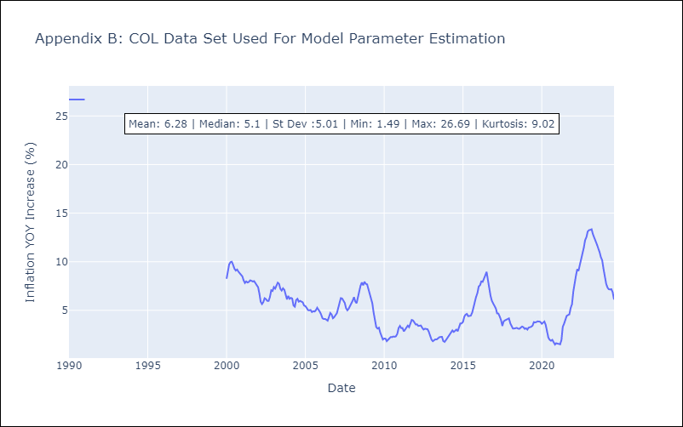

Appendix C: Residuals Analysis
Mean | 0.06

Normal? | Yes

ECU
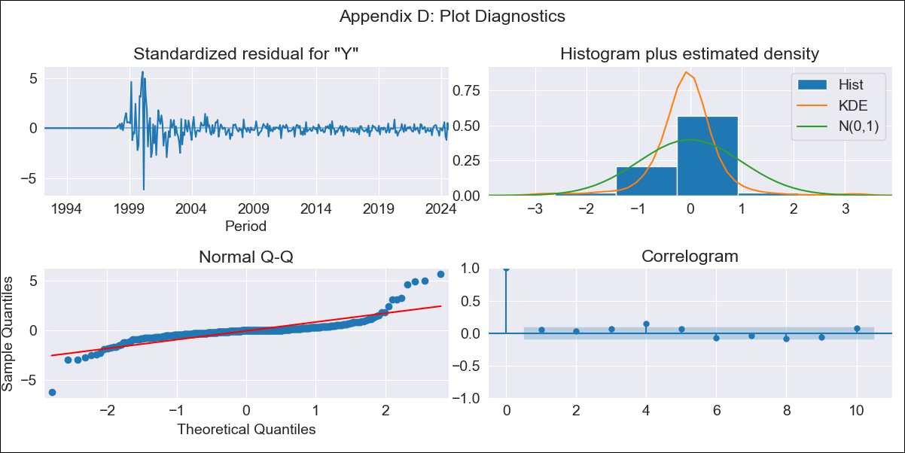
ECU - Inflation - Next 12 months forecast as of: 2024-08-01

Model | ARIMA - [(2, 0, 1), (2, 0, 2, 12)]
Training Data | 1990-01-01 to 2023-09-01
Test Data | 2023-09-01 to 2024-08-01

Date | Inflation Change YoY % | Lower Bound - 95% Confidence Interval | Upper Bound - 95% Confidence Interval
2024-09-01 | 1.55 | -1.23 | 4.34
2024-10-01 | 1.61 | -3.01 | 6.23
2024-11-01 | 2.29 | -4.11 | 8.69
2024-12-01 | 2.61 | -5.53 | 10.76
2025-01-01 | 2.92 | -6.91 | 12.76
2025-02-01 | 3.21 | -8.25 | 14.68
2025-03-01 | 3.34 | -9.68 | 16.37
2025-04-01 | 2.47 | -12.04 | 16.97
2025-05-01 | 3.13 | -12.77 | 19.03
2025-06-01 | 4.63 | -12.58 | 21.85
2025-07-01 | 5.02 | -13.42 | 23.46
2025-08-01 | 5.87 | -13.72 | 25.46
2025-09-01 | 6.42 | -13.76 | 26.61
2025-10-01 | 6.79 | -13.84 | 27.41
2025-11-01 | 6.52 | -14.42 | 27.47
2025-12-01 | 6.71 | -14.48 | 27.9

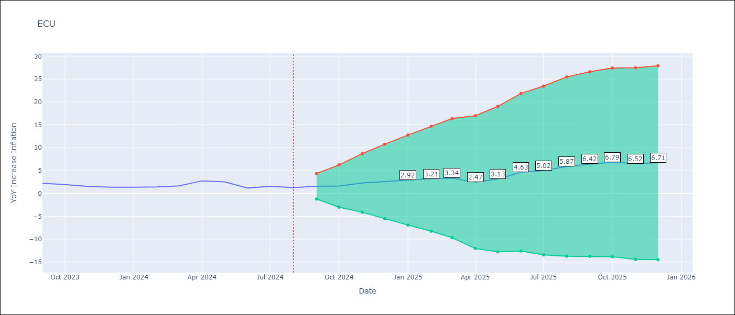

Test Metrics
RMSE | 2.53
Naive RMSE | 0.56
MAPE | 155.72%

Test Predictions
Date | Predicted | Actual
2023-09-01 | 2.97 | 2.23
2023-10-01 | 3.27 | 1.93
2023-11-01 | 3.38 | 1.53
2023-12-01 | 3.47 | 1.35
2024-01-01 | 3.94 | 1.35
2024-02-01 | 3.94 | 1.43
2024-03-01 | 3.93 | 1.65
2024-04-01 | 4.26 | 2.75
2024-05-01 | 4.57 | 2.54
2024-06-01 | 5.2 | 1.18
2024-07-01 | 5.05 | 1.57
2024-08-01 | 4.99 | 1.29

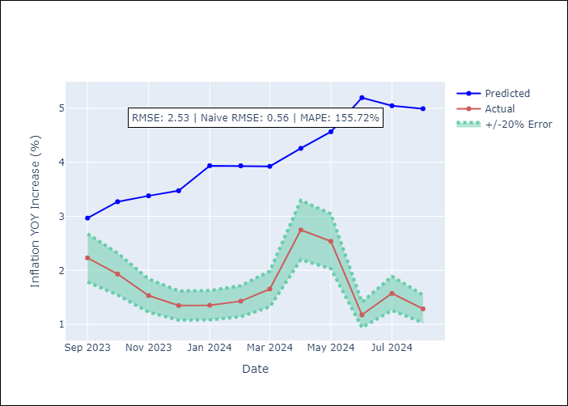

Appendix A: Model Summary
Model | ARIMA(2, 0, 1)x(2, 0, [1, 2], 12)
Sample | 01-01-1990- 08-01-2024
No. of Observations | 416
Terms | P-value (Statistical significance)
const | 0.091
ar.L1 | 0.000
ar.L2 | 0.000
ma.L1 | 0.000
ar.S.L12 | 0.000
ar.S.L24 | 0.000
ma.S.L12 | 0.000
ma.S.L24 | 0.000
sigma2 | 0.000
Assumptions | P-value

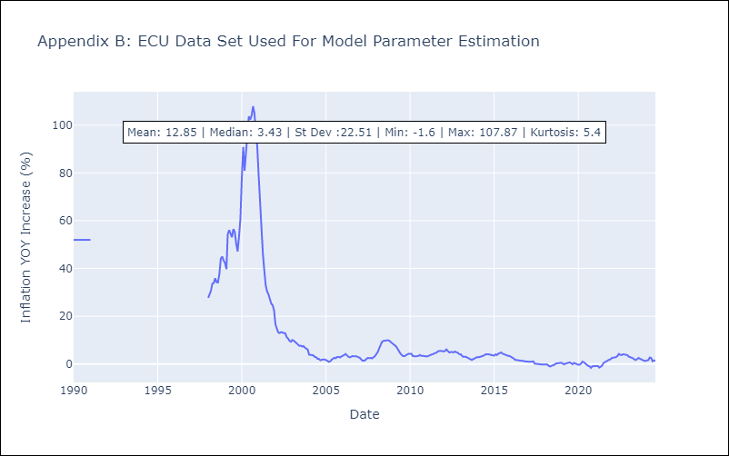

Appendix C: Residuals Analysis
Mean | 0.18

Normal? | Yes

PER
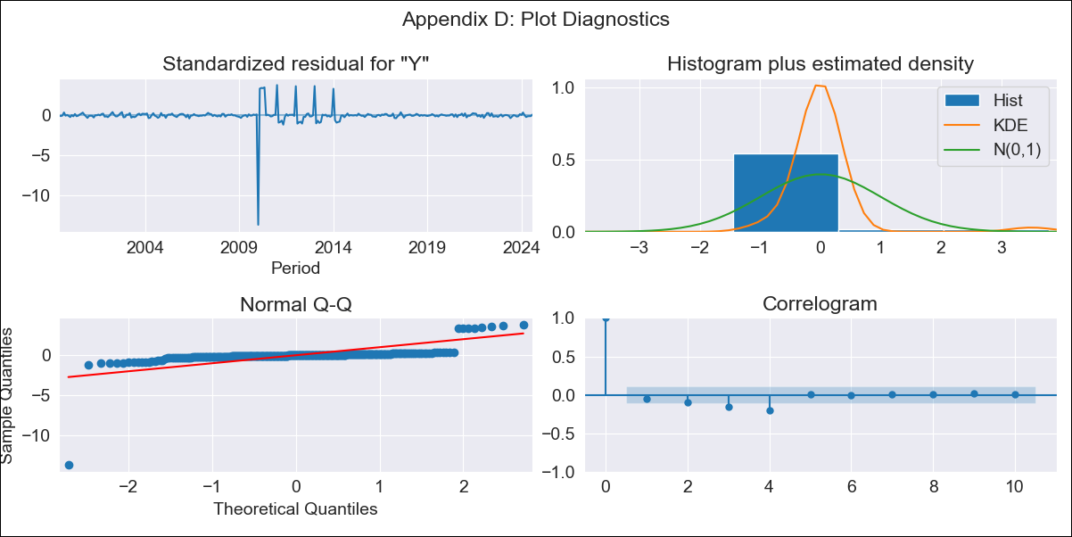
PER - Inflation - Next 12 months forecast as of: 2024-08-01

Model | ARIMA - [(3, 2, 0), (3, 0, 0, 12)]
Training Data | 1996-01-01 to 2023-09-01
Test Data | 2023-09-01 to 2024-08-01

Date | Inflation Change YoY % | Lower Bound - 95% Confidence Interval | Upper Bound - 95% Confidence Interval
2024-09-01 | 1.98 | -2.4 | 6.35
2024-10-01 | 2.15 | -4.85 | 9.15
2024-11-01 | 2.29 | -7.5 | 12.08
2024-12-01 | 2.1 | -10.91 | 15.1
2025-01-01 | 1.99 | -14.85 | 18.83
2025-02-01 | 1.35 | -19.48 | 22.19
2025-03-01 | 1.17 | -23.92 | 26.26
2025-04-01 | 1.27 | -28.37 | 30.9
2025-05-01 | 1.21 | -33.23 | 35.66
2025-06-01 | 1.24 | -38.23 | 40.72
2025-07-01 | 1.33 | -43.39 | 46.06
2025-08-01 | 1.28 | -48.92 | 51.47
2025-09-01 | 1.23 | -53.28 | 55.73
2025-10-01 | 1.16 | -57.68 | 60.01
2025-11-01 | 1.03 | -62.1 | 64.16
2025-12-01 | 1.03 | -66.27 | 68.34

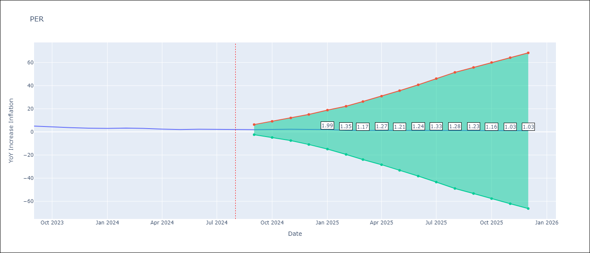

Test Metrics
RMSE | 0.48
Naive RMSE | 0.43
MAPE | 14.91%

Test Predictions
Date | Predicted | Actual
2023-09-01 | 5.1 | 5.04
2023-10-01 | 4.76 | 4.34
2023-11-01 | 4.41 | 3.64
2023-12-01 | 3.87 | 3.24
2024-01-01 | 3.7 | 3.02
2024-02-01 | 3.34 | 3.29
2024-03-01 | 2.94 | 3.05
2024-04-01 | 2.56 | 2.42
2024-05-01 | 2.32 | 2.06
2024-06-01 | 2.66 | 2.28
2024-07-01 | 2.8 | 2.12
2024-08-01 | 2.72 | 2.05

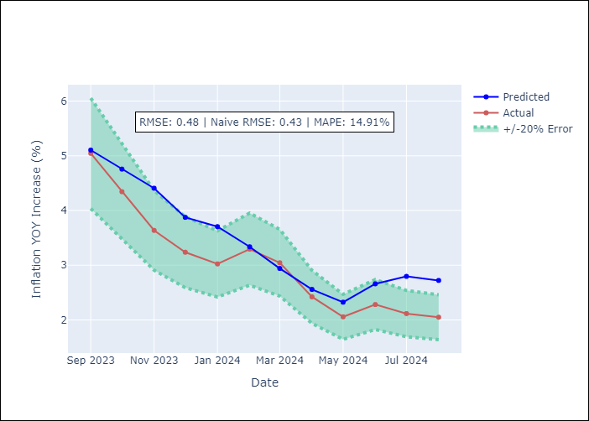

Appendix A: Model Summary
Model | ARIMA(3, 2, 0)x(3, 0, 0, 12)
Sample | 01-01-1996- 08-01-2024
No. of Observations | 344
Terms | P-value (Statistical significance)
ar.L1 | 0.000
ar.L2 | 0.000
ar.L3 | 0.000
ar.S.L12 | 0.000
ar.S.L24 | 0.000
ar.S.L36 | 0.000
sigma2 | 0.000
Assumptions | P-value

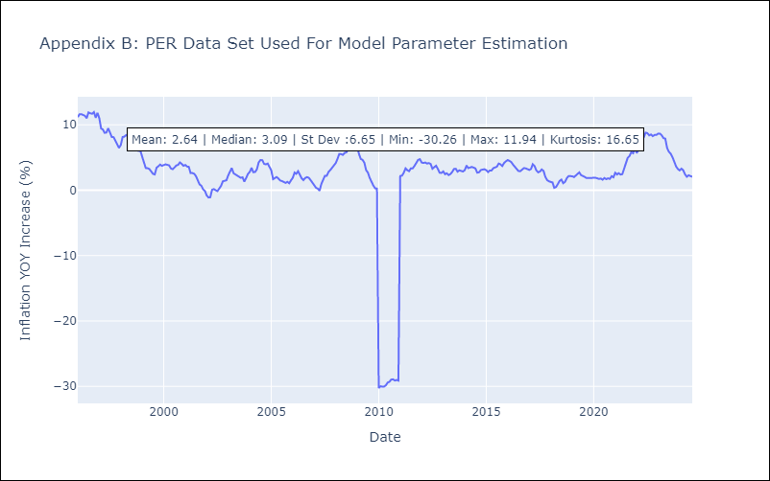

Appendix C: Residuals Analysis
Mean | -0.01

Normal? | No

PRY
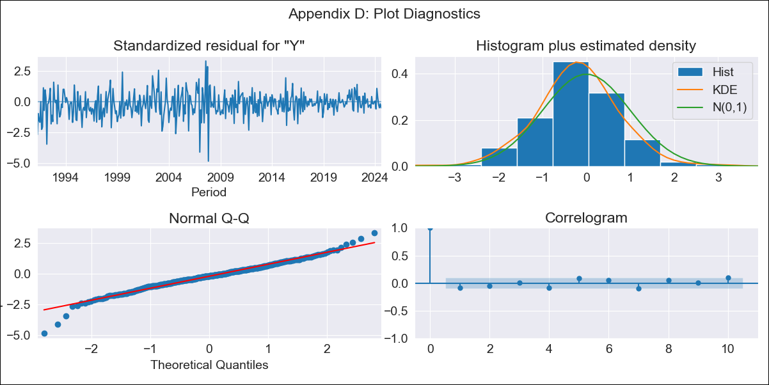
PRY - Inflation - Next 12 months forecast as of: 2024-08-01

Model | ARIMA - [(2, 1, 1), (1, 0, 1, 12)]
Training Data | 1990-01-01 to 2023-09-01
Test Data | 2023-09-01 to 2024-08-01

Date | Inflation Change YoY % | Lower Bound - 95% Confidence Interval | Upper Bound - 95% Confidence Interval
2024-09-01 | 4.02 | 2.29 | 5.75
2024-10-01 | 3.99 | 1.04 | 6.94
2024-11-01 | 4.12 | 0.03 | 8.22
2024-12-01 | 4.18 | -0.86 | 9.22
2025-01-01 | 4.19 | -1.72 | 10.09
2025-02-01 | 4.64 | -2.01 | 11.29
2025-03-01 | 4 | -3.35 | 11.35
2025-04-01 | 3.54 | -4.44 | 11.52
2025-05-01 | 3.44 | -5.14 | 12.01
2025-06-01 | 3.81 | -5.31 | 12.93
2025-07-01 | 4.05 | -5.59 | 13.7
2025-08-01 | 4.6 | -5.53 | 14.74
2025-09-01 | 4.78 | -5.48 | 15.05
2025-10-01 | 4.93 | -5.39 | 15.26
2025-11-01 | 4.95 | -5.39 | 15.3
2025-12-01 | 5.01 | -5.35 | 15.37

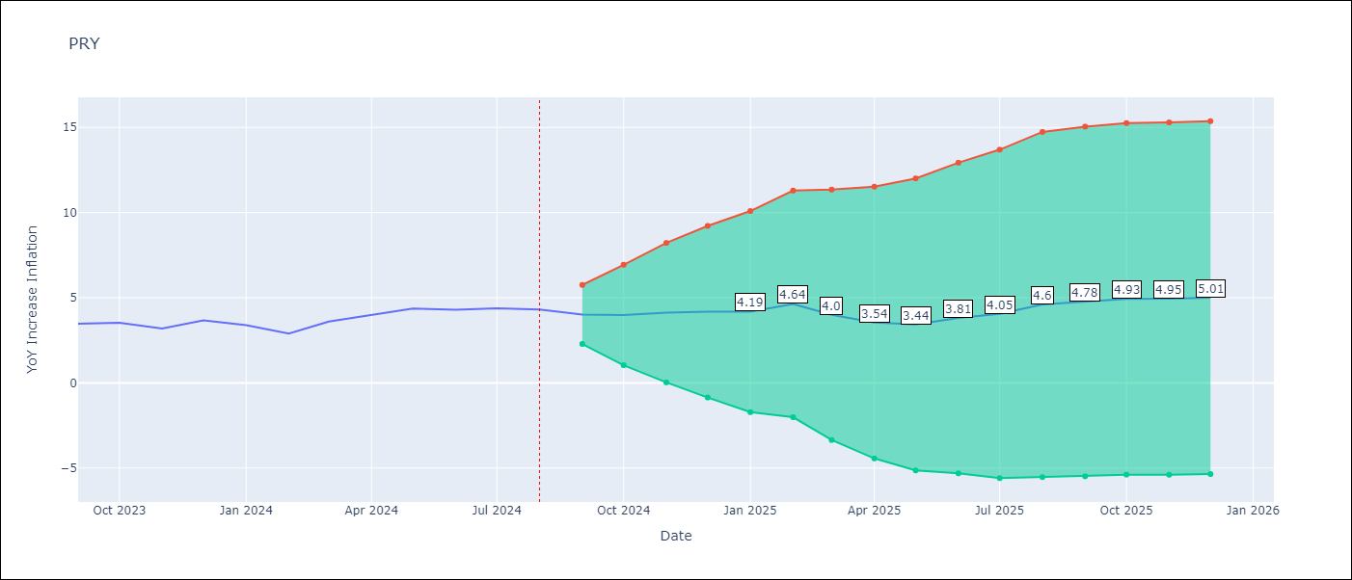

Test Metrics
RMSE | 0.43
Naive RMSE | 0.39
MAPE | 8.63%

Test Predictions
Date | Predicted | Actual
2023-09-01 | 3.24 | 3.47
2023-10-01 | 3.41 | 3.53
2023-11-01 | 3.24 | 3.19
2023-12-01 | 3.8 | 3.67
2024-01-01 | 3.44 | 3.39
2024-02-01 | 3.5 | 2.9
2024-03-01 | 3.39 | 3.6
2024-04-01 | 3.26 | 3.98
2024-05-01 | 3.52 | 4.36
2024-06-01 | 3.92 | 4.3
2024-07-01 | 4.32 | 4.38
2024-08-01 | 4.87 | 4.31

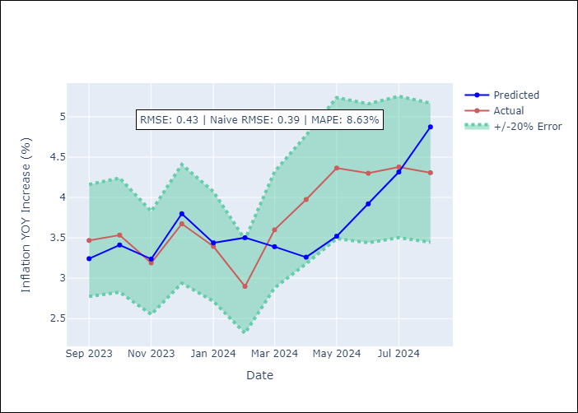

Appendix A: Model Summary
Model | ARIMA(2, 1, 1)x(1, 0, 1, 12)
Sample | 01-01-1990- 08-01-2024
No. of Observations | 416
Terms | P-value (Statistical significance)
ar.L1 | 0.000
ar.L2 | 0.000
ma.L1 | 0.000
ar.S.L12 | 0.002
ma.S.L12 | 0.000
sigma2 | 0.000
Assumptions | P-value

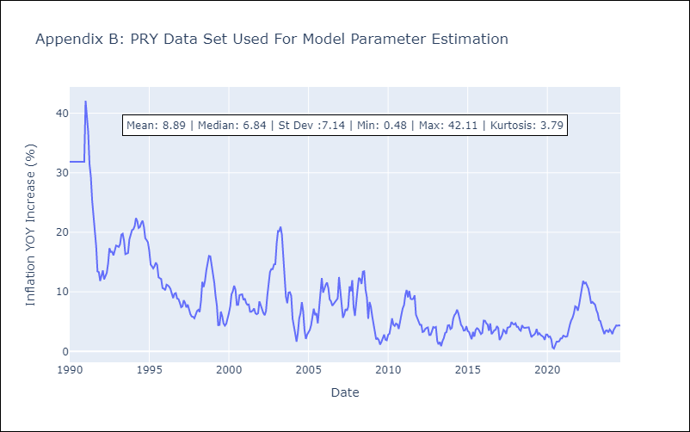

Appendix C: Residuals Analysis
Mean | -0.11

Normal? | No

URY
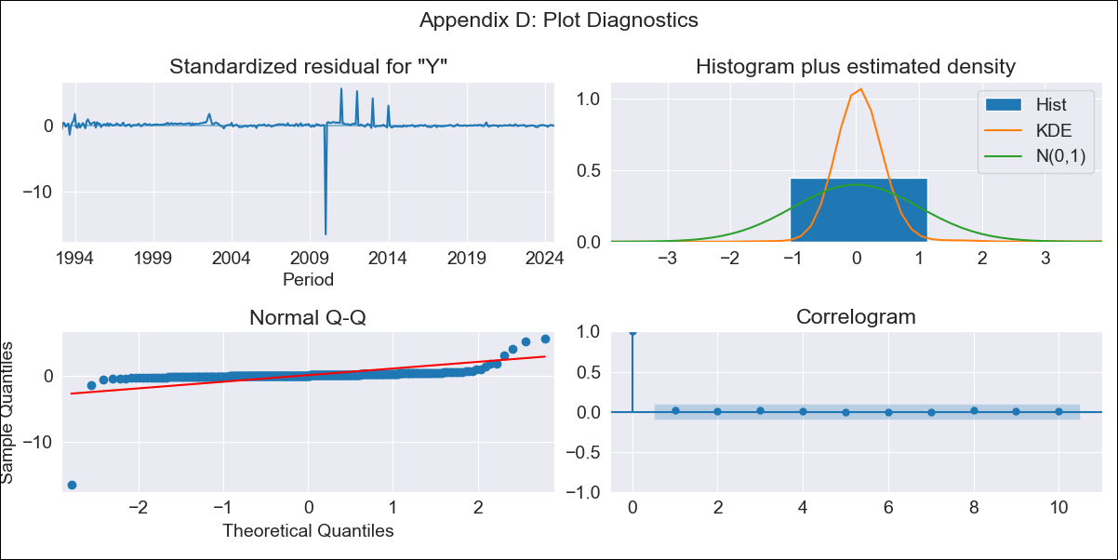
URY - Inflation - Next 12 months forecast as of: 2024-08-01

Model | ARIMA - [(0, 2, 1), (3, 0, 0, 12)]
Training Data | 1990-01-01 to 2023-09-01
Test Data | 2023-09-01 to 2024-08-01

Date | Inflation Change YoY % | Lower Bound - 95% Confidence Interval | Upper Bound - 95% Confidence Interval
2024-09-01 | 5.5 | -2.33 | 13.32
2024-10-01 | 5.37 | -5.86 | 16.59
2024-11-01 | 5.04 | -8.9 | 18.99
2024-12-01 | 4.88 | -11.45 | 21.22
2025-01-01 | 4.86 | -13.66 | 23.39
2025-02-01 | 5.1 | -15.47 | 25.68
2025-03-01 | 5.64 | -16.9 | 28.17
2025-04-01 | 5.51 | -18.91 | 29.93
2025-05-01 | 5.32 | -20.94 | 31.57
2025-06-01 | 5.07 | -22.98 | 33.12
2025-07-01 | 5.05 | -24.77 | 34.86
2025-08-01 | 5.13 | -26.42 | 36.69
2025-09-01 | 5.11 | -26.85 | 37.06
2025-10-01 | 5.07 | -27.3 | 37.44
2025-11-01 | 5.03 | -27.76 | 37.83
2025-12-01 | 5.01 | -28.21 | 38.23

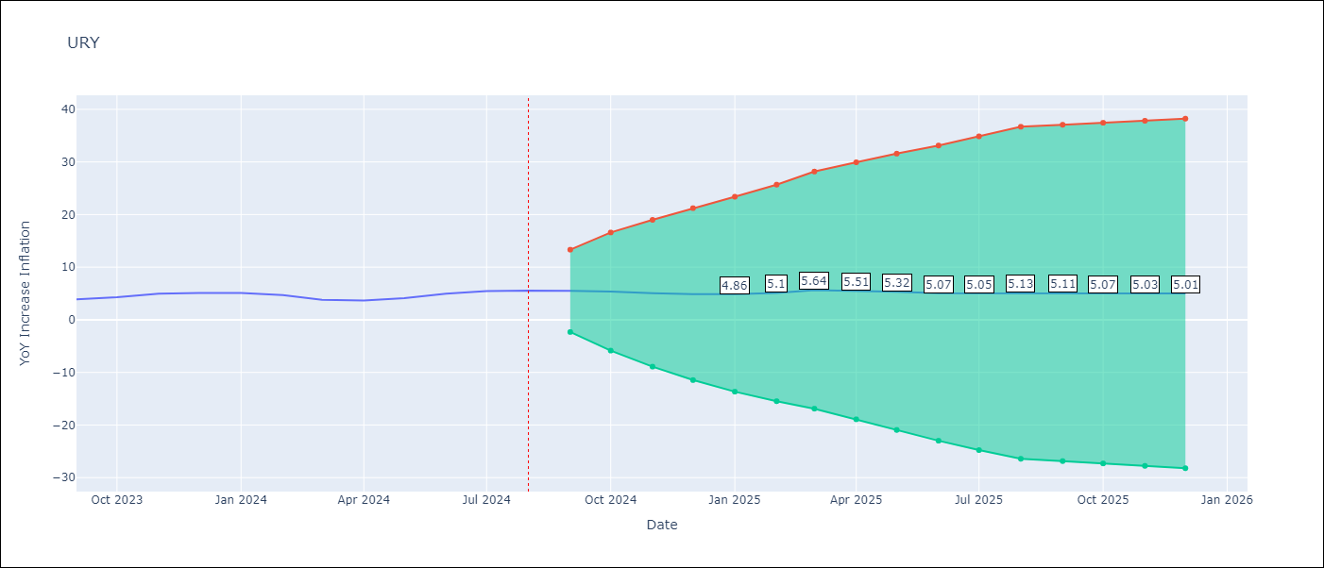

Test Metrics
RMSE | 0.86
Naive RMSE | 0.49
MAPE | 15.11%

Test Predictions
Date | Predicted | Actual
2023-09-01 | 3.83 | 3.87
2023-10-01 | 4.26 | 4.3
2023-11-01 | 4.67 | 4.96
2023-12-01 | 4.74 | 5.11
2024-01-01 | 4.88 | 5.09
2024-02-01 | 4.86 | 4.71
2024-03-01 | 4.88 | 3.79
2024-04-01 | 4.93 | 3.68
2024-05-01 | 5.26 | 4.1
2024-06-01 | 5.93 | 4.96
2024-07-01 | 6.63 | 5.45
2024-08-01 | 7.03 | 5.57

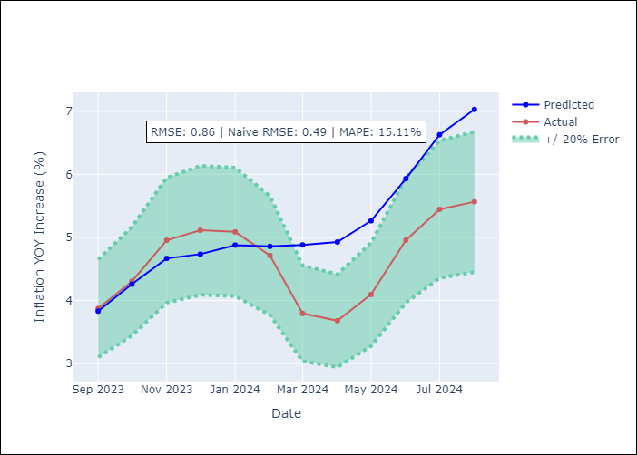

Appendix A: Model Summary
Model | ARIMA(0, 2, 1)x(3, 0, [], 12)
Sample | 01-01-1990- 08-01-2024
No. of Observations | 416
Terms | P-value (Statistical significance)
ma.L1 | 0.000
ar.S.L12 | 0.000
ar.S.L24 | 0.000
ar.S.L36 | 0.000
sigma2 | 0.000
Assumptions | P-value

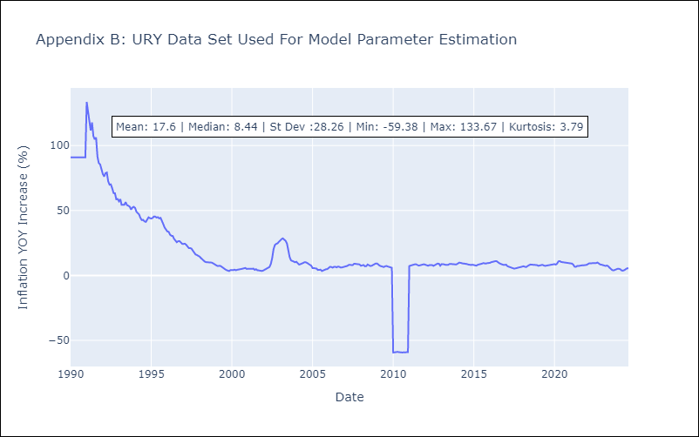

Appendix C: Residuals Analysis
Mean | 0.25

Normal? | No

VEN
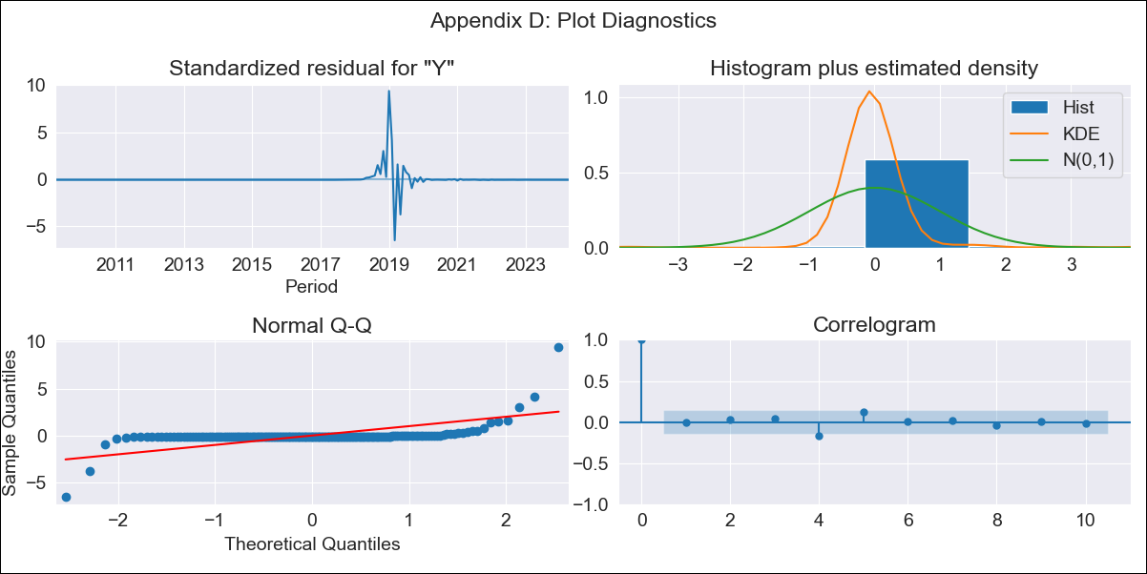
VEN - Inflation - Next 12 months forecast as of: 2024-04-01

Model | ARIMA - [(3, 0, 0), (0, 0, 0, 12)]
Training Data | 2009-01-01 to 2023-05-01
Test Data | 2023-05-01 to 2024-04-01

Date | Inflation Change YoY % | Lower Bound - 95% Confidence Interval | Upper Bound - 95% Confidence Interval
2024-05-01 | 888.03 | -19249.15 | 21025.22
2024-06-01 | 2390.05 | -39485.22 | 44265.32
2024-07-01 | 4192.01 | -56582.58 | 64966.59
2024-08-01 | 5970.94 | -68758.69 | 80700.57
2024-09-01 | 7532.9 | -76386.93 | 91452.73
2024-10-01 | 8798.79 | -80645.85 | 98243.43
2024-11-01 | 9765.95 | -82751.66 | 102283.55
2024-12-01 | 10472.01 | -83642.57 | 104586.6
2025-01-01 | 10969.29 | -83927.54 | 105866.12
2025-02-01 | 11309.69 | -83951.51 | 106570.89
2025-03-01 | 11537.6 | -83886.51 | 106961.71
2025-04-01 | 11687.73 | -83806.98 | 107182.45
2025-05-01 | 11785.57 | -83739.11 | 107310.26
2025-06-01 | 11849 | -83688.28 | 107386.28
2025-07-01 | 11890.12 | -83652.45 | 107432.69
2025-08-01 | 11916.9 | -83627.91 | 107461.72

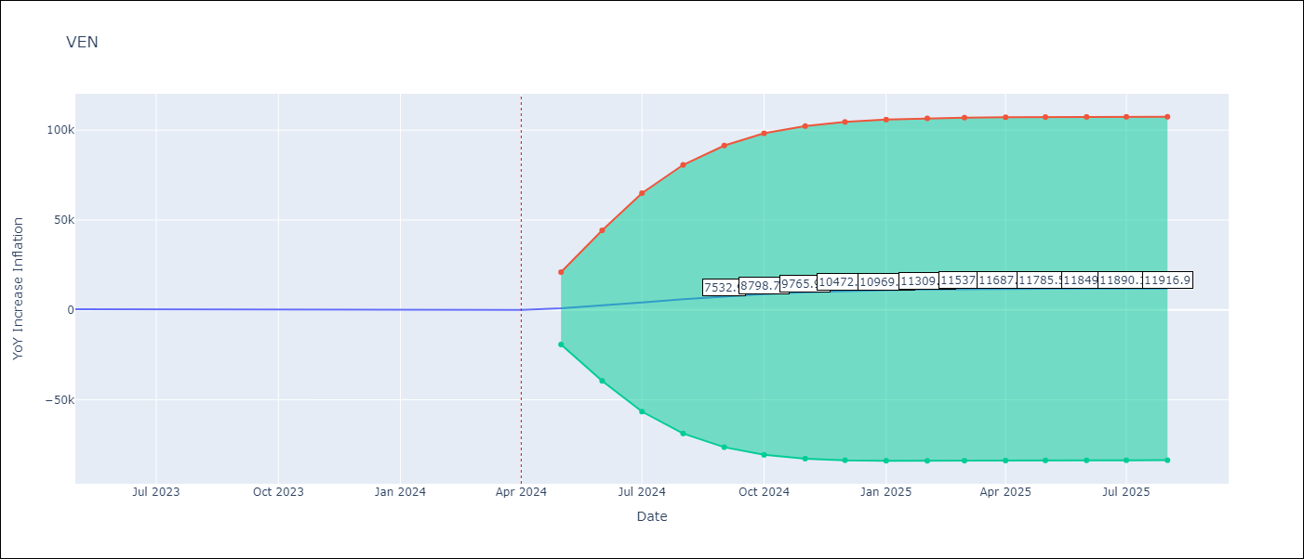

Test Metrics
RMSE | 9244.99
Naive RMSE | 45.01
MAPE | 6864.43%

Test Predictions
Date | Predicted | Actual
2023-05-01 | 1286.49 | 429.21
2023-06-01 | 2845.63 | 404.37
2023-07-01 | 4720.68 | 398.19
2023-08-01 | 6574.2 | 394.76
2023-09-01 | 8202.54 | 317.63
2023-10-01 | 9521.98 | 316.45
2023-11-01 | 10529.03 | 282.78
2023-12-01 | 11262.68 | 189.78
2024-01-01 | 11777.64 | 107.36
2024-02-01 | 12128.36 | 75.91
2024-03-01 | 12361.53 | 67.76
2024-04-01 | 12513.68 | 64.91

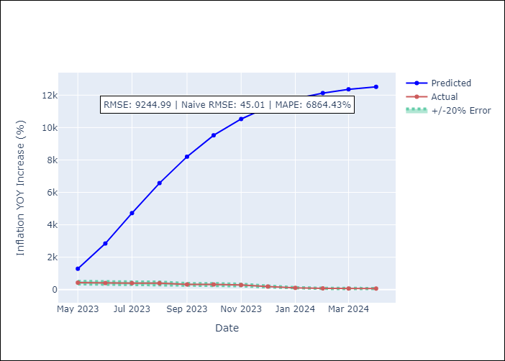

Appendix A: Model Summary
Model | ARIMA(3, 0, 0)
Sample | 01-01-2009- 04-01-2024
No. of Observations | 184
Terms | P-value (Statistical significance)
const | 0.616
ar.L1 | 0.000
ar.L2 | 0.000
ar.L3 | 0.000
sigma2 | 0.000
Assumptions | P-value

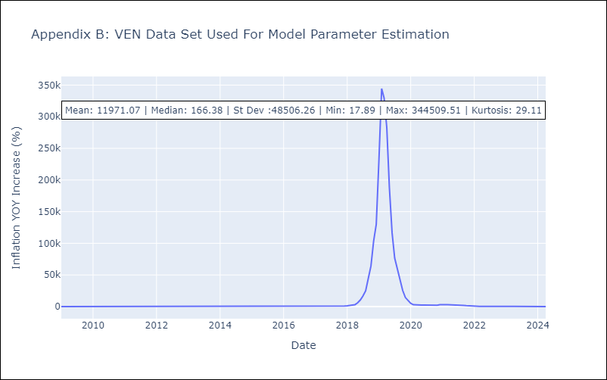

Appendix C: Residuals Analysis
Mean | -18.31

Normal? | No

