ARG
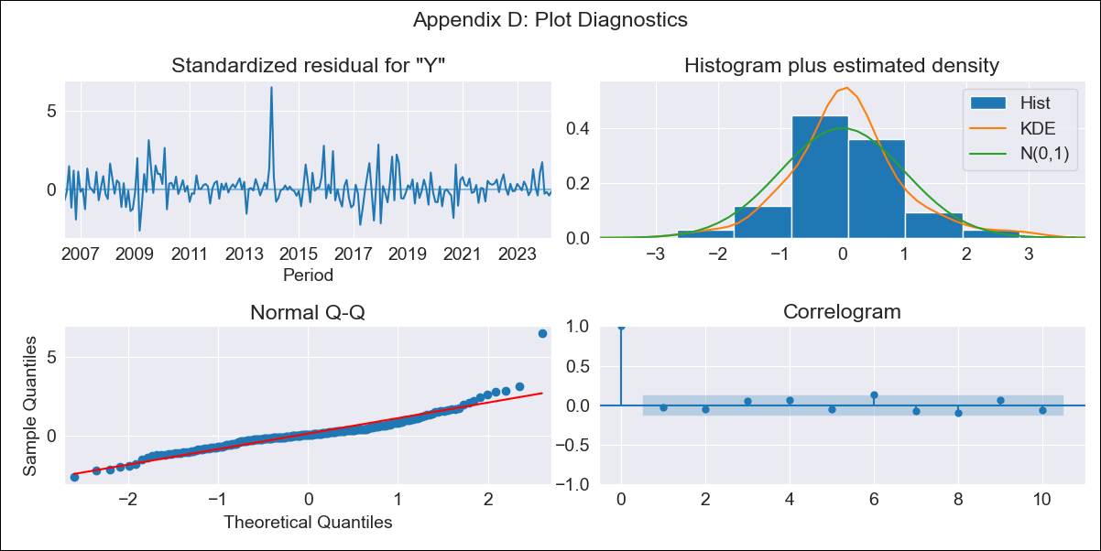
ARG - Inflation - Next 12 months forecast as of: 2024-04-01

Model | ARIMA - [(2, 2, 2), (0, 0, 1, 12)]
Training Data | 2005-01-01 to 2023-05-01
Test Data | 2023-05-01 to 2024-04-01

Date | Inflation Change YoY % | Lower Bound - 95% Confidence Interval | Upper Bound - 95% Confidence Interval
2024-05-01 | 296.55 | 240.67 | 373.17
2024-06-01 | 308.44 | 205.28 | 506.33
2024-07-01 | 323.55 | 179.32 | 718.4
2024-08-01 | 324.61 | 153.91 | 990.21
2024-09-01 | 327.76 | 135.21 | 1418.26
2024-10-01 | 340.72 | 122.87 | 2256.01
2024-11-01 | 342.51 | 110.58 | 3545.96
2024-12-01 | 327.4 | 97.63 | 5063.23
2025-01-01 | 325.43 | 89.1 | 8746.39
2025-02-01 | 332.21 | 83.14 | 20208.51
2025-03-01 | 346.97 | 78.93 | 93160.63
2025-04-01 | 365.6 | 75.54 | 443923990.47
2025-05-01 | 384.78 | 73.28
2025-06-01 | 404.91 | 71.69
2025-07-01 | 426.18 | 70.44
2025-08-01 | 448.83 | 69.41

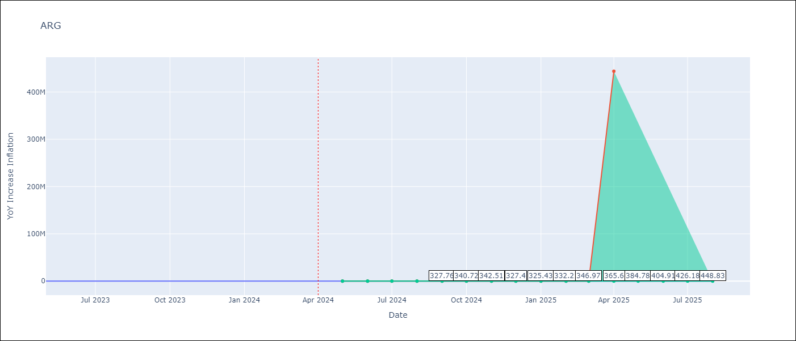

Test Metrics
RMSE | 89.69
Naive RMSE | 21.55
MAPE | 26.04%

Test Predictions
Date | Predicted | Actual
2023-05-01 | 114.54 | 116.26
2023-06-01 | 117.24 | 116.97
2023-07-01 | 117.4 | 114.59
2023-08-01 | 118 | 125.24
2023-09-01 | 120.2 | 138.29
2023-10-01 | 121.65 | 142.9
2023-11-01 | 123.67 | 161.19
2023-12-01 | 126.27 | 210.14
2024-01-01 | 127.94 | 249.92
2024-02-01 | 129.45 | 277.09
2024-03-01 | 131.59 | 289.9
2024-04-01 | 132.5 | 292.21

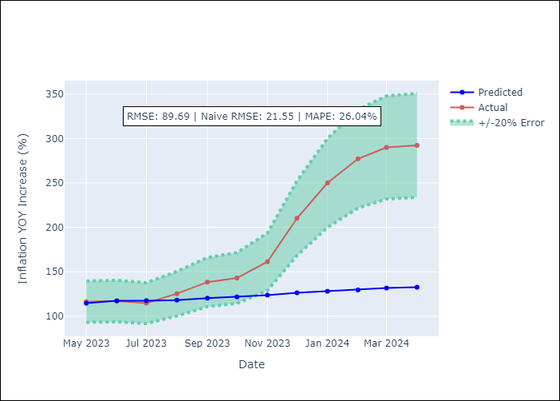

Appendix A: Model Summary
Model | ARIMA(2, 2, 2)x(0, 0, [1], 12)
Sample | 01-01-2005- 04-01-2024
No. of Observations | 232
Terms | P-value (Statistical significance)
ar.L1 | 0.736
ar.L2 | 0.479
ma.L1 | 0.424
ma.L2 | 0.354
ma.S.L12 | 0.000
sigma2 | 0.000
Assumptions | P-value

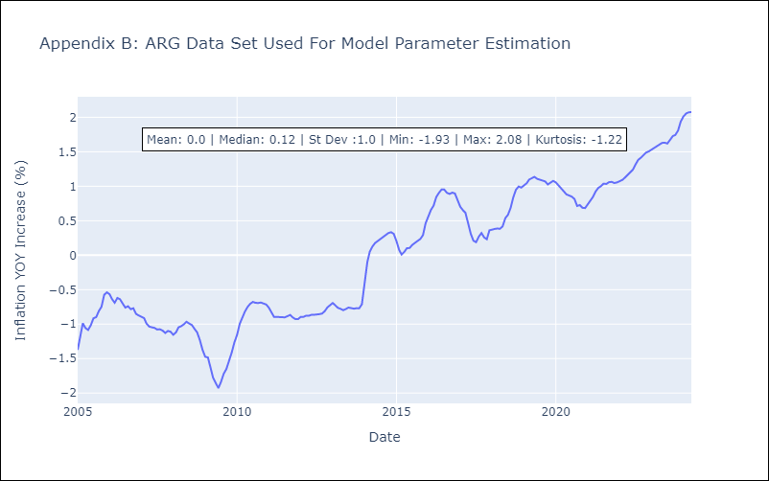

Appendix C: Residuals Analysis
Mean | 0.0

Normal? | No

BOL
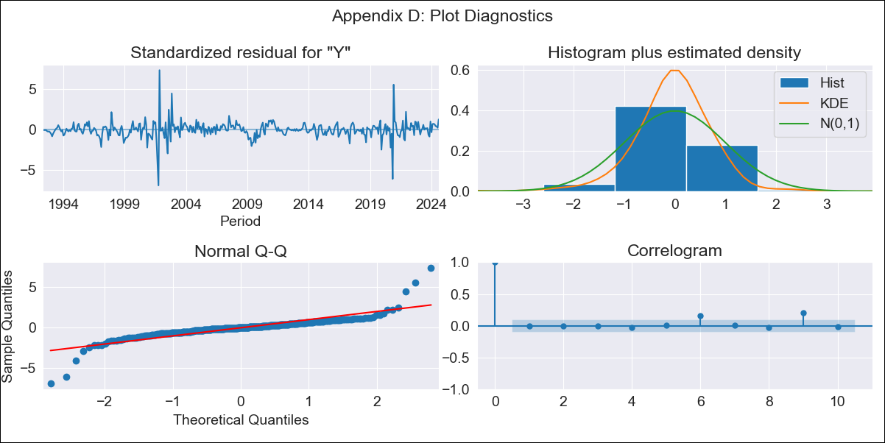
BOL - Inflation - Next 12 months forecast as of: 2024-08-01

Model | ARIMA - [(1, 1, 2), (0, 0, 2, 12)]
Training Data | 1990-01-01 to 2023-09-01
Test Data | 2023-09-01 to 2024-08-01

Date | Inflation Change YoY % | Lower Bound - 95% Confidence Interval | Upper Bound - 95% Confidence Interval
2024-09-01 | 4.94 | 3 | 7.57
2024-10-01 | 5.16 | 2.61 | 8.95
2024-11-01 | 5.55 | 2.52 | 10.35
2024-12-01 | 5 | 1.92 | 10.21
2025-01-01 | 5.18 | 1.79 | 11.19
2025-02-01 | 4.86 | 1.44 | 11.29
2025-03-01 | 4.56 | 1.13 | 11.34
2025-04-01 | 4.34 | 0.89 | 11.48
2025-05-01 | 4.22 | 0.72 | 11.79
2025-06-01 | 4.09 | 0.56 | 12.05
2025-07-01 | 4.03 | 0.45 | 12.44
2025-08-01 | 3.56 | 0.2 | 11.88
2025-09-01 | 3.62 | 0.2 | 12.14
2025-10-01 | 3.65 | 0.19 | 12.36
2025-11-01 | 3.65 | 0.16 | 12.52
2025-12-01 | 3.65 | 0.14 | 12.7

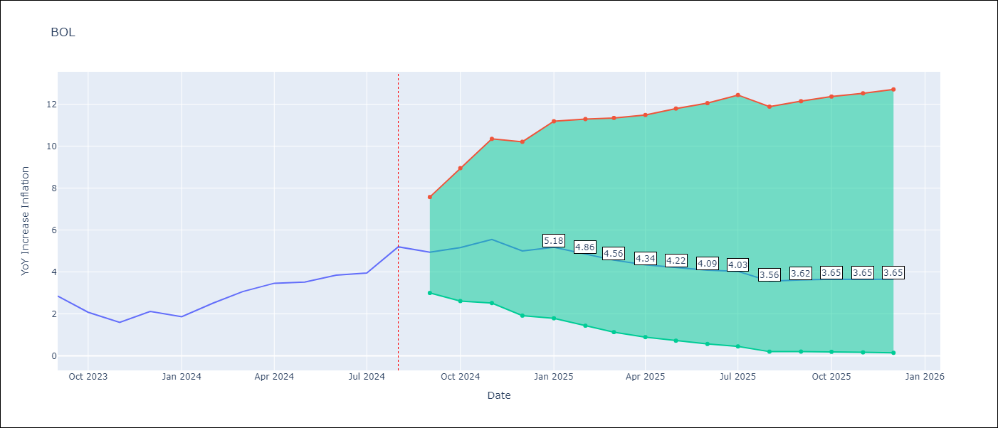

Test Metrics
RMSE | 1.28
Naive RMSE | 0.56
MAPE | 28.69%

Test Predictions
Date | Predicted | Actual
2023-09-01 | 2.69 | 2.85
2023-10-01 | 2.43 | 2.08
2023-11-01 | 2.51 | 1.59
2023-12-01 | 2.2 | 2.12
2024-01-01 | 2.19 | 1.86
2024-02-01 | 2.4 | 2.52
2024-03-01 | 2.41 | 3.06
2024-04-01 | 2.36 | 3.46
2024-05-01 | 2.18 | 3.52
2024-06-01 | 2.21 | 3.85
2024-07-01 | 2.17 | 3.95
2024-08-01 | 2.14 | 5.2

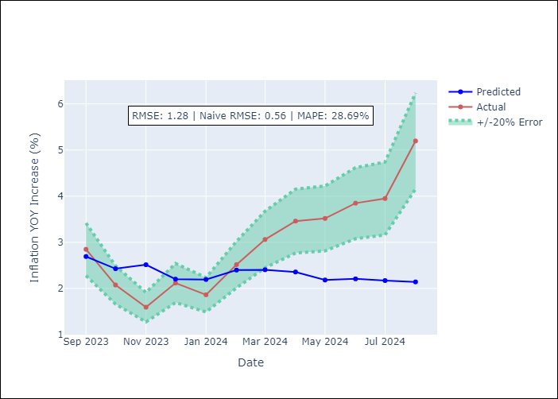

Appendix A: Model Summary
Model | ARIMA(1, 1, 2)x(0, 0, 2, 12)
Sample | 01-01-1990- 08-01-2024
No. of Observations | 416
Terms | P-value (Statistical significance)
ar.L1 | 0.997
ma.L1 | 0.892
ma.L2 | 0.468
ma.S.L12 | 0.000
ma.S.L24 | 0.897
sigma2 | 0.000
Assumptions | P-value

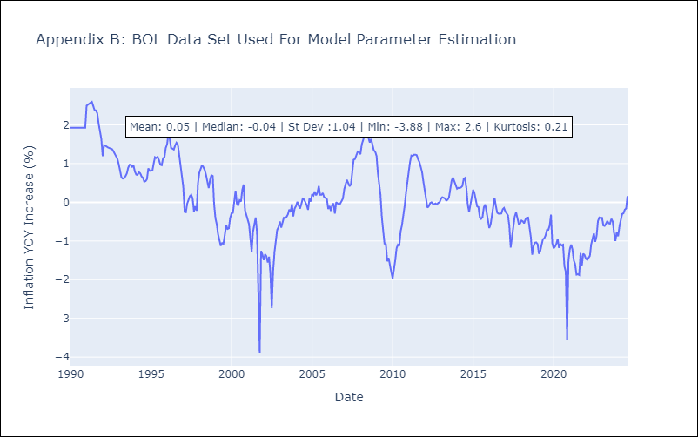

Appendix C: Residuals Analysis
Mean | -0.0

Normal? | No

BRA
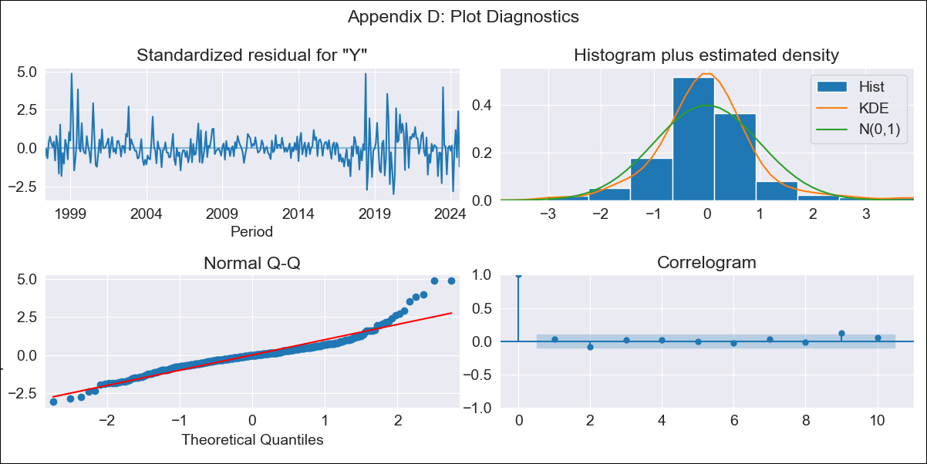
BRA - Inflation - Next 12 months forecast as of: 2024-08-01

Model | ARIMA - [(1, 2, 1), (0, 0, 1, 12)]
Training Data | 1996-01-01 to 2023-09-01
Test Data | 2023-09-01 to 2024-08-01

Date | Inflation Change YoY % | Lower Bound - 95% Confidence Interval | Upper Bound - 95% Confidence Interval
2024-09-01 | 4.09 | 3.56 | 4.71
2024-10-01 | 4.28 | 3.33 | 5.52
2024-11-01 | 4.38 | 3.07 | 6.27
2024-12-01 | 4.41 | 2.83 | 6.92
2025-01-01 | 4.45 | 2.63 | 7.59
2025-02-01 | 4.44 | 2.44 | 8.17
2025-03-01 | 4.93 | 2.54 | 9.79
2025-04-01 | 5.21 | 2.52 | 11.1
2025-05-01 | 5.13 | 2.35 | 11.62
2025-06-01 | 5.2 | 2.25 | 12.53
2025-07-01 | 4.79 | 1.96 | 12.08
2025-08-01 | 4.8 | 1.87 | 12.78
2025-09-01 | 4.8 | 1.82 | 13.18
2025-10-01 | 4.8 | 1.79 | 13.45
2025-11-01 | 4.8 | 1.76 | 13.67
2025-12-01 | 4.8 | 1.74 | 13.86

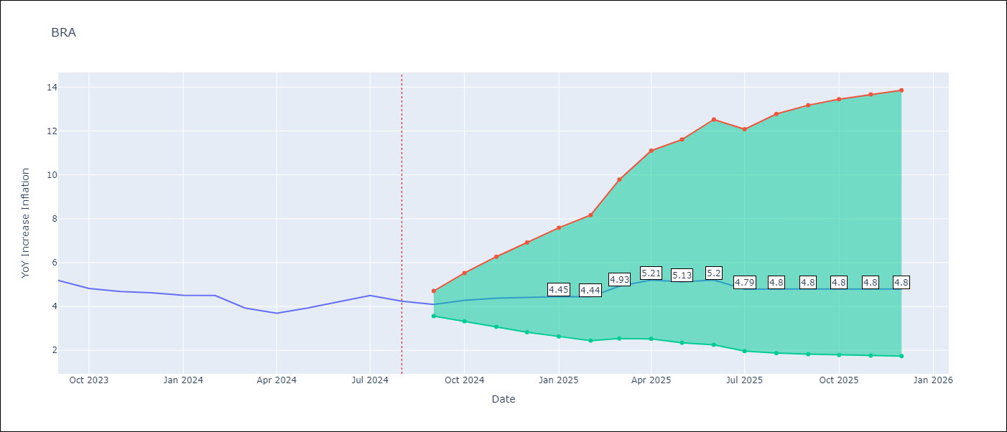

Test Metrics
RMSE | 1.84
Naive RMSE | 0.31
MAPE | 38.22%

Test Predictions
Date | Predicted | Actual
2023-09-01 | 5.15 | 5.19
2023-10-01 | 5.39 | 4.82
2023-11-01 | 5.55 | 4.68
2023-12-01 | 5.59 | 4.62
2024-01-01 | 5.6 | 4.51
2024-02-01 | 5.58 | 4.5
2024-03-01 | 5.99 | 3.93
2024-04-01 | 6.3 | 3.69
2024-05-01 | 6.56 | 3.93
2024-06-01 | 7.34 | 4.23
2024-07-01 | 6.63 | 4.5
2024-08-01 | 6.26 | 4.24

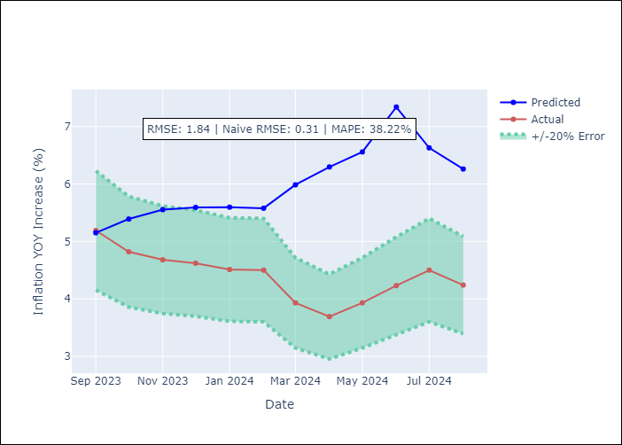

Appendix A: Model Summary
Model | ARIMA(1, 2, 1)x(0, 0, 1, 12)
Sample | 01-01-1996- 08-01-2024
No. of Observations | 344
Terms | P-value (Statistical significance)
ar.L1 | 0.000
ma.L1 | 0.958
ma.S.L12 | 0.000
sigma2 | 0.958
Assumptions | P-value

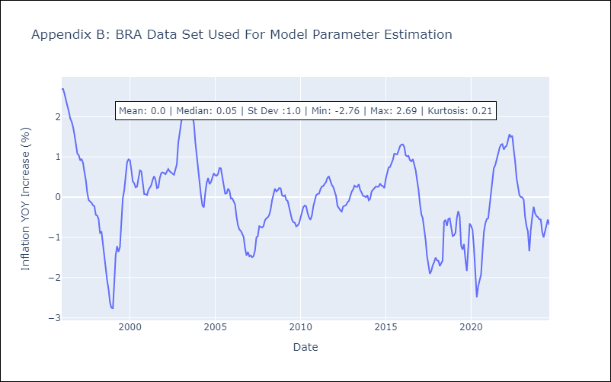

Appendix C: Residuals Analysis
Mean | 0.01

Normal? | No

CHL
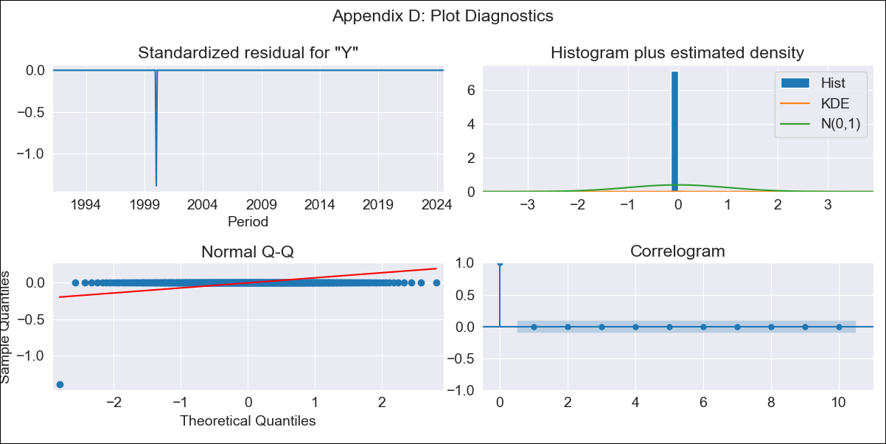
CHL - Inflation - Next 12 months forecast as of: 2024-08-01

Model | ARIMA - [(2, 0, 0), (0, 0, 1, 12)]
Training Data | 1990-01-01 to 2023-09-01
Test Data | 2023-09-01 to 2024-08-01

Date | Inflation Change YoY % | Lower Bound - 95% Confidence Interval | Upper Bound - 95% Confidence Interval
2024-09-01 | -3.6067785199E+31
2024-10-01 | -4.6074213058E+31
2024-11-01 | -5.8856763654E+31
2024-12-01 | -7.5185627661E+31
2025-01-01 | -9.6044672793E+31
2025-02-01 | -1.2269072506E+32
2025-03-01 | -1.5672929667E+32
2025-04-01 | -2.0021132342E+32
2025-05-01 | -2.5575674029E+32
2025-06-01 | -3.2671234118E+32
2025-07-01 | -4.1735343419E+32
2025-08-01 | -5.3314144302E+32
2025-09-01 | -6.8105297569E+32
2025-10-01 | -8.7000018807E+32
2025-11-01 | -1.1113677706E+33
2025-12-01 | -1.4196989132E+33

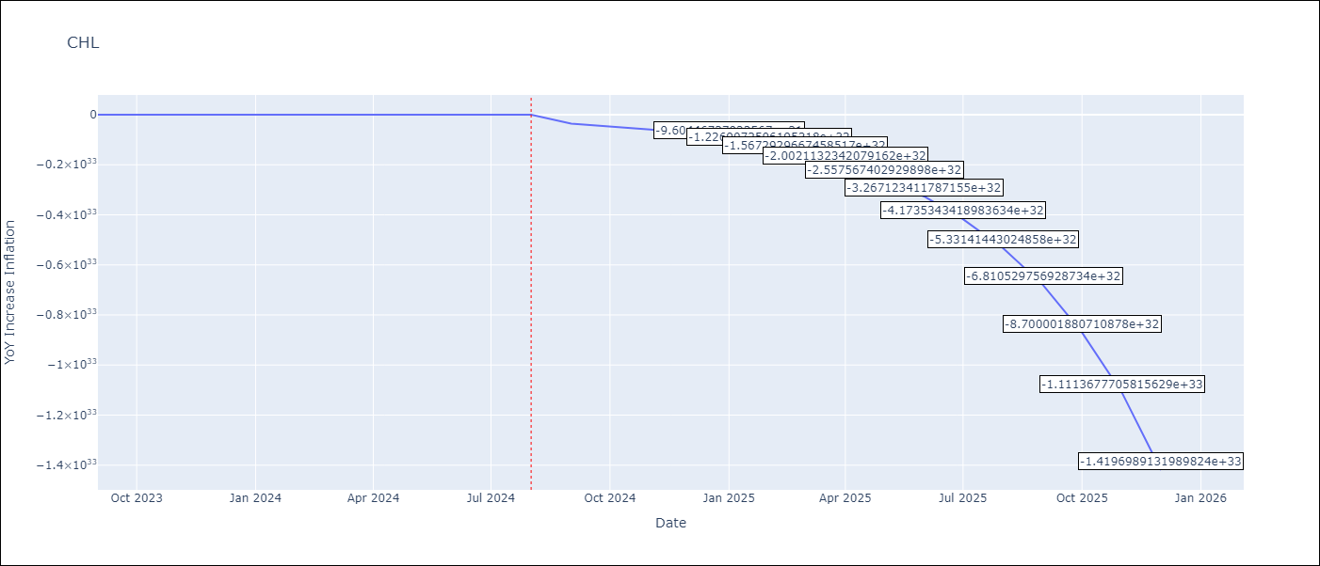

Test Metrics
RMSE | 0.95
Naive RMSE | 0.42
MAPE | 20.02%

Test Predictions
Date | Predicted | Actual
2023-09-01 | 4.7 | 5.12
2023-10-01 | 4.42 | 5.03
2023-11-01 | 3.85 | 4.8
2023-12-01 | 3.62 | 3.94
2024-01-01 | 3.39 | 3.84
2024-02-01 | 3.26 | 4.51
2024-03-01 | 3.07 | 3.78
2024-04-01 | 3.05 | 4
2024-05-01 | 3.08 | 4.16
2024-06-01 | 3.16 | 4.22
2024-07-01 | 3.24 | 4.63
2024-08-01 | 3.38 | 4.77

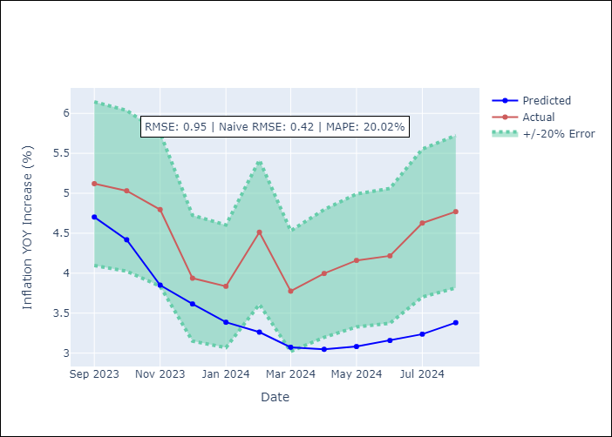

Appendix A: Model Summary
Model | ARIMA(2, 0, 0)x(0, 0, [1], 12)
Sample | 01-01-1990- 08-01-2024
No. of Observations | 416
Terms | P-value (Statistical significance)
const | 0.000
ar.L1 | 0.000
ar.L2 | 0.202
ma.S.L12 | 0.000
sigma2 | 0.000
Assumptions | P-value

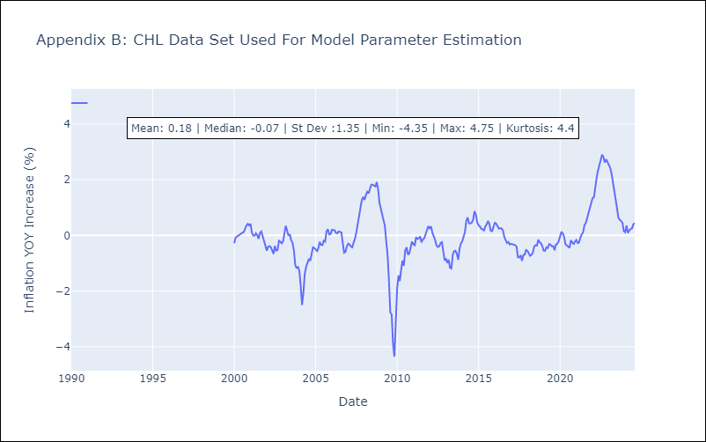

Appendix C: Residuals Analysis
Mean | 1.861475487244936e+44

Normal? | Yes

COL
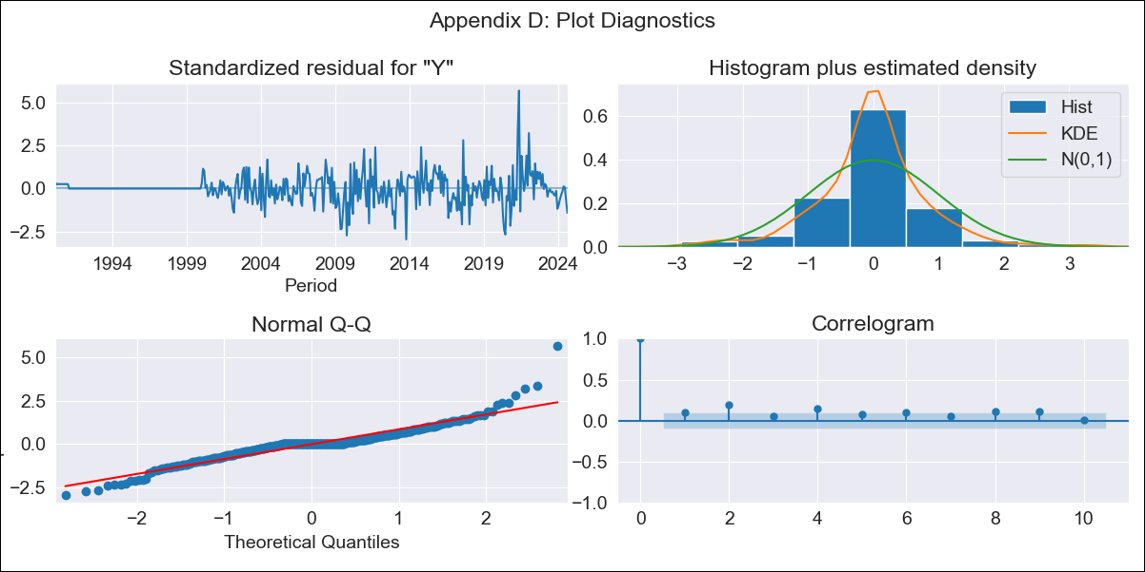
COL - Inflation - Next 12 months forecast as of: 2024-08-01

Model | ARIMA - [(1, 0, 1), (0, 0, 0, 12)]
Training Data | 1990-01-01 to 2023-09-01
Test Data | 2023-09-01 to 2024-08-01

Date | Inflation Change YoY % | Lower Bound - 95% Confidence Interval | Upper Bound - 95% Confidence Interval
2024-09-01 | 5.85 | 5.15 | 6.63
2024-10-01 | 5.83 | 4.66 | 7.29
2024-11-01 | 5.82 | 4.36 | 7.75
2024-12-01 | 5.81 | 4.13 | 8.13
2025-01-01 | 5.8 | 3.94 | 8.47
2025-02-01 | 5.78 | 3.79 | 8.77
2025-03-01 | 5.77 | 3.65 | 9.05
2025-04-01 | 5.76 | 3.53 | 9.3
2025-05-01 | 5.75 | 3.42 | 9.54
2025-06-01 | 5.74 | 3.33 | 9.77
2025-07-01 | 5.73 | 3.24 | 9.98
2025-08-01 | 5.72 | 3.16 | 10.18
2025-09-01 | 5.71 | 3.09 | 10.37
2025-10-01 | 5.69 | 3.02 | 10.55
2025-11-01 | 5.68 | 2.95 | 10.73
2025-12-01 | 5.67 | 2.89 | 10.89

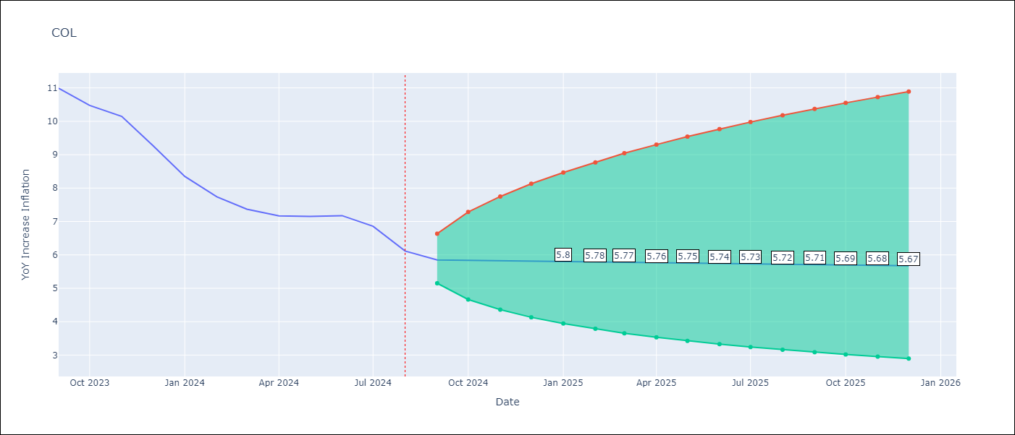

Test Metrics
RMSE | 2.53
Naive RMSE | 0.53
MAPE | 30.85%

Test Predictions
Date | Predicted | Actual
2023-09-01 | 11.23 | 10.99
2023-10-01 | 11.08 | 10.48
2023-11-01 | 10.94 | 10.15
2023-12-01 | 10.81 | 9.28
2024-01-01 | 10.67 | 8.35
2024-02-01 | 10.54 | 7.74
2024-03-01 | 10.42 | 7.37
2024-04-01 | 10.3 | 7.17
2024-05-01 | 10.18 | 7.15
2024-06-01 | 10.07 | 7.18
2024-07-01 | 9.96 | 6.86
2024-08-01 | 9.85 | 6.12

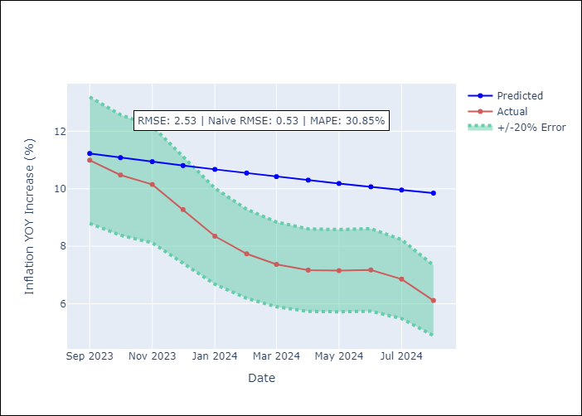

Appendix A: Model Summary
Model | ARIMA(1, 0, 1)
Sample | 01-01-1990- 08-01-2024
No. of Observations | 416
Terms | P-value (Statistical significance)
const | 0.924
ar.L1 | 0.000
ma.L1 | 0.000
sigma2 | 0.000
Assumptions | P-value

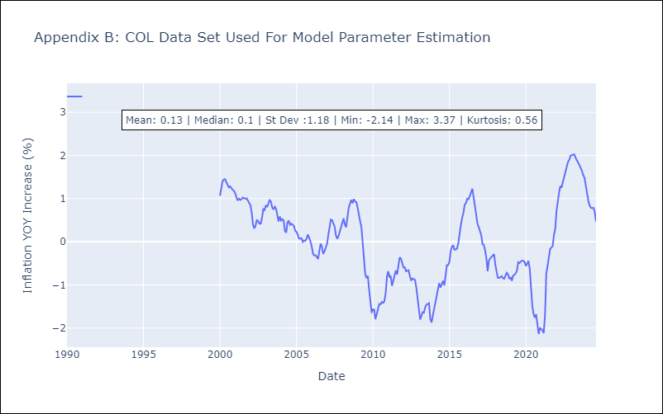

Appendix C: Residuals Analysis
Mean | 0.01

Normal? | Yes

ECU
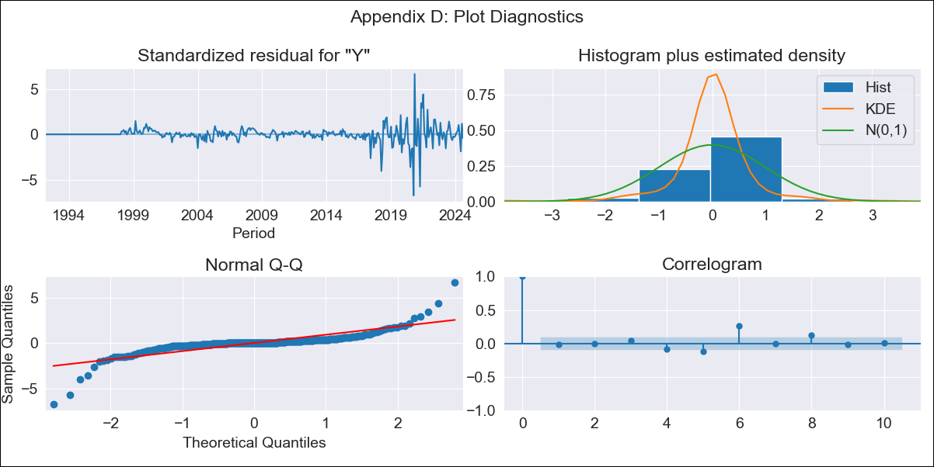
ECU - Inflation - Next 12 months forecast as of: 2024-08-01

Model | ARIMA - [(2, 0, 1), (2, 0, 2, 12)]
Training Data | 1990-01-01 to 2023-09-01
Test Data | 2023-09-01 to 2024-08-01

Date | Inflation Change YoY % | Lower Bound - 95% Confidence Interval | Upper Bound - 95% Confidence Interval
2024-09-01 | 1.32 | 0.49 | 2.64
2024-10-01 | 1.52 | 0.33 | 3.84
2024-11-01 | 1.54 | 0.17 | 4.66
2024-12-01 | 1.61 | 0.07 | 5.56
2025-01-01 | 1.68 | 0 | 6.48
2025-02-01 | 1.65 | -0.09 | 7.07
2025-03-01 | 1.58 | -0.18 | 7.52
2025-04-01 | 1.44 | -0.28 | 7.65
2025-05-01 | 1.49 | -0.31 | 8.46
2025-06-01 | 1.9 | -0.24 | 10.85
2025-07-01 | 1.59 | -0.37 | 10.14
2025-08-01 | 1.62 | -0.39 | 10.89
2025-09-01 | 1.65 | -0.4 | 11.28
2025-10-01 | 1.67 | -0.4 | 11.53
2025-11-01 | 1.7 | -0.4 | 11.9
2025-12-01 | 1.72 | -0.41 | 12.19

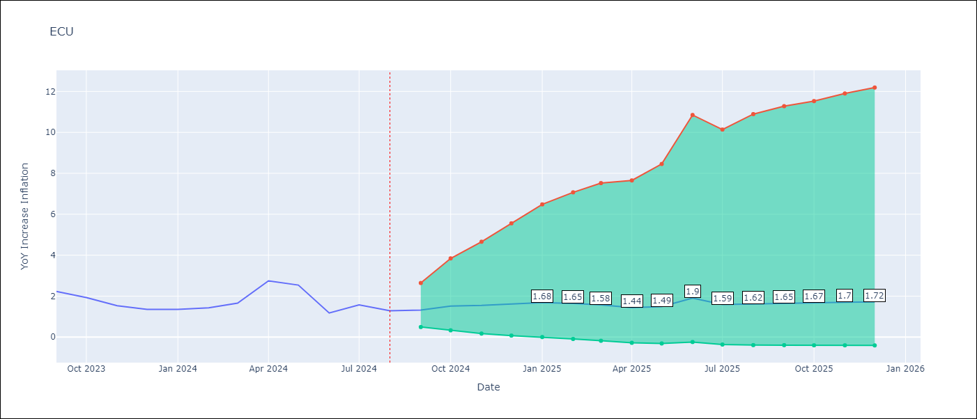

Test Metrics
RMSE | 0.66
Naive RMSE | 0.56
MAPE | 40.6%

Test Predictions
Date | Predicted | Actual
2023-09-01 | 2.41 | 2.23
2023-10-01 | 2.36 | 1.93
2023-11-01 | 2.26 | 1.53
2023-12-01 | 2.18 | 1.35
2024-01-01 | 2.21 | 1.35
2024-02-01 | 2.19 | 1.43
2024-03-01 | 2.19 | 1.65
2024-04-01 | 2.32 | 2.75
2024-05-01 | 2.35 | 2.54
2024-06-01 | 2.29 | 1.18
2024-07-01 | 2.09 | 1.57
2024-08-01 | 1.91 | 1.29

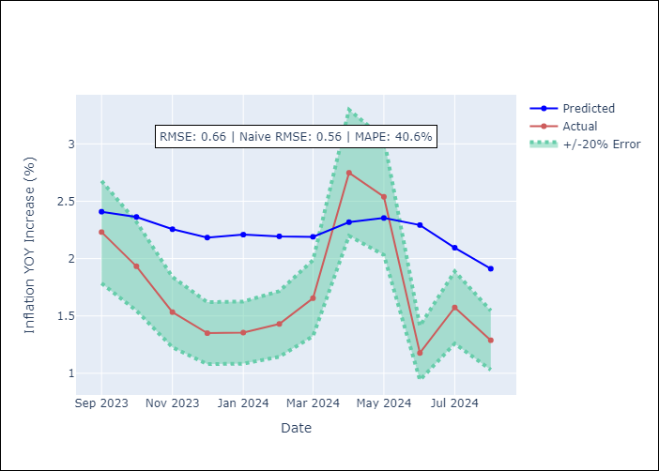

Appendix A: Model Summary
Model | ARIMA(2, 0, 1)x(2, 0, [1, 2], 12)
Sample | 01-01-1990- 08-01-2024
No. of Observations | 416
Terms | P-value (Statistical significance)
const | 0.459
ar.L1 | 0.088
ar.L2 | 0.425
ma.L1 | 0.345
ar.S.L12 | 0.295
ar.S.L24 | 0.663
ma.S.L12 | 0.806
ma.S.L24 | 0.369
sigma2 | 0.000
Assumptions | P-value

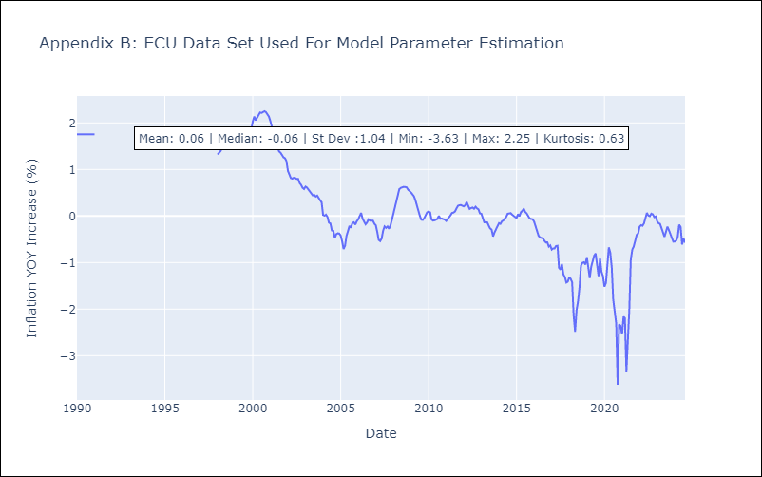

Appendix C: Residuals Analysis
Mean | 0.02

Normal? | Yes

PER
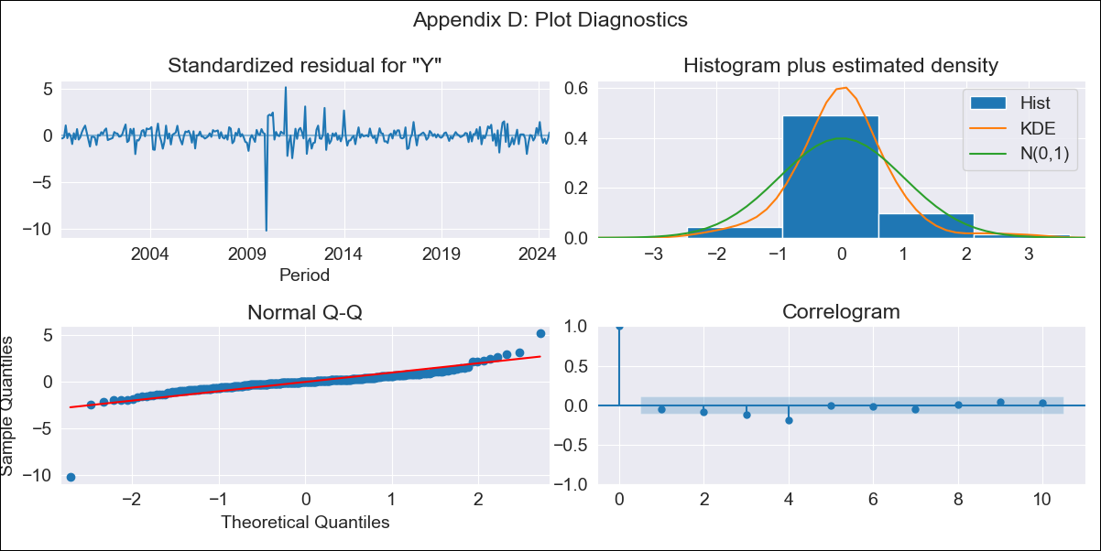
PER - Inflation - Next 12 months forecast as of: 2024-08-01

Model | ARIMA - [(3, 2, 0), (3, 0, 0, 12)]
Training Data | 1996-01-01 to 2023-09-01
Test Data | 2023-09-01 to 2024-08-01

Date | Inflation Change YoY % | Lower Bound - 95% Confidence Interval | Upper Bound - 95% Confidence Interval
2024-09-01 | 1.91 | 0.39 | 3.13
2024-10-01 | 2.05 | -0.84 | 3.96
2024-11-01 | 2.07 | -3.05 | 4.67
2024-12-01 | 1.7 | -7.9 | 5.14
2025-01-01 | 1.4 | -14.89 | 5.79
2025-02-01 | 0.35 | -27.95 | 6.07
2025-03-01 | -0.16 | -40.48 | 6.75
2025-04-01 | -0.25 | -53.14 | 7.63
2025-05-01 | -0.69 | -69.98 | 8.42
2025-06-01 | -0.61 | -86.52 | 9.38
2025-07-01 | -0.63 | -105.92 | 10.31
2025-08-01 | -0.99 | -130.14 | 11.16
2025-09-01 | -1.32 | -151.32 | 11.83
2025-10-01 | -1.65 | -173.61 | 12.48
2025-11-01 | -2.19 | -198.18 | 13.07
2025-12-01 | -2.33 | -221.11 | 13.72

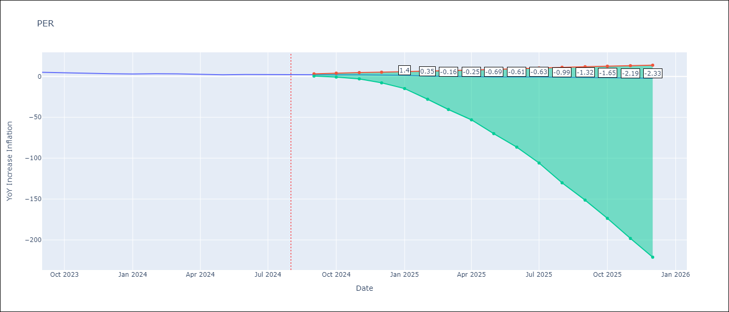

Test Metrics
RMSE | 0.91
Naive RMSE | 0.43
MAPE | 30.34%

Test Predictions
Date | Predicted | Actual
2023-09-01 | 5.04 | 5.04
2023-10-01 | 4.59 | 4.34
2023-11-01 | 4.09 | 3.64
2023-12-01 | 3.37 | 3.24
2024-01-01 | 3.05 | 3.02
2024-02-01 | 2.43 | 3.29
2024-03-01 | 1.81 | 3.05
2024-04-01 | 1.09 | 2.42
2024-05-01 | 0.51 | 2.06
2024-06-01 | 1.11 | 2.28
2024-07-01 | 1.22 | 2.12
2024-08-01 | 1.02 | 2.05

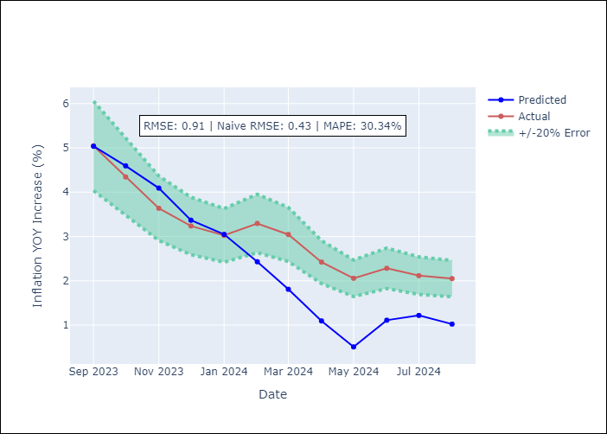

Appendix A: Model Summary
Model | ARIMA(3, 2, 0)x(3, 0, 0, 12)
Sample | 01-01-1996- 08-01-2024
No. of Observations | 344
Terms | P-value (Statistical significance)
ar.L1 | 0.000
ar.L2 | 0.000
ar.L3 | 0.000
ar.S.L12 | 0.000
ar.S.L24 | 0.000
ar.S.L36 | 0.000
sigma2 | 0.000
Assumptions | P-value

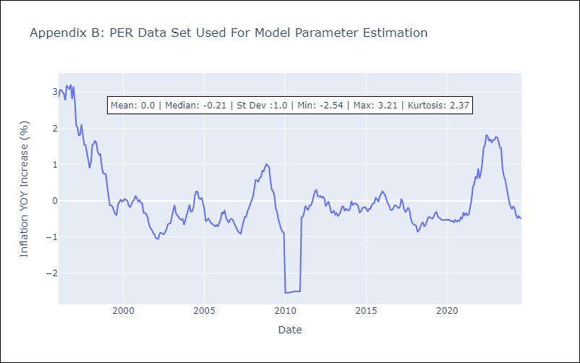

Appendix C: Residuals Analysis
Mean | -0.0

Normal? | No

PRY
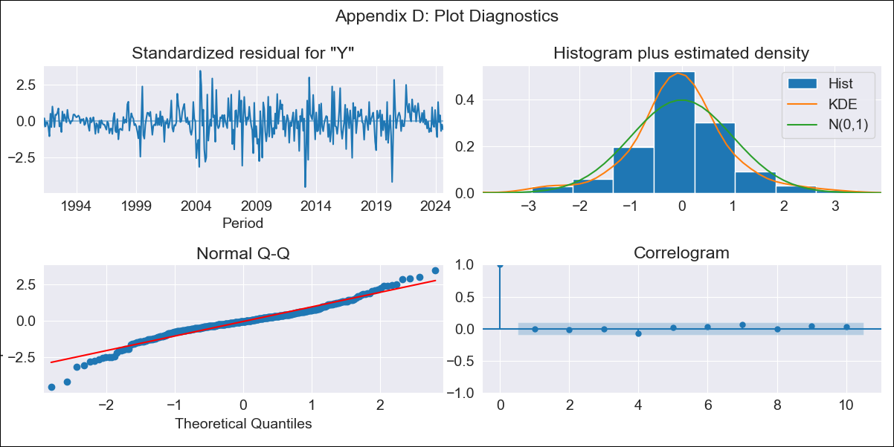
PRY - Inflation - Next 12 months forecast as of: 2024-08-01

Model | ARIMA - [(2, 1, 1), (1, 0, 1, 12)]
Training Data | 1990-01-01 to 2023-09-01
Test Data | 2023-09-01 to 2024-08-01

Date | Inflation Change YoY % | Lower Bound - 95% Confidence Interval | Upper Bound - 95% Confidence Interval
2024-09-01 | 3.92 | 2.8 | 5.42
2024-10-01 | 3.97 | 2.36 | 6.46
2024-11-01 | 4.19 | 2.19 | 7.64
2024-12-01 | 3.94 | 1.84 | 7.87
2025-01-01 | 4.09 | 1.76 | 8.76
2025-02-01 | 4.58 | 1.87 | 10.36
2025-03-01 | 4.12 | 1.54 | 9.86
2025-04-01 | 4.06 | 1.42 | 10.16
2025-05-01 | 3.91 | 1.28 | 10.2
2025-06-01 | 4.13 | 1.31 | 11.15
2025-07-01 | 4.25 | 1.3 | 11.85
2025-08-01 | 4.49 | 1.34 | 12.85
2025-09-01 | 4.57 | 1.37 | 13.11
2025-10-01 | 4.57 | 1.36 | 13.09
2025-11-01 | 4.53 | 1.35 | 13
2025-12-01 | 4.55 | 1.36 | 13.08

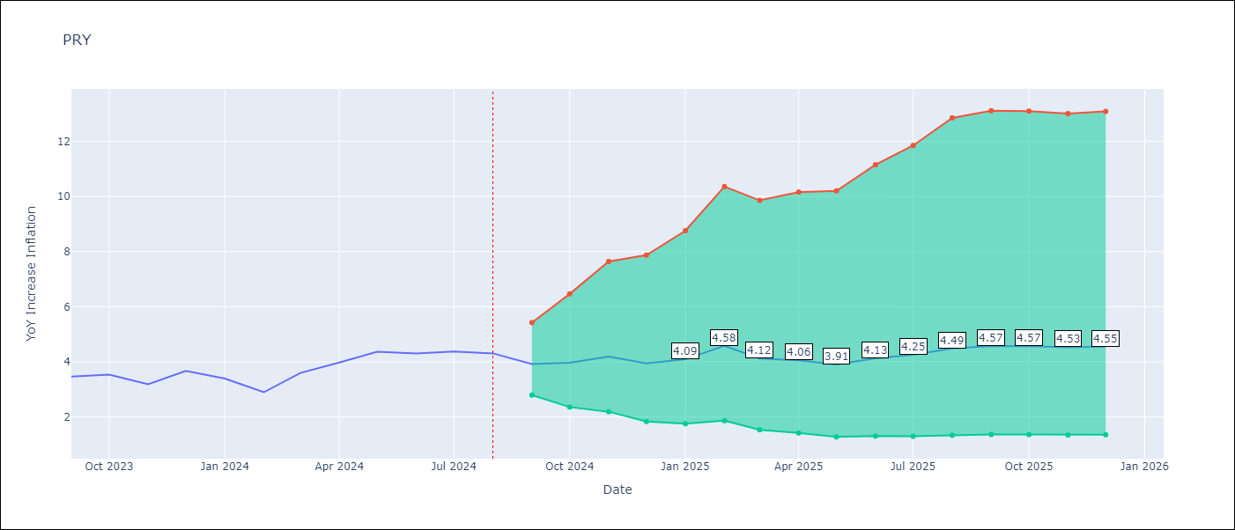

Test Metrics
RMSE | 0.42
Naive RMSE | 0.39
MAPE | 10.19%

Test Predictions
Date | Predicted | Actual
2023-09-01 | 2.95 | 3.47
2023-10-01 | 3.09 | 3.53
2023-11-01 | 3.03 | 3.19
2023-12-01 | 3.12 | 3.67
2024-01-01 | 3.05 | 3.39
2024-02-01 | 3.21 | 2.9
2024-03-01 | 3.29 | 3.6
2024-04-01 | 3.59 | 3.98
2024-05-01 | 3.7 | 4.36
2024-06-01 | 4.08 | 4.3
2024-07-01 | 4.46 | 4.38
2024-08-01 | 4.9 | 4.31

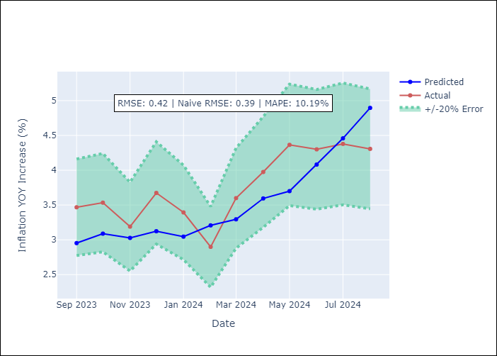

Appendix A: Model Summary
Model | ARIMA(2, 1, 1)x(1, 0, 1, 12)
Sample | 01-01-1990- 08-01-2024
No. of Observations | 416
Terms | P-value (Statistical significance)
ar.L1 | 0.000
ar.L2 | 0.000
ma.L1 | 0.000
ar.S.L12 | 0.185
ma.S.L12 | 0.000
sigma2 | 0.000
Assumptions | P-value

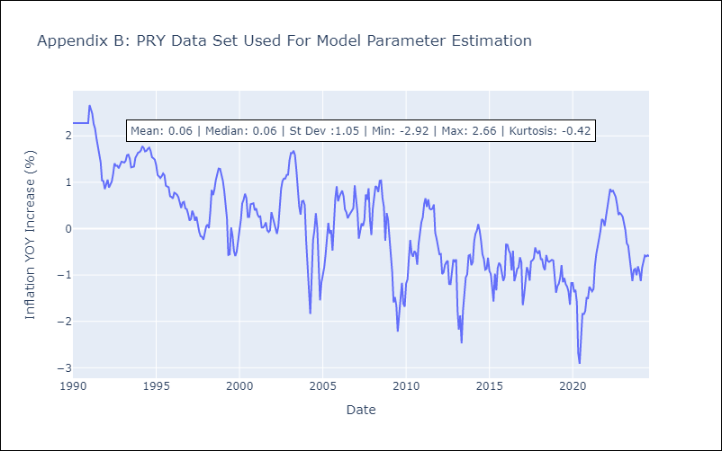

Appendix C: Residuals Analysis
Mean | -0.01

Normal? | No

URY
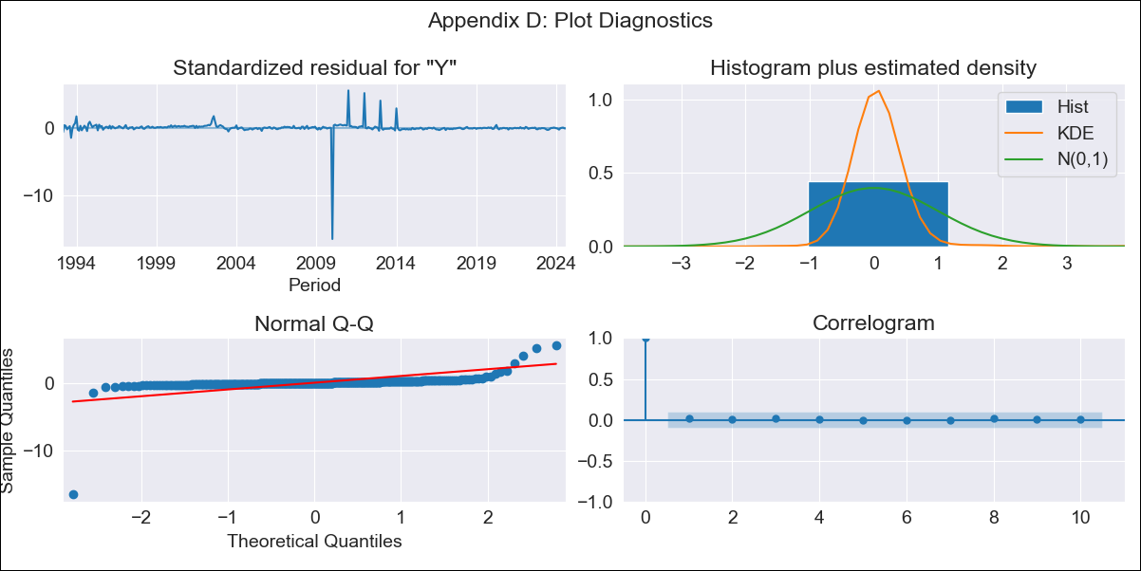
URY - Inflation - Next 12 months forecast as of: 2024-08-01

Model | ARIMA - [(0, 2, 1), (3, 0, 0, 12)]
Training Data | 1990-01-01 to 2023-09-01
Test Data | 2023-09-01 to 2024-08-01

Date | Inflation Change YoY % | Lower Bound - 95% Confidence Interval | Upper Bound - 95% Confidence Interval
2024-09-01 | 5.49 | -2.22 | 13.14
2024-10-01 | 5.36 | -5.75 | 16.34
2024-11-01 | 5.03 | -8.82 | 18.67
2024-12-01 | 4.86 | -11.39 | 20.85
2025-01-01 | 4.84 | -13.62 | 22.97
2025-02-01 | 5.07 | -15.46 | 25.21
2025-03-01 | 5.6 | -16.89 | 27.66
2025-04-01 | 5.47 | -18.94 | 29.38
2025-05-01 | 5.27 | -21.01 | 30.99
2025-06-01 | 5.01 | -23.09 | 32.5
2025-07-01 | 4.98 | -24.91 | 34.21
2025-08-01 | 5.06 | -26.6 | 36
2025-09-01 | 5.03 | -27.06 | 36.38
2025-10-01 | 4.99 | -27.54 | 36.76
2025-11-01 | 4.95 | -28.01 | 37.15
2025-12-01 | 4.93 | -28.49 | 37.56

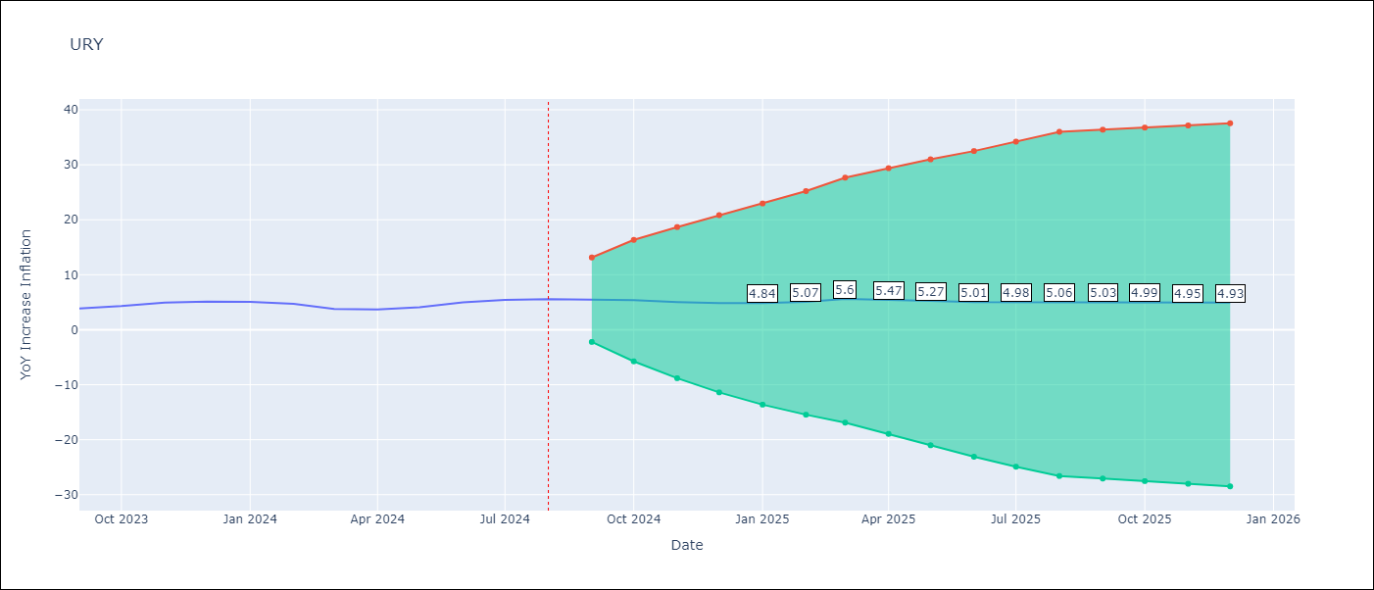

Test Metrics
RMSE | 0.82
Naive RMSE | 0.49
MAPE | 14.52%

Test Predictions
Date | Predicted | Actual
2023-09-01 | 3.82 | 3.87
2023-10-01 | 4.25 | 4.3
2023-11-01 | 4.65 | 4.96
2023-12-01 | 4.71 | 5.11
2024-01-01 | 4.85 | 5.09
2024-02-01 | 4.82 | 4.71
2024-03-01 | 4.84 | 3.79
2024-04-01 | 4.87 | 3.68
2024-05-01 | 5.2 | 4.1
2024-06-01 | 5.87 | 4.96
2024-07-01 | 6.55 | 5.45
2024-08-01 | 6.95 | 5.57

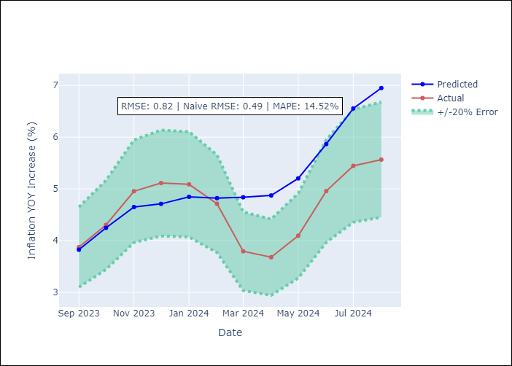

Appendix A: Model Summary
Model | ARIMA(0, 2, 1)x(3, 0, [], 12)
Sample | 01-01-1990- 08-01-2024
No. of Observations | 416
Terms | P-value (Statistical significance)
ma.L1 | 0.000
ar.S.L12 | 0.000
ar.S.L24 | 0.000
ar.S.L36 | 0.000
sigma2 | 0.000
Assumptions | P-value

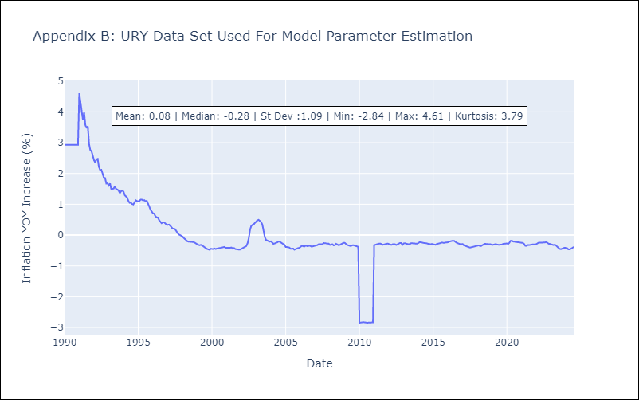

Appendix C: Residuals Analysis
Mean | 0.01

Normal? | No

VEN
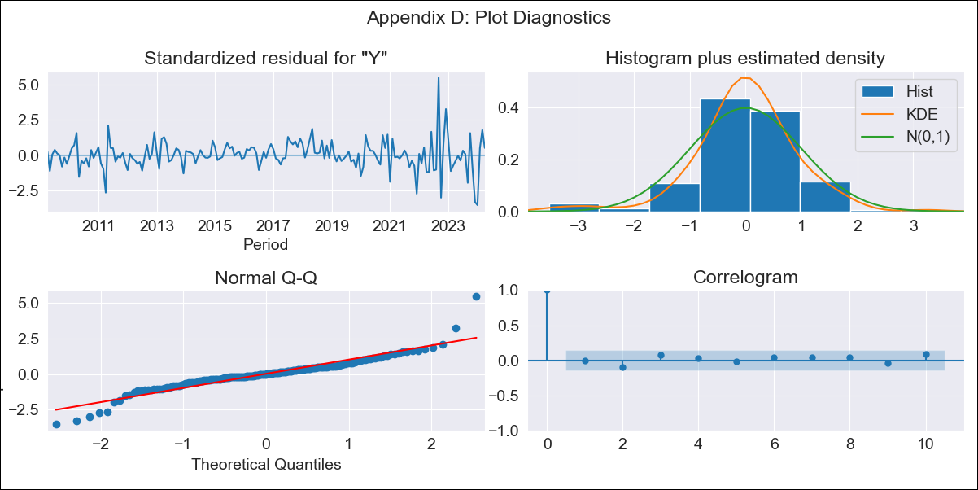
VEN - Inflation - Next 12 months forecast as of: 2024-04-01

Model | ARIMA - [(3, 0, 0), (0, 0, 0, 12)]
Training Data | 2009-01-01 to 2023-05-01
Test Data | 2023-05-01 to 2024-04-01

Date | Inflation Change YoY % | Lower Bound - 95% Confidence Interval | Upper Bound - 95% Confidence Interval
2024-05-01 | 63.13 | 55.04 | 72.73
2024-06-01 | 62.1 | 47.34 | 82.85
2024-07-01 | 61.6 | 41.08 | 96.05
2024-08-01 | 61.49 | 36.08 | 112.37
2024-09-01 | 61.67 | 32.1 | 132.01
2024-10-01 | 62.08 | 28.92 | 155.21
2024-11-01 | 62.65 | 26.35 | 182.29
2024-12-01 | 63.36 | 24.25 | 213.6
2025-01-01 | 64.16 | 22.52 | 249.51
2025-02-01 | 65.04 | 21.07 | 290.4
2025-03-01 | 65.98 | 19.86 | 336.7
2025-04-01 | 66.96 | 18.83 | 388.82
2025-05-01 | 67.98 | 17.95 | 447.22
2025-06-01 | 69.02 | 17.2 | 512.36
2025-07-01 | 70.09 | 16.54 | 584.72
2025-08-01 | 71.16 | 15.97 | 664.8

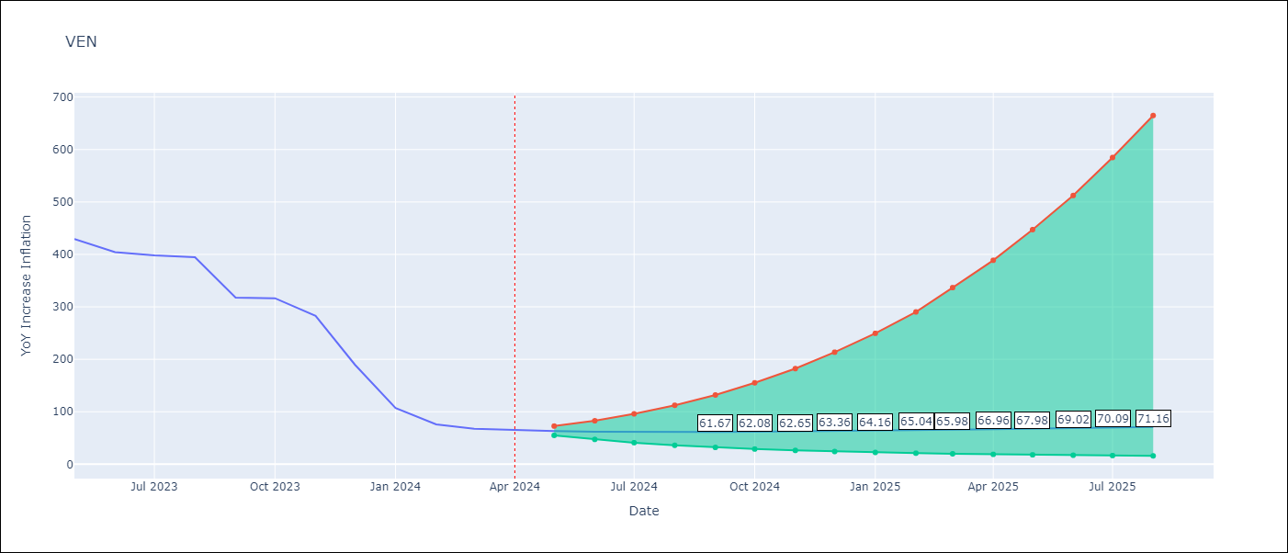

Test Metrics
RMSE | 229.69
Naive RMSE | 45.01
MAPE | 182.83%

Test Predictions
Date | Predicted | Actual
2023-05-01 | 436.18 | 429.21
2023-06-01 | 435.92 | 404.37
2023-07-01 | 435.85 | 398.19
2023-08-01 | 435.9 | 394.76
2023-09-01 | 436.03 | 317.63
2023-10-01 | 436.24 | 316.45
2023-11-01 | 436.5 | 282.78
2023-12-01 | 436.81 | 189.78
2024-01-01 | 437.14 | 107.36
2024-02-01 | 437.5 | 75.91
2024-03-01 | 437.88 | 67.76
2024-04-01 | 438.27 | 64.91

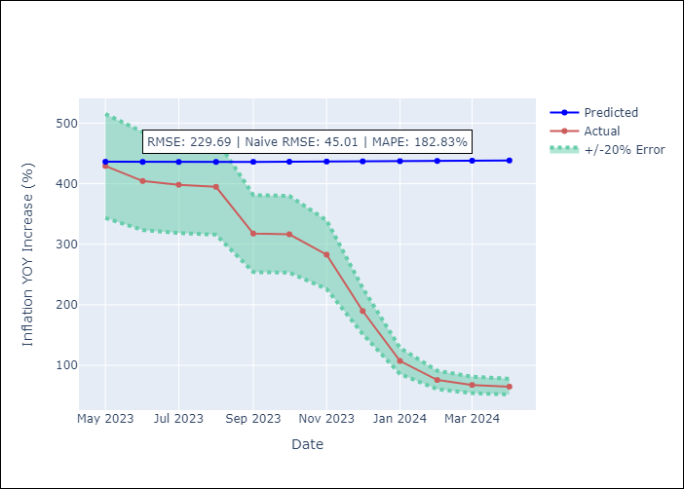

Appendix A: Model Summary
Model | ARIMA(3, 0, 0)
Sample | 01-01-2009- 04-01-2024
No. of Observations | 184
Terms | P-value (Statistical significance)
const | 1.000
ar.L1 | 0.000
ar.L2 | 0.000
ar.L3 | 0.978
sigma2 | 0.000
Assumptions | P-value

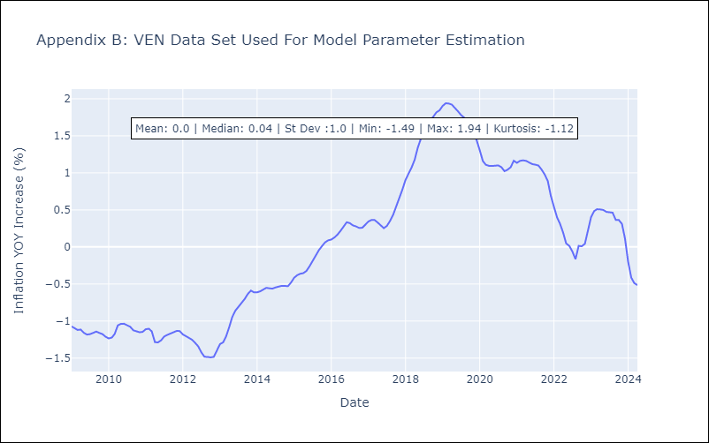

Appendix C: Residuals Analysis
Mean | -0.0

Normal? | No

