CRI
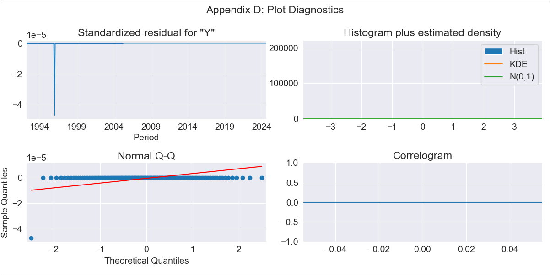
CRI - Inflation - Next 12 months forecast as of: 2024-08-01

Model | ARIMA - [(2, 1, 1), (2, 0, 1, 12)]
Training Data | 1990-01-01 to 2023-09-01
Test Data | 2023-09-01 to 2024-08-01

Date | Inflation Change YoY % | Lower Bound - 95% Confidence Interval | Upper Bound - 95% Confidence Interval
2024-09-01
2024-10-01
2024-11-01
2024-12-01
2025-01-01
2025-02-01
2025-03-01
2025-04-01
2025-05-01
2025-06-01
2025-07-01
2025-08-01
2025-09-01
2025-10-01
2025-11-01
2025-12-01

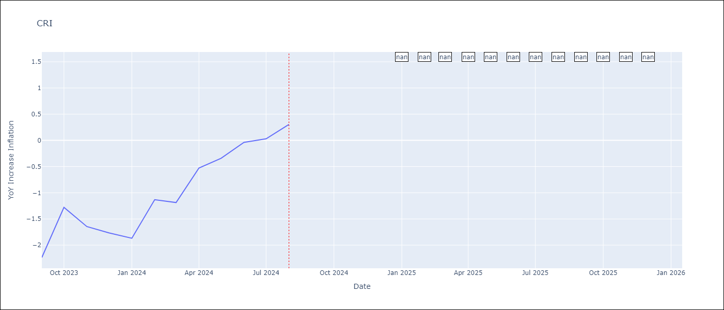

Test Metrics
RMSE | 1.79
Naive RMSE | 0.53
MAPE | 1271.31%

Test Predictions
Date | Predicted | Actual
2023-09-01 | -2.91 | -2.24
2023-10-01 | -2.57 | -1.28
2023-11-01 | -2.68 | -1.64
2023-12-01 | -2.72 | -1.77
2024-01-01 | -2.78 | -1.87
2024-02-01 | -2.08 | -1.13
2024-03-01 | -1.83 | -1.19
2024-04-01 | -1.16 | -0.53
2024-05-01 | -0.57 | -0.34
2024-06-01 | 1.12 | -0.04
2024-07-01 | 3.07 | 0.03
2024-08-01 | 4.89 | 0.31

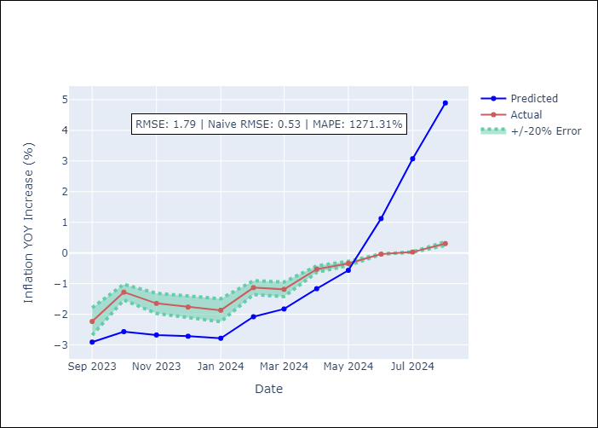

Appendix A: Model Summary
Model | ARIMA(2, 1, 1)x(2, 0, 1, 12)
Sample | 01-01-1990- 08-01-2024
No. of Observations | 416
Terms | P-value (Statistical significance)
ar.L1 | nan
ar.L2 | nan
ma.L1 | nan
ar.S.L12 | nan
ar.S.L24 | nan
ma.S.L12 | nan
sigma2 | nan
Assumptions | P-value

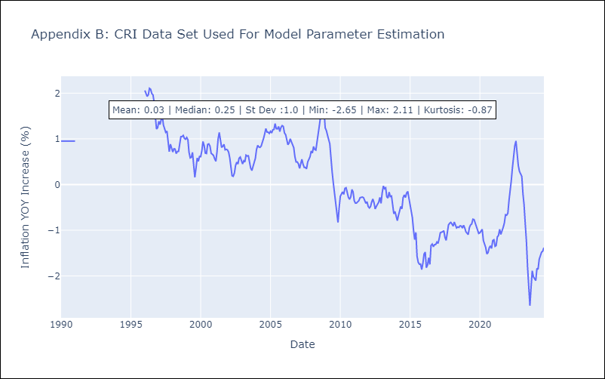

Appendix C: Residuals Analysis
Mean | -4.445208899821911e+140

Normal? | Yes

CUB
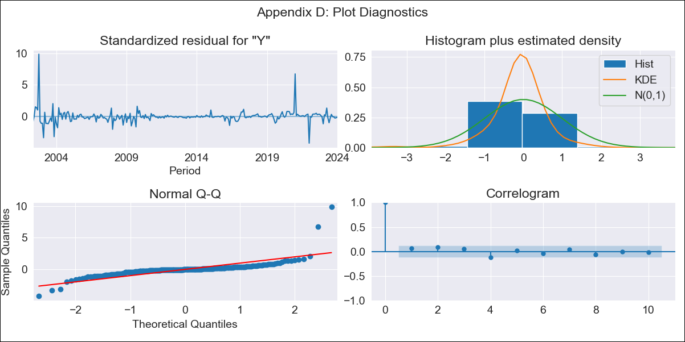
CUB - Inflation - Next 12 months forecast as of: 2024-01-01

Model | ARIMA - [(0, 2, 1), (0, 0, 1, 12)]
Training Data | 2001-01-01 to 2023-02-01
Test Data | 2023-02-01 to 2024-01-01

Date | Inflation Change YoY % | Lower Bound - 95% Confidence Interval | Upper Bound - 95% Confidence Interval
2024-02-01 | 40.86 | 26.93 | 57.18
2024-03-01 | 40.95 | 21.92 | 64.78
2024-04-01 | 37.83 | 16.09 | 66.86
2024-05-01 | 38.98 | 14.14 | 73.55
2024-06-01 | 42.23 | 13.89 | 82.68
2024-07-01 | 43.49 | 12.58 | 88.96
2024-08-01 | 43.08 | 10.51 | 92.73
2024-09-01 | 43.69 | 9.24 | 97.73
2024-10-01 | 44.39 | 8.16 | 102.71
2024-11-01 | 45.66 | 7.46 | 108.43
2024-12-01 | 46.8 | 6.78 | 113.9
2025-01-01 | 47.77 | 6.09 | 119.05
2025-02-01 | 48.24 | 5.83 | 121.35
2025-03-01 | 48.71 | 5.58 | 123.64
2025-04-01 | 49.19 | 5.33 | 125.94
2025-05-01 | 49.67 | 5.1 | 128.24

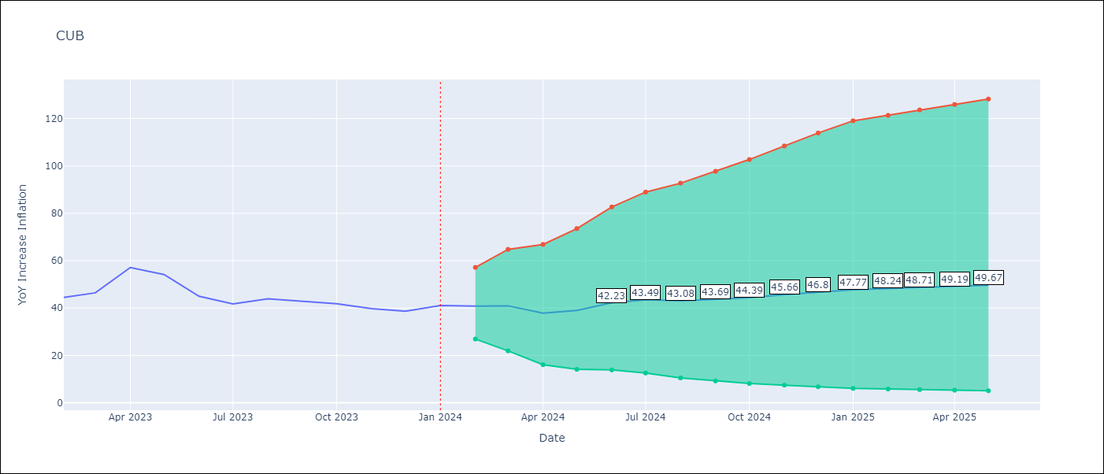

Test Metrics
RMSE | 5.66
Naive RMSE | 4.52
MAPE | 8.01%

Test Predictions
Date | Predicted | Actual
2023-02-01 | 42.69 | 44.5
2023-03-01 | 43.59 | 46.42
2023-04-01 | 43.15 | 57.12
2023-05-01 | 42.61 | 54.15
2023-06-01 | 42.08 | 44.99
2023-07-01 | 41.2 | 41.77
2023-08-01 | 40.94 | 43.91
2023-09-01 | 40.48 | 42.96
2023-10-01 | 40.05 | 41.84
2023-11-01 | 40.19 | 39.78
2023-12-01 | 40.88 | 38.67
2024-01-01 | 44.67 | 41.06

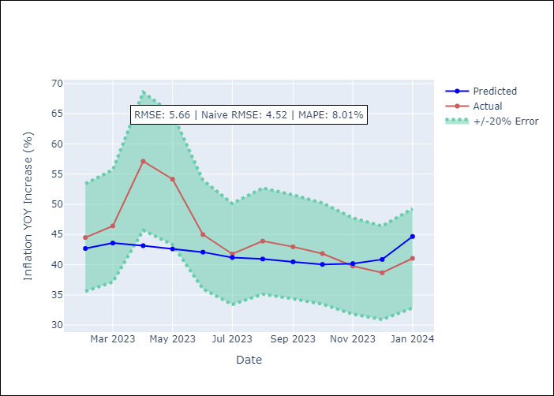

Appendix A: Model Summary
Model | ARIMA(0, 2, 1)x(0, 0, 1, 12)
Sample | 01-01-2001- 01-01-2024
No. of Observations | 277
Terms | P-value (Statistical significance)
ma.L1 | 0.980
ma.S.L12 | 0.000
sigma2 | 0.980
Assumptions | P-value

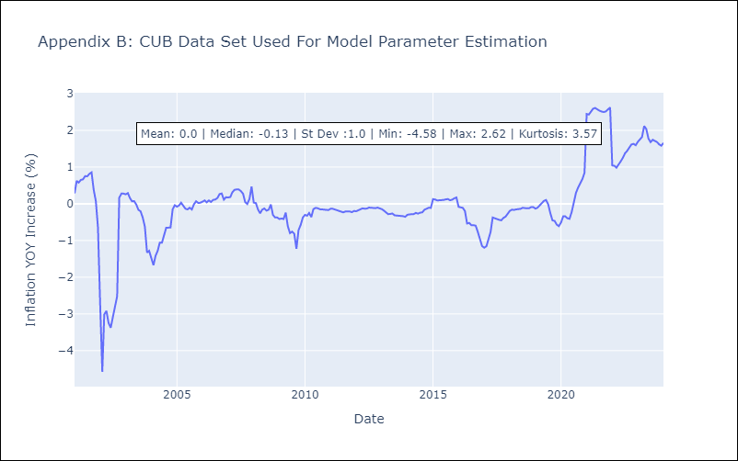

Appendix C: Residuals Analysis
Mean | -0.0

Normal? | No

DOM
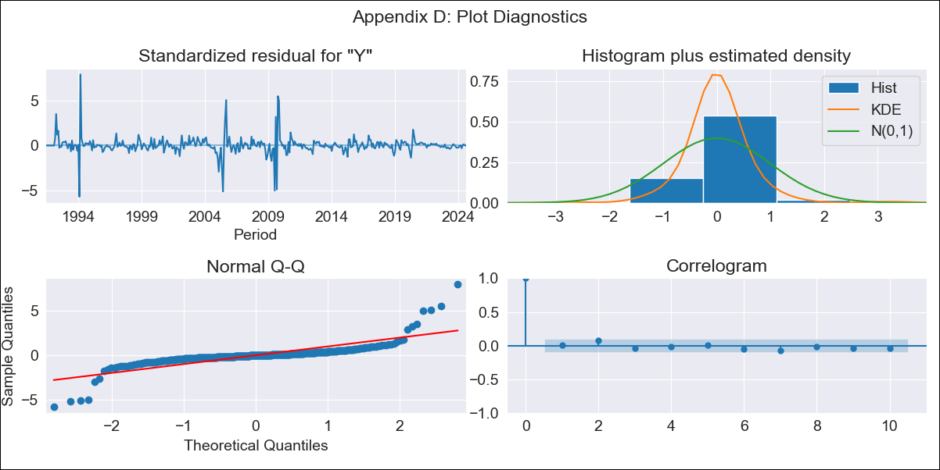
DOM - Inflation - Next 12 months forecast as of: 2024-08-01

Model | ARIMA - [(0, 2, 2), (0, 0, 1, 12)]
Training Data | 1990-01-01 to 2023-09-01
Test Data | 2023-09-01 to 2024-08-01

Date | Inflation Change YoY % | Lower Bound - 95% Confidence Interval | Upper Bound - 95% Confidence Interval
2024-09-01 | 3.39 | 1.2 | 7.3
2024-10-01 | 3.41 | 0.63 | 9.67
2024-11-01 | 3.48 | 0.31 | 12.05
2024-12-01 | 3.55 | 0.08 | 14.46
2025-01-01 | 3.62 | -0.09 | 16.89
2025-02-01 | 3.64 | -0.23 | 19.24
2025-03-01 | 3.63 | -0.36 | 21.52
2025-04-01 | 3.73 | -0.45 | 24.35
2025-05-01 | 3.71 | -0.55 | 26.74
2025-06-01 | 3.66 | -0.65 | 29.01
2025-07-01 | 3.63 | -0.73 | 31.49
2025-08-01 | 3.64 | -0.81 | 34.19
2025-09-01 | 3.63 | -0.85 | 35.81
2025-10-01 | 3.63 | -0.89 | 37.46
2025-11-01 | 3.62 | -0.93 | 39.14
2025-12-01 | 3.61 | -0.97 | 40.86

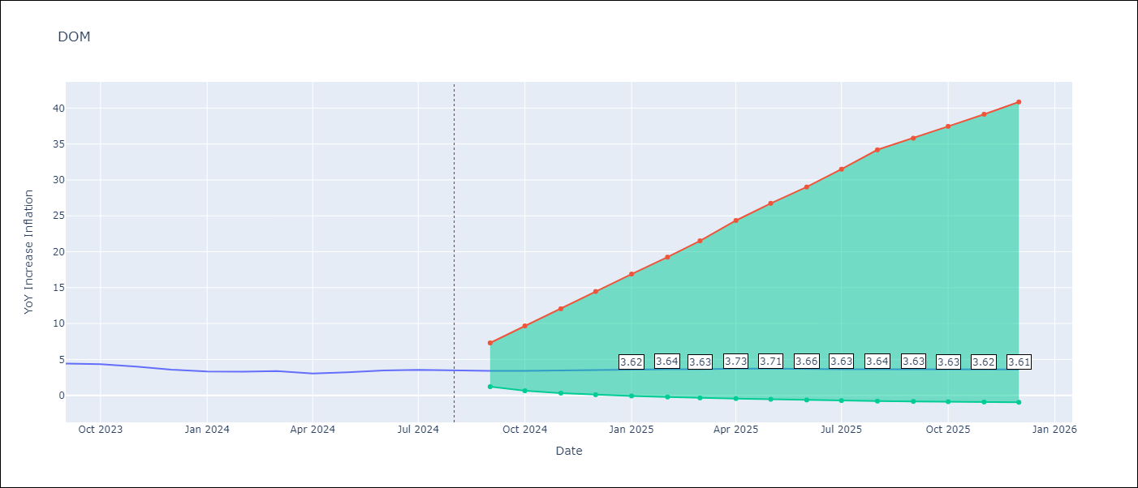

Test Metrics
RMSE | 1.25
Naive RMSE | 0.23
MAPE | 32.62%

Test Predictions
Date | Predicted | Actual
2023-09-01 | 4.29 | 4.41
2023-10-01 | 4.34 | 4.35
2023-11-01 | 4.41 | 4
2023-12-01 | 4.36 | 3.57
2024-01-01 | 4.44 | 3.32
2024-02-01 | 4.56 | 3.3
2024-03-01 | 4.64 | 3.38
2024-04-01 | 4.77 | 3.03
2024-05-01 | 4.94 | 3.2
2024-06-01 | 5.05 | 3.46
2024-07-01 | 5.07 | 3.54
2024-08-01 | 5 | 3.42

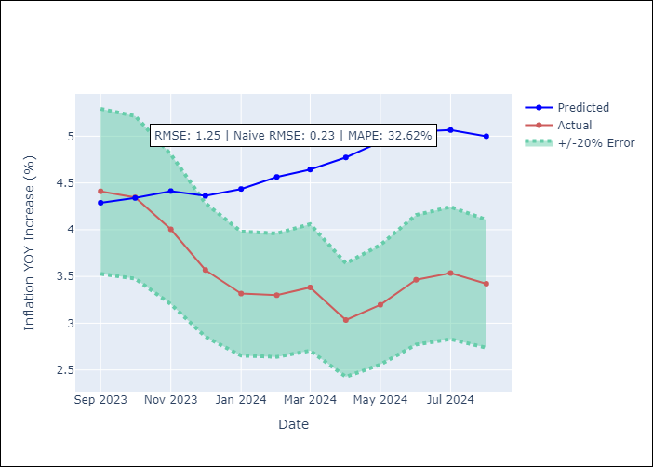

Appendix A: Model Summary
Model | ARIMA(0, 2, 2)x(0, 0, [1], 12)
Sample | 01-01-1990- 08-01-2024
No. of Observations | 416
Terms | P-value (Statistical significance)
ma.L1 | 0.852
ma.L2 | 0.880
ma.S.L12 | 0.000
sigma2 | 0.853
Assumptions | P-value

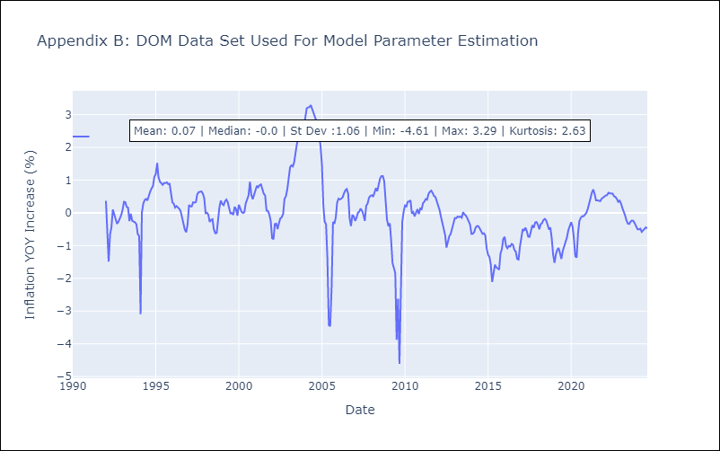

Appendix C: Residuals Analysis
Mean | 0.0

Normal? | Yes

GTM
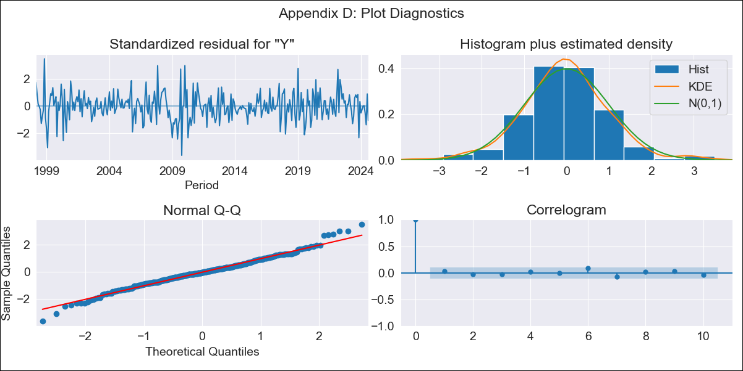
GTM - Inflation - Next 12 months forecast as of: 2024-08-01

Model | ARIMA - [(1, 1, 0), (0, 0, 2, 12)]
Training Data | 1996-01-01 to 2023-09-01
Test Data | 2023-09-01 to 2024-08-01

Date | Inflation Change YoY % | Lower Bound - 95% Confidence Interval | Upper Bound - 95% Confidence Interval
2024-09-01 | 2.64 | 1.83 | 3.52
2024-10-01 | 2.23 | 0.99 | 3.65
2024-11-01 | 2.9 | 1.19 | 4.9
2024-12-01 | 3 | 0.96 | 5.44
2025-01-01 | 3.23 | 0.89 | 6.09
2025-02-01 | 3.44 | 0.82 | 6.7
2025-03-01 | 3.51 | 0.67 | 7.1
2025-04-01 | 3.5 | 0.48 | 7.4
2025-05-01 | 3.63 | 0.41 | 7.85
2025-06-01 | 4.18 | 0.63 | 8.8
2025-07-01 | 4.03 | 0.38 | 8.88
2025-08-01 | 4.44 | 0.52 | 9.65
2025-09-01 | 4.61 | 0.6 | 9.9
2025-10-01 | 4.7 | 0.66 | 10.03
2025-11-01 | 4.61 | 0.6 | 9.93
2025-12-01 | 4.6 | 0.58 | 9.92

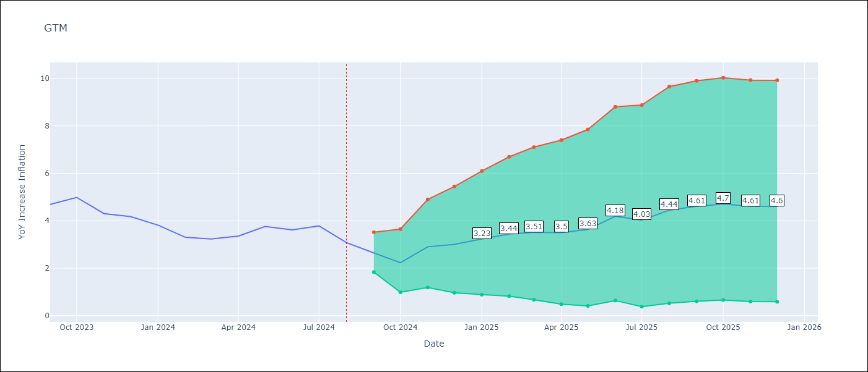

Test Metrics
RMSE | 1.16
Naive RMSE | 0.38
MAPE | 27.19%

Test Predictions
Date | Predicted | Actual
2023-09-01 | 4.38 | 4.69
2023-10-01 | 4.17 | 4.98
2023-11-01 | 4.48 | 4.3
2023-12-01 | 4.5 | 4.18
2024-01-01 | 4.41 | 3.81
2024-02-01 | 4.08 | 3.3
2024-03-01 | 4.09 | 3.23
2024-04-01 | 4.23 | 3.35
2024-05-01 | 4.92 | 3.76
2024-06-01 | 5.56 | 3.62
2024-07-01 | 5.52 | 3.78
2024-08-01 | 5.21 | 3.08

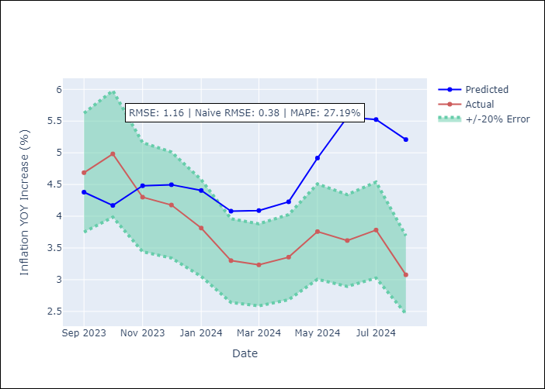

Appendix A: Model Summary
Model | ARIMA(1, 1, 0)x(0, 0, [1, 2], 12)
Sample | 01-01-1996- 08-01-2024
No. of Observations | 344
Terms | P-value (Statistical significance)
ar.L1 | 0.000
ma.S.L12 | 0.000
ma.S.L24 | 0.040
sigma2 | 0.000
Assumptions | P-value

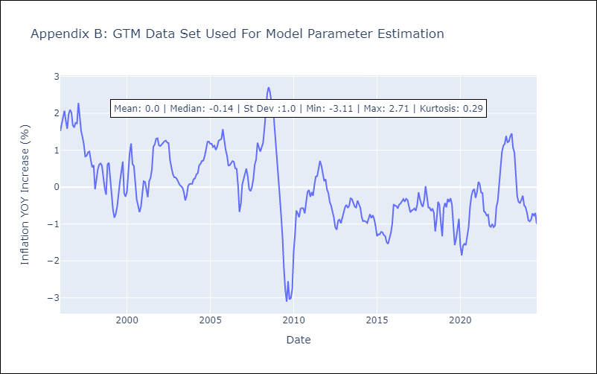

Appendix C: Residuals Analysis
Mean | -0.01

Normal? | No

HND
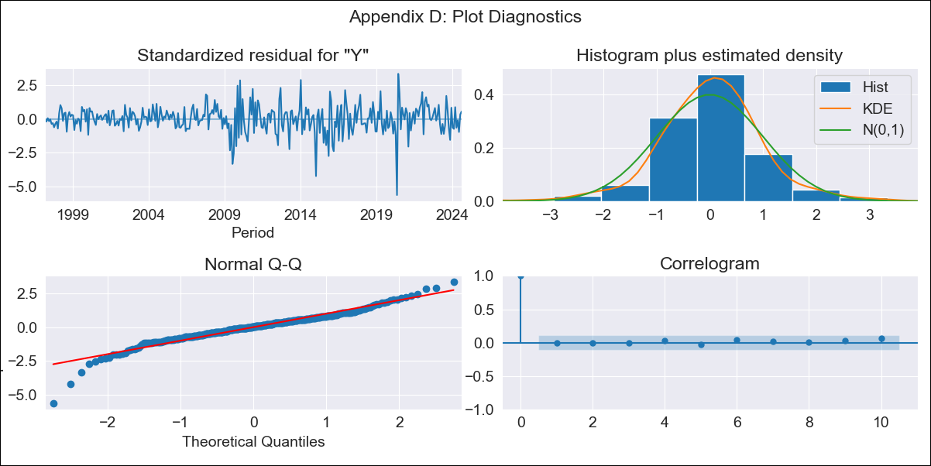
HND - Inflation - Next 12 months forecast as of: 2024-08-01

Model | ARIMA - [(2, 0, 1), (0, 0, 2, 12)]
Training Data | 1995-01-01 to 2023-09-01
Test Data | 2023-09-01 to 2024-08-01

Date | Inflation Change YoY % | Lower Bound - 95% Confidence Interval | Upper Bound - 95% Confidence Interval
2024-09-01 | 4.87 | 4.26 | 5.59
2024-10-01 | 4.98 | 4.02 | 6.25
2024-11-01 | 5.33 | 4.03 | 7.24
2024-12-01 | 5.26 | 3.78 | 7.6
2025-01-01 | 5.39 | 3.71 | 8.24
2025-02-01 | 5.61 | 3.7 | 9.08
2025-03-01 | 5.47 | 3.5 | 9.2
2025-04-01 | 5.53 | 3.44 | 9.71
2025-05-01 | 5.55 | 3.36 | 10.11
2025-06-01 | 5.72 | 3.37 | 10.87
2025-07-01 | 5.67 | 3.27 | 11.09
2025-08-01 | 5.6 | 3.18 | 11.24
2025-09-01 | 5.59 | 3.16 | 11.32
2025-10-01 | 5.56 | 3.13 | 11.28
2025-11-01 | 5.49 | 3.09 | 11.14
2025-12-01 | 5.5 | 3.09 | 11.18

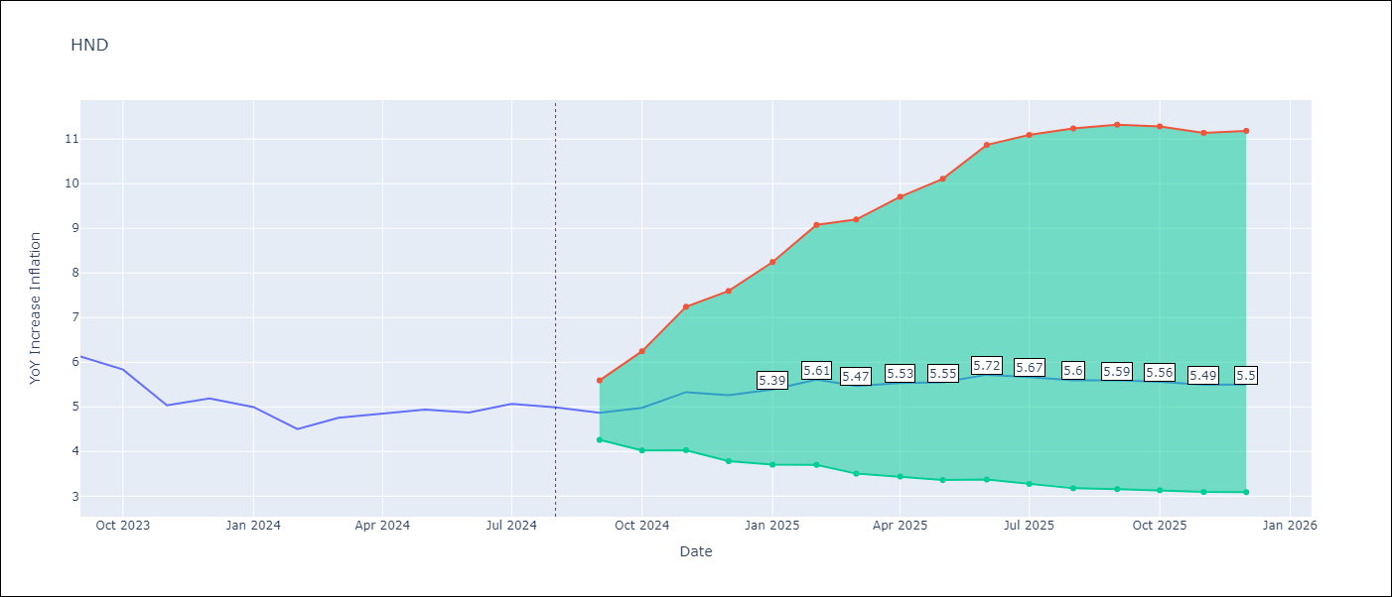

Test Metrics
RMSE | 0.93
Naive RMSE | 0.33
MAPE | 16.72%

Test Predictions
Date | Predicted | Actual
2023-09-01 | 5.84 | 6.13
2023-10-01 | 5.8 | 5.84
2023-11-01 | 5.64 | 5.03
2023-12-01 | 5.66 | 5.19
2024-01-01 | 5.68 | 5
2024-02-01 | 5.42 | 4.5
2024-03-01 | 5.48 | 4.76
2024-04-01 | 5.78 | 4.84
2024-05-01 | 5.98 | 4.94
2024-06-01 | 6.35 | 4.87
2024-07-01 | 6.57 | 5.06
2024-08-01 | 6.19 | 4.99

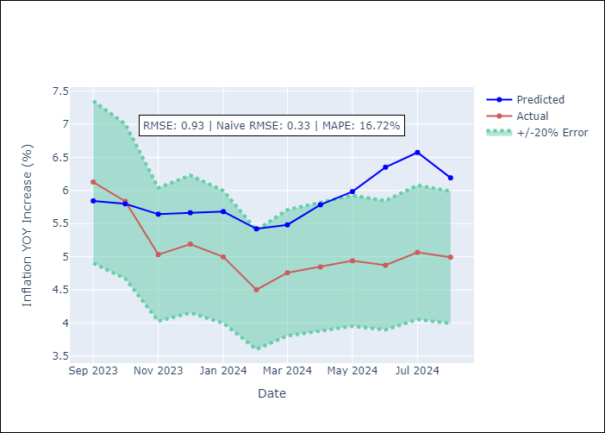

Appendix A: Model Summary
Model | ARIMA(2, 0, 1)x(0, 0, [1, 2], 12)
Sample | 01-01-1995- 08-01-2024
No. of Observations | 356
Terms | P-value (Statistical significance)
const | 0.180
ar.L1 | 0.000
ar.L2 | 0.005
ma.L1 | 0.408
ma.S.L12 | 0.000
ma.S.L24 | 0.137
sigma2 | 0.000
Assumptions | P-value

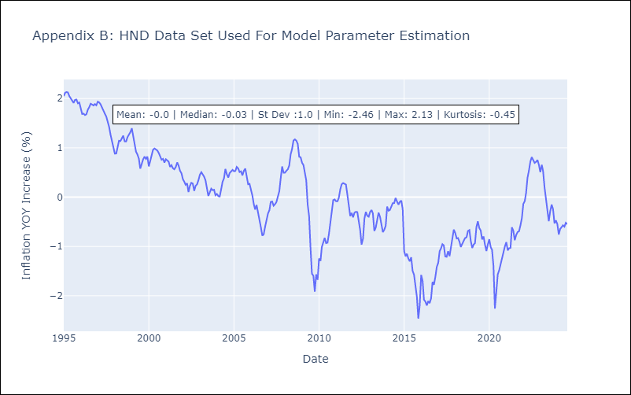

Appendix C: Residuals Analysis
Mean | 0.01

Normal? | No

HTI
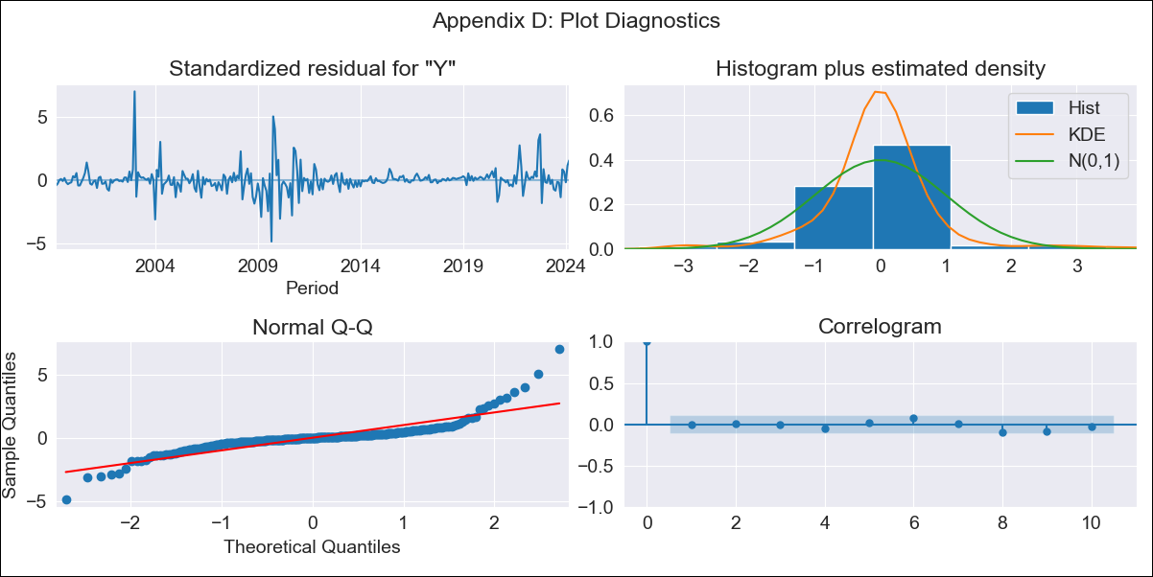
HTI - Inflation - Next 12 months forecast as of: 2024-03-01

Model | ARIMA - [(2, 0, 1), (3, 0, 0, 12)]
Training Data | 1996-01-01 to 2023-04-01
Test Data | 2023-04-01 to 2024-03-01

Date | Inflation Change YoY % | Lower Bound - 95% Confidence Interval | Upper Bound - 95% Confidence Interval
2024-04-01 | 29.57 | 25.63 | 33.71
2024-05-01 | 30.34 | 23.49 | 37.75
2024-06-01 | 31.29 | 21.95 | 41.7
2024-07-01 | 32.5 | 20.98 | 45.63
2024-08-01 | 33.04 | 19.72 | 48.54
2024-09-01 | 33.22 | 18.39 | 50.81
2024-10-01 | 34.71 | 18.3 | 54.4
2024-11-01 | 34.65 | 17.09 | 56.03
2024-12-01 | 33.54 | 15.22 | 56.27
2025-01-01 | 33.06 | 13.96 | 57.12
2025-02-01 | 31.61 | 12.09 | 56.67
2025-03-01 | 29.24 | 9.72 | 54.96
2025-04-01 | 28.1 | 8.63 | 54.08
2025-05-01 | 27.46 | 8.02 | 53.61
2025-06-01 | 27.1 | 7.65 | 53.4
2025-07-01 | 27 | 7.49 | 53.49

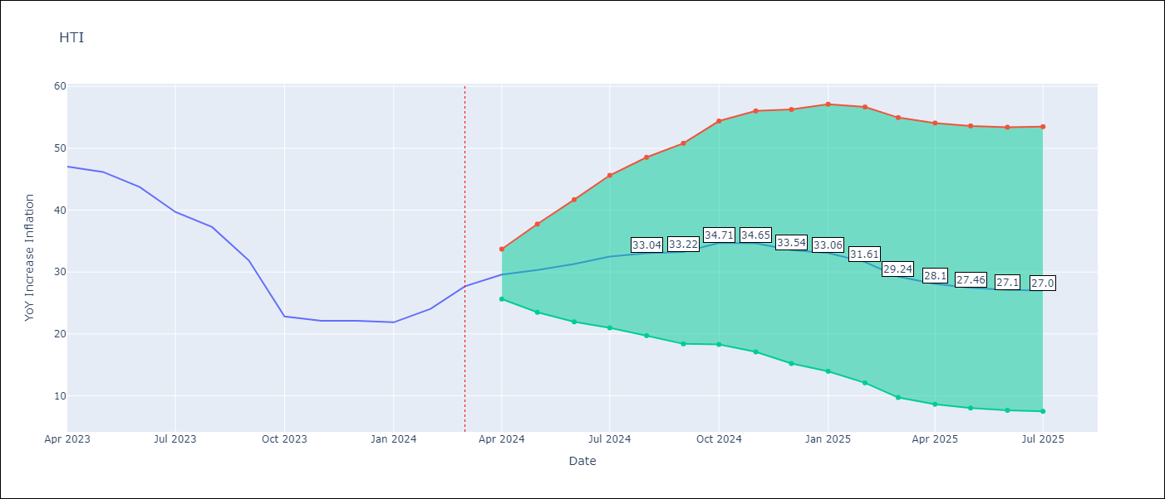

Test Metrics
RMSE | 6.66
Naive RMSE | 3.64
MAPE | 21.87%

Test Predictions
Date | Predicted | Actual
2023-04-01 | 47.75 | 47.04
2023-05-01 | 47.09 | 46.18
2023-06-01 | 46.46 | 43.75
2023-07-01 | 45.1 | 39.71
2023-08-01 | 44.07 | 37.27
2023-09-01 | 39.6 | 31.86
2023-10-01 | 33.39 | 22.83
2023-11-01 | 32.26 | 22.12
2023-12-01 | 30.7 | 22.12
2024-01-01 | 30.01 | 21.87
2024-02-01 | 29.7 | 24.04
2024-03-01 | 29.07 | 27.7

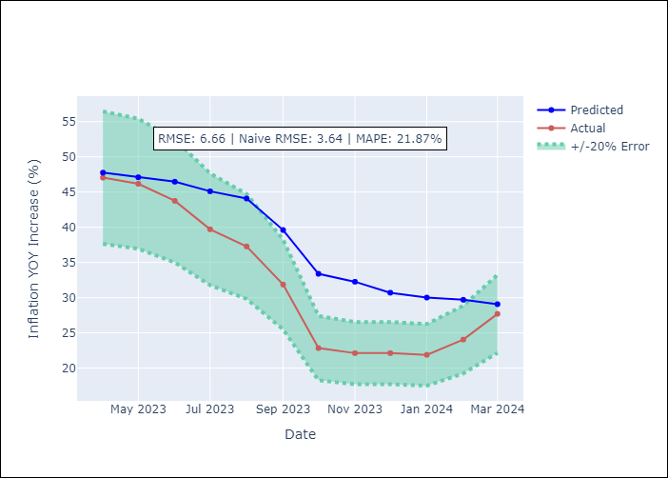

Appendix A: Model Summary
Model | ARIMA(2, 0, 1)x(3, 0, [], 12)
Sample | 01-01-1996- 03-01-2024
No. of Observations | 339
Terms | P-value (Statistical significance)
const | 0.695
ar.L1 | 0.000
ar.L2 | 0.000
ma.L1 | 0.537
ar.S.L12 | 0.000
ar.S.L24 | 0.000
ar.S.L36 | 0.349
sigma2 | 0.000
Assumptions | P-value

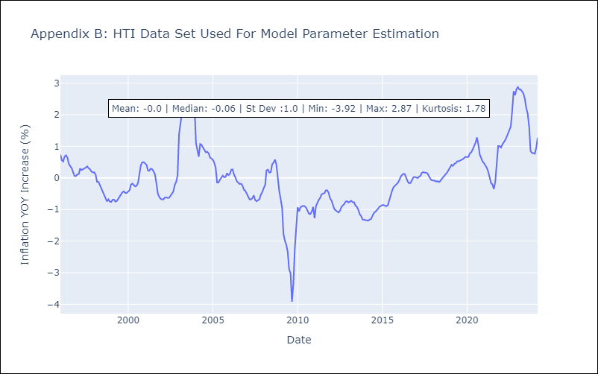

Appendix C: Residuals Analysis
Mean | -0.0

Normal? | No

MEX
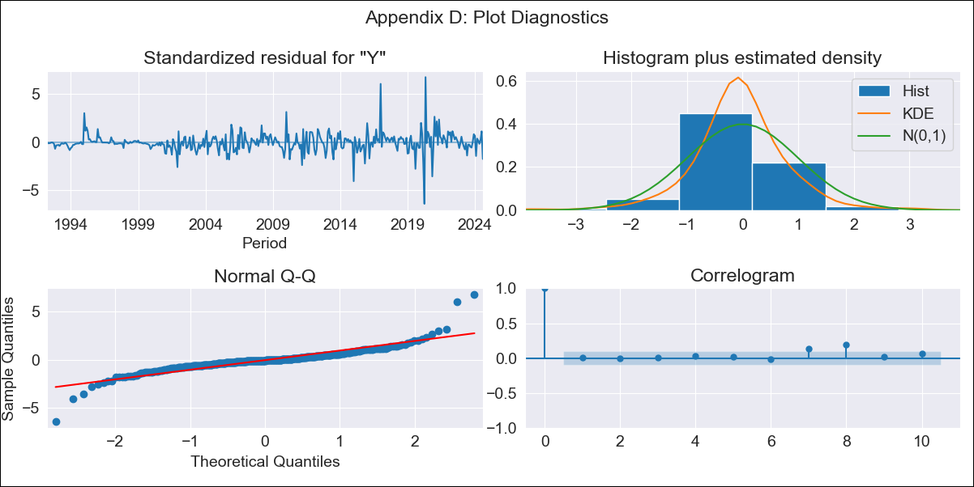
MEX - Inflation - Next 12 months forecast as of: 2024-08-01

Model | ARIMA - [(3, 1, 1), (0, 0, 2, 12)]
Training Data | 1990-01-01 to 2023-09-01
Test Data | 2023-09-01 to 2024-08-01

Date | Inflation Change YoY % | Lower Bound - 95% Confidence Interval | Upper Bound - 95% Confidence Interval
2024-09-01 | 4.86 | 4.22 | 5.67
2024-10-01 | 4.98 | 3.98 | 6.47
2024-11-01 | 5.06 | 3.83 | 7.09
2024-12-01 | 4.91 | 3.61 | 7.2
2025-01-01 | 4.74 | 3.41 | 7.22
2025-02-01 | 4.96 | 3.44 | 8.05
2025-03-01 | 4.99 | 3.37 | 8.5
2025-04-01 | 4.95 | 3.27 | 8.76
2025-05-01 | 4.95 | 3.2 | 9.16
2025-06-01 | 4.93 | 3.12 | 9.48
2025-07-01 | 4.73 | 2.97 | 9.24
2025-08-01 | 4.98 | 3.03 | 10.48
2025-09-01 | 5.09 | 3.06 | 11.01
2025-10-01 | 5.09 | 3.05 | 11.12
2025-11-01 | 5.06 | 3.02 | 11.12
2025-12-01 | 5.05 | 3 | 11.22

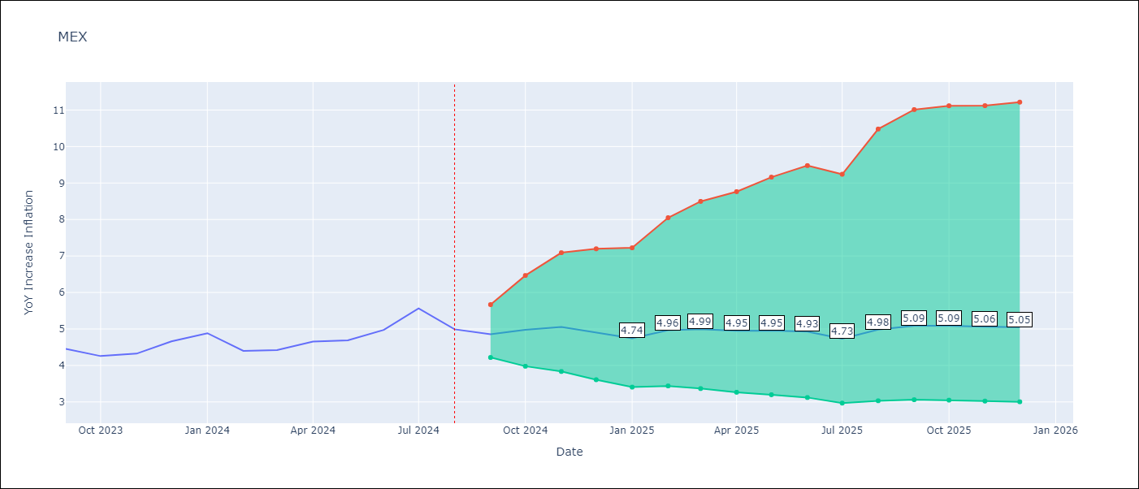

Test Metrics
RMSE | 0.27
Naive RMSE | 0.33
MAPE | 5.56%

Test Predictions
Date | Predicted | Actual
2023-09-01 | 4.61 | 4.45
2023-10-01 | 4.63 | 4.26
2023-11-01 | 4.74 | 4.32
2023-12-01 | 4.79 | 4.66
2024-01-01 | 4.69 | 4.88
2024-02-01 | 4.65 | 4.4
2024-03-01 | 4.72 | 4.42
2024-04-01 | 4.88 | 4.65
2024-05-01 | 4.92 | 4.69
2024-06-01 | 5.16 | 4.97
2024-07-01 | 5.26 | 5.56
2024-08-01 | 5.3 | 4.99

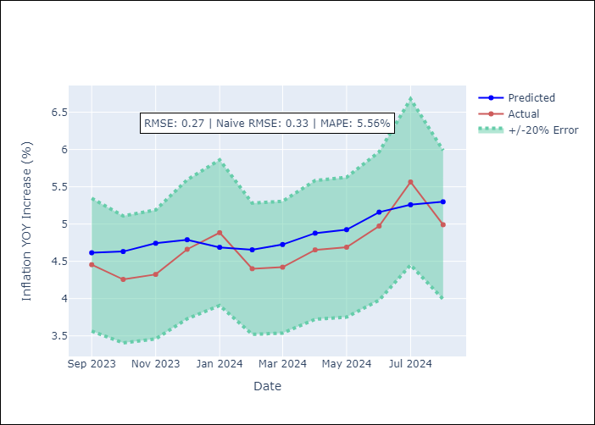

Appendix A: Model Summary
Model | ARIMA(3, 1, 1)x(0, 0, [1, 2], 12)
Sample | 01-01-1990- 08-01-2024
No. of Observations | 416
Terms | P-value (Statistical significance)
ar.L1 | 0.760
ar.L2 | 0.989
ar.L3 | 0.339
ma.L1 | 0.544
ma.S.L12 | 0.000
ma.S.L24 | 0.663
sigma2 | 0.000
Assumptions | P-value

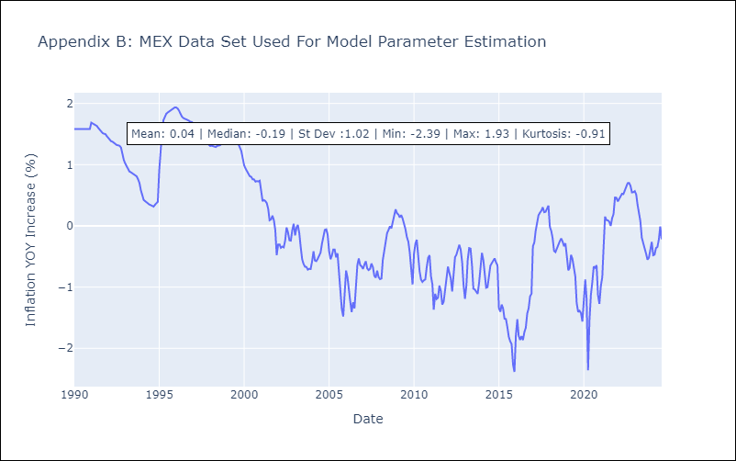

Appendix C: Residuals Analysis
Mean | -0.0

Normal? | No

NIC
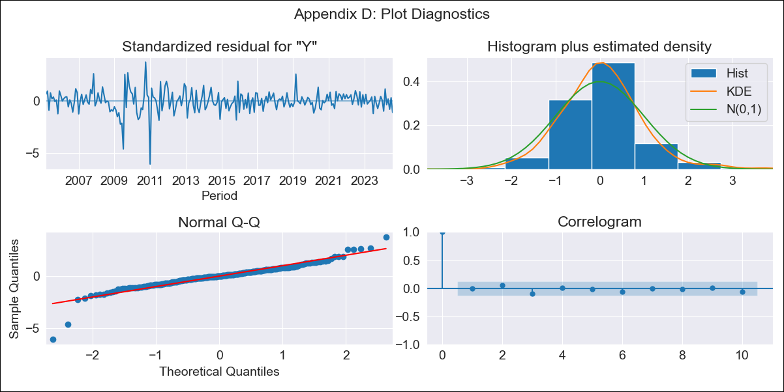
NIC - Inflation - Next 12 months forecast as of: 2024-08-01

Model | ARIMA - [(1, 1, 0), (2, 0, 1, 12)]
Training Data | 2003-01-01 to 2023-09-01
Test Data | 2023-09-01 to 2024-08-01

Date | Inflation Change YoY % | Lower Bound - 95% Confidence Interval | Upper Bound - 95% Confidence Interval
2024-09-01 | 4.4 | 3.19 | 5.81
2024-10-01 | 4.62 | 2.59 | 7.27
2024-11-01 | 4.88 | 2.17 | 8.74
2024-12-01 | 4.79 | 1.65 | 9.65
2025-01-01 | 4.8 | 1.28 | 10.63
2025-02-01 | 5.2 | 1.19 | 12.18
2025-03-01 | 4.99 | 0.83 | 12.71
2025-04-01 | 5.14 | 0.68 | 13.81
2025-05-01 | 5.11 | 0.47 | 14.55
2025-06-01 | 5.39 | 0.42 | 15.87
2025-07-01 | 5.56 | 0.33 | 16.97
2025-08-01 | 6.19 | 0.4 | 18.95
2025-09-01 | 6.4 | 0.41 | 19.7
2025-10-01 | 6.64 | 0.46 | 20.37
2025-11-01 | 6.65 | 0.43 | 20.57
2025-12-01 | 6.7 | 0.42 | 20.8

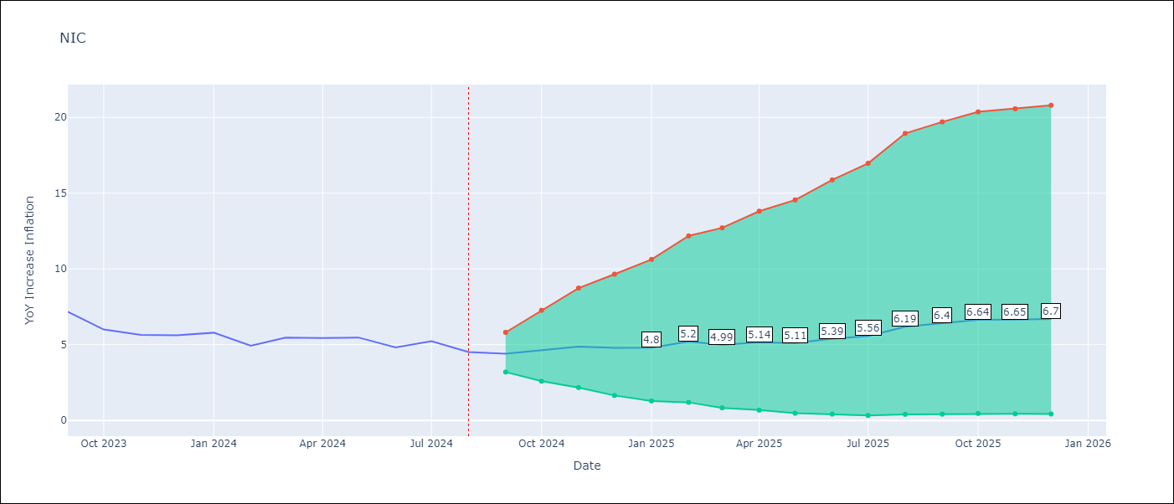

Test Metrics
RMSE | 1.34
Naive RMSE | 0.56
MAPE | 23.7%

Test Predictions
Date | Predicted | Actual
2023-09-01 | 7.36 | 7.17
2023-10-01 | 6.86 | 6
2023-11-01 | 6.92 | 5.64
2023-12-01 | 6.73 | 5.62
2024-01-01 | 6.79 | 5.79
2024-02-01 | 6.6 | 4.93
2024-03-01 | 6.57 | 5.46
2024-04-01 | 6.57 | 5.44
2024-05-01 | 6.47 | 5.47
2024-06-01 | 6.34 | 4.82
2024-07-01 | 6.82 | 5.23
2024-08-01 | 6.9 | 4.52

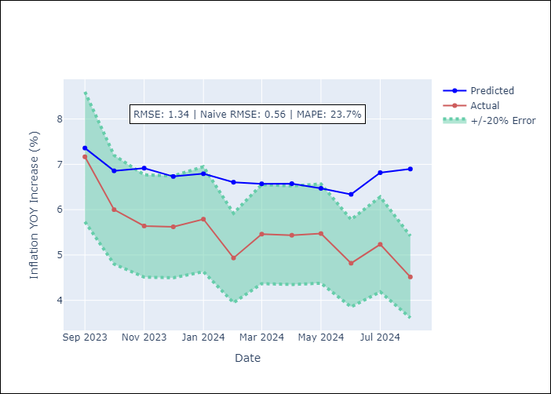

Appendix A: Model Summary
Model | ARIMA(1, 1, 0)x(2, 0, [1], 12)
Sample | 01-01-2003- 08-01-2024
No. of Observations | 260
Terms | P-value (Statistical significance)
ar.L1 | 0.000
ar.S.L12 | 0.089
ar.S.L24 | 0.022
ma.S.L12 | 0.092
sigma2 | 0.000
Assumptions | P-value

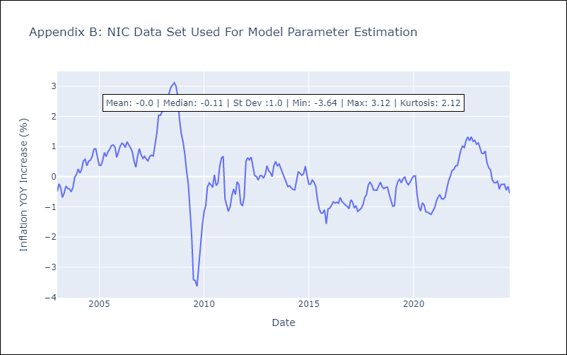

Appendix C: Residuals Analysis
Mean | -0.0

Normal? | No

PAN
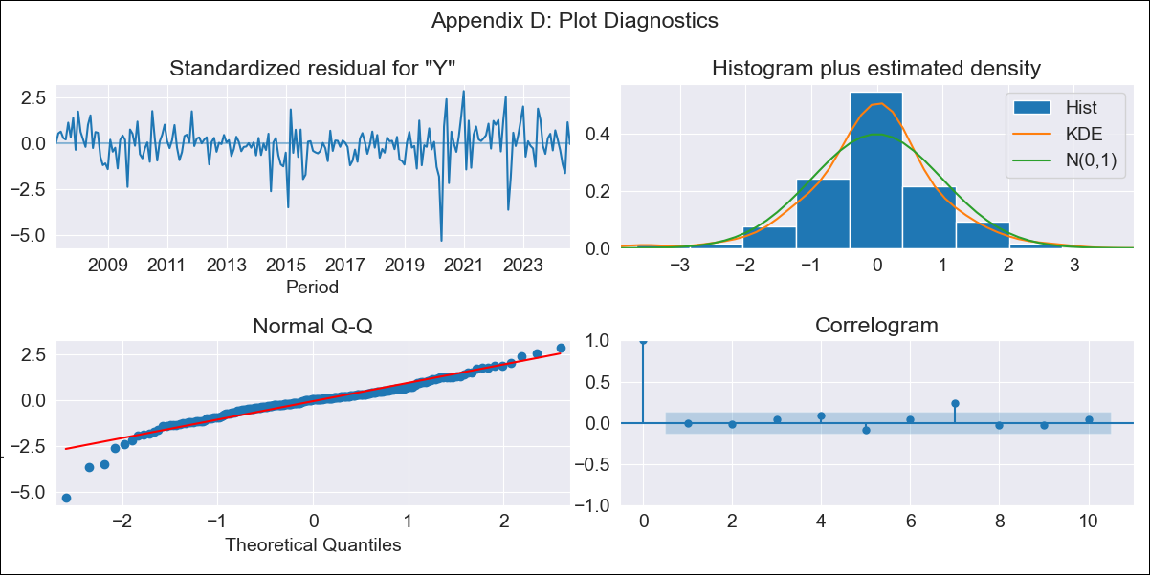
PAN - Inflation - Next 12 months forecast as of: 2024-08-01

Model | ARIMA - [(2, 1, 1), (2, 0, 1, 12)]
Training Data | 2005-01-01 to 2023-09-01
Test Data | 2023-09-01 to 2024-08-01

Date | Inflation Change YoY % | Lower Bound - 95% Confidence Interval | Upper Bound - 95% Confidence Interval
2024-09-01 | 0.3 | -0.36 | 1.07
2024-10-01 | 0.5 | -0.55 | 1.8
2024-11-01 | 0.51 | -0.81 | 2.23
2024-12-01 | 0.32 | -1.16 | 2.33
2025-01-01 | 0.41 | -1.27 | 2.76
2025-02-01 | 0.31 | -1.49 | 2.92
2025-03-01 | 0.31 | -1.62 | 3.18
2025-04-01 | 0.47 | -1.64 | 3.64
2025-05-01 | 0.93 | -1.45 | 4.5
2025-06-01 | 1.74 | -1.06 | 5.81
2025-07-01 | 1.29 | -1.44 | 5.45
2025-08-01 | 1.06 | -1.69 | 5.35
2025-09-01 | 1.04 | -1.71 | 5.37
2025-10-01 | 1.03 | -1.73 | 5.36
2025-11-01 | 1.04 | -1.72 | 5.39
2025-12-01 | 1.1 | -1.69 | 5.48

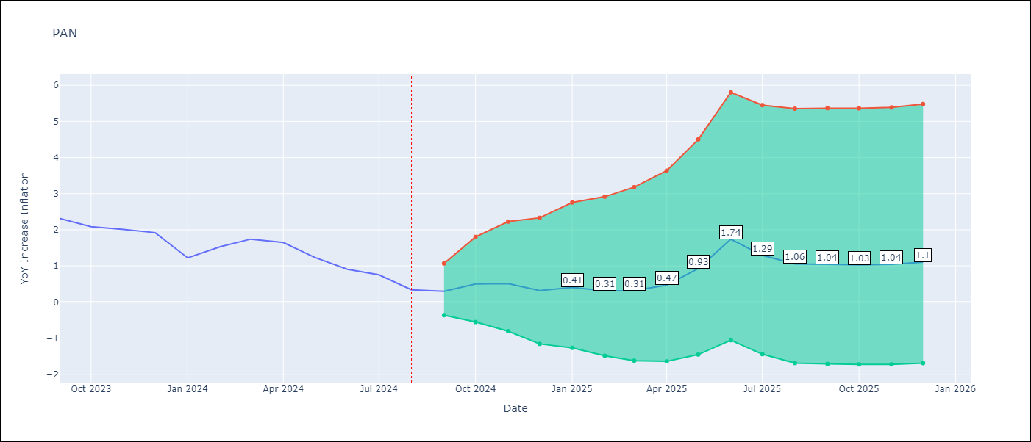

Test Metrics
RMSE | 0.65
Naive RMSE | 0.31
MAPE | 58.98%

Test Predictions
Date | Predicted | Actual
2023-09-01 | 2.4 | 2.31
2023-10-01 | 2.47 | 2.08
2023-11-01 | 2.36 | 2.01
2023-12-01 | 2.02 | 1.92
2024-01-01 | 1.48 | 1.22
2024-02-01 | 1.54 | 1.53
2024-03-01 | 1.64 | 1.74
2024-04-01 | 1.67 | 1.65
2024-05-01 | 1.82 | 1.23
2024-06-01 | 2.44 | 0.91
2024-07-01 | 1.85 | 0.75
2024-08-01 | 1.26 | 0.34

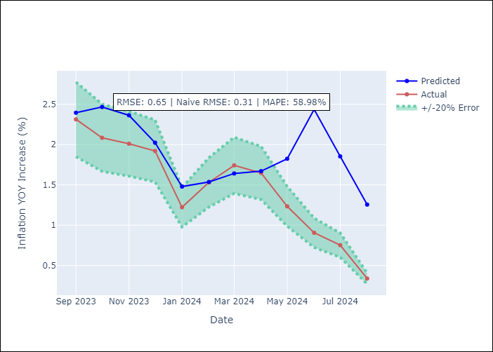

Appendix A: Model Summary
Model | ARIMA(2, 1, 1)x(2, 0, 1, 12)
Sample | 01-01-2005- 08-01-2024
No. of Observations | 236
Terms | P-value (Statistical significance)
ar.L1 | 0.003
ar.L2 | 0.004
ma.L1 | 0.000
ar.S.L12 | 0.104
ar.S.L24 | 0.066
ma.S.L12 | 0.000
sigma2 | 0.000
Assumptions | P-value

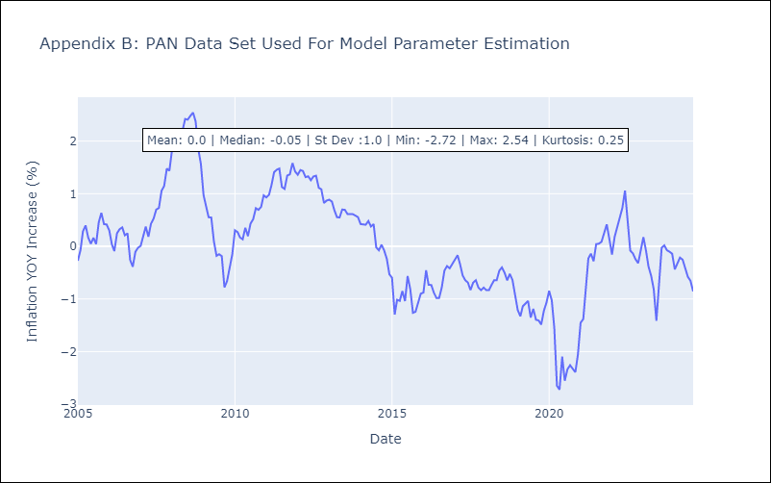

Appendix C: Residuals Analysis
Mean | -0.01

Normal? | No

SLV
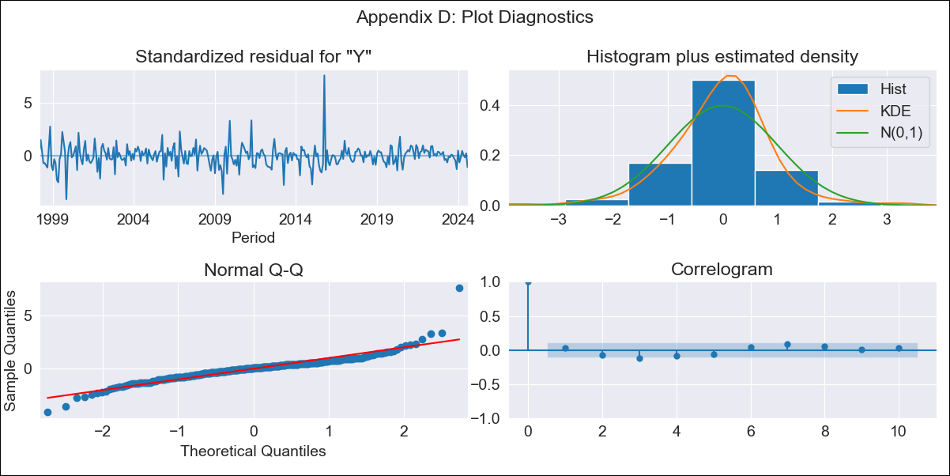
SLV - Inflation - Next 12 months forecast as of: 2024-08-01

Model | ARIMA - [(1, 1, 0), (2, 0, 1, 12)]
Training Data | 1996-01-01 to 2023-09-01
Test Data | 2023-09-01 to 2024-08-01

Date | Inflation Change YoY % | Lower Bound - 95% Confidence Interval | Upper Bound - 95% Confidence Interval
2024-09-01 | 1.04 | 0.08 | 2.25
2024-10-01 | 1.09 | -0.35 | 3.18
2024-11-01 | 1.29 | -0.55 | 4.2
2024-12-01 | 1.77 | -0.55 | 5.59
2025-01-01 | 1.77 | -0.77 | 6.24
2025-02-01 | 2.03 | -0.83 | 7.24
2025-03-01 | 2.23 | -0.91 | 8.13
2025-04-01 | 2.15 | -1.1 | 8.55
2025-05-01 | 2.22 | -1.21 | 9.19
2025-06-01 | 2.35 | -1.28 | 9.92
2025-07-01 | 2.32 | -1.42 | 10.35
2025-08-01 | 2.77 | -1.35 | 11.62
2025-09-01 | 2.9 | -1.34 | 11.99
2025-10-01 | 2.99 | -1.33 | 12.25
2025-11-01 | 3.09 | -1.31 | 12.51
2025-12-01 | 3.24 | -1.27 | 12.86

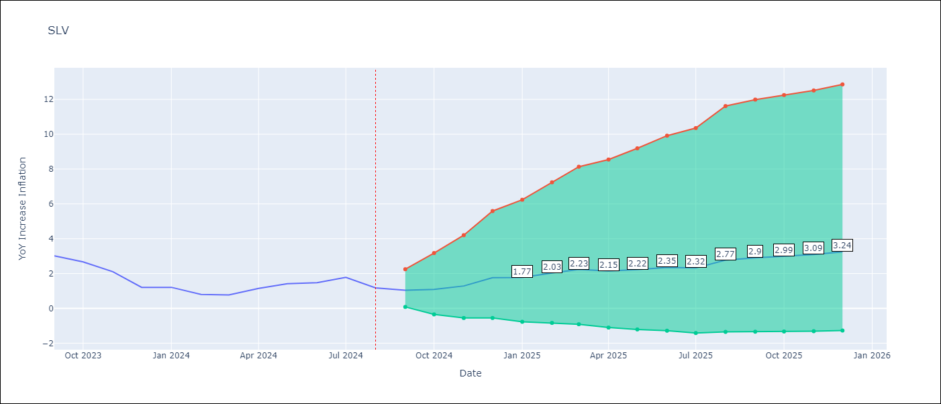

Test Metrics
RMSE | 1.27
Naive RMSE | 0.42
MAPE | 98.07%

Test Predictions
Date | Predicted | Actual
2023-09-01 | 2.97 | 3.02
2023-10-01 | 2.76 | 2.67
2023-11-01 | 2.52 | 2.11
2023-12-01 | 2.46 | 1.21
2024-01-01 | 2.36 | 1.21
2024-02-01 | 2.24 | 0.8
2024-03-01 | 2.41 | 0.77
2024-04-01 | 2.61 | 1.15
2024-05-01 | 2.8 | 1.42
2024-06-01 | 2.93 | 1.48
2024-07-01 | 3.12 | 1.78
2024-08-01 | 3.1 | 1.17

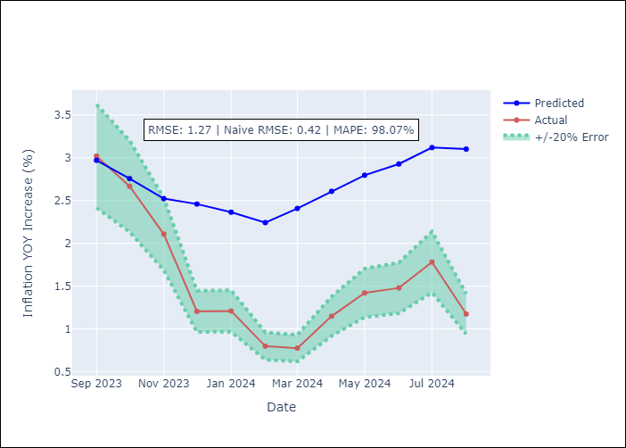

Appendix A: Model Summary
Model | ARIMA(1, 1, 0)x(2, 0, [1], 12)
Sample | 01-01-1996- 08-01-2024
No. of Observations | 344
Terms | P-value (Statistical significance)
ar.L1 | 0.000
ar.S.L12 | 0.057
ar.S.L24 | 0.001
ma.S.L12 | 0.000
sigma2 | 0.000
Assumptions | P-value

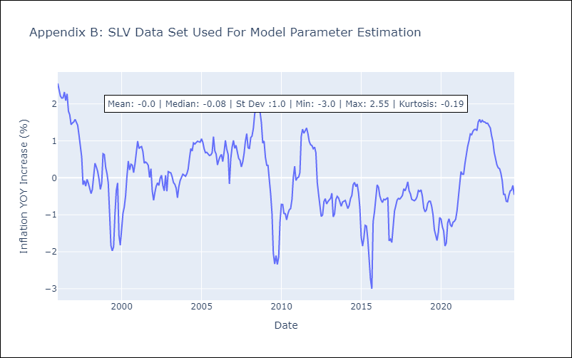

Appendix C: Residuals Analysis
Mean | -0.0

Normal? | No

