ATG
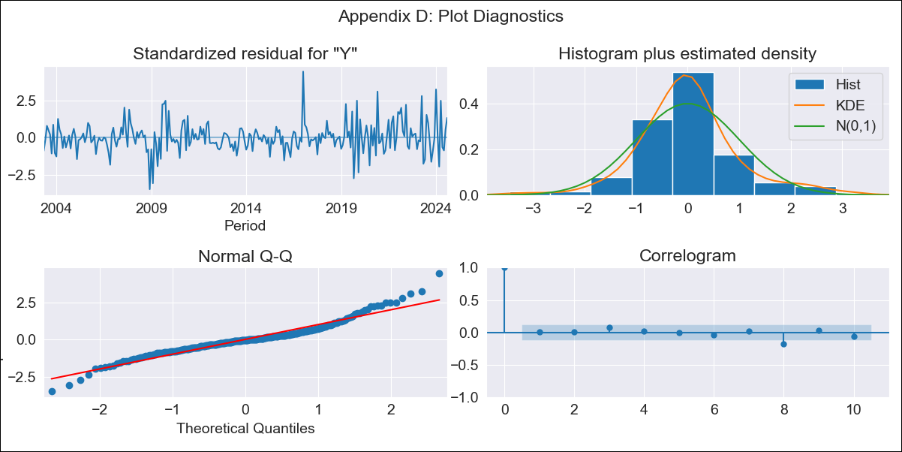
ATG - Inflation - Next 12 months forecast as of: 2024-08-01

Model | ARIMA - [(2, 2, 1), (0, 0, 1, 12)]
Training Data | 2002-01-01 to 2023-09-01
Test Data | 2023-09-01 to 2024-08-01

Date | Inflation Change YoY % | Lower Bound - 95% Confidence Interval | Upper Bound - 95% Confidence Interval
2024-09-01 | 7.24 | 5.05 | 9.72
2024-10-01 | 8.5 | 5.43 | 12.08
2024-11-01 | 9.15 | 5.45 | 13.55
2024-12-01 | 9.11 | 4.95 | 14.18
2025-01-01 | 6.65 | 2.69 | 11.79
2025-02-01 | 6.89 | 2.55 | 12.63
2025-03-01 | 8.58 | 3.45 | 15.32
2025-04-01 | 6.54 | 1.77 | 13.21
2025-05-01 | 7.21 | 1.97 | 14.58
2025-06-01 | 7.98 | 2.22 | 16.1
2025-07-01 | 7.5 | 1.69 | 15.94
2025-08-01 | 6.58 | 0.96 | 15.16
2025-09-01 | 6.78 | 1.04 | 15.49
2025-10-01 | 6.87 | 1.06 | 15.7
2025-11-01 | 6.9 | 1.04 | 15.85
2025-12-01 | 6.95 | 1.03 | 16.01

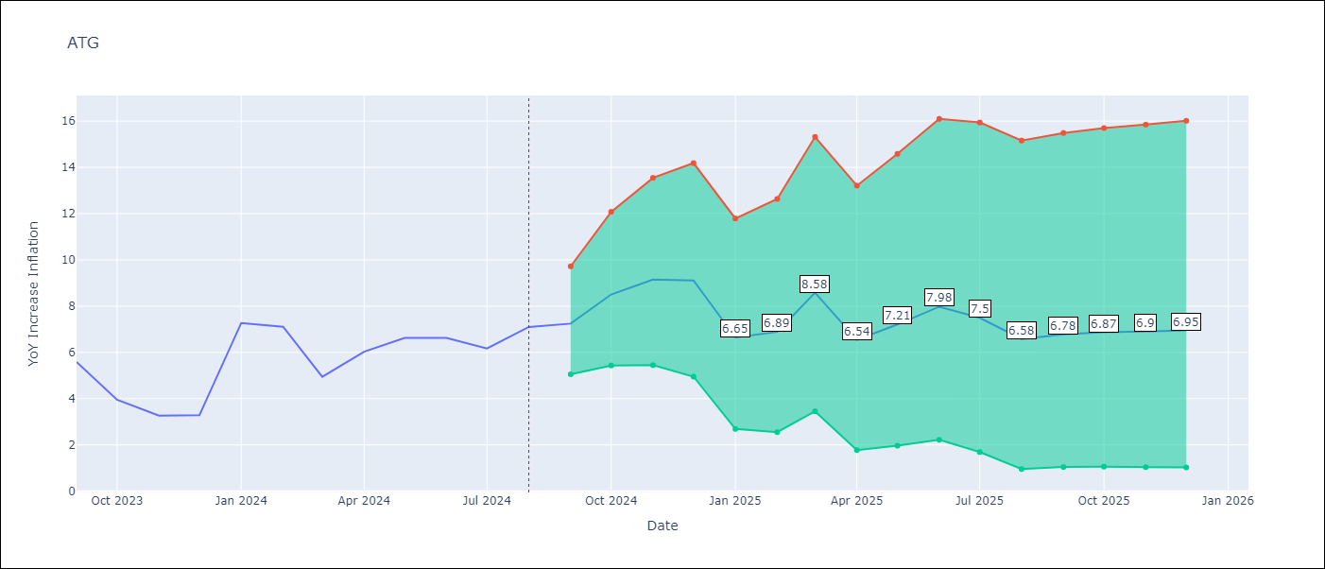

Test Metrics
RMSE | 1.53
Naive RMSE | 1.51
MAPE | 28.52%

Test Predictions
Date | Predicted | Actual
2023-09-01 | 5.92 | 5.59
2023-10-01 | 5.9 | 3.95
2023-11-01 | 5.82 | 3.27
2023-12-01 | 5.63 | 3.28
2024-01-01 | 6.2 | 7.27
2024-02-01 | 6.27 | 7.11
2024-03-01 | 6.4 | 4.94
2024-04-01 | 4.41 | 6.03
2024-05-01 | 5.88 | 6.62
2024-06-01 | 6.89 | 6.63
2024-07-01 | 5.57 | 6.17
2024-08-01 | 4.99 | 7.1

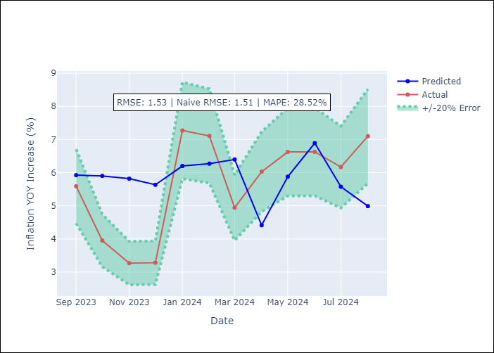

Appendix A: Model Summary
Model | ARIMA(2, 2, 1)x(0, 0, 1, 12)
Sample | 01-01-2002- 08-01-2024
No. of Observations | 272
Terms | P-value (Statistical significance)
ar.L1 | 0.027
ar.L2 | 0.200
ma.L1 | 0.000
ma.S.L12 | 0.000
sigma2 | 0.000
Assumptions | P-value

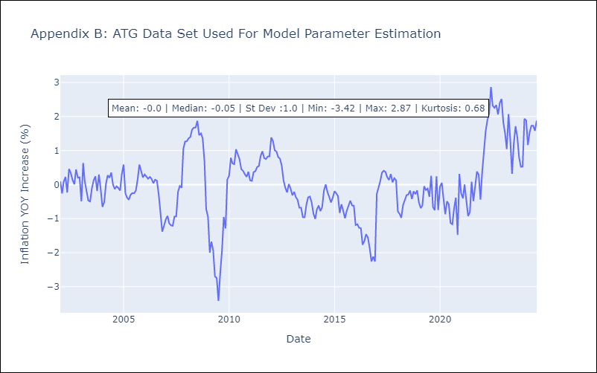

Appendix C: Residuals Analysis
Mean | 0.0

Normal? | No

BHS
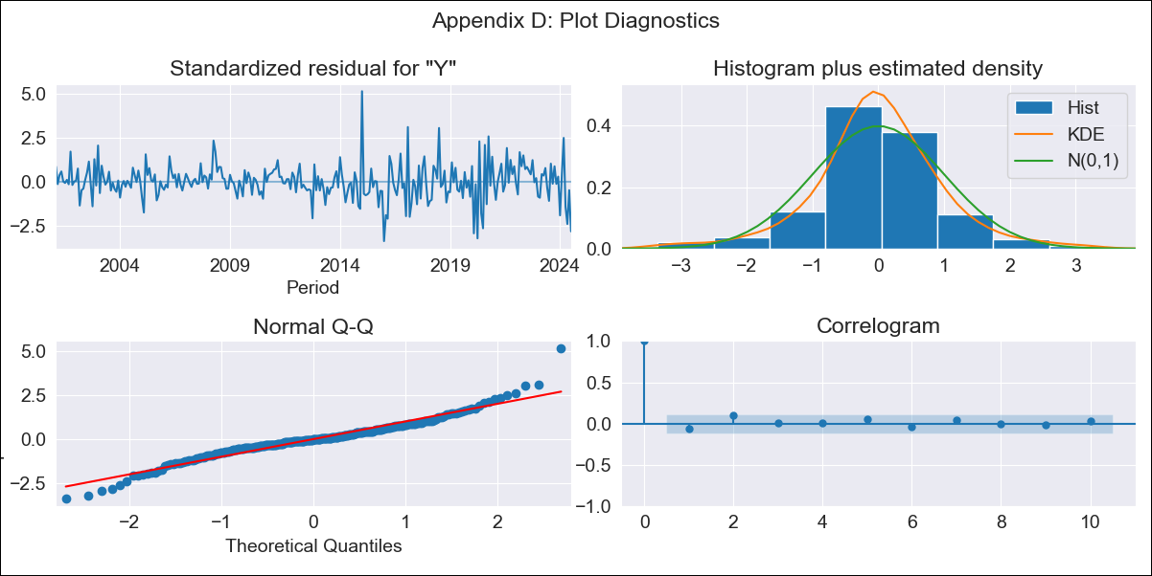
BHS - Inflation - Next 12 months forecast as of: 2024-07-01

Model | ARIMA - [(1, 0, 0), (3, 0, 1, 12)]
Training Data | 1998-01-01 to 2023-08-01
Test Data | 2023-08-01 to 2024-07-01

Date | Inflation Change YoY % | Lower Bound - 95% Confidence Interval | Upper Bound - 95% Confidence Interval
2024-08-01 | -0.65 | -1.21 | -0.02
2024-09-01 | -0.61 | -1.37 | 0.32
2024-10-01 | -0.68 | -1.58 | 0.44
2024-11-01 | -0.61 | -1.63 | 0.72
2024-12-01 | -0.57 | -1.69 | 0.93
2025-01-01 | -0.05 | -1.36 | 1.86
2025-02-01 | -0.11 | -1.47 | 1.91
2025-03-01 | -0.64 | -1.95 | 1.2
2025-04-01 | -0.29 | -1.72 | 1.86
2025-05-01 | 0.37 | -1.3 | 2.95
2025-06-01 | 0.51 | -1.25 | 3.25
2025-07-01 | 1.38 | -0.74 | 4.54
2025-08-01 | 1.47 | -0.69 | 4.67
2025-09-01 | 1.47 | -0.69 | 4.66
2025-10-01 | 1.5 | -0.67 | 4.7
2025-11-01 | 1.55 | -0.64 | 4.77

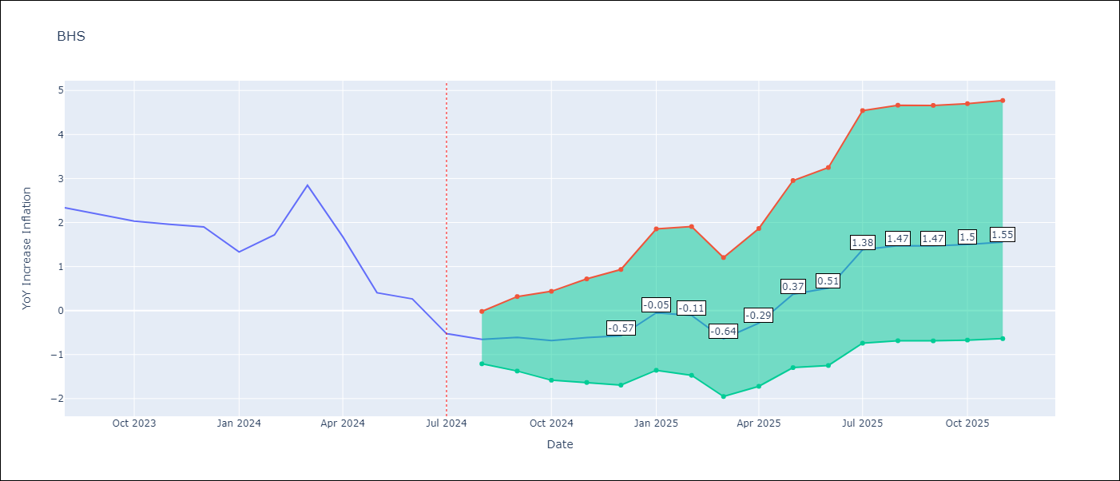

Test Metrics
RMSE | 0.88
Naive RMSE | 0.67
MAPE | 86.84%

Test Predictions
Date | Predicted | Actual
2023-08-01 | 1.77 | 2.34
2023-09-01 | 1.72 | 2.19
2023-10-01 | 1.11 | 2.03
2023-11-01 | 1.15 | 1.96
2023-12-01 | 0.99 | 1.9
2024-01-01 | 1.4 | 1.33
2024-02-01 | 1.67 | 1.72
2024-03-01 | 1.49 | 2.85
2024-04-01 | 1.2 | 1.68
2024-05-01 | 0.96 | 0.4
2024-06-01 | 1.04 | 0.26
2024-07-01 | 1.3 | -0.52

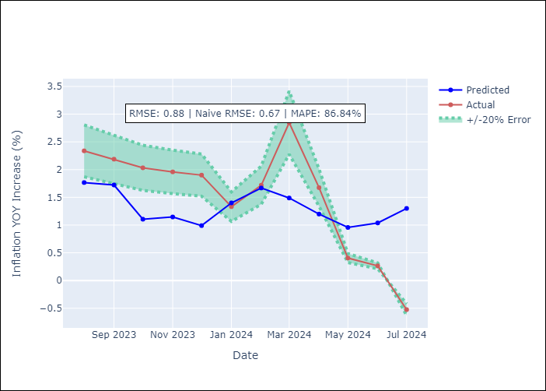

Appendix A: Model Summary
Model | ARIMA(1, 0, 0)x(3, 0, [1], 12)
Sample | 01-01-1998- 07-01-2024
No. of Observations | 319
Terms | P-value (Statistical significance)
const | 0.904
ar.L1 | 0.000
ar.S.L12 | 0.464
ar.S.L24 | 0.138
ar.S.L36 | 0.042
ma.S.L12 | 0.000
sigma2 | 0.000
Assumptions | P-value

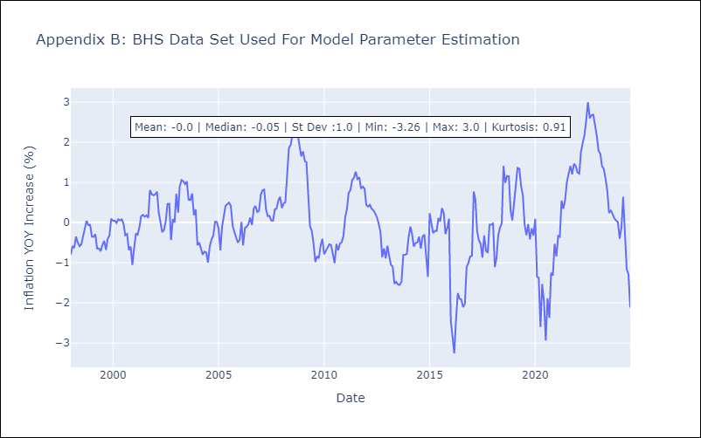

Appendix C: Residuals Analysis
Mean | 0.0

Normal? | No

BLZ
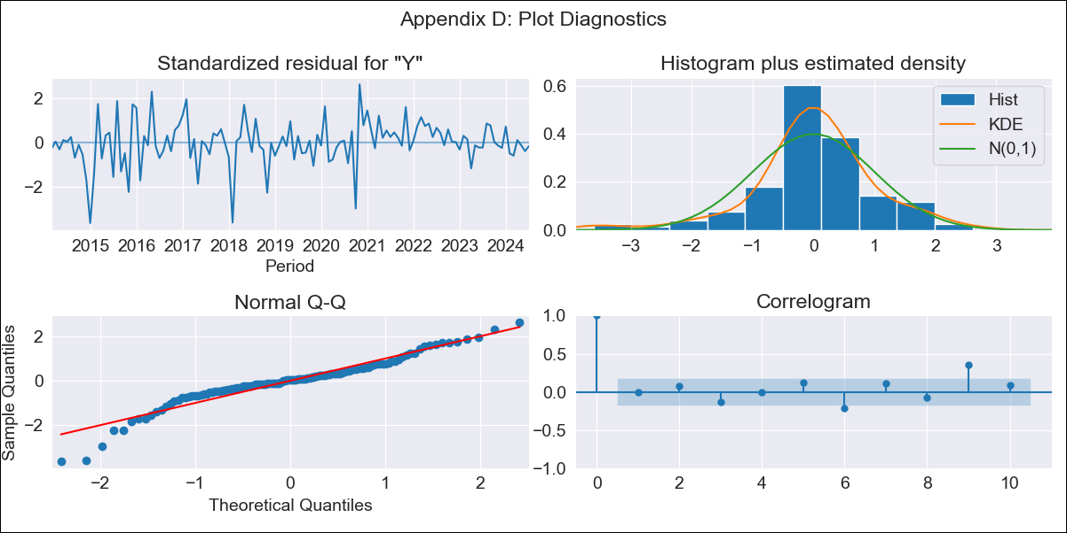
BLZ - Inflation - Next 12 months forecast as of: 2024-07-01

Model | ARIMA - [(2, 0, 0), (1, 0, 0, 12)]
Training Data | 2013-01-01 to 2023-08-01
Test Data | 2023-08-01 to 2024-07-01

Date | Inflation Change YoY % | Lower Bound - 95% Confidence Interval | Upper Bound - 95% Confidence Interval
2024-08-01 | 3.34 | 1.89 | 5.31
2024-09-01 | 2.92 | 1.07 | 5.88
2024-10-01 | 2.81 | 0.68 | 6.62
2024-11-01 | 2.8 | 0.45 | 7.39
2024-12-01 | 2.93 | 0.34 | 8.38
2025-01-01 | 2.64 | 0.09 | 8.45
2025-02-01 | 2.77 | 0.03 | 9.34
2025-03-01 | 2.92 | -0.01 | 10.26
2025-04-01 | 2.65 | -0.18 | 10.16
2025-05-01 | 2.54 | -0.27 | 10.4
2025-06-01 | 2.6 | -0.31 | 11.02
2025-07-01 | 2.56 | -0.37 | 11.36
2025-08-01 | 2.69 | -0.35 | 11.77
2025-09-01 | 2.83 | -0.31 | 12.21
2025-10-01 | 2.84 | -0.31 | 12.29
2025-11-01 | 2.8 | -0.33 | 12.23

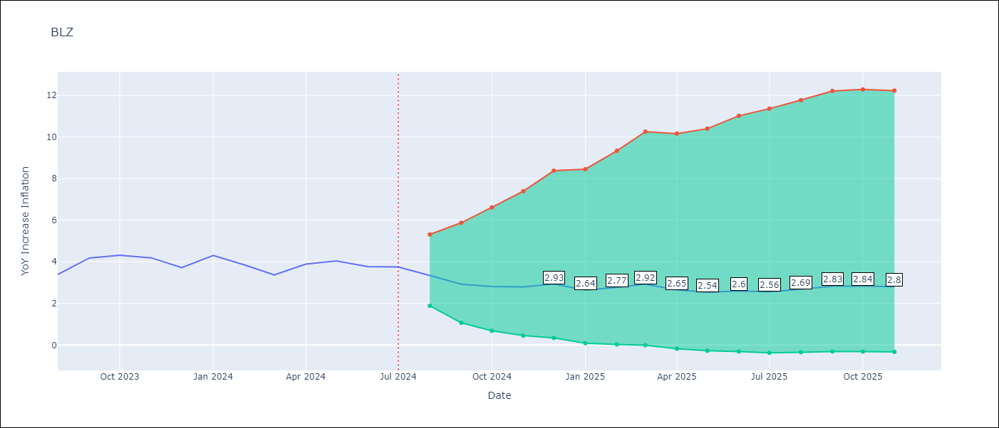

Test Metrics
RMSE | 1.19
Naive RMSE | 0.44
MAPE | 27.45%

Test Predictions
Date | Predicted | Actual
2023-08-01 | 2.68 | 3.39
2023-09-01 | 2.66 | 4.18
2023-10-01 | 2.66 | 4.31
2023-11-01 | 2.68 | 4.19
2023-12-01 | 2.52 | 3.72
2024-01-01 | 2.48 | 4.31
2024-02-01 | 2.45 | 3.84
2024-03-01 | 2.55 | 3.37
2024-04-01 | 2.99 | 3.89
2024-05-01 | 3.22 | 4.04
2024-06-01 | 3.32 | 3.77
2024-07-01 | 3.49 | 3.75

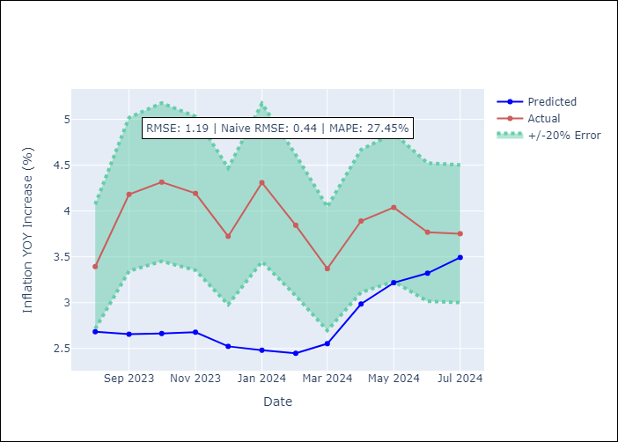

Appendix A: Model Summary
Model | ARIMA(2, 0, 0)x(1, 0, 0, 12)
Sample | 01-01-2013- 07-01-2024
No. of Observations | 139
Terms | P-value (Statistical significance)
const | 0.823
ar.L1 | 0.000
ar.L2 | 0.079
ar.S.L12 | 0.000
sigma2 | 0.000
Assumptions | P-value

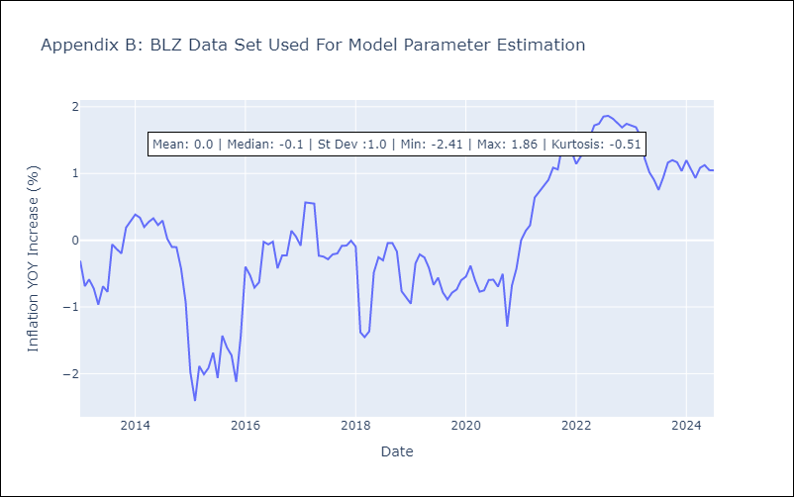

Appendix C: Residuals Analysis
Mean | -0.0

Normal? | No

BRB
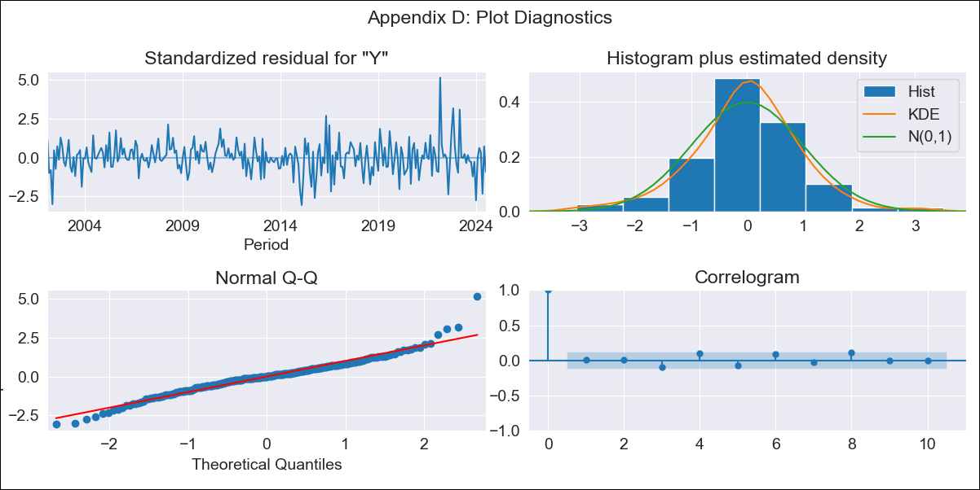
BRB - Inflation - Next 12 months forecast as of: 2024-07-01

Model | ARIMA - [(3, 0, 0), (0, 0, 1, 12)]
Training Data | 2001-01-01 to 2023-08-01
Test Data | 2023-08-01 to 2024-07-01

Date | Inflation Change YoY % | Lower Bound - 95% Confidence Interval | Upper Bound - 95% Confidence Interval
2024-08-01 | -1.05 | -1.86 | -0.12
2024-09-01 | -0.94 | -2.15 | 0.58
2024-10-01 | -0.75 | -2.33 | 1.46
2024-11-01 | -0.21 | -2.18 | 2.87
2024-12-01 | 0.09 | -2.2 | 3.86
2025-01-01 | 1.57 | -1.5 | 6.49
2025-02-01 | 1.97 | -1.46 | 7.5
2025-03-01 | 2.01 | -1.6 | 7.96
2025-04-01 | 1.94 | -1.78 | 8.22
2025-05-01 | 3.27 | -1.21 | 10.38
2025-06-01 | 3.07 | -1.43 | 10.41
2025-07-01 | 3.8 | -1.16 | 11.68
2025-08-01 | 3.89 | -1.13 | 11.82
2025-09-01 | 4.02 | -1.07 | 11.99
2025-10-01 | 4.05 | -1.05 | 12.03
2025-11-01 | 4.07 | -1.04 | 12.06

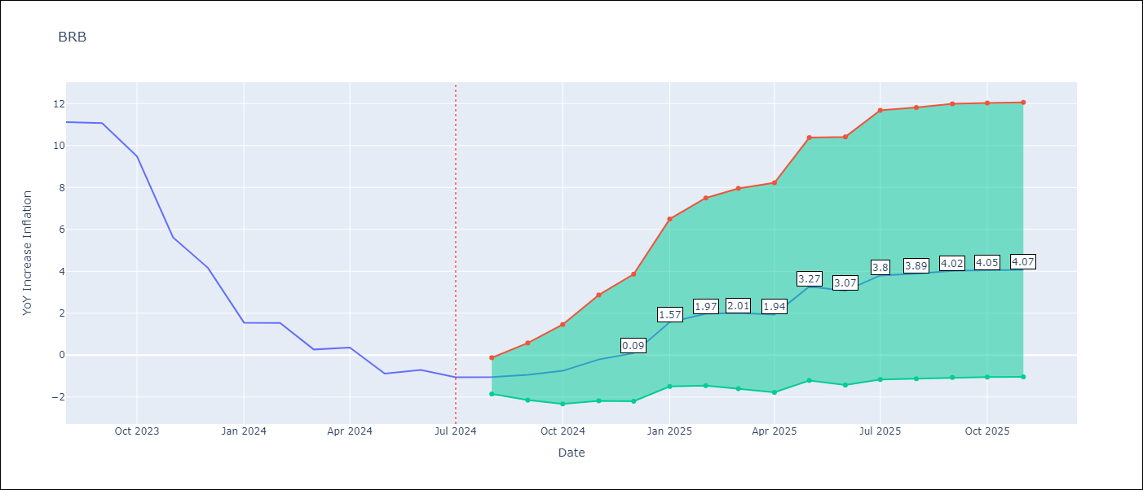

Test Metrics
RMSE | 4.44
Naive RMSE | 1.65
MAPE | 521.11%

Test Predictions
Date | Predicted | Actual
2023-08-01 | 10.69 | 11.12
2023-09-01 | 11.95 | 11.07
2023-10-01 | 9.69 | 9.49
2023-11-01 | 8.37 | 5.62
2023-12-01 | 7.62 | 4.16
2024-01-01 | 6.64 | 1.55
2024-02-01 | 6.86 | 1.53
2024-03-01 | 5.53 | 0.27
2024-04-01 | 5.19 | 0.36
2024-05-01 | 5.12 | -0.88
2024-06-01 | 5.3 | -0.7
2024-07-01 | 5.15 | -1.06

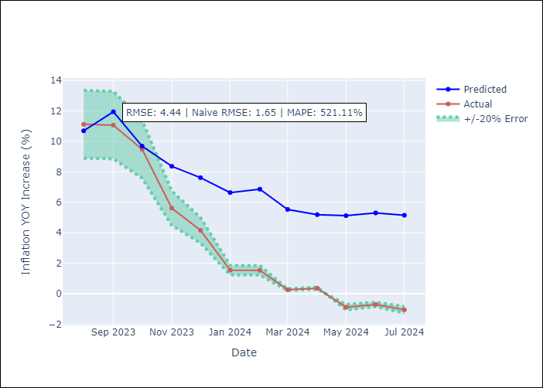

Appendix A: Model Summary
Model | ARIMA(3, 0, 0)x(0, 0, [1], 12)
Sample | 01-01-2001- 07-01-2024
No. of Observations | 283
Terms | P-value (Statistical significance)
const | 0.723
ar.L1 | 0.000
ar.L2 | 0.965
ar.L3 | 0.023
ma.S.L12 | 0.000
sigma2 | 0.000
Assumptions | P-value

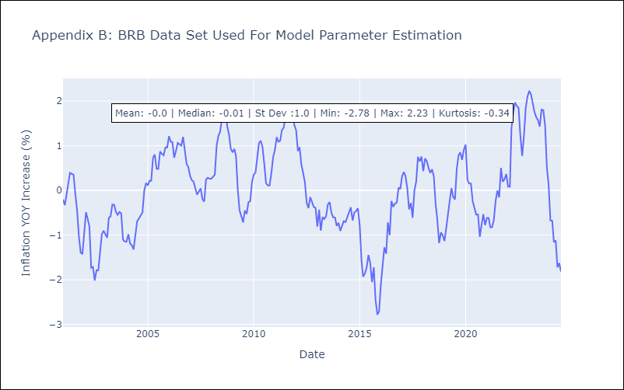

Appendix C: Residuals Analysis
Mean | -0.0

Normal? | No

DMA
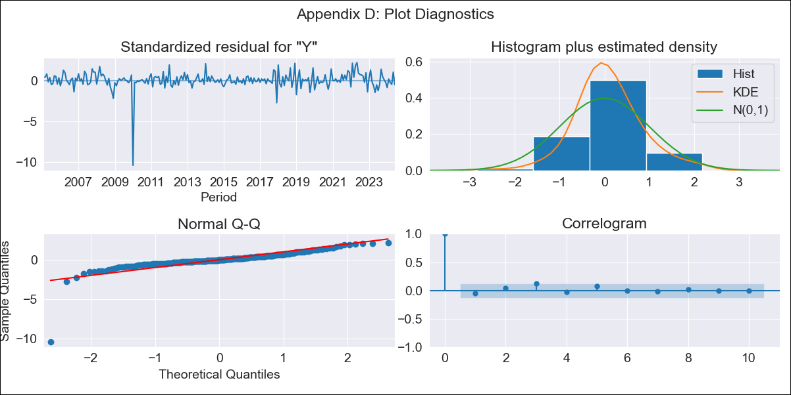
DMA - Inflation - Next 12 months forecast as of: 2024-06-01

Model | ARIMA - [(0, 1, 0), (3, 0, 0, 12)]
Training Data | 2002-01-01 to 2023-07-01
Test Data | 2023-07-01 to 2024-06-01

Date | Inflation Change YoY % | Lower Bound - 95% Confidence Interval | Upper Bound - 95% Confidence Interval
2024-07-01 | 3.45 | 1.63 | 5.07
2024-08-01 | 3.86 | 1.29 | 6.08
2024-09-01 | 3.01 | -0.66 | 5.81
2024-10-01 | 2.73 | -2.01 | 5.98
2024-11-01 | 2.74 | -2.84 | 6.34
2024-12-01 | 2.89 | -3.33 | 6.77
2025-01-01 | 3.54 | -2.65 | 7.6
2025-02-01 | 3.56 | -3.28 | 7.88
2025-03-01 | 3.73 | -3.56 | 8.26
2025-04-01 | 4.04 | -3.45 | 8.75
2025-05-01 | 3.43 | -5.56 | 8.45
2025-06-01 | 3.76 | -5.35 | 8.93
2025-07-01 | 3.84 | -5.21 | 9.01
2025-08-01 | 3.77 | -5.43 | 8.97
2025-09-01 | 3.94 | -5.04 | 9.13
2025-10-01 | 4.08 | -4.74 | 9.26

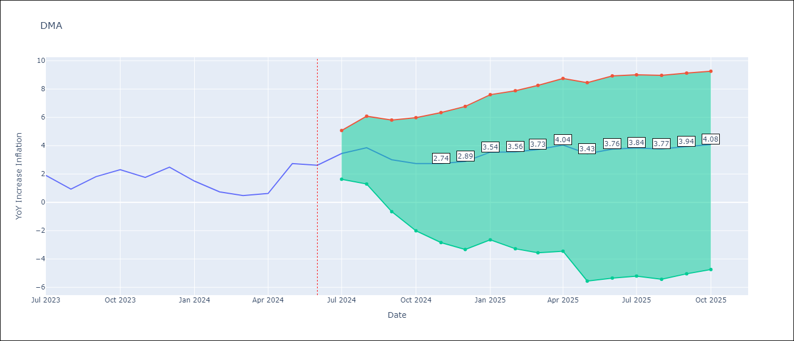

Test Metrics
RMSE | 0.94
Naive RMSE | 0.98
MAPE | 81.66%

Test Predictions
Date | Predicted | Actual
2023-07-01 | 3.07 | 1.9
2023-08-01 | 2.65 | 0.93
2023-09-01 | 2.17 | 1.81
2023-10-01 | 2.22 | 2.3
2023-11-01 | 1.59 | 1.76
2023-12-01 | 2.55 | 2.49
2024-01-01 | 2.43 | 1.5
2024-02-01 | 1.55 | 0.74
2024-03-01 | 1.59 | 0.48
2024-04-01 | 2.17 | 0.63
2024-05-01 | 3.15 | 2.74
2024-06-01 | 3.5 | 2.62

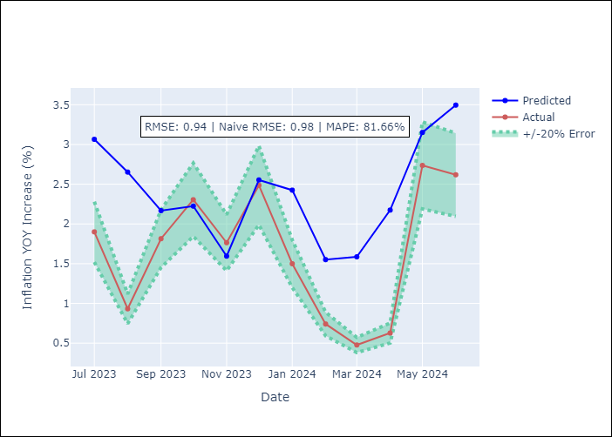

Appendix A: Model Summary
Model | ARIMA(0, 1, 0)x(3, 0, 0, 12)
Sample | 01-01-2002- 06-01-2024
No. of Observations | 270
Terms | P-value (Statistical significance)
ar.S.L12 | 0.000
ar.S.L24 | 0.000
ar.S.L36 | 0.000
sigma2 | 0.000
Assumptions | P-value

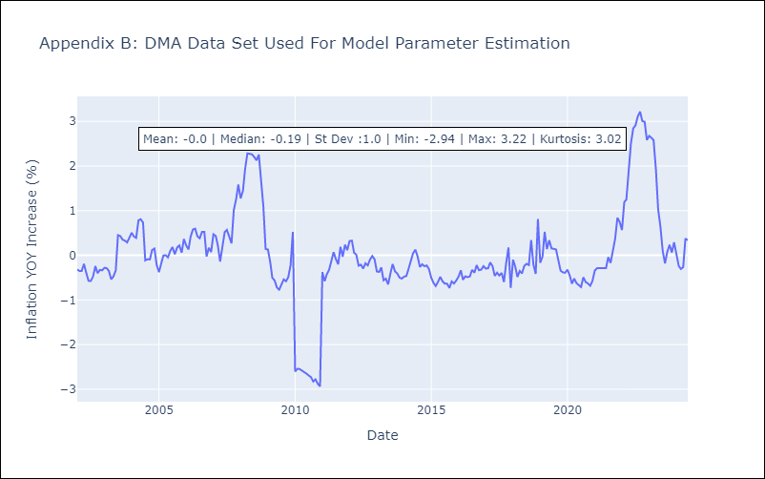

Appendix C: Residuals Analysis
Mean | 0.01

Normal? | No

GRD
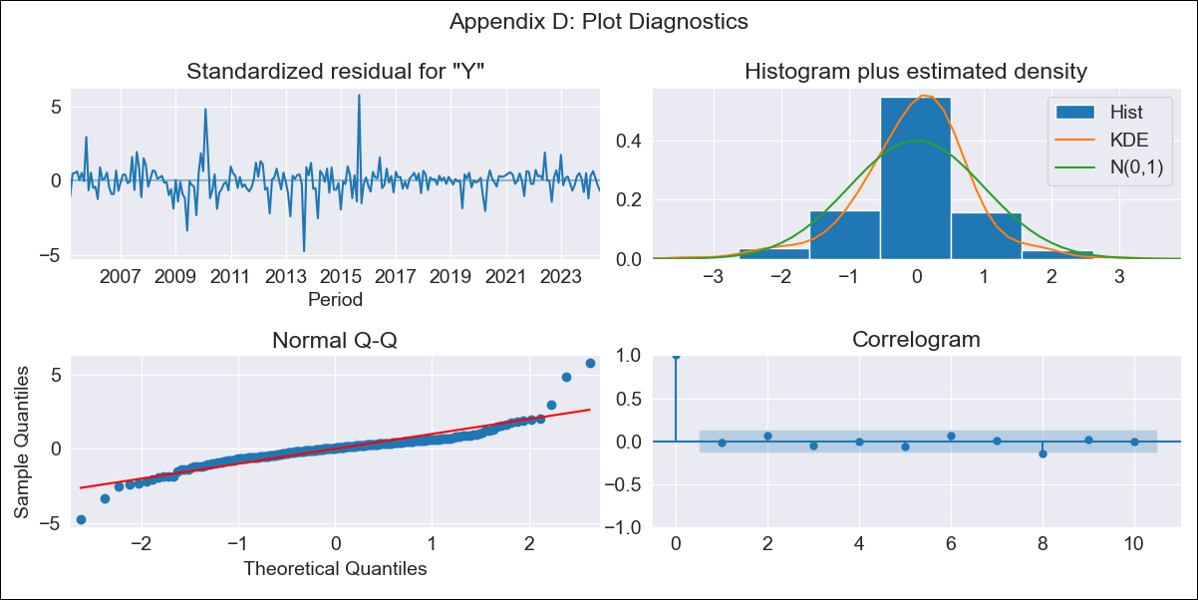
GRD - Inflation - Next 12 months forecast as of: 2024-06-01

Model | ARIMA - [(1, 1, 1), (3, 0, 0, 12)]
Training Data | 2002-01-01 to 2023-07-01
Test Data | 2023-07-01 to 2024-06-01

Date | Inflation Change YoY % | Lower Bound - 95% Confidence Interval | Upper Bound - 95% Confidence Interval
2024-07-01 | 1.32 | 0.33 | 2.42
2024-08-01 | 1.24 | -0.28 | 3.03
2024-09-01 | 1 | -0.88 | 3.37
2024-10-01 | 0.96 | -1.25 | 3.88
2024-11-01 | 1.2 | -1.37 | 4.68
2024-12-01 | 1.08 | -1.72 | 5
2025-01-01 | 1.3 | -1.8 | 5.71
2025-02-01 | 1.33 | -1.99 | 6.16
2025-03-01 | 1.21 | -2.27 | 6.39
2025-04-01 | 1.24 | -2.43 | 6.79
2025-05-01 | 1.36 | -2.52 | 7.3
2025-06-01 | 1.83 | -2.4 | 8.24
2025-07-01 | 1.97 | -2.37 | 8.55
2025-08-01 | 2.03 | -2.37 | 8.71
2025-09-01 | 1.91 | -2.47 | 8.63
2025-10-01 | 1.87 | -2.53 | 8.64

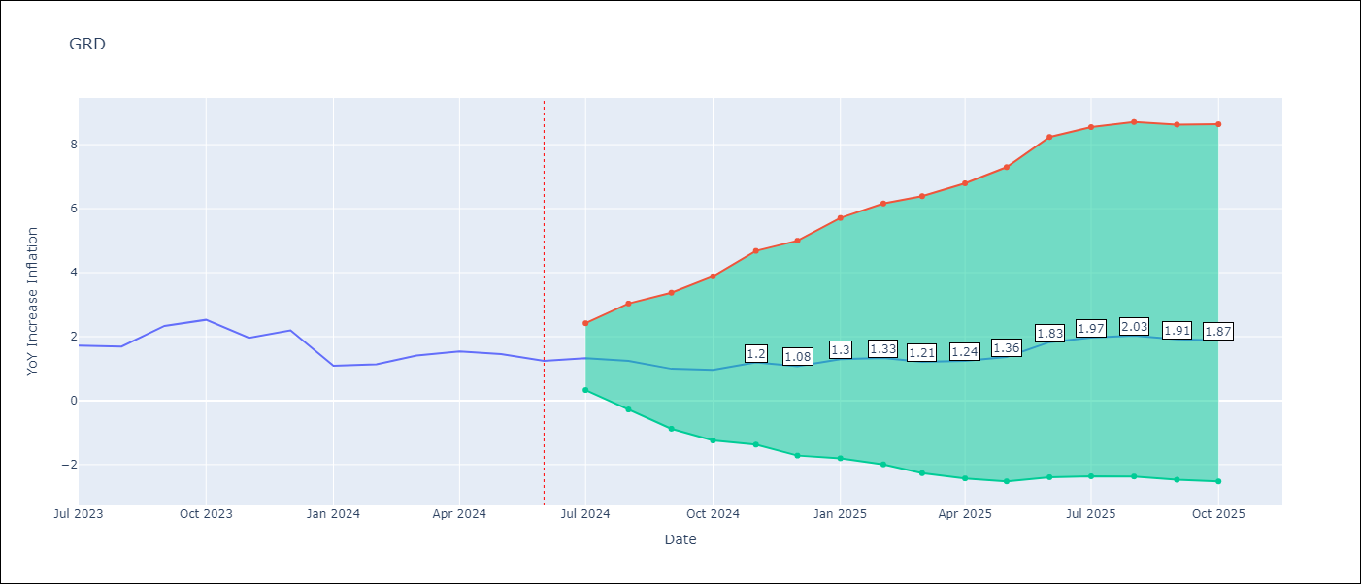

Test Metrics
RMSE | 0.25
Naive RMSE | 0.45
MAPE | 13.27%

Test Predictions
Date | Predicted | Actual
2023-07-01 | 1.88 | 1.72
2023-08-01 | 1.73 | 1.69
2023-09-01 | 2.05 | 2.33
2023-10-01 | 2.06 | 2.53
2023-11-01 | 1.87 | 1.97
2023-12-01 | 1.89 | 2.2
2024-01-01 | 1.41 | 1.09
2024-02-01 | 1.42 | 1.14
2024-03-01 | 1.38 | 1.41
2024-04-01 | 1.33 | 1.54
2024-05-01 | 1.34 | 1.45
2024-06-01 | 1.49 | 1.24

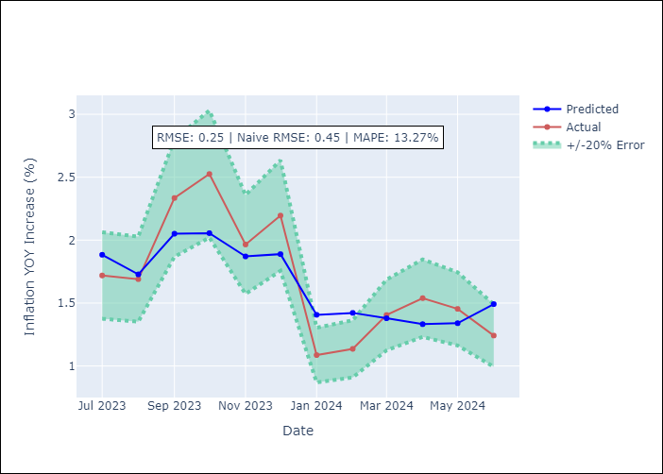

Appendix A: Model Summary
Model | ARIMA(1, 1, 1)x(3, 0, [], 12)
Sample | 01-01-2002- 06-01-2024
No. of Observations | 270
Terms | P-value (Statistical significance)
ar.L1 | 0.017
ma.L1 | 0.288
ar.S.L12 | 0.000
ar.S.L24 | 0.000
ar.S.L36 | 0.118
sigma2 | 0.000
Assumptions | P-value

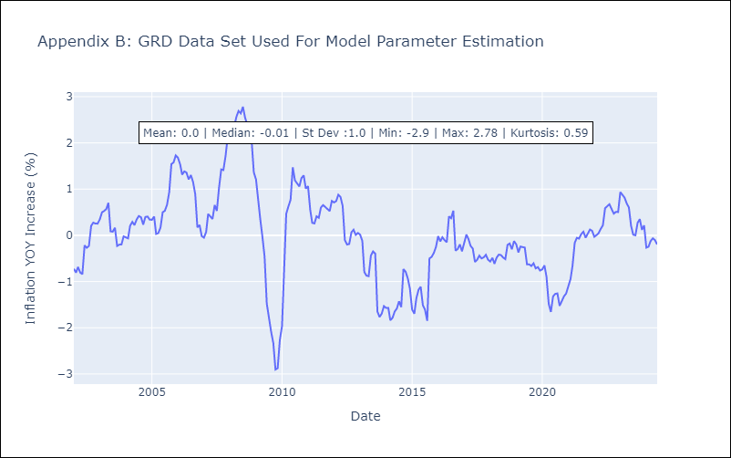

Appendix C: Residuals Analysis
Mean | -0.0

Normal? | No

GUY
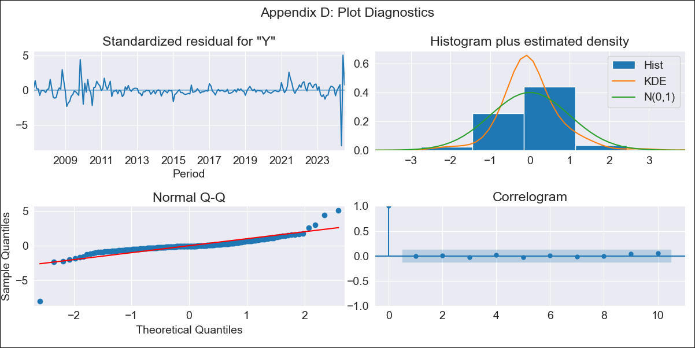
GUY - Inflation - Next 12 months forecast as of: 2024-07-01

Model | ARIMA - [(3, 0, 1), (1, 0, 0, 12)]
Training Data | 2006-01-01 to 2023-08-01
Test Data | 2023-08-01 to 2024-07-01

Date | Inflation Change YoY % | Lower Bound - 95% Confidence Interval | Upper Bound - 95% Confidence Interval
2024-08-01 | 2.62 | -0.34 | 5.25
2024-09-01 | 2.57 | -0.94 | 5.61
2024-10-01 | 2.43 | -1.48 | 5.73
2024-11-01 | 2.37 | -1.87 | 5.89
2024-12-01 | 2.4 | -2.09 | 6.09
2025-01-01 | 2.72 | -1.85 | 6.52
2025-02-01 | 2.66 | -2.09 | 6.57
2025-03-01 | 2.32 | -2.69 | 6.36
2025-04-01 | 1.93 | -3.35 | 6.07
2025-05-01 | 5.27 | 0.95 | 9.21
2025-06-01 | 1.85 | -3.64 | 6.11
2025-07-01 | 2.05 | -3.42 | 6.33
2025-08-01 | 2.29 | -3.09 | 6.55
2025-09-01 | 2.31 | -3.06 | 6.57
2025-10-01 | 2.36 | -3 | 6.61
2025-11-01 | 2.38 | -2.96 | 6.64

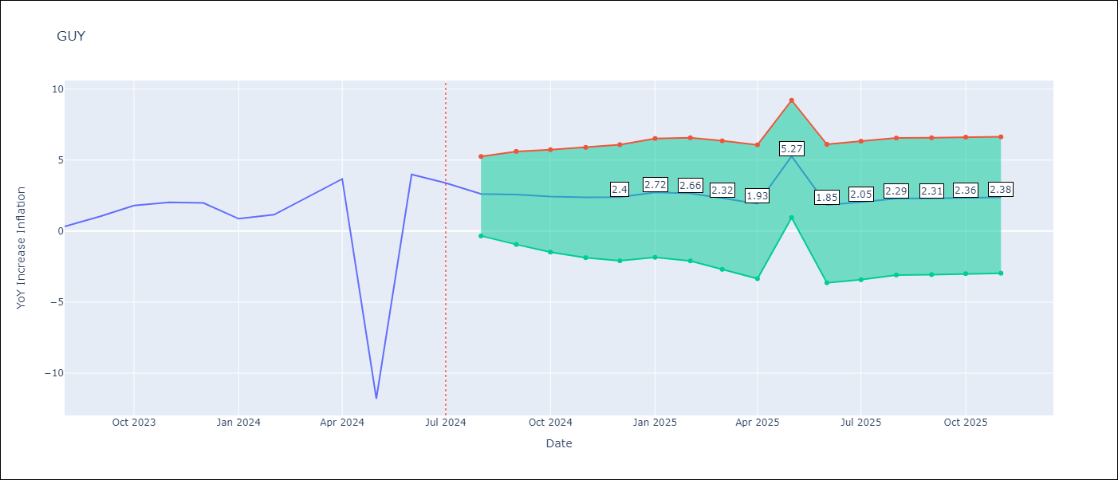

Test Metrics
RMSE | 4.16
Naive RMSE | 6.42
MAPE | 56.15%

Test Predictions
Date | Predicted | Actual
2023-08-01 | 1.13 | 0.33
2023-09-01 | 1.17 | 1.03
2023-10-01 | 1.18 | 1.8
2023-11-01 | 1 | 2.02
2023-12-01 | 0.87 | 1.98
2024-01-01 | 1.19 | 0.87
2024-02-01 | 1.11 | 1.15
2024-03-01 | 1.72 | 2.35
2024-04-01 | 2.22 | 3.67
2024-05-01 | 2.33 | -11.79
2024-06-01 | 2.67 | 3.99
2024-07-01 | 2.88 | 3.39

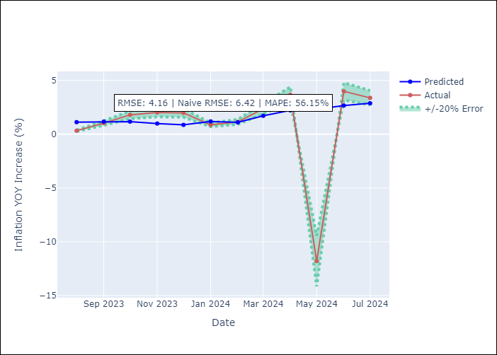

Appendix A: Model Summary
Model | ARIMA(3, 0, 1)x(1, 0, [], 12)
Sample | 01-01-2006- 07-01-2024
No. of Observations | 223
Terms | P-value (Statistical significance)
const | 0.750
ar.L1 | 0.149
ar.L2 | 0.984
ar.L3 | 0.737
ma.L1 | 0.654
ar.S.L12 | 0.000
sigma2 | 0.000
Assumptions | P-value

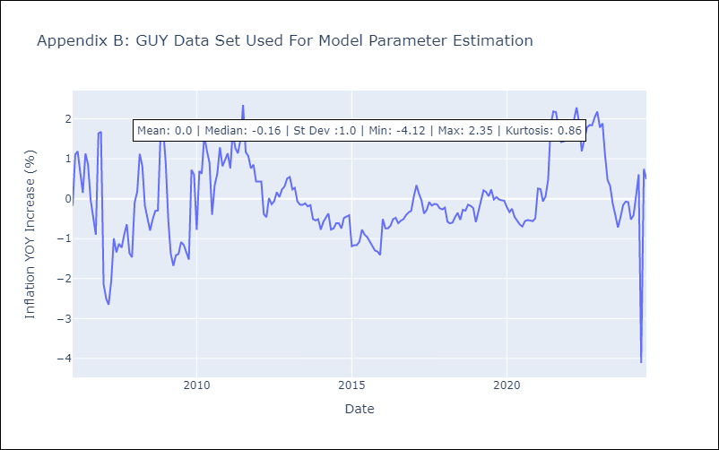

Appendix C: Residuals Analysis
Mean | -0.01

Normal? | No

JAM
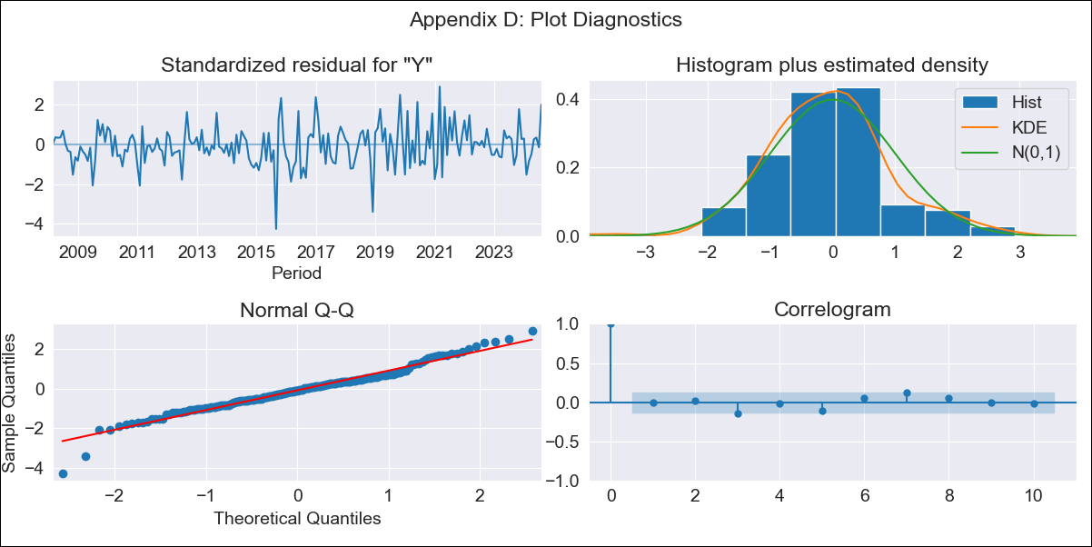
JAM - Inflation - Next 12 months forecast as of: 2024-08-01

Model | ARIMA - [(2, 1, 0), (0, 0, 2, 12)]
Training Data | 2006-01-01 to 2023-09-01
Test Data | 2023-09-01 to 2024-08-01

Date | Inflation Change YoY % | Lower Bound - 95% Confidence Interval | Upper Bound - 95% Confidence Interval
2024-09-01 | 7.16 | 5.6 | 9.13
2024-10-01 | 7.47 | 5.11 | 10.92
2024-11-01 | 6.76 | 4.14 | 10.97
2024-12-01 | 6.58 | 3.68 | 11.65
2025-01-01 | 6.47 | 3.34 | 12.36
2025-02-01 | 7.1 | 3.43 | 14.54
2025-03-01 | 7.67 | 3.49 | 16.76
2025-04-01 | 8.11 | 3.48 | 18.8
2025-05-01 | 7.98 | 3.23 | 19.56
2025-06-01 | 7.76 | 2.97 | 20.02
2025-07-01 | 7.74 | 2.81 | 20.97
2025-08-01 | 6.81 | 2.32 | 19.27
2025-09-01 | 6.76 | 2.26 | 19.43
2025-10-01 | 6.79 | 2.24 | 19.78
2025-11-01 | 6.62 | 2.15 | 19.5
2025-12-01 | 6.56 | 2.1 | 19.55

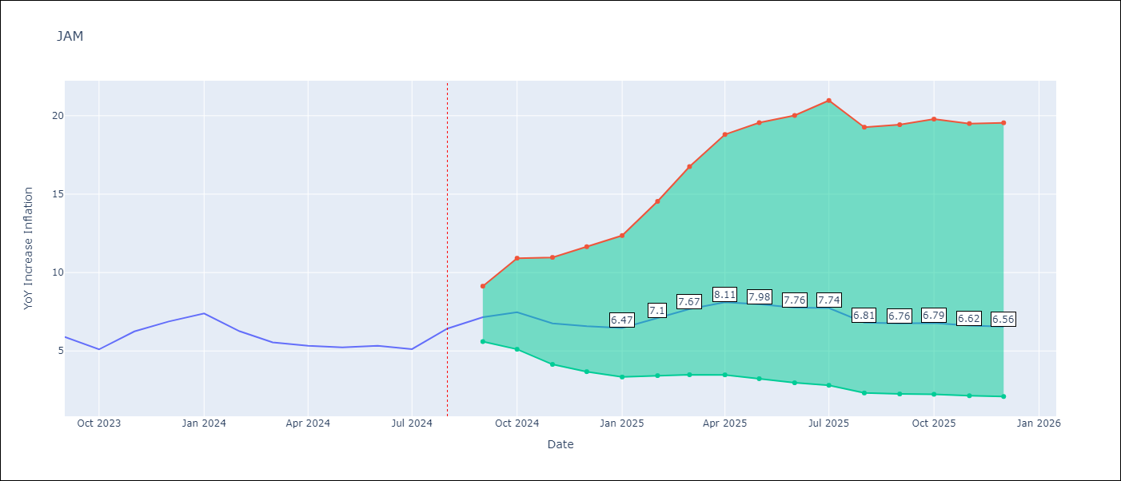

Test Metrics
RMSE | 1.17
Naive RMSE | 0.76
MAPE | 18.07%

Test Predictions
Date | Predicted | Actual
2023-09-01 | 6.72 | 5.9
2023-10-01 | 6.39 | 5.1
2023-11-01 | 6.37 | 6.25
2023-12-01 | 6.54 | 6.88
2024-01-01 | 6.67 | 7.39
2024-02-01 | 6.76 | 6.26
2024-03-01 | 6.91 | 5.55
2024-04-01 | 7.27 | 5.34
2024-05-01 | 7.01 | 5.23
2024-06-01 | 6.83 | 5.33
2024-07-01 | 6.63 | 5.12
2024-08-01 | 6.46 | 6.43

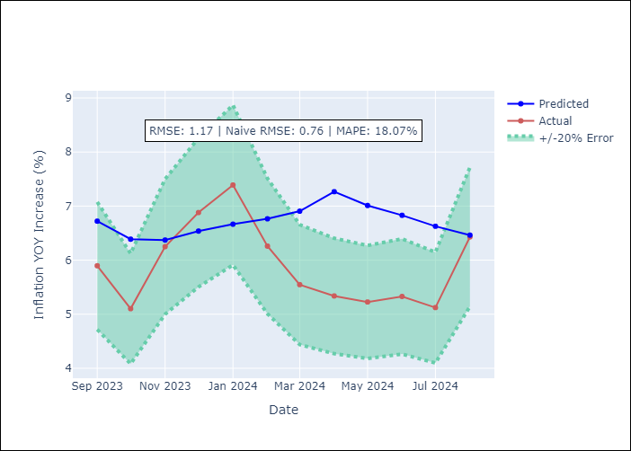

Appendix A: Model Summary
Model | ARIMA(2, 1, 0)x(0, 0, [1, 2], 12)
Sample | 01-01-2006- 08-01-2024
No. of Observations | 224
Terms | P-value (Statistical significance)
ar.L1 | 0.009
ar.L2 | 0.848
ma.S.L12 | 0.000
ma.S.L24 | 0.091
sigma2 | 0.000
Assumptions | P-value

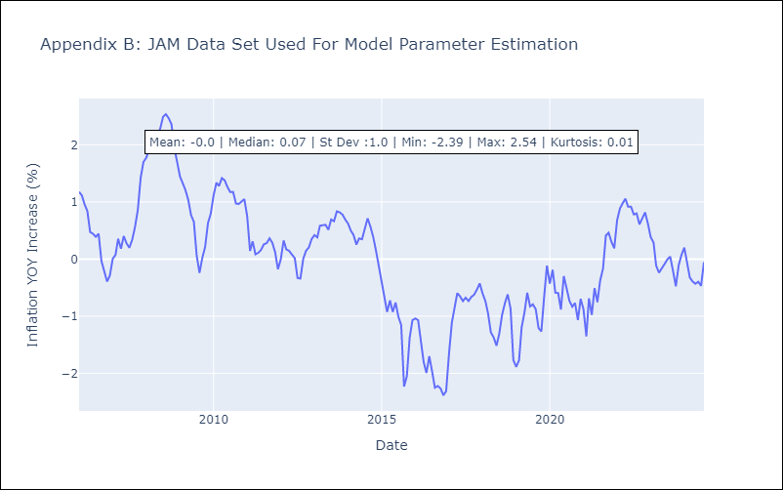

Appendix C: Residuals Analysis
Mean | -0.01

Normal? | No

KNA
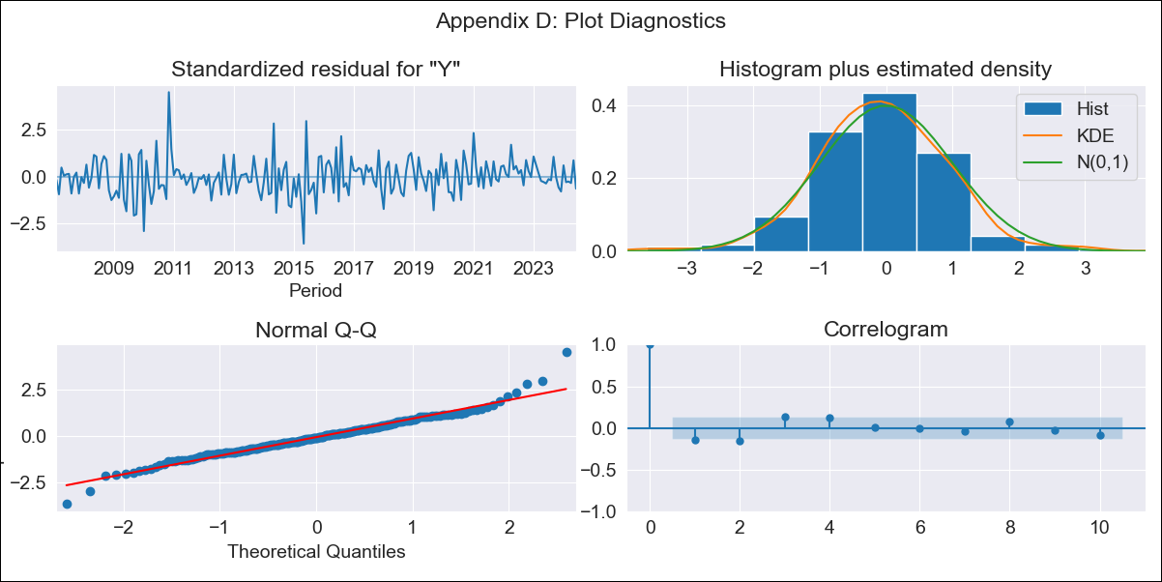
KNA - Inflation - Next 12 months forecast as of: 2024-06-01

Model | ARIMA - [(0, 1, 0), (3, 0, 0, 12)]
Training Data | 2004-01-01 to 2023-07-01
Test Data | 2023-07-01 to 2024-06-01

Date | Inflation Change YoY % | Lower Bound - 95% Confidence Interval | Upper Bound - 95% Confidence Interval
2024-07-01 | 1.07 | -0.34 | 2.83
2024-08-01 | 1.09 | -0.8 | 3.67
2024-09-01 | 0.75 | -1.37 | 3.88
2024-10-01 | 0.85 | -1.57 | 4.57
2024-11-01 | 1.13 | -1.63 | 5.48
2024-12-01 | 1.46 | -1.64 | 6.4
2025-01-01 | 1.41 | -1.86 | 6.8
2025-02-01 | 1.59 | -1.94 | 7.47
2025-03-01 | 1.76 | -2.01 | 8.12
2025-04-01 | 2.03 | -2.02 | 8.91
2025-05-01 | 1.56 | -2.42 | 8.62
2025-06-01 | 1.91 | -2.37 | 9.49
2025-07-01 | 1.92 | -2.38 | 9.56
2025-08-01 | 1.93 | -2.39 | 9.64
2025-09-01 | 1.96 | -2.4 | 9.72
2025-10-01 | 1.89 | -2.45 | 9.68

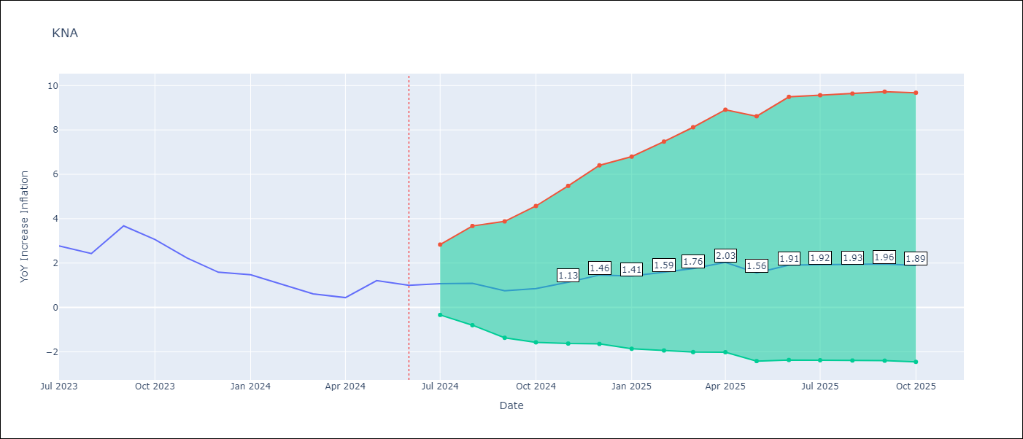

Test Metrics
RMSE | 0.5
Naive RMSE | 0.59
MAPE | 39.58%

Test Predictions
Date | Predicted | Actual
2023-07-01 | 2.91 | 2.77
2023-08-01 | 2.79 | 2.43
2023-09-01 | 2.94 | 3.68
2023-10-01 | 2.38 | 3.06
2023-11-01 | 2.12 | 2.23
2023-12-01 | 2.23 | 1.58
2024-01-01 | 1.54 | 1.48
2024-02-01 | 1.34 | 1.02
2024-03-01 | 1.13 | 0.61
2024-04-01 | 1.22 | 0.44
2024-05-01 | 1.3 | 1.21
2024-06-01 | 1.64 | 1

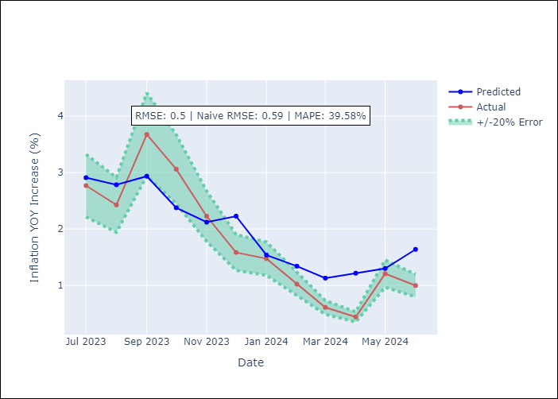

Appendix A: Model Summary
Model | ARIMA(0, 1, 0)x(3, 0, 0, 12)
Sample | 01-01-2004- 06-01-2024
No. of Observations | 246
Terms | P-value (Statistical significance)
ar.S.L12 | 0.000
ar.S.L24 | 0.000
ar.S.L36 | 0.013
sigma2 | 0.000
Assumptions | P-value

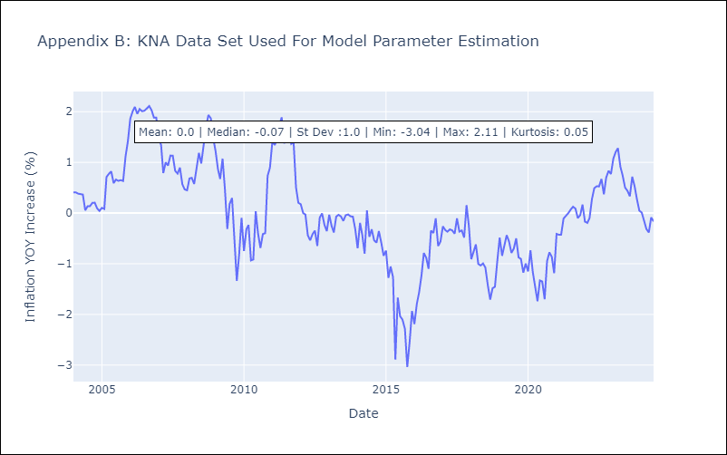

Appendix C: Residuals Analysis
Mean | 0.0

Normal? | No

LCA
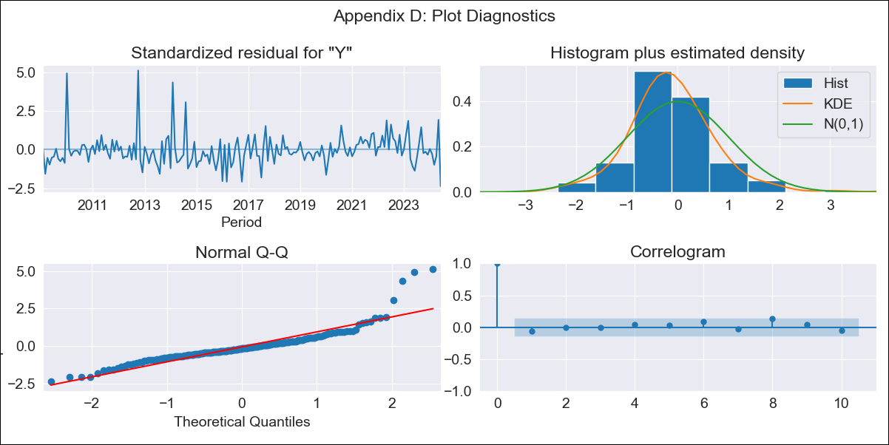
LCA - Inflation - Next 12 months forecast as of: 2024-06-01

Model | ARIMA - [(0, 1, 0), (3, 0, 1, 12)]
Training Data | 2006-01-01 to 2023-07-01
Test Data | 2023-07-01 to 2024-06-01

Date | Inflation Change YoY % | Lower Bound - 95% Confidence Interval | Upper Bound - 95% Confidence Interval
2024-07-01 | -0.18 | -1.82 | 1.5
2024-08-01 | -0.12 | -2.45 | 2.26
2024-09-01 | -1.24 | -4.07 | 1.65
2024-10-01 | -1.22 | -4.48 | 2.12
2024-11-01 | -1.4 | -5.05 | 2.34
2024-12-01 | -1.05 | -5.05 | 3.06
2025-01-01 | -1.11 | -5.42 | 3.33
2025-02-01 | -1.02 | -5.62 | 3.75
2025-03-01 | -0.3 | -5.2 | 4.78
2025-04-01 | 0.15 | -5.03 | 5.52
2025-05-01 | -1.42 | -6.81 | 4.16
2025-06-01 | 0.49 | -5.19 | 6.39
2025-07-01 | 0.4 | -5.27 | 6.31
2025-08-01 | 0.42 | -5.25 | 6.33
2025-09-01 | 0.42 | -5.26 | 6.32
2025-10-01 | 0.65 | -5.04 | 6.56

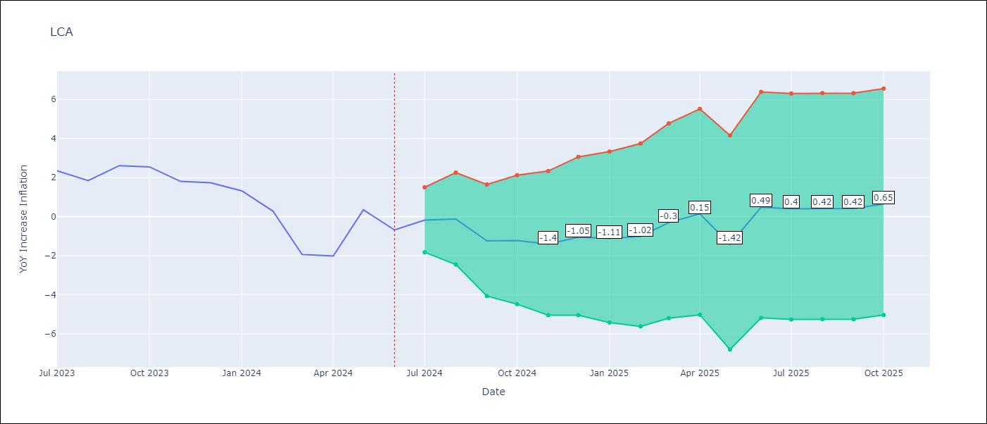

Test Metrics
RMSE | 0.78
Naive RMSE | 1.23
MAPE | 70.55%

Test Predictions
Date | Predicted | Actual
2023-07-01 | 2.82 | 2.35
2023-08-01 | 1.91 | 1.84
2023-09-01 | 1.4 | 2.61
2023-10-01 | 1.56 | 2.55
2023-11-01 | 0.89 | 1.81
2023-12-01 | 1.13 | 1.74
2024-01-01 | 0.75 | 1.32
2024-02-01 | -0.07 | 0.28
2024-03-01 | -1.49 | -1.94
2024-04-01 | -1.21 | -2.02
2024-05-01 | -0.51 | 0.35
2024-06-01 | 0.51 | -0.68

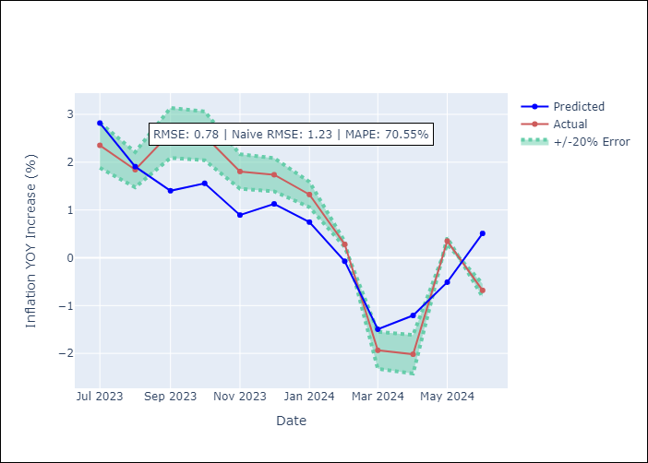

Appendix A: Model Summary
Model | ARIMA(0, 1, 0)x(3, 0, [1], 12)
Sample | 01-01-2006- 06-01-2024
No. of Observations | 222
Terms | P-value (Statistical significance)
ar.S.L12 | 0.083
ar.S.L24 | 0.135
ar.S.L36 | 0.000
ma.S.L12 | 0.000
sigma2 | 0.000
Assumptions | P-value

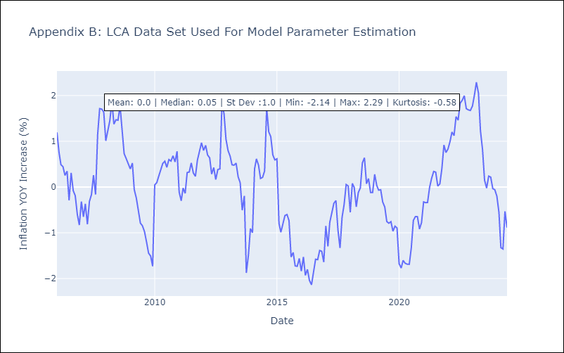

Appendix C: Residuals Analysis
Mean | -0.01

Normal? | No

SUR
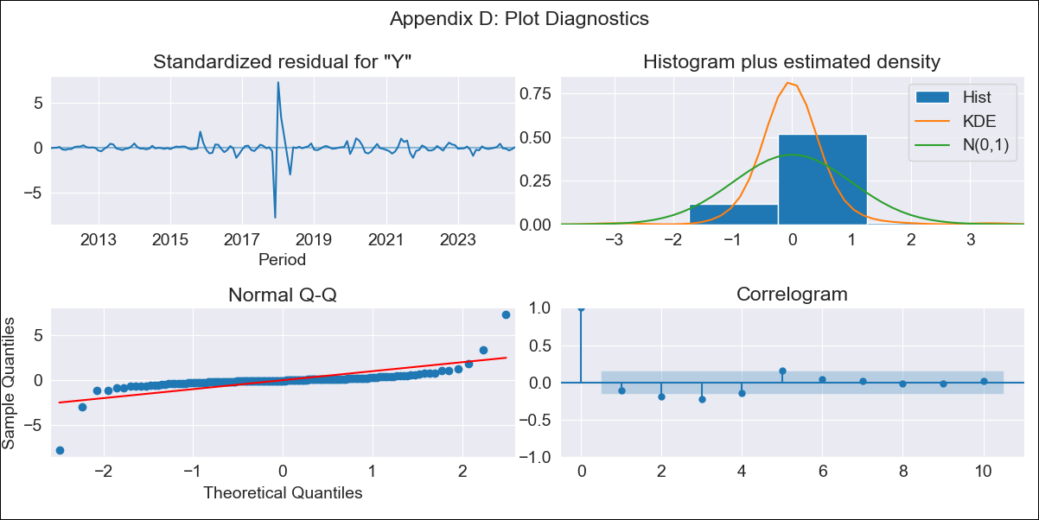
SUR - Inflation - Next 12 months forecast as of: 2024-08-01

Model | ARIMA - [(3, 2, 0), (1, 0, 0, 12)]
Training Data | 2010-04-01 to 2023-09-01
Test Data | 2023-09-01 to 2024-08-01

Date | Inflation Change YoY % | Lower Bound - 95% Confidence Interval | Upper Bound - 95% Confidence Interval
2024-09-01 | 8.75 | -1.99 | 29.92
2024-10-01 | 7.37 | -4.08 | 36.73
2024-11-01 | 5.86 | -6.41 | 46.82
2024-12-01 | 4.62 | -8.97 | 62.48
2025-01-01 | 3.09 | -11.73 | 81.91
2025-02-01 | 1.81 | -14.18 | 102.06
2025-03-01 | 0.19 | -16.95 | 125.06
2025-04-01 | -0.41 | -19.48 | 155.54
2025-05-01 | -1.19 | -22.11 | 187.77
2025-06-01 | -1.86 | -24.72 | 223.92
2025-07-01 | -2.41 | -27.34 | 265.51
2025-08-01 | -3.03 | -30.01 | 310.19
2025-09-01 | -3.56 | -32.36 | 352.81
2025-10-01 | -4.14 | -34.84 | 400.02
2025-11-01 | -4.68 | -37.28 | 450.11
2025-12-01 | -5.22 | -39.67 | 501.97

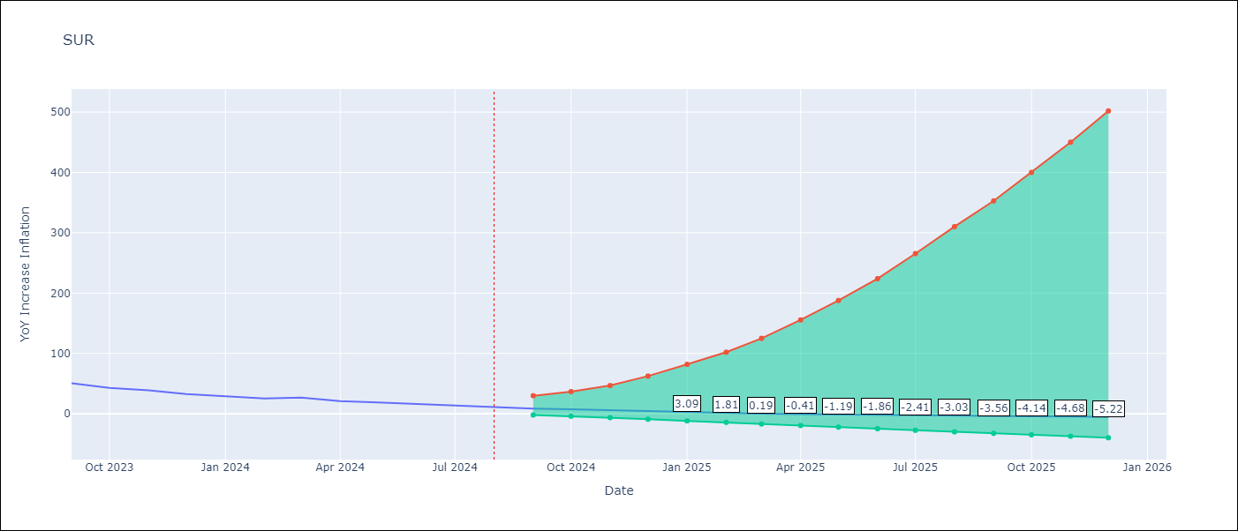

Test Metrics
RMSE | 10.55
Naive RMSE | 4.21
MAPE | 50.38%

Test Predictions
Date | Predicted | Actual
2023-09-01 | 49.89 | 50.79
2023-10-01 | 47.09 | 42.92
2023-11-01 | 45.72 | 38.74
2023-12-01 | 42.54 | 32.63
2024-01-01 | 40.07 | 28.98
2024-02-01 | 37.88 | 25.4
2024-03-01 | 35.57 | 26.83
2024-04-01 | 33.14 | 20.9
2024-05-01 | 30.98 | 18.62
2024-06-01 | 28.67 | 16.21
2024-07-01 | 26.5 | 12.99
2024-08-01 | 24.36 | 11.13

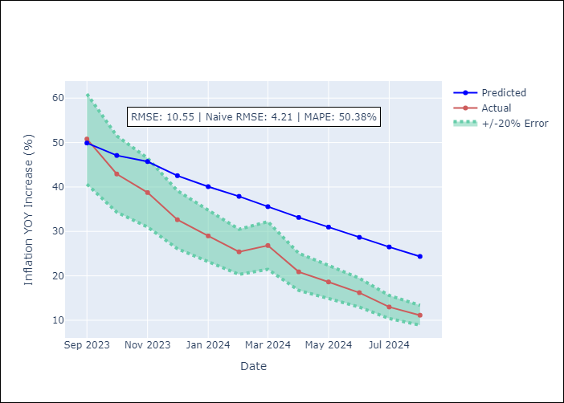

Appendix A: Model Summary
Model | ARIMA(3, 2, 0)x(1, 0, 0, 12)
Sample | 04-01-2010- 08-01-2024
No. of Observations | 173
Terms | P-value (Statistical significance)
ar.L1 | 0.000
ar.L2 | 0.000
ar.L3 | 0.000
ar.S.L12 | 0.092
sigma2 | 0.000
Assumptions | P-value

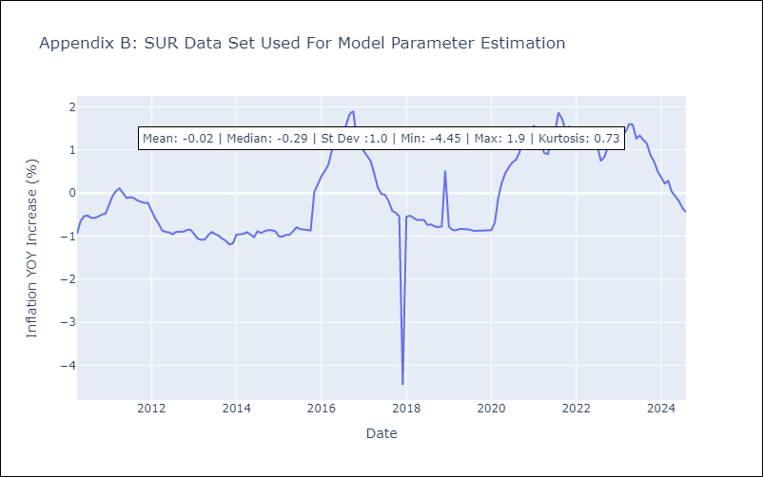

Appendix C: Residuals Analysis
Mean | -0.0

Normal? | No

TTO
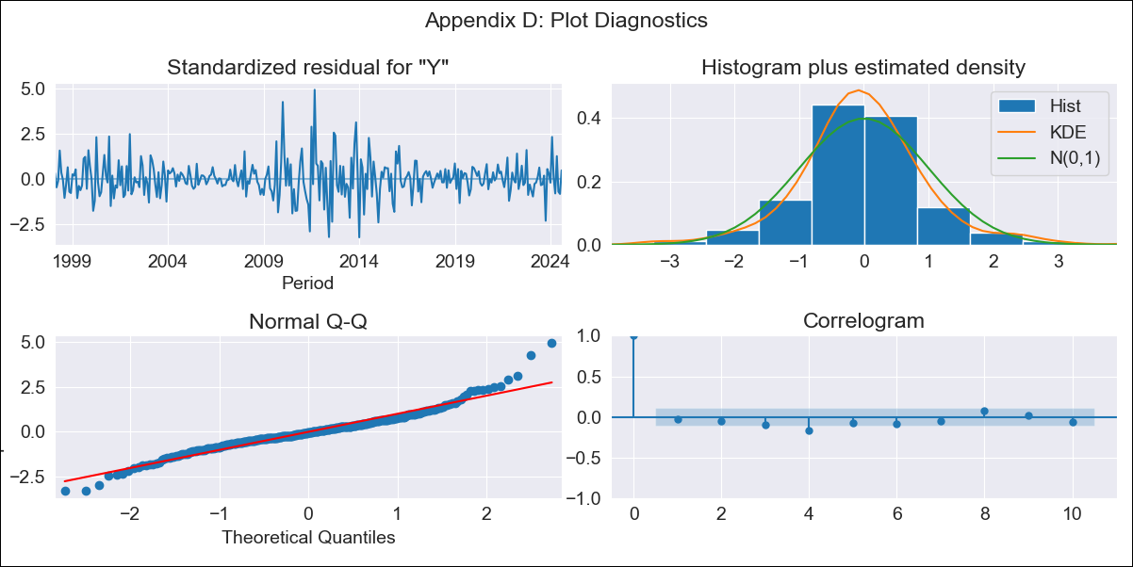
TTO - Inflation - Next 12 months forecast as of: 2024-08-01

Model | ARIMA - [(3, 2, 0), (3, 0, 0, 12)]
Training Data | 1994-09-01 to 2023-09-01
Test Data | 2023-09-01 to 2024-08-01

Date | Inflation Change YoY % | Lower Bound - 95% Confidence Interval | Upper Bound - 95% Confidence Interval
2024-09-01 | 0.4 | -0.18 | 1.22
2024-10-01 | 0.7 | -0.28 | 2.39
2024-11-01 | 0.64 | -0.59 | 3.21
2024-12-01 | 0.63 | -0.87 | 4.48
2025-01-01 | 0.77 | -1.11 | 6.7
2025-02-01 | 0.46 | -1.51 | 8.05
2025-03-01 | 0.39 | -1.81 | 10.67
2025-04-01 | 0.53 | -2.02 | 15.25
2025-05-01 | 0.3 | -2.37 | 18.69
2025-06-01 | 0.3 | -2.63 | 24.73
2025-07-01 | 0.43 | -2.85 | 33.79
2025-08-01 | 0.37 | -3.13 | 42.81
2025-09-01 | 0.3 | -3.36 | 51.99
2025-10-01 | 0.48 | -3.52 | 66.46
2025-11-01 | 0.46 | -3.74 | 79.97
2025-12-01 | 0.43 | -3.94 | 95.11

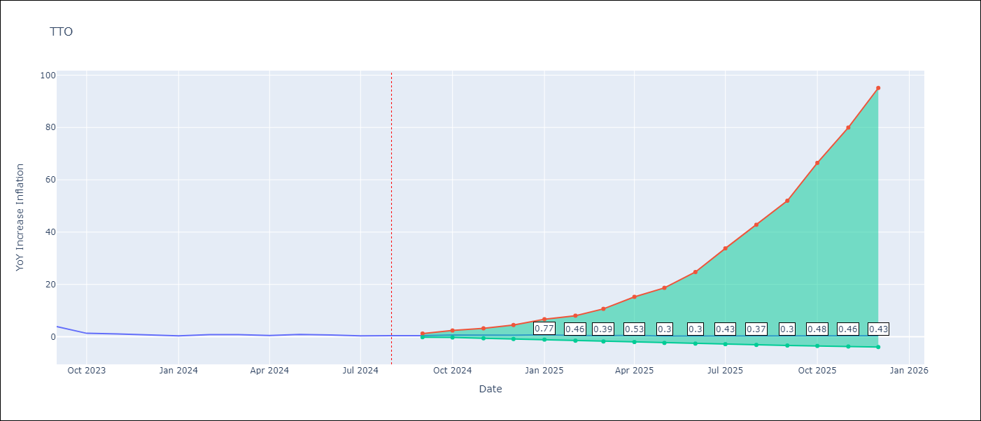

Test Metrics
RMSE | 0.99
Naive RMSE | 0.8
MAPE | 156.86%

Test Predictions
Date | Predicted | Actual
2023-09-01 | 3.72 | 3.87
2023-10-01 | 2.61 | 1.31
2023-11-01 | 2.33 | 1.06
2023-12-01 | 2.02 | 0.73
2024-01-01 | 1.83 | 0.32
2024-02-01 | 1.75 | 0.81
2024-03-01 | 1.65 | 0.81
2024-04-01 | 1.56 | 0.49
2024-05-01 | 1.46 | 0.9
2024-06-01 | 1.24 | 0.65
2024-07-01 | 1.14 | 0.32
2024-08-01 | 1.1 | 0.41

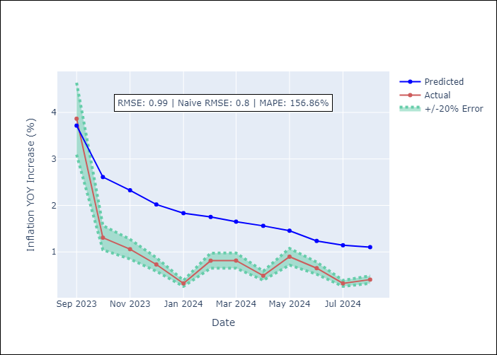

Appendix A: Model Summary
Model | ARIMA(3, 2, 0)x(3, 0, 0, 12)
Sample | 09-01-1994- 08-01-2024
No. of Observations | 360
Terms | P-value (Statistical significance)
ar.L1 | 0.000
ar.L2 | 0.000
ar.L3 | 0.000
ar.S.L12 | 0.000
ar.S.L24 | 0.000
ar.S.L36 | 0.018
sigma2 | 0.000
Assumptions | P-value

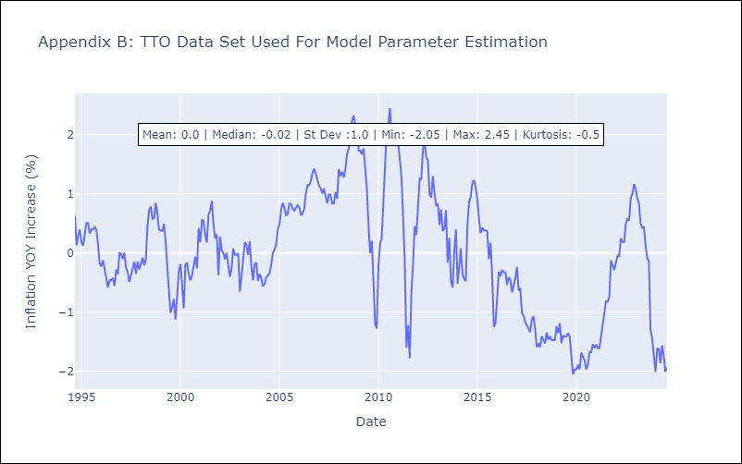

Appendix C: Residuals Analysis
Mean | 0.0

Normal? | No

VCT
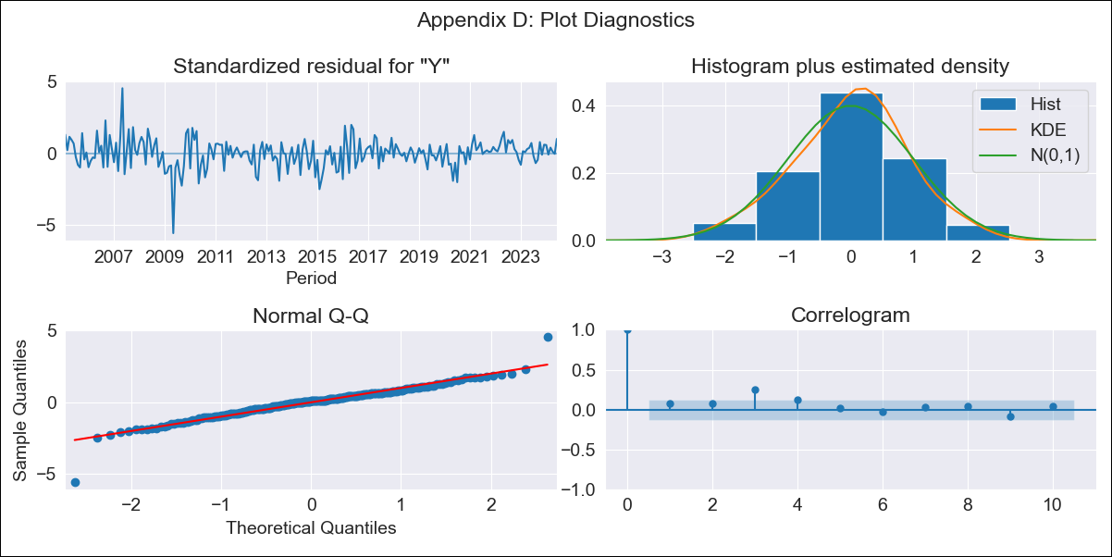
VCT - Inflation - Next 12 months forecast as of: 2024-06-01

Model | ARIMA - [(1, 0, 0), (3, 0, 0, 12)]
Training Data | 2002-01-01 to 2023-07-01
Test Data | 2023-07-01 to 2024-06-01

Date | Inflation Change YoY % | Lower Bound - 95% Confidence Interval | Upper Bound - 95% Confidence Interval
2024-07-01 | 4.8 | 3.22 | 6.51
2024-08-01 | 5.06 | 2.85 | 7.52
2024-09-01 | 5.2 | 2.52 | 8.24
2024-10-01 | 4.82 | 1.86 | 8.29
2024-11-01 | 4.77 | 1.53 | 8.64
2024-12-01 | 4.6 | 1.14 | 8.8
2025-01-01 | 4.36 | 0.75 | 8.85
2025-02-01 | 4.39 | 0.59 | 9.19
2025-03-01 | 4.32 | 0.37 | 9.39
2025-04-01 | 4.31 | 0.22 | 9.65
2025-05-01 | 4.42 | 0.16 | 10.03
2025-06-01 | 4.01 | -0.22 | 9.75
2025-07-01 | 4.1 | -0.18 | 9.9
2025-08-01 | 4.13 | -0.18 | 9.97
2025-09-01 | 4.18 | -0.17 | 10.07
2025-10-01 | 4.14 | -0.21 | 10.06

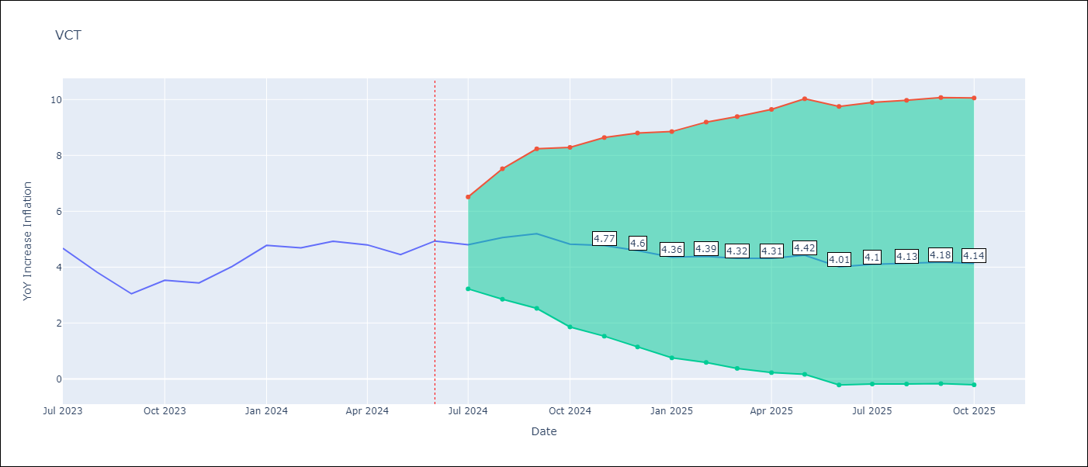

Test Metrics
RMSE | 0.87
Naive RMSE | 0.53
MAPE | 17.17%

Test Predictions
Date | Predicted | Actual
2023-07-01 | 4.82 | 4.67
2023-08-01 | 4.48 | 3.81
2023-09-01 | 4.01 | 3.05
2023-10-01 | 3.84 | 3.53
2023-11-01 | 3.8 | 3.43
2023-12-01 | 3.88 | 4.03
2024-01-01 | 4.12 | 4.78
2024-02-01 | 4.08 | 4.69
2024-03-01 | 3.96 | 4.93
2024-04-01 | 3.72 | 4.8
2024-05-01 | 3.4 | 4.45
2024-06-01 | 3.06 | 4.94



Appendix A: Model Summary
Model | ARIMA(1, 0, 0)x(3, 0, 0, 12)
Sample | 01-01-2002- 06-01-2024
No. of Observations | 270
Terms | P-value (Statistical significance)
const | 0.649
ar.L1 | 0.000
ar.S.L12 | 0.000
ar.S.L24 | 0.000
ar.S.L36 | 0.009
sigma2 | 0.000
Assumptions | P-value



Appendix C: Residuals Analysis
Mean | -0.0

Normal? | No

